주차 후 녹화 기능
 | OWP_025
memo | ID | Step | Verification items | detail | 전압 | 전원 | Execution Procedure | Expected value | Evidence | 결과 | 측정값 | 비고 | 매뉴얼 기본 | 자동화 기본 | 자동화 반영 | 사양구분 | 과거차문제
[BLTN_CAM-Function-005] Continuous Parking Recording
 |  | 6 |  |  |  |  | ▪ Check front/rear camera indicator | ▪ F/R-CAM_INDI = Blink - Blink Frequency: 0.5Hz(Duty : 50%) |  |  |  |  | O | X | X | 주차녹화_지원
 |  | 3 |  |  |  |  | ▪ Check front/rear camera indicator | ▪ F/R-CAM_INDI = OFF |  |  |  |  | O | X | X | 주차녹화_지원
 |  | 7 |  | Confirm recording file creation (3 minutes) - Create 1 3-minute recording file | 12 V | IGN | ▪ Built-in Cam Main Screen ▪ [Settings] - [Recording] - [Recording While Parked] - Continuous Recording ON ▪ ACC & IGN OFF ▪ Wait 3 minutes, then ACC & IGN ON ▪ Return to Built-in Cam Main Screen and check the [Continuous Recording While Parked] library | ▪ Verify that continuous recording files are saved while parked - Verify that a list containing 1 file (Front + Rear video, 3 min) is created ▪ There should be no issues with video distortion, black screens, noise, or color quality - The progress bar plays to the end during playback |  |  |  | 과거차문제 PASTI-340 주차녹화 진입 초기에 후방영상 블랙으로 저장 되며 간헐적으로 썸네일도 블랙 저장 | O |  | X | 주차녹화_지원 | O
[Continuous Recording While Parked] : Full-time Recording ※ Check the auxiliary battery tab for features related to parking recording time. | OWP_003 | 1 | [Continuous Recording While Parked] : Full-time Recording | Confirmation of recording file creation (20 hours) | 12 V | IGN | ▪ Turn OFF ACC & IGN after setting to 20-hour continuous parking recording ▪ After turning the KEY ON, enter the built-in cam screen and check the continuous parking recording box | ▪ Confirmation of continuous recording file saving while parked - Confirmation of creation of a list of 40 Front & Rear videos (30 minutes) |  |  |  |  |  |  | X | 주차녹화_지원 | O
 |  | 2 |  | Check for interruptions in related actions during continuous recording | 12 V | B+ | ▪ Maintain CAN Alive status by inputting an NM signal during 20-hour continuous parking recording. ▪ Check the BLTN_CAM_RecSta_OWP signal in the CAN LOG after parking recording is complete. | ▪ The BLTN_CAM_RecSta_OWP signal will not be turned OFF at the time of individual file saving. |  |  |  |  |  |  | X | 주차녹화_지원 | O
 |  | 3 |  | Confirmation of recording file creation (12 hours) | 12 V | IGN | ▪ Turn OFF ACC & IGN after setting to 12-hour continuous parking recording ▪ After turning the KEY ON, enter the built-in cam screen and check the continuous parking storage box | ▪ Confirmation of continuous recording file saving while parked - Confirmation of creation of a list of 24 Front & Rear videos (30 minutes) |  |  |  |  |  |  | X | 주차녹화_지원 | O
 |  | 4 |  | Confirmation of recording file creation (6 hours) | 12 V | IGN | ▪ Turn OFF ACC & IGN after setting to 6-hour continuous parking recording ▪ After turning the KEY ON, enter the built-in cam screen and check the continuous parking recording box | ▪ Confirmation of continuous recording file saving while parked - Confirmation of creation of a list of 12 Front & Rear videos (30 minutes) | 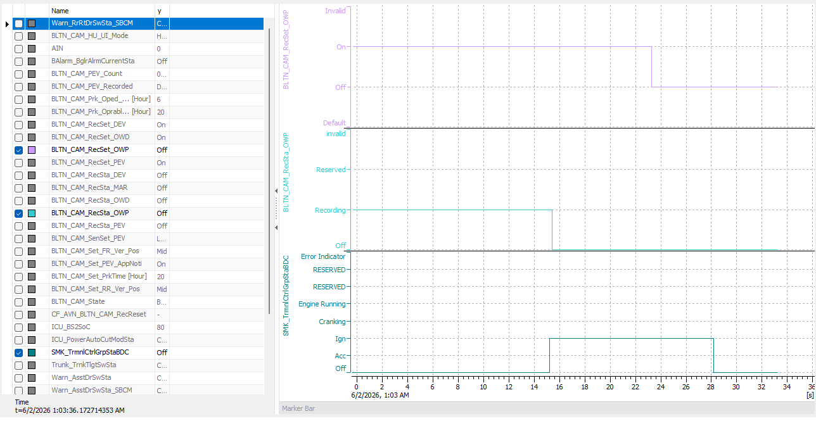 |  |  |  |  |  | X | 주차녹화_지원 | O
 |  | 5 |  | Confirmation of recording file creation (2 hours) | 12 V | IGN | ▪ Turn OFF ACC & IGN after setting continuous parking recording for 2 hours ▪ After turning the KEY ON, enter the built-in cam screen and check the continuous parking recording box | ▪ Confirmation of continuous recording file saving while parked - Confirmation of creation of 4 lists for Front & Rear Video (30 min) | 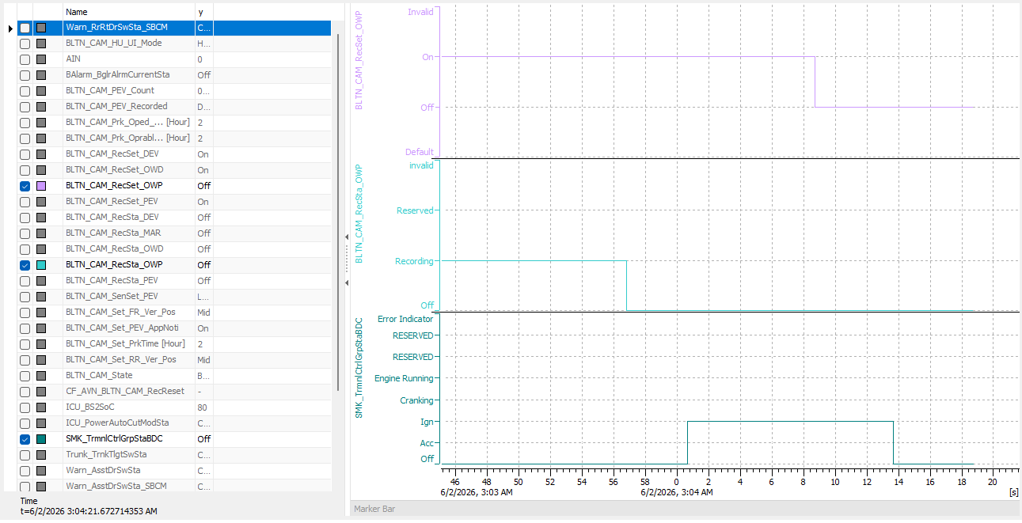 |  |  |  |  |  | X | 주차녹화_지원 | O
 |  | 6 |  | Separate group index when date changes during recording | 12 V | B+ | ▪ Parking recording starts at 23:40 ▪ Check the parking recording video list after 3 recording files are created 1 hour later | ▪ Created as 2 recording groups - 23:40:00 ~ 00:10:00 - 00:10:00 ~ 00:40:00 | 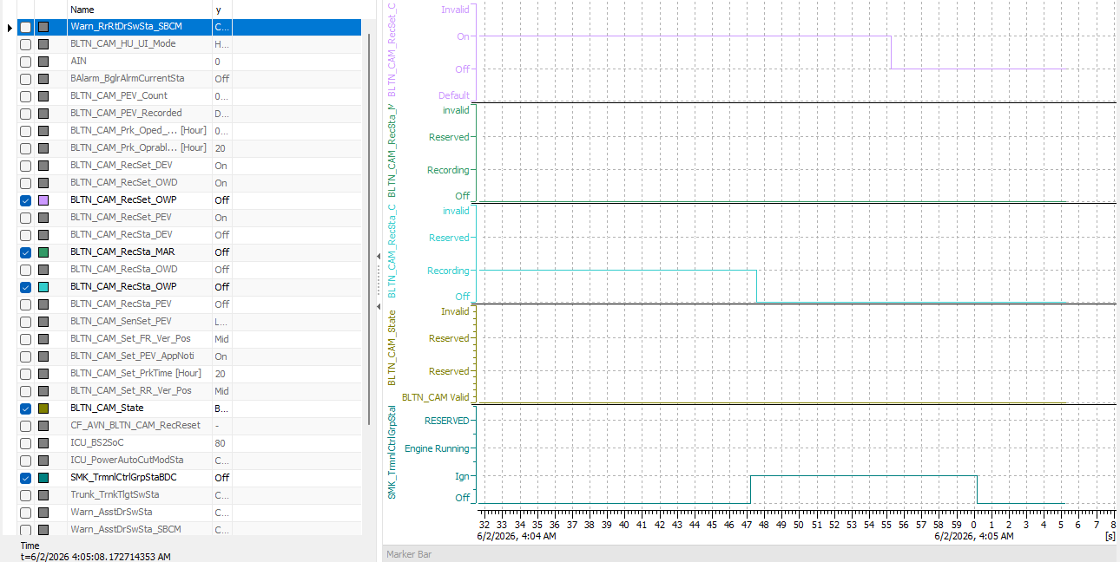 |  |  |  |  |  | X | 주차녹화_지원 | O
 |  | 7 |  | Check recording file specifications | 12 V | IGN | ▪ Check the generated recording file on the PC | ▪ Video saving/playback frame rate 2 FPS |  |  |  |  | O |  | X | 주차녹화_지원 | O
 |  | 8 |  |  |  |  |  | ▪ Resolution 2560*1440 (QHD), No audio recording ※ 2.5 Gen: 2980*1440 ※ 3rd Gen: 3840 * 2160 (Front/Rear Camera) 1280 * 1440 each (Side Camera) |  |  |  |  | O |  | X | 주차녹화_지원 | O
 |  | 9 |  |  |  |  |  | ▪ No horizontal flip of the video |  |  |  |  | O |  | X | 주차녹화_지원 | O
 |  | 2 |  | Checking the impact of simultaneous recording of other videos during parking recording - Video verification | 12 V | IGN | ▪ [Always check while parked] Check locker | ▪ Confirmation of continuous recording file saving while parked - Confirmation of front & rear video (60 sec) list creation |  |  |  |  |  |  | X | 주차녹화_지원
[When camera video is not input] | OWP_005 | 1 | [When camera video is not input] | Front camera removal, parking recording + manual/impact events | 12 V | B+ | ▪ Start parking recording ▪ Remove front camera after 30 seconds ▪ Reinstall camera after 20 seconds ▪ Manual, trigger impact event ▪ Check generated recording file after 30 seconds | ▪ Recorded video file created (Black screen recorded if no video input) ▪ Camera restored to normal after installation |  |  |  |  |  |  | X | 주차녹화_지원
 |  | 2 |  | Rearview camera removal, parking recording + manual/impact events | 12 V | B+ | ▪ Start continuous parking recording ▪ Remove rear camera after waiting 30 seconds ▪ Reinstall camera after waiting 20 seconds ▪ Mandate impact event ▪ Check generated recording file after waiting 30 seconds | ▪ Continuous recording, impact video file generated (black screen recording if no video input) ▪ Camera returns to normal after installation |  |  |  |  |  |  | X | 주차녹화_지원
 |  | 3 |  | Front/rear camera removal, constant parking + manual/impact events | 12 V | B+ | ▪ Start parking recording ▪ Wait 30 seconds, then remove front + rear cameras ▪ Wait 20 seconds, then reattach cameras ▪ Manual, trigger impact event ▪ Wait 30 seconds, then check the generated recording file | ▪ Recorded video file created (Black screen recorded if no video input) ▪ Camera restored to normal after installation |  |  |  |  |  |  | X | 주차녹화_지원
 |  | 4 |  | When attaching/detaching the front camera during parking recording | 12 V | IGN | ▪ Removal/Installation of front camera during parking recording | ▪ Recorded video file created (Black screen recorded if no video input) ▪ Camera restored to normal after installation (Recorded video plays normally) ▪ Impact event recording did not occur |  |  |  |  |  |  | X | 주차녹화_지원
 |  | 5 |  | Impact of Front Camera Removal During Parking Recording on CAN Communication | 12 V | IGN | ▪ Removal/Installation of front camera during parking recording | ▪ Maintain normal CAN communication |  |  |  |  |  |  | X | 주차녹화_지원
 |  | 6 |  | When attaching or detaching the rear camera during parking recording | 12 V | B+ | ▪ Parking Recording in Progress (Network Sleep) ▪ Front/Rear Camera Detachment ▪ KEY ON | ▪ Recorded video file created (Black screen recorded if no video input) ▪ Camera restored to normal after installation (Recorded video plays normally) ▪ Impact event recording did not occur |  |  |  |  |  |  | X | 주차녹화_지원
 |  | 7 |  | When removing the camera during parking recording and reinstalling it after turning the KEY ON | 12 V | IGN | ▪ Parking Recording in Progress (Network Sleep) ▪ Front/Rear Camera Removal ▪ KEY ON ▪ Enter Built-in Cam Mode Real-time View ▪ Front/Rear Camera Installation | ▪ Camera restored to normal after installation (real-time screen) |  |  |  |  |  |  | X | 주차녹화_지원
 |  | 8 |  |  |  |  | ▪ Built-in Cam Settings - Change Display Angle : Front/Rear -5 ~ +5 Value Setting | ▪ Angle set from -5 to +5 depending on front/rear setting values |  |  |  |  |  |  | X | 주차녹화_지원
 |  | 9 |  | Impact of CAN communication when removing the rear camera during parking recording | 12 V | IGN | ▪ Removal/Installation of rear camera during parking recording | ▪ Maintain normal CAN communication |  |  |  |  |  |  | X | 주차녹화_지원
 |  | 10 |  | Check G-sensor operation after attaching/detaching the camera during parking recording | 12 V | B+ | ▪ Parking recording in progress (Impact notification function ON) ▪ Wait 30 seconds, then remove front camera ▪ Wait 20 seconds, then reattach camera ▪ Authorize impact event | ▪ Recorded video file created (Black screen recording if no video input) ▪ Camera restored to normal within 2 seconds after installation (Recorded file driving data, capacity, playback time) ▪ Confirmed saving of impact event recording ▪ Confirmed operation of impact event notification : BLTN_CAM_PEV_Recorded = 0x2(Park Event Recorded) up to 5 times |  |  |  |  |  |  | X | 주차녹화_지원
 |  | 11 |  |  | 12 V | B+ | ▪ ↑ Verify that the above procedure is repeated 10 times | ▪ Recorded video file created (Black screen recording if no video input) ▪ Camera restored to normal within 2 seconds after installation (Recorded file driving data, capacity, playback time) ▪ Confirmation of impact event recording saved |  |  |  |  |  |  | X | 주차녹화_지원
[Power Fail Safety Operation] : Emergency Power (Super Cap) Performance - B+ OFF during Parking Recording | OWP_006 | 1 | [Power Fail Safety Operation] : Emergency Power (Super Cap) Performance (Parking/Parking Motion) | Continuous recording while parked | 12 V | B+ | ▪ Continuous video recording while parked ▪ Disconnect main connector | ▪ The file being recorded right before power is turned off is saved. ※ Based on settings, at least two files must be saved. - Save Priority: Always > Impact Detection Save (Event) > Manual Save |  |  |  |  |  |  | X | 주차녹화_지원
 |  | 2 |  | Recording event (impact) while parked | 12 V | B+ | ▪ Record video of impact event while parked ▪ Disconnect main connector (immediately after impact event) | ▪ The file being recorded right before power is turned off is saved. ※ Based on settings, at least two files must be saved. - Save Priority: Always > Impact Detection Save (Event) > Manual Save |  |  |  |  |  |  | X | 주차녹화_지원
 |  | 3 |  | Recording event (switch) while parked | 12 V | B+ | ▪ Video recording of the parked event switch ▪ Disconnect the main connector (immediately after the switch event occurs) | ▪ The file being recorded right before power is turned off is saved. ※ Based on settings, at least two files must be saved. - Save Priority: Always > Impact Detection Save (Event) > Manual Save |  |  |  |  |  |  | X | 주차녹화_지원
 |  | 4 |  | Simultaneous execution of parking, constant, impact, and manual events | 12 V | B+ | ▪ Recording of event switch video & impact video while parked ▪ Disconnect main connector (immediately after event occurs) | ▪ The file being recorded right before power is turned off is saved. ※ Based on settings, at least two files must be saved. - Save Priority: Always > Impact Detection Save (Event) > Manual Save |  |  |  |  | O |  | X | 주차녹화_지원
[Spoiled Conditions for Power Fail Safety Operation] : Rear camera unrecognized - B+ OFF during parking recording |  | 5 |  | B+ OFF during continuous recording while parked | 12 V | B+ | ▪ Continuous parking video recording, rear camera not recognized ▪ B+ power input OFF | ▪ The file being recorded right before power is turned off is saved. ※ Based on settings, at least two files must be saved. - Save Priority: Always > Impact Detection Save (Event) > Manual Save |  |  |  |  |  |  | X | 주차녹화_지원
[BLTN_CAM-Function-006] Parking Event Recording
 |  | 5 |  |  | 12 V | B+ | ▪ Check front/rear camera indicator | ▪ F/R-CAM_INDI = Flash - Flash Cycle: 0.5Hz(Flash Duty: 50%) |  |  |  |  | O |  | X | 주차녹화_지원
 |  | 8 |  |  |  |  | ▪ Check front/rear camera indicator | ▪ F/R-CAM_INDI = Blink, (for 10 seconds) - Blink frequency: 1Hz(Duty: 50%) |  |  |  |  | O |  | X | 주차녹화_지원
 |  | 12 |  | Confirmation of recording file creation - 3 files of 20 seconds created - Confirmation of recording file event time -10s ~ +10s | 12 V | IGN | ▪ 3 events at 11-second intervals ▪ Check the number of impact events while parked after KEY On ▪ Built-in Cam Main Screen ▪ Check [Parking Events] Archive | ▪ [BLTN_CAM_HU_PE] BLTN_CAM_PEV_Count = 0x3 ▪ Verify that the recording file for the parked event (impact) is saved - Verify that a list of 3 files (Front & Rear, 20 sec) is created ▪ There should be no issues with video distortion, black screens, noise, or color quality |  |  |  |  | O |  | X | 주차녹화_지원
 |  | 13 |  | Check recording file specifications | 12 V | IGN | ▪ Check the generated recording file on the PC | ▪ Video saving/playback frame rate 10 FPS |  |  |  |  | O |  | X | 주차녹화_지원
 |  | 14 |  |  |  |  |  | ▪ Resolution 2560*1440 (QHD), Voice Recording ※ 2.5 Gen: 2980*1440 ※ 3rd Gen: 3840 * 2160 (Front/Rear Camera) 1280 * 1440 each (Side Camera) |  |  |  |  | O |  | X | 주차녹화_지원
 |  | 15 |  |  |  |  |  | ▪ No horizontal flip of the video |  |  |  |  | O |  | X | 주차녹화_지원
 |  | 3 |  |  |  |  | ▪ Check front/rear camera indicator | ▪ F/R CAM_INDI = Flash, (for 10 seconds) - Flash Cycle: 0.5Hz(Duty : 50%) |  |  |  |  |  |  | X | 주차녹화_지원
 |  | 5 |  | Display location of event impact (Red progress bar indicator for continuous recording files) Verify consistency | 12 V | IGN | ▪ Impact event authorization during continuous parking recording | ▪ Check for a red mark at the time of impact event in the continuous driving recording file : Check timing alignment (within approximately 500ms) |  |  |  |  |  |  | X | 주차녹화_지원
 |  | 6 |  | Display Event Impact Location (Event Recording File) - Parking Always + Parking Event / Remove B+ Before Completion | 12V | B+ | ▪ Parking Always On + Parking Event Setting ON ▪ ACC & IGN OFF ▪ Apply impact while Vehicle Network is ALIVE ▪ Disconnect B+ after 5 seconds | ▪ Built-in cam enters normally ▪ Check for a red mark at the time of impact event in the parking event recording file : Check timing consistency (within approximately 500ms) |  |  |  |  |  |  | X | 주차녹화_지원
 |  | 7 |  |  | 12V | B+ | ▪ Always Parking + Parking Event Setting ON ▪ ACC & IGN OFF ▪ Apply impact while vehicle network is in SLEEP state ▪ Disconnect auxiliary battery after 5 seconds | ▪ Built-in cam enters normally ▪ Check for a red mark at the time of impact event in the parking event recording file : Check timing consistency (within approximately 500ms) |  |  |  |  |  |  | X | 주차녹화_지원
[Check event save time] (2) | OWP_009 | 1 | [Recording Event Impacts While Parked] : Check Event Save Time | Check recording file event time -10s to +10s | 12 V | IGN | ▪ Play the recorded file to check the playback time and the time of the event. | ▪ Playback length: 20s, Event occurrence time: 10s point |  |  |  |  | O |  | X | 주차녹화_지원
 |  | 2 |  | Check recording file event time -15s ~ +10s |  |  | ▪ Play the recorded file to check the playback time and the time of the event. | ▪ Playback length: 25s, Event occurrence time: 15s point |  |  |  |  |  |  | X | 주차녹화_지원
 |  | 3 |  | Check recording file event time -20s ~ +10s |  |  | ▪ Play the recorded file to check the playback time and the time of the event. | ▪ Playback length: 30s, Event occurrence time: 20s point |  |  |  |  |  |  | X | 주차녹화_지원
 |  | 4 |  | Check recording file event occurrence time -10s ~ +15s |  |  | ▪ Play the recorded file to check the playback time and the time of the event. | ▪ Playback length: 25s, Event occurrence time: 10s point |  |  |  |  |  |  | X | 주차녹화_지원
 |  | 5 |  | Check recording file event time -15s ~ +15s |  |  | ▪ Play the recorded file to check the playback time and the time of the event. | ▪ Playback length: 30s, Event occurrence time: 15s point |  |  |  |  |  |  | X | 주차녹화_지원
 |  | 6 |  | Check recording file event time -20s ~ +15s |  |  | ▪ Play the recorded file to check the playback time and the time of the event. | ▪ Playback length: 35s, Event occurrence time: 20s point |  |  |  |  |  |  | X | 주차녹화_지원
 |  | 7 |  | Check recording file event time -10s ~ +20s |  |  | ▪ Play the recorded file to check the playback time and the time of the event. | ▪ Playback length: 30s, Event occurrence time: 10s point |  |  |  |  |  |  | X | 주차녹화_지원
 |  | 8 |  | Check recording file event time -15s ~ +20s |  |  | ▪ Play the recorded file to check the playback time and the time of the event. | ▪ Playback length: 35s, Event occurrence time: 15s point |  |  |  |  |  |  | X | 주차녹화_지원
 |  | 9 |  | Check recording file event time -20s ~ +20s |  |  | ▪ Play the recorded file to check the playback time and the time of the event. | ▪ Playback length: 40s, Event occurrence time: 20s point |  |  |  |  | O |  | X | 주차녹화_지원
 |  | 3 |  |  |  |  | ▪ Check front/rear camera indicator | ▪ F/R CAM_INDI = Flash - Flash Cycle: 0.5Hz(Duty : 50%) |  |  |  |  |  |  | X | 주차충격 알림_지원
 |  | 7 |  |  |  |  | ▪ Check front/rear camera indicator | ▪ F/R CAM_INDI = Flash, (for 10 seconds) - Flash Cycle: 1Hz(Duty : 50%) |  |  |  |  |  |  | X | 주차충격 알림_지원
 |  | 9 |  | ▪ Confirmation of Burgler Alarm Impact Event Recording File Creation - 1 20-second file - Confirmation of recording file event time -10s ~ +10s | 12 V | IGN | ▪ Built-in Camera Screen Transition ▪ [Parking Event] Check Archive | ▪ Confirmation of saved recording file for parked event (impact) - Confirmation of creation of 1 list of front & rear video (20 sec) |  |  |  |  |  |  | X | 주차충격 알림_지원
 |  | 10 |  |  |  |  | ▪ Play the recording file (20 sec) to check the time of the event. | ▪ Check if the event occurs at the 10-second mark during video playback |  |  |  |  |  |  | X | 주차충격 알림_지원
 |  | 12 |  |  |  |  | ▪ Check front/rear camera indicator | ▪ F/R CAM_INDI = Flash - Flash Cycle: 0.5Hz(Duty : 50%) |  |  |  |  |  |  | X | 주차충격 알림_지원
- Door closing impact filtering function | OWP_012 | 1 | [Parking Event Impact Recording]: Door Closing Impact Filtering Feature | FL Door Open → Close | 12 V | IGN | ▪ Built-in Cam Main Screen ▪ [Settings] - [Recording] - [Recording While Parked] - Parking Event, Event Notification Settings ON ▪ ACC & IGN OFF ▪ Enable Impact Event ▪ Door Signal Change within 1.5s: Warn_DrvDrSwSta = 0x1→ 0x0 ▪ Enable Impact Event within 1s after Signal Change | ▪ Do not perform impact recording while parked : EVENT_SW_INDI = ON |  |  |  |  | O |  | X | 주차녹화_지원
 |  | 2 |  | FL Door Close → Open | 12 V | B+ | ▪ Enable impact event ▪ Door signal change within 1.5s: Warn_DrvDrSwSta = 0x0→ 0x1 ▪ Enable impact event within 1s after signal change | ▪ Do not perform impact recording while parked : EVENT_SW_INDI = ON |  |  |  |  | O |  | X | 주차녹화_지원
 |  | 3 |  | FR Door Open→ Close | 12 V | B+ | ▪ Enable impact event ▪ Door signal change within 1.5s: Warn_AsstDrSwSta = 0x1→ 0x0 ▪ Enable impact event within 1s after signal change | ▪ Do not perform impact recording while parked : EVENT_SW_INDI = ON |  |  |  |  |  |  | X | 주차녹화_지원
 |  | 4 |  | FR Door Close→ Open | 12 V | B+ | ▪ Enable impact event ▪ Door signal change within 1.5s: Warn_AsstDrSwSta = 0x0→ 0x1 ▪ Enable impact event within 1s after signal change | ▪ Do not perform impact recording while parked : EVENT_SW_INDI = ON |  |  |  |  |  |  | X | 주차녹화_지원
 |  | 5 |  | RL Door Open → Close | 12 V | B+ | ▪ Enable impact event ▪ Door signal change within 1.5s: Warn_RrLftDrSwSta = 0x1→ 0x0 ▪ Enable impact event within 1s after signal change | ▪ Do not perform impact recording while parked : EVENT_SW_INDI = ON |  |  |  |  |  |  | X | 주차녹화_지원
 |  | 6 |  | RL Door Close → Open | 12 V | B+ | ▪ Enable impact event ▪ Door signal change within 1.5s: Warn_RrLftDrSwSta = 0x0→ 0x1 ▪ Enable impact event within 1s after signal change | ▪ Do not perform impact recording while parked : EVENT_SW_INDI = ON |  |  |  |  |  |  | X | 주차녹화_지원
 |  | 7 |  | RR Door Open → Close | 12 V | B+ | ▪ Enable impact event ▪ Door signal change within 1.5s: Warn_RrRtDrSwSta = 0x1→ 0x0 ▪ Enable impact event within 1s after signal change | ▪ Do not perform impact recording while parked : EVENT_SW_INDI = ON |  |  |  |  |  |  | X | 주차녹화_지원
 |  | 8 |  | RR Door Close → Open | 12 V | B+ | ▪ Enable impact event ▪ Door signal change within 1.5s: Warn_RrRtDrSwSta = 0x0→ 0x1 ▪ Enable impact event within 1s after signal change | ▪ Do not perform impact recording while parked : EVENT_SW_INDI = ON |  |  |  |  |  |  | X | 주차녹화_지원
 |  | 9 |  | Trunk Open→ Close | 12 V | B+ | ▪ Enable impact event ▪ Door signal change within 1.5s: Trunk_TrnkTlgtSwSta = 0x1→ 0x0 ▪ Enable impact event within 1s after signal change | ▪ Do not perform impact recording while parked : EVENT_SW_INDI = ON |  |  |  |  | O |  | X | 주차녹화_지원
 |  | 10 |  | Trunk Close → Open (Filtering not applied, Impact recording performed) | 12 V | B+ | ▪ Enable impact event ▪ Door signal change within 1.5s: Trunk_TrnkTlgtSwSta = 0x0→ 0x1 ▪ Enable impact event within 1s after signal change | ▪ Perform impact recording while parked : EVENT_SW_INDI = Flashing |  |  |  |  | O |  | X | 주차녹화_지원
 |  | 11 |  | Hood Open → Close (Filtering not applied, Impact recording performed) | 12 V | B+ | ▪ Enable impact event ▪ Door signal change within 1.5s: Warn_HoodSwSta = 0x1→ 0x0 ▪ Enable impact event within 1s after signal change | ▪ Perform impact recording while parked : EVENT_SW_INDI = Flashing |  |  |  |  |  |  | X | 주차녹화_지원
 |  | 12 |  | Hood Close → Open (Filtering not applied, Impact recording performed) | 12 V | B+ | ▪ Enable impact event ▪ Door signal change within 1.5s: Warn_HoodSwSta = 0x0→ 0x1 ▪ Enable impact event within 1s after signal change | ▪ Perform impact recording while parked : EVENT_SW_INDI = Flashing |  |  |  |  |  |  | X | 주차녹화_지원
- Door closing impact filtering function (vehicles using SBCM signal) | OWP_013 | 1 | [Parking Event Impact Recording]: Door Closing Impact Filtering (SBCM) | FL Door Open → Close | 12 V | IGN | ▪ Built-in Cam Main Screen ▪ [Settings] - [Recording] - [Recording While Parked] - Parking Event, Event Notification Settings ON ▪ ACC & IGN OFF ▪ Enable Impact Event ▪ Door Signal Change within 1.5s: Warn_DrvDrSwSta_SBCM = 0x1→ 0x0 ▪ Enable Impact Event within 1s after Signal Change | ▪ Do not perform impact recording while parked : EVENT_SW_INDI = ON |  |  |  |  |  |  | X | 주차녹화_지원
 |  | 2 |  | FL Door Close → Open | 12 V | B+ | ▪ Enable impact event ▪ Door signal change within 1.5s: Warn_DrvDrSwSta_SBCM = 0x0→ 0x1 ▪ Enable impact event within 1s after signal change | ▪ Do not perform impact recording while parked : EVENT_SW_INDI = ON |  |  |  |  |  |  | X | 주차녹화_지원
 |  | 3 |  | FR Door Open→ Close | 12 V | B+ | ▪ Enable impact event ▪ Door signal change within 1.5s: Warn_AsstDrSwSta_SBCM = 0x1→ 0x0 ▪ Enable impact event within 1s after signal change | ▪ Do not perform impact recording while parked : EVENT_SW_INDI = ON |  |  |  |  |  |  | X | 주차녹화_지원
 |  | 4 |  | FR Door Close→ Open | 12 V | B+ | ▪ Enable impact event ▪ Door signal change within 1.5s: Warn_AsstDrSwSta_SBCM = 0x0→ 0x1 ▪ Enable impact event within 1s after signal change | ▪ Do not perform impact recording while parked : EVENT_SW_INDI = ON |  |  |  |  |  |  | X | 주차녹화_지원
 |  | 5 |  | RL Door Open → Close | 12 V | B+ | ▪ Enable impact event ▪ Door signal change within 1.5s: Warn_RrLftDrSwSta_SBCM = 0x1→ 0x0 ▪ Enable impact event within 1s after signal change | ▪ Do not perform impact recording while parked : EVENT_SW_INDI = ON |  |  |  |  |  |  | X | 주차녹화_지원
 |  | 6 |  | RL Door Close → Open | 12 V | B+ | ▪ Enable impact event ▪ Door signal change within 1.5s: Warn_RrLftDrSwSta_SBCM = 0x0→ 0x1 ▪ Enable impact event within 1s after signal change | ▪ Do not perform impact recording while parked : EVENT_SW_INDI = ON |  |  |  |  |  |  | X | 주차녹화_지원
 |  | 7 |  | RR Door Open → Close | 12 V | B+ | ▪ Authorize Impact Event ▪ Door signal change within 1.5s: Warn_RrRtDrSwSta_SBCM = 0x1→ 0x0 ▪ Authorize Impact Event within 1s after signal change | ▪ Do not perform impact recording while parked : EVENT_SW_INDI = ON |  |  |  |  |  |  | X | 주차녹화_지원
 |  | 8 |  | RR Door Close → Open | 12 V | B+ | ▪ Enable impact event ▪ Door signal change within 1.5s: Warn_RrRtDrSwSta_SBCM = 0x0→ 0x1 ▪ Enable impact event within 1s after signal change | ▪ Do not perform impact recording while parked : EVENT_SW_INDI = ON |  |  |  |  |  |  | X | 주차녹화_지원
[BLTN_CAM-Function-007] Parking Switch Event Recording
 |  | 2 |  |  | 12 V | B+ | ▪ Check front/rear camera indicator | ▪ F/R-CAM_INDI = Flash - Flash Cycle: 0.5Hz(Flash Duty: 50%) |  |  |  |  |  |  | X | 주차녹화_지원
 |  | 6 |  |  |  |  | ▪ Check front/rear camera indicator | ▪ F/R-CAM_INDI = Blink - Blink Frequency: 1Hz(Duty : 50%) |  |  |  |  | O | X | X | 주차녹화_지원
 |  | 7 |  |  |  |  |  | - Time measurement: 10 seconds |  |  |  |  | O | X | X | 주차녹화_지원
 |  | 10 |  | Confirmation of recording file creation - 3 files of 20 seconds created - Confirmation of recording file event time -10s ~ +10s | 12 V | IGN | ▪ Event authorized 3 times at 11-second intervals ▪ Built-in Cam Main Screen ▪ [Parking Events] Check Archive | ▪ Confirmation of saved recording file for Parking Event (Switch) - Confirmation of creation of a list of 3 Front & Rear videos (20 sec) (Red dot appears to indicate new video notification) |  |  |  |  | O |  | X | 주차녹화_지원
 |  | 11 |  |  |  |  | ▪ Play the recording file (20 sec) to check the time of the event. | ▪ Verify that the event occurs at the 10-second mark during video playback : Verify that the impact application time matches the impact application OSD time [Development Phase Past Issue, #23236] |  |  |  |  | O |  | X | 주차녹화_지원
 |  | 12 |  | Check recording file specifications | 12 V | IGN | ▪ Check the generated recording file on the PC | ▪ Video saving/playback frame rate 10 FPS |  |  |  |  | O |  | X | 주차녹화_지원
 |  | 13 |  |  |  |  |  | ▪ Resolution 2560*1440 (QHD), Voice Recording ※ 2.5 Gen: 2980*1440 ※ 3rd Gen: 3840 * 2160 (Front/Rear Camera) 1280 * 1440 each (Side Camera) |  |  |  |  | O |  | X | 주차녹화_지원
 |  | 14 |  |  |  |  |  | ▪ No horizontal flip of the video |  |  |  |  | O |  | X | 주차녹화_지원
 |  | 17 |  |  |  |  | ▪ Check front/rear camera indicator | ▪ F/R-CAM_INDI = OFF |  |  |  |  |  |  | X | 주차녹화_지원
 |  | 2 |  |  | 12 V | B+ | ▪ Check front/rear camera indicator | ▪ F/R-CAM_INDI = Flash - Flash Cycle: 0.5Hz(Flash Duty: 50%) |  |  |  |  |  |  | X | 주차녹화_지원
 |  | 6 |  |  |  |  | ▪ Check front/rear camera indicator | ▪ F/R-CAM_INDI = Blink - Blink Frequency: 1Hz(Duty : 50%) |  |  |  |  |  |  | X | 주차녹화_지원
 |  | 7 |  |  |  |  |  | - Time measurement: 10 seconds |  |  |  |  |  |  | X | 주차녹화_지원
[BLTN_CAM-Feature] Parking Motion Detection Event Recording

