CAN
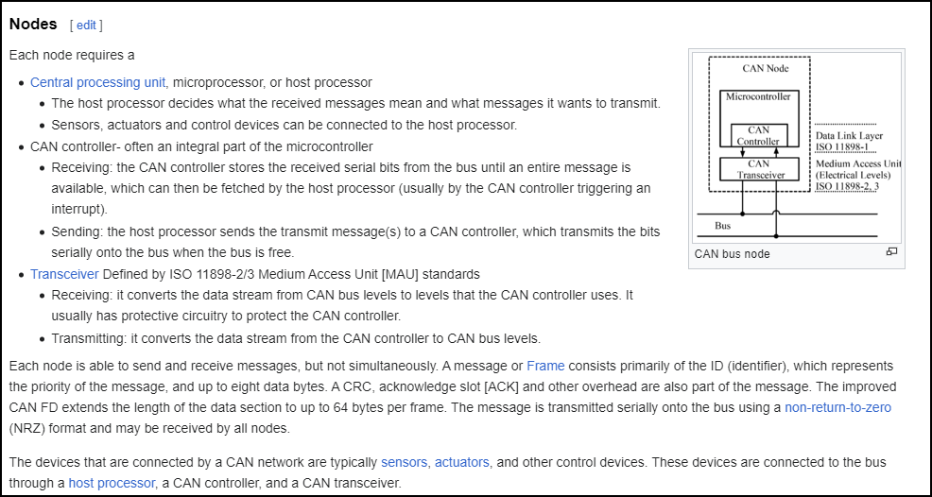
https://www.autosar.org/fileadmin/standards/R22-11/CP/AUTOSAR_EXP_LayeredSoftwareArchitecture.pdf
page 49
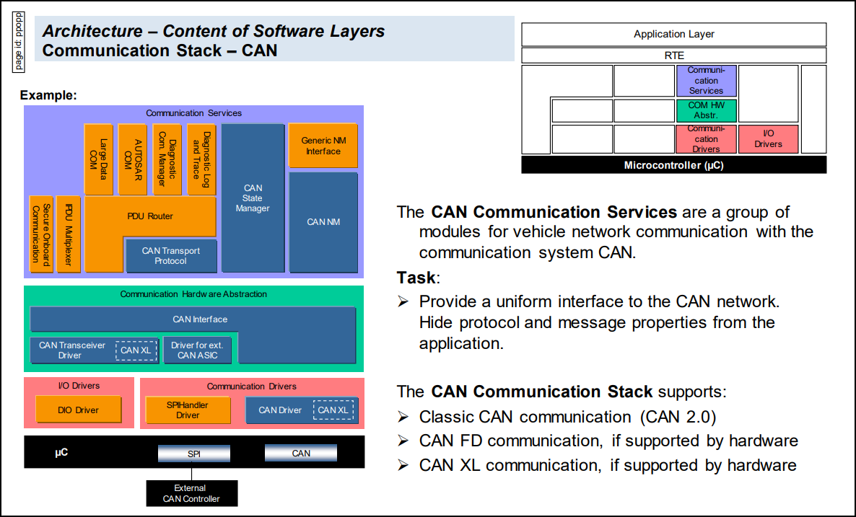

 | BSW Layer:
 |  | Service Layer: CAN NM, CAN State Manager, CAN TP
 |  | ECU Abstraction layer:
 |  |  | CAN Interface
 |  |  | CAN Transceiver Driver: thực hiện xử lí driver cho CAN transceiver vì CAN transceiver là ngoại vi nằm ngoài MCU
 |  |  |  | xử lí chuyển đổi tín hiệu CAN bus thành tín hiện số cho CAN controller và ngược lại.
 |  | Mcal layer
 |  |  | CAN Driver: Thực hiện chức năng driver cho CAN controller nằm trong MCU
 |  |  |  | xử lí giải mã tín hiệu, message nhận từ CAN transceiver

https://www.ti.com/document-viewer/lit/html/SSZTCN3
https://nguyenquanicd.blogspot.com/2017/06/cancontroller-area-netwwork-cau-truc-va.html
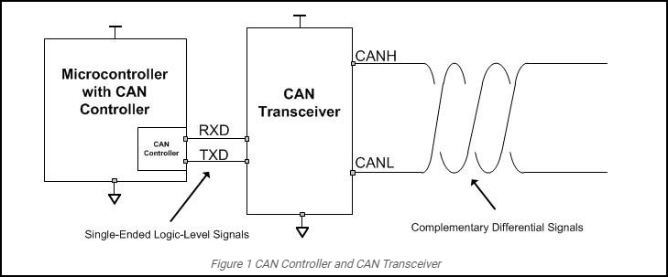

https://en.wikipedia.org/wiki/CAN_bus

autosar
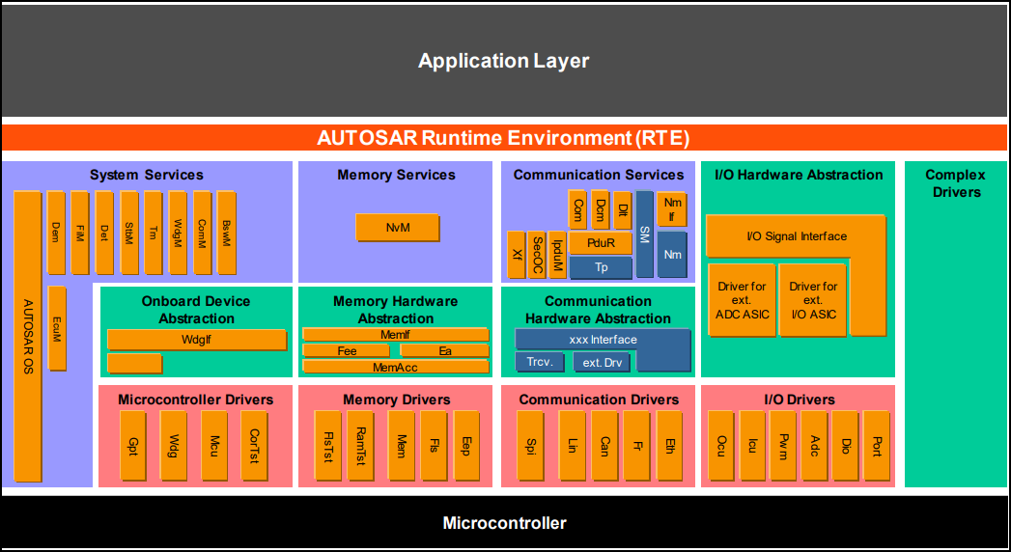
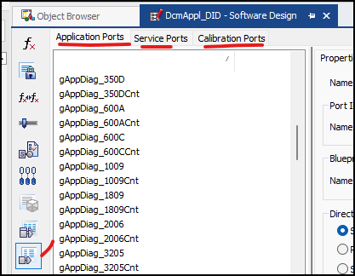
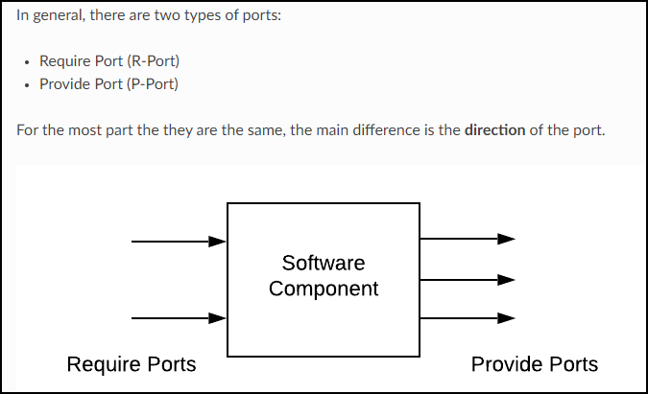
 |  | https://autosar.readthedocs.io/en/latest/autosar4_guide/ports.html
 |  | https://autosartutorials.com/autosar-run-time-environment/
 |  | https://www.youtube.com/watch?v=eAPu2qLULDs&t=783s
 |  | https://www.youtube.com/watch?v=dgEopoNuIvs

 | Client = reciever = R port
 | server = sender = P port

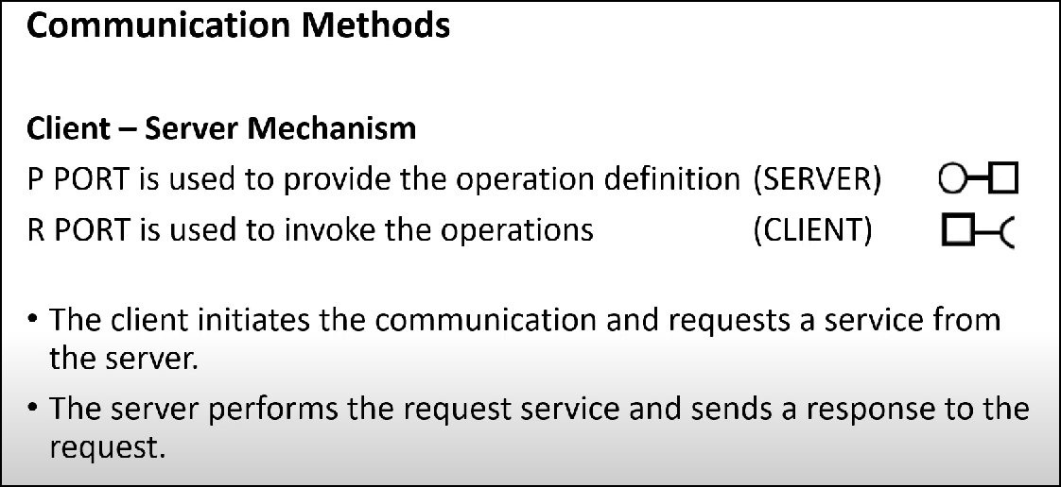
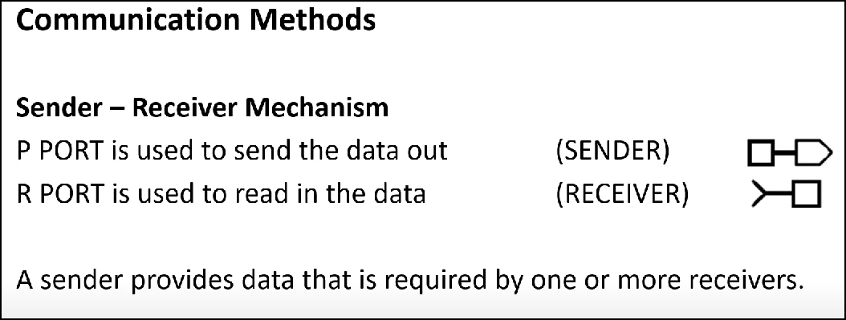

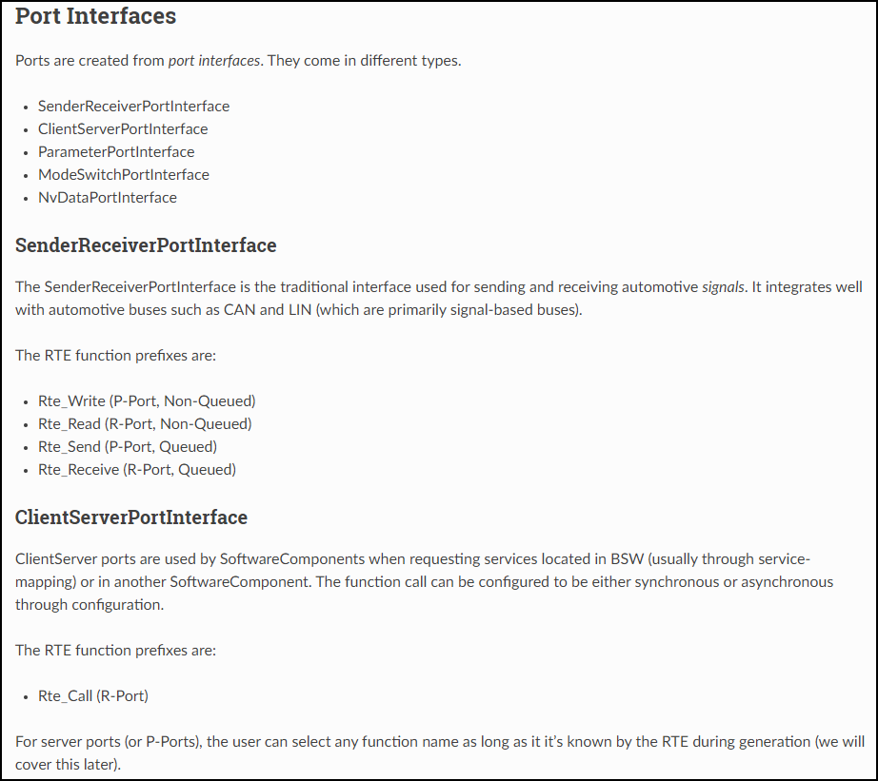
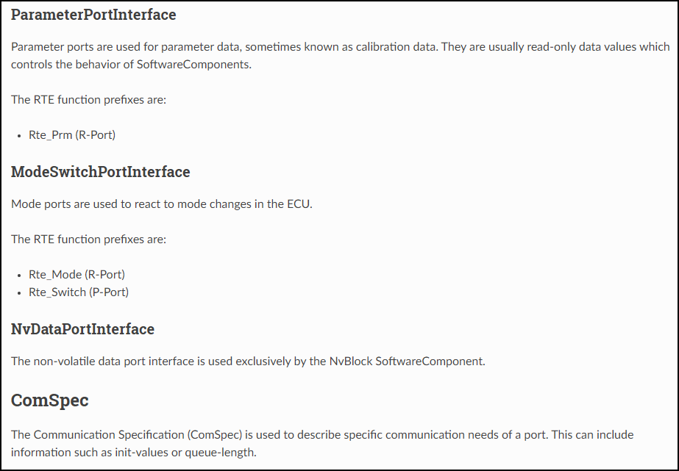

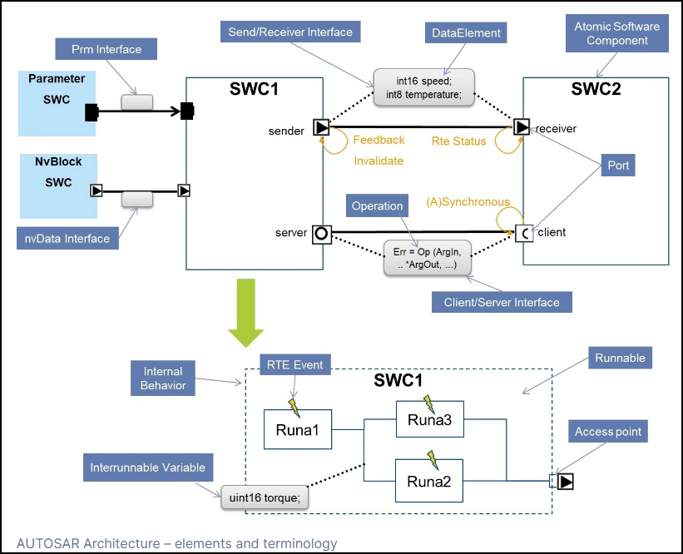

 |  |  | https://www.btc-embedded.com/autosar-architecture-what-every-function-developer-should-know/

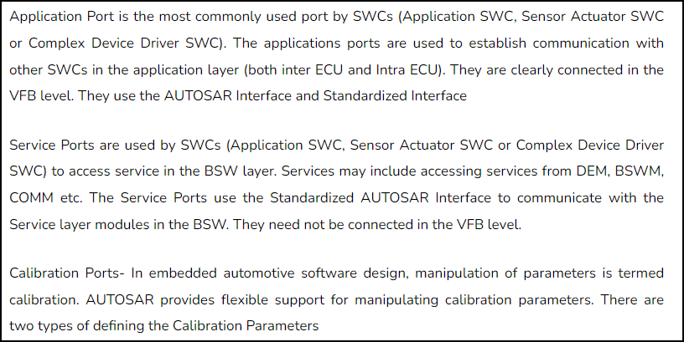
https://www.ancitedutech.com/blog/ports-application-ports-service-ports-and-calibration-ports/

QM&ASIL
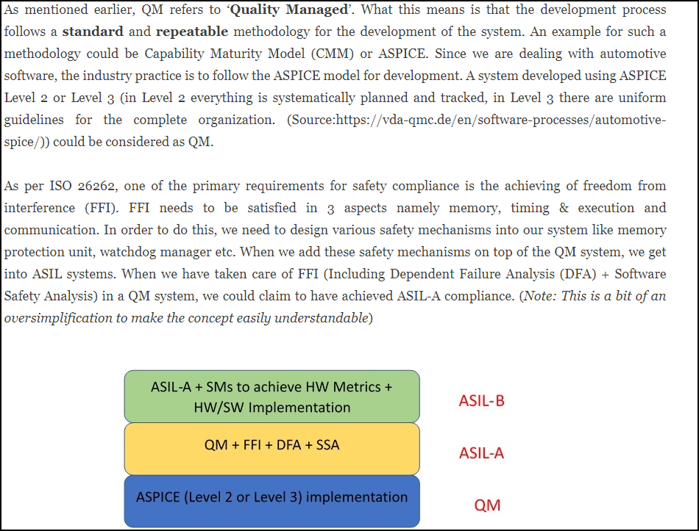
https://www.functionalsafetyfirst.com/2019/10/asil-qm.html

