Memory protection
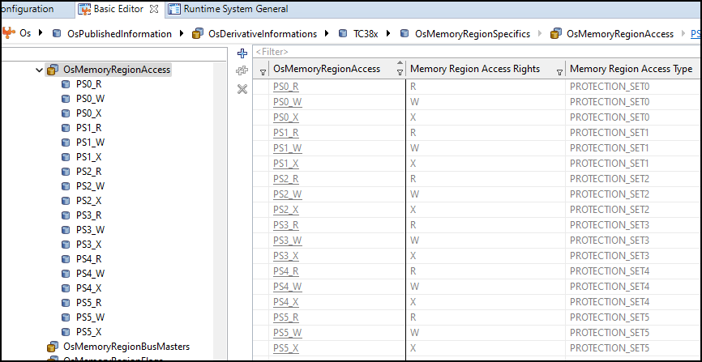
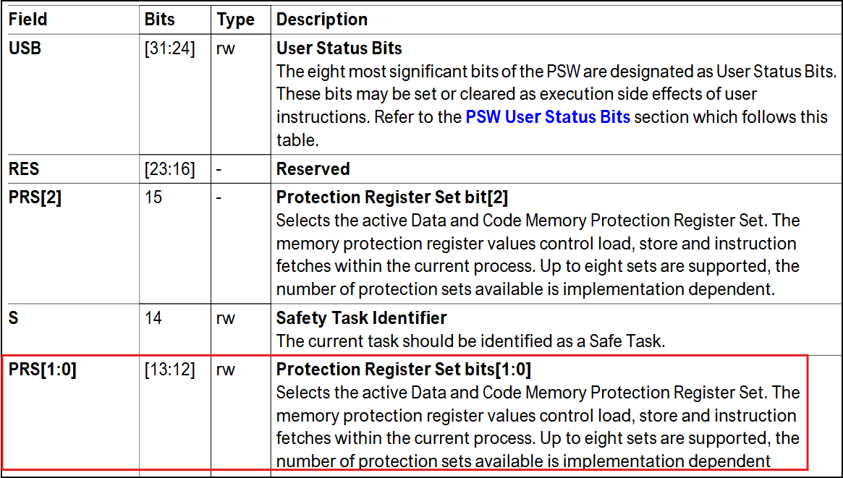
Memory Protection

 | -Protection Ranges

 | - Access Pẻmissions

 | - Protection Sets

1.Protection Ranges
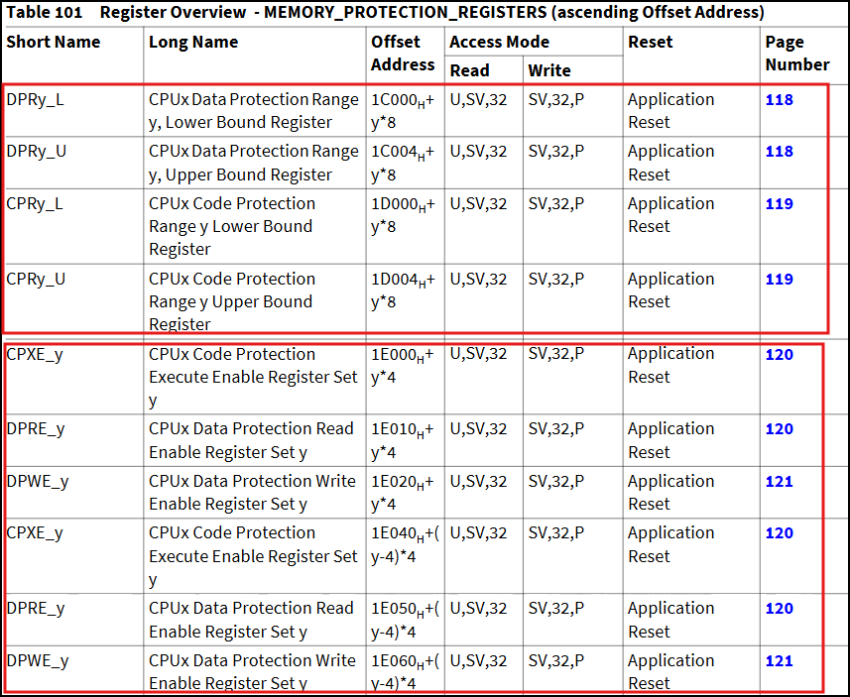
 |  | Data protection Range |  | Code Protection Range | Data Read/Write and Code execution
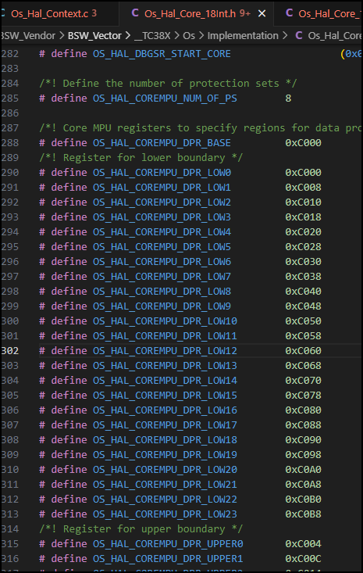
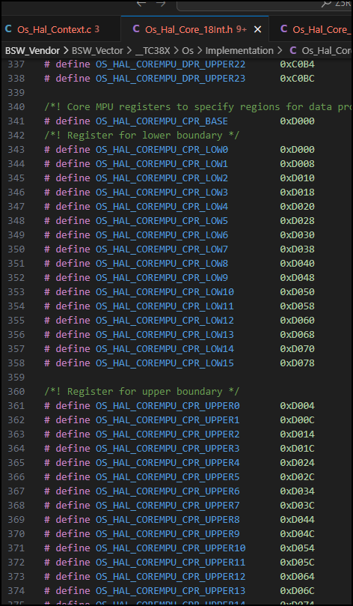
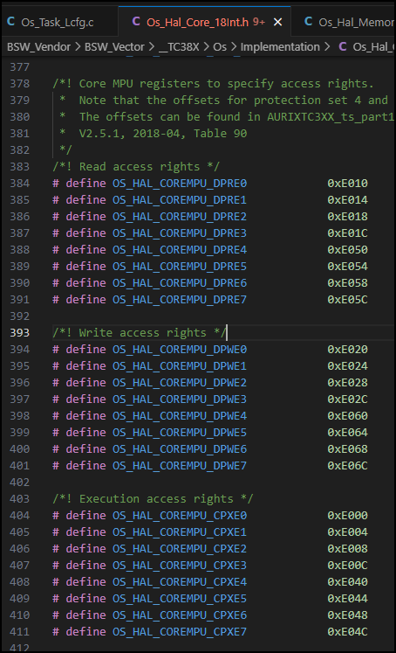

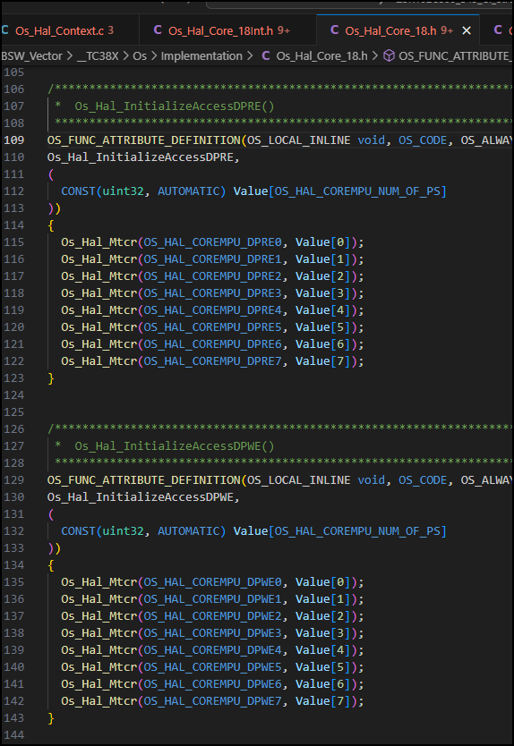

2. Access Permissions

3. Protection Sets
activity Flowchart
start
Init:

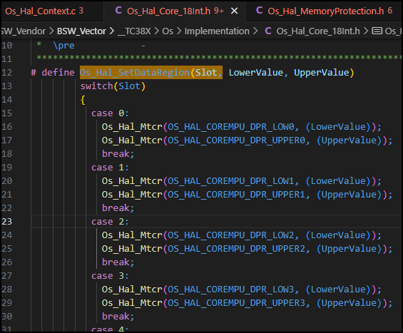
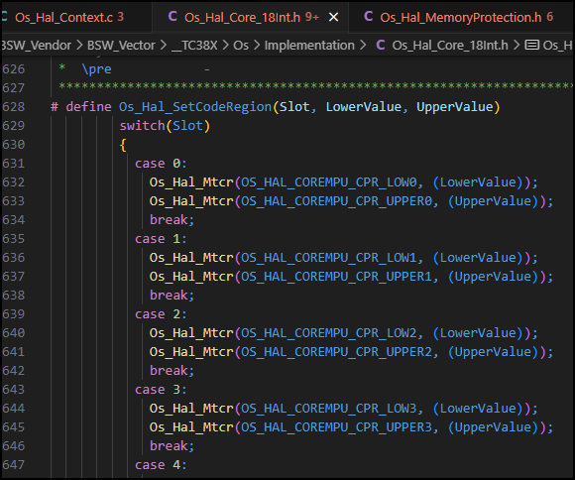
- Set up data regions
- Set up data protection read enable
- Set up data protection write enable

- Set up Code regions
- Set up code protection execution enable

- Activate the core MPU unit

End

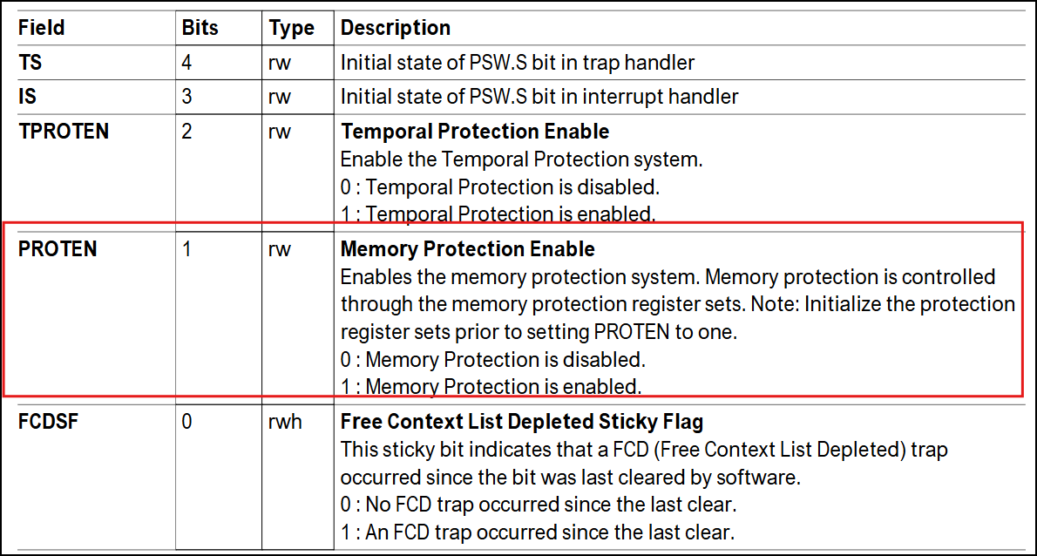
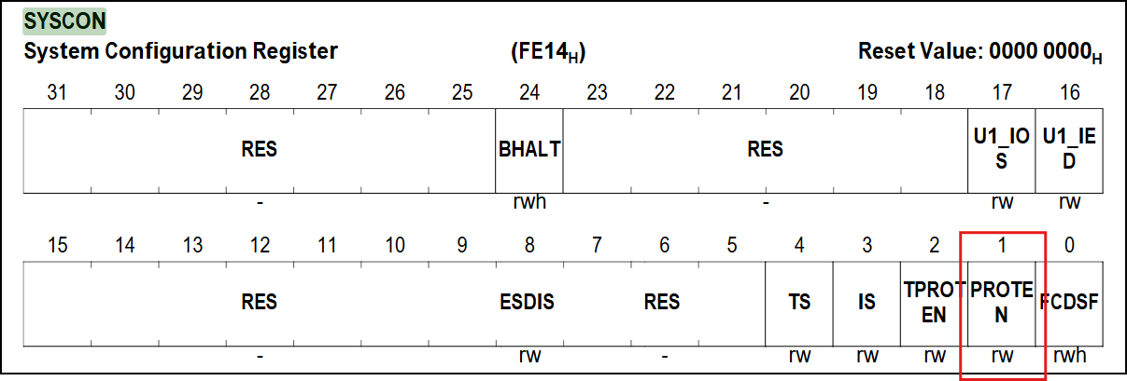

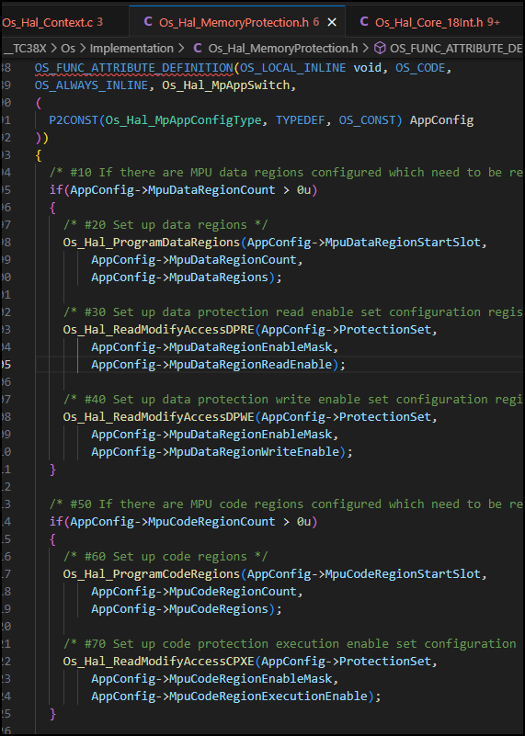
ThreadSwitch/ AppSwitch
start

- Set up data regions
- Set up data protection read enable
- Set up data protection write enable

- Set up Code regions
- Set up code protection execution enable

End

Stack
(Tasks, ISRs)

Memory Protection
Data

Code

OS Application Stack (Task/ISR)
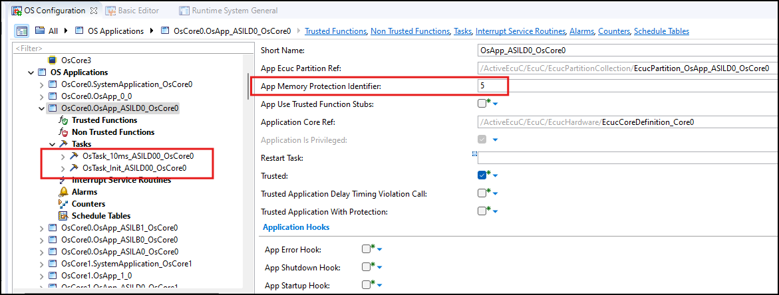

Memory Regions

 |  |  | Memory Region Start - End Address: 0 - 0xFFFFFFF8

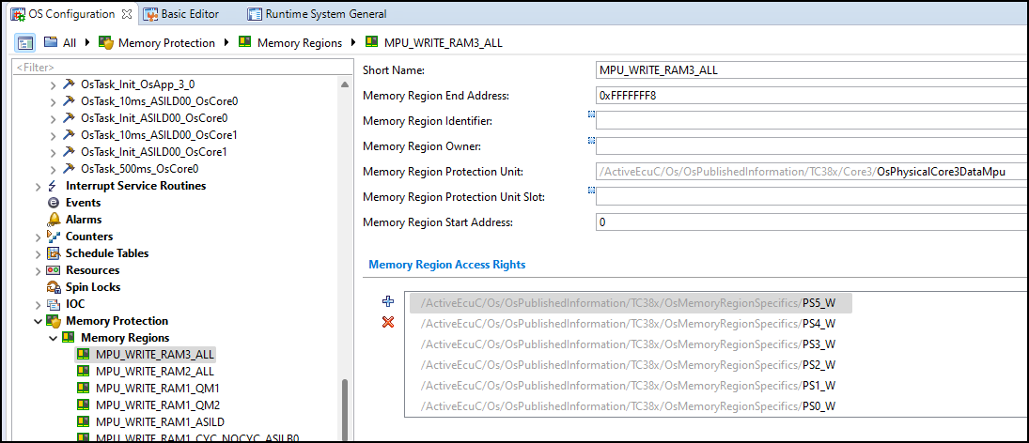
 |  |  | MemoryRegion Protection Unit: Code/ Data

 |  |  | Memory Region Access Right: The Access Permissions Read - Write- Execution

Timing Protection
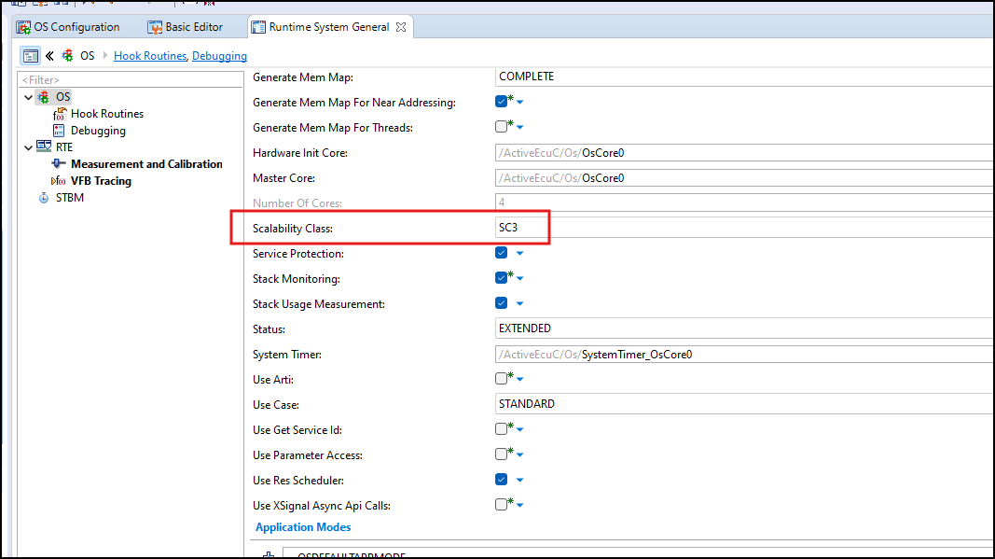
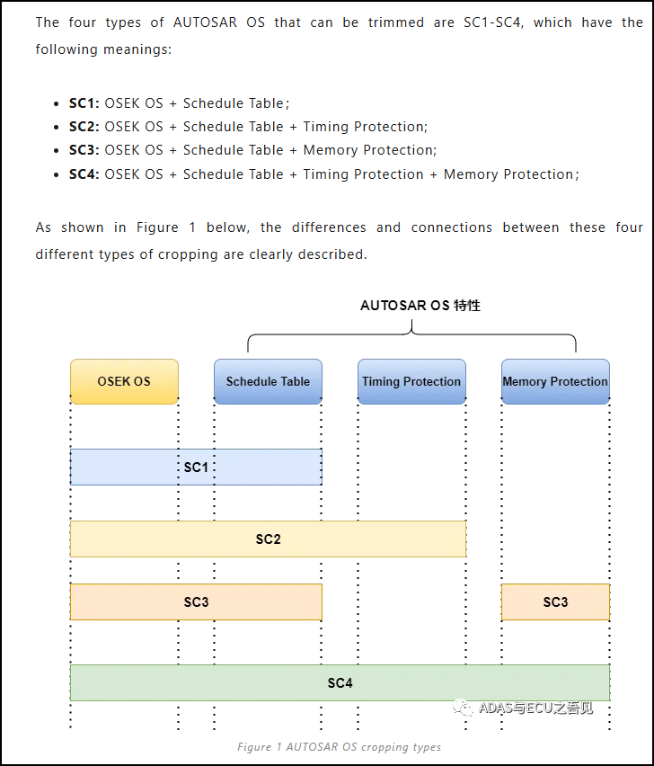
1. Background
 | A timing fault in a real-time system occurs when a Task or interrupt misses its deadline at runtime.

example of correct timing |  | example of timing Fault
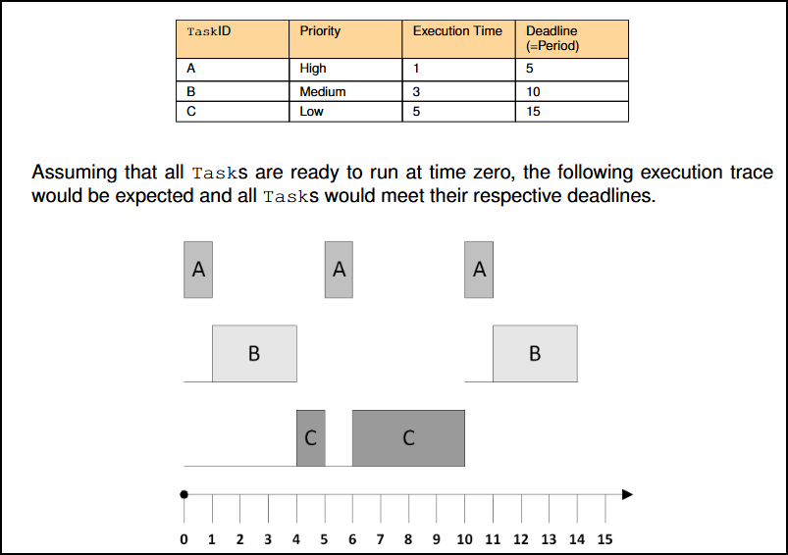
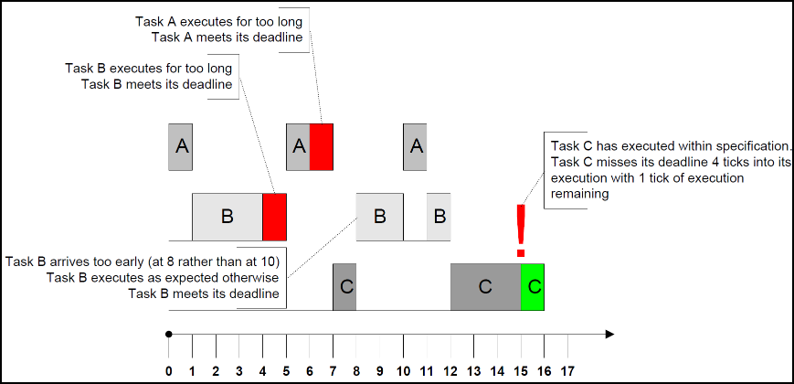

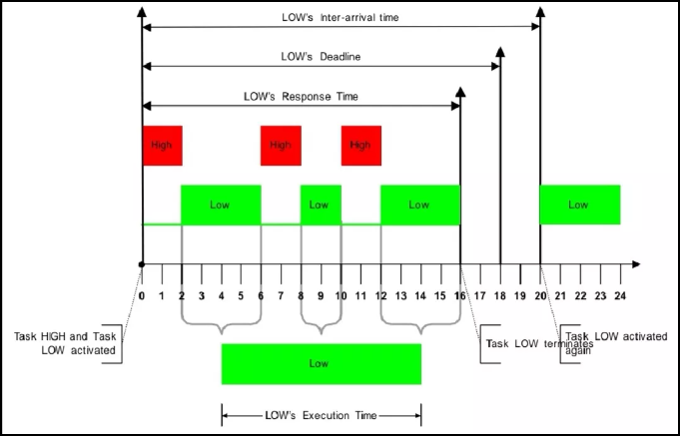

 |  |  | execution time: The time it takes for the task to be run by the CPU is 3 segments, and the total is 10 ticks

 |  |  | response time :From the beginning of activation to the end of execution, the total is 16 ticks

 |  |  | deadline time: The duration of the final end of the task, set to 18 ticks

 |  |  | inter-arrival time: The time difference between the two mission activations, the setting is 20 ticks

execution time protection
 |  |  |  | the Execution Budget:The system sets a budget for the execution time of the task
 |  |  |  | guarantee a statically configured upper bound

Protection Time
locking time protection
 |  |  |  | the Lock Budget: The time when the resource is locked for a task or interruption that is blocked by a low-priority task
 |  |  |  | guarantee a statically configured upper bound

inter-arrival time protection

 |  |  |  | the Time Frame: The inter-arrival time at which the time task or interruption is executed
 |  |  |  | guarantee a statically configured lower bound

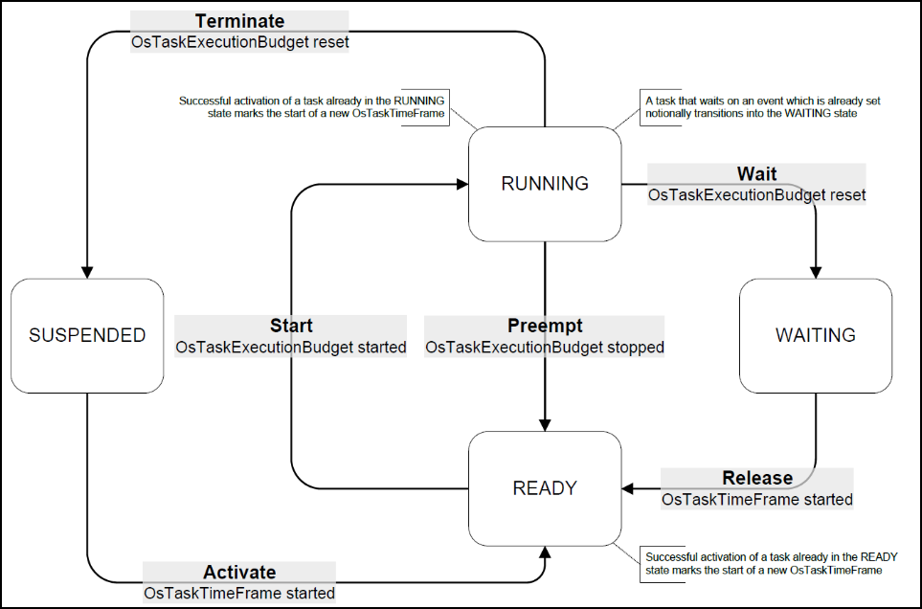

 | Timing protection only applies to Tasks or Category 2 ISRs. There is no protection for Category 1 ISRs
 | Timing protection does not apply before the Operating System module is started.

 | In HHT project, the scalability Class is set SC3, there is no Timming protection is implemented

Service Protection
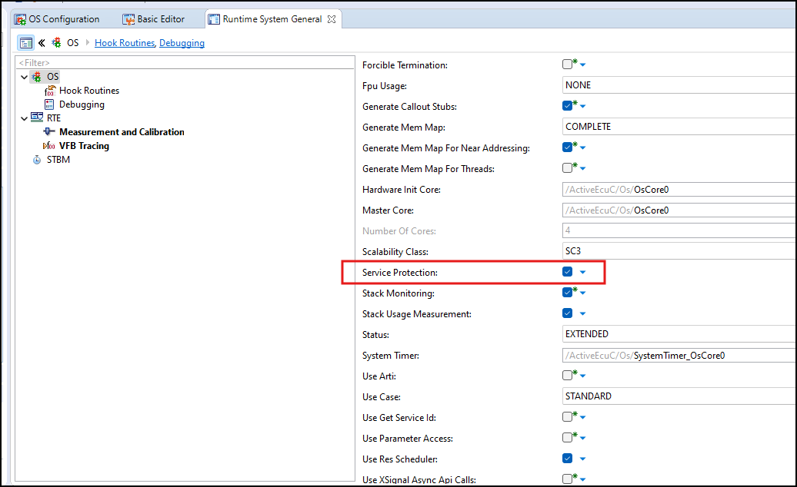
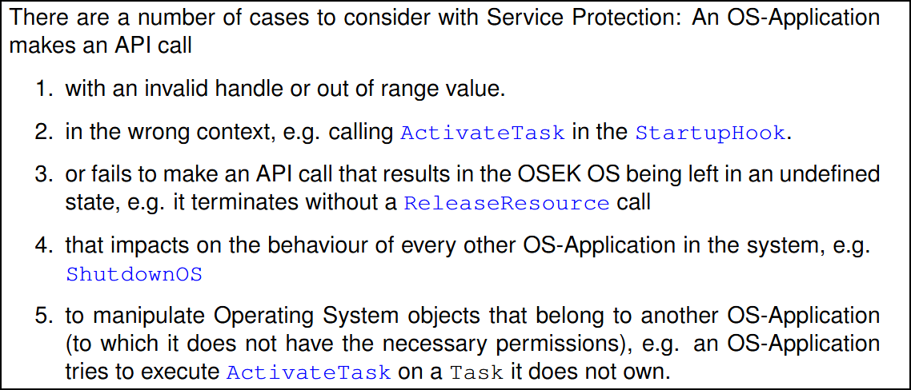

1. Invalid Object Parameter or Out of Range Value

 | The current OSEK OS service calls already return E_OS_ID on invalid objects (i.e. objects not defined in the OIL file)
 | and E_OS_VALUE for out of range values (e.g. setting an alarm cycle time less than OsCounterMinCycle).
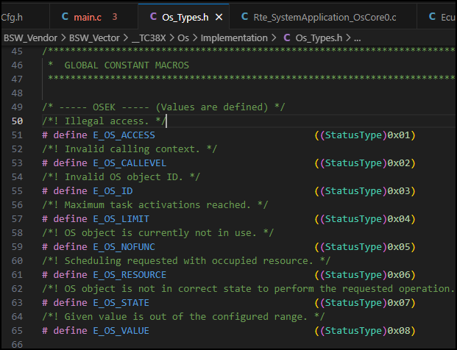

 | If an invalid address (address is not writable by this OS- Application) is passed as an out-parameter to an Operating System service,
 | the Operating System module shall return the status code E_OS_ILLEGAL_ADDRESS

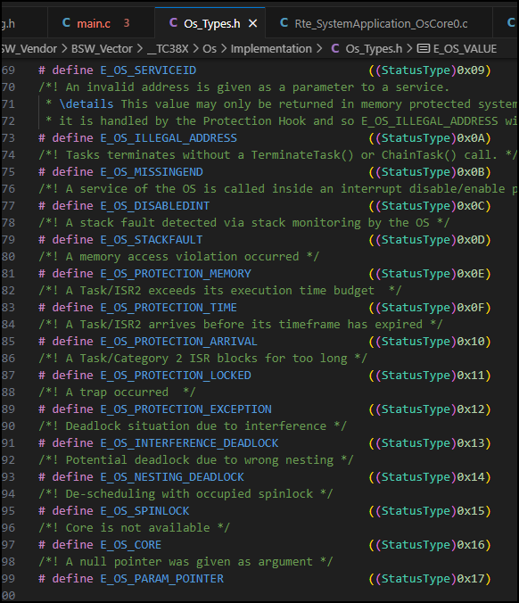

2. Service Calls Made from Wrong Context

 | if an OS-Application makes a service call from the wrong context AND is currently not inside a Category 1 ISR the Operating System module shall
 | not perform the requested action (the service call shall have no effect) and return E_OS_CALLEVEL or the "invalid value" of the service.

4.Services with Undefined Behaviour

 |  | Tasks ends without calling a TerminateTask or ChainTask | return status E_OS_MISSINGEND

 |  | Category 2 ISR ends with locked interrupts or allocated resources | return status E_OS_DISABLEDINT

5. Service Restrictions for Non-Trusted OS-Applications

 |  | The Operating System module shall ignore calls to ShutdownOS from non-trusted OS-Applications.

6. Service Calls on Objects in Different OS-Applications

 |  | Service call can be invalid because the caller does not have valid permissions for the object (a new meaning for multi-OS- Application systems)
 |  | the Operating System module’s system service shall return E_OS_ACCESS

OS in multiple core
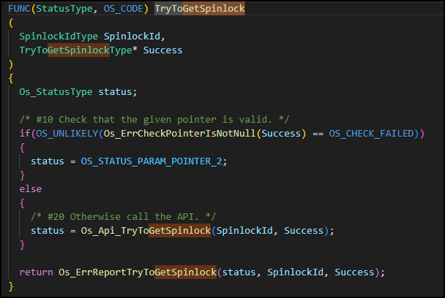
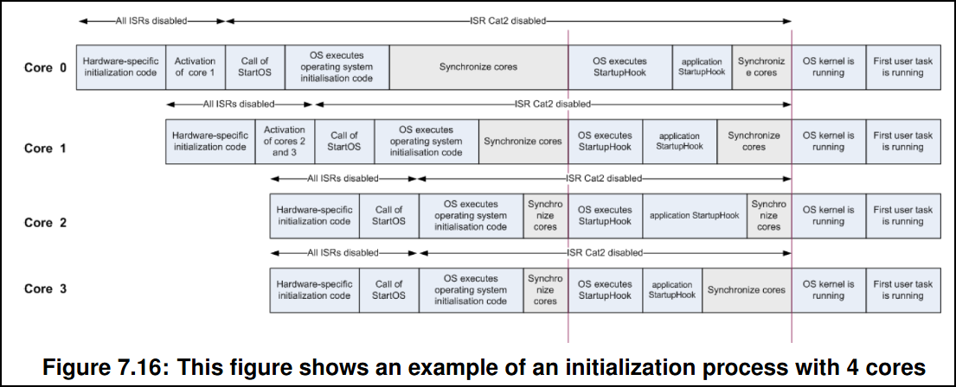
 | The way cores are started depends heavily on the hardware. Typically the hardware
 | only starts one core, referred as the master core, while the other cores (slaves) remain
 | in halt state until they are activated by the software.

 | The AUTOSAR Multi-Core OS specification requires a system with master-slave start-
 | up behavior, either supported directly by the hardware or emulated in software. The
 | master core is defined to be the core that requires no software activation, whereas a
 | slave core requires activation by software.

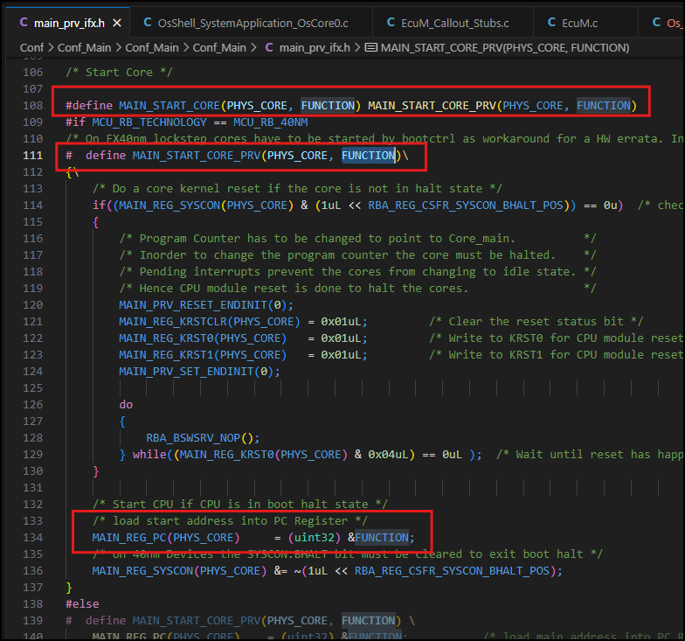

Master core: |  | Core 0
Slave core: |  | core 1,2,3

 | Core0_main() will start slave core 1,2,3 before start master core 0.
 | ShutdownOS is called to shutdown OS in individual core. To shutdown the whole ECU ShutdownOS has to be called on every core
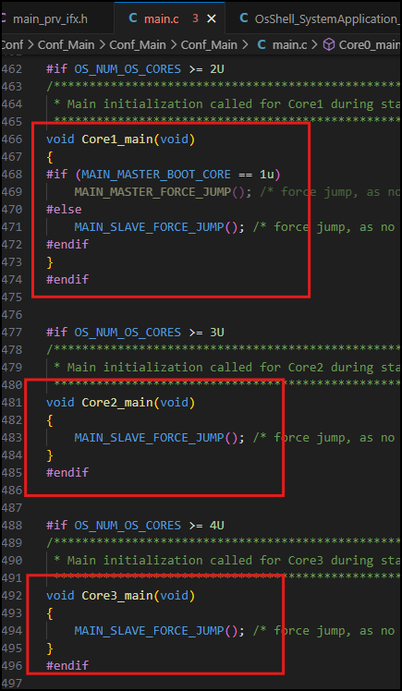

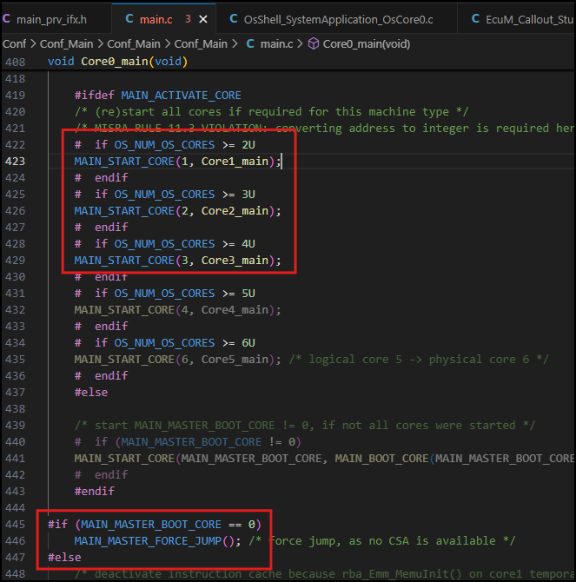

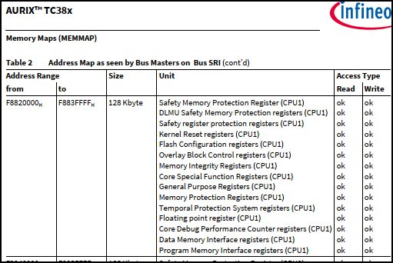

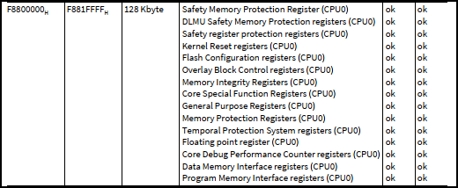

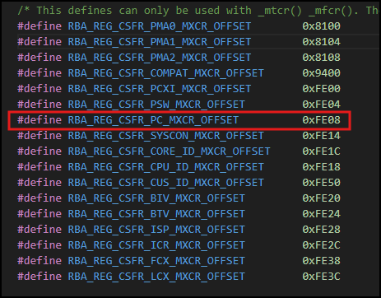
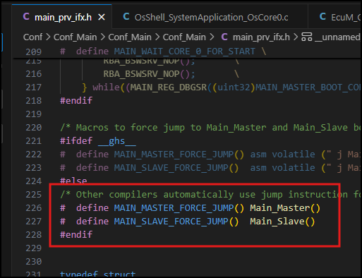

Set up Core in Davinci Configurator tool

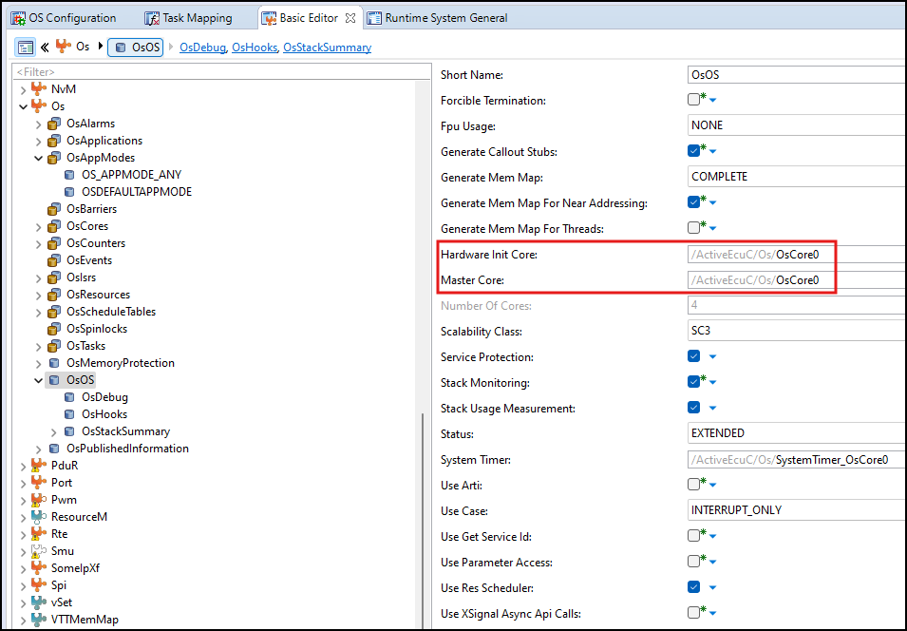

Spinlock: | A spinlock is a busy waiting mechanism that polls a (lock) variable until it becomes available
 | Once a lock variable is occupied by a Task/Category 2 ISR, other Tasks/Category 2 ISRs on other cores shall be unable to occupy the lock variable. |  |  | ex: suppose Core0 and Core1 access the shared parameter Argu_Opt01 (uint32) at the same time,
 |  |  |  |  | and both can override that parameter", as follows:
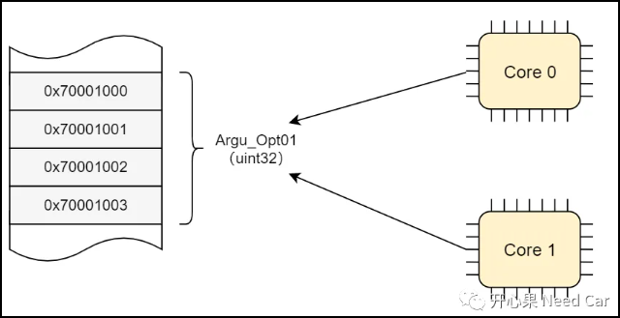

deadlokc situation:

 | 1. A deadlock situation caused by interference, the high priority Task spins indefinitely because the low priority Task has occupied the spinlock.
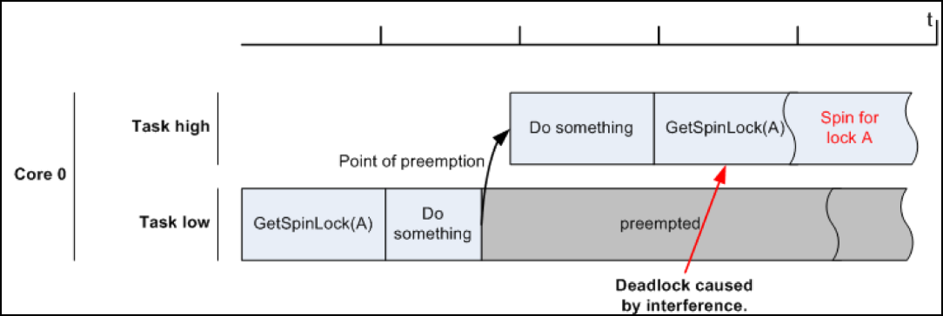

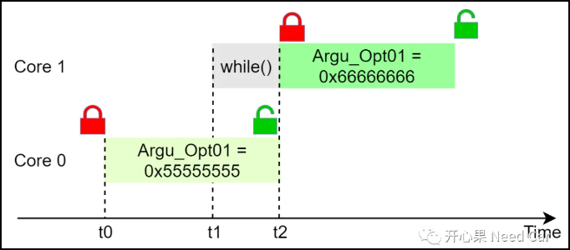

 | 2. deadlock caused by two spinlocks taken in different order by Tasks on two different cores
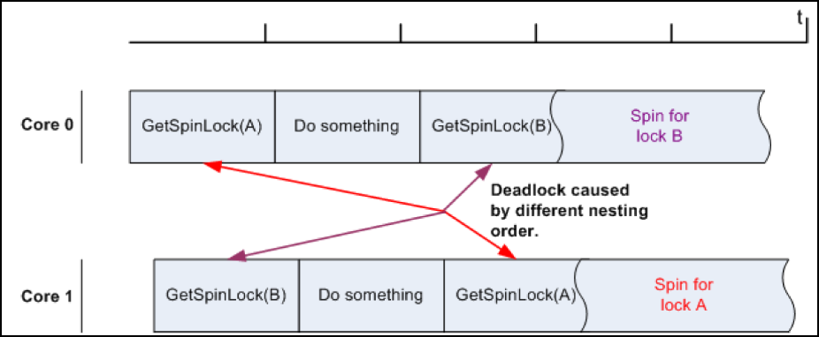

How to use spinlock:
 | Autosar provide spinlock API function:

 |  | GetSpinlock | : function which occupies a spinlock
 |  | ReleaseSpinlock | : function which releases an occupied spinlock
 |  | TryToGetSpinlock | : function which occupies a spinlock

how to set Alarm to ActiveTask
1. Create Task and runnable like usual.
2. set TaskMaping like usual
3. open Rte in basic editor

RteCyclicTriggerImplementation attribute will be set Blank

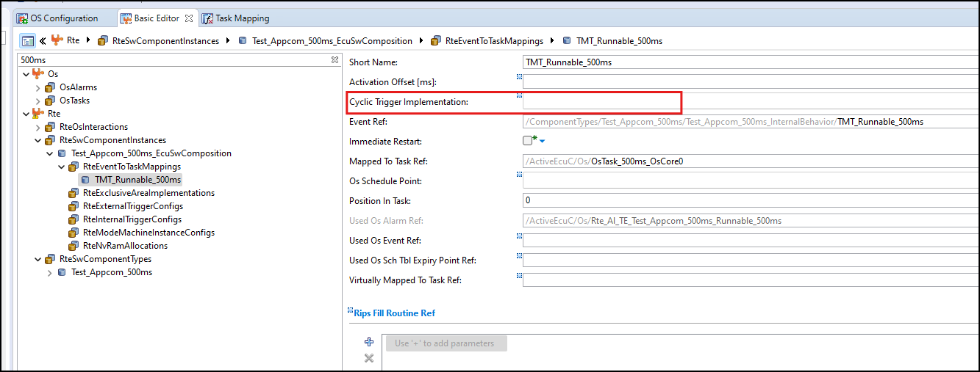

4. Save, Validate and Generate project. It will create Alarm Active Task and map to Task and OS Application automatically.
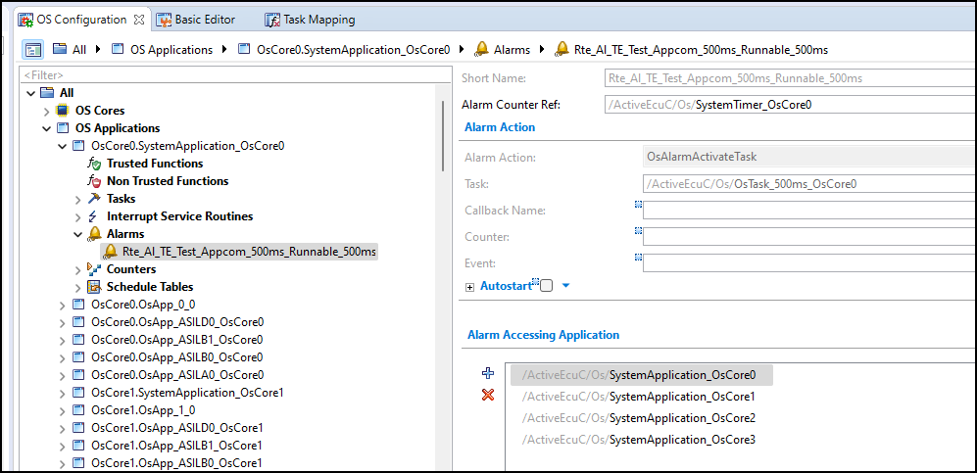

5. Let's see in source code. It will generate the Alarm for OS.

(void)SetRelAlarm(Rte_Al_TE_Test_Appcom_500ms_Runnable_500ms, RTE_MSEC_SystemTimer_OsCore0(0U) + (TickType)1U, RTE_MSEC_SystemTimer_OsCore0(500U));
this function will start Alarm.
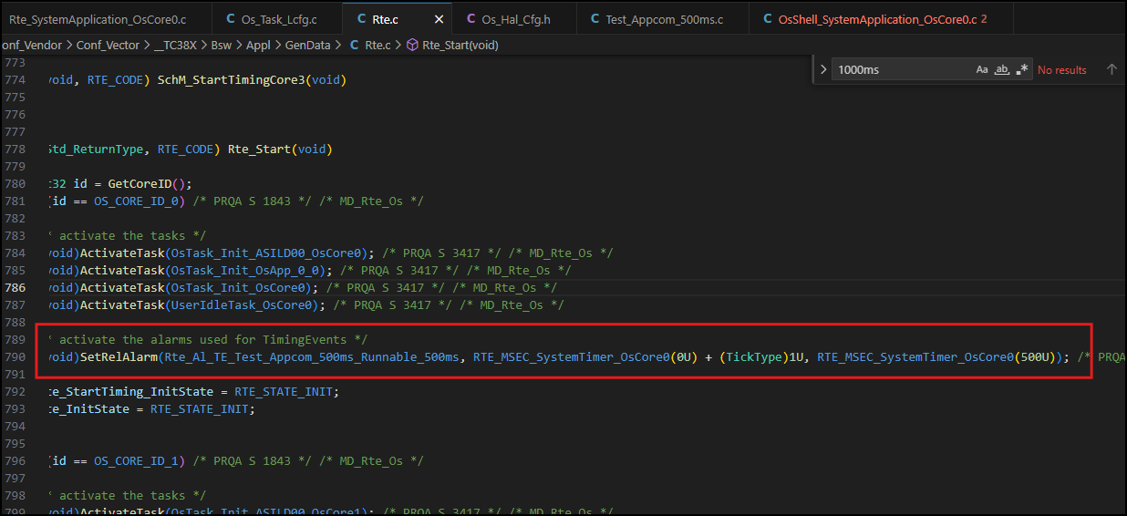

 |  |  |  |  |  | 1st argument: Rte_Al_TE_Test_Appcom_500ms_Runnable_500ms
 |  |  |  |  |  |  | this argument is alarm ID

 |  |  |  |  |  | 2nd argument: RTE_MSEC_SystemTimer_OsCore0(0U) + (TickType)1U
 |  |  |  |  |  |  | Increment – Relative value in ticks.
 |  |  |  |  |  |  | this mean when ticks elapse 1s, alarm will start
 |  |  |  |  |  |  | if you want alarm start after 100 tick, just set x = 100 by configuring in Davici tool

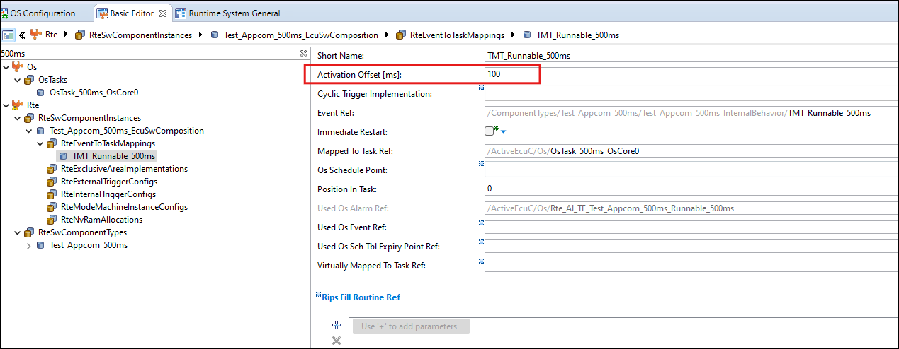

(void)CancelAlarm(Rte_Al_TE_Test_Appcom_500ms_Runnable_500ms);
This function will cancel Alarm

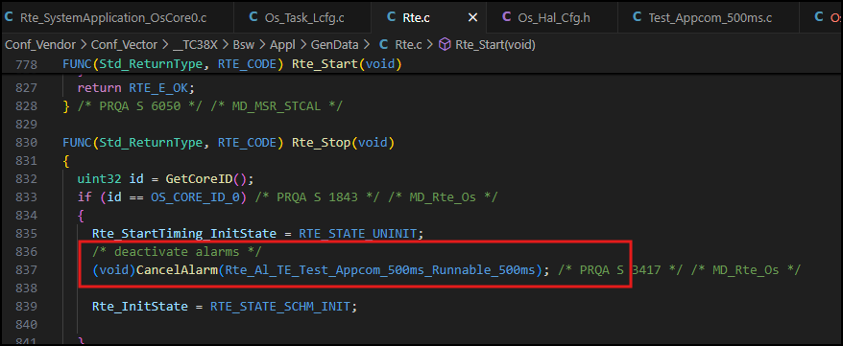

 |  |  |  |  |  | 3nd argument: RTE_MSEC_SystemTimer_OsCore0(500U)
 |  |  |  |  |  |  | Cycle value in case of cyclic alarm. In case of single alarms, cycle shall be zero.
 |  |  |  |  |  |  | In this case, alarm will repeat every 500ms.

5. Verify timing

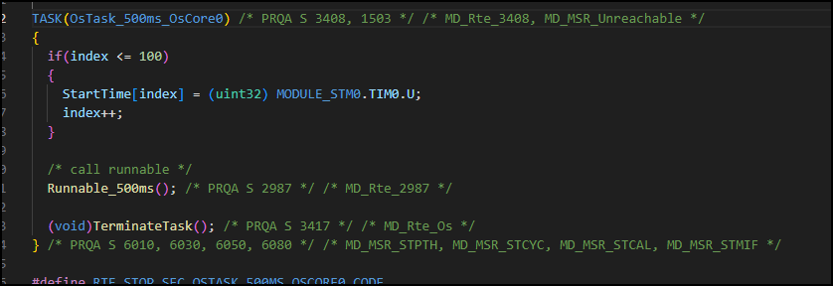

 | increment = 0, cycle =500 |  |  |  | increment = 100, cycle =500

StartTime | 0x70017028 |  |  | StartTime | 0x70017028
StartTime[0] | 8190568 |  |  | StartTime[0] | 18091897
StartTime[1] | 58189819 | 49999251 | 499.99251 | StartTime[1] | 68091897 |  | 50000000 | 500
StartTime[2] | 108189815 | 49999996 | 499.99996 | StartTime[2] | 118091898 |  | 50000001 | 500.00001
StartTime[3] | 158189817 | 50000002 | 500.00002 | StartTime[3] | 168091895 |  | 49999997 | 499.99997
StartTime[4] | 208189821 | 50000004 | 500.00004 | StartTime[4] | 218091898 |  | 50000003 | 500.00003
StartTime[5] | 258189821 | 50000000 | 500 | StartTime[5] | 268091896 |  | 49999998 | 499.99998
StartTime[6] | 308189815 | 49999994 | 499.99994 | StartTime[6] | 318091894 |  | 49999998 | 499.99998
StartTime[7] | 358189817 | 50000002 | 500.00002 | StartTime[7] | 368091897 |  | 50000003 | 500.00003
StartTime[8] | 408189819 | 50000002 | 500.00002 | StartTime[8] | 418091895 |  | 49999998 | 499.99998
StartTime[9] | 458189820 | 50000001 | 500.00001 | StartTime[9] | 468091899 |  | 50000004 | 500.00004
StartTime[10] | 508189818 | 49999998 | 499.99998 | StartTime[10] | 518091897 |  | 49999998 | 499.99998
StartTime[11] | 558189816 | 49999998 | 499.99998 | StartTime[11] | 568091902 |  | 50000005 | 500.00005
StartTime[12] | 608189820 | 50000004 | 500.00004 | StartTime[12] | 618091894 |  | 49999992 | 499.99992
StartTime[13] | 658189818 | 49999998 | 499.99998 | StartTime[13] | 668091897 |  | 50000003 | 500.00003
StartTime[14] | 708189815 | 49999997 | 499.99997 | StartTime[14] | 718091895 |  | 49999998 | 499.99998
StartTime[15] | 758189819 | 50000004 | 500.00004 | StartTime[15] | 768091898 |  | 50000003 | 500.00003
StartTime[16] | 808189818 | 49999999 | 499.99999 | StartTime[16] | 818091895 |  | 49999997 | 499.99997
StartTime[17] | 858189819 | 50000001 | 500.00001 | StartTime[17] | 868091899 |  | 50000004 | 500.00004
StartTime[18] | 908189816 | 49999997 | 499.99997 | StartTime[18] | 918091895 |  | 49999996 | 499.99996
StartTime[19] | 958189821 | 50000005 | 500.00005 | StartTime[19] | 968091897 |  | 50000002 | 500.00002
StartTime[20] | 1008189819 | 49999998 | 499.99998 | StartTime[20] | 1018091896 |  | 49999999 | 499.99999
StartTime[21] | 1058189821 | 50000002 | 500.00002 | StartTime[21] | 1068091895 |  | 49999999 | 499.99999
StartTime[22] | 1108189815 | 49999994 | 499.99994 | StartTime[22] | 1118091895 |  | 50000000 | 500
StartTime[23] | 1158189820 | 50000005 | 500.00005 | StartTime[23] | 1168091899 |  | 50000004 | 500.00004
StartTime[24] | 1208189816 | 49999996 | 499.99996 | StartTime[24] | 1218091898 |  | 49999999 | 499.99999
StartTime[25] | 1258189821 | 50000005 | 500.00005 | StartTime[25] | 1268091898 |  | 50000000 | 500
StartTime[26] | 1308189818 | 49999997 | 499.99997 | StartTime[26] | 1318091895 |  | 49999997 | 499.99997
StartTime[27] | 1358189818 | 50000000 | 500 | StartTime[27] | 1368091898 |  | 50000003 | 500.00003
StartTime[28] | 1408189819 | 50000001 | 500.00001 | StartTime[28] | 1418091898 |  | 50000000 | 500
StartTime[29] | 1458189821 | 50000002 | 500.00002 | StartTime[29] | 1468091899 |  | 50000001 | 500.00001
StartTime[30] | 1508189816 | 49999995 | 499.99995 | StartTime[30] | 1518091898 |  | 49999999 | 499.99999
StartTime[31] | 1558189824 | 50000008 | 500.00008 | StartTime[31] | 1568091895 |  | 49999997 | 499.99997
StartTime[32] | 1608189819 | 49999995 | 499.99995 | StartTime[32] | 1618091892 |  | 49999997 | 499.99997
StartTime[33] | 1658189818 | 49999999 | 499.99999 | StartTime[33] | 1668091899 |  | 50000007 | 500.00007
StartTime[34] | 1708189817 | 49999999 | 499.99999 | StartTime[34] | 1718091895 |  | 49999996 | 499.99996
StartTime[35] | 1758189818 | 50000001 | 500.00001 | StartTime[35] | 1768091902 |  | 50000007 | 500.00007
StartTime[36] | 1808189816 | 49999998 | 499.99998 | StartTime[36] | 1818091899 |  | 49999997 | 499.99997
StartTime[37] | 1858189821 | 50000005 | 500.00005 | StartTime[37] | 1868091897 |  | 49999998 | 499.99998
StartTime[38] | 1908189818 | 49999997 | 499.99997 | StartTime[38] | 1918091896 |  | 49999999 | 499.99999
StartTime[39] | 1958189817 | 49999999 | 499.99999 | StartTime[39] | 1968091899 |  | 50000003 | 500.00003
StartTime[40] | 2008189821 | 50000004 | 500.00004 | StartTime[40] | 2018091892 |  | 49999993 | 499.99993
StartTime[41] | 2058189821 | 50000000 | 500 | StartTime[41] | 2068091898 |  | 50000006 | 500.00006
StartTime[42] | 2108189815 | 49999994 | 499.99994 | StartTime[42] | 2118091899 |  | 50000001 | 500.00001
StartTime[43] | 2158189821 | 50000006 | 500.00006 | StartTime[43] | 2168091898 |  | 49999999 | 499.99999
StartTime[44] | 2208189818 | 49999997 | 499.99997 | StartTime[44] | 2218091892 |  | 49999994 | 499.99994
StartTime[45] | 2258189819 | 50000001 | 500.00001 | StartTime[45] | 2268091899 |  | 50000007 | 500.00007
StartTime[46] | 2308189817 | 49999998 | 499.99998 | StartTime[46] | 2318091897 |  | 49999998 | 499.99998
StartTime[47] | 2358189821 | 50000004 | 500.00004 | StartTime[47] | 2368091897 |  | 50000000 | 500
StartTime[48] | 2408189814 | 49999993 | 499.99993 | StartTime[48] | 2418091899 |  | 50000002 | 500.00002
StartTime[49] | 2458189824 | 50000010 | 500.0001 | StartTime[49] | 2468091898 |  | 49999999 | 499.99999
StartTime[50] | 2508189818 | 49999994 | 499.99994 | StartTime[50] | 2518091896 |  | 49999998 | 499.99998

Alarm CallBack
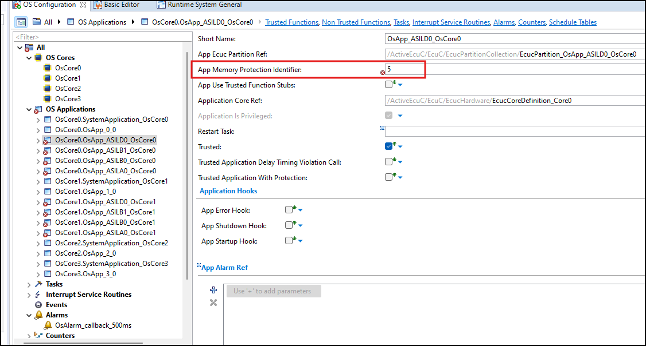
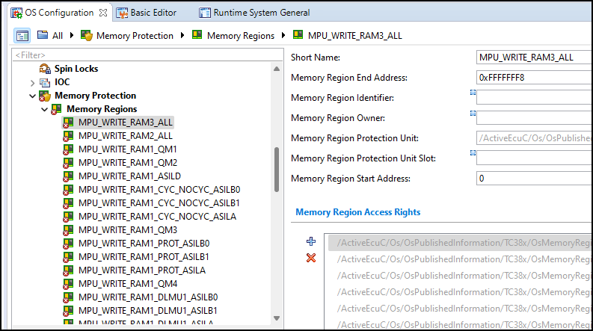
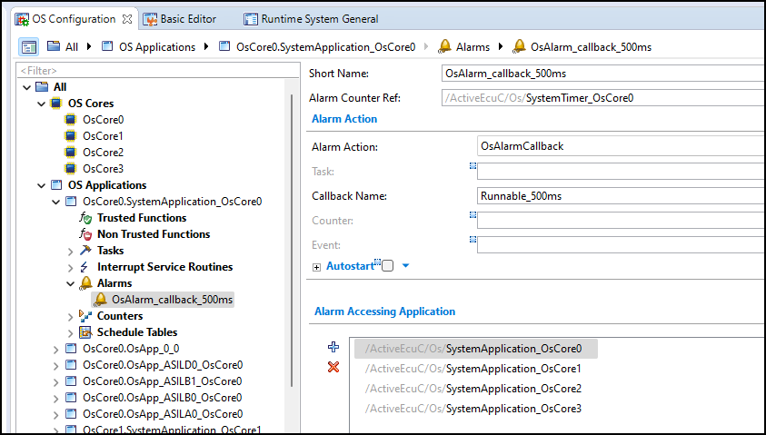

When set Alarm callback function, the warining will appear to recommend that you need change
the Scalability Class to Sc1.
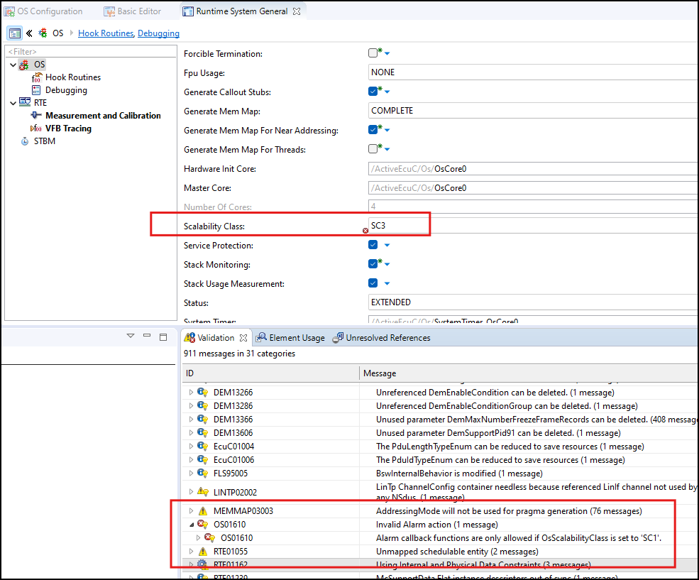

 | However, when you change the Scalability Class to Sc1, Memory Protection setting in Os ASIL application will warnnig error.

