Hirogin_Y
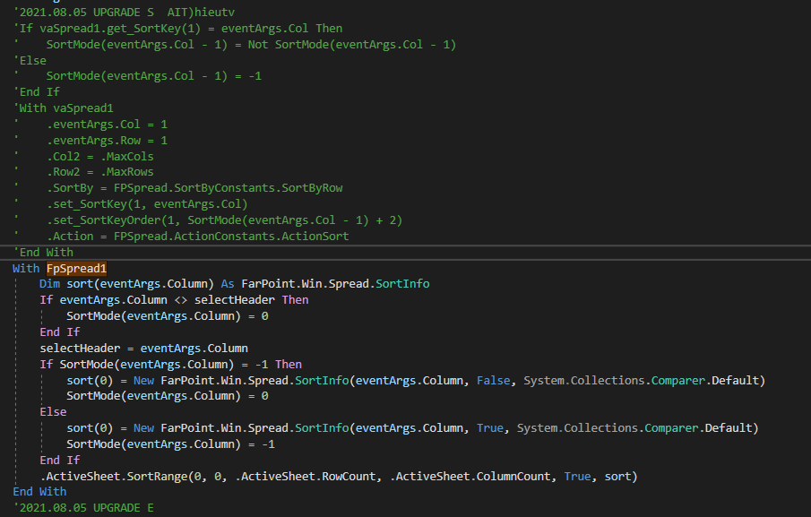
STT | Nội dung trước khi Convert | Nội dung sau khi Convert | Tiến trình (Nếu không thể convert ghi lý do) | Ghi chú | Hình minh họa
1 | .MaxRows = | .ActiveSheet.RowCount = | FarPoint.Win.Spread.FpSpread
2 | .set_SortKey(1, 1) | .ActiveSheet.SetColumnAutoSortIndex(0, 0)
3 | .ReDraw = False | .SuspendLayout()
4 | .Col = 1 : .Col2 = .MaxCols | remove
5 | .Row = lp : .Row2 = lp | remove
6 | .BlockMode = | remove
7 | .Action = FPSpread.ActionConstants.ActionClearText | .ActiveSheet.ClearRange(0, 0, .ActiveSheet.RowCount, .ActiveSheet.ColumnCount, True)
8 | .set_RowHeight(lp, 15#) | .ActiveSheet.SetRowHeight(lp, 15)
9 | .set_RowHeight(lp + 1, RowHeight) | .ActiveSheet.SetRowHeight(lp + 1, RowHeight)
10 | .Font = VB6.FontChangeBold(.Font, True) | .Font = New Font(.Font, FontStyle.Bold) |  | đã convert rồi
11 | .SetText(1, lp, CObj(DT(lp - 1).Code)) | .ActiveSheet.SetText(lp, 0, CObj(DT(lp).Code))
12 | Call vaSpread1.SetText(1, 0, "工種ｺｰﾄﾞ") | FpSpread1.ActiveSheet.ColumnHeader.Columns(0).Label = "工種ｺｰﾄﾞ"
13 | .ReDraw = True | .ResumeLayout()
14 | Add | FpSpread1.ActiveSheet.AddSelection(0, 0, 1, FpSpread1.ActiveSheet.ColumnCount)
15 | Call vaSpread1.GetText(1, vaSpread1.ActiveRow, ssText) | ssText = FpSpread1.ActiveSheet.GetText(FpSpread1.ActiveSheet.ActiveRowIndex, 0)
16 | vaSpread1.GetText(5, lp, ssText) | ssText = vaSpread1.ActiveSheet.GetText(lp, 4)
17 | imText1(lp).FormatMode = 0 | Remote
18 | If vaSpread1.get_SortKey(1) = eventArgs.Col Then SortMode(eventArgs.Col - 1) = Not SortMode(eventArgs.Col - 1) Else SortMode(eventArgs.Col - 1) = -1 End If | Remove
19 | .CtlRefresh() | .Refresh()
20 | .set_RowHeight(lp + 1, RowHeight) | .ActiveSheet.SetRowHeight(lp, RowHeight)
21 | vaSpread1.ActiveRow | vaSpread1.ActiveSheet.ActiveRowIndex
22 | Call GotFocus(vaSpread1, StatusBar1) | Call MtyTool.GotFocus(vaSpread1, StatusBar1)
23 | If vaSpread1.ActiveRow > 0 Then | If vaSpread1_Sheet1.ActiveRowIndex >= 0 Then
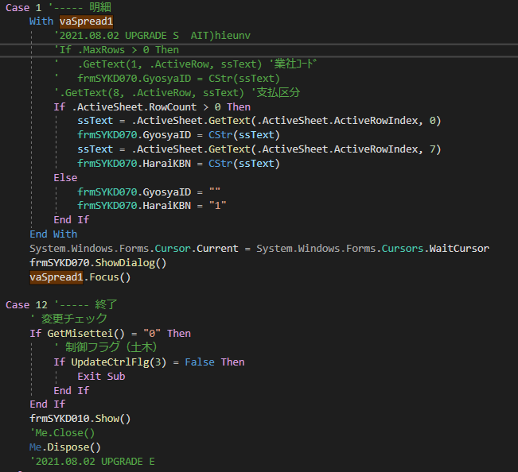
24 | Call SprdDataGet((vaSpread1.ActiveRow), DT) | If FpSpread1.ActiveSheet.ActiveRowIndex >= 0 Then Call SprdDataGet((FpSpread1.ActiveSheet.ActiveRowIndex), DT) End If
25 | vaSpread1.Row = -1 | FpSpread1.ActiveSheet.ClearSelection()
26 | If frmSYKS110.vaSpread1.Row = -1 | If frmSYKS110.vaSpread1.ActiveSheet.SelectionCount = 0
27 | Call GotFocus(vaSpread1, StatusBar1) | Call MtyTool.GotFocus(vaSpread1, StatusBar1)
28 | Call LostFocus(vaSpread1, StatusBar1) | Call MtyTool.LostFocus(vaSpread1, StatusBar1)
29 | AxFPSpread._DSpreadEvents_KeyDownEvent | KeyEventArgs
30 | System.EventArgs | KeyEventArgs
31 | KeyDownEvent | KeyDown
32 | New AxFPSpread._DSpreadEvents_ClickEvent(1, vaSpread1.ActiveRow) | New FarPoint.Win.Spread.CellClickEventArgs(vaSpread1.GetRootWorkbook, vaSpread1.ActiveSheet.ActiveRow.Index, 0, 1, 1, New MouseButtons, False, False)

