Bai01
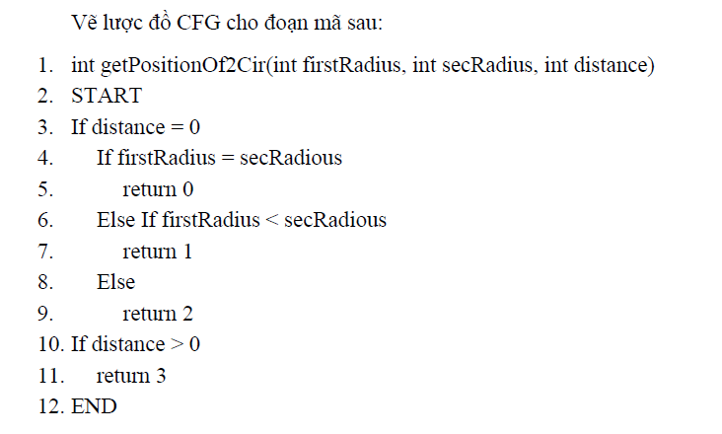
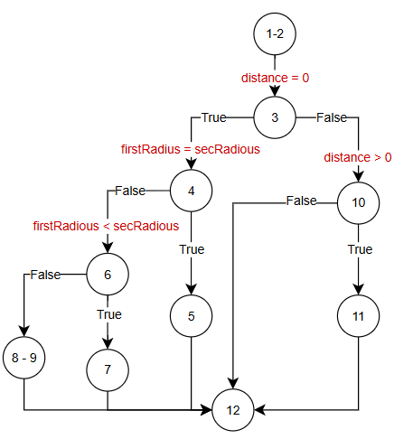

# | Condition | Input |  |  | Line number excuted | Expected result | Actual result | State
 |  | firstRadius | SecRadius | distance
1 | distance = 0 (true) && firstRadius = secRadious (true) | 1 | 1 | 0 | 1-2, 3, 4, 5, 12 | 0
2 | distance = 0 (true) && firstRadius = secRadious (false) && firstRadius < secRadious (true) | 2 | 3 | 0 | 1-2, 3, 4, 6, 7, 12 | 1
3 | distance = 0 (true) && firstRadius = secRadious (false) && firstRadius < secRadious (false) | 3 | 1 | 0 | 1-2, 3, 4, 6, 8-9, 12 | 2
4 | distance = 0 (false) && distance > 0 (true) | 1 | 1 | 2 | 1-2, 3, 10, 11, 12 | 3
5 | distance = 0 (false) && distance > 0 (false) | 1 | 1 | -2 | 1-2, 3, 10, 12 | throw Exception

Text | FALSE
Text | TRUE

Bai02
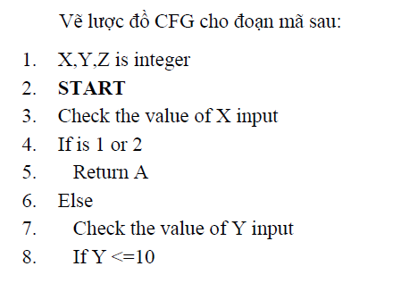
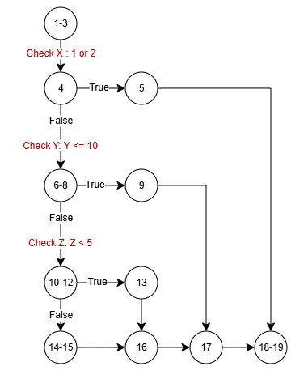

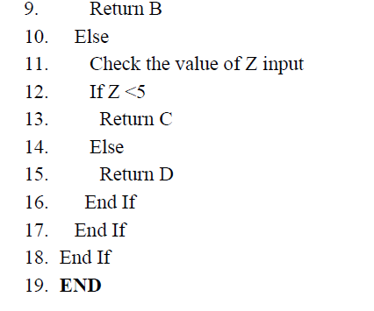

# | Condition | Input |  |  | Line number excuted | Expected result | Actual result | State
 |  | X | Y | Z
1 | Check X: 1 or 2 (true) | 1 | 3 | 4 | 1-3, 4, 5, 18-19 | A
2 | Check X: 1 or 2 (false) && Check Y: Y <= 10 (true) | 2 | 8 | 4 | 1-3, 4, 6-8, 9, 17, 18-19 | B
3 | Check X: 1 or 2 (false) && Check Y: Y <= 10 (false) && Check Z: Z < 5 (true) | 2 | 15 | 4 | 1-3, 4, 6-8, 10-12, 13, 16, 17, 18-19 | C
4 | Check X: 1 or 2 (false) && Check Y: Y <= 10 (false) && Check Z: Z < 5 (false) | 2 | 15 | 9 | 1-3, 4, 6-8, 10- 12, 14-15, 16, 17, 18, 19 | D

Text | FALSE
Text | TRUE

Bai03
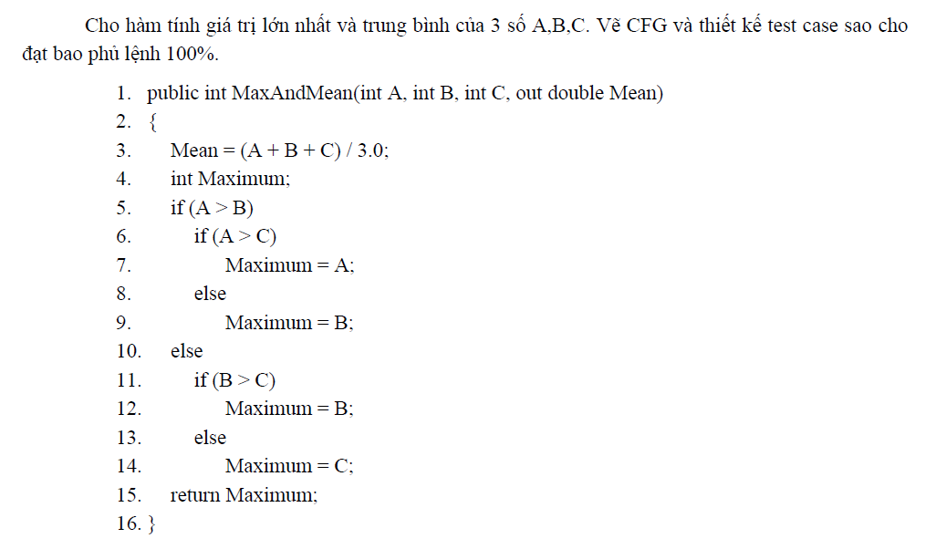
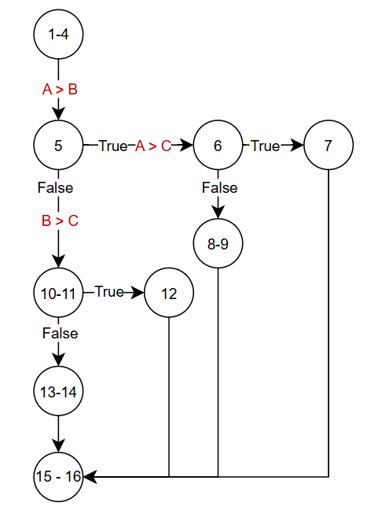

# | Condition | Input |  |  | Line number excuted | Expected result |  | Actual result |  | State
 |  | A | B | C |  | Max | Mean | Max | Mean
1 | (A > B)(true) and (A > C) (true) | 9 | 8 | 7 | 1-4, 5, 6, 7, 15-16 | 8 | 8
2 | (A > B)(true) and (A > C) (true) | 9 | 8 | 10 | 1-4, 5, 6, 8-9, 15-16 | 10 | 9
3 | (A > B)(false) and (B > C) (true) | 7 | 9 | 8 | 1-4, 5, 10-11, 12, 15-16 | 9 | 8
4 | (A > B)(true) and (B > C) (false) | 7 | 8 | 9 | 1-4, 5, 10-11, 13-14, 15-16 | 9 | 8

Text | FALSE
Text | TRUE

Bai04
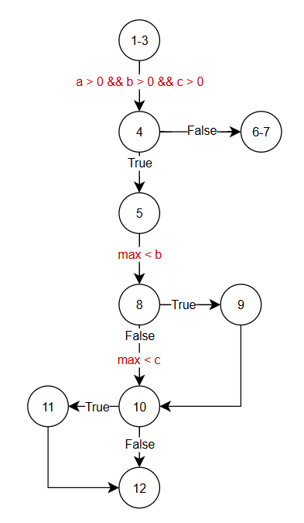

# | Condition | Input |  |  | Line number excuted | Expected result | Actual result | State
 |  | a | b | c
1 | (a > 0 && b > 0 && c > 0)(false) | 0 | 9 | 8 | 1-3, 4, 6-7 | 0
2 | (a > 0 && b > 0 && c > 0)(true) and (max < b) (true) and (max < c) (true) | 8 | 9 | 10 | 1-3, 4, 5, 8, 9, 10, 11, 12 | 10
3 | (a > 0 && b > 0 && c > 0)(true) and (max < b) (false) and (max < c) (false) | 9 | 7 | 8 | 1-3, 4, 5, 8, 10, 12 | 9

Text | FALSE
Text | TRUE

Bai05
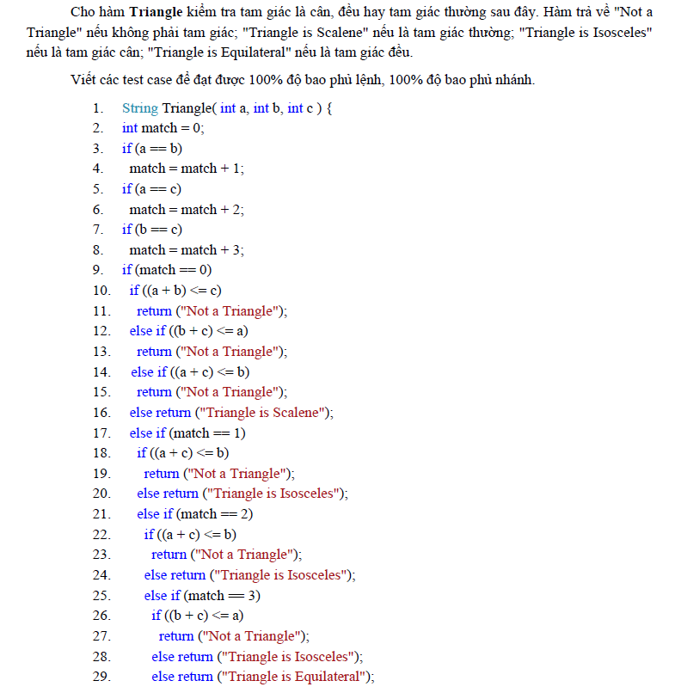
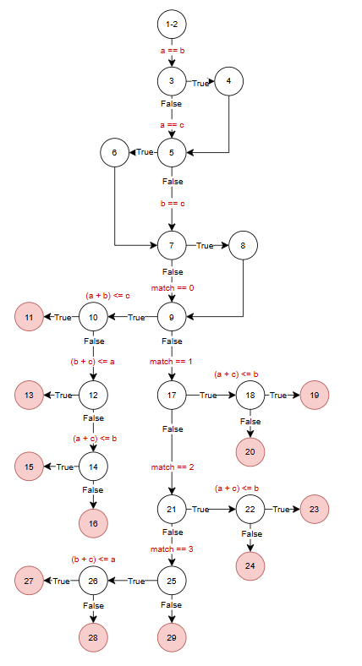

# | Condition | Input |  |  | Line number excuted | Expected result | Actual result | State
 |  | a | b | c
1 | a!=b,a!=c,b!=c,match=0,(a+b)<=c(true) |  |  |  | 1-2, 3, 4, 5, 6, 7, 8, 9, 10, 11
2 |  |  |  |  | 1-2, 3, 4, 5, 6, 7, 8, 9, 10, 12, 13
3 |  |  |  |  | 1-2, 3, 4, 5, 6, 7, 8, 9, 10, 12, 14, 15
4 |  |  |  |  | 1-2, 3, 4, 5, 6, 7, 8, 9, 10, 12, 14, 16
5 |  |  |  |  | 1-2, 3, 4, 5, 6, 7, 8, 9, 17, 18, 19 |  |  |  | Text | FALSE
6 |  |  |  |  | 1-2, 3, 4, 5, 6, 7, 8, 9, 17, 18, 20 |  |  |  | Text | TRUE
7 |  |  |  |  | 1-2, 3, 4, 5, 6, 7, 8, 9, 17, 21, 22, 23
8 |  |  |  |  | 1-2, 3, 4, 5, 6, 7, 8, 9, 17, 21, 22, 24
9 |  |  |  |  | 1-2, 3, 4, 5, 6, 7, 8, 9, 17, 21, 25, 26, 27
10 |  |  |  |  | 1-2, 3, 4, 5, 6, 7, 8, 9, 17, 21, 25, 26, 28
11 |  |  |  |  | 1-2, 3, 4, 5, 6, 7, 8, 9, 17, 21, 25, 29
12 |  |  |  |  | 1-2, 3, 4, 5, 6, 7, 9, 10, 11
13 |  |  |  |  | 1-2, 3, 4, 5, 6, 7, 9, 10, 12, 13
14 |  |  |  |  | 1-2, 3, 4, 5, 6, 7, 9, 10, 12, 14, 15
15 |  |  |  |  | 1-2, 3, 4, 5, 6, 7, 9, 10, 12, 14, 16
16 |  |  |  |  | 1-2, 3, 4, 5, 6, 7, 9, 17, 18, 19
17 |  |  |  |  | 1-2, 3, 4, 5, 6, 7, 9, 17, 18, 20
18 |  |  |  |  | 1-2, 3, 4, 5, 6, 7, 9, 17, 21, 22, 23
19 |  |  |  |  | 1-2, 3, 4, 5, 6, 7, 9, 17, 21, 22, 24
20 |  |  |  |  | 1-2, 3, 4, 5, 6, 7, 9, 17, 21, 25, 26, 27
21 |  |  |  |  | 1-2, 3, 4, 5, 6, 7, 9, 17, 21, 25, 26, 28
22 |  |  |  |  | 1-2, 3, 4, 5, 6, 7, 9, 17, 21, 25, 29
23 |  |  |  |  | 1-2, 3, 4, 5, 7, 8, 9, 10, 11
24 |  |  |  |  | 1-2, 3, 4, 5, 7, 8, 9, 10, 12, 13
25 |  |  |  |  | 1-2, 3, 4, 5, 7, 8, 9, 10, 12, 14, 15
26 |  |  |  |  | 1-2, 3, 4, 5, 7, 8, 9, 10, 12, 14, 16
27 |  |  |  |  | 1-2, 3, 4, 5, 7, 8, 9, 17, 18, 19
28 |  |  |  |  | 1-2, 3, 4, 5, 7, 8, 9, 17, 18, 20
29 |  |  |  |  | 1-2, 3, 4, 5, 7, 8, 9, 17, 21, 22, 23
30 |  |  |  |  | 1-2, 3, 4, 5, 7, 8, 9, 17, 21, 22, 24
31 |  |  |  |  | 1-2, 3, 4, 5, 7, 8, 9, 17, 21, 25, 26, 27
32 |  |  |  |  | 1-2, 3, 4, 5, 7, 8, 9, 17, 21, 25, 26, 28
33 |  |  |  |  | 1-2, 3, 4, 5, 7, 8, 9, 17, 21, 25, 29
34 |  |  |  |  | 1-2, 3, 4, 5, 7, 9, 10, 11
35 |  |  |  |  | 1-2, 3, 4, 5, 7, 9, 10, 12, 13
36 |  |  |  |  | 1-2, 3, 4, 5, 7, 9, 10, 12, 14, 15
37 |  |  |  |  | 1-2, 3, 4, 5, 7, 9, 10, 12, 14, 16
38 |  |  |  |  | 1-2, 3, 4, 5, 7, 9, 17, 18, 19
39 |  |  |  |  | 1-2, 3, 4, 5, 7, 9, 17, 18, 20
40 |  |  |  |  | 1-2, 3, 4, 5, 7, 9, 17, 21, 22, 23
41 |  |  |  |  | 1-2, 3, 4, 5, 7, 9, 17, 21, 22, 24
42 |  |  |  |  | 1-2, 3, 4, 5, 7, 9, 17, 21, 25, 26, 27
43 |  |  |  |  | 1-2, 3, 4, 5, 7, 9, 17, 21, 25, 26, 28
44 |  |  |  |  | 1-2, 3, 4, 5, 7, 9, 17, 21, 25, 29

Bai06
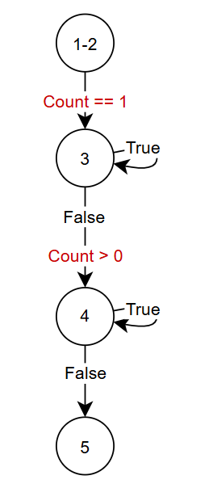

# | Condition | Input |  | Line number excuted | Expected result | Actual result | State
 |  | Sum | Count
1 | (Count==1)(false) && Count > 0(false) | 6 | -3 | 1-2, 3, 4, 5 | 0
2 | (Count==1)(false) && Count > 0(true) | 6 | 2 | 1-2, 3, 4 | 3
3 | (Count==1)(true) | 6 | 1 | 1-2, 3 | 6

Bai07
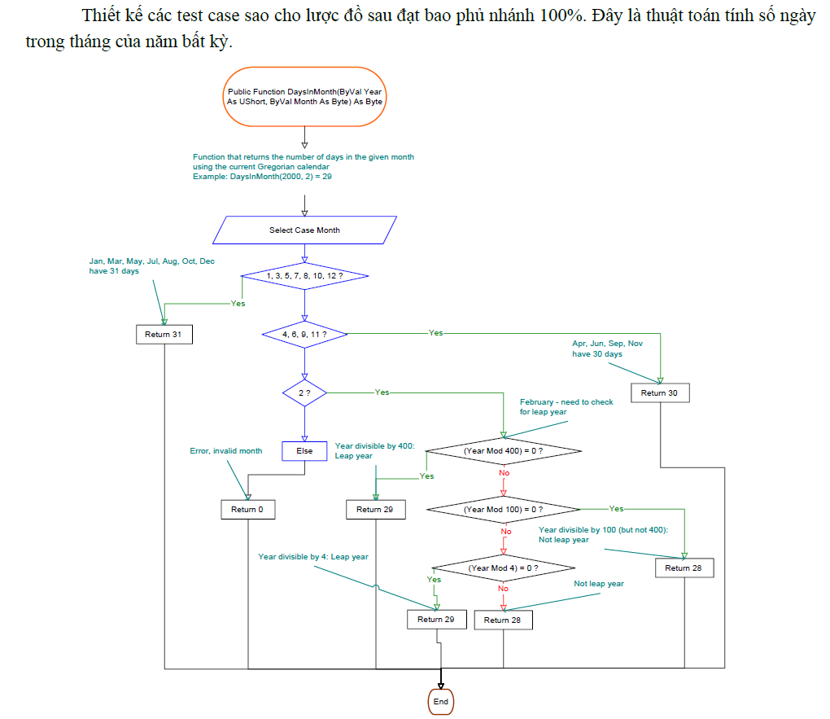
# | Condition | Input |  | Line number excuted | Expected result | Actual result | State
 |  | year | month
1 | (1, 3, 5, 7, 8, 10, 12 ?) (true) | 2023 | 7 | 1,2,3,4,17 | 31
2 | (1, 3, 5, 7, 8, 10, 12 ?) (false) and (4, 6, 9, 11 ? ) (true) | 2023 | 6 | 1,2,3,5,6,11 | 30
1
3 | (1, 3, 5, 7, 8, 10, 12 ?) (false) and (4, 6, 9, 11 ? ) (false) and (2?)(false) | 2023 | 14 | 1,2,3,5,7,15,16,17 | 0
4 | (1, 3, 5, 7, 8, 10, 12 ?) (false) and (4, 6, 9, 11 ? ) (false) and (2?)(true) and ((Year Mod 400) = 0 ? )(true) | 2000 | 2 | 1,2,3,5,7,8,9,17 | 29
5 | (1, 3, 5, 7, 8, 10, 12 ?) (false) and (4, 6, 9, 11 ? ) (false) and (2?)(true) and ((Year Mod 400) = 0 ? )(false) and ((Year Mod 100) = 0 ? )(true) | 1900 | 2 | 1,2,3,4,5,7,8,10,12,14,17 | 28
6 | (1, 3, 5, 7, 8, 10, 12 ?) (false) and (4, 6, 9, 11 ? ) (false) and (2?)(true) and ((Year Mod 400) = 0 ? )(false) and ((Year Mod 100) = 0 ? )(false) and ((Year Mod 4) = 0 ?)(true) | 2020 | 2 | 1,2,3,4,5,7,8,10,12,13,17 | 29
7 | (1, 3, 5, 7, 8, 10, 12 ?) (false) and (4, 6, 9, 11 ? ) (false) and (2?)(true) and ((Year Mod 400) = 0 ? )(false) and ((Year Mod 100) = 0 ? )(false) and ((Year Mod 4) = 0 ?)(false) | 2023 | 2 | 1,2,3,4,5,7,8,10,11,17 | 28

2

3

4
5
6

7

15
8

10

16
9
11
12

13
14

17

Bai08
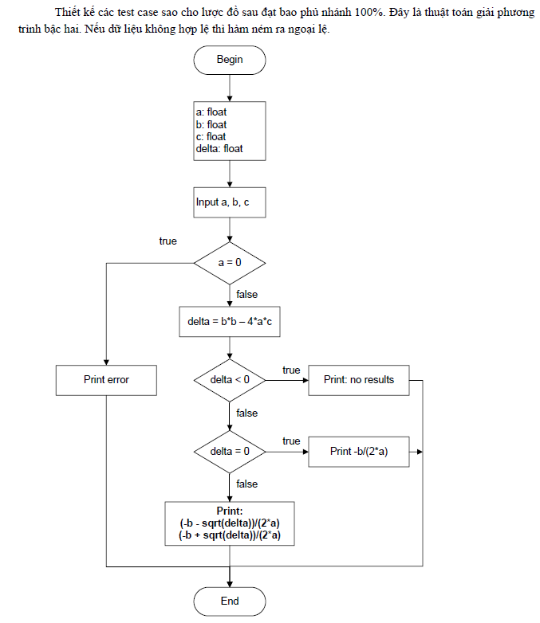
1
# | Condition | Input |  |  | Line number excuted | Expected result | Actual result | State
 |  | a | b | c
1 | (a = 0)(true) | 0 | 4 | 8 | 1,2,3,4,11 | X1=-2
2 | (a = 0)(false) and (delta < 0)(true) | 9 | 2 | 3 | 1,2,3,5,6,7,11 | x1=x2=NaN
3 | (a = 0)(false) and (delta < 0)(false) and and (delta = 0)(true) | 4 | 4 | 1 | 1,2,3,5,6,8,9,11 | X1=x2=-1/2
4 | (a = 0)(false) and (delta < 0)(false) and (delta = 0)(false) | 1 | -5 | 4 | 1,2,3,5,6,8,10,11 | X1=1 X2=4

2

3

5

4
6
7

8
9

10
10

11

Bai09
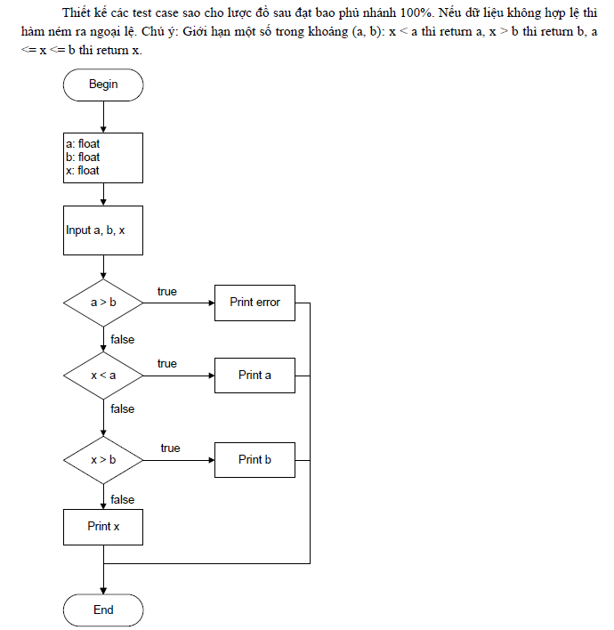
1
# | Condition | Input |  |  | Line number excuted | Expected result | Actual result | State
 |  | a | b | x
1 | (a>b)(true) | 3 | 2 | 4 | 1,2,3,4,10 | Error
2 | (a>b)(false) and (x<a)(true) | 5 | 6 | 2 | 1,2,3,5,6,10 | 5
3 | (a>b)(false) and (x<a) (false) and (x>b)(true) | 5 | 7 | 9 | 1,2,3,5,7,8,10 | 7
4 | (a>b)(false) and (x<a) (false) and (x>b)(false) | 5 | 8 | 6 | 1,2,3,5,7,8,9,10 | 6

2

3
4

5
6

7
8

9

10

Bai10
# | Condition | Input |  |  | Line number excuted | Expected result | Actual result | State
 |  | a | b | c
1 | (a<=0 or b<=0 or c<=0) (true) | 3 | 4 | 0 | 1,2,3,4,12 | FALSE | FALSE | T
1
2 | (a<=0 or b<=0 or c<=0) (false) and (a + b > c)(false) | 4 | 6 | 12 | 1,2,3,5,6,12 | FALSE | FALSE | T
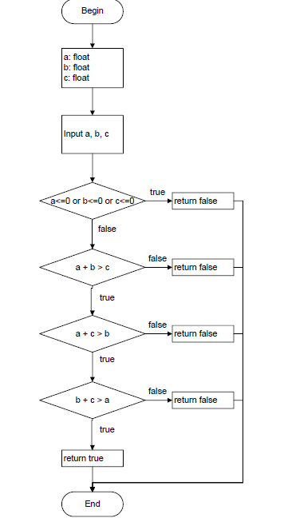
3 | (a<=0 or b<=0 or c<=0) (false) and (a + b > c)(true) and (a + c > b)(false) | 4 | 14 | 7 | 1,2,3,5,7,8,12 | FALSE | FALSE | T
4 | (a<=0 or b<=0 or c<=0) (false) and (a + b > c)(true) and (a + c > b)(true) and (b + c > a)(false) | 22 | 7 | 9 | 1,3,5,7,9,10,12 | FALSE | FALSE | T
5 | (a<=0 or b<=0 or c<=0) (false) and (a + b > c)(true) and (a + c > b)(true) and (b + c > a)(true) | 3 | 4 | 5 | 1,3,5,7,9,11,12 | TRUE | TRUE | T

2

3
4

5
6

7
8

9
10

11

12

Bai11
# | Condition | Input |  |  |  | Line number excuted | Expected result | Actual result | State
 |  | w | h | ww | wh
1 | (w<=0 or h<=0 or ww<=0 or wh<=0)(true) | 0 | 3 | 4 | 6 | 1,2,3,4,12 | x=y=NaN
2 | (w<=0 or h<=0 or ww<=0 or wh<=0)(false) and (w > ww) (true) and (h > wh)(true) | 8 | 9 | 6 | 5 | 1,2,3,5,6,8,9,11,12 | X=0,y=0
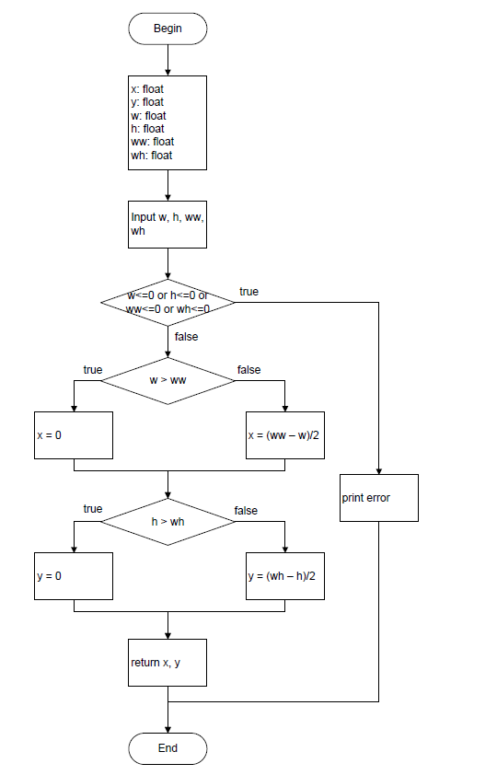
1
3 | (w<=0 or h<=0 or ww<=0 or wh<=0)(false) and (w > ww) (false) and (h > wh)(false) | 4 | 5 | 10 | 13 | 1,2,3,5,7,8,10,11,12 | X=3,y=4

2

3

5

6

7

4

8

9

10

11

12

Bai12
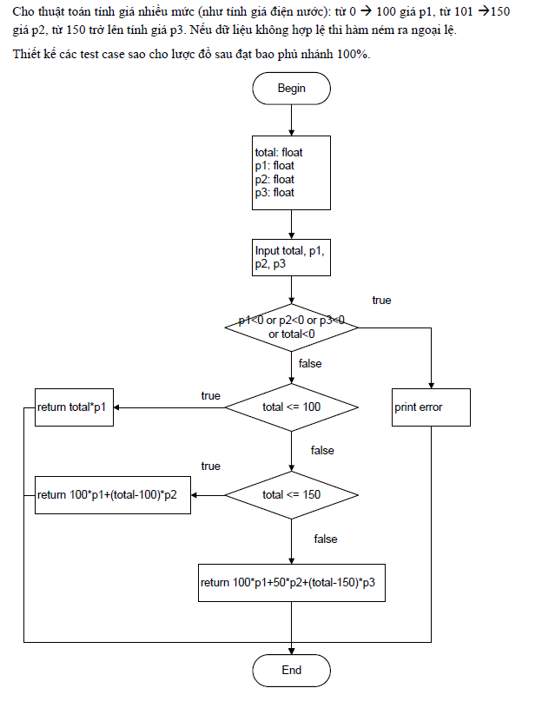
# | Condition | Input |  |  |  | Line number excuted | Expected result | Actual result | State
 |  | total | P1 | P2 | P3
1 | (p1<0 or p2<0 or p3<0 or total<0)(true) | 9 | 8 | -1 | 7 | 1,2,3,4,10 | error
1
2 | (p1<0 or p2<0 or p3<0 or total<0)(false) and (total <= 100) (true) | 40 | 15 | 20 | 30 | 1,2,3,5,6,10 | 600
3 | (p1<0 or p2<0 or p3<0 or total<0)(false) and (total <= 100) (false) and (total <= 150) (true) | 120 | 20 | 25 | 30 | 1,2,3,5,7,8,10 | 2500
4 | (p1<0 or p2<0 or p3<0 or total<0)(false) and (total <= 100) (false) and (total <= 150) (true) | 200 | 20 | 25 | 30 | 1,2,3,5,7,9,10 | 4750

2

3

6

5
4

8

7

9

10

Bai13
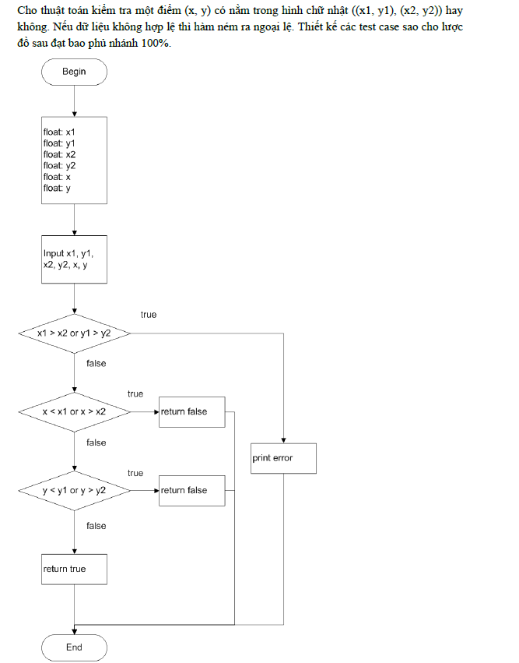
1
# | Condition | Input |  |  |  |  |  | Line number excuted | Expected result | Actual result | State
 |  | X1 | Y1 | X2 | Y2 | x | y
1 | (x1>x2 or y1>y2) (true) | 6 | 8 | 1 | 2 | 3 | 4 | 1,2,3,4,10 | throw Exception
2 | (x1>x2 or y1>y2) (false) and (x<x1 or x>x2)(true) | 1 | 2 | 6 | 8 | 0 | 8 | 1,2,3,5,6,10 | FALSE
3 | (x1>x2 or y1>y2) (false) and (x<x1 or x>x2)(false) and (y<y1 or y>y2) (true) | 1 | 2 | 6 | 8 | 3 | 12 | 1,2,3,5,7,8,10 | FALSE
4 | (x1>x2 or y1>y2) (false) and (x<x1 or x>x2)(false) and (y<y1 or y>y2) (false) | 1 | 2 | 6 | 8 | 3 | 7 | 1,2,3,5,7,9,10 | TRUE

2

3

6
5

7
8
4

9

10

Bài14
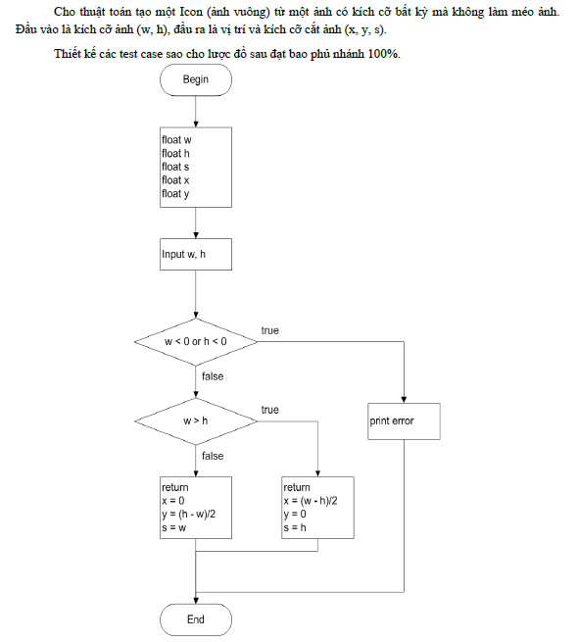
1
# | Condition | Input |  | Line number excuted | Expected result | Actual result | State
 |  | w | h
1 | (w<0 or h<0) (true) | 3 | -2 | 1,2,3,4,8 | throw Exception | throw Exception | T
2 | (w<0 or h<0) (false) and (w>h) (true) | 8 | 6 | 1,2,3,5,6,8 | X=1, y=0,s=6 | X=1, y=0,s=6 | T
3 | (w<0 or h<0) (false) and (w>h) (false) | 5 | 7 | 1,2,3,5,7,8 | X=0,y=1,s=5 | X=0,y=1,s=5 | T

2

3

5

4

6

7

8

Bai15
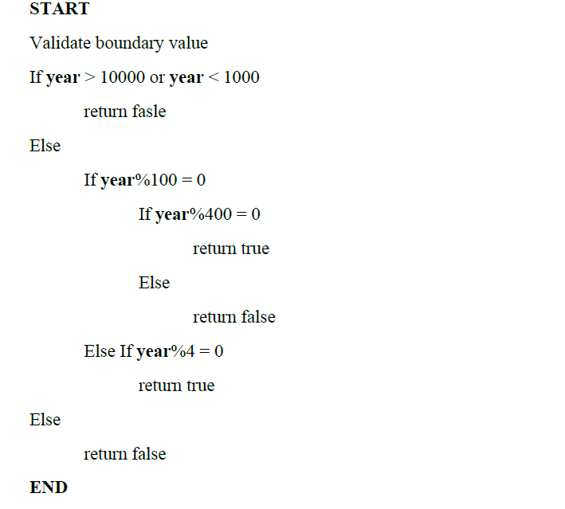

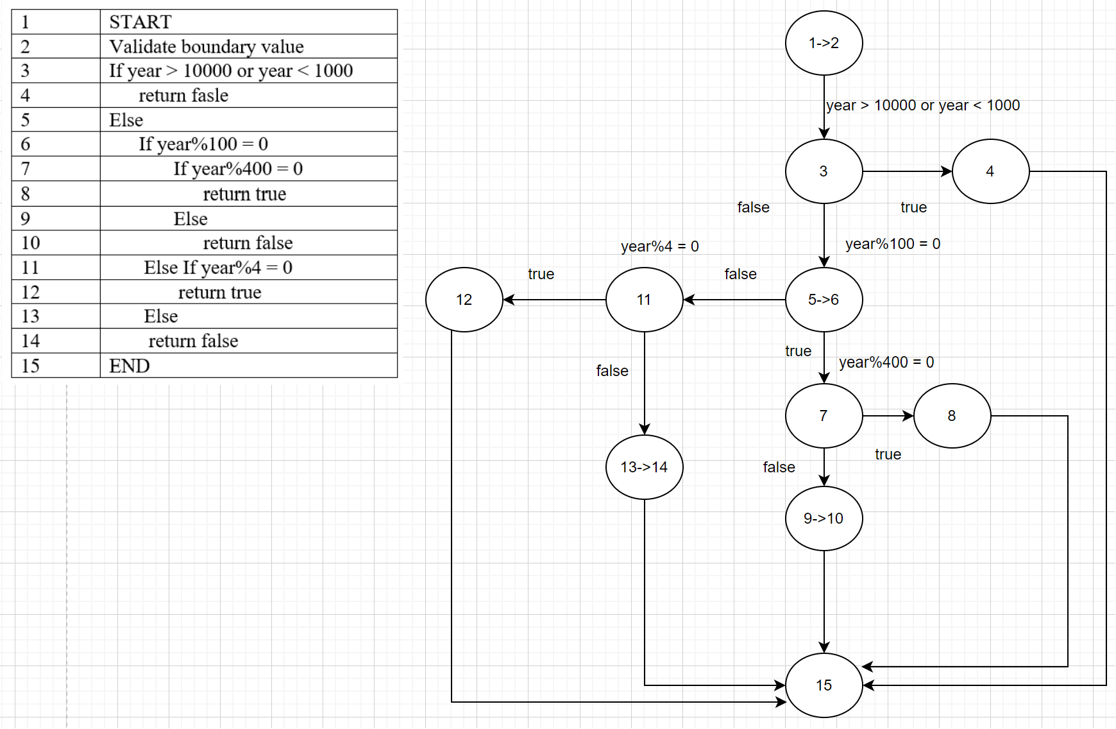

# | Condition | Input | Line number excuted | Expected result | Actual result | State
 |  | year
1 | (year > 10000 or year < 1000) (true) | 10 | 1,2,3,4,15 | FALSE | FALSE | T
2 | (year > 10000 or year < 1000) (false) and (year%100 = 0)(true) and (year%400 = 0) (true) | 2000 | 1,2,3,5,6,7,8,15 | TRUE | TRUE | T
3 | (year > 10000 or year < 1000) (false) and (year%100 = 0)(true) and (year%400 = 0) (false) | 2100 | 1,2,3,5,6,7,9,10,15 | FALSE | FALSE | T
4 | (year > 10000 or year < 1000) (false) and (year%100 = 0)(false) and (year%4 = 0) (true) | 2024 | 1,2,3,5,6,11,12,15 | TRUE | TRUE | T
5 | (year > 10000 or year < 1000) (false) and (year%100 = 0)(false) and (year%4 = 0) (false) | 2023 | 1,2,3,5,6,11,13,14,15 | FALSE | FALSE | T

Bai16
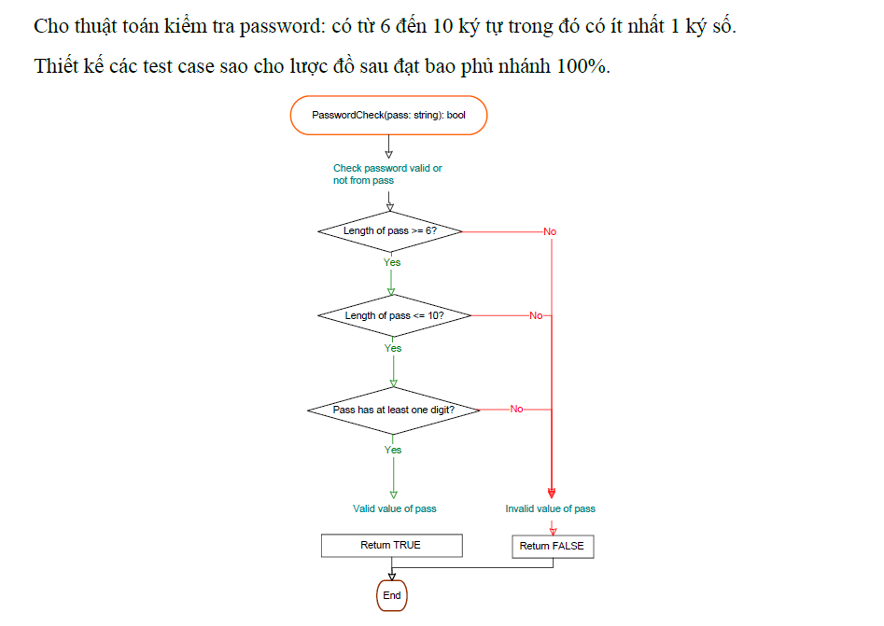
1
# | Condition | Input | Line number excuted | Expected result | Actual result | State
 |  | pass
1 | (Length of pass >= 6?) (false) | abc | 1,2,3,9 | FALSE | FALSE | T
2
4
6
2 | (Length of pass >= 6?) (true) and (Length of pass <= 10?) (false) | abcdllklafdasdfdaf | 1,2,4,5,9 | FALSE | FALSE | T
8
9
3
5
7
3 | (Length of pass >= 6?) (true) and (Length of pass <= 10?) (true) and (Pass has at least one digit?) (false ) | abcdefg | 1,2,4,6,7,9 | FALSE | FALSE | T
4 | (Length of pass >= 6?) (true) and (Length of pass <= 10?) (true) and (Pass has at least one digit?) (true ) | 12abcd3e | 1,2,4,6,8,9 | TRUE | TRUE | T

Bai17
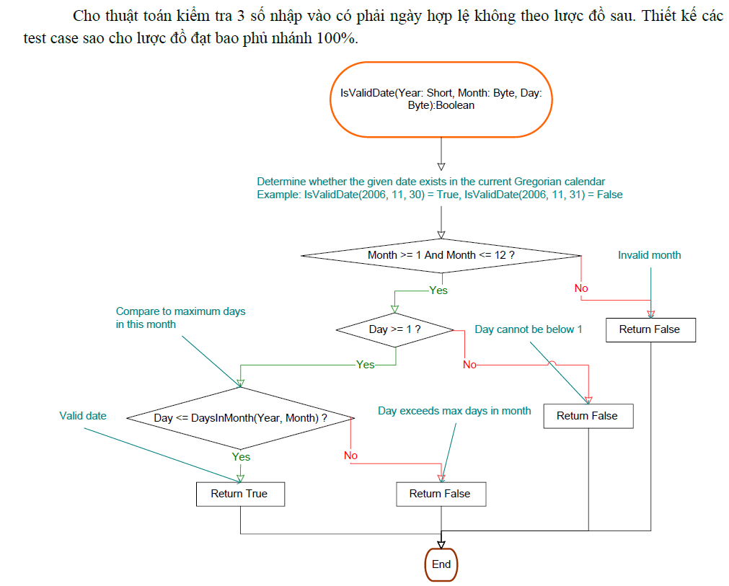
1
# | Condition | Input |  |  | Line number excuted | Expected result | Actual result | State
 |  | year | month | day
1 | (Month >= 1 And Month <= 12 ?)(false) | 2023 | 14 | 15 | 1,2,3,9 | FALSE | FALSE | T
6
4
2
3
2 | (Month >= 1 And Month <= 12 ?)(true) and (Day >= 1 ? )(false) | 2023 | 10 | 0 | 1,2,4,5,9 | FALSE | FALSE | T
8
7
9
5
3 | (Month >= 1 And Month <= 12 ?)(true) and (Day >= 1 ? )(true) and (Day <= DaysInMonth(Year, Month) ? ) (false) | 2023 | 2 | 30 | 1,2,4,7,9 | FALSE | FALSE | T
4 | (Month >= 1 And Month <= 12 ?)(true) and (Day >= 1 ? )(true) and (Day <= DaysInMonth(Year, Month) ? ) (true) | 2023 | 8 | 23 | 1,2,4,6,8 | TRUE | TRUE | T

Bai18
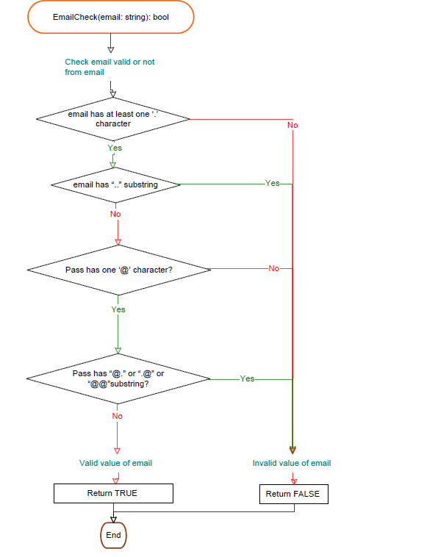
1
# | Condition | Input | Line number excuted | Expected result | Actual result | State
 |  | email
1 | (email has at least one ‘.’ character)(false) | tranthiendatgmailcom | 1,2,3,11 | FALSE | FALSE | T
2
2 | (email has at least one ‘.’ character)(true) and (email has “..” substring)(true) | tranthiendatgamail..com | 1,2,4,5,11 | FALSE | FALSE | T
4
3 | (email has at least one ‘.’ character)(true) and (email has “..” substring)(false) and (Pass has one ‘@’ character?)(false) | tranthiendat@@@gamail.com | 1,2,4,6,7,11 | FALSE | FALSE | T
4 | (email has at least one ‘.’ character)(true) and (email has “..” substring)(false) and (Pass has one ‘@’ character?)(true) and (Pass has “@.” or “.@” or “@@”substring?)(true) | tranthiendat@.gamail.com | 1,2,4,6,8,9,11 | FALSE | FALSE | T
6
5 | (email has at least one ‘.’ character)(true) and (email has “..” substring)(false) and (Pass has one ‘@’ character?)(true) and (Pass has “@.” or “.@” or “@@”substring?)(false) | tranthiendat@gmai.com | 1,2,4,6,8,10,11 | TRUE | TRUE | T
1

8

3

10
5

7

11
9

Bai19
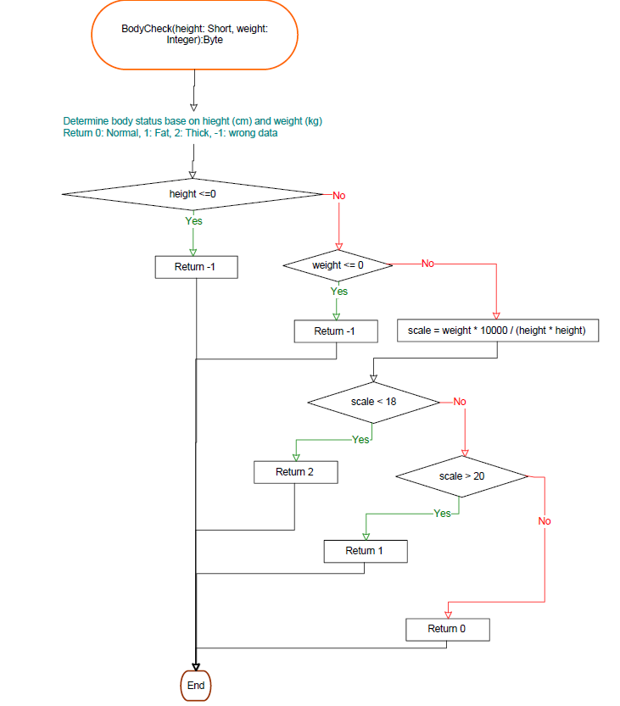
1
# | Condition | Input |  | Line number excuted | Expected result | Actual result | State
 |  | height | weight
1 | (height <=0)(true) | -7 | 56 | 1,2,3,12 | Wrong data(-1) | Wrong data(-1) | T
2 | (height <=0)(false) and (weight <= 0)(true) | 168 | -8 | 1,2,4,5,12 | Wrong data(-1) | Wrong data(-1) | T
3 | (height <=0)(false) and (weight <= 0)(false) and (scale<18)(true) | 168 | 50 | 1,2,4,6,7,8,12 | Thick(2) | Thick(2) | T
4 | (height <=0)(false) and (weight <= 0)(false) and (scale<18)(false) and (scale > 20)(true) | 168 | 60 | 1,2,4,6,7,9,10,12 | Fat(1) | Fat(1) | T
5 | (height <=0)(false) and (weight <= 0)(false) and (scale<18)(false) and (scale > 20)(false) | 168 | 55 | 1,2,4,6,7,9,11,12 | Normal(0) | Normal(0) | T
2

4

3

6

5

7

9

8

10

11

12

Bai20
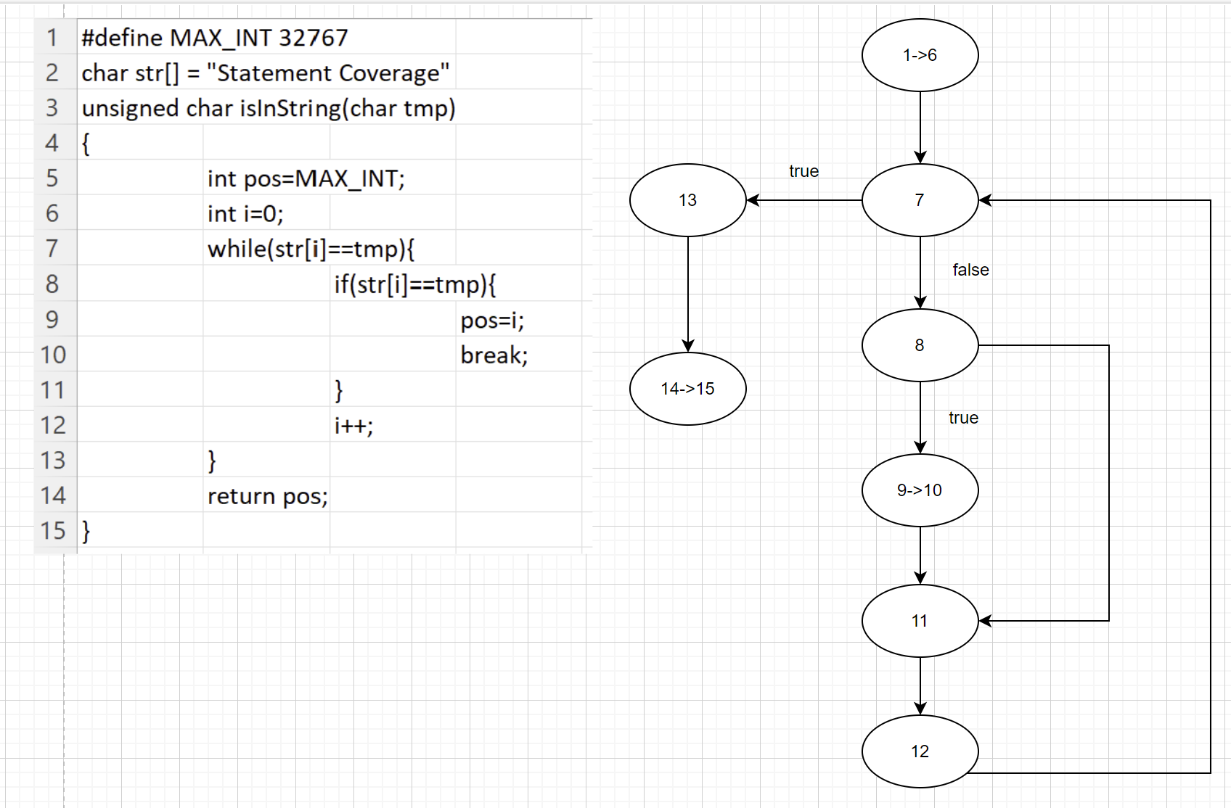

# | Condition | Input | Line number excuted | Expected result | Actual result | State
 |  | tmp
1 | char in str[] | t | 1->6,7,8,11,12,7,8,9, 10,11,12,7,13,14,15 | 1 | 1 | T

Bai21
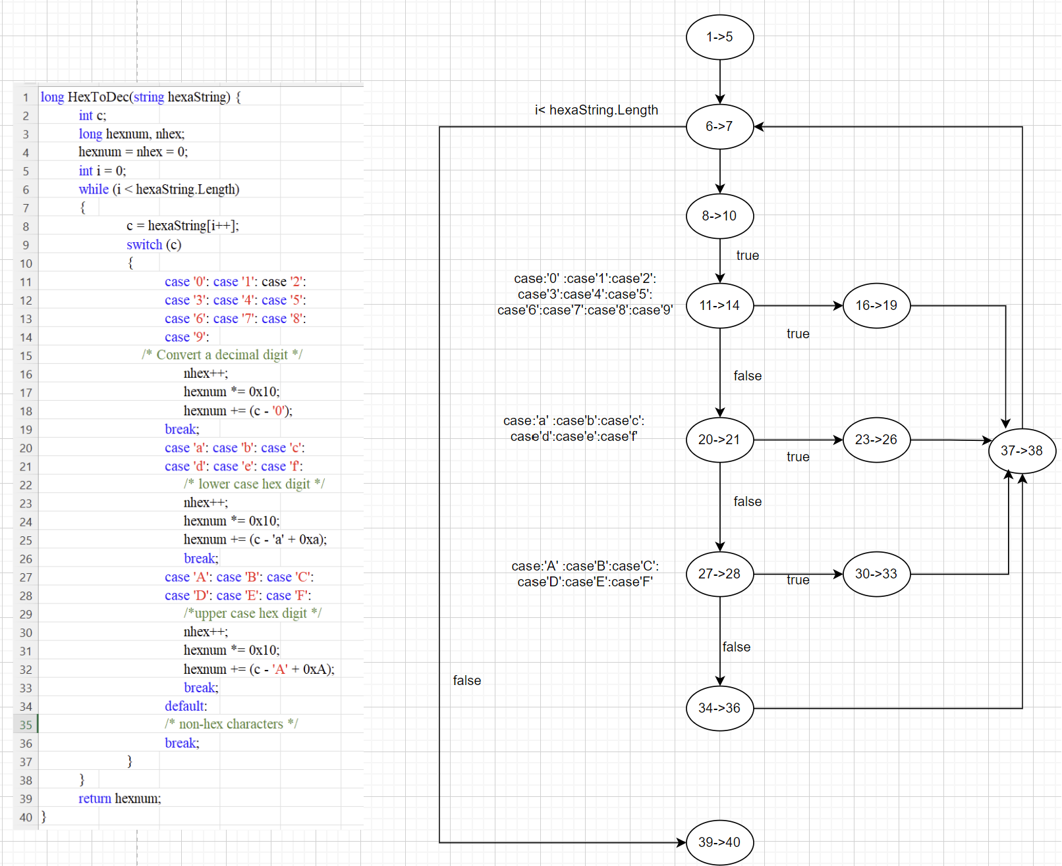

# | Condition | Input | Line number excuted | Expected result | Actual result | State
 |  | hexaString
1 |  | 1aBx | 1->5,6->7,8->10,11->14,16->19,17->18,6->7.8->10,11->14,20->21,23->26,37->38,6->7,8->10,11->14,20->21,27->28,30->33,37->38,6->7,8->10,11->14,20->21,27->28,34->36,37->38,6->7,38->40 | 427 | 427 | T

