Spring container
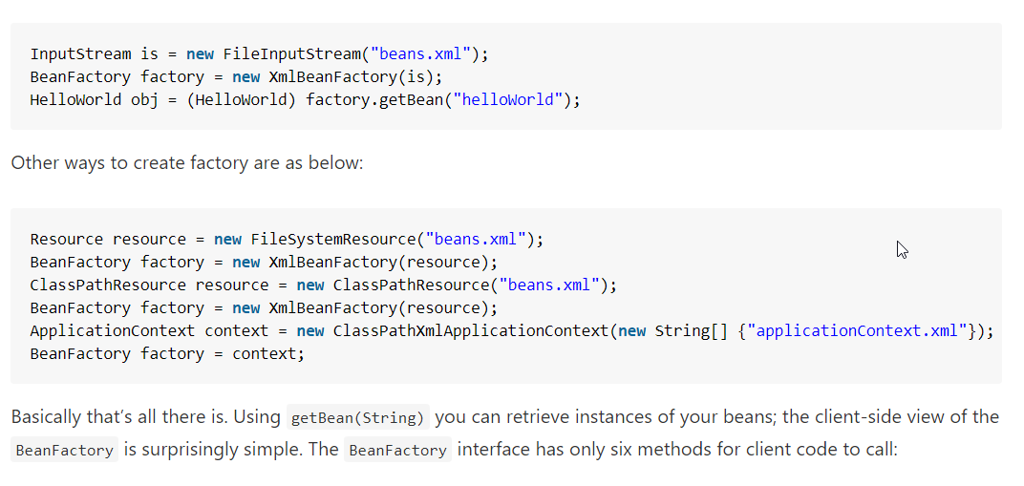

Spring container

BeanFactory container

ApplicationContext container

FileSystemXmlApplicationContext

ClassPathXmlApplicationContext

WebXmlApplicationContext

IoC vs. DI
1. Inversion of control as a design guideline serves the following purposes:
 | - There is a decoupling of the execution of a certain task from implementation.
 | - Every module can focus on what it is designed for.
 | - Modules make no assumptions about what other systems do but rely on their contracts.
 | - Replacing modules has no side effect on other modules.
2. Implementing inversion of control design pattern
 | - Using a factory pattern
 | - Using service locator pattern
 | - Using a dependency injection of any given below type
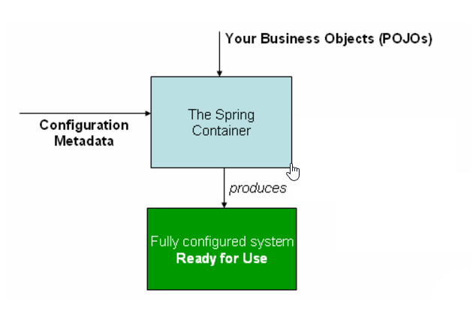
 |  | + Contructor injection
 |  | + Setter Injection
 |  | + Interface injection

3. IoC in spring framework
 | - org.springframework.beans |  | Basis for the Spring Framework’s IoC container
 | - org.springframework.context
 | - org.springframework.beans.factory.BeanFactory
 |  | - The actual representation of the Sprig IoC that is reponsible for container and otherwise managing the aforementioned beans.
 |  | - The bean factory interface is the central IoC container interface in Spring
 |  | - XmlBeanFactory
 |  | - XmlWbApplicationContext

4. Ways to instantiate beans in spring
 | - Instantiation using constructor
 |  | <bean id="exampleBean"/>

 | -Instantiation using a static factory method
 |  | <bean id="exampleBean" factory-method="createInstance"/>
 |  | <bean id="myFactoryBean" class="...">

 |  | <bean id="exampleBean" factory-bean="myFactoryBean"
 |  | factory-method="createInstance"></bean>

 | -Instantiation using an instance factory method
 |  | <bean id="myFactoryBean" class="...">

 |  | <bean id="exampleBean" factory-bean="myFactoryBean"
 |  | factory-method="createInstance"></bean>

5. Various dependency injection mechanisms
 | -Setter injection
 |  | public class TestSetter {

 |  | DemoBean demoBean = null;

 |  | public void setDemoBean(DemoBean demoBean) {
 |  | this.demoBean = demoBean;
 |  | }
 |  | }
 | - Constructor injection
 | - Interface injection
 |  | public void SetLogger(ILogger logger)
 |  | {
 |  | _notificationService.SetLogger(logger);
 |  | _productService.SetLogger(logger);
 |  | }

Bean Scope
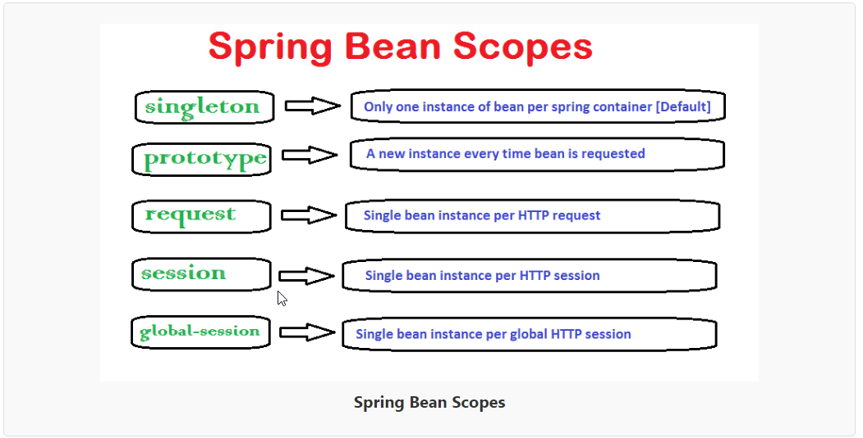

How to define the bean scope
 | - In bean configuration file

 | - Using annotations

Spring Bean Life Cycle Tutorial
Spring framework provides following 4 ways for controlling life cycle events of bean
 | 1. InitializingBean and DisposableBean callback interfaces
 | 2. Other Aware interfaces for specific behavior
 | 3. custom init() and destroy() methods in bean configuration file
 | 4. @PostConstruct and @PreDestroy annotations

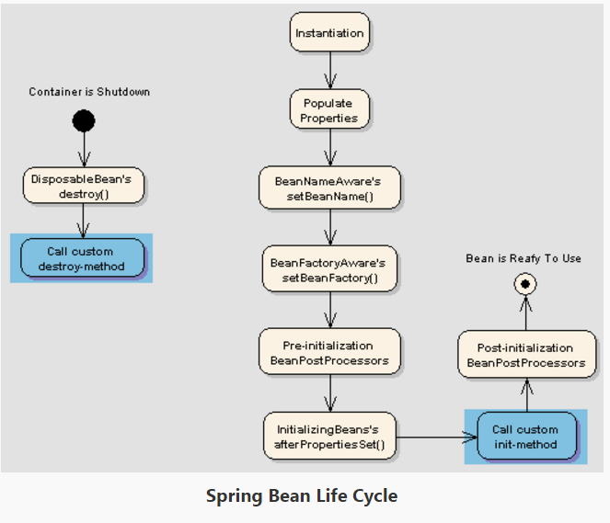

InitializingBean and DisposableBean callback interfaces
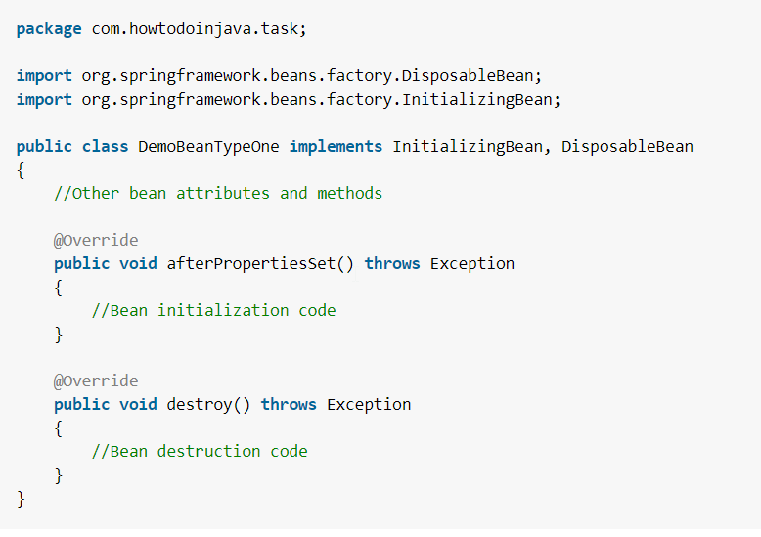

Other Aware interfaces for specific behavior
 |  | package com.howtodoinjava.task;

 |  | import org.springframework.beans.BeansException;
 |  | import org.springframework.beans.factory.BeanClassLoaderAware;
 |  | import org.springframework.beans.factory.BeanFactory;
 |  | import org.springframework.beans.factory.BeanFactoryAware;
 |  | import org.springframework.beans.factory.BeanNameAware;
 |  | import org.springframework.context.ApplicationContext;
 |  | import org.springframework.context.ApplicationContextAware;
 |  | import org.springframework.context.ApplicationEventPublisher;
 |  | import org.springframework.context.ApplicationEventPublisherAware;
 |  | import org.springframework.context.MessageSource;
 |  | import org.springframework.context.MessageSourceAware;
 |  | import org.springframework.context.ResourceLoaderAware;
 |  | import org.springframework.context.weaving.LoadTimeWeaverAware;
 |  | import org.springframework.core.io.ResourceLoader;
 |  | import org.springframework.instrument.classloading.LoadTimeWeaver;
 |  | import org.springframework.jmx.export.notification.NotificationPublisher;
 |  | import org.springframework.jmx.export.notification.NotificationPublisherAware;

 |  | public class BemoBeanTypeTwo implements ApplicationContextAware,
 |  | ApplicationEventPublisherAware, BeanClassLoaderAware, BeanFactoryAware,
 |  | BeanNameAware, LoadTimeWeaverAware, MessageSourceAware,
 |  | NotificationPublisherAware, ResourceLoaderAware
 |  | {
 |  | @Override
 |  | public void setResourceLoader(ResourceLoader arg0) {
 |  | // TODO Auto-generated method stub
 |  | }

 |  | @Override
 |  | public void setNotificationPublisher(NotificationPublisher arg0) {
 |  | // TODO Auto-generated method stub

 |  | }

 |  | @Override
 |  | public void setMessageSource(MessageSource arg0) {
 |  | // TODO Auto-generated method stub
 |  | }

 |  | @Override
 |  | public void setLoadTimeWeaver(LoadTimeWeaver arg0) {
 |  | // TODO Auto-generated method stub
 |  | }

 |  | @Override
 |  | public void setBeanName(String arg0) {
 |  | // TODO Auto-generated method stub
 |  | }

 |  | @Override
 |  | public void setBeanFactory(BeanFactory arg0) throws BeansException {
 |  | // TODO Auto-generated method stub
 |  | }

 |  | @Override
 |  | public void setBeanClassLoader(ClassLoader arg0) {
 |  | // TODO Auto-generated method stub
 |  | }

 |  | @Override
 |  | public void setApplicationEventPublisher(ApplicationEventPublisher arg0) {
 |  | // TODO Auto-generated method stub
 |  | }

 |  | @Override
 |  | public void setApplicationContext(ApplicationContext arg0)
 |  | throws BeansException {
 |  | // TODO Auto-generated method stub
 |  | }
 |  | }

Custom init() and destroy() methods in bean configuration file
 |  | <beans>
 |  | <bean id="demoBean" class="com.howtodoinjava.task.DemoBean" init-method="customInit" destroy-method="customDestroy"></bean>
 |  | </beans>

 |  | <beans default-init-method="customInit" default-destroy-method="customDestroy">
 |  | <bean id="demoBean" class="com.howtodoinjava.task.DemoBean"></bean>
 |  | </beans>

 |  | package com.howtodoinjava.task;

 |  | public class BemoBeanTypeThree
 |  | {
 |  | public void customInit()
 |  | {
 |  | System.out.println("Method customInit() invoked...");
 |  | }

 |  | public void customDestroy()
 |  | {
 |  | System.out.println("Method customDestroy() invoked...");
 |  | }
 |  | }

@PostConstruct and @PreDestroy annotations
 |  | package com.howtodoinjava.task;

 |  | import javax.annotation.PostConstruct;
 |  | import javax.annotation.PreDestroy;

 |  | public class BemoBeanTypeFour
 |  | {
 |  | @PostConstruct
 |  | public void customInit()
 |  | {
 |  | System.out.println("Method customInit() invoked...");
 |  | }

 |  | @PreDestroy
 |  | public void customDestroy()
 |  | {
 |  | System.out.println("Method customDestroy() invoked...");
 |  | }
 |  | }

