Spring container
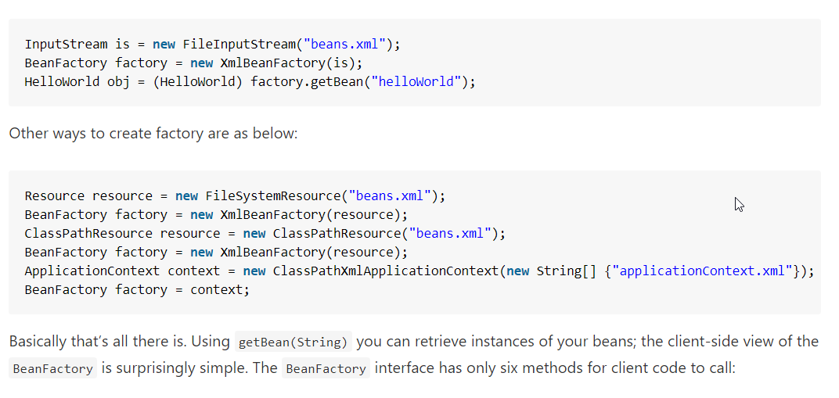

Spring container

BeanFactory container

ApplicationContext container

FileSystemXmlApplicationContext

ClassPathXmlApplicationContext

WebXmlApplicationContext

IoC vs. DI
1. Inversion of control as a design guideline serves the following purposes:
 | - There is a decoupling of the execution of a certain task from implementation.
 | - Every module can focus on what it is designed for.
 | - Modules make no assumptions about what other systems do but rely on their contracts.
 | - Replacing modules has no side effect on other modules.
2. Implementing inversion of control design pattern
 | - Using a factory pattern
 | - Using service locator pattern
 | - Using a dependency injection of any given below type
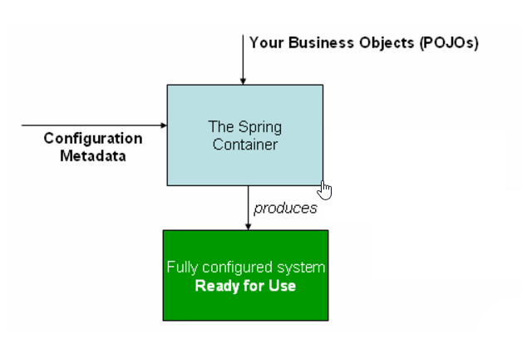
 |  | + Contructor injection
 |  | + Setter Injection
 |  | + Interface injection

3. IoC in spring framework
 | - org.springframework.beans |  | Basis for the Spring Framework’s IoC container
 | - org.springframework.context
 | - org.springframework.beans.factory.BeanFactory
 |  | - The actual representation of the Sprig IoC that is reponsible for container and otherwise managing the aforementioned beans.
 |  | - The bean factory interface is the central IoC container interface in Spring
 |  | - XmlBeanFactory
 |  | - XmlWbApplicationContext

4. Ways to instantiate beans in spring
 | - Instantiation using constructor
 |  | <bean id="exampleBean"/>

 | -Instantiation using a static factory method
 |  | <bean id="exampleBean" factory-method="createInstance"/>
 |  | <bean id="myFactoryBean" class="...">

 |  | <bean id="exampleBean" factory-bean="myFactoryBean"
 |  | factory-method="createInstance"></bean>

 | -Instantiation using an instance factory method
 |  | <bean id="myFactoryBean" class="...">

 |  | <bean id="exampleBean" factory-bean="myFactoryBean"
 |  | factory-method="createInstance"></bean>

5. Various dependency injection mechanisms
 | -Setter injection
 |  | public class TestSetter {

 |  | DemoBean demoBean = null;

 |  | public void setDemoBean(DemoBean demoBean) {
 |  | this.demoBean = demoBean;
 |  | }
 |  | }
 | - Constructor injection
 | - Interface injection
 |  | public void SetLogger(ILogger logger)
 |  | {
 |  | _notificationService.SetLogger(logger);
 |  | _productService.SetLogger(logger);
 |  | }

Bean Scope
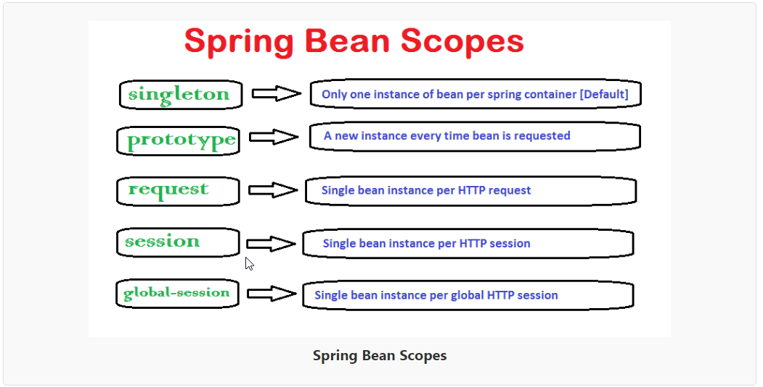

How to define the bean scope
 | - In bean configuration file

 | - Using annotations

Spring Bean Life Cycle Tutorial
Spring framework provides following 4 ways for controlling life cycle events of bean
 | 1. InitializingBean and DisposableBean callback interfaces
 | 2. Other Aware interfaces for specific behavior
 | 3. custom init() and destroy() methods in bean configuration file
 | 4. @PostConstruct and @PreDestroy annotations

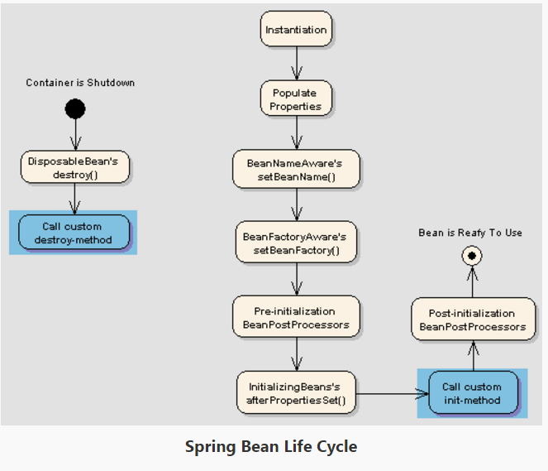

InitializingBean and DisposableBean callback interfaces
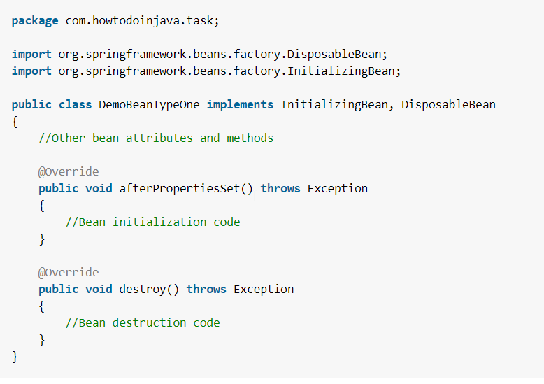

Other Aware interfaces for specific behavior
 |  | package com.howtodoinjava.task;

 |  | import org.springframework.beans.BeansException;
 |  | import org.springframework.beans.factory.BeanClassLoaderAware;
 |  | import org.springframework.beans.factory.BeanFactory;
 |  | import org.springframework.beans.factory.BeanFactoryAware;
 |  | import org.springframework.beans.factory.BeanNameAware;
 |  | import org.springframework.context.ApplicationContext;
 |  | import org.springframework.context.ApplicationContextAware;
 |  | import org.springframework.context.ApplicationEventPublisher;
 |  | import org.springframework.context.ApplicationEventPublisherAware;
 |  | import org.springframework.context.MessageSource;
 |  | import org.springframework.context.MessageSourceAware;
 |  | import org.springframework.context.ResourceLoaderAware;
 |  | import org.springframework.context.weaving.LoadTimeWeaverAware;
 |  | import org.springframework.core.io.ResourceLoader;
 |  | import org.springframework.instrument.classloading.LoadTimeWeaver;
 |  | import org.springframework.jmx.export.notification.NotificationPublisher;
 |  | import org.springframework.jmx.export.notification.NotificationPublisherAware;

 |  | public class BemoBeanTypeTwo implements ApplicationContextAware,
 |  | ApplicationEventPublisherAware, BeanClassLoaderAware, BeanFactoryAware,
 |  | BeanNameAware, LoadTimeWeaverAware, MessageSourceAware,
 |  | NotificationPublisherAware, ResourceLoaderAware
 |  | {
 |  | @Override
 |  | public void setResourceLoader(ResourceLoader arg0) {
 |  | // TODO Auto-generated method stub
 |  | }

 |  | @Override
 |  | public void setNotificationPublisher(NotificationPublisher arg0) {
 |  | // TODO Auto-generated method stub

 |  | }

 |  | @Override
 |  | public void setMessageSource(MessageSource arg0) {
 |  | // TODO Auto-generated method stub
 |  | }

 |  | @Override
 |  | public void setLoadTimeWeaver(LoadTimeWeaver arg0) {
 |  | // TODO Auto-generated method stub
 |  | }

 |  | @Override
 |  | public void setBeanName(String arg0) {
 |  | // TODO Auto-generated method stub
 |  | }

 |  | @Override
 |  | public void setBeanFactory(BeanFactory arg0) throws BeansException {
 |  | // TODO Auto-generated method stub
 |  | }

 |  | @Override
 |  | public void setBeanClassLoader(ClassLoader arg0) {
 |  | // TODO Auto-generated method stub
 |  | }

 |  | @Override
 |  | public void setApplicationEventPublisher(ApplicationEventPublisher arg0) {
 |  | // TODO Auto-generated method stub
 |  | }

 |  | @Override
 |  | public void setApplicationContext(ApplicationContext arg0)
 |  | throws BeansException {
 |  | // TODO Auto-generated method stub
 |  | }
 |  | }

Custom init() and destroy() methods in bean configuration file
 |  | <beans>
 |  | <bean id="demoBean" class="com.howtodoinjava.task.DemoBean" init-method="customInit" destroy-method="customDestroy"></bean>
 |  | </beans>

 |  | <beans default-init-method="customInit" default-destroy-method="customDestroy">
 |  | <bean id="demoBean" class="com.howtodoinjava.task.DemoBean"></bean>
 |  | </beans>

 |  | package com.howtodoinjava.task;

 |  | public class BemoBeanTypeThree
 |  | {
 |  | public void customInit()
 |  | {
 |  | System.out.println("Method customInit() invoked...");
 |  | }

 |  | public void customDestroy()
 |  | {
 |  | System.out.println("Method customDestroy() invoked...");
 |  | }
 |  | }

@PostConstruct and @PreDestroy annotations
 |  | package com.howtodoinjava.task;

 |  | import javax.annotation.PostConstruct;
 |  | import javax.annotation.PreDestroy;

 |  | public class BemoBeanTypeFour
 |  | {
 |  | @PostConstruct
 |  | public void customInit()
 |  | {
 |  | System.out.println("Method customInit() invoked...");
 |  | }

 |  | @PreDestroy
 |  | public void customDestroy()
 |  | {
 |  | System.out.println("Method customDestroy() invoked...");
 |  | }
 |  | }

Autowiring
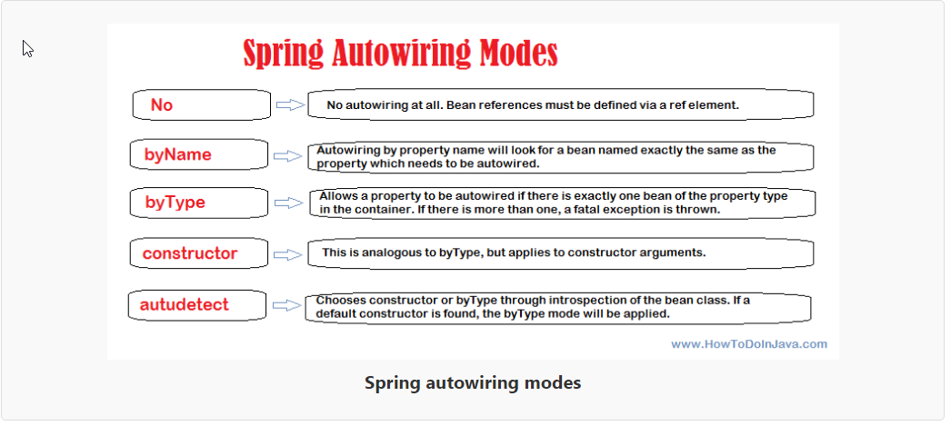

Using autowiring with @Autowired annotations
 | - To use @Autowired annotation in bean classes, you must first enable the annotation in spring application using below configuration.
 |  | <context:annotation-config />

 | - Same can be acheived using ‘AutowiredAnnotationBeanPostProcessor’ bean definition in configuration file.
 |  | <bean class ="org.springframework.beans.factory.annotation.AutowiredAnnotationBeanPostProcessor"/>

 | 1) @Autowired on properties
 |  | - When @Autowired is used on properties, it is equivalent to autowiring by ‘byType‘ in configuration file.
 |  |  | public class EmployeeBean
 |  |  | {
 |  |  | @Autowired
 |  |  | private DepartmentBean departmentBean;

 |  |  | public DepartmentBean getDepartmentBean() {
 |  |  | return departmentBean;
 |  |  | }
 |  |  | public void setDepartmentBean(DepartmentBean departmentBean) {
 |  |  | this.departmentBean = departmentBean;
 |  |  | }
 |  |  | //More code
 |  |  | }

 | 2) @Autowired on property setters
 |  | - When @Autowired is used on setters, it is also equivalent to autowiring by ‘byType’ in configuration file.
 |  |  | public class EmployeeBean
 |  |  | {
 |  |  | private DepartmentBean departmentBean;

 |  |  | public DepartmentBean getDepartmentBean() {
 |  |  | return departmentBean;
 |  |  | }

 |  |  | @Autowired
 |  |  | public void setDepartmentBean(DepartmentBean departmentBean) {
 |  |  | this.departmentBean = departmentBean;
 |  |  | }
 |  |  | //More code
 |  |  | }

 | 3) @Autowired on constructors
 |  | When @Autowired is used on bean’s constructor, it is also equivalent to autowiring by ‘constructor’ in configuration file.
 |  |  | package com.howtodoinjava.autowire.constructor;

 |  |  | public class EmployeeBean
 |  |  | {
 |  |  | @Autowired
 |  |  | public EmployeeBean(DepartmentBean departmentBean)
 |  |  | {
 |  |  | this.departmentBean = departmentBean;
 |  |  | }

 |  |  | private DepartmentBean departmentBean;

 |  |  | public DepartmentBean getDepartmentBean() {
 |  |  | return departmentBean;
 |  |  | }
 |  |  | public void setDepartmentBean(DepartmentBean departmentBean) {
 |  |  | this.departmentBean = departmentBean;
 |  |  | }
 |  |  | //More code
 |  |  | }

Using @Qualifier in case of conflict
 | As we learned that if we are using autowiring in ‘byType‘ mode and dependencies are looked for property class types. If no such type is found, an error is thrown. But, what if there are two or more beans for same class type.
 | In this case spring will not be able to choose correct bean to inject into property, and you will need to help the container using qualifiers.
 | To resolve a specific bean using qualifier, we need to use @Qualifier annotation along with @Autowired annotation and pass the bean name in annotation parameter. Take a look below for example:
 |  | public class EmployeeBean
 |  | {
 |  | @Autowired
 |  | @Qualifier("finance")
 |  | private DepartmentBean departmentBean;

 |  | public DepartmentBean getDepartmentBean() {
 |  | return departmentBean;
 |  | }
 |  | public void setDepartmentBean(DepartmentBean departmentBean) {
 |  | this.departmentBean = departmentBean;
 |  | }
 |  | //More code
 |  | }

 |  | <?xml version="1.0" encoding="UTF-8"?>
 |  | <beans>
 |  | <context:annotation-config />

 |  | <bean id="employee" class="com.howtodoinjava.autowire.constructor.EmployeeBean" autowire="constructor">
 |  | <property name="fullName" value="Lokesh Gupta"/>
 |  | </bean>
 |  | <!--First bean of type DepartmentBean-->
 |  | <bean id="humanResource" class="com.howtodoinjava.autowire.constructor.DepartmentBean" >
 |  | <property name="name" value="Human Resource" />
 |  | </bean>

 |  | <!--Second bean of type DepartmentBean-->
 |  | <bean id="finance" class="com.howtodoinjava.autowire.constructor.DepartmentBean" >
 |  | <property name="name" value="Finance" />
 |  | </bean>
 |  | </beans>

Making autowiring error safe using required=false
 | Even if you have used utmost care in autowiring bean dependencies, still you may find strange lookup failures.
 | So, solve this issue, you will need to make autowiring optional so that if no dependency is found,
 | application should not throw any exception and autowiring should simpy be ignored.

 | 1)If you want to make specific bean autowiring non-mandatory for a specific bean property, use required=”false”attribute in @Autowired annoration
 |  | @Autowired (required=false)
 |  | @Qualifier ("finance")
 |  | private DepartmentBean departmentBean;

 | 2) If you want to apply optional autowiring at global level i.e. for all properties in all beans; use below configuration setting.
 |  | <bean class="org.springframework.beans.factory.annotation.AutowiredAnnotationBeanPostProcessor">
 |  | <property name="requiredParameterValue" value="false" />
 |  | </bean>

Excluding a bean from being available for autowiring
 | By default, autowiring scan and matches all bean definitions in scope.
 | If you want to exclude some bean definitions so that they can not be injected through autowiring mode, you can do this using ‘autowire-candidate’ set to false.

 | 1) Using ‘autowire-candidate‘ as false totally exclude a bean from being an autowire candidate. It totally exclude that specific bean definition from being available to the autowiring infrastructure.
 |  | <?xml version="1.0" encoding="UTF-8"?>
 |  | <beans>
 |  | <context:annotation-config />

 |  | <bean id="employee" class="com.howtodoinjava.autowire.constructor.EmployeeBean" autowire="constructor">
 |  | <property name="fullName" value="Lokesh Gupta"/>
 |  | </bean>
 |  | <!--Will be available for autowiring-->
 |  | <bean id="humanResource" class="com.howtodoinjava.autowire.constructor.DepartmentBean" >
 |  | <property name="name" value="Human Resource" />
 |  | </bean>

 |  | <!--Will not participate in autowiring-->
 |  | <bean id="finance" class="com.howtodoinjava.autowire.constructor.DepartmentBean" autowire-candidate="false">
 |  | <property name="name" value="Finance" />
 |  | </bean>
 |  | </beans>

 | 2) Another option is to limit autowire candidates based on pattern-matching against bean names.
 | The top-level <beans/> element accepts one or more patterns within its ‘default-autowire-candidates‘ attribute
 | For example, to limit autowire candidate status to any bean whose name ends with ‘Impl’, provide a value of ‘*Impl’
 | To provide multiple patterns, define them in a comma-separated list.
 |  | <?xml version="1.0" encoding="UTF-8"?>
 |  | <beans default-autowire-candidates="*Impl,*Dao">
 |  | <context:annotation-config />

 |  | <bean id="employee" class="com.howtodoinjava.autowire.constructor.EmployeeBean" autowire="constructor">
 |  | <property name="fullName" value="Lokesh Gupta"/>
 |  | </bean>
 |  | <!--Will be available for autowiring-->
 |  | <bean id="humanResource" class="com.howtodoinjava.autowire.constructor.DepartmentBean" >
 |  | <property name="name" value="Human Resource" />
 |  | </bean>

 |  | <!--Will not participate in autowiring-->
 |  | <bean id="finance" class="com.howtodoinjava.autowire.constructor.DepartmentBean" autowire-candidate="false">
 |  | <property name="name" value="Finance" />
 |  | </bean>
 |  | </beans>

 | Note that an explicit value of ‘true’ or ‘false’ for a bean definition’s ‘autowire-candidate’ attribute always takes precedence, and for such beans, the pattern matching rules will not apply.
 | That’s all about autowiring feature available in spring framework. If you have any doubt, please drop a comment.

