Spring container
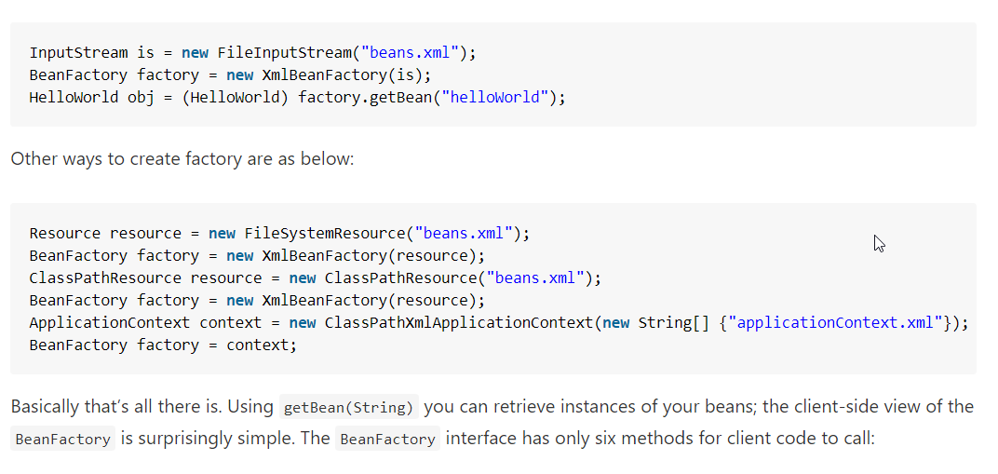

Spring container

BeanFactory container

ApplicationContext container

FileSystemXmlApplicationContext

ClassPathXmlApplicationContext

WebXmlApplicationContext

IoC vs. DI
1. Inversion of control as a design guideline serves the following purposes:
 | - There is a decoupling of the execution of a certain task from implementation.
 | - Every module can focus on what it is designed for.
 | - Modules make no assumptions about what other systems do but rely on their contracts.
 | - Replacing modules has no side effect on other modules.
2. Implementing inversion of control design pattern
 | - Using a factory pattern
 | - Using service locator pattern
 | - Using a dependency injection of any given below type
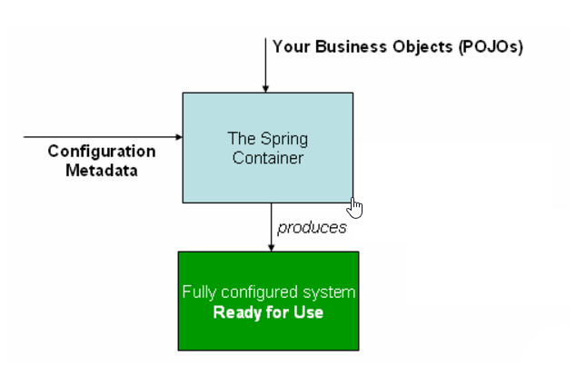
 |  | + Contructor injection
 |  | + Setter Injection
 |  | + Interface injection

3. IoC in spring framework
 | - org.springframework.beans |  | Basis for the Spring Framework’s IoC container
 | - org.springframework.context
 | - org.springframework.beans.factory.BeanFactory
 |  | - The actual representation of the Sprig IoC that is reponsible for container and otherwise managing the aforementioned beans.
 |  | - The bean factory interface is the central IoC container interface in Spring
 |  | - XmlBeanFactory
 |  | - XmlWbApplicationContext

4. Ways to instantiate beans in spring
 | - Instantiation using constructor
 |  | <bean id="exampleBean"/>

 | -Instantiation using a static factory method
 |  | <bean id="exampleBean" factory-method="createInstance"/>
 |  | <bean id="myFactoryBean" class="...">

 |  | <bean id="exampleBean" factory-bean="myFactoryBean"
 |  | factory-method="createInstance"></bean>

 | -Instantiation using an instance factory method
 |  | <bean id="myFactoryBean" class="...">

 |  | <bean id="exampleBean" factory-bean="myFactoryBean"
 |  | factory-method="createInstance"></bean>

5. Various dependency injection mechanisms
 | -Setter injection
 |  | public class TestSetter {

 |  | DemoBean demoBean = null;

 |  | public void setDemoBean(DemoBean demoBean) {
 |  | this.demoBean = demoBean;
 |  | }
 |  | }
 | - Constructor injection
 | - Interface injection
 |  | public void SetLogger(ILogger logger)
 |  | {
 |  | _notificationService.SetLogger(logger);
 |  | _productService.SetLogger(logger);
 |  | }

Bean Scope
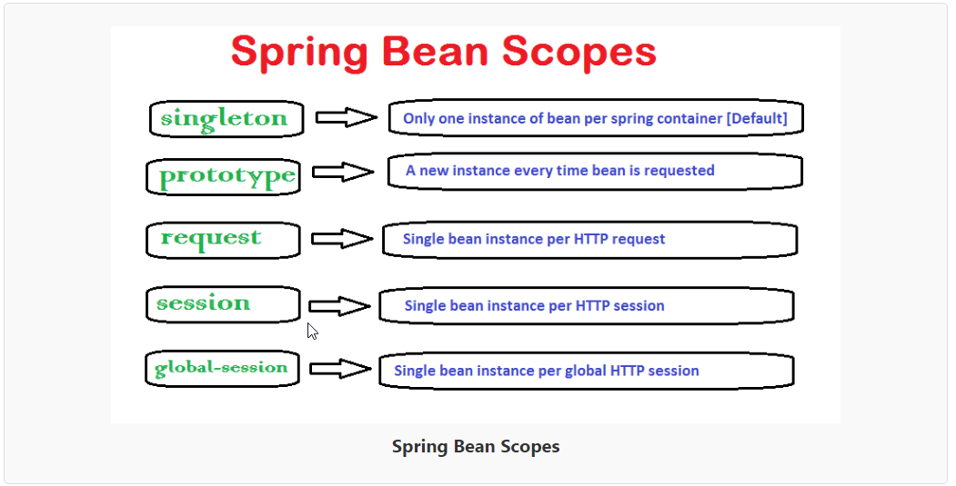

How to define the bean scope
 | - In bean configuration file

 | - Using annotations

