Create Bridge Network
1. Check network before create
 | docker network ls

2. Create bridge network
 | docker network create --driver bridge www-net

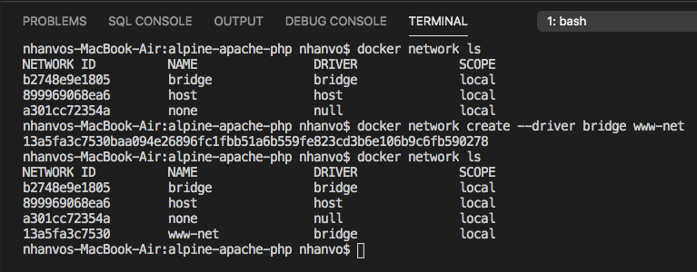

3. Check docker container current connecting to bridge network
 | docker network inspect www-net
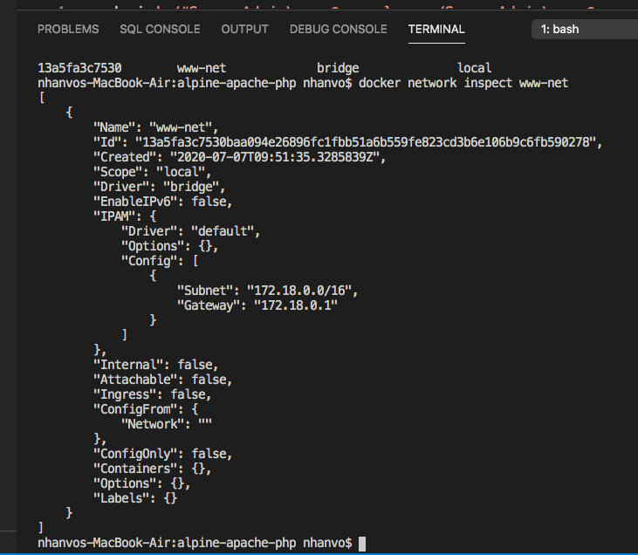

Current, haven't docker container connecting.

Apache_PHP
I. Checkout docker file to create apache, php
 | 1.1. GIT: https://github.com/nhanvo/alpine-apache-php.git

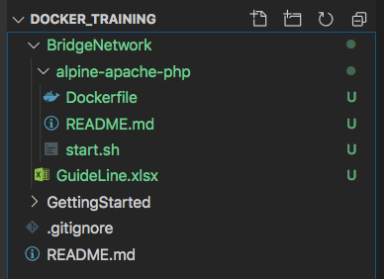

 | 1.2 Build docker images
 |  | docker build -t alpine-apache-php:latest .

