Overview
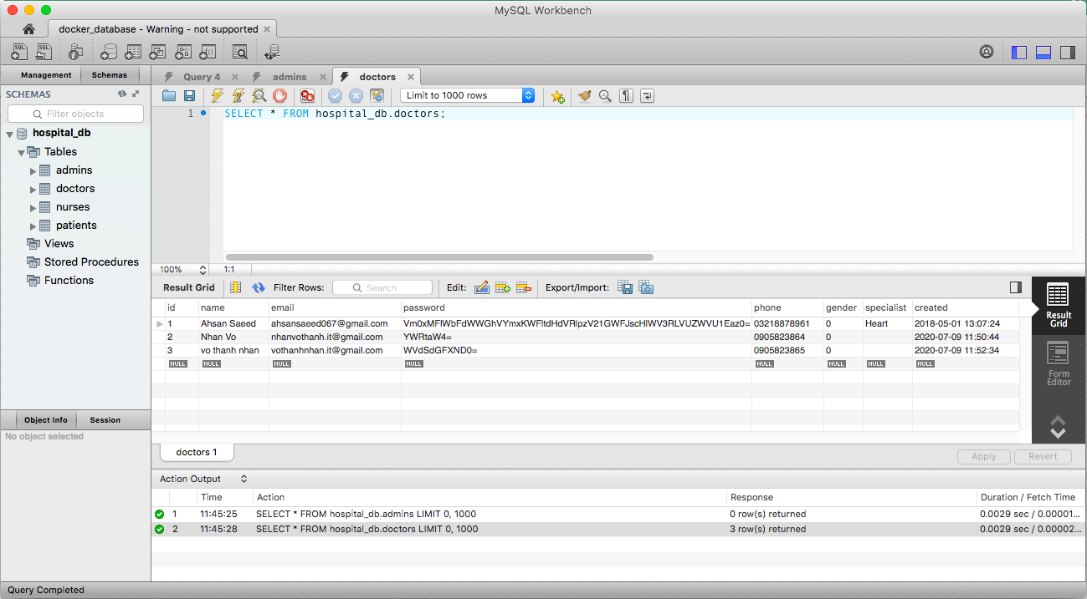
1. Overview about example we will build

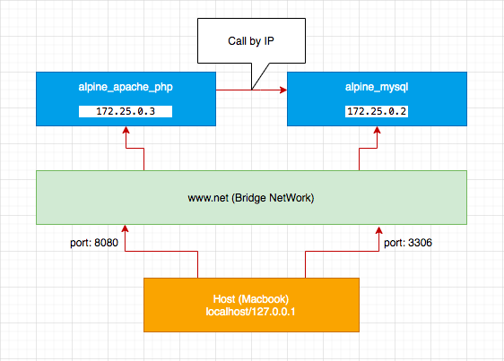

2. When we access server web then display screen same below
 | 2.1 localhost:8080

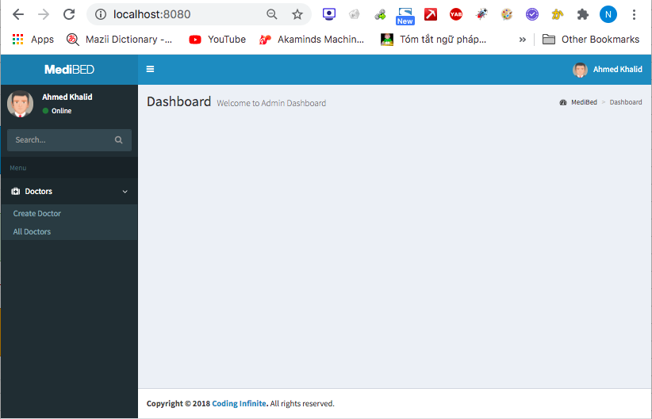

 | 2.2 http://localhost:8080/doctor/create.php

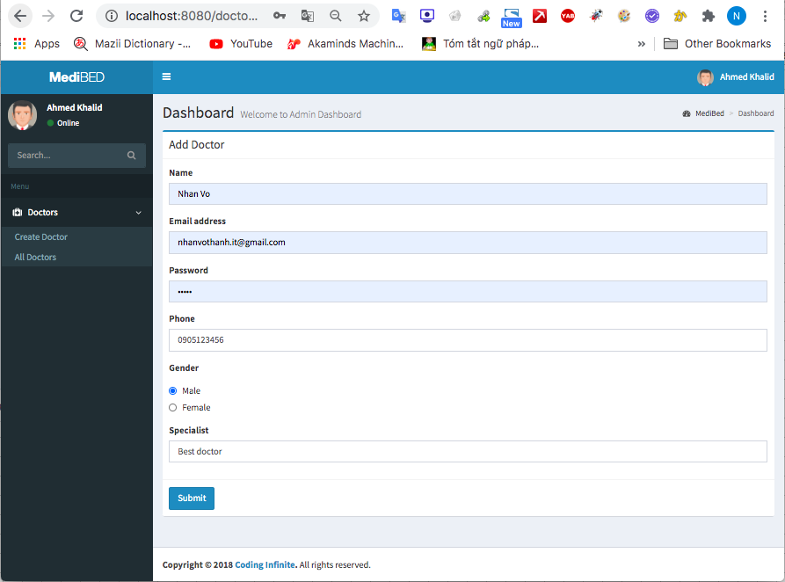

 | 2.3 http://localhost:8080/doctor/

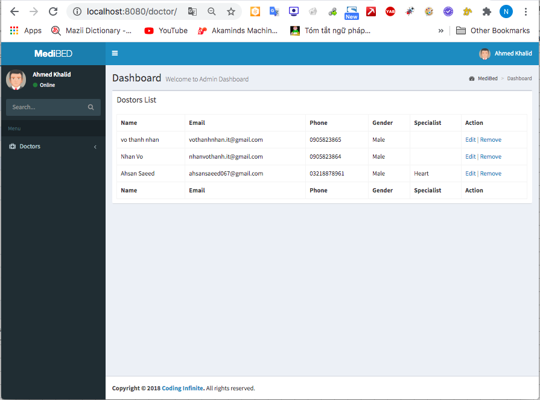

 | 2.4 http://localhost:8080/doctor/update.php?id=3

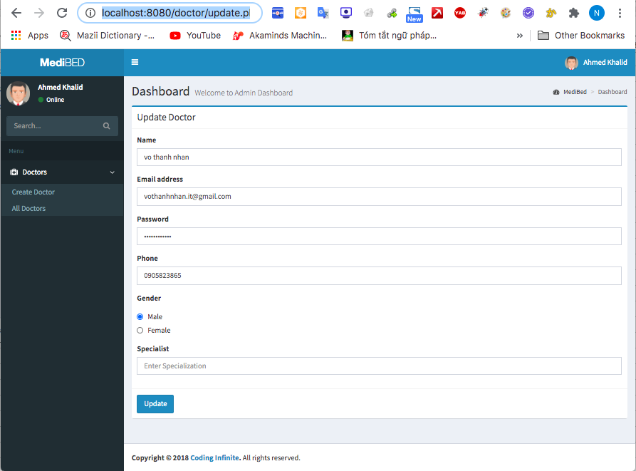

 | 2.5 Remove docter

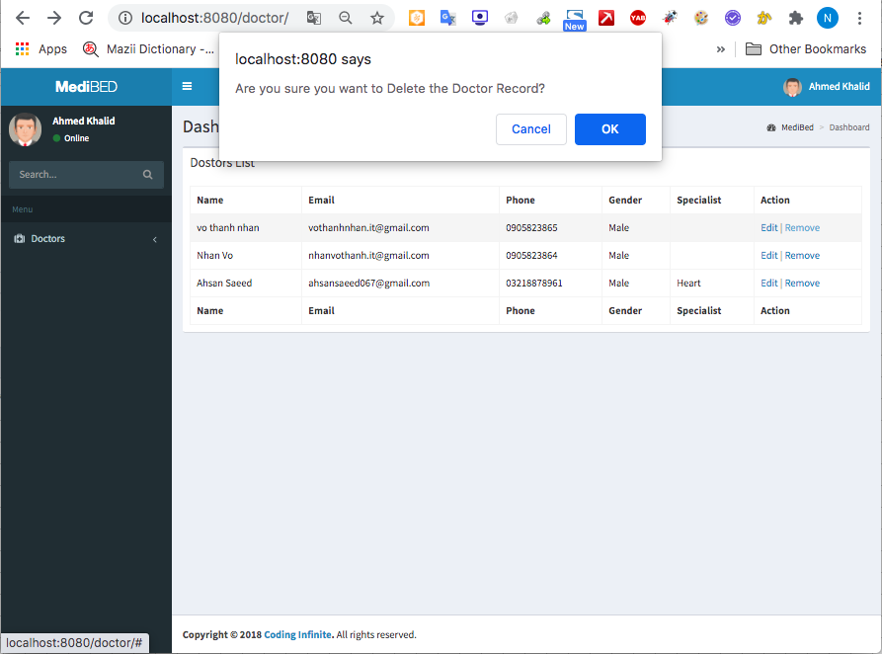

3. Connect mysql by MySQL Workbrench
 | 3.1 Config

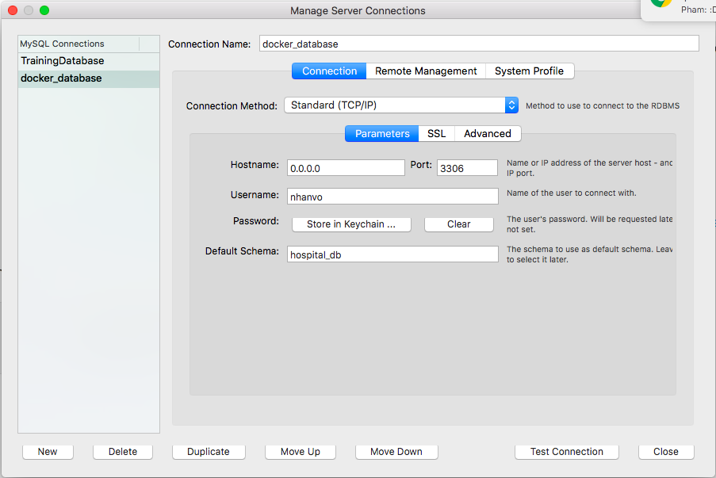

User: nhanvo Pass: nhanvo@123

 | 3.2 Connect

Create Bridge Network
1. Check network before create
 | docker network ls

2. Create bridge network
 | docker network create --driver bridge www-net

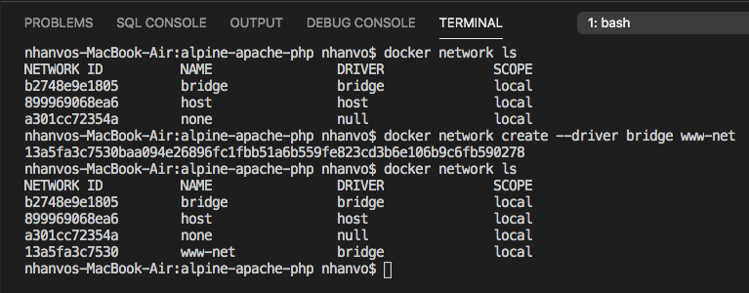

3. Check docker container current connecting to bridge network
 | docker network inspect www-net
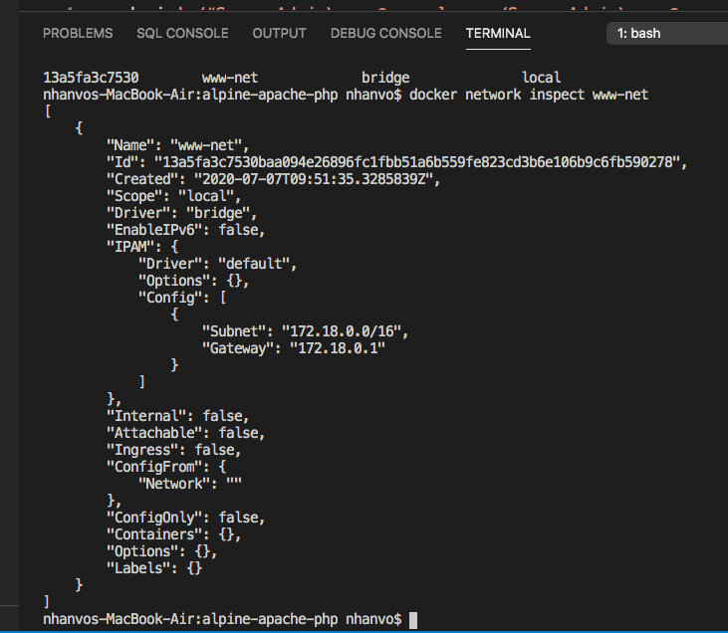

Current, haven't docker container connecting.

Apache_PHP
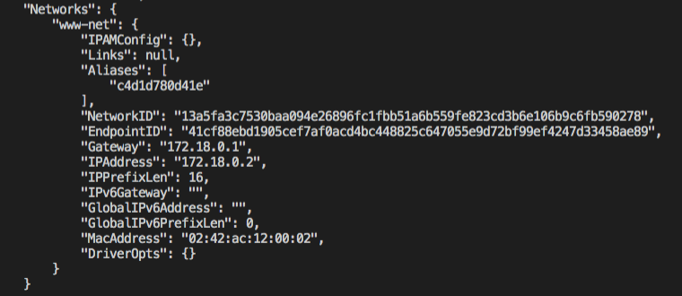
1. Checkout source from GIT
 | GIT: https://github.com/nhanvo/docker_training.git

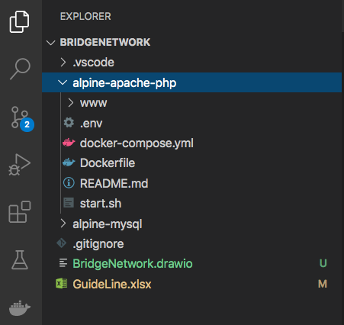

2 Build docker images
 | [docker build -t alpine-apache-php:latest .] hoặc [docker-compose build]

Images was created

3. Create apache, php container
 | [docker run --detach --name alpine-apache-php --hostname docker_training.com --publish 8080:80 --restart always --volume ./www:/htdocs alpine-apache-php:latest] [docker-compose up -d]

container was created

4. Check network
 | docker inspect alpine-apache-php

MySQL
1. Chec source of alpine mysql

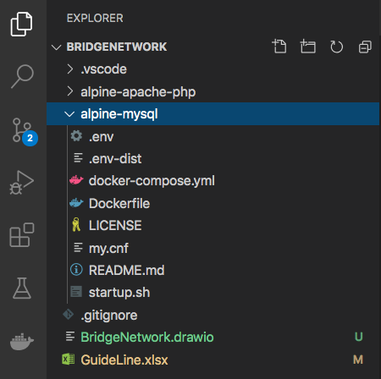

2. Build images from source
 | [docker build -t alpine-mysql:latest .] or [docker-compose build]

3. Check images build successful
 | docker images

4. Build containers
 | [docker run -it --name alpine-mysql -p 3306:3306 alpine-mysql] or [docker-compose up -d]

5. Check network
 | docker inspect alpine-mysql

Normal error
1. Case of can't connect DB then cáue of is IP incorrect, so we need check MySQL server IP and update IP of source PHP
 | 1.1 Check IP of MySQL host
 |  | - Click into CLI icon

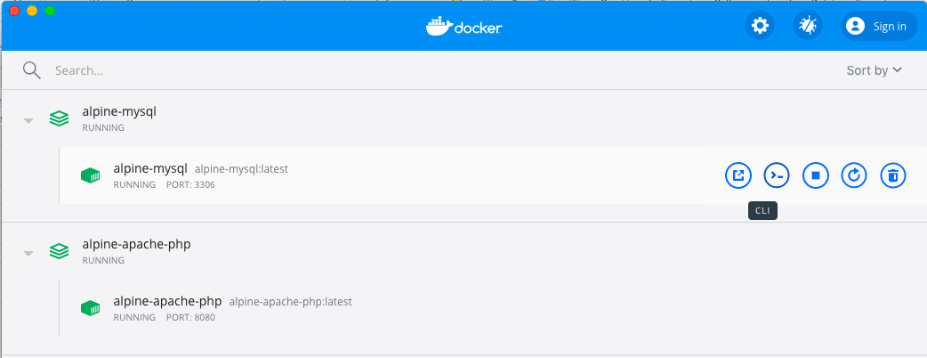

-

 |  | - Access CLI and input command: ifconfig
 |  | - Get IP: 172.25.0.2

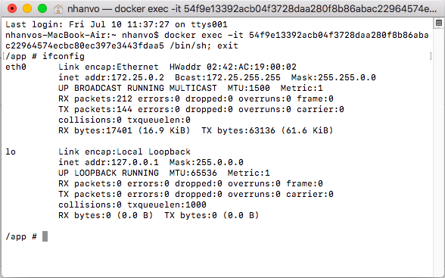

-

 |  | - Update IP for PHP source







