Ovẻview
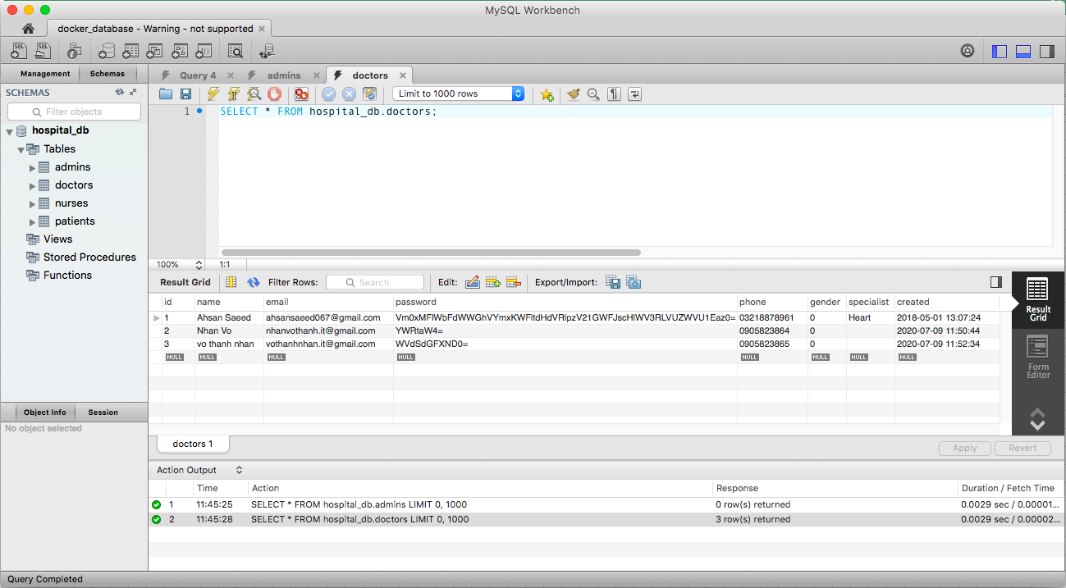
1. Overview about example we will build

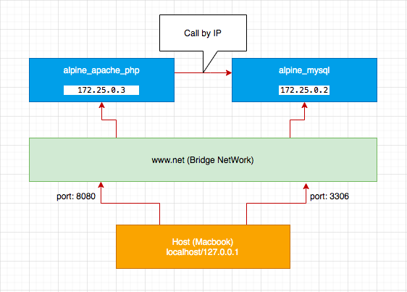

2. When we access server web then display screen same below
 | 2.1 localhost:8080

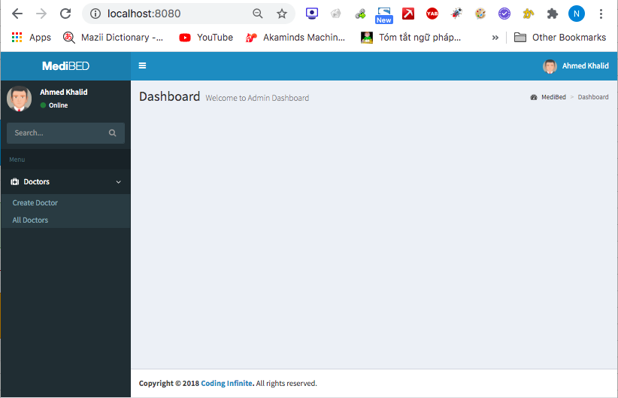

 | 2.2 http://localhost:8080/doctor/create.php

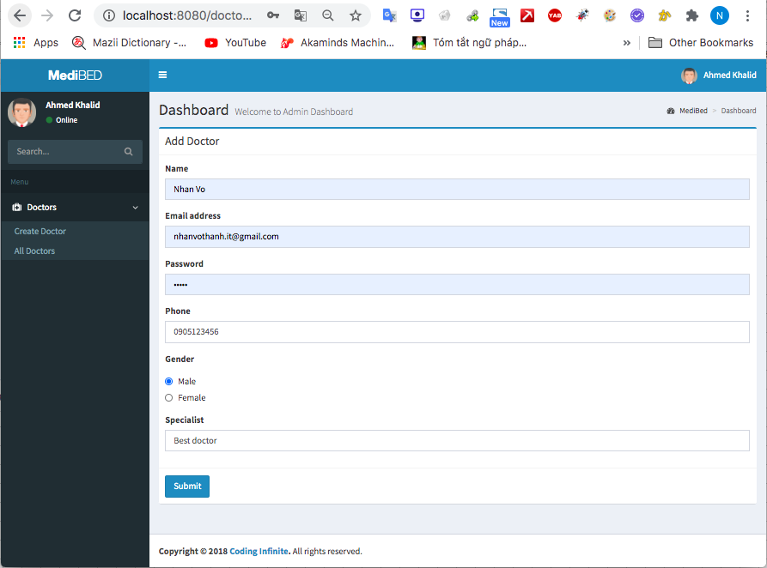

 | 2.3 http://localhost:8080/doctor/

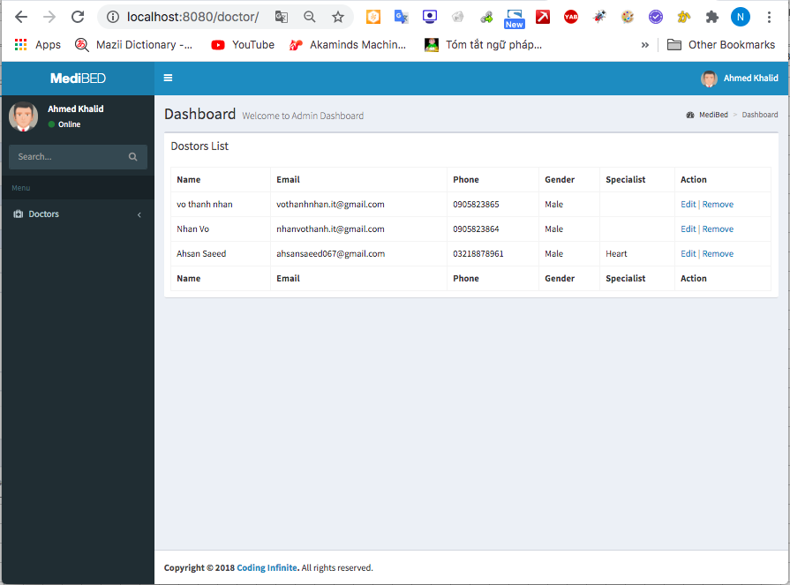

 | 2.4 http://localhost:8080/doctor/update.php?id=3

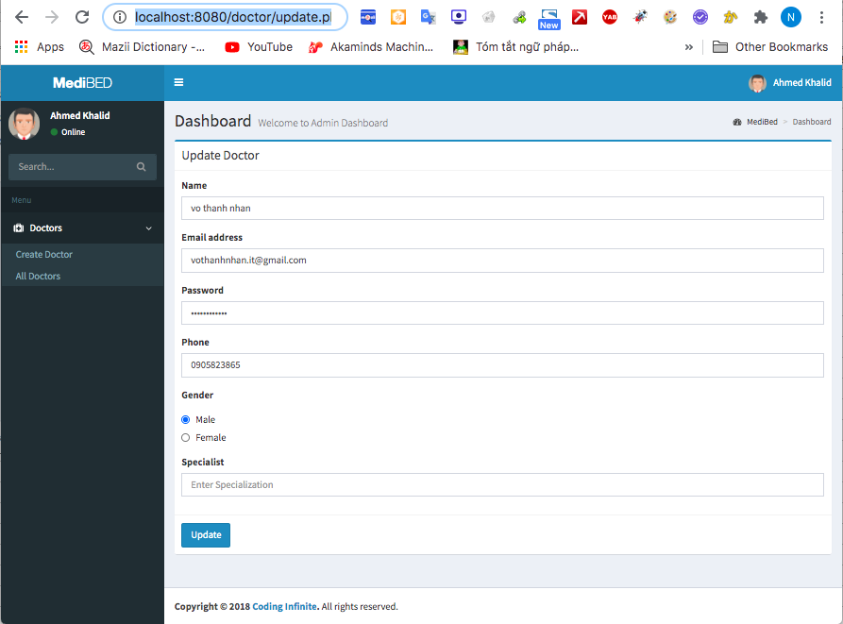

 | 2.5 Remove docter

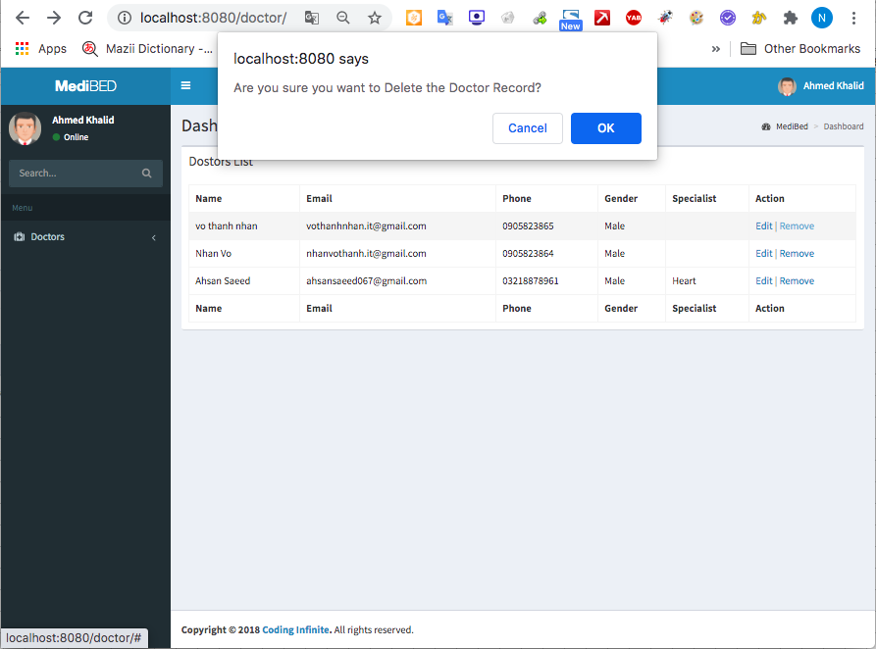

3. Connect mysql by MySQL Workbrench
 | 3.1 Config

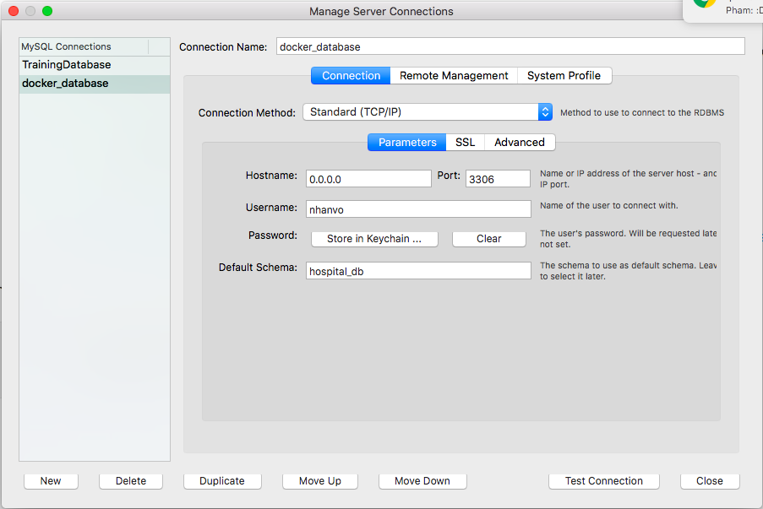

User: nhanvo Pass: nhanvo@123

 | 3.2 Connect

Create Bridge Network
1. Check network before create
 | docker network ls

2. Create bridge network
 | docker network create --driver bridge www-net

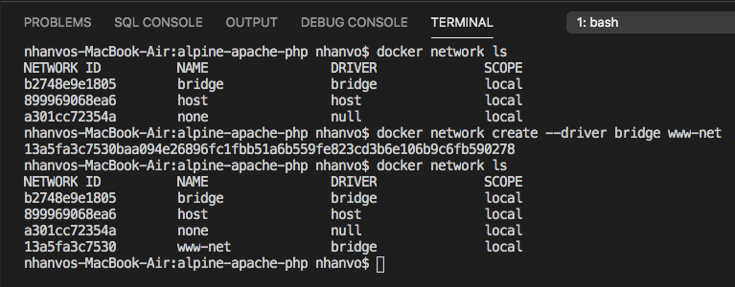

3. Check docker container current connecting to bridge network
 | docker network inspect www-net
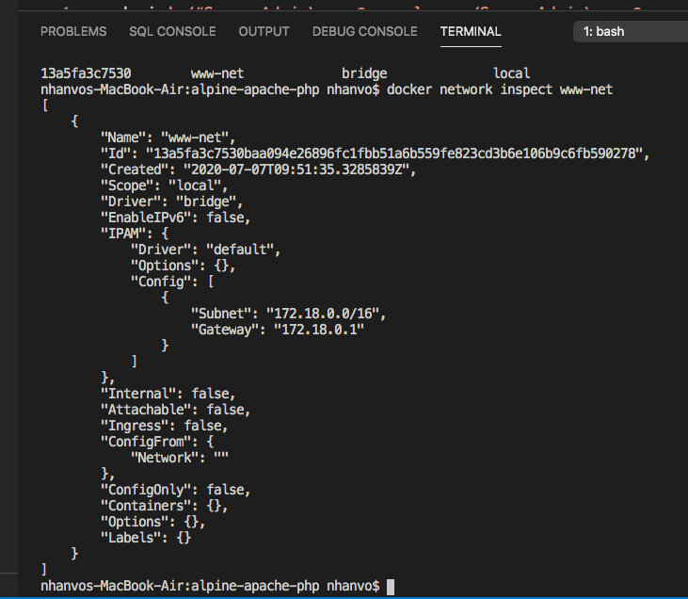

Current, haven't docker container connecting.

Apache_PHP
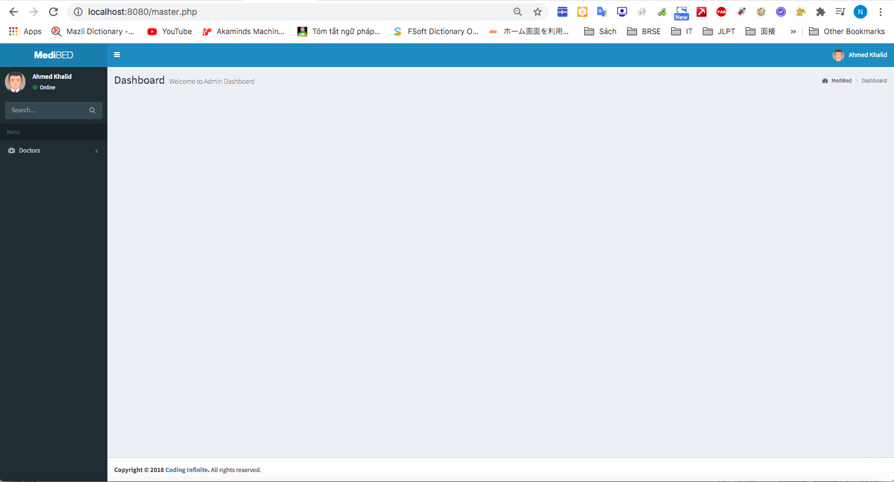
1. Checkout docker file to create apache, php
 | GIT: https://github.com/nhanvo/alpine-apache-php.git

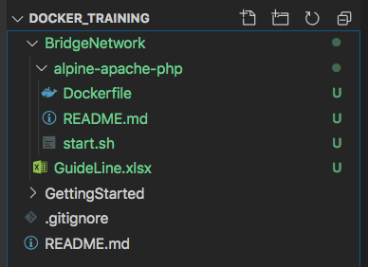

2 Build docker images
 | docker build -t alpine-apache-php:latest .

Images was created

3. Create apache, php container
 | ocker run --detach --name alpine-apache-php --hostname docker_training.com --publish 8080:80 --restart always --volume /Users/nhanvo/Desktop/docker_training/BridgeNetwork/www:/htdocs alpine-apache-php:latest

container was created

4. Set network for containner
 | 4.1 Check before create

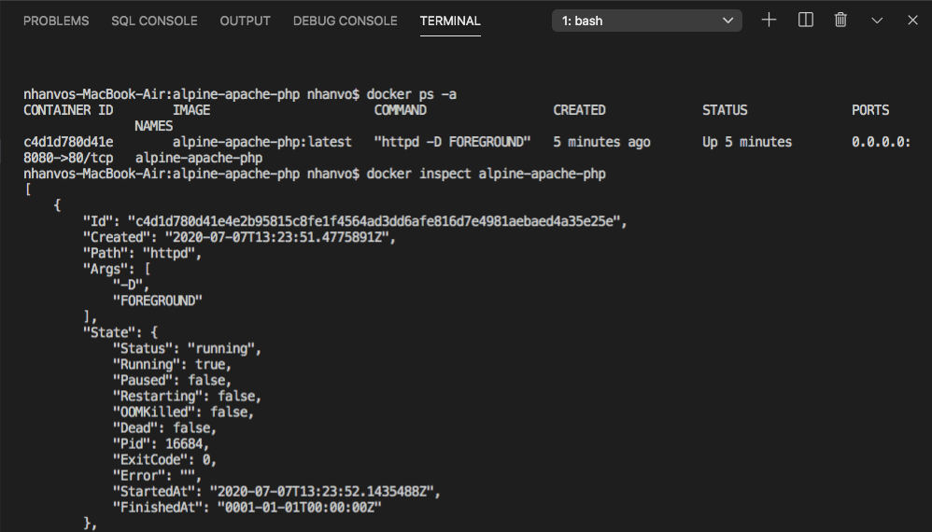
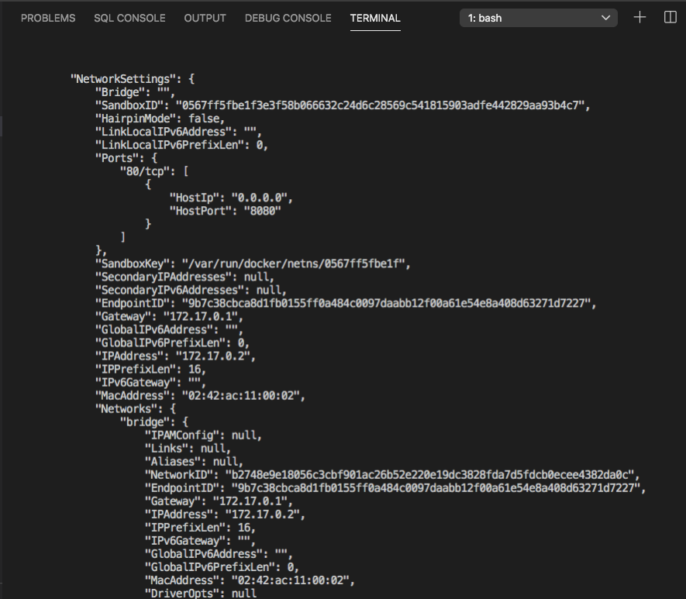

 | 4.1 Set network
 |  | docker network connect www-net alpine-apache-php
 |  | docker inspect alpine-apache-php

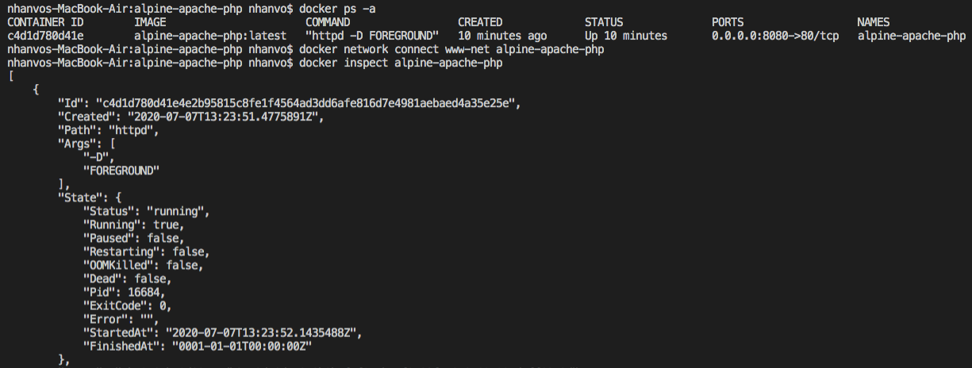

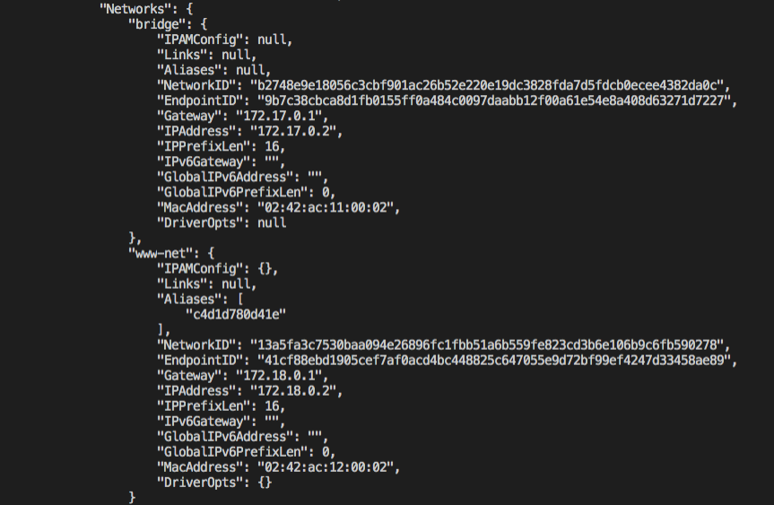

container was created
container was connected to two network

 | 4.5 Disconnect bridge default network
 |  | docker network disconnect bridge alpine-apache-php

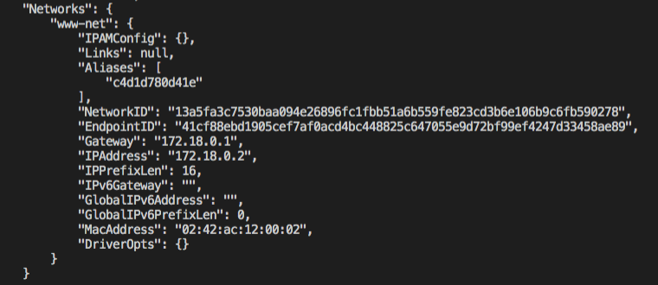
After disconnect bridge network then only www-net network is connecting

 | 4.6 Check connect localhost
 |  | Link: http://localhost:8080/master.php

MySQL
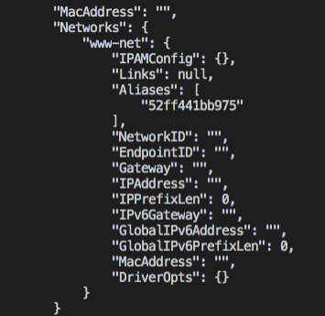
1. Checkout alpine mysql
 | GIT: https://github.com/container-examples/alpine-mysql.git

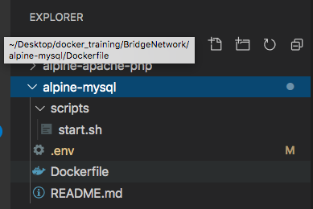

2. Build images from source
 | docker build -t alpine-mysql:latest .

3. Check images build successful
 | docker images

4. Build containers
 | docker run -d --name alpine-mysql -p 3306:3306 --env-file .env alpine-mysql

5. Set network for mysql container
 | docker network connect www-net alpine-mysql
 | docker inspect alpine-mysql

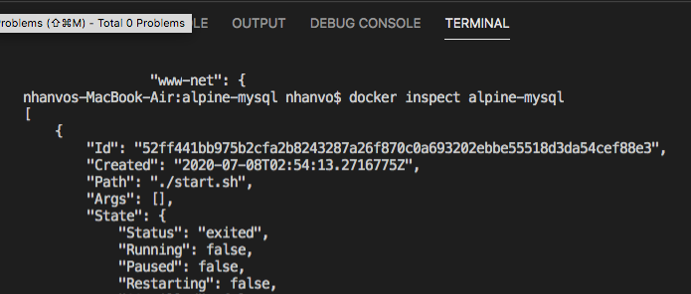
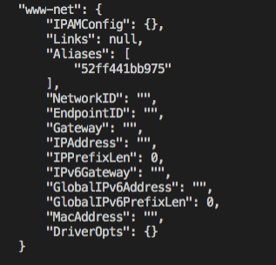

6. Disconnect bridge default network
 | docker network disconnect bridge alpine-mysql

