Normal; 1
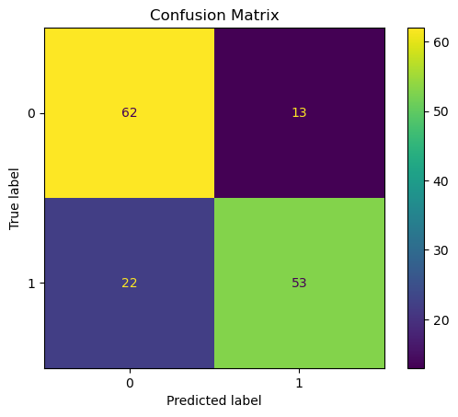
Epoch 1/30
Train Loss: 61.8011 | Accuracy: 0.5043 | Precision: 0.5128 | Recall: 0.1714 | F1: 0.2570
Val Loss: 26.3464 | Accuracy: 0.5000 | Precision: 0.5000 | Recall: 1.0000 | F1: 0.6667
Epoch 2/30
Train Loss: 60.8965 | Accuracy: 0.5343 | Precision: 0.5351 | Recall: 0.5229 | F1: 0.5289 | Test Accuracy: 0.7667, Precision: 0.8030, Recall: 0.7067, F1: 0.7518
Val Loss: 26.5144 | Accuracy: 0.5067 | Precision: 0.5034 | Recall: 1.0000 | F1: 0.6696
Epoch 3/30 |  |  |  |  | prediction label
Train Loss: 61.5406 | Accuracy: 0.5414 | Precision: 0.5391 | Recall: 0.5714 | F1: 0.5548 | 0 False 1.0
Val Loss: 24.8596 | Accuracy: 0.5333 | Precision: 0.5862 | Recall: 0.2267 | F1: 0.3269 | 1 False 0.0
Epoch 4/30 |  |  |  |  | 2 True 0.0
Train Loss: 59.6770 | Accuracy: 0.5857 | Precision: 0.5798 | Recall: 0.6229 | F1: 0.6006 | 3 False 0.0
Val Loss: 24.5190 | Accuracy: 0.6200 | Precision: 0.6125 | Recall: 0.6533 | F1: 0.6323 | 4 True 0.0
Epoch 5/30
Train Loss: 60.3517 | Accuracy: 0.5729 | Precision: 0.5676 | Recall: 0.6114 | F1: 0.5887
Val Loss: 28.3629 | Accuracy: 0.5000 | Precision: 0.5000 | Recall: 1.0000 | F1: 0.6667
Epoch 6/30
Train Loss: 61.7811 | Accuracy: 0.5829 | Precision: 0.5780 | Recall: 0.6143 | F1: 0.5956
Val Loss: 26.8945 | Accuracy: 0.5067 | Precision: 0.5034 | Recall: 1.0000 | F1: 0.6696
Epoch 7/30
Train Loss: 60.2949 | Accuracy: 0.5800 | Precision: 0.5761 | Recall: 0.6057 | F1: 0.5905
Val Loss: 27.6618 | Accuracy: 0.5200 | Precision: 0.5102 | Recall: 1.0000 | F1: 0.6757
Epoch 8/30
Train Loss: 59.2824 | Accuracy: 0.6086 | Precision: 0.6011 | Recall: 0.6457 | F1: 0.6226
Val Loss: 24.1119 | Accuracy: 0.6333 | Precision: 0.5862 | Recall: 0.9067 | F1: 0.7120
Epoch 9/30
Train Loss: 58.5140 | Accuracy: 0.5986 | Precision: 0.5839 | Recall: 0.6857 | F1: 0.6307
Val Loss: 24.8610 | Accuracy: 0.6333 | Precision: 0.5877 | Recall: 0.8933 | F1: 0.7090
Epoch 10/30
Train Loss: 56.6167 | Accuracy: 0.6357 | Precision: 0.6196 | Recall: 0.7029 | F1: 0.6586
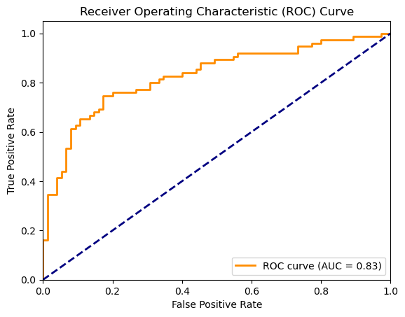
Val Loss: 23.3751 | Accuracy: 0.6933 | Precision: 0.6986 | Recall: 0.6800 | F1: 0.6892
Epoch 11/30
Train Loss: 56.2643 | Accuracy: 0.6114 | Precision: 0.6037 | Recall: 0.6486 | F1: 0.6253
Val Loss: 24.5791 | Accuracy: 0.6467 | Precision: 0.6000 | Recall: 0.8800 | F1: 0.7135
Epoch 12/30
Train Loss: 56.2153 | Accuracy: 0.6214 | Precision: 0.6139 | Recall: 0.6543 | F1: 0.6335
Val Loss: 24.3816 | Accuracy: 0.5933 | Precision: 0.5574 | Recall: 0.9067 | F1: 0.6904
Epoch 13/30
Train Loss: 56.5206 | Accuracy: 0.6457 | Precision: 0.6288 | Recall: 0.7114 | F1: 0.6676
Val Loss: 25.0495 | Accuracy: 0.5733 | Precision: 0.7895 | Recall: 0.2000 | F1: 0.3191
Epoch 14/30
Train Loss: 55.3774 | Accuracy: 0.6629 | Precision: 0.6541 | Recall: 0.6914 | F1: 0.6722
Val Loss: 26.9212 | Accuracy: 0.5200 | Precision: 0.5102 | Recall: 1.0000 | F1: 0.6757
Epoch 15/30
Train Loss: 54.9449 | Accuracy: 0.6686 | Precision: 0.6513 | Recall: 0.7257 | F1: 0.6865
Val Loss: 24.4368 | Accuracy: 0.6133 | Precision: 0.5752 | Recall: 0.8667 | F1: 0.6915
Epoch 16/30
Train Loss: 52.1124 | Accuracy: 0.7029 | Precision: 0.6961 | Recall: 0.7200 | F1: 0.7079
Val Loss: 24.0682 | Accuracy: 0.6667 | Precision: 0.6923 | Recall: 0.6000 | F1: 0.6429
Epoch 17/30
Train Loss: 54.0157 | Accuracy: 0.6771 | Precision: 0.6742 | Recall: 0.6857 | F1: 0.6799
Val Loss: 23.1872 | Accuracy: 0.7000 | Precision: 0.6829 | Recall: 0.7467 | F1: 0.7134
Epoch 18/30
Train Loss: 52.8950 | Accuracy: 0.7000 | Precision: 0.7023 | Recall: 0.6943 | F1: 0.6983
Val Loss: 23.0599 | Accuracy: 0.7000 | Precision: 0.6786 | Recall: 0.7600 | F1: 0.7170
Epoch 19/30
Train Loss: 51.1215 | Accuracy: 0.7029 | Precision: 0.6994 | Recall: 0.7114 | F1: 0.7054
Val Loss: 24.2580 | Accuracy: 0.6467 | Precision: 0.7619 | Recall: 0.4267 | F1: 0.5470
Epoch 20/30
Train Loss: 50.6101 | Accuracy: 0.6871 | Precision: 0.6756 | Recall: 0.7200 | F1: 0.6971
Val Loss: 22.4674 | Accuracy: 0.7133 | Precision: 0.7759 | Recall: 0.6000 | F1: 0.6767
Epoch 21/30
Train Loss: 49.3747 | Accuracy: 0.7171 | Precision: 0.7184 | Recall: 0.7143 | F1: 0.7163
Val Loss: 23.3966 | Accuracy: 0.6533 | Precision: 0.6949 | Recall: 0.5467 | F1: 0.6119
Epoch 22/30
Train Loss: 51.0301 | Accuracy: 0.7186 | Precision: 0.7179 | Recall: 0.7200 | F1: 0.7190
Val Loss: 22.0113 | Accuracy: 0.6867 | Precision: 0.7333 | Recall: 0.5867 | F1: 0.6519
Epoch 23/30
Train Loss: 48.4623 | Accuracy: 0.7214 | Precision: 0.7273 | Recall: 0.7086 | F1: 0.7178
Val Loss: 21.8813 | Accuracy: 0.7000 | Precision: 0.7083 | Recall: 0.6800 | F1: 0.6939
Epoch 24/30
Train Loss: 46.9778 | Accuracy: 0.7543 | Precision: 0.7633 | Recall: 0.7371 | F1: 0.7500
Val Loss: 21.4355 | Accuracy: 0.7067 | Precision: 0.7460 | Recall: 0.6267 | F1: 0.6812
Epoch 25/30
Train Loss: 46.0060 | Accuracy: 0.7486 | Precision: 0.7458 | Recall: 0.7543 | F1: 0.7500
Val Loss: 21.7589 | Accuracy: 0.6933 | Precision: 0.7843 | Recall: 0.5333 | F1: 0.6349
Epoch 26/30
Train Loss: 46.1351 | Accuracy: 0.7429 | Precision: 0.7485 | Recall: 0.7314 | F1: 0.7399
Val Loss: 21.2910 | Accuracy: 0.7333 | Precision: 0.7397 | Recall: 0.7200 | F1: 0.7297
Epoch 27/30
Train Loss: 45.9994 | Accuracy: 0.7600 | Precision: 0.7615 | Recall: 0.7571 | F1: 0.7593
Val Loss: 21.9570 | Accuracy: 0.7200 | Precision: 0.7797 | Recall: 0.6133 | F1: 0.6866
Epoch 28/30
Train Loss: 47.2525 | Accuracy: 0.7443 | Precision: 0.7450 | Recall: 0.7429 | F1: 0.7439
Val Loss: 22.3344 | Accuracy: 0.6800 | Precision: 0.7872 | Recall: 0.4933 | F1: 0.6066
Epoch 29/30
Train Loss: 46.1541 | Accuracy: 0.7629 | Precision: 0.7460 | Recall: 0.7971 | F1: 0.7707
Val Loss: 21.3914 | Accuracy: 0.7333 | Precision: 0.7869 | Recall: 0.6400 | F1: 0.7059
Epoch 30/30
Train Loss: 46.5322 | Accuracy: 0.7543 | Precision: 0.7486 | Recall: 0.7657 | F1: 0.7571
Val Loss: 21.0811 | Accuracy: 0.7400 | Precision: 0.7903 | Recall: 0.6533 | F1: 0.7153

<Figure size 640x480 with 2 Axes>
<Figure size 640x480 with 1 Axes>

