Plant Description
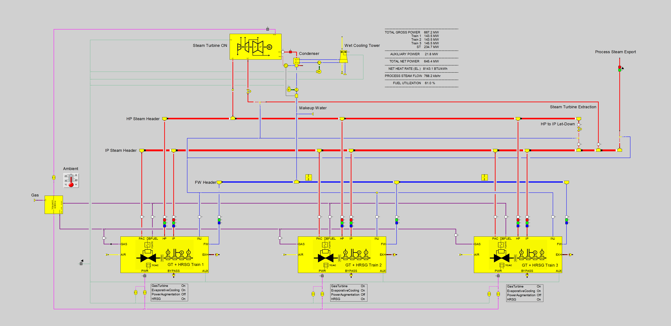
Topic | Description
Combined Cycle Power Plant | A combined cycyle power plant uses one or several gas turbines and steam turbines for power generation. The hot exhaust gas from the gas turbines is used to raise steam in heat recovery steam generator. This high-pressure (HP) is sent to a steam turbine from which it exits either into an extraction or the steam condenser. The overall net power output from a combined cycle power plant is the sum of all generator outputs ('gross power' from GTs and STs) minus the auxiliary loads of the plant which is the electrical energy needed for driving pumps, compressors, cooling tower fans and other sub-systems of the plant.
Gas Turbine | A gas turbine (GT) is a turbomachinery that drives an electric generator with a power cycle consisting of compression of the inlet air that is sucked in from the ambient, combustion with a gaseous or liquid fuel, and expansion of the hot combustion products in a turbo-expander. The hot exhaust gas may be released to the ambient ('simple cycle plant plant') or lead to a heat recovery steam generator to drive a water-steam power cycle ('cpmbined cycle power plant').
Heat Recovery Steam Generator | A heat recovery steam generator (HRSG) is a duct equipped with a sequence of heat exchanger surfaces that heat up, evaporate and superheat the feedwater at one or several pressure levels. The hot exhaust gas from the gas turbine serves as the primary source of energy for the HRSG, but additional heat may be injected through a duct burner (DB) .
Steam Turbine | A steam turbine (ST) is a turbomachinery which expands steam that enters at high pressure and high tremperature via a sequence of fixed and rotating blades. The rotating turbine shaft drives an electric generator. At the back-end of the steam turbine, the exiting steam must be liquified at low pressure in a cendenser, and the condensate is pumped back to serve as feedwater to the heat recovery steam generator.
Steam Extraction | A steam extraction is a side-stream of the steam flow through an ST that is taken off at intermediate pressure and temperature. In combined cycle power plants extraction steam is typically used as process steam in industrial applications.
Steam Header | A steam header is a system of piping used to collect and distribute steam to and from various subsystems of a plant.
Feedwater Header | A feedwater header distributes the incoming streams of condensate and make-up water to the HRSGs and other destinations.
Steam Let-Down | Steam is converted from a higher to a lower pressure level in a let-down station. In addition to valves, a let-down station typically includes attemporators which control the temperatiure of the exitibg steam to the desired level by injecting liquid water.
Condenser | A condenser used a stream of cold water to condense the incoming steam. The larger the cooling duty it can produce (e.g. the lower the inlet temperature of the fixed cooling water flow), the lower will be equilibrium pressure established inside the condenser and at the back-enbd of the steam turbine upstream of the condenser.
Wet Cooling Tower | In a (forced draft) wet cooling tower, ambient air is moved upwards in counterflow against the flow of warm water trickling down through a packing in a compartment (called bay) equipped with an air fan below or above . Since part of the warm water evaporates in contact with the air, the remaining water flow is cooled. Large power plants typically have cooling towers consisting of multiple bays (e.g. 12 cooling towers bays in our demo plant), and the number of fans in operation may be adjusted to the load of the steam turbine, because there is a trade-off between the additional ST power at lower back-pressure versus the auxiliary power demand of the fans. Water losses to the ambient must be compensated with make-up water.
Process Steam | Process steam serves as energy source for industrial processes (e.g. heaters, reactors or distillation columns) or in municipal district heating or cooling systems.
Cogeneration | Cogeneration or combined heat and power (CHP) processes use equipment that generates electric power and useful heat at the same time.
Heat Rate | Heat rate is used as a key performance indicator in power generation to measure the fuel efficiency of the process. It is calculated as the ratio of the net power output and the fuel energy input into the process. Since fuel heating value is defined in BTU/lb (or kJ/kg), and power production in kWh, heat rate is typically defined in the unit BTU/kWh (or kJ/kWh). Modern combined cycle power plants operate in the range of 50 to 60% fuel efficiency which corresponds to a heate rate range of 7596 to 6330 BTU/kWh (7200 to 6000 kJ/kWh).
Fuel Utilization | Fuel Utilization is the KPI for process performance in cogeneration applications. It is calculated as the sum of net power output and useful heat supply relative to the fuel energy input into the process.
Evaporative Cooling | The amount of inlet air that can be processed in a gas turbine is increasing with higher density of the air, because the GT compressor is a volumetric machine. Thus, the colder the inlet air, the more power can be produced. On a hot and dry day, the inlet air can be cooled significantly, if water is evaporated in a chiller upstream of the compressor inlet.
Power Augmentation | In addition to compresssed air and fuel, intermediate presssure steam can be injected into the GT combustor to increase the power output of the GT beyond base load capacity. Since the steam used in Power Augmentation Control (PAC) operating mode of the GT comes at a price (i.e. IP steam is lost to the ambient and must be compensated with de-mineralized make-up water), this mode is typically only chosen in times of high electricity demand (and respective high price).
EBSILON®Professional | EBSILON is a commercial grade heat balance software used by OEM, engineering companies, utilities and academic research globally to perform design and off-design analysis of power systems. For more details, please visit www.ebsilon.com
Demo Plant | The demo plant for the CalTech AI gym shown in the screenshot of the EBSILON simulation model is a combined cycle cogeneration plant consisting of three trains of GT + HRSG and one steam turbine with forced draft 12-bay wet cooling tower. While similar to existing plants, it is based on theoretical performance characteristics mainly derived from publicly available vendor information (supplied through the ENEXSA Gas Turbine Library for EBSILON) and EBSILON default equipment characteristics. In the HRSGs, steam is generated at high-pressure (HP) and intermediate-pressure (IP) levels and collected in respective steam headers. The process steam to the industrail customer is exported from the IP steam header which also supplies the steam for power augmentation (PAC) to the three gas turbines. The steam of the HP steam header is either fed into the steam turbine, or transformed to IP steam conditions through a let-down station. Two of the three gas turbines are identical in performance (Trains 1 and 2) while Train 3 is assumed to use newer GT technology with more output and better heat rate. All HRSGs are equipped with duct burners to raise additional steam to meet the steam demand for process steam export and/or power generation.
ENEXSA FastEBS Technology | Using the detailed plant EBSILON simulation model of the plant and performing millions of calculations, ENEXSA maps the entire operating space of the plant in all possible equipment configurations. With Machine Learning, these data are transformed to NN-models that exactly match the results of the physics-based model. The ONNX Demo Power Plant is thus the exact digital twin of the physics-based EBSILON simulation model of the plant, but more than four orders of magnitude faster due to the use of FastEBS. For more details, please visit https://www.youtube.com/watch?v=hYHnJLXfwno
Using the ONNX Demo Power Plant | In order to meet the target process steam export flow and target power output (or alternatively maximize profit by finding the target power output depending on the electricity price), one must set the input variables no. 4 to 18 listed in the sheet "I_O_Variables" of this workbook to appropriate values. Ambient conditions (inputs no. 1-3 in this sheet) are externally given fixed inputs for the specific case (e.g. the period of the day under consideration). Variables no. 19 to 31 are outputs describing the effects of the chosen input values for the controlable parameters. Plant Process Steam Export Flow (no. 20) and Plant Net Power Output (no. 19) are the target values of the calculation, for instance in an optimization task to minimize Overall Plant Fuel Consumption (no. 21). Variables no. 32 to 47 concern boundary conditions which must be met, and they concern minimum and maximum values of GT output and HRSG steam production, as well as the operating limits of the steam turbine (no. 44-47). The selected input for Steam Turbine Generator Output (no. 16) has a lower limit when the Maximum ST Extraction Flow (no. 47) is reached, and it must not exceed the power output at Minimum Extraction Flow (no. 46). It is important to note that maximum value for the Steam Flow through the Condenser (no.17, a negative number!) is limited by both the Operating Limit at Minimum Let-Down Flow (no. 44) as well as the Operating Limit at Maximum Let-Down Flow (no. 45). No minimum boundary value applies for Steam Flow through the Condenser (no.17), but due to the inherent physics of the model, excessive negative numbers for this input will trigger a violation on the lower power limit defined in the Maximum ST Extraction flow value (no. 46).

