Sheet1
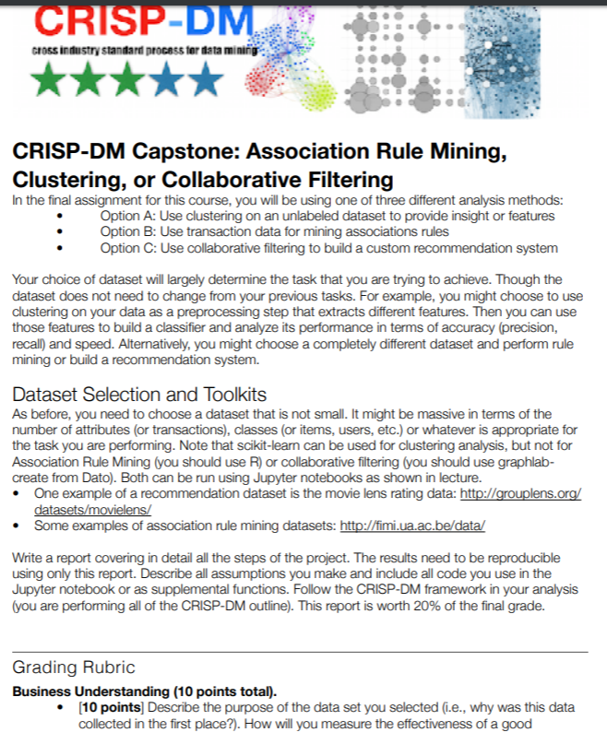
 |  |  |  |  | (A - Accountable, C- Contribute, R - Review)
No | Task Name | Start Date | End Date | % Completion | Rajat | Tanvi | James | Nicol | Kumar
1 | Dataset Finalization | 2019-03-23 | 2019-03-24 | 100 | C | C | C | C | C
2 | Choose the option (Clustering or Association Rule Mining or Collaborative Mining) | 2019-03-24 | 2019-03-24 | 100
3 | Review CRISP DM Framework | 2019-03-24 | 2019-03-24 | 100
4 | Identify CRISP DM Outline to follow in the project | 2019-03-24 | 2019-03-24 | 100
5 | Business Understanding Writeup | 2019-03-28 | 2019-03-30 | 80 | R | R | R | A | C
6 | Data Understanding 1 Writeup | 2019-03-28 | 2019-03-30 |  | R | R | R | A | C
7 | Data Understanding 2 Writeup | 2019-03-28 | 2019-03-30 |  | R | R | R | A | C
8 | EDA | 2019-03-24 | 2019-03-30 | 100 | A | C | C | R | R
9 | Data Cleanup | 2019-03-24 | 2019-03-30 | 100 | A | C | C | R | R
10 | Data Visualization | 2019-03-24 | 2019-03-30 | 100 | A | C | C | R | R
11 | Finalize the dataframe for modelling | 2019-03-24 | 2019-03-30 | 100 | A | C | C | R | R
12 | Check-in the code for data set / data frame | 2019-03-24 | 2019-03-30 | 100 | A | C | C | R | R
13 | Finalize validation strategy for the models
14 | Finalize the metirc for model performance
16 | Explore methodology for model
17 | Review methodology with the team
18 | Train and adjust parameters for model
19 | Evaluate and finalize the hyperparameters (if applicable)
20 | Fit the model
21 | Visualization
22 | Check-in preliminary code
23 | Review the results with the team
24 | Run prediction (if applicable)
25 | Check-in final code
26 | Write up for Modelling and evaluation 1
27 | Write up for Modelling and evaluation 2
28 | Write up for Modelling and evaluation 3
29 | Write up for Modelling and evaluation 4
30 | Review write up for all Modelling and evaluation
31 | Finalize write up for all Modelling and evaluation
32 | Check-in final notebook for model
33 | Deloyment writepup
34 | Review of deployment write up
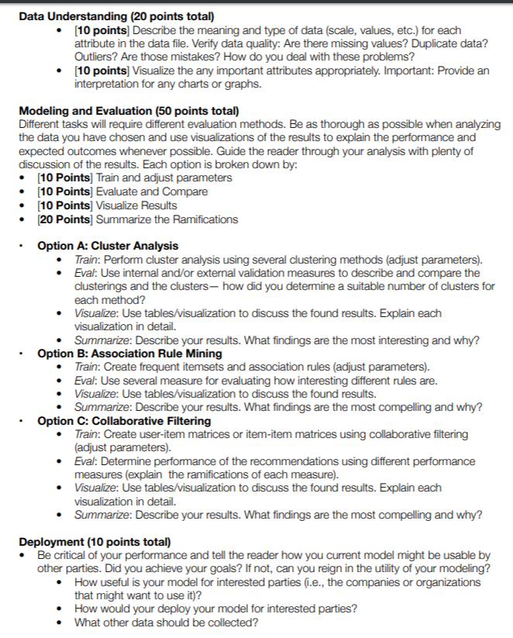
35 | Finalize deployment write up
36 | Initial notebook merge
37 | Prepare final submission notebook
38 | Review final submission notebook
39 | Submission

