Sheet1
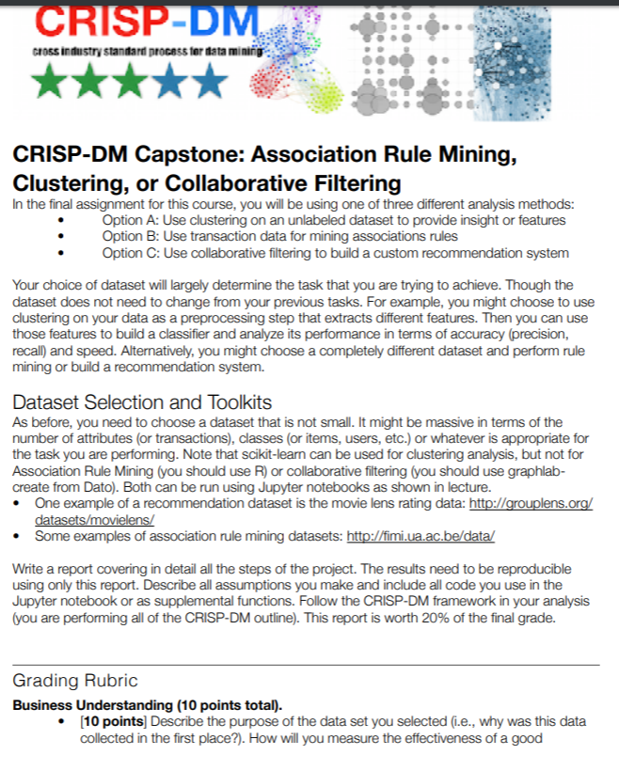
 |  |  |  |  | (A - Accountable, C- Contribute, R - Review)
No | Task Name | Start Date | End Date | % Completion | Rajat | Tanvi | James | Nicol | Kumar
1 | Dataset Finalization | 2019-03-23 | 2019-03-24 | 100 | C | C | C | C | C
2 | Choose the option (Clustering or Association Rule Mining or Collaborative Mining) | 2019-03-24 | 2019-03-24 | 100
3 | Review CRISP DM Framework | 2019-03-24 | 2019-03-24 | 100
4 | Identify CRISP DM Outline to follow in the project | 2019-03-24 | 2019-03-24 | 100
5 | Business Understanding Writeup | 2019-03-28 | 2019-04-06 | 80 | R | R | R | A | C
6 | Data Understanding 1 Writeup | 2019-03-28 | 2019-04-06 |  | R | R | R | A | C
7 | Data Understanding 2 Writeup | 2019-03-28 | 2019-04-06 |  | R | R | R | A | C
8 | EDA | 2019-03-24 | 2019-03-30 | 100 | A | C | C | R | R
9 | Data Cleanup | 2019-03-24 | 2019-03-30 | 100 | A | C | C | R | R
10 | Data Visualization | 2019-03-24 | 2019-03-30 | 100 | A | C | C | R | R
11 | Finalize the dataframe for modelling | 2019-03-24 | 2019-03-30 | 100 | A | C | C | R | R
12 | Check-in the code for data set / data frame | 2019-03-24 | 2019-03-30 | 100 | A | C | C | R | R
13 | Finalize validation strategy for the models | 2019-03-24 | 2019-03-31 | 100
14 | Finalize the metirc for model performance | 2019-03-31 | 2019-04-06 |  | C | C | C | C | C
15 | Use Clustering to improve classification Accuracy | 2019-03-31 | 2019-04-06 |  | A | R | R | R | R
 | K-Means
16 | Explore methodology for model | 2019-03-31 | 2019-04-06 |  | R | R | R | A | R
17 | Review methodology with the team | 2019-03-31 | 2019-04-06 |  | R | R | R | A | R
18 | Train and adjust parameters for model | 2019-03-31 | 2019-04-06 |  | R | R | R | A | R
19 | Evaluate and finalize the hyperparameters (if applicable) | 2019-03-31 | 2019-04-06 |  | R | R | R | A | R
 | Agglomerative hierarchical clustering
20 | Explore methodology for model | 2019-03-31 | 2019-04-06 |  | R | A | R | R | R
21 | Review methodology with the team | 2019-03-31 | 2019-04-06 |  | R | A | R | R | R
22 | Train and adjust parameters for model | 2019-03-31 | 2019-04-06 |  | R | A | R | R | R
23 | Evaluate and finalize the hyperparameters (if applicable) | 2019-03-31 | 2019-04-06 |  | R | A | R | R | R
 | DB Scan
24 | Explore methodology for model | 2019-03-31 | 2019-04-06 |  | R | R | A | R | R
25 | Review methodology with the team | 2019-03-31 | 2019-04-06 |  | R | R | A | R | R
26 | Train and adjust parameters for model | 2019-03-31 | 2019-04-06 |  | R | R | A | R | R
27 | Evaluate and finalize the hyperparameters (if applicable) | 2019-03-31 | 2019-04-06 |  | R | R | A | R | R
 | Gaussian Mixture
28 | Explore methodology for model
29 | Review methodology with the team
30 | Train and adjust parameters for model
31 | Evaluate and finalize the hyperparameters (if applicable)
32 | Visualization
33 | Check-in preliminary code
34 | Review the results with the team
35 | Run prediction (if applicable)
36 | Check-in final code
37 | Write up for Modelling and evaluation 1
38 | Write up for Modelling and evaluation 2
39 | Write up for Modelling and evaluation 3
40 | Write up for Modelling and evaluation 4
41 | Review write up for all Modelling and evaluation
42 | Finalize write up for all Modelling and evaluation
43 | Check-in final notebook for model
44 | Deloyment writepup
45 | Review of deployment write up
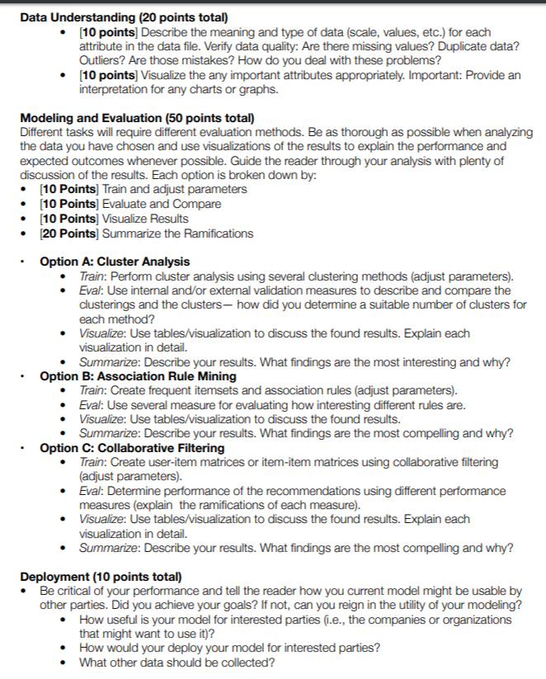
46 | Finalize deployment write up
47 | Initial notebook merge
48 | Prepare final submission notebook
49 | Review final submission notebook |  | 2019-04-13
50 | Submission |  | 2019-04-14

