Sheet2
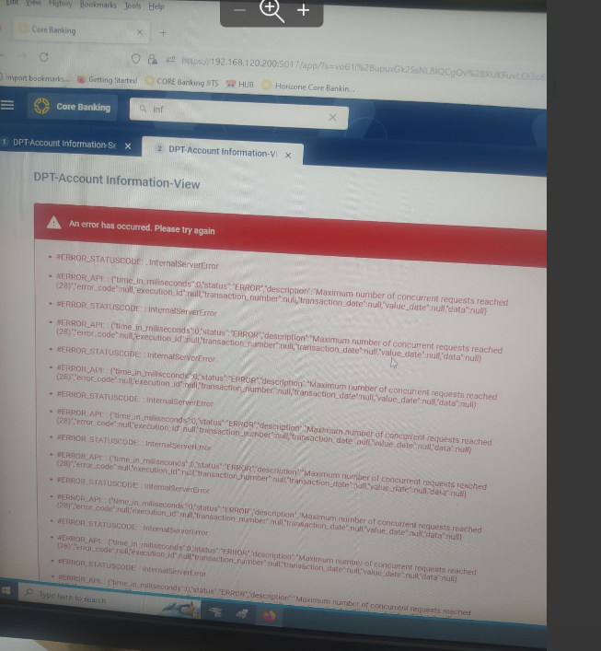
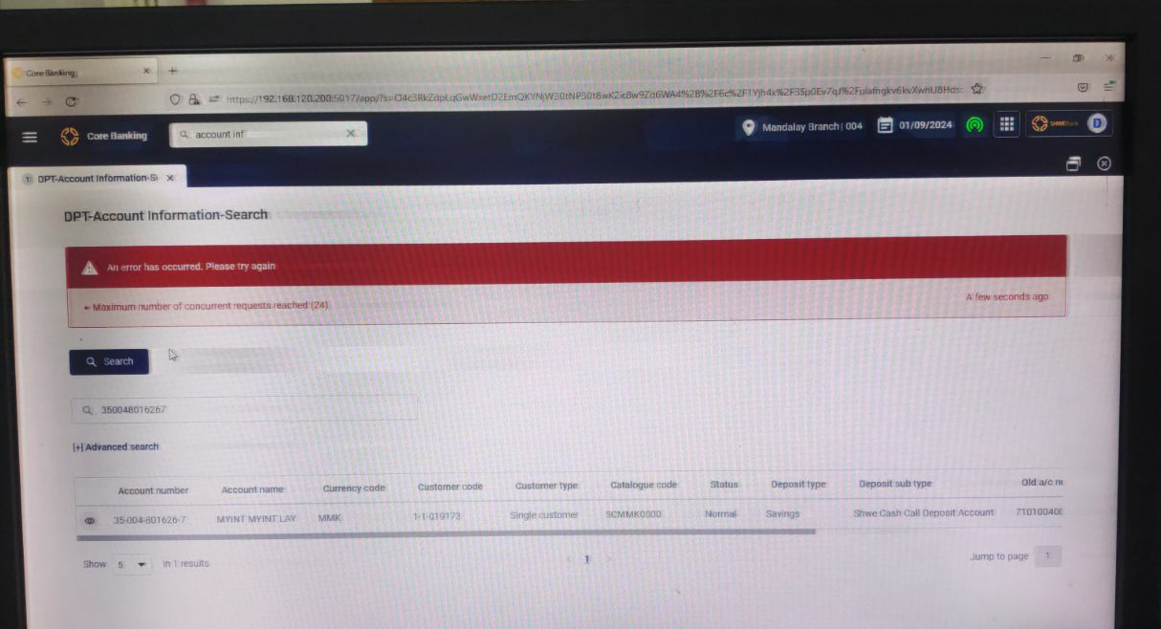
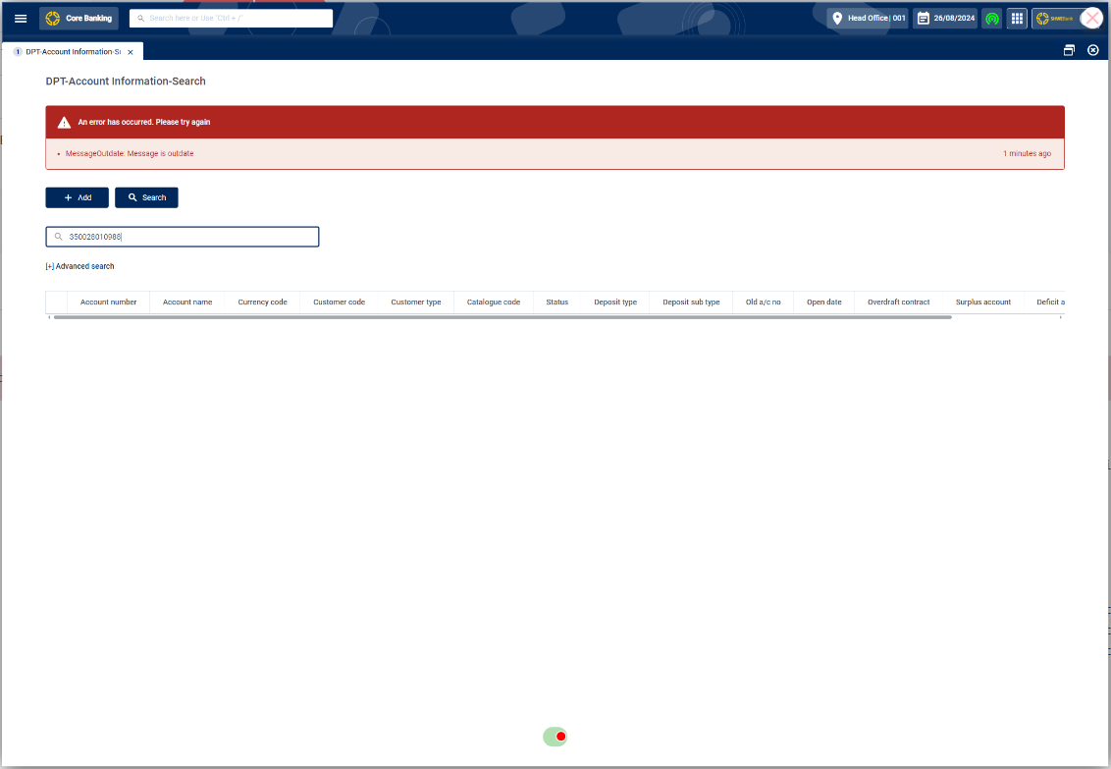

https://27.3.1.117:5001/swagger/index.html
https://27.3.1.117:5001/api/cache/inspect-cache

