IRE Enrichment
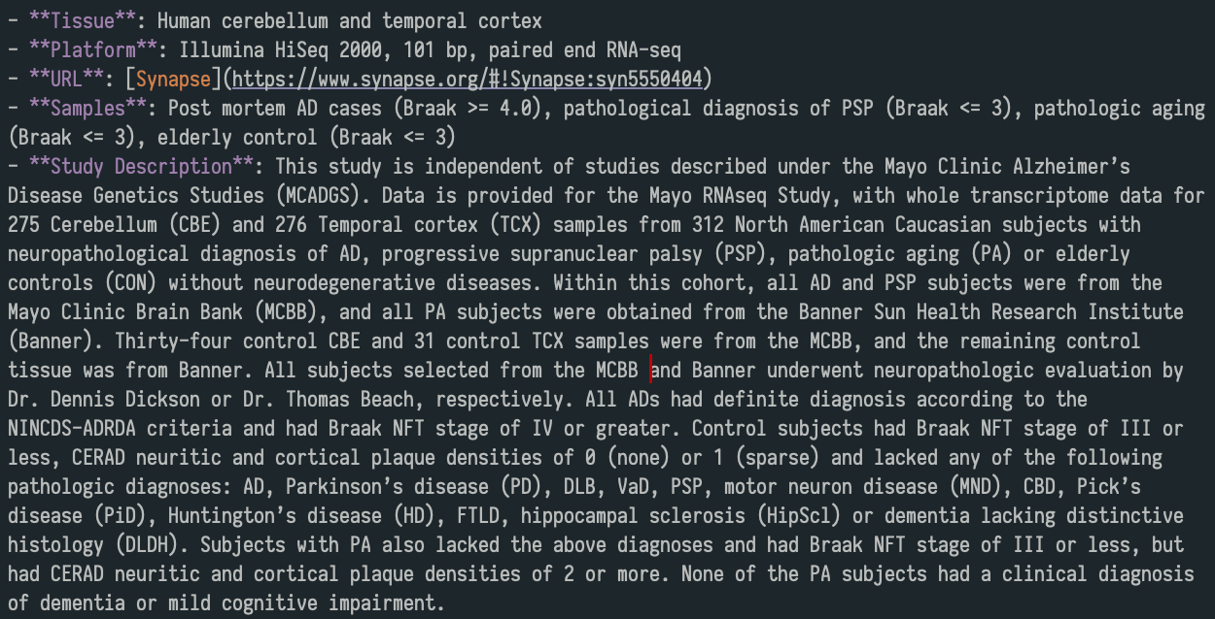
 | Comparison | 3' IRE-like gene enrichment p-value | 5' IRE-like gene enrichment p-value | 3' strict IRE gene enrichment p-value | 5' strict IRE gene enrichment p-value |  | Comparison | No. of DE genes (FDR p-value < 0.05 and abs(logFC) > 0.5) | 3' IRE-like gene enrichment p-value | 5' IRE-like gene enrichment p-value | 3' strict IRE gene enrichment p-value | 5' strict IRE gene enrichment p-value | Group | Total number | % Female | Mean age ± s.d (years) | Diagnosis
Effect of psen1 mutation | 6-month-old Q96_K97del/+ vs. 6-month-old +/+ all under normoxia | 0.0109 | 0.128 | 0.770 | 0.770 | Effect of Alzheimer's disease | AD vs. control (cerebellum) | Down: 1,422 Up: 1,308 | 0.0109 | 0.128 | 0.770 | 0.770 | Alzheimer's disease (AD) | 134 | 56.7 | 82.6 ± 7.3 | Braak Stage ≥ 4, diagnosis according to NINCDS-ADRDA criteria
 | 6-month-old Q96_K97del/+ vs. 6-month-old +/+ all under hypoxia | 9.03E-15 | 2.44E-14 | 4.50E-15 | 8.95E-08 |  | AD vs. control (temporal cortex) | Down: 1,650, Up: 1,929 | 9.03E-15 | 2.44E-14 | 4.50E-15 | 8.95E-08 | Control | 130 | 46.2 | 82.9 ± 8.3 | Braak Stage ≤ 3, No or sparse CERAD neuritic and cortical plaque density, no diagnoses for any neurodegenerative disease
 | 24-month-old Q96_K97del/+ vs. 24-month-old +/+ all under normoxia | 0.000116 | 0.00139 | 0.0201 | 0.770 | Effect of pathological aging (amyloid pathology, no dementia symptoms) | PA vs. control (cerebellum) | Down: 254, Up: 463 | 0.000116 | 0.00139 | 0.0201 | 0.770 | Pathological Aging (PA) | 44 | 54.5 | 84.5 ± 4.3 | Braak Stage ≤ 3, CERAD neuritic and cortical plaque density of 2 or more, no diagnoses for any neurodegenerative disease or mild cognitive impairment
 | 24-month-old Q96_K97del/+ vs. 24-month-old +/+ all under hypoxia | 0.000521 | 0.0461 | 0.000065 | 0.0000682 |  | PA vs. control (temporal cortex) | Down: 466, Up: 512 | 0.000521 | 0.0461 | 0.000065 | 0.0000682 | Progressive supranuclear palsy (PSP) | 164 | 40.2 | 73.8 ± 6.5 | Braak Stage ≤ 3, no or sparse CERAD neuritic and cortical plaque density
 | 6-month-old K97fs/+ vs. 6-month-old +/+ all under normoxia | 0.199 | 0.289 | 0.0197 | 0.289 | Effect of progressive supranuclear palsy (PSP) | PSP vs. control (cerebellum) | Down: 2,550, Up: 1,080 | 1.81E-22 | 3.45E-22 | 1.43E-12 | 0.0399 | TOTAL | 236
 | 24-month-old K97fs/+ vs. 24-month-old +/+ all under normoxia | 0.116 | 0.115 | 0.00000118 | 0.979 |  | PSP vs. control (temporal cortex) | Down: 1,271, Up: 622 | 3.58E-11 | 5.17E-13 | 1.39E-06 | 0.0399
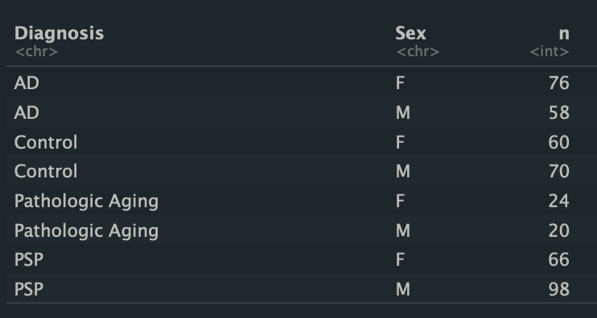
Effect of hypoxia | 6-month-old +/+ under hypoxia vs. 6-month-old +/+ under normoxia | 1.10E-18 | 1.10E-18 | 8.19E-13 | 1.27E-08 | Differences between Alzheimer's disease and pathological aging | AD vs. PA (cerebellum) | Down: 1,728, Up: 1,006 | 0.000116 | 0.00139 | 0.0201 | 0.770
 | 24-month-old +/+ under hypoxia vs. 24-month-old +/+ under normoxia | 3.67E-15 | 7.98E-11 | 2.94E-07 | 3.31E-05 |  | AD vs. PA (temporal cortex) | Down: 2,633, Up: 2,174 | 0.000521 | 0.0461 | 0.000065 | 0.0000682
 | 6-month-old Q96_K97del/+ under hypoxia vs. 6-month-old Q96_K97del/+ under normoxia | 1.13E-24 | 9.88E-22 | 2.28E-13 | 2.86e- 3 | Differences between Alzheimer's disease and progressive supranuclear palsy | AD vs. PSP (cerebellum) | Down: 108, Up: 659 | 0.0019 | 0.00184 | 0.158 | 0.158
 | 24-month-old Q96_K97del/+ under hypoxia vs. 24-month-old Q96_K97del/+ under normoxia | 0.000521 | 0.015 | 0.128 | 0.770 |  | AD vs. PSP (temporal cortex) | Down: 2,052, Up: 2,354 | 9.12E-22 | 2.10E-22 | 5.35E-16 | 0.040
Effect of aging | 24-month-old +/+ vs. 6-month-old +/+ all under normoxia | 6.80E-35 | 4.82E-27 | 3.41E-18 | 1.26E-21
 | 24-month-old +/+ vs. 6-month-old +/+ all under hypoxia | 1.55E-35 | 6.84E-31 | 2.36E-20 | 7.40E-23
 | 24-month-old Q96_K97del/+ vs. 6-month-old Q96_K97del/+ all under normoxia | 1.85E-27 | 1.03E-21 | 8.09E-17 | 1.07E-17
 | 24-month-old Q96_K97del/+ vs. 6-month-old Q96_K97del/+ all under hypoxia | 3.77E-30 | 1.59E-23 | 2.11E-19 | 2.46E-16
 | 24-month-old +/+ vs. 6-month-old +/+ all under normoxia (K97fs family) | 1.69E-10 | 3.96E-08 | 5.95E-10 | 4.59E-06
 | 24-month-old K97fs/+ vs. 6-month-old K97fs/+ all under normoxia | 0.199 | 0.289 | 0.0197 | 0.289

Table 1. Enrichment of Iron Responsive Element (IRE) gene sets in experimental comparisons. Four gene sets (3' IRE-like, 5' IRE-like, 3' strict IRE, 5' strict IRE) were tested across all comparisons in the Q96_K97del/+ dataset using three different methods (fGSEA, fry, camera). Raw p-values were combined with Wilksinson's method, and then all resulting Wilksinson p-values were then Bonferroni-adjusted for multiple testing. The same process was repeated for the K97fs/+ dataset, which involves an independent family of fish.

