IRE Enrichment
 | Comparison | All predicted 3' IRE gene enrichment p-value | All predicted 5' IRE gene enrichment p-value | Canonical 3' IRE gene enrichment p-value | Canonical 5' IRE gene enrichment p-value |  | Comparison | No. of DE genes (FDR p-value < 0.05 and abs(logFC) > 0.5) | All predicted 3' IRE gene enrichment p-value | All predicted 5' IRE gene enrichment p-value | Canonical 3' IRE gene enrichment p-value | Canonical 5' IRE gene enrichment p-value | Group | Total number | % Female | Mean age ± s.d (years) | Diagnosis
Effect of psen1 mutation | 6-month-old Q96_K97del/+ vs. 6-month-old +/+ all under normoxia | 0.0109 | 0.128 | 0.770 | 0.770 | Effect of Alzheimer's disease | AD vs. control (cerebellum) | Down: 1,422 Up: 1,308 | 0.0109 | 0.128 | 0.770 | 0.770 | Alzheimer's disease (AD) | 134 | 56.7 | 82.6 ± 7.3 | Braak Stage ≥ 4, diagnosis according to NINCDS-ADRDA criteria
 | 6-month-old Q96_K97del/+ vs. 6-month-old +/+ all under hypoxia | 9.03E-15 | 2.44E-14 | 4.50E-15 | 8.95E-08 |  | AD vs. control (temporal cortex) | Down: 1,650, Up: 1,929 | 9.03E-15 | 2.44E-14 | 4.50E-15 | 8.95E-08 | Control | 130 | 46.2 | 82.9 ± 8.3 | Braak Stage ≤ 3, No or sparse CERAD neuritic and cortical plaque density, no diagnoses for any neurodegenerative disease
 | 24-month-old Q96_K97del/+ vs. 24-month-old +/+ all under normoxia | 0.000116 | 0.00139 | 0.0201 | 0.770 | Effect of pathological aging (amyloid pathology, no dementia symptoms) | PA vs. control (cerebellum) | Down: 254, Up: 463 | 0.000116 | 0.00139 | 0.0201 | 0.770 | Pathological Aging (PA) | 44 | 54.5 | 84.5 ± 4.3 | Braak Stage ≤ 3, CERAD neuritic and cortical plaque density of 2 or more, no diagnoses for any neurodegenerative disease or mild cognitive impairment
 | 24-month-old Q96_K97del/+ vs. 24-month-old +/+ all under hypoxia | 0.000521 | 0.0461 | 0.000065 | 0.0000682 |  | PA vs. control (temporal cortex) | Down: 466, Up: 512 | 0.000521 | 0.0461 | 0.000065 | 0.0000682 | Progressive supranuclear palsy (PSP) | 164 | 40.2 | 73.8 ± 6.5 | Braak Stage ≤ 3, no or sparse CERAD neuritic and cortical plaque density
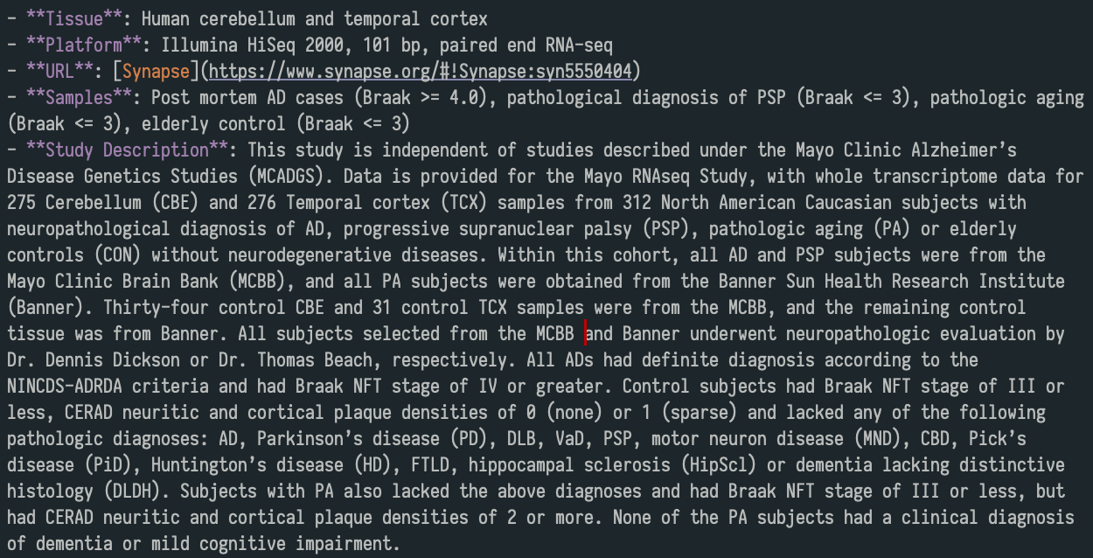
 | 6-month-old K97fs/+ vs. 6-month-old +/+ all under normoxia | 0.199 | 0.289 | 0.0197 | 0.289 | Effect of progressive supranuclear palsy (PSP) | PSP vs. control (cerebellum) | Down: 2,550, Up: 1,080 | 1.81E-22 | 3.45E-22 | 1.43E-12 | 0.0399 | TOTAL | 236
 | 24-month-old K97fs/+ vs. 24-month-old +/+ all under normoxia | 0.116 | 0.115 | 0.00000118 | 0.979 |  | PSP vs. control (temporal cortex) | Down: 1,271, Up: 622 | 3.58E-11 | 5.17E-13 | 1.39E-06 | 0.0399
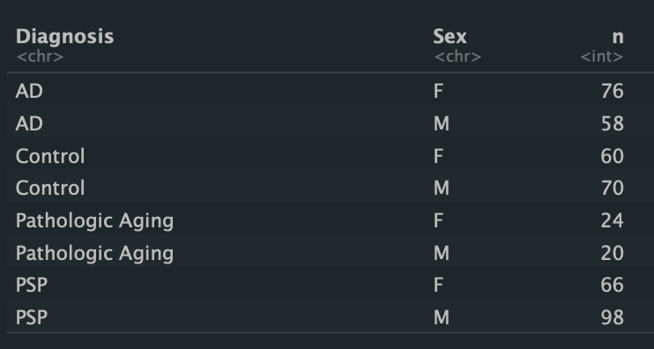
Effect of hypoxia | 6-month-old +/+ under hypoxia vs. 6-month-old +/+ under normoxia | 1.10E-18 | 1.10E-18 | 8.19E-13 | 1.27E-08 | Differences between Alzheimer's disease and pathological aging | AD vs. PA (cerebellum) | Down: 1,728, Up: 1,006 | 0.000116 | 0.00139 | 0.0201 | 0.770
 | 24-month-old +/+ under hypoxia vs. 24-month-old +/+ under normoxia | 3.67E-15 | 7.98E-11 | 2.94E-07 | 3.31E-05 |  | AD vs. PA (temporal cortex) | Down: 2,633, Up: 2,174 | 0.000521 | 0.0461 | 0.000065 | 0.0000682
 | 6-month-old Q96_K97del/+ under hypoxia vs. 6-month-old Q96_K97del/+ under normoxia | 1.13E-24 | 9.88E-22 | 2.28E-13 | 2.86e- 3 | Differences between Alzheimer's disease and progressive supranuclear palsy | AD vs. PSP (cerebellum) | Down: 108, Up: 659 | 0.0019 | 0.00184 | 0.158 | 0.158
 | 24-month-old Q96_K97del/+ under hypoxia vs. 24-month-old Q96_K97del/+ under normoxia | 0.000521 | 0.015 | 0.128 | 0.770 |  | AD vs. PSP (temporal cortex) | Down: 2,052, Up: 2,354 | 9.12E-22 | 2.10E-22 | 5.35E-16 | 0.040
Effect of aging | 24-month-old +/+ vs. 6-month-old +/+ all under normoxia | 6.80E-35 | 4.82E-27 | 3.41E-18 | 1.26E-21 | Differences between cerebellum and temporal cortex tissue | Cerebellum vs. temporal cortex in controls | Down: 10,925, Up: 9,302 | 0.00E+00 | 0.00E+00 | 2.82E-269 | 1.60E-81
 | 24-month-old +/+ vs. 6-month-old +/+ all under hypoxia | 1.55E-35 | 6.84E-31 | 2.36E-20 | 7.40E-23 |  | Cerebellum vs. temporal cortex in AD | Down: 11,966, Up: 9,950 | 0.00E+00 | 0.00E+00 | 7.71E-302 | 9.35E-92
 | 24-month-old Q96_K97del/+ vs. 6-month-old Q96_K97del/+ all under normoxia | 1.85E-27 | 1.03E-21 | 8.09E-17 | 1.07E-17 |  | Cerebellum vs. temporal cortex in PA | Down: 10,200, Up: 8,737 | 1.87E-153 | 5.88E-160 | 1.22E-89 | 1.31E-88
 | 24-month-old Q96_K97del/+ vs. 6-month-old Q96_K97del/+ all under hypoxia | 3.77E-30 | 1.59E-23 | 2.11E-19 | 2.46E-16 |  | Cerebellum vs. temporal cortex in PSP | Down: 11,552, Up: 9,576 | 0.00E+00 | 0.00E+00 | 0.00E+00 | 4.74E-104
 | 24-month-old +/+ vs. 6-month-old +/+ all under normoxia (K97fs family) | 1.69E-10 | 3.96E-08 | 5.95E-10 | 4.59E-06
 | 24-month-old K97fs/+ vs. 6-month-old K97fs/+ all under normoxia | 0.199 | 0.289 | 0.0197 | 0.289

Table 1. Enrichment of Iron Responsive Element (IRE) gene sets in experimental comparisons. Four gene sets (3' IRE-like, 5' IRE-like, 3' strict IRE, 5' strict IRE) were tested across all comparisons in the Q96_K97del/+ dataset using three different methods (fGSEA, fry, camera). Raw p-values were combined with Wilksinson's method, and then all resulting Wilksinson p-values were then Bonferroni-adjusted for multiple testing. The same process was repeated for the K97fs/+ dataset, which involves an independent family of fish.

CellLineDatasets
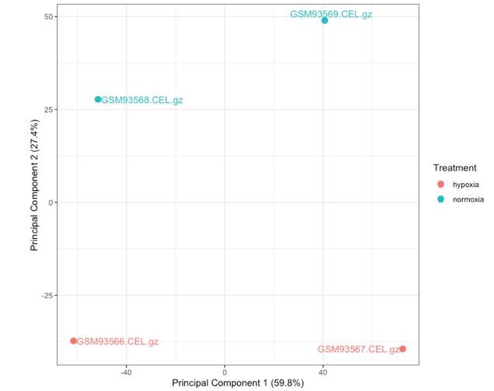
Table 1. Summary of cell line datasets. |  |  |  |  |  |  | Table 2. Results for differential gene expression and IRE gene set enrichment
Test | Description | Cell Type / Line | GEO Accession | Platform | Treatment | n | Results | DE Probesets (FDR p-value < 0.05) | All predicted 3' IRE gene enrichment p | All predicted 5' IRE gene enrichment p | Canonical 3' IRE gene enrichment p | Canonical 5' IRE gene enrichment p
Iron depletion / overload | Transcriptional profiling of ICL670 treated K562 cells | K562 cells | GSE11670 | Affymetrix Human Genome U133 Plus 2.0 Array | Control (untreated) | 2 | Iron chelator deferasirox (10uM) vs. control | Down: 12; Up: 89 | 1.07E-04 | 3.73E-05 | 5.14E-06 | 1.76E-03
 |  |  |  |  | Iron chelator deferasirox (10uM) | 2 | Iron chelator deferasirox (50uM) vs. control | Down: 2,961; Up: 2,119 | 1.49E-05 | 3.83E-05 | 1.31E-04 | 3.78E-04 | GSE11670
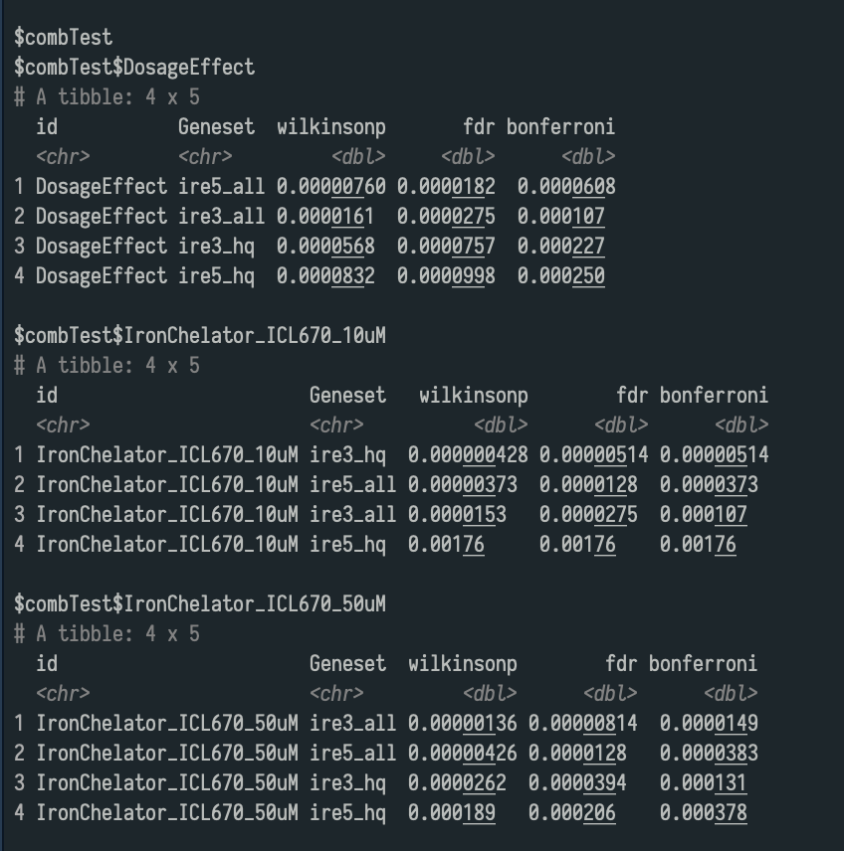
 |  |  |  |  | Iron chelator deferasirox (50uM) | 2 | Iron chelator deferasirox (50uM) vs. Iron chelator deferasirox (10uM) | Down: 431; Up: 483 | 1.07E-04 | 6.08E-05 | 2.27E-04 | 2.50E-04
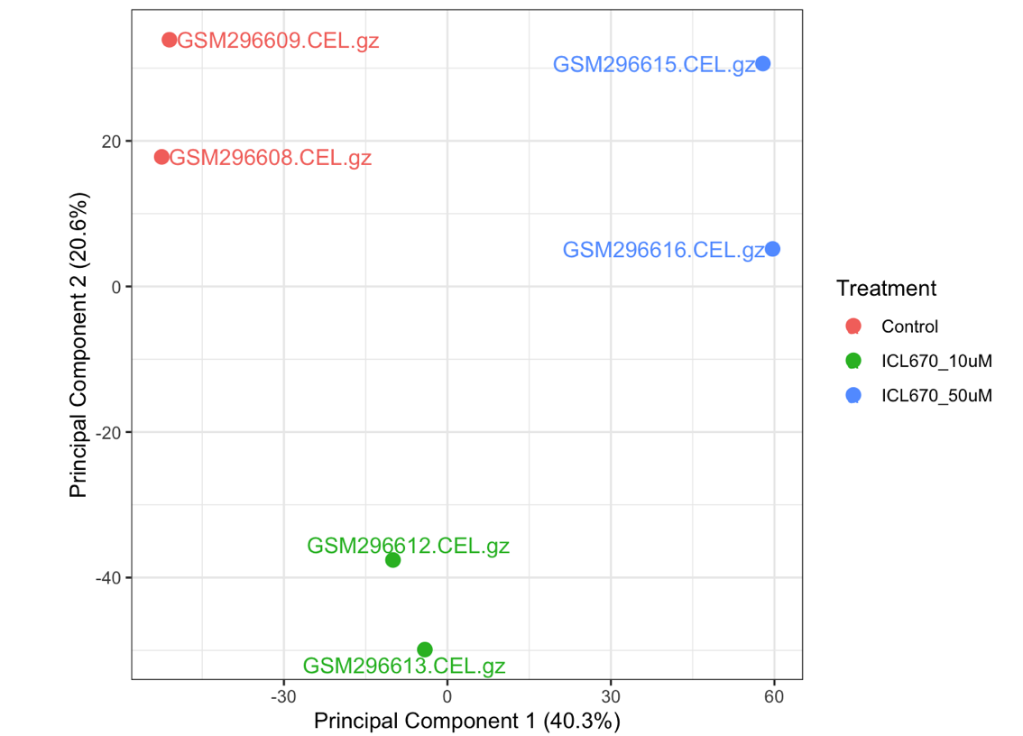
 | Transcriptional effect of various iron treatments on Caco-2 cells. | Homo sapiens Caco-2 cells, originating from a human colorectal carcinoma | GSE3573 | Agilent-012097 Human 1A Microarray (V2) G4110B (Feature Number version) | DMEM-FBS medium) | 3 | Effect of iron overload: DMEM-FBS medium with hemin added vs. DMEM-FBS medium | Down: 55; Up: 157 | 1.68E-04 | 1.46E-03 | 1.46E-03 | 1.04E-01
 |  |  |  |  | DMEM-FBS medium with hemin added (iron overload) | 3
 |  |  |  |  | Iron-free medium | 3 | Effect of iron deficiency: Iron-free medium with ferric ammonium citrate (FAC) added vs. iron-free medium | Down: 65; Up: 31 | 4.79E-05 | 1.68E-04 | 1.46E-03 | 1.73E-02
 |  |  |  |  | Iron-free medium with ferric ammonium citrate (FAC) added | 3
Oxidative Stress | Profiling neuroblastoma SH-SY5Y with Paraquat treatment | SH-SY5Y cells | GSE21305 | Affymetrix Human Exon 1.0 ST Array [transcript (gene) version] | Control (untreated) | 5 | Paraquat vs. control | Down: 0; Up: 0 | 0.000264 | 0.954 | 1 | 1
 |  |  |  |  | Paraquat | 5
 | Poor Mitochondrial Reponses to Oxidative Stress in a Subset of Autism Spectral Disorder Patients | Primary fibroblasts | GSE143155 | NextSeq 550 | Untreated, with autism | 3 | Untreated, with autism vs. Untreated, without autism | Down: 165; Up: 163 | 0.000759 | 0.000726 | 0.0103 | 0.00000381
 |  |  |  |  | Untreated, without autism | 3 | Treated with hydrogen peroxide, with autism vs. Treated with hydrogen peroxide, without autism | Down: 175; Up: 160 | 0.000783 | 0.000787 | 0.129 | 0.00121
 |  |  |  |  | Treated with hydrogen peroxide, with autism | 3 | Treated with hydrogen peroxide, without autism vs. Untreated, without autism | Down: 14; Up: 7 | 1 | 1 | 1 | 0.0988
 |  |  |  |  | Treated with hydrogen peroxide, without autism | 3 | Treated with hydrogen peroxide, with autism vs. Untreated, with autism | Down: 0; Up: 2 | 1 | 1 | 1 | 1
Hypoxia | Renal Proximal Tube Epithelial Cells at 24h and 1% oxygen | Passage 4 renal proximal tubule epithelial cells | GSE12792 | Affymetrix Human Genome U133A Array | Normoxia | 3 | Hypoxia vs. normoxia | Down: 20; Up: 7 | 0.0772 | 0.072 | 0.567 | 0.567
 |  |  |  |  | Hypoxia | 3
 | Hypoxia responsive genes in human Burkitt’s lymphoma cell line, P493-6 | B lymphocyte cell line, P493-6 | GSE4086 | Affymetrix Human Genome U133 Plus 2.0 Array | Normoxia | 2 | Hypoxia vs. normoxia | Down: 0; Up: 0 | 1.60E-04 | 1.60E-04 | 0.41 | 0.419
 |  |  |  |  | Hypoxia | 2
 | Mature dendritic cells under hypoxic condition | Mature dendritic cells | GSE22282 | Affymetrix Human Genome U133 Plus 2.0 Array | Normoxia | 3 | Hypoxia vs. normoxia | Down: 0; Up: 0 | 0.000163 | 0.000163 | 0.000163 | 0.0186
 |  |  |  |  | Hypoxia | 3

 |  |  |  |  |  |  |  |  |  |  |  |  | GSE21305
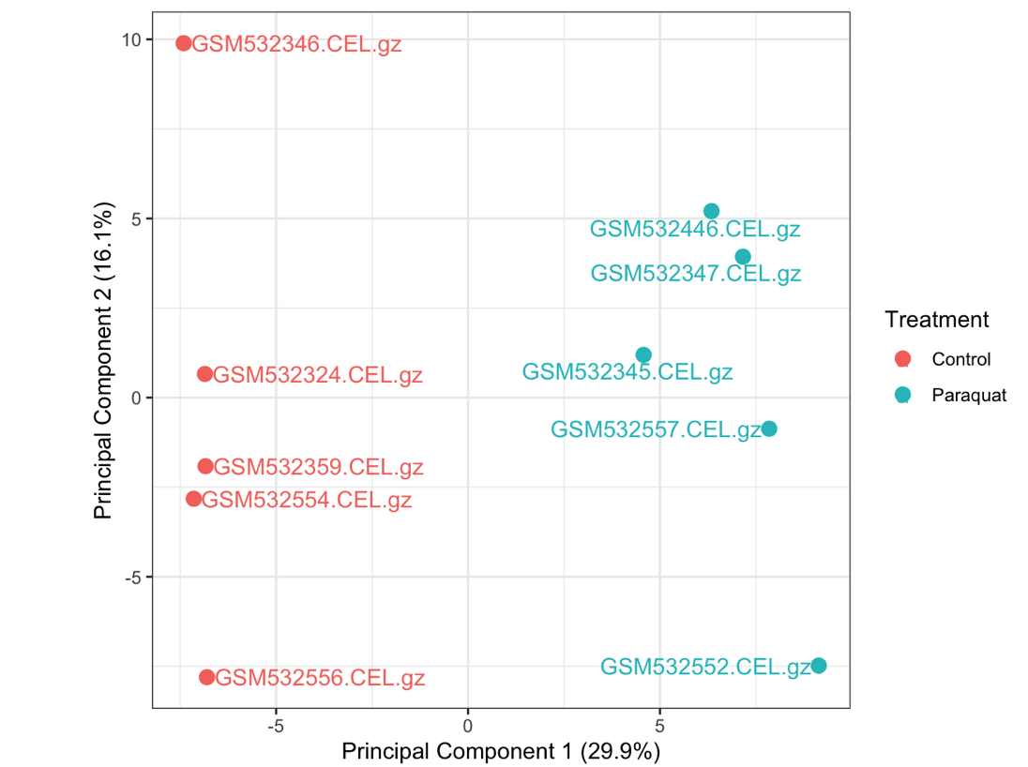

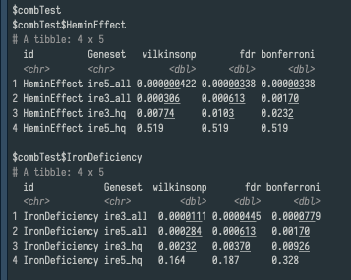

 |  |  |  |  |  |  |  |  |  |  |  |  |  | GSE4086

