Sheet
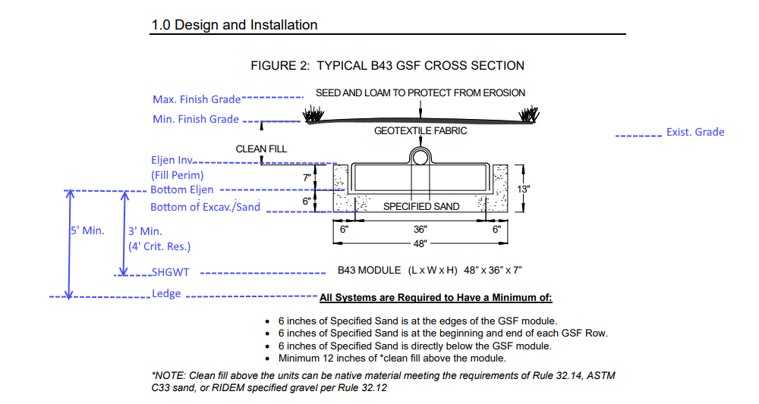
 | Project Number (NEI): | 10.010 |  |  | Not Valid for sloping fields
 | Site Address | 3102 East Main |  |  | Not Valid for pumped systems
 |  |  |  |  | All Units in Decimal Feet U/N/O
 | Design Information |  |  |  | Contractor: Please Call out Addt'l Excav. Unit Costs
 | Total Daily Flow, Gallons per day (GPD) | 460

 | Soil Category | 9
 | Loading Rate | 0.4
 | Min. Leach Area | 1150 | (Flow / Loadrate)
 | Min. No. Eljens | 42 | Min. Leaching area / 28) rounded up
 | Leaching Area Provided | 1176
 | Max Finish Grade | 103.58
 | Min Finish Grade | 102.58
 |  | 100 | highest existing grade
 | Eljen Invert | 101.08
 | Eljen Bottom | 100.5
 | Strip Elevation | 100 | subject to bottom inspection | subject to bottom inspection
 | SHGWT El: | 100.5
 | Ledge El: | 98.33

 | Seasonal High Water Table Depth | 2.5 | FT
 | Ledge Depth | 6.67 | FT

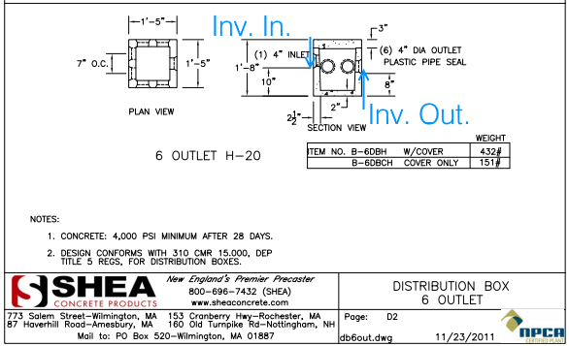

 |  | 102 | 101.99 | 0.01 | 25 | 0.25 | 101.74 | 0.25' | 101.49 | 25 | 0.01 | 0.25 | 101.24 | 101.08 | 0.16 | 101.08
 |  | Min. Finish Grade at Structure | Inv. at Structure | slope house to tank | slope house to tank | elev. drop | tank inv. | elev drop in tank (3"). | tank outlet elev. | lenght tank to dbox. | slope tank to dbox. | elev. drop | dbox inlet invert | dbox outlet invert | dbox elev drop (2") | Eljen Invert
 |  |  |  |  |  |  |  |  |  |  |  |  |  |  |  | Duplicate - watch manual edits
 |  | error, additional fill needed at invert to structure!

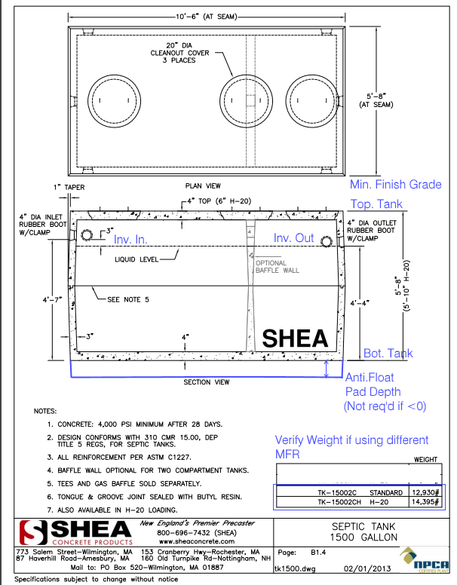

 |  |  |  |  |  |  |  |  |  |  |  |  | Finish Grade at Tank, Minimum
100 |  |  |  |  |  |  |  |  |  |  |  |  | 103.83
Existing Grade at Septic Tank
 |  |  |  |  |  |  |  |  |  |  |  |  | Top of Tank
97.5 |  |  |  |  |  |  |  |  |  |  |  |  | 102.83
SHGWT El. at Septic Tank
 |  |  |  |  |  |  |  |  |  |  |  |  | Min. 1 ft. cover over tank
93.33
Ledge El. at Septic Tank

 |  |  |  |  |  |  |  |  |  |  |  |  | Bottom of Tank
 |  |  |  |  |  |  |  |  |  |  |  |  | 97.16

ledge removal required!!!

 |  |  |  |  |  |  |  |  |  |  |  |  | 12,930 LBS | Tank Weight
 |  |  |  |  |  |  |  |  |  |  |  |  | 16372.125 | Buoyancy Required = ((ex. grade - water table) x tank dims x 110 #/cuft)

 |  |  |  |  |  |  |  |  |  |  |  |  | 3442.12 | LBS
 |  |  |  |  |  |  |  |  |  |  |  |  |  | Anti Float Base Required, tank dims x 150 psf conc

 |  |  |  |  |  |  |  |  |  |  |  |  | 0.39
 |  |  |  |  |  |  |  |  |  |  |  |  |  | Depth of Anti Float Base (150 psf conc)

