Sheet1
 |  |  |  |  |  | IN HOUSE NOTES
 |  |  |  |  |  | DO NOT PRINT

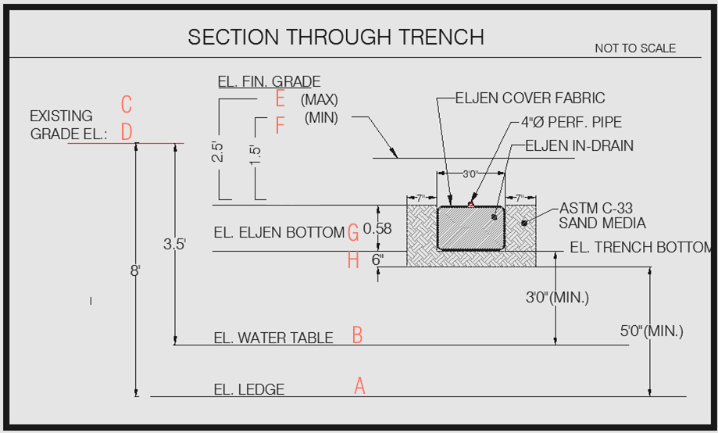
ELJEN ELEVATION TABLE
 | DESIGN. | ITEM | ELEVATION (FT.) | NOTES | MISC.
 | A | SHGWT | 91.5 | 3 | MIN.
 | B | LEDGE | 86 | 5 | MIN.

 | C | ex grade | N/A | max / avg grade | 32.6 | IF OR STATEMENT | (BY SHANNON TBD)
 | D | n/a | 95

 | E | FINISH GRADE (MAX.) | 101.58 | BOTTOM +2.5
 | F | FINISH GRADE (MIN.) | 100.58 | BOTTOM +1.5

 | G | INVERT LINE | 98.5 | SHGWT+.5

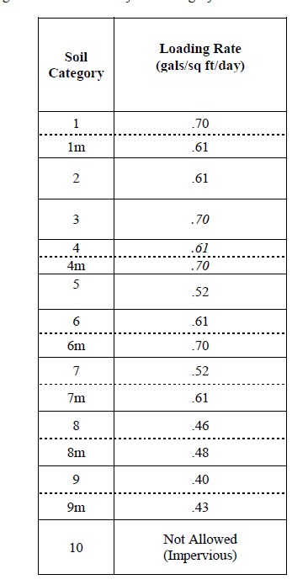
 | E | ELJEN BOTTOM | 98 | SHGWT
 | H | TRENCH BOTTOM | 97.5 | LEDGE

 | STRIP ELEVATION |  | 98 | OR AS SPECIFIED
 |  |  |  | PER DESIGNER OR SITE
 |  |  |  | CONDITIONS

 |  |  |  |  |  |  | 32.2.2 | SOIL CAT TABLE

 |  |  |  |  |  |  | DISCHARGE DIV. LOAD RATE (GAL/SF/DAY) | INSERT PER DEM STD
 |  |  |  |  |  |  |  | SHANNON

 |  |  |  |  |  |  | ROUNDS UP TO NEAREST WHOLE INTEGER

ELJEN DESIGN FLOWS

 | SOIL CAT | 9 | 0.4 | (GAL/SQ.FT./DAY)
 | NO. BEDROOMS | 4
 | DISCHARGE = 115 GPD PER BR | 115 | GPD
 | TOTAL DISCHARGE | 460

 | SYSTEM SIZE REQ'D | 1150 | SQ.FT. (REQ'D)
 | NO. OF ELJENS REQ'D | 41.071428571 | (DIV. BY 28 SQ.FT. PER)

 | MIN. NO. OF ELJENS | 42

