Sheet
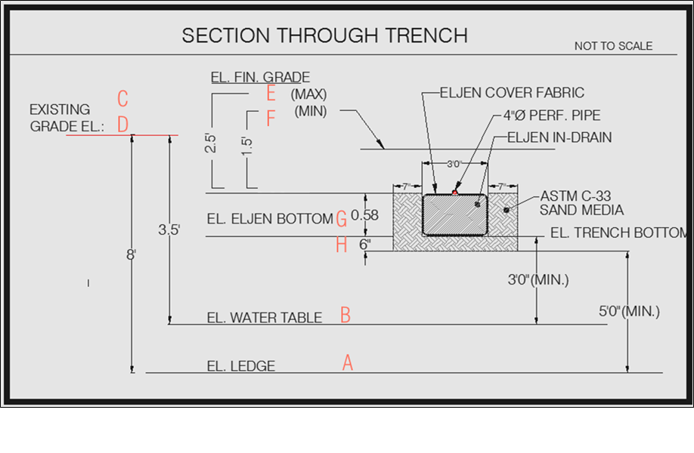
-195 | Seasonal High Groundwater Table Elevation
-190.83333333 | Ledge Elevation

200 | highest existing grade

-187.75333333 | Max Finish Grade
-188.75333333 | Min Finish Grade

-190.25333333 | Elen Invert

-190.83333333 | Elen Bottom
-191.33333333 | Strip Elevation (subject to bottom inspection)

fghouse | inv house | length house | slope house | diff | tankin | difftank | tankout | length stdb | slope stdb | diff | dboxin | dboxout | ddif | eljeninv.

 |  |  |  |  | fg

 |  |  |  |  | toptank

 |  |  |  |  | bottank

 |  |  |  |  | buoy

 |  |  |  |  | buoy

