Sheet1
 |  | mạch cộng thì K = 0 (gnd) mạch trừ thì K = 1 (vcc) cho B là 1 mà B có 8 bít nên B thành 00000001 => B[0] = 1, B[7..1] = 0

Lab 1 | 1 | Familiarization and Implementation of AND Gate by using schematic design entry and gate level model using Verilog. Rule: If both the inputs are 1, then output will be 1, otherwise output will be 0. (If any input is 0 then output will be 0, otherwise output is 1) 1. Boolean/Logic Expression: Z = X . Y
 | 2 | Familiarization and Implementation of OR Gate by using schematic design entry and gate level model using Verilog.
 | 3 | Familiarization and Implementation of NAND Gate by using schematic design entry and gate level model using Verilog.
 | 4 | Familiarization and Implementation of NOR Gate by using schematic design entry and gate level model using Verilog.
 | 5 | Familiarization and Implementation of NOT Gate by using schematic design entry and gate level model using Verilog.
 | 6 | Familiarization and Implementation of XOR Gate by using schematic design entry and gate level model using Verilog.
 | 7 | Familiarization and Implementation of XNOR Gate by using schematic design entry and gate level model using Verilog.
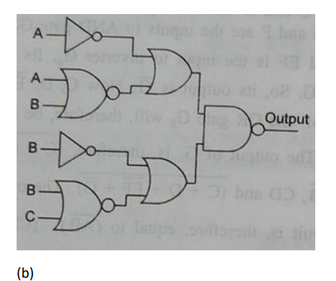
 |  |  |  | Câu 3/ Lab2
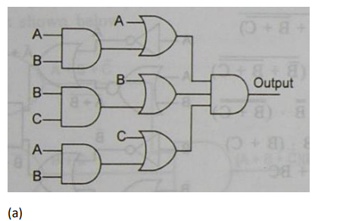
Lab 2 | 1 | Implement a logic circuit for the two-bit comparator. This comparator has two two-bit inputs A (A = A1A0) and B (B = B1B0) and produces one output. The output should be 1 if A is greater than B, otherwise the output should be 0.
 | 2 | Design a logic diagram for the following Boolean expressions and verify the waveform with its simplified Boolean expression (as much as possible) truth table. a) AB(C + D) + AB(C + D)’ b) AB’C + B + BD’ + ABD’ + A’C
 | 3 | Write the Boolean expressions for the following a logic diagram and write a Verilog program using gatelevel modeling for the expression. Then verify the waveform with its simplified Boolean expression (as much as possible) truth table.
 | 4 | Reduce the following expression in both SOP and POS forms using 3 variable K-map and design the logic diagram. Now write a Verilog program using gate-level modeling for these simplified Boolean expressions and verify them with their truth tables and waveforms. a) Σ m(0, 2, 3, 4, 5, 6) b) Π M(0, 1, 2, 3 , 4, 7)
 | 5 | Reduce the following expression in both SOP and POS forms using 4 variable K-map and design the logic diagram. Now write a Verilog program using gate-level modeling for these simplified Boolean expressions and verify them with their truth tables and waveforms. a) Σ m(0, 1, 2, 3, 5, 7, 8, 9, 10, 12, 13) b) Π M(2, 8, 9, 10, 11, 12, 14)

Lab3 | 1 | Design a logic diagram and write a Verilog program to implement 4-bit ripple carry adder. 1. Design a logic diagram for a full adder. a. Create a new project named Adder. b. Add a new block diagram file (schematic file) named full_adder.bdf into the project. 3. Design a block diagram of 4-bit ripple carry adder named ripple_carry_adder_4.bdf using full_adder circuit created in the previous step.
 | 2 | Design a logic diagram and write a Verilog program to implement 4-bit adder-subtractor.
 | 3 | Design a Gray code–to–BCD code converter that gives output code 1111 for all invalid input combinations. Assume that the Gray code sequence for decimal numbers 0 through 9 is 0000, 0001, 0011, 0010, 0110, 0111, 0101, 0100, 1100, and 1101. All other input combinations should be considered to be invalid.
 | 4 | Modified version A traffic light control at a simple intersection uses a binary counter to produce the following sequence of combinations on lines A, B, C, and D : 0000, 0001, 0010, 0011, 0100, 0101, 0110, 0111, 1000, 1001, 1010, 1011, 1100, 1101, 1110, 1111. After 1111, the sequence repeats, beginning again with 0000, forever. Each combination is present for 5 seconds before the next one appears. These lines drive combinational logic with outputs to lamps RNS (red—north/south), YNS (yellow—north/south), GNS (green— north/south), REW (red—east/west), YEW (yellow—east/west), and GEW (green—east/west). The lamp controlled by each output is ON for a 1 applied and OFF for a 0 applied. For a given direction, assume that green is on for 30 seconds, yellow for 5 seconds, and red for 45 seconds. (The red intervals overlap for 5 seconds.) Divide the 80 seconds available for the cycle through the 16 combinations into 16 intervals and determine which lamps should be lit in each interval based on expected driver behavior. Assume that, for interval 0001, a change has just occurred and that RNS = 1, GEW = 1, and all other outputs are 0 (this means that the lamp EW begins GREEN for 30 seconds, the lamp NS is RED). Design the logic to produce the six outputs using AND, OR gates and inverters.
 | 5 | Design a combinational circuit that accepts a 3-bit number and generates a 6-bit binary number output equal to the square of the input
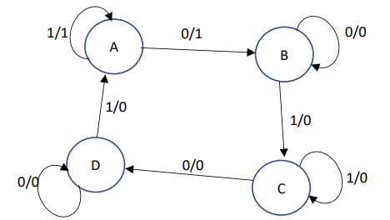
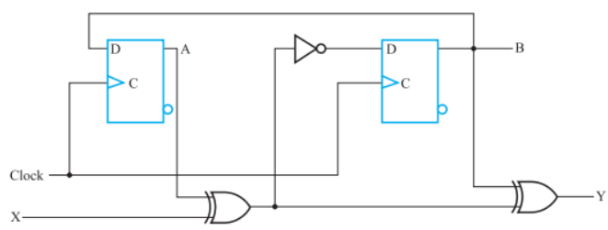
 |  |  | Câu 2/ Lab 4 |  |  | Câu 4/ Lab 4
Lab 4 | 1 | A sequential circuit with two D flip-flops A and B, one input Y, and one output Z is specified by the following input equations: 𝐷𝐴 = 𝐵𝑌 + 𝐴̅𝑌, 𝐷𝐵 = 𝑌̅, 𝑍 = 𝐴̅𝐵̅
 | 2 | The state diagram of a sequential circuit is shown in the following figure. Design the circuit with D flipflops using binary code state assignment. Simulate the circuit.
 | 3 | A sequential circuit with two D flip-flops A and B, two inputs X and Y, and one output Z is specified by the following input equations: (a) Draw the logic diagram of the circuit. (b) Derive the state table. (c) Derive the state diagram. (d) Simulate the circuit: - Initial state: 00 - Input sequence: (Given by you) - Check the output Z with the state table
 | 4 | A sequential circuit has two D flip-flops, one input X, and one output Y. The logic diagram of the circuit is shown in the following figure. Derive the state table and state diagram of the circuit. | Câu 3/ Lab 4
 | 5 | Design a sequential circuit with two D flip-flops A and B and one input X. When X = 0, the state of the circuit remains the same. When X = 1, the circuit goes through the state transitions from 00 to 10 to 11 to 01, back to 00, and then repeats

Lab 5 | 1 | Design a logic diagram to implement 2-4 decoder with Enable pin (using buses for grouping lines in the same group) 1. Derive the decoder’s truth table. 2. Design the logic diagram to implement the 2-4 decoder. 3. Simulate the circuit and check the result with the truth table.
 | 2 | Create a 128-bit RAM organized as 32-word by 4-bit array.
 | 3 | Design a logic diagram to implement 3-8 decoder with an enable input. 1. Derive the decoder’s truth table. 2. Design the logic diagram to implement the decoder. 3. Simulate the circuit and check the result with the truth table.
 | 4 | Design a logic diagram to implement 1-bit 8-1 multiplexer. 1. Design the logic diagram to implement the multiplexer. 2. Simulate the circuit and check the result.
 | 5 | Design a logic diagram to implement 8-bit 8-1 multiplexer. 1. Design the logic diagram to implement the multiplexer. 2. Simulate the circuit and check the result.
 | 6 | Design a logic diagram to implement an 8-bit parallel load register with enable input. 1. Design the logic diagram of the register. 2. Simulate the circuit and check the result.
 | 7 | Design a logic diagram of a 32 x 8 RAM using two 32 x 4 RAM chips. 1. Design the logic diagram. 2. Simulate the circuit and check the result.
 | 8 | Design a logic diagram of a 64 x 4 RAM using two 32 x 4 RAM chips. 1. Design the logic diagram. 2. Simulate the circuit and check the result.

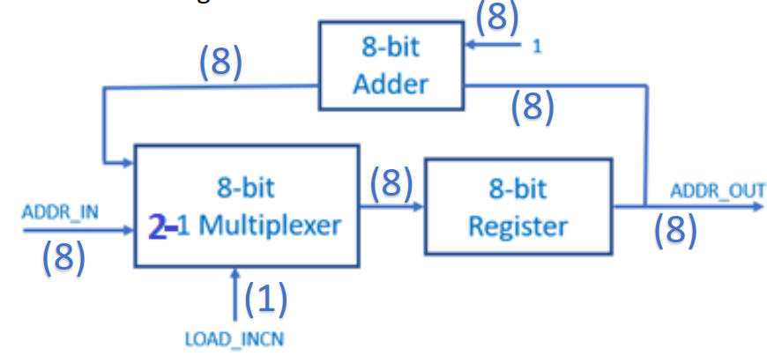
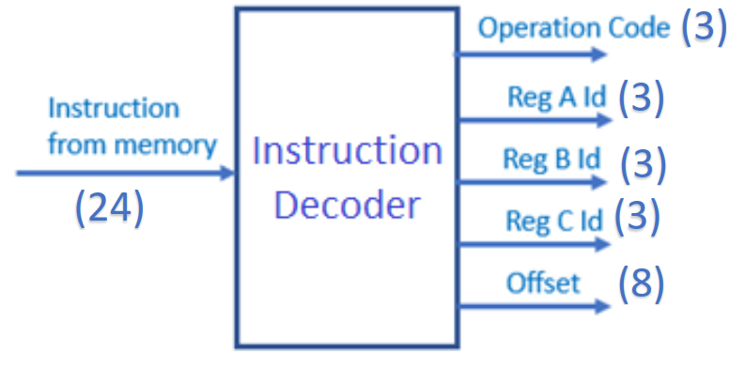
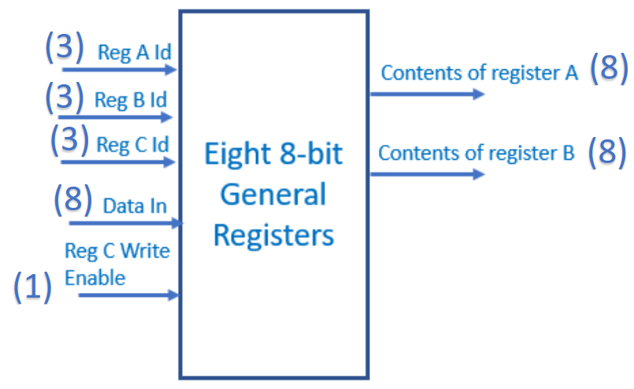
Lab 6 | 1 | Translate the following programs into instructions stored in memory (in hexadecimal format). | Câu 2 |  | Câu 3 |  | Câu 4 | Câu 5
 | 2 | Design a logic diagram of a program counter. This program counter is an 8-bit register that contains the 8-bit address of the instruction being executed at the current time. If LOAD_INCN = 1, the multiplexer passes the ARRD_IN into the register, otherwise the value in the program counter is increased by one and stored into the register. 1. Design the logic diagram to implement the program counter. 2. Simulate the circuit and check the result.
 | 3 | Design an instruction memory to hold the program to be executed. Instruction memory is an array of 24- bit words. The figure below illustrates how the value in a program counter is used as an address for the instruction memory. 1. Design the logic diagram. 2. Initialize the instruction memory with the program test 1 in Assignment 1 and simulate the circuit
 | 4 | Design an instruction decoder in our simplified computer. The instruction decoder should hold the instruction in a register and extract the operation field (3 bits), the register A id (3 bits), the register B id (3 bits), the register C id (3 bits), and the offset field (8 bits).
 | 5 | Design a register unit which hold all general registers. There are eight 8-bit registers in the unit. The register A id, register B id, and register C id from the instruction decoder are used to select registers A, B, and C respectively. Only the register selected by the register C id can be written.
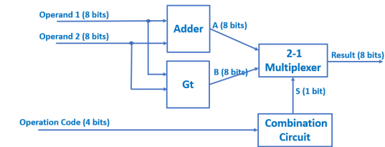
Lab 7 |  | Processors should have a separate hardware unit to perform all arithmetic operations (except the incrementing in the program counter). Our design contains a simple Arithmetic Logic Unit (ALU). The simple ALU has three inputs: operands 1 and 2, and the operation field. Operand 1 and 2 are 8-bit inputs and the operation field is a 3-bit input. This ALU also has one 8-bit output, which is the result of the computation. 1. Design the ALU that can perform 8-bit addition operation to implement the Add instruction. 2. Design a new instruction named GT (greater than). This instruction performs an 8-bit greater-than comparison. Add a new function in the ALU to implement the new instruction.

