Preface
PREFACE
1. These primary care order sentences have been created to cover a range of example order sentences that organisations can use as part of their internal assurance processes when implementing FHIR dose syntax
2. These order sentences have not been assured and are for use in a test environment only. It is incumbent on the organisation to use their own tailored order sentences to use in testing to reflect their own clinical requirements and implementation at a local level
3. The order sentences are to simulate medication requests; not medication administration
4. Dose syntax guidance and example scenarios can be found on the NHS Digital Implementation Guide for Digital Medicines website https://simplifier.net/guide/ukcoreimplementationguideformedicines/elementdosage?version=current
5. Please email any feedback or queries to : medicinestandards@nhs.net

Archive 1
*Note: Will we need permission from EMIS if we decide to publish these? Or have we amended some of them sufficiently and EMIS doesn't have the copyright to the generic wording? |  |  |  |  |  |  |  |  | Scenario covered
Source | Scenarios | Number | Amended from EMIS | Proposed list of Amended dose sentence | Quantity | EMIS - How many drugs have been added in the past 5 years with this as dosage | For inclusion | Medication |  | emmel comments | Shahzad | HT comments
First 50 commonly used doses in EMIS | a | 1 | 1 | One Tablet To Be Taken Each Day | 28 tablet | 402759880 | y | Atenolol 100mg tablets |  |  | For all primary care order sentences need to ensure the quantity is also sent in the message, it can be a separate field but needs to be part of the order sentence test | Capitalisation/Inicap - 9/8/2022 Agreed not bothered
 | a | 2 | 1 | One Capsule To Be Taken Twice A Day | 56 capsule | 85651469 | y | Omeprazole 40mg gastro-resistant capsules
 | a | 3 | 1 | One Tablet To Be Taken At Night | 28 tablets | 76074867 | y | Simvastatin 20mg tablets
 | a | 4 | 1 | One Tablet To Be Taken Each Morning | 56 tablet | 62730391 | y | Amlodipine 10mg tablets
 | a | 5 | 1 | One Capsule To Be Taken Three Times A Day For 7 days | 21 capsule | 33103312 | y | Amoxicillin 500mg capsules |  | suggest include "for 7 days" in the instructions | Agreed | Amended as per EM's comments
 | w | 6 | 1 | Two Doses To Be Inhaled Twice A Day | 200 dose | 16573014 | y | Budesonide 200micrograms/dose / Formoterol 6micrograms/dose dry powder inhaler |  |  | Can be either, local decision | Amended as per BL's comments
 | d | 7 | 1 | One Or Two Tablets To Be Taken Four Times A Day When Required For Pain Relief | 100 tablet | 11833318 | y | Co-codamol 8mg/500mg tablets |  |  | Would add in "For pain relief" | Amended as per SA's comments
 | a | 8 | 1 | One Capsule To Be Taken Four Times A Day For 10 days | 40 capsule | 10786460 | y | Flucloxacillin 500mg capsules |  | suggest include "for 10 days" in the instructions | Agreed | Amended as per EM's comments
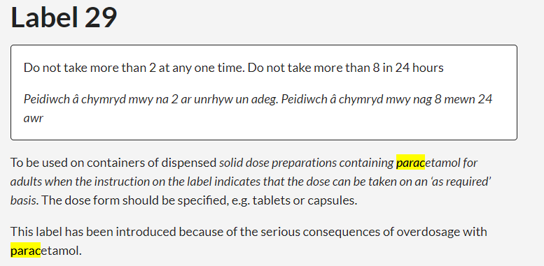
 | w | 9 | 1 | One Or Two Doses To Be Inhaled Up To Four Times A Day When Necessary | 200 dose | 8086200 | y | Salbutamol 100micrograms/dose breath actuated inhaler CFC free |  |  | Agree should add "When necessary" | Amended as per SA's comments
 | f | 10 | 1 | Two Tablets To Be Taken Every 4-6 Hours Up To Four Times A Day. Maximum 8 Tablets in 24 Hours. Maximum 4g in a day. | 100 tablet | 6662546 | y | Paracetamol 500mg tablets |  | think we decide this could not be done. Would need to be maximum of 8 tablets in 24 hours | Can we also have a "maximum of 4g in a day" | Amended as per SA's comments
 | m/ah | 11 | 1 | One Tablet Daily At The Same Time Each Day Except On Day of Methotrexate | 28 tablet | 6202803 | y | Folic acid 5mg tablets |  |  | This needs to be communicated to the patient, hence would need to go into the field where the patient can see it on the label, not just the Right Hand Side of the prescription | Not sure of action required here? These order sentences are the medication requests that goes to the pharmacist, not what will be printed on the label? Discussed 9/8/2022 - order sentence ok, no action
 | t | 12 | 1 | One Tablet Daily For 21 Days; Subsequent Courses Repeated After 7-Day Tablet Free Interval | 63 tablet | 5987499 | y | Ethinylestradiol 30microgram / Levonorgestrel 150microgram tablets |  |  | Need to ensurethe patient is aware the 21 days of taking a tablet takes place, then immediately after no tablets are taken daily for 7 days | Not sure of action required here? Discussed 9/8/2022 SA comments are in response to Bill's comments. No action required to amend the order sentence.
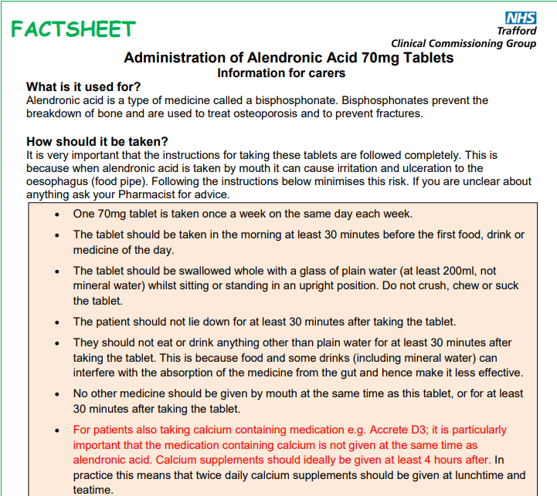
 | j | 14 | 1 | One Tablet To Be Taken At 8am 30 Minutes Before Food On The Same Day Each Week on a Wednesday | 4 tablet | 5687997 | y | Alendronic acid 70mg tablets |  | should always be taken in the morning | There is a need to say 30min before food on the label | Added '30 minutes before food' as per SA's comments
 | x | 16 | 1 | Apply Thinly Twice A Day To The Affected Area As Directed | 30 gram | 4134998 | y | Betamethasone dipropionate 0.064% / Clotrimazole 1% cream |  | wher are we applying this ? | "Apply to the affected area" | Not sure of action required here? - Discussed 9/8/2022 SNOMED has a concept for 'affected area' - amended order sentence to include 'to the affected area'.
 | z | 17 | 1 | One Capsule To Be Taken Each Morning Before Food | 56 capsule | 3967353 | y | Lansoprazole 30mg gastro-resistant capsules
 | n/v | 18 | 1 | Inject Subcutaneously Three Times A Day As Per Instructions | 5 pre-filled syringes | 3899374 | y | NovoRapid FlexPen 100units/ml solution for injection 3ml pre-filled pens (Novo Nordisk Ltd) |  | No dose amount specified or "as per instructions". 9/8/2022 HT added 'As per instructions'. | Inject subcutaneously three times a day | Amended from For Subcutaneous Injection, According To Requirements to Inject subcutaneously three times a day as per SA's comments
 | e | 22 | 1 | Two Capsules To Be Taken On The First Day Then One To Be Taken Each Day For 10 Days | 12 capsule | 3739458 | y | Doxycycline 100mg capsules | sequence 1 and 2 |  | Also require a course length "for 10 days" | Added 'for 10 days' as per SA's comment
 | a | 23 | 1 | One Tablet To Be Taken As Directed | 28 tablet | 3723127 | y | Zopiclone 7.5mg tablets | as directed
 | x | 24 | 1 | Apply Up To Three Times A Day For Two Weeks | 20 gram | 3667128 | y | Clotrimazole 1% cream | course duration |  | "As directed" at the end and/or "for two weeks" | Added 'for two weeks' as per SA's comment
 | u | 26 | 1 | Two Doses To Be Used In Each Nostril Once A Day | 120 dose | 3240964 | y | Fluticasone furoate 27.5micrograms/dose nasal spray | nasal dose form |  | Can be either, local decision for spray or dose | Preference - spray or dose? - Discussed 9/8/2022 To use the wording as per the unit dose in dm+d - dm+d uses dose for Avamys, therefore amended order sentence to use dose.
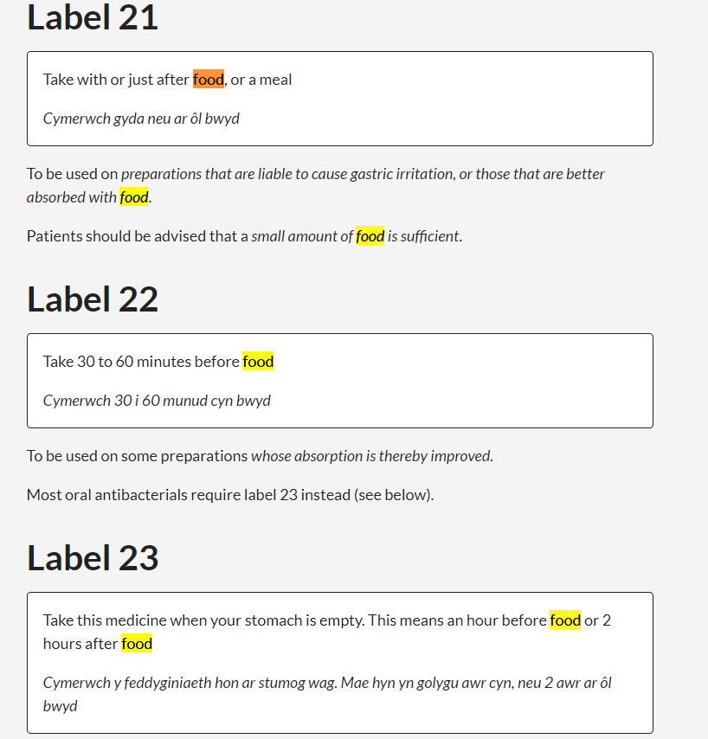
 | y | 27 | 1 | One 5ml Spoonful To Be Taken Three Times A Day With Or After Food | 100 ml | 3052207 | y | Ibuprofen 100mg/5ml oral suspension sugar free |  | maybe include a warning of with or after food to demonstrate use of additional instructions | In FHIR will the warning labels come through separately or as part of the order sentence, typically I have seen this done separately. | To discuss. Discussed 9/8/2022 Some GPs include 'with or after food' or other wording which maybe replicated in the warning label, therefore to include example order sentences that have this to reflect real life.
 | a | 28 |  | To Be Used As Directed | 56 x 200ml | 3037005 | y | Fortijuce liquid assorted (Nutricia Ltd)
 | x | 29 | 1 | Apply To The Arms And Legs When Required For Dry Skin | 500 gram | 3036274 | y | Emulsifying wax 30% / Yellow soft paraffin 30% ointment | a when required with indication | should really say where arm/leg/rash | We typically state "Apply to the affected areas when required as an emolient/moisturiser" | To discuss Discussed 9/8/2022 Included a mixture of specific body site (including right/left/both eye/ear/nostril) and 'affected area' examples in the order sentences.
 | l | 32 | 1 | Half A Tablet To Be Taken Daily With Breakfast | 28 tablet | 2738146 | y | Gliclazide 80mg tablets
 | x | 34 | 1 | Apply Thinly Once Or Twice A Day To The Rash | 30 gram | 2641128 | y | Fluorouracil 0.5% cream | rash is a synonym on Eruption (morphologic abnormality) | should really say where arm/leg/rash
 | u | 37 |  | One Spray To Be Used In The Affected Ear(s) Three Times A Day | 5 ml | 2502624 | y | Otomize ear spray (Lexon (UK) Ltd) |  |  |  | To discuss Discussed 9/8/2022 Included a mixture of specific body site (including right/left/both eye/ear/nostril) and 'affected area' examples in the order sentences.
 | n/x | 39 |  | Apply To Skin Or Use As A Soap Substitute | 600 ml | 2391856 | y | Oilatum Emollient (Thornton & Ross Ltd)
 | u | 40 |  | One Drop To Be Used In The Both Eye(s) Four Times A Day | 13.5 ml | 2239325 | y | Sodium cromoglicate 2% eye drops |  |  |  | To discuss Discussed 9/8/2022 Included a mixture of specific body site (including right/left/both eye/ear/nostril) and 'affected area' examples in the order sentences.
 | w | 42 |  | Inhale The Contents Of One Capsule Once Daily, At The Same Time Of Day. | 60 capsule | 2144435 | y | Tiotropium bromide 18microgram inhalation powder capsules with device
 | h/l/y | 43 |  | One Or Two 5ml Spoonfuls To Be Taken After Meals And At Bedtime | 500 ml | 2130095 | y | Sodium alginate 500mg/5ml / Potassium bicarbonate 100mg/5ml oral suspension sugar free
 | r | 44 |  | Apply One Patch Each Week As Directed. Remove Old Patch Before Applying New Patch. Place The New Patch At A Different Site. | 4 patch | 2123094 | y | Buprenorphine 10micrograms/hour transdermal patches |  |  | Place the new patch at a different site | Added 'Place the new patch at a different site' as per SA's comments
 | u | 46 |  | One Drop To Be Used At Night In Right Eye(s) | 2.5 ml | 2029980 | y | Latanoprost 50micrograms/ml eye drops 0.2ml unit dose preservative free |  | specify right/left/both eyes
Similar to row 126, can consider removing row 49 | u | 47 |  | Two Sprays To Be Used In Each Nostril Twice A Day | 180 dose | 2019154 | y | Ipratropium bromide 21micrograms/dose nasal spray
 | z | 49 | 1 | Two Tablets To Be Taken Twice A Day With Food | 60 tablet | 1925441 | y | Valganciclovir 450mg tablets
 | z | 50 | 1 | One Tablet To Be Taken Three Times A Day Twenty Minutes Before Food | 100 tablet | 1897563 | y | Mebeverine 135mg tablets | offset timing
 | c/n |  |  | 1.8 mg (0.3 ml) Daily By Subcutaneous Injection | 5 pre-filled disposable injection |  | y | Victoza 6mg/ml solution for injection 3ml pre-filled pens (Novo Nordisk Ltd)
 | d/h/z/y |  |  | 10-20ml Three Times A Day 20 - 60 Minutes After Meals And At Bedtime Or As Required | 500 ml |  | y | Co-magaldrox 195mg/220mg/5ml oral suspension sugar free | both instructions are sequence 1 as co-exist. Not sure offset can be a range
 | aa |  |  | 10ml To Be Used As A Mouthwash Twice A Day | 300 ml |  | y | Chlorhexidine gluconate 0.2% mouthwash
 | j |  |  | 12.5mg (Five Tablets) To Be Taken Weekly On A Thursday | 20 tablet |  | y | Methotrexate 2.5mg tablets |  | think that methotrexate guidelines say the prescriber must specify the day | Need to say once a week on the same day each week. Can incorporate the day within the label (ideally) or leave as once a week | To discuss - is current wording ok? Discussed 9/8/2022 Order sentence ok
 | ad |  |  | 1ml To Be Dropped Into The Mouth Four Times A Day | 30 ml |  | y | Nystatin 100,000units/ml oral suspension sugar free |  |  | The actual instructions do say drop, local places may say rinse... | To discuss - is current wording ok? Discussed 9/8/2022 Order sentence ok
 | z |  |  | 2.5 ml (1/2 measuring spoon) of gel, applied four times a day after meals | 15 gram |  | y | Miconazole 20mg/g oromucosal gel sugar free |  |  | Oral route | What's the wording to be added? Discussed 9/8/2022 Order sentence ok
 | ad |  |  | 8 Drops (16mg) To be Taken Each Day | 15 ml |  | y | Citalopram 40mg/ml oral drops sugar free
 | n/x |  |  | Add Half To Two Capfuls To Bath Water Or Apply To Wet Skin And Rinse | 500 ml |  | y | LPL 63.4 bath additive and emollient (Huxley Europe Ltd)
 | ab |  |  | Apply 1cm Twice Each Day Using A Toothbrush. Brush Teeth For 1 Minute Before Spitting Out | 75 ml |  | y | Sodium fluoride 0.619% dental paste sugar free
 | ae |  |  | Apply 2.5cm Of Ointment To Anal Canal Every 12 Hours Until Pain Stops. Do Not Use For More Than 8 Weeks | 30 gram |  | y | Glyceryl trinitrate 0.4% rectal ointment
 | x |  |  | Apply A Thick Layer And Cover With Dressing 1 to 5 Hours Before Procedure | 25 gram |  | y | Lidocaine 2.5% / Prilocaine 2.5% cream
 | e/u |  |  | Apply To The Affected Eye(s) Every Two To Four Hours For 2 Days Then Reduce Frequency To Four Times A Day For 7 Days | 10 ml |  | y | Chloramphenicol 0.5% eye drops |  | would usually include course duration. 7 days ? One eye or both ? |  | See also lines 42 and 48. To only provide examples which state the specific eye (Right, left, both)? Discussed 9/8/2022 Included a mixture of specific body site (including right/left/both eye/ear/nostril) and 'affected area' examples in the order sentences.
 | x |  |  | Apply Half An Inch Of Gel To The Ulcer With Gentle Massage Not More Often Than Every 3 Hours | 15 gram |  | y | Choline salicylate 8.7% oromucosal gel sugar free
 | h |  |  | Apply Night And Morning And After A Bowel Movement. Do Not Use For Longer Than 7 Days | 30 gram |  | y | Cinchocaine 0.5% / Hydrocortisone 0.5% ointment
 | f |  |  | Apply Once Daily For Up To 12 Hours, Followed By A 12-hour Plaster-free Period As Directed | 10 plaster |  | y | Lidocaine 5% medicated plasters
 | r |  |  | Apply One Patch Every 72 Hours As Directed. Remove Old Patch Before Applying New Patch | 5 patch |  | y | Fentanyl 25micrograms/hour transdermal patches
 | f/n |  |  | Apply Sparingly Up To 3 Or 4 Times Daily (not more often than every 4 hours) | 45 gram |  | y | Axsain 0.075% cream (Teva UK Ltd)
 | x |  |  | Apply To Infected Nails 1 Or 2 Times Weekly As Directed | 5 ml |  | y | Amorolfine 5% medicated nail lacquer
 | u |  |  | Apply To Nostrils Four Times A Day For 10 Days | 15 gram |  | y | Neomycin 0.5% / Chlorhexidine hydrochloride 0.1% cream
 | x |  |  | Apply To Skin Or Scalp Two To Three Times Daily | 250 ml |  | y | Exorex lotion (Teva UK Ltd)
 | n/v/z |  |  | For Subcutaneous Injection, Up To 10 Minutes Before Or Soon After A Meal, According To Requirements | 5 pre-filled disposable injection |  | y | NovoMix 30 FlexPen 100units/ml suspension for injection 3ml pre-filled pens (Novo Nordisk Ltd)
 | f/q |  |  | Inject A Single 6 mg Dose At Onset of Attack. If Symptoms Come Back, Repeat Dose Once At Least One Hour After First Injection. | 2 pre-filled disposable injection |  | y | Sumatriptan 6mg/0.5ml solution for injection pre-filled disposable devices |  |  | "Inject a SINGLE 6mg dose...."etc not ONE 6mg which could be misconstrued | Amended One to A Single as per SA's comments
 | ae |  |  | Insert One Metered Application Into The Rectum Each Day | 14 dose |  | y | Budesonide 2mg foam enema
 | z |  |  | One Capsule To Be Taken Daily One Hour After A Meal | 84 capsule |  | y | Orlistat 120mg capsules
 | d/n |  |  | One Dose (Half Dual-sachet) Mixed With Feeds When Required. Maximum 6 Times Per 24 Hours | 30 sachet |  | y | Gaviscon Infant oral powder sachets (Forum Health Products Ltd)
 | ac |  |  | One Or Two Tablets Twice Daily. Tablets Are Placed High Between Upper Lip And Gum And Left To Dissolve | 50 tablet |  | y | Prochlorperazine 3mg buccal tablets
 | h/z |  | 1 | One Or Two Tablets To Be Chewed After Meals And At Bedtime | 60 tablet |  | y | Gaviscon Advance Mint chewable tablets (Reckitt Benckiser Healthcare (UK) Ltd)
 | r |  |  | One Patch To Be Applied Twice Weekly | 24 patch |  | y | Estradiol 100micrograms/24hours transdermal patches
 | e |  |  | One Puff To Be Inhaled Twice A Day. Increase If Necessary To Two Puffs Twice A Day | 120 dose |  | y | Beclometasone 100micrograms/dose / Formoterol 6micrograms/dose inhaler CFC free
 | h/z |  |  | One Sachet In Water, Morning And Evening 30 Minutes Before Food | 10 sachet |  | y | Ispaghula husk 3.5g / Mebeverine 135mg effervescent granules sachets sugar free
 | h |  |  | One Tablet Approx 60 Minutes Before Sexual Activity | 8 tablet |  | y | Sildenafil 50mg tablets
 | t |  |  | One Tablet Daily For 21 Days, Starting With Light Brown Tablet Marked 1 On Day 1 Of Cycle. Repeat After 7 Day Tablet Free Interval | 63 tablets |  | y | Co-cyprindiol 2000microgram/35microgram tablets
 | a |  | 1 | One Capsule To Be Taken As A Single Dose | 1 capsule |  | y | Fluconazole 150mg capsules
 | h |  | 1 | One Capsule To Be Taken Daily On Days 1 To 25 Of Cycle | 30 capsule |  | y | Progesterone micronised 100mg capsules
 | h |  | 1 | One Tablet To Be Taken Each Day Starting 1-2 Days Before Entering Endemic Area And Continued For 4 Weeks After Leaving | 24 tablet |  | y | Proguanil 100mg / Atovaquone 250mg tablets
 | h/z |  | 1 | One Tablet To Be Taken Each Morning Preferably 30-60 Minutes Before Breakfast, Caffeine-containing Drinks Or Other Medication | 56 tablet |  | y | Levothyroxine sodium 100microgram tablets
 | a |  | 1 | One Tablet To Be Taken in the Morning. Swallow Whole Or Dissolve Contents Of Capsule In A Glass Of Water. | 28 capsule |  | y | Lisdexamfetamine 30mg capsules
 | h/z |  | 1 | One Tablet To Be Taken With Breakfast, Lunch And Evening Meal | 84 tablet |  | y | Metformin 500mg tablets
 | w |  | 1 | The Contents Of One Vial To Be Used In The Nebuliser Every 4-6 Hours As Necessary | 20 unit dose |  | y | Salbutamol 5mg/2.5ml nebuliser liquid unit dose vials
 | aa |  |  | Rinse Mouth Each Day With 10ml For One Minute Then Spit Out | 500 ml |  | y | Sodium fluoride 0.05% mouthwash sugar free
 | d |  |  | Rinse Or Gargle Using 15 ml Every One And A Half To Three Hours As Required | 300 ml |  | y | Benzydamine 0.15% mouthwash sugar free
 | x |  |  | Rub Into Dry Hair And Scalp, Allow To Dry Naturally, Shampoo After Minimum 8 Hours. Repeat After 7 Days | 120 ml |  | y | Dimeticone 4% lotion
 |  |  |  | Take 20mg Per Day (Four Pump Actuations) | 50 ml |  | y | Memantine 10mg/ml oral solution sugar free |  |  | Are these not "Pump actuations"? | Yes it is. What's the proposal? To change the wording to 'Take 20mg Per Day (Four Pump Actuations)'? Discussed 9/8/2022 Changed from 'Take 20mg per day (2ml solution, equivalent to four downward strokes)' to 'Take 20mg Per Day (Four Pump Actuations)' - wording four pump actuations is as per SPC.
 | af |  |  | Take One Tablet As A Single Dose As Soon As Possible (preferably within 12 hours and no later than after 72 hours) | 1 tablet |  | y | Levonorgestrel 1.5mg tablets
 | o/q |  |  | Take One Tablet For Migraine Attack. If Symptoms Come Back, Take One Tablet At Least Two Hours After First Dose. | 6 tablet |  | y | Sumatriptan 100mg tablets
 | e |  |  | Take The Contents Of 4 Sachets Dissolved in Water On First Day, Increase In Steps Of 2 Sachets Daily To Max. 8 Sachets Daily. | 30 sachet |  | y | Macrogol compound oral powder sachets NPF sugar free
 | d/f/q |  | 1 | Two Tablets At Onset Of Attack Then One Every 4 Hours When Necessary, Max 6 In 24 Hours | 42 tablet |  | y | Paracetamol 500mg / Metoclopramide 5mg tablets
 | a/n |  |  | Two Tablets To Be Taken Every 12 Hours | 60 tablet |  | y | MST Continus 15mg tablets (Napp Pharmaceuticals Ltd)
 | e |  |  | Two Sprays To Be Used In Each Nostril Twice A Day, Then Reduce When Symptoms Under Control | 200 dose |  | y | Beclometasone 50micrograms/dose nasal spray
 | h |  | 1 | Two Tablets To Be Taken 2 Hours Before Travel, Then One To Be Taken Every 8 Hours During Journey If Necessary | 15 tablet |  | y | Cinnarizine 15mg tablets
 | g/h |  | 1 | Two Tablets To Be Taken Each Morning, One At Midday And One At Night | 84 tablet |  | y | Acamprosate 333mg gastro-resistant tablets
 | aa/n |  |  | Use 4-8 Sprays Every One And A Half To Three Hours | 30 ml |  | y | Difflam 0.15% spray (Viatris UK Healthcare Ltd)
To meet scenarios in PRSB | b |  |  | One To Be Taken On Alternate Days | 56 tablet |  | y | Lamotrigine 25mg tablets
 | e |  |  | Take Six Tablets (60mg) Once Daily For 5 days, Then Reduce By One Tablet (10mg) Every 3 days Until Prednisolone Is Discontinued | 30 tablet |  | y | Prednisolone 10mg tablets | Prednisolone 10mg tablets (short term prophylaxis of episodic cluster headache) - BNF
 | e |  |  | One To Be Taken Twice Daily, Then Increase To Two To Be Taken Twice Daily After One Week | 56 tablet |  | y | Lacosamide 50mg tablets | Lacosamide 50mg tablet (monotherapy focal seizures with or without secondary generalisation)
 | p |  |  | Take Four Tablets As A Single Dose On The First Day, Then Take One Tablet Daily Thereafter | 30 tablet |  | y | Clopidogrel 75mg tablets | Clopidogrel 75mg tablet (Prevention of atherothrombotic events in acute coronary syndrome without ST-segment elevation (given with aspirin)) |  |  | Two clopidogrels - line 136 and line 141 - ok or to change one of them. Discussed 9/8/2022 Ok to leave with both clopidogrel examples as they are to demonstrate different examples.
 | g |  |  | Two Tablets To Be Taken In The Morning And One Tablet At Midday | 56 tablet |  | y | Furosemide 40mg tablets |  | Frusemide 40mg tablets . 2 to be taken in the morning and one at midday
 | f |  |  |  |  |  | y |  |  | I dont think minimum course duration is possible
Phosphate enema | q |  |  | Take The Contents Of One Sachet At 8am on 5th September And Take The Contents Of One Sachet 6 hours later | 2 sachet |  | y | Picolax oral powder 16.1g sachets |  | picolax sachet. One sachet to be taken at 8am on 5th september and one sachet to be taken 6 hours later
 | s |  |  | One Tablet To Be Taken Each Morning For 12 Months | 30 tablet |  | y | Clopidogrel 75mg tablets |  | Clopidogerl 75 mg tablets. One to be taken each morning for 12 months.
 | k |  |  | Take The Contents Of One Sachet At 10am On 1st September (Before Dental Appointment) | 2 sachet |  | y | Amoxicillin 3g oral powder sachets sugar free |  | Amoxicillin 3gm sachet. To be taken at 10am on 1st September. As you might do pre-dental appt
 |  |  |  | 1mg To Be Administered Intramuscularly Three Times A Week For 2 Weeks, Then 1mg Every 2-3 Months. | 5 ampoule |  | y | Hydroxocobalamin 1mg/1ml solution for injection ampoules |  | Hydroxocobalamin 1mg injection Initially 1 mg 3 times a week for 2 weeks, then 1 mg every 2–3 months. Intramuscular
 |  |  |  | One To Be Taken Orally Twice Daily On Mondays And Thursdays | 28 tablet |  | y | Co-trimoxazole 80mg/400mg tablets |  | Co-trimoxazole 80mg/400mg tablets one to be taken orally twice daily on Mondays and Thursdays

