Sheet1
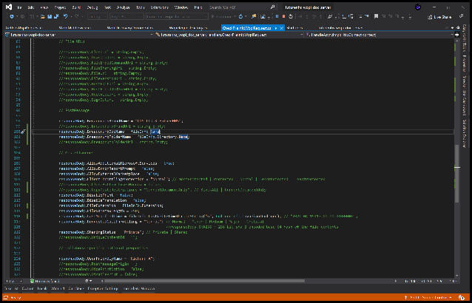
Sheet 1

Column1 | Column2 | Column3 | Column4 |  | Average Formula -> | 2.5

 |  |  |  | State | Revenue | Expense
 |  | 3D Model |  | Seattle | 70 | 20
 |  |  |  | Berlin | 85 | 55
 |  |  |  | London | 60 | 40
 |  |  |  | Paris | 35 | 60
 |  |  |  | Tokyo | 80 | 20

$${\left(x+a\right)}^{n}=\sum_{k=0}^{n}{\left({n \atop k}\right)x^{k}a^{n−k}}$$
$$f\left(x\right)=a_{0}+\sum_{n=1}^{∞}{\left(a_{n}\cos{\frac{nπx}{L}}+b_{n}\sin{\frac{nπx}{L}}\right)}\frac{−b±\sqrt{b^{2}−4ac}}{2a}$$

