Sheet1
TC ID | TC Description | Result | Web test: http://railwayb2.somee.com
TC01 | User can log into Railway with valid username and password | HAPPY PASS

TC02 | User can't login with blank "Username" textbox | HAPPY PASS

TC03 | User cannot log into Railway with invalid password | Failed pass
 |  | Expected :There was a problem with your login and/or errors exist in your form.
 |  | Actual :Invalid username or password. Please try again.

TC04 | Login page displays when un-logged User clicks on "Book ticket" tab | HAPPY PASS

TC05 | System shows message when user enters wrong password several times | Failed pass
 |  | Expected :You have used 4 out of 5 login attempts. After all 5 have been used, you will be unable to login for 15 minutes. Actual :Invalid username or password. Please try again.

TC06 | Additional pages display once user logged in | HAPPY PASS

TC07 | User can create new account
 |  | Failed pass
 |  | Expected : Thank you for registering your account Actual: You're here

TC08 | User can't login with an account hasn't been activated | HAPPY PASS

TC09 | User can change password | Failed pass
 |  | Expected : Your password has been updated Actual: Your password has been updated!

TC10 | User can't create account with "Confirm password" is not the same with "Password" | HAPPY PASS

TC11 | User can't create account while password and PID fields are empty | HAPPY PASS

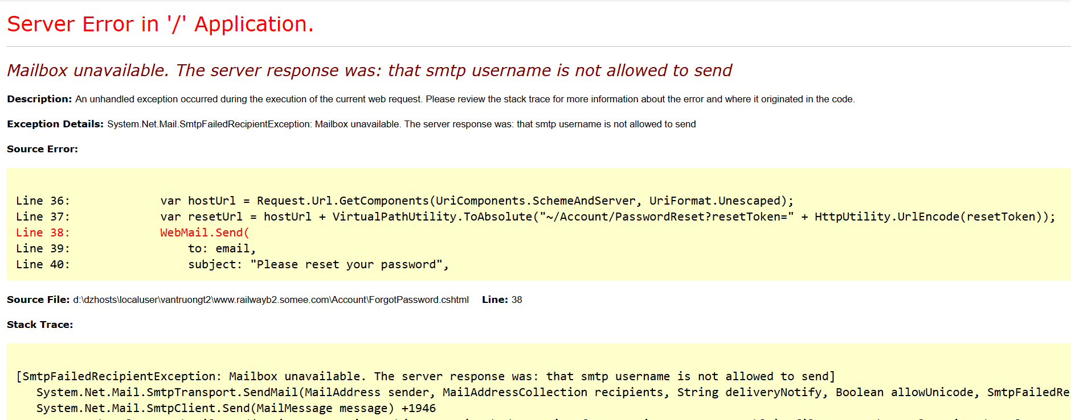
TC12 | Errors display when password reset token is blank | Failed pass
 |  | Cannot navigate to Token Entering Page

TC13 | Errors display if password and confirm password don't match when resetting password | Failed pass
 |  | Cannot navigate to Token Entering Page

TC14 | User can book 1 ticket at a time | Failed pass
 |  | Expected :Ticket booked successfully!
 |  | Actual :Ticket Booked Successfully!

TC15 | User can open "Book ticket" page by clicking on "Book ticket" link in "Train timetable" page | HAPPY PASS

TC16 | User can cancel a ticket | HAPPY PASS

