Pivot Chart
Row Labels | Sum of SalesAmount
From 20 to 40 | 7168024.83
Greater 40 | 1668085.22
Less 20 | 934789.69
Grand Total | 9770899.74

 |  |  |  | Product Name | Total SalesAmount
 |  |  |  | Mountain-200 Black, 38 | 587517.44
 |  |  |  | Mountain-200 Black, 42 | 576042.49
 |  |  |  | Mountain-200 Black, 46 | 530142.69
 |  |  |  | Mountain-200 Silver, 38 | 589277.46
 |  |  |  | Mountain-200 Silver, 42 | 535917.69
 |  |  |  | Mountain-200 Silver, 46 | 579997.5
 |  |  |  | Grand Total | 3398895.27
 |  |  |  |  |  | Total SalesAmount
 |  |  |  |  |  | 9,770,900
 |  |  |  |  |  |  | Product Name | Total SalesAmount
 |  |  |  |  |  |  | Mountain-200 Black, 38 | 587,517
 |  |  |  |  |  |  | Mountain-200 Black, 42 | 576,042
 |  |  |  |  |  |  | Mountain-200 Black, 46 | 530,143
 |  |  |  |  |  |  | Mountain-200 Silver, 38 | 589,277
 |  |  |  |  |  |  | Mountain-200 Silver, 42 | 535,918
 |  |  |  |  |  |  | Mountain-200 Silver, 46 | 579,998
 |  |  |  |  |  |  | Grand Total | 3,398,895


Total SalesAmount
Sales Amount by Year Month Gender
 | Female | Male
2003 December | 865692.62 | 866095.15
2003 November | 621298.79 | 575682.32
2003 October | 589273.37 | 491176.21
2003 September | 492890.07 | 517368.06
2003 July | 454470.27 | 432198.57
2003 August | 421090.24 | 426323.27
2003 May | 263766.9177 | 299005.6468
2003 June | 301244.4008 | 253554.8273
2003 April | 240104.3693 | 266294.8961
2003 February | 259195.1604 | 229895.1752
2003 March | 224652.584 | 260922.2083
2003 January | 198643.6293 | 240221.5425
2002 June | 335400.8948 | 341362.7548
2002 May | 367823.0994 | 305733.0984
2002 April | 352715.1838 | 310977.103
2002 March | 306450.9538 | 337684.2484
2002 January | 315158.9702 | 281587.5866
2002 December | 297795.8608 | 279518.1394
2002 February | 270492.781 | 280323.913
2002 August | 294444.9394 | 251556.5314
2002 July | 249789.3452 | 250575.8098
2002 October | 215712.0261 | 199678.2072
2002 September | 200788.8532 | 149678.138
2002 November | 169335.9568 | 165759.1319

9,770,900

 |  | Product Name | Total SalesAmount
 |  | Mountain-200 Black, 38 | 587517.44
 |  | Mountain-200 Black, 42 | 576042.49
 |  | Mountain-200 Black, 46 | 530142.69
Sales Amount by GroupYear
Sales Amount by Quarter
 | Total
Total | 9770899.74
 |  | Mountain-200 Silver, 38 | 589277.46
 |  | Mountain-200 Silver, 42 | 535917.69
 |  | Mountain-200 Silver, 46 | 579997.5
 |  | Grand Total | 3398895.27
 |  | 0 | 0
 |  | 0 | 0
 |  | 0 | 0
 |  | 0 | 0

Trang chủ
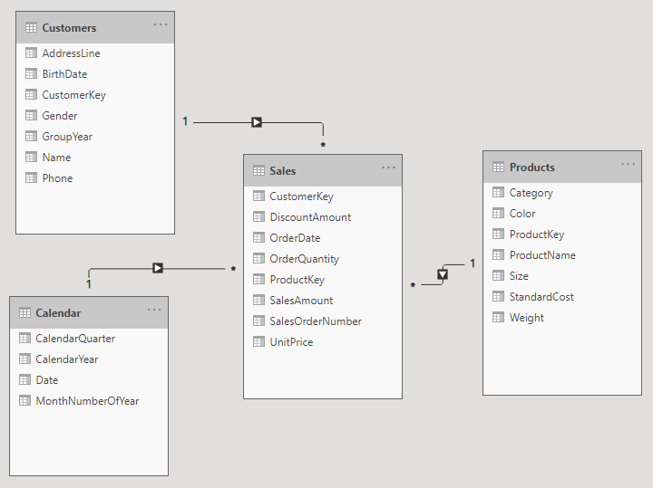
Trực quan hóa - Mô hình Dashboar

