C1
CS Form No. 212
Revised 2025

PERSONAL DATA SHEET
WARNING: Any misrepresentation made in the Personal Data Sheet and the Work Experience Sheet shall cause the filing of administrative/criminal case/s against the person concerned.
READ THE ATTACHED GUIDE TO FILLING OUT THE PERSONAL DATA SHEET (PDS) BEFORE ACCOMPLISHING THE PDS FORM.
Print legibly if accomplished through own handwriting. Tick appropriate boxes ( ) and use separate sheet if necessary. Indicate N/A if not applicable. DO NOT ABBREVIATE.

I. PERSONAL INFORMATION
1. | SURNAME | BANTOG
2. | FIRST NAME | MARIE ANGELI |  |  |  |  | NAME EXTENSION (JR., SR) N/A
 | MIDDLE NAME | DE LUMEN
3. | DATE OF BIRTH (dd/mm/yyyy) | 1998-05-05 | 16. CITIZENSHIP

4. | PLACE OF BIRTH | LEGAZPI CITY | If holder of dual citizenship, |  |  |  | Pls. indicate country:
5. | SEX AT BIRTH |  | please indicate the details.
6 | CIVIL STATUS |  | 17. RESIDENTIAL ADDRESS | 016 |  |  | MONS. F REYES ST.
 |  |  |  | House/Block/Lot No. |  |  | Street
 |  |  |  |  |  |  | 11 MAOYOD

 |  |  |  | Subdivision/Village |  |  | Barangay
7. | HEIGHT (m) | 1.62 |  | LEGAZPI CITY |  |  | ALBAY
 |  |  |  | City/Municipality |  |  | Province
8. | WEIGHT (kg) | 60 | ZIP CODE | 4500
9. | BLOOD TYPE | A+ | 18. PERMANENT ADDRESS | 016 |  |  | MONS. F REYES ST.
 |  |  |  | House/Block/Lot No. |  |  | Street
10. | UMID ID NO. | N/A |  |  |  |  | 11 MAOYOD
 |  |  |  | Subdivision/Village |  |  | Barangay
11. | PAG-IBIG ID NO. | 121380402084 |  | LEGAZPI CITY |  |  | ALBAY
 |  |  |  | City/Municipality |  |  | Province
12. | PHILHEALTH NO. | 10-025393503-5 | ZIP CODE | 4500
13. | PhilSys Number (PSN): | 2942-7102-6497-5812 | 19. TELEPHONE NO. | N/A
14. TIN NO. |  | 697320243 | 20. MOBILE NO. | 09165494742
15. AGENCY EMPLOYEE NO. |  | N/A | 21. E-MAIL ADDRESS (if any) | marieangelibantog@gmail.com
II. FAMILY BACKGROUND
22. | SPOUSE'S SURNAME | BANTOG |  | 23. NAME of CHILDREN (Write full name and list all) |  |  |  | DATE OF BIRTH (dd/mm/yyyy)
 | FIRST NAME | JOHN GLENN | NAME EXTENSION (JR., SR) N/A | JANNE ANGELIQUE D. BANTOG |  |  |  | 2019-01-06
 | MIDDLE NAME | MANALO |  | JANAIA GLENZELLE D. BANTOG |  |  |  | 2021-01-23
 | OCCUPATION | TOURISM STAFF
 | EMPLOYER/BUSINESS NAME | LGU CAMALIG
 | BUSINESS ADDRESS | BRGY. 2 POBLACION CAMALIG, ALBAY
 | TELEPHONE NO. | N/A
24. | FATHER'S SURNAME | DE LUMEN
 | FIRST NAME | DAVID | NAME EXTENSION (JR., SR) N/A
 | MIDDLE NAME | AJERO
25. | MOTHER'S MAIDEN NAME | ROSEMARIE L. AGUILAR
 | SURNAME | DE LUMEN
 | FIRST NAME | ROSEMARIE
 | MIDDLE NAME | AGUILAR |  | (Continue on separate sheet if necessary)
III. EDUCATIONAL BACKGROUND
26. | LEVEL | NAME OF SCHOOL (Write in full) | BASIC EDUCATION/DEGREE/COURSE (Write in full) |  | PERIOD OF ATTENDANCE |  | HIGHEST LEVEL/ UNITS EARNED (if not graduated) | YEAR GRADUATED | SCHOLARSHIP/ ACADEMIC HONORS RECEIVED

 |  |  |  |  | From | To
 | ELEMENTARY | ALBAY CENTRAL SCHOOL | N/A |  | 2006 | 2011 | N/A | 2011 | N/A
 | SECONDARY | LEGAZPI CITY HIGH SCHOOL | N/A |  | 2011 | 2015 | N/A | 2015 | N/A
 | VOCATIONAL / TRADE COURSE | N/A | N/A |  | N/A | N/A | N/A | N/A | N/A
 | COLLEGE | BICOL UNIVERSITY COLLEGE OF ARTS AND LETTERS | BACHELOR OF ARTS IN COMMUNICATION |  | 2015 | 2019 | N/A | 2019 | N/A

 | GRADUATE STUDIES | N/A | N/A |  | N/A | N/A | N/A | N/A | N/A
(Continue on separate sheet if necessary)
SIGNATURE |  |  |  |  | DATE |  | 2026-03-31
CS FORM 212 (Revised 2025), Page 1 of 4

 |  | (e-signature or actual signature or digital certificate)

C4
34. |  | Are you related by consanguinity or affinity to the appointing or recommending authority, or to the
 |  | chief of bureau or office or to the person who has immediate supervision over you in the Office,
 |  | Bureau or Department where you will be apppointed,

 |  | a. within the third degree?

 |  | b. within the fourth degree (for Local Government Unit - Career Employees)?
 |  |  |  |  |  | If YES, give details: ________________________________ ________________________________

35. |  | a. Have you ever been found guilty of any administrative offense?
 |  |  |  |  |  | If YES, give details: ________________________________ ________________________________

 |  | b. Have you been criminally charged before any court?
 |  |  |  |  |  | If YES, give details: ________________________________ ________________________________
 |  |  |  |  |  |  | Date Filed:
 |  |  |  |  |  | Status of Case/s:

36. |  | Have you ever been convicted of any crime or violation of any law, decree, ordinance or regulation by any court or tribunal?
 |  |  |  |  |  | If YES, give details: ________________________________ ________________________________

37. |  | Have you ever been separated from the service in any of the following modes: resignation, retirement, dropped from the rolls, dismissal, termination, end of term, finished contract or phased out (abolition) in the public or private sector?
 |  |  |  |  |  | If YES, give details: ________________________________ ________________________________

38. |  | a. Have you ever been a candidate in a national or local election held within the last year (except Barangay election)?
 |  |  |  |  |  | If YES, give details:

 |  | b. Have you resigned from the government service during the three (3)-month period before the last election to promote/actively campaign for a national or local candidate?
 |  |  |  |  |  | If YES, give details:

39. |  | Have you acquired the status of an immigrant or permanent resident of another country?
 |  |  |  |  |  | If YES, give details (country):

40. |  | Pursuant to: (a) Indigenous People's Act (RA 8371); (b) Magna Carta for Disabled Persons (RA 7277, as amended); and (c) Expanded Solo Parents Welfare Act (RA 11861), please answer the following items:

a. |  | Are you a member of any indigenous group?
 |  |  |  |  |  | If YES, please specify:
b. |  | Are you a person with disability?
 |  |  |  |  |  | If YES, please specify ID No:
c. |  | Are you a solo parent?
 |  |  |  |  |  | If YES, please specify ID No:

Passport-sized unfiltered digital picture taken within
the last 6 months
4.5 cm. X 3.5 cm
41. |  | REFERENCES (Person not related by consanguinity or affinity to applicant /appointee) |  |  |  |  |  | 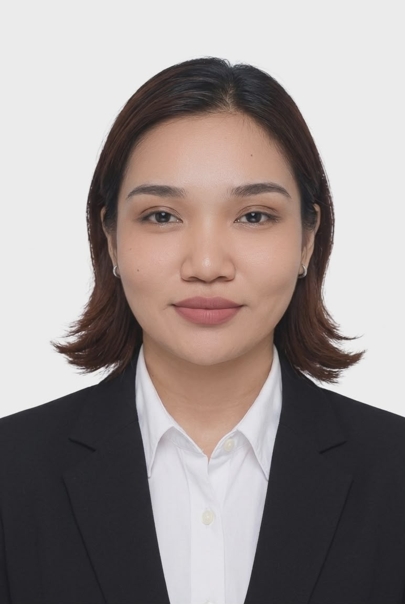
NAME |  |  |  |  | OFFICE / RESIDENTIAL ADDRESS | CONTACT NO. AND/OR EMAIL
Jetro Bueno |  |  |  |  | Bangko Sentral ng Pilipinas | 09688540630
Aileen Montes |  |  |  |  | Brgy. Bano, Legazpi Albay | 09690118885
Dan Belludo |  |  |  |  | Brgy. Maoyod, Legazpi Albay | 09569054614
42. |  | I declare under oath that I have personally accomplished this Personal Data Sheet which is a true, correct, and complete statement pursuant to the provisions of pertinent laws, rules, and regulations of the Republic of the Philippines. I authorize the agency head/authorized representative to verify/validate the contents stated herein. I agree that any misrepresentation made in this document and its attachments shall cause the filing of administrative/criminal case/s against me.
 |  |  |  |  |  |  |  |  | PHOTO


 | Government Issued ID (i.e.Passport, GSIS, SSS, PRC, Driver's License, etc.) PLEASE INDICATE ID Number and Date of Issuance
 | Government Issued ID: |  | N/A
 | ID/License/Passport No.: |  | N/A
 |  |  |  |  | Signature (Sign inside the box)
 | Date/Place of Issuance: |  | N/A |  | March 31, 2026
 |  |  |  |  | Date Accomplished |  |  |  | Right Thumbmark

SUBSCRIBED AND SWORN to before me this , affiant exhibiting his/her validly issued government ID as indicated above.

 |  |  |  | Person Administering Oath

CS FORM 212 (Revised 2025), Page 4 of 4

