IT EQUIPMENTS
ITEMS | QTY | UNIT | UNIT PRICE | TOTAL
DESKTOP (CATEGORY 3 - WORKSTATION DESKTOP) • Processor: Intel Core i7 14th Generation 20C/28T • Memory: 32GB DDR5 • Chipset: Intel B760 • Graphics: 8GB Discrete Graphics • Display: 27-inch IPS QHD Display • Storage: 1TB NVMe SSD • Accessories: USB Keyboard and Mouse • Network: Gigabit Ethernet, Wireless LAN 802.11ax 2x2 • Front Ports: 1x Audio Jack; 1x USB 3.2 Gen1 Type C; 2x USB 3.2 Gen1 Type A • Rear Ports: 1x Audio Jack; 1x HDMI, Display Port; 1x VGA; 1x RJ-45 Ethernet Port; 4x USB 3.2 Gen1 Type A • Included Software: Windows 11, Licensed MS Office • with 650VA Uninterruptible Power Supply (UPS); | 3 | UNIT
LOGITECH Brio 100 Full-HD Webcam (Off-White) Dimensions • Height : 31.91 mm • Width :72.91 mm • Depth : 66.64 mm • Weight : 75 g (camera only, not including cable weight) • Attached Cable Length : 1.5 m Technical Specifications • Multiple Resolutions : 1080p/30fps (1920x1080 pixels), 720p/30fps (1280x720 pixels) • Camera Megapixel : 2MP • Focus Type : Fixed focus • Lens Type : Custom 4 element plastic lens with anti-reflective coating • Built-in Microphone Type : Omni-directional microphone • Mic Range : Up to 1 m • Diagonal Field of View (dFoV) : 58° • Integrated Privacy Shutterm : Yes • USB Connectivity : USB-A plug-and-play •RightLight 2 Auto-Light Balance :Yes, for challenging lights Sustainability • Graphite Plastics : 77% post-consumer recycled material • Off-White and Rose Plastics : 34% post-consumer recycled material • Paper Packaging : FSC™-certified • Carbon Neutral : Certified carbon neutral System Requirements • Required : Available USB port • Works With : Windows, macOS, or ChromeOS and virtually any popular video calling platform | 4 | PCS |  |  | 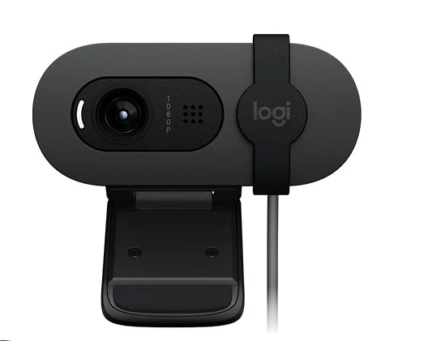
LOGITECH H370 USB Headset with Noise-Canceling Microphone Dimensions • Height : 200 mm • Width :245 mm • Depth : 54 mm • Weight : 0.12 kg • Cable Length : 2.4 m Technical Specifications • Microphone Type: Bi-directional • Input Impedance: 32 Ohms • Sensitivity (Headphone): 111 dBSPL +/- 3 dB • Sensitivity (Microphone): -42 dBV/Pa +/- 3 dB • Frequency response (Headset): 100 Hz - 10 KHz • Frequency response (Microphone): 200 Hz - 6 KHz Part Number : 981-000710 Compatibility : Windows®, macOS, or ChromeOS™ and popular calling platforms. Certified Works With Chromebook™. USB Port : 1 Type A port or adapter | 4 | PCS |  |  | 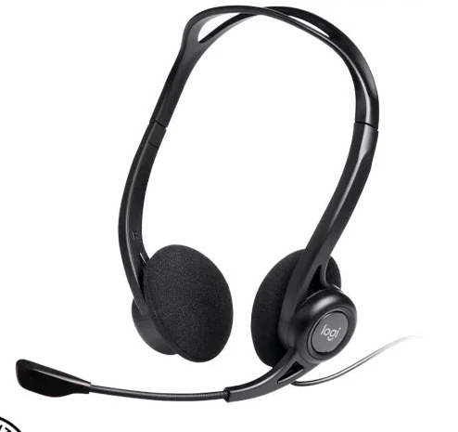
(EPSON L14150) MAINTENANCE BOX | 4 | PCS
(HP LASERJET MFP M42623) HP 57A ORIGINAL LASERJET IMAGING DRUM | 2 | PCS
(HP LASERJET MFP M42623) TONER B | 2 | PCS
UPS FOR INTERNET | 1 | PCS

ADDITIONAL :
TP-Link EAP610 AX1800 Ceiling Mount WiFi 6 Access Point:
Specs: HARDWARE FEATURES Interface 1× Gigabit Ethernet (RJ-45) Port (supports IEEE802.3at PoE) Button Reset Power Supply • 802.3at PoE • 12 V / 1 A DC Power Consumption • EU: 12.8 W (For PoE); 10.8 W (for DC) • US: 13.9W (For PoE); 11.8 W (for DC) Antenna Type Internal Omni • 2.4 GHz: 2× 4 dBi • 5 GHz: 2× 5 dBi Mounting Ceiling /Wall Mounting (Kits included) WIRELESS FEATURES Wireless Standards IEEE 802.11ax/ac/n/g/b/a Frequency 2.4 GHz and 5 GHz Signal Rate 5 GHz: Up to 1201 Mbps 2.4 GHz: Up to 574 Mbps Wireless Functions • 1024-QAM • 4× Longer OFDM Symbol • OFDMA • Multiple SSIDs (Up to 16 SSIDs, 8 for each band) • Enable/Disable Wireless Radio • Automatic Channel Assignment • Transmit Power Control (Adjust Transmit Power on dBm) • QoS(WMM) • MU-MIMO • Seamless Roaming • Omada Mesh • Band Steering • Load Balance • Airtime Fairness • Beamforming • Rate Limit • Reboot Schedule • Wireless Schedule • Wireless Statistics based on SSID/AP/Client Wireless Security • Captive Portal Authentication • Access Control • Wireless Mac Address Filtering • Wireless Isolation Between Clients • SSID to VLAN Mapping • Rogue AP Detection • 802.1X Support • WPA-Personal/Enterprise, WPA2-Personal/Enterprise, WPA3-Personal/Enterprise Transmission Power • CE: <20 dBm(2.4 GHz, EIRP) <23 dBm(5 GHz, EIRP) • FCC: <25 dBm (2.4 GHz) <25 dBm (5 GHz) MANAGEMENT Omada App Yes Centralized Management • Omada Hardware Controller (OC300) • Omada Hardware Controller (OC200) • Omada Software Controller Cloud Access Yes (Through OC300, OC200, or Omada Software Controller) Email Alerts Yes LED ON/OFF Control Yes Management MAC Access Control Yes SNMP v1, v2c, v3 System Logging Local/Remote Syslog Local/Remote Syslog SSH Yes Web-based Management HTTP/HTTPS L3 Management Yes Multi-site Management Yes Management VL | 2 | pcs |  | 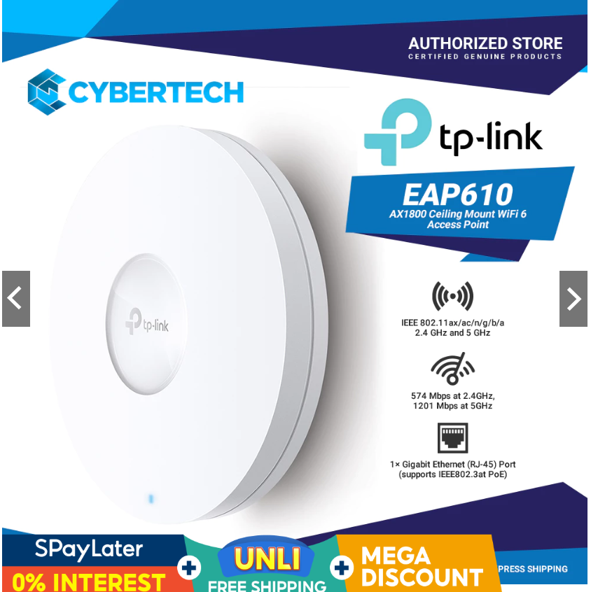
TP-Link EAP225 AC1350 Wireless MU-MIMO Gigabit Ceiling Mount Access Point:
HARDWARE FEATURES Interface Gigabit Ethernet (RJ-45) Port x 1 (Support IEEE802.3af or passive PoE) Physical Security Lock Yes Button Reset Power Supply 802.3af/at PoE PoE or passive PoE Power Consumption 12.6W Dimensions 8.1 × 7.1 × 1.5 in (206 × 182 × 37 mm) Antenna Type 3 Internal Omni 2.4GHz: 4dBi 5GHz: 5dBi Mounting Ceiling mount or wall mount (mounting kit included) WIRELESS FEATURES Wireless Standards IEEE 802.11ac/n/g/b/a Frequency 2.4GHz and 5GHz Signal Rate 5GHz:Up to 867Mbps* 2.4GHz:Up to 450Mbps* Wireless Functions Multiple SSIDs (Up to 16 SSIDs, 8 for each band) Enable/Disable Wireless Radio Automatic Channel Assignment Transmit Power Control (Adjust Transmit Power on dBm) QoS(WMM) Seamless Roaming Band Steering Load Balance MU-MIMO* Airtime Fairness Beamforming Rate Limit Reboot Schedule Wireless Schedule Wireless Statistics based on SSID/AP/Client Wireless Security Captive Portal Authentication Access Control Wireless Mac Address Filtering Wireless Isolation Between Clients SSID to VLAN Mapping Rogue AP Detection 802.1X Support Transmission Power ≤24dBm(2.4GHz) ≤22dBm(5GHz) | 2 | pcs |  |  | 