RFQ
Republika ng Pilipinas
OFFICE OF THE PRESIDENT
national irrigation administration
ALBAY-CATANDUANES IRRIGATION MANAGEMENT OFFICE
Ligao City
 |  |  |  | Date: | May 9, 2025
 |  |  |  | Quotation No.: | RFQ-2025-03-0045
 |  |  |  | PR No.: | PR-2025-03-0045

Name of Supplier: ______________________________________________________________________________________________________
REQUEST FOR QUOTATION

Please quote your lowest price on the item/s below, subject to the General Conditions on this page, stating the shortest time of delivery and submit your quotation duly signed by your representative and addressed to the BAC Chairman. on or before May 16, 2025 at 10:00 am at NIA Albay-Catanduanes IMO, Tuburan, Ligao City.
BERNARDITA P. BALINGASA WALTER P. EUSEBIO
BAC Vice- Chairperson Canvasser
GENERAL CONDITIONS:
1. All entries must be legibly written.
2. Prices should be inclusive of VAT and price validity shall be for a period of 30 calendar days.
3. Interested Suppliers are required to submit the following do cuments (valid):
a. Mayor's Permit
b. PhilGEPS Registration Number
4. Management Reserves the right to reject outright any contingent bids.
Approved Budget for the Contract: P22,000.00

ITEM & DESCRIPTION | UNIT | QTY | BIDDER'S QUOTE PER UNIT | BIDDER'S TOTAL QUOTE
HP Original 336A LaserJet Toner Cartridge (yield ~7,400 ISO pages*) W1336A | cartridge | 4
TOTAL AMOUNT IN FIGURE:
AMOUNT IN WORDS:

Delivery Period:
Warranty:
Price Validity:

After having carefully read and accepted the Request for Quotation including all supporting documents, we are submitting the above mentioned price quotation

NOTE: Subject to 5% VAT and 1% deduction per RA 9337 implemented on February, 2005.

 |  |  | Name, Position & Signature of Authorized Representative

 |  |  | Complete Address

 |  |  | Tel. No./Cellphone No./Fax No.

 |  |  | TIN

 |  |  | Date Signed:

AFS/Procurement Unit/EMSA
Maharlika Highway, Tuburan, Ligao City, Albay, Philippines
Tel Fax: (052) 485 1772; (052) 742-5358; Telefax No.: (052)485-1772
Email Address: r5.albaycatanduanes-imo@nia.gov.ph | Facebook: www.facebook.com/nia5acimo/
TIN: 000-916-415-127

Abstract (2)
Republika ng Pilipinas
OFFICE OF THE PRESIDENT
National Irrigation Administration
Albay-Catanduanes Irrigation Management Office
Ligao City

BIDDERS' ABSTRACT
Date Opened: May 16, 2025 |  |  |  |  |  |  |  | Canvass No.: | 2025-03-0045
Time Opened: 10:00 AM

ITEM NO. | QTY | UNIT | ARTICLE and DESCRIPTION | RSB ENTERPRISES |  | LAYDEROS SCHOOL AND OFFICE SUPPLIES TRADING |  | MELCOPY ENTERPRISES
 |  |  |  | UNIT/COST | TOTAL COST | UNIT/COST | TOTAL COST | UNIT/COST | TOTAL COST
 | 4 | cartridge | HP Original 336A LaserJet Toner Cartridge (yield ~7,400 ISO pages*) W1336A | 5,500.00 | 22,000.00 | INSUFFICIENT DOCUMENTS |  | INSUFFICIENT DOCUMENTS
TOTAL COST OF SUPPLIERS |  |  |  |  | 22,000.00 | INSUFFICIENT DOCUMENTS |  | INSUFFICIENT DOCUMENTS

NESTOR S. REODIQUE IAN FELICIANO III P. BERDIN SENEN A. BALONDO
Member Prov. Member - Technical, BAC Prov. Member - End-User, BAC
LECH FIDEL C. PANTE BERNARDITA P. BALINGASA
BAC Vice-Chairperson BAC Chairperson
____________________
Rep. of the Auditor

 |  |  |  |  |  | AWARDED TO: | RSB ENTERPRISES

AFS/Procurement Unit/EMSA
Maharlika Highway, Tuburan, Ligao City, Albay, Philippines
Tel Fax: (052) 485 1772; (052) 742-5358; Telefax No.: (052)485-1772
Email Address: r5.albaycatanduanes-imo@nia.gov.ph | Facebook: www.facebook.com/nia5acimo/
TIN: 000-916-415-127

BURS
Republic of the Philippines
OFFICE OF THE PRESIDENT
national irrigation administration
ALBAY-CATANDUANES IMO
 |  |  |  |  |  |  |  | Serial No. ____________________
 |  |  |  |  |  |  |  | Date : ________________________
 |  |  |  |  |  |  |  | Fund : _______________________
BUDGET UTILIZATION REQUEST AND STATUS

Payee |  |  | RSB ENTERPRISES

Office

Address |  |  | BRGY. Ubaliw, Polangui, Albay

Responsibility Center |  |  | Particulars |  |  | Project |  | Account Code/ Expenditures | Amount

 |  |  | HP Original 336A LaserJet Toner Cartridge (yield ~7,400 ISO pages*) W1336A |  |  |  |  |  | 22,000.00

 |  |  |  |  | 22,000.00

 |  |  | Total |  |  |  |  |  | 22,000.00
A. |  |  |  |  |  | B.
 | Certified: |  | Charges to appropriation/budget necessary, |  |  |  | Certified: Budget available and utilized for
 | lawful and under my direct supervision; and supporting |  |  |  |  |  | the purpose/adjustment necessary as
 | documents valid, proper and legal |  |  |  |  |  | indicated above

Signature : |  | ______________________________ |  |  |  | Signature : |  | ______________________________

Printed Name: |  | ENGR. LECH FIDEL C. PANTE |  |  |  | Printed Name: |  | VIDA E. PITALLANO

Position : |  | Chief, Engineering Section |  |  |  | Position : |  | Corporate Accounts Analyst

Date : |  | _______________________________ |  |  |  | Date : |  | ____________________________

C. | STATUS OF UTILIZATION
Reference |  |  |  |  | Amount
Date | Particulars |  |  | BURS/JEV/RCI No. | Utilization | Payable |  | Payment | Balance
 |  |  |  |  |  |  |  |  | Utilization | Payable
 |  |  |  |  | (a) | (b) |  | (c) | (a-b) | (b-c)
 | HP Original 336A LaserJet Toner Cartridge (yield ~7,400 ISO pages*) W1336A |  |  |  | 22,000.00 | 22,000.00

Sheet1
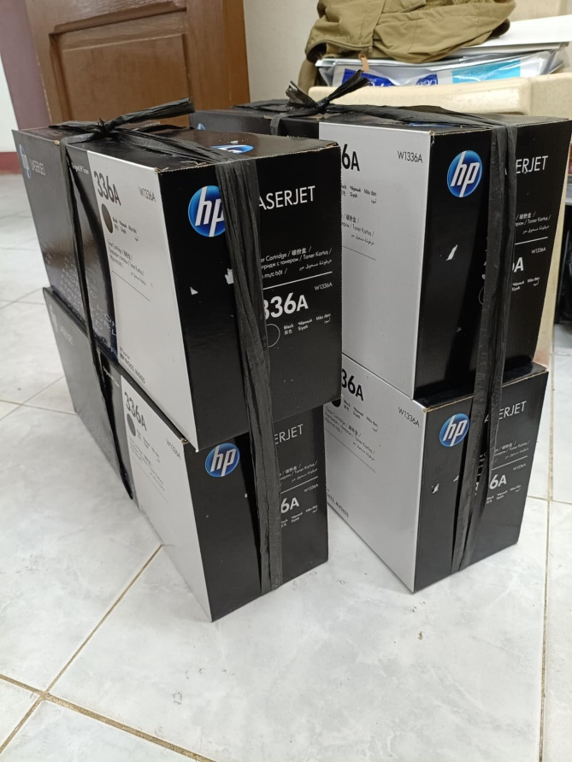
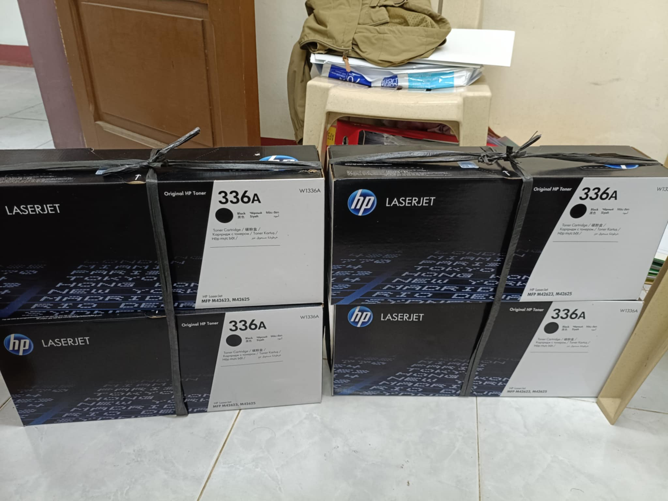

4 cartridge - HP Original 336A LaserJet Toner Cartridge (yield ~7,400 ISO pages*) W1336A

