Sheet1
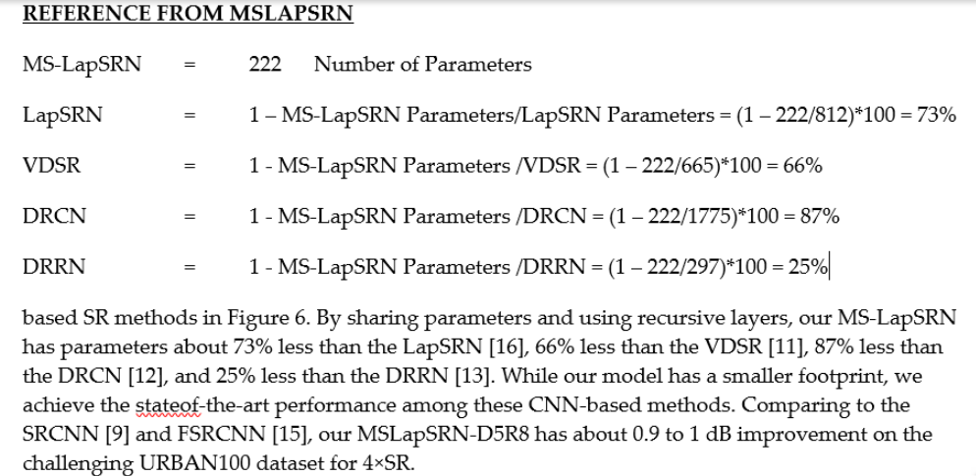
MS-LapSRN = 222 Number of Parameters

LapSRN | 73%
VDSR | 67%
DRCN | 87%
DRRN | 25%

Shi, Wuzhen, Feng Jiang, and Debin Zhao. "Single image super-resolution with dilated convolution based multi-scale information learning inception module." In 2017 IEEE International Conference on Image Processing (ICIP), pp. 977-981. IEEE, 2017.

