Sheet1
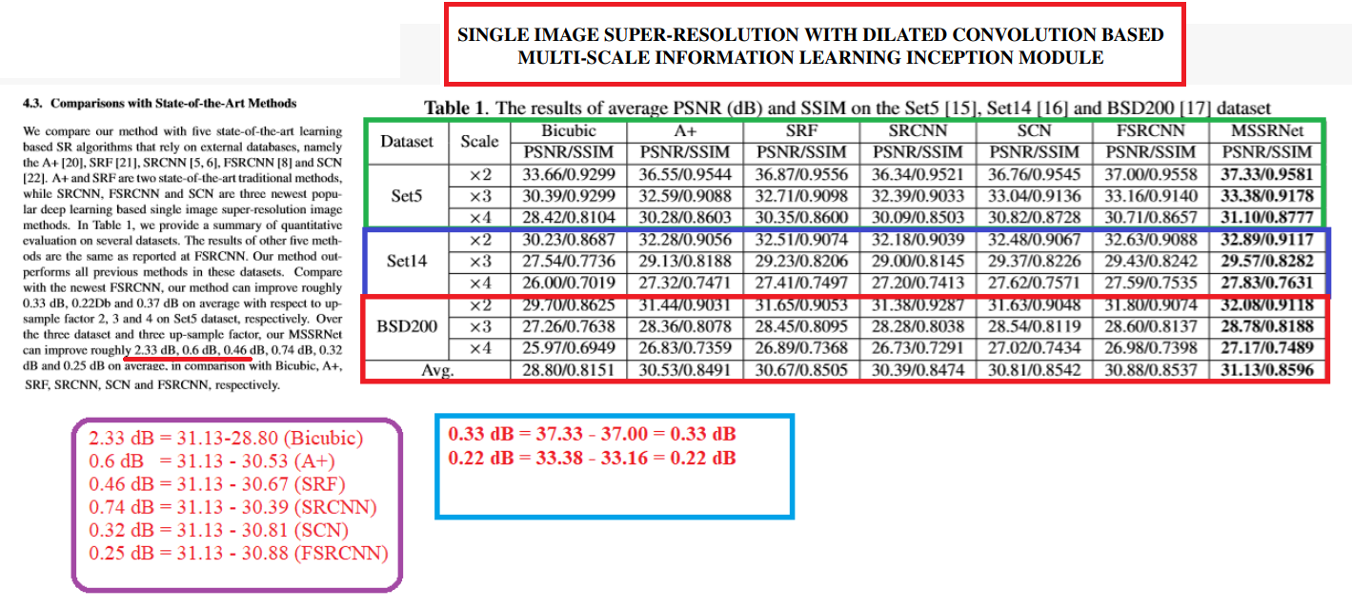

 | Bicubic
 | 33.66
 | 30.39
 | 28.42
 | 30.23
 | 27.54
 | 26
 | 29.7
 | 27.26
 | 25.97
Average | 28.80

dB | 2.33

Shi, Wuzhen, Feng Jiang, and Debin Zhao. "Single image super-resolution with dilated convolution based multi-scale information learning inception module." In 2017 IEEE International Conference on Image Processing (ICIP), pp. 977-981. IEEE, 2017.

