Sheet1
Method | SRCNN | FSRCNN | SCN | VDSR | LapSRN | DCSCN | Ours | EEDS
Number of parameters (K) | 57 | 12 | 42 | 665 | 813 | 244 | 240 | 240
PSNR (dB) | 36.67 | 37.05 | 36.58 | 37.53 | 37.52 | 37.62 | 37.8 | 37.29
Number of parameters (K)
Method | PSNR | Param
SRCNN | 36.67 | 57
FSRCNN | 37.05 | 12
SCN | 36.58 | 42
VDSR | 37.53 | 665
LapSRN | 37.52 | 83
DCSCN | 37.62 | 244
Ours | 37.8 | 240
EEDS | 36 | 230

Sheet2
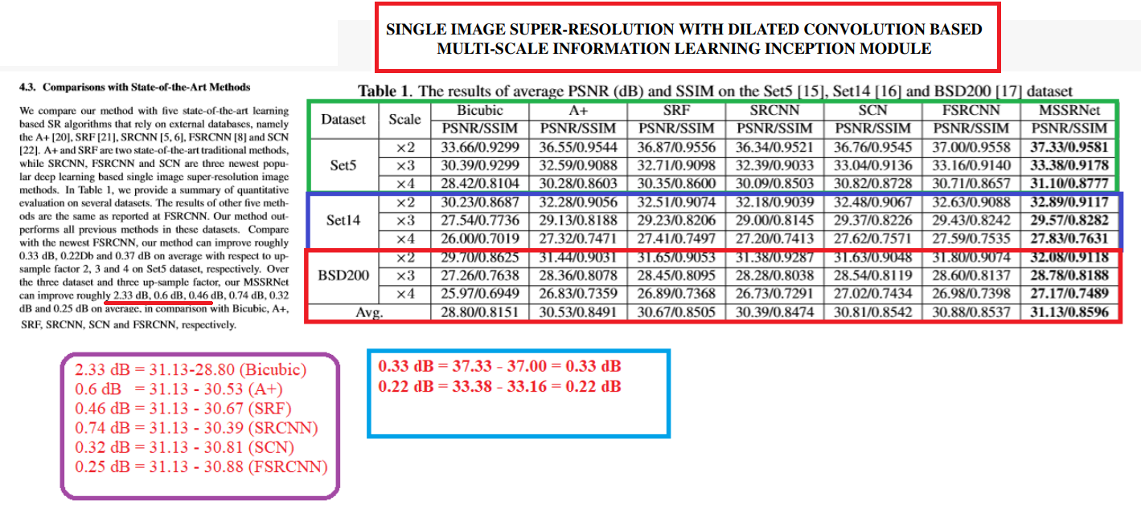

 | Bicubic
 | 33.66
 | 30.39
 | 28.42
 | 30.23
 | 27.54
 | 26
 | 29.7
 | 27.26
 | 25.97
Average | 28.80

dB | 2.33

Shi, Wuzhen, Feng Jiang, and Debin Zhao. "Single image super-resolution with dilated convolution based multi-scale information learning inception module." In 2017 IEEE International Conference on Image Processing (ICIP), pp. 977-981. IEEE, 2017.

