Sheet1
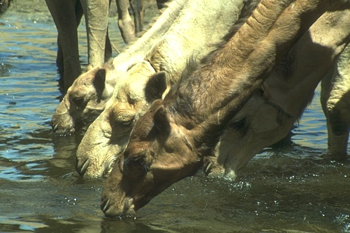
 | HR PSNR/SSIM | Bicubic 26.67/0.887 | Aplus 27.33/0.900 | SelfExSR 27.25/0.899 | RFL 27.26/0.899

Ground-truth HR BSDS100: img_16077 | SCN 27.33/0.899 | SRCNN 27.29/0.899 | FSRCNN 27.34/0.900 | VDSR 27.43/0.902 | Ours 27.45/0.902


 |  |  |  |  | 
 | HR PSNR/SSIM | Bicubic 24.44/0.908 | Aplus 25.68/0.923 | SelfExSR 27.02/0.952 | RFL 25.44/0.920
 |  |  |  |  | 
Ground-truth HR SET14:ppt3 | SCN 26.13/0.927 | SRCNN 24.97/0.917 | FSRCNN 25.88/0.925 | VDSR 27.10/0.936 | Ours 30.21/0.954

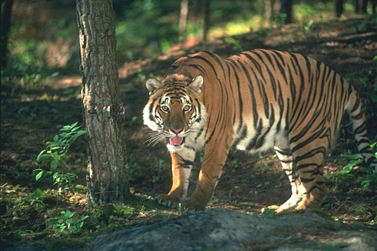
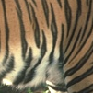 |  |  |  |  | 
 | HR PSNR/SSIM | Bicubic 22.70/0.759 | Aplus 24.23/0.820 | SelfExSR 23.37/0.801 | RFL 24.00/0.813
 |  |  |  |  | 
Ground-truth HR BSDS100: img_108005 | SCN 24.22/0.825 | SRCNN 24.11/0.817 | FSRCNN 24.58/0.833 | VDSR 25.06/0.852 | Ours 25.66/0.872


 |  | 
 | HR PSNR/SSIM | Bicubic 21.91/0.870 | Aplus 24.65/0.924 | SelfExSR 23.57/0.909 | RFL 24.51/0.920
 |  |  |  |  | 
Ground-truth HR SET5: butterfly | SCN 25.99/0.945 | SRCNN 25.98/0.945 | FSRCNN 25.85/0.944 | VDSR 28.16/0.967 | Ours 29.25/0.974

