Sheet1

 |  |  |  |  | 
 | HR PSNR/SSIM | Bicubic 18.32/0.485 | Aplus 18.76/0.544 | SelfExSR 19.09/0.576 | RFL 18.69/0.539
 |  |  |  |  | 
Ground-truth HR URBAN100: img_053 | SCN 18.77/0.551 | SRCNN 18.88/0.556 | FSRCNN 18.85/0.555 | VDSR 19.09/0.581 | Ours 19.20/0.587


 |  |  |  |  | 
 | HR PSNR/SSIM | Bicubic 19.77/0.587 | Aplus 20.49/0.647 | SelfExSR 20.31/0.641 | RFL 20.45/0.645
 |  |  |  | 
Ground-truth HR BSDS100:img_33039 | SCN 20.48/0.645 | SRCNN 20.53/0.652 | FSRCNN 20.61/0.655 | VDSR 20.65/0.661 | Ours 20.65/0.656


 |  |  |  |  | 
 | HR PSNR/SSIM | Bicubic 21.98/0.727 | Aplus 22.85/0.770 | SelfExSR 22.98/0.783 | RFL 22.80/0.768
 |  |  |  |  | 
Ground-truth HR SET14: flowers | SCN 22.89/0.771 | SRCNN 22.86/0.772 | FSRCNN 22.93/0.774 | VDSR 23.13/0.781 | Ours 23.16/0.782

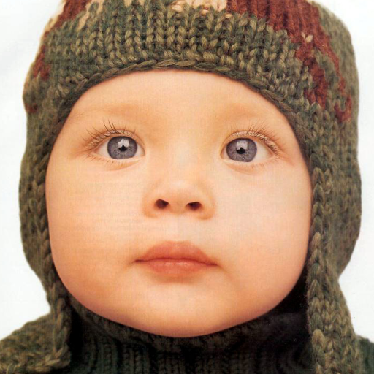
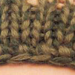 |  |  |  |  | 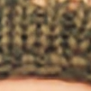
 | HR PSNR/SSIM | Bicubic 26.76/0.853 | Aplus 27.58/0.872 | SelfExSR 27.38/0.871 | RFL 27.62/0.873
 |  |  |  |  | 
Ground-truth HR SET5: baby | SCN 27.27/0.864 | SRCNN 27.48/0.871 | FSRCNN 27.63/0.872 | VDSR 27.78/0.876 | Ours 27.81/0.877

