Sheet1
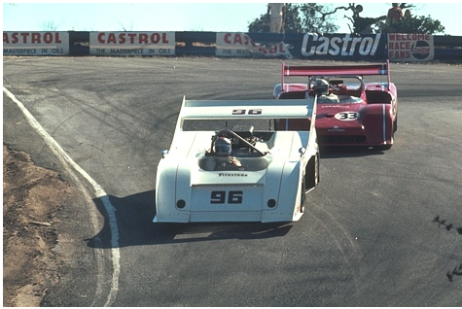
 |  |  |  |  | 
 | HR PSNR/SSIM | Bicubic 20.52/0.6196 | RFL 21.21/0.6780 | SelfExSR 21.19/0.6860 | SRCNN 21.29/0.6875
 |  |  |  |  | 
Ground-truth HR BSDS100: 21077_×4 | FSRCNN 21.45/0.6932 | VDSR 21.69/0.7140 | LapSRN 21.82/0.7236 | DRCN 21.76/0.7149 | Ours (SENext) 22.77/0.7777

