Sheet1
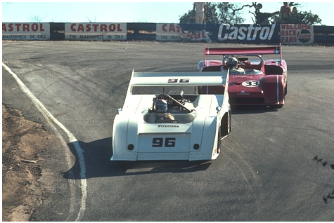
 |  |  |  |  | 
 | HR PSNR/SSIM | Bicubic 20.52/0.6196 | RFL 21.21/0.6780 | SelfExSR 21.19/0.6860 | SRCNN 21.29/0.6875
 |  |  |  |  | 
Ground-truth HR BSDS100: 21077_×4 | FSRCNN 21.45/0.6932 | VDSR 21.69/0.7140 | LapSRN 21.82/0.7236 | DRCN 21.76/0.7149 | Ours (SENext) 22.77/0.7777

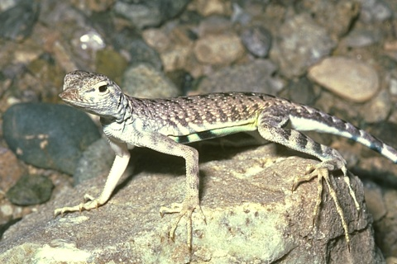
 | 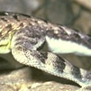 |  | 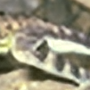 |  | 
 | HR PSNR/SSIM | Bicubic 22.50/0.7429 | RFL 23.67/0.7930 | SelfExSR 23.78/0.8010 | SRCNN 23.78/0.7975
 |  |  |  | 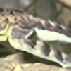 | 
Ground-truth HR BSDS100:87046_×4 | FSRCNN 23.87/0.7994 | VDSR 23.94/0.8065 | LapSRN 23.92/0.8056 | DRCN 24.01/0.8087 | Ours (SENext) 24.07/0.8121

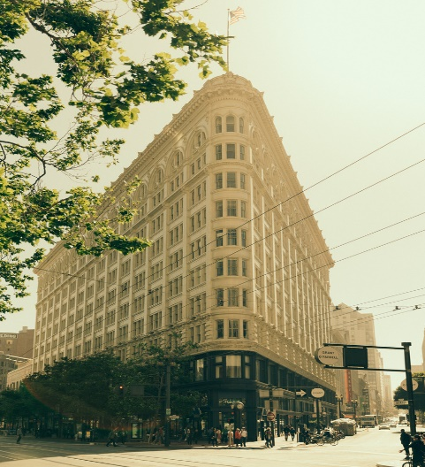
 |  |  |  | 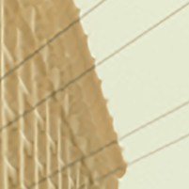 | 
 | HR PSNR/SSIM | Bicubic 27.42/0.9094 | RFL 28.05/0.9230 | SelfExSR 28.73/0.9366 | SRCNN 28.00/0.9254
 |  |  |  |  | 
Ground-truth HR Urban100: img050_×4 | FSRCNN 27.96/0.9227 | VDSR 28.66/0.9419 | LapSRN 28.32/0.9371 | DRCN 28.55/0.9385 | Ours (SENext) 29.01/0.9468


 |  |  |  |  | 
 | HR PSNR/SSIM | Bicubic 18.09/0.6518 | RFL 18.22/0.6564 | SelfExSR 18.19/0.6580 | SRCNN 18.29/0.6615
 |  |  |  |  | 
Ground-truth HR Urban100: img060_×8 | FSRCNN 18.24/0.6574 | VDSR 18.21/0.6562 | LapSRN 18.39/0.6642 | DRCN 18.33/0.6617 | Ours (SENext) 19.53/0.7198


 |  |  |  |  | 
 | HR PSNR/SSIM | Bicubic 25.66/0.9459 | RFL 26.69/0.9497 | SelfExSR 26.15/0.9562 | SRCNN 26.68/0.9512
 |  |  |  |  | 
Ground-truth HR Manga109: MAD_STONE_×8 | FSRCNN 26.74/0.9500 | VDSR 26.83/0.9509 | LapSRN 27.60/0.9547 | DRCN 27.29/0.9535 | Ours (SENext) 28.19/0.9562


 | 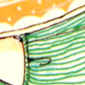 |  |  |  | 
 | HR PSNR/SSIM | Bicubic 20.21/0.6460 | RFL 20.80/0.6824 | SelfExSR 20.63/0.6832 | SRCNN 20.78/0.6863
 |  |  |  |  | 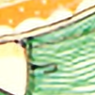
Ground-truth HR MANGA109: YumeiroCooking_×4 | FSRCNN 21.15/0.7013 | VDSR 21.48/0.7199 | LapSRN 21.56/0.7241 | DRCN 21.40/0.7171 | Ours (SENext) 23.78/0.8429

