Sheet1
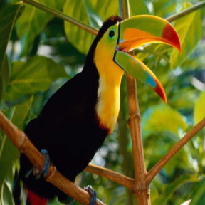
 |  |  |  |  | 
 | HR PSNR/SSIM | Bicubic 27.51/0.965 | Aplus 29.72/0.974 | SelfExSR 30.40/0.982 | RFL 29.37/0.973
 |  |  |  |  | 
Ground-truth HR SET5: Bird | SCN 29.48/0.972 | SRCNN 30.40/0.982 | FSRCNN 30.45/0.975 | VDSR 31.45/0.978 | Ours (TISR) 31.77/0.978

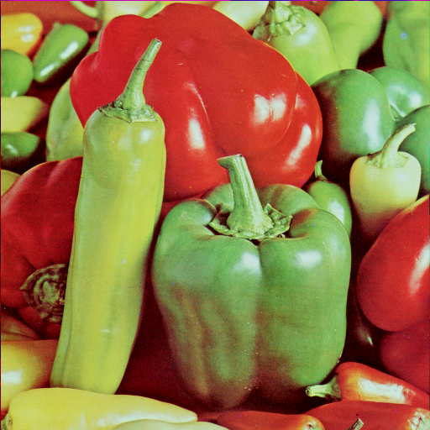
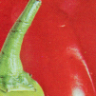 |  |  |  |  | 
 | HR PSNR/SSIM | Bicubic 30.48/0.966 | Aplus 32.04/0.968 | SelfExSR 32.16/0.973 | RFL 31.85/0.969
 |  |  |  |  | 
Ground-truth HR SET14:Pepper | SCN 32.04/0.968 | SRCNN 31.96/0.968 | FSRCNN 32.05/0.968 | VDSR 32.79/0.969 | Ours (TISR) 32.93/0.970

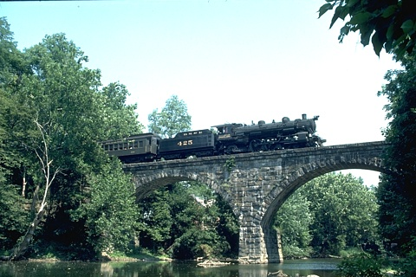
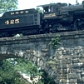 |  |  |  |  | 
 | HR PSNR/SSIM | Bicubic 20.28/0.533 | Aplus 20.73/0.577 | SelfExSR 20.73/0.583 | RFL 20.68/0.572
 |  |  |  |  | 
Ground-truth HR BSDS100: img__351093 | SCN 20.74/0.578 | SRCNN 20.81/0.581 | FSRCNN 20.82/0.587 | VDSR 20.88/0.592 | Ours (LDCSIR) 20.96/0.597

 | HR PSNR/SSIM | Bicubic 21.91/0.870 | Aplus 24.65/0.924 | SelfExSR 23.57/0.909 | RFL 24.51/0.920

Ground-truth HR SET5: butterfly | SCN 25.99/0.945 | SRCNN 25.98/0.945 | FSRCNN 25.85/0.944 | VDSR 28.16/0.967 | Ours (LDCSIR) 29.25/0.974

