2N3904
Transistor Bias Calculator (NPN) + Input Impedance + Voltage Gain dB - Fully Dynamic v2

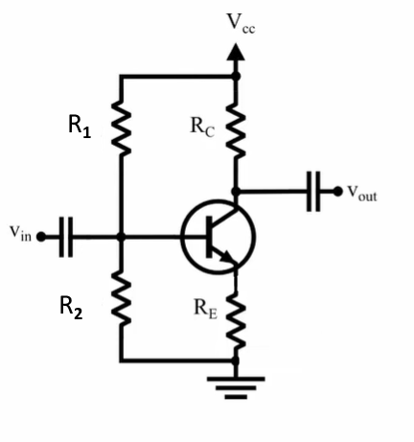
Transistor | 2N3904

INPUTS - Change any of these freely
 | Parameter | Value | Unit | Notes
 | VCC | 12 | V | Supply voltage
 | Beta (β or hFE) | 238 | β | Current gain (100–400 typical) |  | 238 | β | Measured
 | RC | 659 | Ω | 0.65–0.72 V |  | 659 | Ω | Measured
 | RE | 61 | Ω | 1kΩ Strongly recommended for stability |  | 61 | Ω | Measured
 | V_RE (across RE) | 0.59 | V |  |  | 0.59 | V | Measured
 | V_BE | 0.7 | V | 0.65–0.72 V |  | 0.69 | V | Measured
 | R2 (base→GND) | 656 | Ω |  |  | 656 | Ω | Measured

CALCULATED VALUES (auto computed)
 | Ie (A) = V_RE / RE | 0.0096721311475 | A | 9.67 | mA
 | Ib (A) = Ie / (HFE + 1) | 4.0469167981E-05 | A | 40.47 | uA
 | Ic (A) = HFE * Ib | 0.0096316619796 | A | 9.63 | mA
 | VB (base→GND) | 1.29 | V |  |  | 1.29 | V | Measured
 | R1 (ohms) = (VCC - Vb) / (Vb/R2 + Ib) | 5336.5021291 | Ω | 5.34 | kΩ | 5380 | k | Measured
 | Collector voltage Vc (V) | 6.995 | V |  |  | 6.16 | V | Measured
 | VCE (V) | 6.405 | V |  |  | 5.56 | V | Measured

Intrinsic and small-signal parameters
 | r_e (ohm) = 26mV / Ie | 2.6881355932
 | r_pi (ohm) = HFE * r_e | 639.77627119
 | g_m (S) = 1 / r_e | 0.37200504414

INPUT IMPEDANCES
 | Zin (base) = r_pi + (HFE+1)*RE | 15218.776271
 | R1||R2 (ohm) | 584.18759331
 | Zin seen by source = (R1||R2) || Zin(base) | 562.59195169 |  | 562.59 | Ω

VOLTAGE GAIN
 | Av (approx) = - (g_m * RC) / (1 + g_m * RE) | -10.347296146
 | Av| (magnitude) | 10.347296146 | X
 | Av (dB) | 20.296537581 | dB

POWER DISSIPATION
 | Power_RC (W) | 0.06113471333 | W | 61.13 | mW
 | Power_RE (W) | 0.005706557377 | W | 5.71 | mW
 | Power_R2 (W) | 0.0025367378049 | W | 2.54 | mW
 | Power_R1 (W) | 0.02149424796 | W | 21.49 | mW

2N3904-2
Transistor Bias Calculator (NPN) + Input Impedance + Voltage Gain dB - Fully Dynamic v2

Transistor | 2N3904
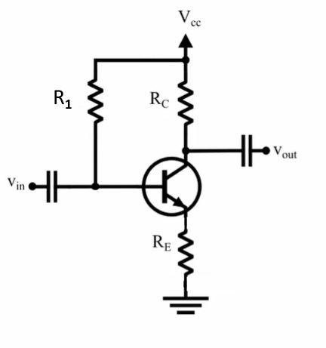

INPUTS - Change any of these freely
 | Parameter | Value | Unit | Notes
 | VCC | 12 | V | Supply voltage
 | Beta (β or hFE) | 238 | β | Current gain (100–400 typical) |  | 238 | β | Measured
 | RC | 659 | Ω | 0.65–0.72 V |  | 659 | Ω | Measured
 | RE | 56 | Ω | 1kΩ Strongly recommended for stability |  | 61 | Ω | Measured
 | V_RE (across RE) | 0.59 | V |  |  | 0.59 | V | Measured
 | V_BE | 0.7 | V | 0.65–0.72 V |  | 0.69 | V | Measured

CALCULATED VALUES (auto computed)
 | Ie (A) = V_RE / RE | 0.010535714286 | A | 10.54 | mA
 | Ib (A) = Ie / (HFE + 1) | 4.4082486551E-05 | A | 44.08 | uA
 | Ic (A) = HFE * Ib | 0.010491631799 | A | 10.49 | mA
 | VB (base→GND) | 1.29 | V |  |  | 1.29 | V | Measured
 | R1 (ohms) = (VCC - Vb) / ( Ib) | 242953.62712 | Ω | 242.95 | kΩ | 267 | k | Measured
 | Collector voltage Vc (V) | 6.995 | V |  |  | 6.16 | V | Measured
 | VCE (V) | 6.405 | V |  |  | 5.56 | V | Measured

Intrinsic and small-signal parameters
 | r_e (ohm) = 26mV / Ie | 2.4677966102
 | r_pi (ohm) = HFE * r_e | 587.33559322
 | g_m (S) = 1 / r_e | 0.40521978022

INPUT IMPEDANCES
 | Zin (base) = r_pi + (HFE+1)*RE | 13971.335593 |  | 13.97 | kΩ
 | R1||R2 (ohm) | 242953.62712
 | Zin seen by source = (R1||R2) || Zin(base) | 13211.587626

VOLTAGE GAIN
 | Av (approx) = - (g_m * RC) / (1 + g_m * RE) | -11.271161874
 | Av| (magnitude) | 11.271161874 | X
 | Av (dB) | 21.039373741 | dB

POWER DISSIPATION
 | Power_RC (W) | 0.072538988616 | W | 72.54 | mW
 | Power_RE (W) | 0.0062160714286 | W | 6.22 | mW
 | Power_R1 (W) | 0.00047212343096 | W | 0.47 | mW

