Sheet1
 | Site Purpose

 | Site Name

 | Bountiful Foods

 | Site Purpose

 | Bountiful Foods is organic and is locally grown foods.
 | Our goal is to provide fresh fruit options to locals and
 | tourists. Our goal is to promote health with natures food.

 | Domain Name

 | The site domain is truefind.info through
 | domains.google.com for $ 22 per year.

 | Site Logo
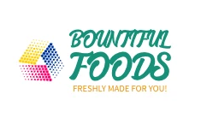

Target Audience

 | Who :
 | Anyone who want to enjoy healthy fruits and juices and
 | also for those who wants to make their own

 | Age : | 9 +

 | Technology:

 | This site will be accessible from mobile devices
 | android or ios and desktop browsers.

 | Motivation:

 | Bountiful Foods wants to accommodate you livestyle and
 | health needs with tasty options that is healthy for you

 | Ann Ravin Manbahal

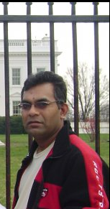
 |  |  |  | Occupation:
 |  |  |  | Farming
 |  |  |  | Demographicand Education
 |  |  |  | Ravin is 56 years old and loves farming.
 |  |  |  | He works as a farmer and part time
 |  |  |  | contractor. He is married with 3 kids.
 |  |  |  | He finished high school but he did not
 |  |  |  | go further with education.
 |  |  |  | Goals and tasks
 |  |  |  | He plans to continue farming.
 |  |  |  | Technology:
 |  |  |  | Uses mobile phone and tablets
 |  |  |  | Quote:
 |  |  |  | "Stay healthy".

 | Adoniyah Benjamin

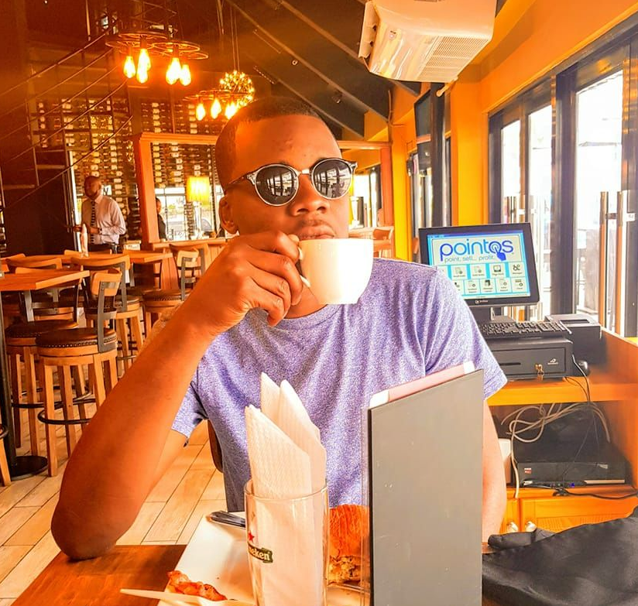
 |  |  |  | Occupation:
 |  |  |  | Doctor
 |  |  |  | Demographicand Education
 |  |  |  | Adoniyah is 30 years old and the doctor
 |  |  |  | at Saipem Guyana. He works onshore
 |  |  |  | and is an experience doctor. He has a
 |  |  |  | degree in medicine. He is not married
 |  |  |  | and he does not have any kids.
 |  |  |  | Goals and tasks
 |  |  |  | He plans to pursure his own practice.
 |  |  |  | Technology:
 |  |  |  | Uses mobile phone and tablets
 |  |  |  | and computers.
 |  |  |  | Quote:
 |  |  |  | "Do what makes you happy".

 | Scenarios

 | 1. Is fruits healthy?
 | 2. Is the fruits grown from soil?
 | 3. Can I learn to make juice?
 | 4.What is the weather like?
 | 5. Does local farmers associated with the company?

 |  | Small View

 |  |  | Medium View

 |  |  | Large View

 |  | Typography / Color Scheme

 | Site Header |  | Noto Serif, serif |  | auto | White | Sample
 | Primary Navigation |  | Open Sans, sans-serif |  | 2em | green | Sample
 | Footer |  | Open Sans, sans-serif |  | auto | White | Sample
 | Heading1 |  | Noto Serif, serif |  | 2em | red | Sample
 | Heading2 |  | Noto Serif, serif |  | 1em | green | Sample
 | Heading3 |  | Open Sans, sans-serif |  | 1em | red | Sample
 | Paragraph |  | Open Sans, sans-serif |  | 1em | red | Sample
 | Paragraph |  | Open Sans, sans-serif |  | 1em | green | Sample

 |  | Site Map

 |  |  | Bountiful Foods

 | Home |  | Fresh |  | Menu |  | About US
 |  |  | form to make frink |  | list of fruits and |  | contact
 | Fruit Display |  |  |  | info |  | message
 | drinks user made
 | weather
 | Summary
 | link to make drink

