1. Sampling_Definition
 | Modeling period
Missing values

Maximum 12M
Maximum 12M
Maximum 3M
Maximum 3M
 | Sample period | May-17 | Jun-17 | Jul-17 | Aug-17 | Sep-17 | Oct-17 | Nov-17 | Dec-17 | Jan-18 | Feb-18 | Mar-18 | Apr-18 | May-18 | Jun-18 | Jul-18 | Aug-18 | Sep-18 | Oct-18 | Nov-18 | Dec-18 | Jan-19 | Feb-19 | Mar-19 | Apr-19 | May-19 | Jun-19 | Jul-19 | Aug-19 | Sep-19 | Oct-19 | Nov-19 | Dec-19
Historical data | Bill
 | Voice
 | Development sample
 | Target |  |  |  |  |  |  |  |  |  |  |  |  |  |  |  |  |  | 2018 |  |  |  |  |  |  |  | Income of 2019

 | 1. Sampling
 | 1.1 Filtering/Cleaning Rules

 | No | Step
 | I1 | Take all APP_ID in MAFC from 201701 to 201912
 | E1 | Only keep unique mapping pair of National ID - Mobile
 | E2 | For 1 base_date, 1 National_ID, only keep latest APP_ID
 | E3 | Keep customer whose application month in 201810 - 201811 and 201906 - 201912
 | E4 | Only keep customers who have information in D_MOBILE_BILL or Voice_CALL_LOG table
 | E5 | Keep if Income is verified by MAF
 | E6 | Remove customers whose Age < 20 or Age > 70

 | 1.2. Criteria for returning scores
1 | Has bill within 12 months |  |  |  | TCO_B07_M12 is not null
2 | Has voice within 3 months |  |  |  | TCO_V02_M03 is not null

 | 1.3. Total number of observations in the final sample |  |  |  |  |  |  |  |  |  |  |  | 43,010

 | 1.4. Income Distribution
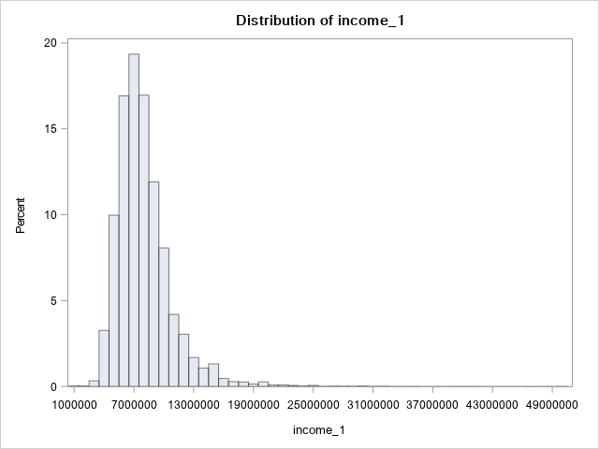

 | 2. Segmentation

 | Segment | Criteria |  |  |  |  |  |  |  |  |  |  |  |  |  |  | Count |  |  |  | Percent
 | 1. High Income | Social insurance monthly salary >= 7M or Average Monthly Tax Income last 2Y >= 10M VND |  |  |  |  |  |  |  |  |  |  |  |  |  |  | 3,020 |  |  |  | 7%
 | 2. Medium Income | Social insurance monthly salary >= 5M or Average Tax Income last 2Y >= 7M VND |  |  |  |  |  |  |  |  |  |  |  |  |  |  | 11,473 |  |  |  | 27%
 | 3. Low Income | Social insurance monthly salary < 5M or Average Tax Income last 2Y < 7M VND |  |  |  |  |  |  |  |  |  |  |  |  |  |  | 22,224 |  |  |  | 52%
 | 4. No Info | No Information of SI and Tax Income |  |  |  |  |  |  |  |  |  |  |  |  |  |  | 6,293 |  |  |  | 15%
 | TOTAL |  |  |  |  |  |  |  |  |  |  |  |  |  |  |  | 43,010 |  |  |  | 100%

