Standard Curve 1_05
Measurement results
AAANick - Angpt-2 with standard curve (2).skax
9/26/2023 5:31:02 PM

Standard Curve 1

Fit type: 4PL
Concentration transformation: Logarithmic
Signal transformation: Linear
Saved curve: No
Sample group: Group 1

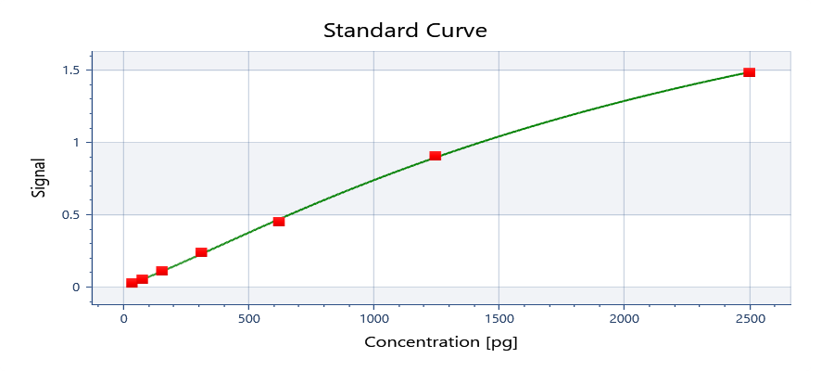

y = 2.94405 + ( (0.0102354 - 2.94405) / ( 1 + (x/2483.17)^1.22493) )

y = d + ( (a - d) / ( 1 + (x/c)^b) )
Where:
a = | 0.0102354
b = | 1.22493
c = | 2483.17
d = | 2.94405

R²: 0.999

Well | Sample | Conc. [pg] | Original signal | CV% | Fitted signal | Residual
Average | Std0001 | 2500 | 1.482 | NaN | 1.483 | -0.001602
A01 | Std0001 | 2500 | 1.482 |  | 1.483 | -0.001602
Average | Std0002 | 1250 | 0.9027 | NaN | 0.8944 | 0.008345
B01 | Std0002 | 1250 | 0.9027 |  | 0.8944 | 0.008345
Average | Std0003 | 625.0 | 0.4497 | NaN | 0.4673 | -0.01761
C01 | Std0003 | 625.0 | 0.4497 |  | 0.4673 | -0.01761
Average | Std0004 | 312.5 | 0.2378 | NaN | 0.2249 | 0.01293
D01 | Std0004 | 312.5 | 0.2378 |  | 0.2249 | 0.01293
Average | Std0005 | 156.3 | 0.1108 | NaN | 0.1061 | 0.004676
E01 | Std0005 | 156.3 | 0.1108 |  | 0.1061 | 0.004676
Average | Std0006 | 78.13 | 0.04909 | NaN | 0.05203 | -0.002940
F01 | Std0006 | 78.13 | 0.04909 |  | 0.05203 | -0.002940
Average | Std0007 | 39.06 | 0.02447 | NaN | 0.02826 | -0.003794
G01 | Std0007 | 39.06 | 0.02447 |  | 0.02826 | -0.003794

Plate 1

Signal | 1 | 2 | 3 | 4 | 5 | 6 | 7 | 8 | 9 | 10 | 11 | 12
A | 1.482 | 0.4773 | 0.7573 | 0.3512 | 0.3654 | 0.3687 | 0.3310 | 0.3631
B | 0.9027 | 0.5685 | 0.5465 | 0.3671 | 0.5144 | 0.4115 | 0.3412 | 0.3769
C | 0.4497 | 0.6014 | 0.4822 | 0.6620 | 0.3948 | 0.4445 | 0.5013 | 0.1813
D | 0.2378 | 0.7436 | 0.3296 | 0.8463 | 0.4918 | 0.4173 | 0.3725
E | 0.1108 | 0.4392 | 0.4582 | 0.5058 | 0.5075 | 0.3734 | 0.4730
F | 0.04909 | 0.4938 | 0.4466 | 0.3766 | 0.3979 | 0.3828 | 0.3007
G | 0.02447 | 0.4697 | 0.5001 | 0.4046 | 0.5894 | 0.3527 | 0.3140
H |  | 0.4284 | 0.3838 | 0.4403 | 0.4151 | 0.3387 | 0.3325

Conc. [pg] | 1 | 2 | 3 | 4 | 5 | 6 | 7 | 8 | 9 | 10 | 11 | 12
A | 2496 | 638.2 | 1033 | 473.9 | 492.2 | 496.4 | 448.1 | 489.3
B | 1264 | 761.3 | 731.2 | 494.4 | 687.7 | 551.9 | 461.1 | 507.1
C | 601.8 | 806.9 | 644.7 | 892.7 | 530.1 | 594.9 | 670.3 | 256.3
D | 329.1 | 1013 | 446.3 | 1172 | 657.5 | 559.3 | 501.3
E | 162.7 | 587.9 | 612.9 | 676.2 | 678.5 | 502.5 | 632.5
F | 73.55 | 660.2 | 597.7 | 506.7 | 534.1 | 514.6 | 409.3
G | < Min | 628.1 | 668.6 | 542.9 | 790.1 | 475.9 | 426.2
H |  | 573.8 | 515.9 | 589.4 | 556.6 | 457.9 | 450.0

Sample | 1 | 2 | 3 | 4 | 5 | 6 | 7 | 8 | 9 | 10 | 11 | 12
A | Std0001 | Un0009 | Un0001 | Un0002 | Un0003 | Un0027 | Un0039 | Un0049
B | Std0002 | Un0010 | Un0007 | Un0008 | Un0004 | Un0028 | Un0040 | Un0050
C | Std0003 | Un0011 | Un0013 | Un0014 | Un0005 | Un0029 | Un0041 | Ctrl0001
D | Std0004 | Un0012 | Un0019 | Un0020 | Un0006 | Un0030 | Un0042
E | Std0005 | Un0015 | Un0025 | Un0026 | Un0021 | Un0033 | Un0045
F | Std0006 | Un0016 | Un0031 | Un0032 | Un0022 | Un0034 | Un0046
G | Std0007 | Un0017 | Un0037 | Un0038 | Un0023 | Un0035 | Un0047
H |  | Un0018 | Un0043 | Un0044 | Un0024 | Un0036 | Un0048

Autoloading range A1 - M93

