LM(2)518x PSR flyback converter


LM5180/1 and LM25180/3/4 PSR Flyback Design Tool

About | xx |  |  | = Input Box |  |  |  |  |  | Terms Of Use

11.1V
15V
Step 1: Operating Specifications |  |  |  |  |  | Step 2: Flyback Transformer
 |  | Input Voltage – Min, VIN(min) | 9 | V |  |  | Minimum Magnetizing Inductance | 4.0 | µH
 |  | Input Voltage – Nom, VIN(nom) | 11.1 | V |  |  | Magnetizing Inductance, LMAG | 9 | µH
9V...13V
1 : 2
T₁
9µH
0.5A
 |  | Input Voltage – Max, VIN(max) | 13 | V |  |  | Primary Winding DCR | 85 | mΩ
 |  | Single Output or Dual Outputs |  |  |  |  | Secondary Winding DCR | 190 | mΩ
D_{CLAMP}
 |  | Output Voltage, VOUT | 15 | V |  |  |  | 50
46.4kΩ
Ruv1
9.75V
 |  | Rated Output Current, IOUT | 0.5 | A |  |  | Pri-Sec Leakage Inductance | 1000 | nH
D_{F}
47µF
 |  |  | -16 |  |  |  | Transformer Turns Ratio, Pri : Sec
C_{IN}
 |  |  | -0.1 |  |  |  | SW Voltage at VIN(max) - Spike Not Included | 21 | V
22µF
Ruv2
10.7kΩ
R_{FB}
196kΩ
 |  |  |  |  |  |  | Max Output Current at VIN(min) | 0.51 | A
Step 3: Input & Output Capacitors |  |  |  |  |  |  | Duty Cycle at VIN(min) | 46.1 | %
 |  | Minimum Input Capacitance | 5.8 | µF |  |  | Primary Winding DCR Loss at Vin(nom) | 36 | mW
 |  | Input Capacitance, CIN | 22 | µF |  |  |  | 22 | mW
 |  | Input Capacitor ESR | 3 | mΩ |  |  | Peak Primary Current at Vin(nom) | 3.68 | A
Css
Rtc
R_{SET}
 |  | Resulting Input Voltage Ripple | 150 | mVpk-pk |  |  | Peak Secondary Current at Vin(nom) | 1.84 | A
787kΩ
12.1kΩ
 |  | Minimum Output Capacitance | 18 | µF |  |  |  | 4.7 | µF
100nF
 |  | Output Capacitance, COUT | 47 | µF |  |  | Output Capacitance, COUT2 | 22 | µF
LM25184
 |  | Output Capacitor ESR | 3 | mΩ |  |  | Output Capacitor ESR | 2 | mΩ
 |  | Resulting Output Voltage Ripple | 38 | mVpk-pk |  |  |  | 3 | mVpk-pk

Step 4: Feedback, Soft-start, TC, UVLO
 |  | Recommended Feedback Resistor | 76.6 | kΩ
 |  | Selected Feedback Resistor, RFB | 196 | kΩ
80.2%
 |  | Soft-Start Configuration
 |  | Soft-Start Time | 20 | ms
 |  | Soft-Start Capacitance, CSS | 100 | nF
 |  | VOUT Thermal Compensation
 |  | Diode Voltage Drop Thermal Coefficient | -1.5 | mV/°C
 |  | Thermal Compensation Resistor, RTC | 787 | kΩ
 |  | Input UVLO Configuration
 |  | Input UVLO Turn-On Threshold | 8 | V
 |  | Input UVLO Turn-Off Threshold | 7.5 | V
 |  | Upper UVLO Resistor, RUV1 | 46.4 | kΩ
 |  | Lower UVLO Resistor, RUV2 | 10.7 | kΩ

Step 5: Power Losses & Thermals
 |  | Flyback Diode Voltage Drop, VD(no-load) | 0.32 | V
 |  | Flyback Diode Voltage Drop, VD(full-load) | 0.4 | V
 |  | Estimated IC Thermal Impedance, JJA | 41 | °C/W
 |  | Ambient Temperature, TA | 55 | °C
 |  | Power Dissipation at Full Load, PD | 310 | mW
 |  | Junction Temperature at Full Load, TJ | 68 | °C

Step 6: Optional RC Snubber across Rectifier Diode |  |  |  |  | (Always reserve the snubber positions on PCB, and validate by experiments.)
 |  | Recommended Csnb | 22 | pF
 |  | Snubber Capacitor Voltage Rating > | 62 | V
 |  | Recommended Rsnb | 100 | Ω
 |  | Snubber Resistor Power Dissipation Rating > | 0.116 | W

Step 7: Optional Output Zener Clamp or Dummy Load |  |  |  |  | (Always reserve the Zener clamp and dummy load position on PCB)
 |  | Min Load Current, IOUTmin | 0.050 | A |  |  |  | -0.005
 |  | Max Output Voltage Limit, VOUTmax | 17.00 | V |  |  |  | -17
 |  | Zener Clamp Dz or Dymmy Load Rdmy | None
 |  | Selection | None
 |  | Selected Device Min Power Rating> | N/A | W

BOM & Schematic
11.1V
9µH
1 : 2
15V
T₁
0.5A
Ruv1
D_{CLAMP}
9V...13V
46.4kΩ
U₁
47µF
C_{IN}
D_{F}
22µF

Ruv2
LM25184
R_{FB}
10.7kΩ
196kΩ

Rtc
R_{SET}
Css
787kΩ
12.1kΩ
100nF

SINGLE Output PSR Flyback Converter, VIN = 11.1 V, VOUT = 15 V, IOUT = 0.5 A
LM25184 High Efficiency PSR Flyback Converter BOM
Count | Ref Des | Value | Description | Size | Part Number | MFR | Footprint (mm) | Area (mm2)
3 | CIN | 22µF | Capacitor, Ceramic, 22µF, 50V, X7R, 10% |  | Std | Std | 3.2 x 2.5 | 8.0 |  |  |  | 5
1 | COUT | 47µF | Capacitor, Ceramic, 47µF, 25V, X7R, 10% |  | Std | Std | 3.2 x 2.5 | 8.0 |  |  |  | 5
- | COUT2 | - | - |  | - | - | - | - |  |  |  | 5
1 | Css | 100nF | Capacitor, Ceramic, 100nF, 16V, X7R, 10% | 0603 | Std | Std | 1.0 x 0.5 | 0.5 |  |  |  | 1
1 | DFLY | Diode | Rectifying Diode, Schottky | #NAME? | Std | Std | 5.0 x 2.5 | 12.5 |  |  |  | 4
- | DFLY2 | - | - | 0603 | - | - | - | - |  |  |  | 3
1 | DF | Diode | Clamp Circuit Diode, Fast Recovery |  | Std | Std | 3.6 x 1.8 | 6.5 |  |  |  | 3
1 | DCLAMP | 9.75V | Clamp Circuit Diode, Zener, 9.8V | 0603 | Std | Std | 3.6 x 1.8 | 6.5 |  |  |  | 3
1 | DOUT | 16.5V | Output Clamp Diode, Zener, 16.9V |  | Std | Std | 1.6 x 0.8 | 1.3 |  |  |  | 1
1 | RSET | 12.1k | Resistor, Chip, 12.1kΩ, 1/16W, 1% | 0603 | Std | Std | 1.0 x 0.5 | 0.5 |  |  |  | 1
1 | RFB | 196k | Resistor, Chip, 196kΩ, 1/16W, 1% | 0603 | Std | Std | 1.0 x 0.5 | 0.5 |  |  |  | 1
1 | RUV1 | 46.4k | Resistor, Chip, 46.4kΩ, 1/16W, 1% | 0603 | Std | Std | 1.0 x 0.5 | 0.5 |  |  |  | 1
1 | RUV2 | 10.7k | Resistor, Chip, 10.7kΩ, 1/16W, 1% | 0603 | Std | Std | 1.0 x 0.5 | 0.5 |  |  |  | 1
1 | RTC | 787k | Resistor, Chip, 787kΩ, 1/16W, 1% | 0603 | Std | Std | 1.0 x 0.5 | 0.5 |  |  |  | 1
1 | T1 | 9µH | Transformer, 9µH, 1 : 2, 85mΩ Pri DCR, 5A Isat | - | Various | Various | 10 x 10 | 100 |  |  |  | 5
1 | U1 | LM25184 | IC, LM25184, PSR Flyback Converter, 4.5V–42V Input | WSON-8 | LM25184NGUR | TI | 4.0 x 4.0 | 16.0

 |  |  |  |  | Total Solution Size (buffered by 25%) |  |  | 202.3 | mm2 = | 0.3135 | in2

NOTES:
1. Choose a transformer with saturation current rating higher than the max peak current limit setting (1.73A) for all operating temperatures
2. Appropriately derate the effective input and output capacitances for applied voltage and temperature, particularly with ceramics
3. Use a primary-side RC snubber from SW to VIN to dampen leakage inductance spike
4. Use a flyback diode RC snubber to dampen ringing if needed
5. Use an output zener to clamp the output at no load

EVM Examples Layouts
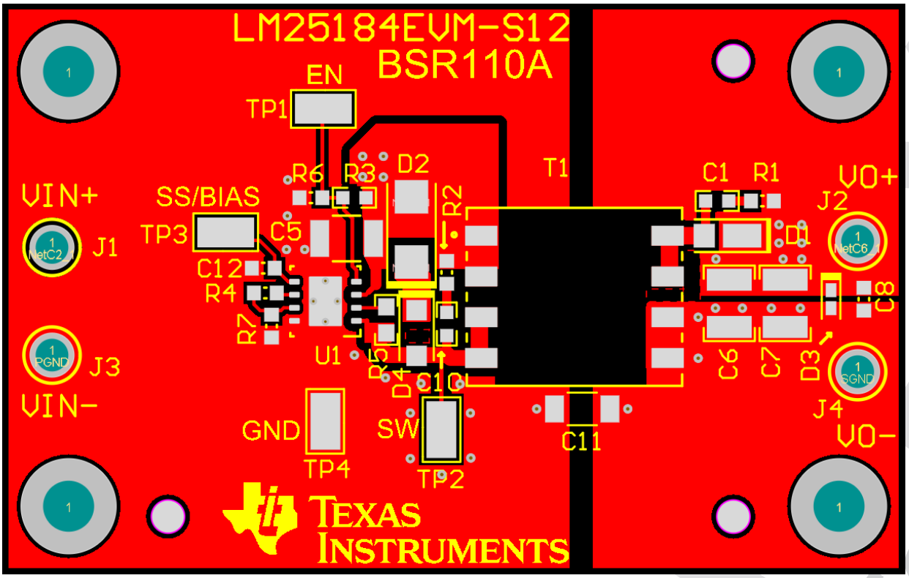
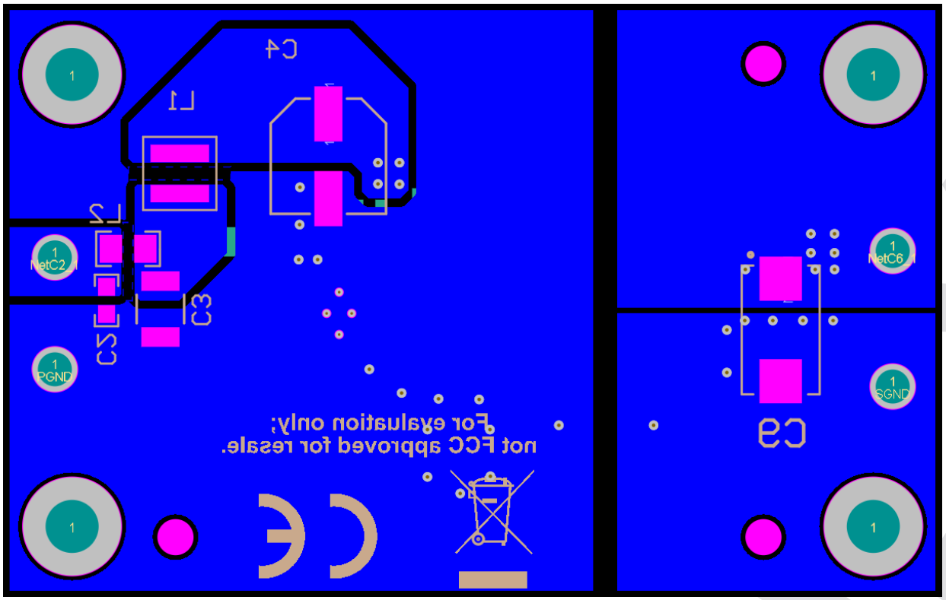
LM5180/1 and LM25180/3/4 PSR Flyback Converter Design Tool

 | LM5180EVM-S05 PCB Design, 2" x 1.4" (50mm x 35mm) | LM5180EVM-DUAL PCB design, 2.1" x 1.5" (55mm x 38mm) | LM25184EVM-S12 PCB design, 2.2" x 1.4" (56mm x 36mm)

