Metrics
study_id | metric_name | metric_category | metric_group | metric_detail | metric_definition | measurement_point | unit | notes
S001 | Round-Trip Time (L_CC) | Holistic Latency | Timing | Round Trip Time (RTT) | Round‑trip time of request–response: L_CC = T5 − T1. Client-to-Client RTT | T1 at C (request generated); T5 at C (response read). | ms | Does not apply for "Publish without Acknowledge"
S001 | L_TT | Segmented Latency | Timing | Processing Latency (E) | E stack & send latency: L_TT = T4 − T2 (time from request seen on network to response visible on network; includes E communication stack processing & send). | T2 at T (request on wire); T4 at T (response on wire). | ms | Does not apply for "Publish without Acknowledge"
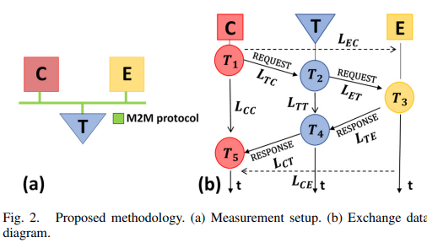
S001 | L_EC | Segmented Latency | Timing | Request Generation to Reception | C->E latency (gen->recv): L_EC = T3 − T1. | T1 at C; T3 at E. | ms
S001 | L_CE | Segmented Latency | Timing | Response Generation to Reading | E->C latency (resp‑gen->read): L_CE = T5 − T3. | T3 at E; T5 at C. | ms
S001 | L_TC | Segmented Latency | Timing | network access (C->bus) - Client to Bus Traverse | Request traverse latency C->bus: L_TC = T2 − T1. | T1 at C; T2 at T. | ms
S001 | Traverse Latency (L_ET) | Segmented Latency | Timing | stack+ingress (E) - Bus to Edge Traverse | Request traverse latency bus->E (incl. E stack): L_ET = T3 − T2. | T2 at T; T3 at E. | ms
S001 | Traverse Latency (L_TE) | Segmented Latency | Timing | egress (E->bus) - Edge to Bus Traverse | Response traverse latency E->bus: L_TE = T4 − T3. | T3 at E; T4 at T. | ms
S001 | Traverse Latency (L_CT) | Segmented Latency | Timing | stack+ingress (C) - Bus to Client Traverse | Response traverse latency bus->C (incl. C stack): L_CT = T5 − T4. (Text in paper states "from E to the network, including stack of C"; context/diagram indicates bus->C incl. C stack.) | T4 at T; T5 at C. | ms
S001 | L_elab | Segmented Latency | Timing | Elaboration time - duration required by a device, ex PLC, to process an incoming request and generate a corresponding response | - | - | ms | Model parameter
S001 | L_cable | Segmented Latency | Timing | transmission time on cable | - | - | ms | Model parameter
S001 | L_stack | Segmented Latency | Timing | time taken by IP stack of PLCs to read | - | - | ms | Model parameter
S001 | u_mn | Clock Synchronization | Meta-metrics |  | Used to define the reliability of the latency metrics and is derived from timing errors. Used to determine the "resolution" or margin of error for the latency values reported. Calculated as follows: define the standard uncertainty for a latency measured between two devices (m and n) using the following formula, which combines the synchronization errors of both devices: u_mn = sqrt(pow(u_sm) + pow(u_sn)) <--- the euclidean distance | Each device (C, E, T) | ms | Applies to latency
S001 | u_sm | Clock Synchronization | Meta-metrics |  | The synchronization standard uncertainty for a specific device, calculated using its systematic error (offset) and standard deviation (jitter) relative to the NTP server: u_sm = sqrt(pow(q_sm) + pow(o_sm)), where q_sm is the systematic error and o_sm is the standard deviation of device m that takes the timestamp. | Each device (C, E, T) | ms | Component of u_mn
S001 | NTP Synchronization Uncertainty (U) | Clock Synchronization | Meta-metrics |  | The final measurement resolution or margin of error defining the confidence range for the latency metrics. Calculated as: U=k×umn​ (where umn​ is the combined standard uncertainty). | Each device (C, E, T) | ms | Reported in Table III. Represents the interval confidently believed to contain the true value.
S001 | k | Clock Synchronization | Meta-metrics |  | A numerical multiplier applied to the standard uncertainty (umn​) to derive the expanded uncertainty (U). | N/A | dimensionless | Set to 2 in this study (typically corresponding to a 95% confidence level).
S001 | u_tm | Clock Synchronization | Meta-metrics |  | The uncertainty introduced specifically by the hardware interface when assigning a timestamp to a captured packet. | Each device (C, E, T) | ms | Excluded from final results. Estimated at ~0.01 ms in previous work; considered negligible compared to synchronization uncertainty for this specific hardware setup.
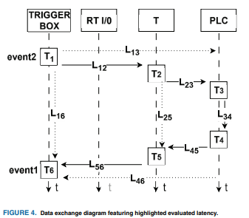
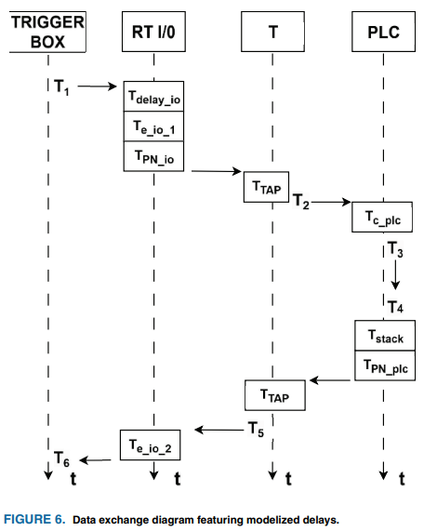
S002 | L_16 | Holistic Latency | Timing | Round Trip Time (RTT) | Defined as T_6-T_1: the total time from the Trigger signal generation (start of loop) to the reception of the system Response (end of loop). | Trigger Box | ms
S002 | L_25 | Segmented Latency | Timing | elaboration of the Trigger signal | Defined as T_5-T_2: latency introduced by the elaboration of the Trigger signal (the total processing and handling of the signal performed by the target PLC subsystem) | Network TAP | ms
S002 | L_34 | Segmented Latency | Timing | PLC Processing Time, the application execution | Defined as T_4-T_3: the time elapsed between the PLC application reading the input (T_3​) and generating the response (T_4). | Internal to PLC (Inferred from network timestamps or internal logs) | ms
S002 | L_12 | Segmented Latency | Timing | the Trigger traverse latency from Trigger Box to T | Defined as T_2-T_1: the Trigger traverse latency from Trigger Box to T | Trigger Box / TAP | ms
S002 | L_23 | Segmented Latency | Timing | the Trigger traverse latency from T to PLC (real or virtual) | Defined as T_3-T_2: the Trigger traverse latency from T to PLC (real or virtual) | TAP / PLC | ms
S002 | L_45 | Segmented Latency | Timing | the Response traverse latency from PLC to T | Defined as T_5-T_4: the Response travercy latency from PLC to T | PLC / TAP | ms
S002 | L_56 | Segmented Latency | Timing | the Response traverse latency from T to Trigger Box | Defined as T_6-T_5: the Resposne traverse latency from T to Trigger Box | TAP / Trigger Box | ms
S002 | L_13 | Segmented Latency | Timing | the Trigger traverse latency from Trigger Box to PLC | Defined as T_3-T_1: the Trigger travese latency from Trigger Box to PLC |  | ms
S002 | L_46 | Segmented Latency | Timing | the Response traverse latency from PLC to Trigger Box | Defined as T_6-T_4: the Response traverse latency from PLC to Trigger Box |  | ms
S002 | T_cableXY | Segmented Latency | Timing | transmission time on cable |  |  |  | Model parameter. Ref TABLE 8
S002 | T_delay_io | Segmented Latency | Timing | remote I\O input filter |  |  |  | Model parameter. Ref TABLE 8
S002 | T_e_io_1/2 | Segmented Latency | Timing | I/O Electronics Delay: Delays introduced by the I/O electronics in input (1) and output (2) directions. |  | I/O Device Specifications |  | Model parameter. Ref TABLE 8
S002 | T_PN_io | Cycle Time | Timing | PROFINET cycle time related to I\O and the experiment |  |  |  | Model parameter. Ref TABLE 8
S002 | T_TAP | Segmented Latency | Timing | delay introduced by the Ethernet Tap for copying and queuing traffic from the sniffed Ethernet interface to the Ethernet reading one |  |  |  | Model parameter. Ref TABLE 8
S002 | T_c_plc | Cycle Time | Timing | cycle time of PLCs |  |  |  | Model parameter. Ref TABLE 8
S002 | T_PN_plc | Cycle Time | Timing | PROFINET cycle time related to PLCs and the experiment |  |  |  | Model parameter. Ref TABLE 8
S002 | T_stack | Segmented Latency | Timing | delay introduced by the communication stack of PLCs |  |  |  | Model parameter. Ref TABLE 8
S002 | u_mn | Clock Synchronization | Meta-metrics |  | Used to define the reliability of the latency metrics and is derived from timing errors. Used to determine the "resolution" or margin of error for the latency values reported. Calculated as follows: define the standard uncertainty for a latency measured between two devices (m and n) using the following formula, which combines the synchronization errors of both devices: u_mn = sqrt(pow(u_sm) + pow(u_sn)) <--- the euclidean distance | Each device (C, E, T) | ms | Applies to latency, Derived from Eq
S002 | u_sm | Clock Synchronization | Meta-metrics |  | The synchronization standard uncertainty for a specific device, calculated using its systematic error (offset) and standard deviation (jitter) relative to the NTP server: u_sm = sqrt(pow(q_sm) + pow(o_sm)), where q_sm is the systematic error and o_sm is the standard deviation of device m that takes the timestamp. | Each device (C, E, T) | ms | Component of u_mn. Derived from Eq
S002 | U | Clock Synchronization | Meta-metrics |  | The final measurement resolution or margin of error defining the confidence range for the latency metrics. Calculated as: U=k×umn​ (where umn​ is the combined standard uncertainty). | Each device (C, E, T) | ms | Reported in Table III. Represents the interval confidently believed to contain the true value.
S002 | k | Clock Synchronization | Meta-metrics |  | A numerical multiplier applied to the standard uncertainty (umn​) to derive the expanded uncertainty (U). | N/A | dimensionless | Set to 2 in this study (typically corresponding to a 95% confidence level).
S002 | u_tm | Clock Synchronization | Meta-metrics |  | The uncertainty introduced specifically by the hardware interface when assigning a timestamp to a captured packet. | Each device (C, E, T) | ms | Excluded from final results. Estimated at ~0.01 ms in previous work; considered negligible compared to synchronization uncertainty for this specific hardware setup.

S003 | Response Time | Holistic Latency | Timing | Closed-loop / Request-Response | Defined as the sum of transport latency and processing time | Edge Gateway (Application Layer) | ms | Measured for all communication protocols. The authors note this fits the requirement of <20 ms for this specific control loop.
S003 | Jitter | Jitter | Timing | Network Stability | Defined as the variance in time delay between packets over time. | Edge Gateway (Network Interface) | ms | The paper uses a threshold of <30 ms (Cisco VoIP standard) as the acceptable limit.
S003 | Handshake Time (MQTT) | Holistic Latency | Timing | Protocol Response Time | The interval between the "publish message" and "publish complete" packets for QoS Level 2 (Exactly Once). | Edge Gateway to Cloud Broker | ms | Avg: 8.6 ms. Critical for measuring the overhead of reliable messaging.
S003 | CPU Load | CPU Utilization | Efficiency | Compute Overhead | The percentage of CPU capacity utilized by the Edge Gateway during operation. | Edge Gateway (Raspberry Pi 3 B+) | % | Avg ~50%. Important for characterizing the "headroom" available for security tasks (encryption).
S003 | Memory Utilization | Memory Utilization | Efficiency | Memory Overhead | The percentage of RAM utilized by the Edge Gateway. | Edge Gateway | % | Remained <45% during tests.
S003 | Throughput | Throughput | Network | Network Capacity | The average rate of successful data transfer over a specific time interval. | Edge Gateway | Gbps | Peaked at ~0.5 Gbps during high-load intervals.

S004 | Latency (Average) | Holistic Latency | Timing | End-to-End / Transaction RTT | Defined as the time difference between the request (Client) and the response (Server). It explicitly includes sensor data acquisition time + transmission time. | Wireshark (Network Interface) | ms | Result: MQTT (28.34 ms) was faster than CoAP (35.85 ms). Contrast with S003 where CoAP was faster.
S004 | Jitter | Jitter | Timing | Stability / Determinism | Defined as the variability in latency of data packets over the experimental duration. | Wireshark (Network Interface) | ms | Result: MQTT (2.45 ms) showed significantly better determinism than CoAP (7.5 ms). Critical for control loops.
S004 | Bandwidth | Throughput | Network | Network Capacity | Defined as the speed of data transfer between two points on the network. | IPERF / Wireshark calculation | Mbits/sec | CoAP (42.8 Mbps) used more bandwidth capacity than MQTT (26.9 Mbps) in this setup.
S004 | Throughput | Throughput | Network | Effective Data Rate | Defined as the actual rate of successful data delivery. | IPERF / Wireshark calculation | Mbits/sec | CoAP achieved higher throughput (30.1 Mbps) than MQTT (19.2 Mbps), likely due to UDP overhead efficiency vs TCP handshakes.
S004 | Packet Loss | Data Loss | Network | Transmission Error | Defined as the amount of data packets lost during transmission. | Wireshark | % | Both protocols achieved 0% packet loss in this controlled environment.

S005 | Average Latency | Holistic Latency | Timing | One-Way Application Delay | Defined as the average time taken to transmit a single payload from the microcontroller to the gateway. Calculated as Treceived_gw​−Tsent_mc​. | Gateway Application Layer (Calculated from payload timestamps) | seconds (s) | Includes both network transmission and protocol processing time. Result: MQTT-0 was fastest (~0.015s); HTTP was slowest (~0.024s).
S005 | Jitter | Jitter | Timing | Stability / Standard Deviation | Defined as the standard deviation of the latency samples over the experiment duration. | Gateway Application Layer | seconds (s) | Key Finding: HTTP had the lowest jitter (<0.01s) despite having the worst latency, making it highly predictable. CoAP-CON had the highest jitter.
S005 | Throughput | Throughput | Network | Message Delivery Rate | Defined as the number of messages successfully delivered per second. | Gateway Application Layer | messages / second | MQTT-0 achieved the highest throughput (~125 msg/s). HTTP was near zero due to high overhead.
S005 | Protocol Efficiency | Protocol Overhead | Efficiency | Payload-to-Total Ratio | Defined as the ratio between the total number of useful information bytes and the total number of bytes exchanged (including headers/acks). | Network Interface (Captured via tshark) | Ratio (0–1) | Result: CoAP-NONCON was most efficient (~0.38). MQTT-2 was least efficient (~0.05) due to handshake overheads.
S005 | Bandwidth Consumption | Throughput | Network | Network Usage | The total volume of data (bytes) transmitted on the network during the experiment. Used to derive Protocol Efficiency. | Network Interface (Captured via tshark) | bytes | Measured using tshark running in the Docker container of the server/broker.

S006 | client/server interrogation response time | Holistic Latency | Timing | Average response time | Total application-level time between an interrogation request from an external client and its corresponding response from the sensor node. | End-to-end (Client to Server) | seconds (s) | Measured using 50 devices on a dual-standard WSN gateway (ISA100.11a/WirelessHART). Network management metrics (e.g., join time) were excluded from extraction as they do not apply to closed-loop paths.
S006 | sensor data publishing success rate | Data Loss | Network | Delivery success rate | The ratio of successfully published and received sensor data messages compared to the total number published. | End-to-end (Sensor Node to Gateway) | Percentage (%) | Evaluates signal reliability in a WSN topology

S007 | Packet Overhead | Protocol Overhead | Efficiency | Byte Overhead | The absolute number of extra bytes added by the protocol header (from Session Layer L5 down to Transport Layer L4), calculated as Total Packet Size minus Payload Size. | Network Interface (Wireshark) | bytes | Crucial Baseline: MQTT adds ~5 bytes; OPC UA Request/Response adds ~78 bytes; OPC UA Subscription adds ~128 bytes. You can use these values to isolate exactly how many additional bytes encryption adds in your prototype.
S007 | Packet Overhead Ratio (Ro​) | Protocol Overhead | Efficiency | Header-to-Payload Ratio | The ratio between the total size of the packet (St​) and the payload size (Sp​), calculated as Ro​=St​/Sp​. | Network Interface (Wireshark) | Ratio | Dominates bandwidth consumption at small payload sizes (e.g., 10 bytes), but becomes negligible as payloads approach 100KB.
S007 | Time-to-Completion (TTC) | Holistic Latency | Timing | End-to-End Application Delay | For Publish/Subscribe: the delay between data production and client reception. For Request/Response: the time interval between the client sending a request and receiving the server's response. | Application Layer (Python scripts) | ms | MQTT was the fastest in 1-to-1 communication. However, TTC spiked severely (up to ~20,641 ms) for MQTT with 1000 clients at a 2ms sampling rate.
S007 | Packet Loss Ratio (Rp​) | Data Loss | Network | Application Packet Loss | The ratio of lost messages to sent messages, calculated as (Ns​−Nr​)/Ns​, where Ns​ is messages published/sent and Nr​ is messages received. | Application Layer (Python scripts) | % | Key Limit: Reached a massive 94.62% for OPC UA Request/Response at a 2ms interval because the non-real-time Ubuntu OS could not grant the CPU control right in time.
S007 | CPU Usage | CPU Utilization | Efficiency | Server/Broker Compute Load | The percentage of CPU capacity consumed by the MQTT Broker or OPC UA Server during the communication tests. | OS Level (docker stats command) | % | MQTT consumed the least CPU. OPC UA Subscription consumed the most (up to 99.6% under heavy load) because of the overhead of managing monitored items.
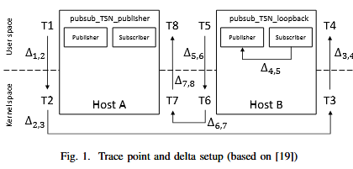
S008 | System Cycle Time | Cycle Time | Timing | Target Closed-Loop Interval | The target global cycle time for the application threads to wake up, process, and transmit data. | Application Layer (Globally synchronized across threads) | μs | Result: The authors successfully achieved a highly stable 250 μs cycle time with COTS hardware.
S008 | Application Sending Delay (Δ1,2​ & Δ5,6​) | Segmented Latency | Timing | User-to-Kernel Tx Delay | Delay between the application preparing the payload (T1/T5) and the outgoing Ethernet frame being captured by the kernel (T2/T6). | User Space to Kernel Space (App Timestamp to pcap Egress) | μs | Captures the overhead of the OPC UA SDK (open62541) preparing and pushing the frame to the OS.
S008 | Network Transmission Delay (Δ2,3​ & Δ6,7​) | Segmented Latency | Timing | Physical Network Wire Time | Transmission time of the Ethernet frame across the physical link between Host A and Host B. | Kernel to Kernel (pcap Egress to pcap Ingress on opposite host) | μs | Purely physical/network delay. Jumped significantly (from ~25 μs to ~262 μs) when background network load was introduced.
S008 | Application Receiving Delay (Δ3,4​ & Δ7,8​) | Segmented Latency | Timing | Kernel-to-User Rx Delay | Time to receive the OPC UA payload from the kernel space (T3/T7) into the user application thread (T4/T8). | Kernel Space to User Space (pcap Ingress to App Timestamp) | μs | Crucial finding: Under CPU/Network load, UDP experienced massive delays and off-by-one cycle shifts here, whereas Raw Ethernet (ETH) remained stable.
S008 | Application Processing Delay (Δ4,5​) | Segmented Latency | Timing | Logic Execution Time | Duration of the memory copy operation between the subscriber and publisher within the loopback application. | User Space (App Timestamp T4 to T5) | μs | Extremely fast (~1 μs). This acts as the "Virtual PLC Logic" execution time, simulating an echo response.
S008 | Jitter | Jitter | Timing | Component Standard Deviation | The standard deviation of the individual delta measurements (Δ1,2​ to Δ7,8​) over a run of 10,000 cycles. | Post-processing (Python scripts calculating variance over CSV/pcap dumps) | μs | Achieved single-digit μs jitter using Raw Ethernet (ETH), but UDP showed massive jitter (e.g., standard deviation of 116 μs) under load.

S009 | Inbound Delay (τin​) | Segmented Latency | Timing | Sensor-to-Controller Delay | The time interval from the end of the sensor task (data sampling, Js​) to the start of the controller task (reading the actual value, Jc​). | Virtual Time Stamps (Simulation task model) | μs / ms | Result: Frame-driven mode yielded the lowest average inbound delay because data is fetched as soon as it is ready. Clock-driven takes a full cycle.
S009 | Outbound Delay (τout​) | Segmented Latency | Timing | Controller-to-Actuator Delay | The time interval from the end of the controller task (calculating set-points) to the start of the actuation event (Ja​). | Virtual Time Stamps (Simulation task model) | μs / ms | Result: Frame-driven and clock-driven modes had almost identical average outbound delays because both synchronize the outbound link using the frame event.
S009 | End-to-End Delay | Holistic Latency | Timing | Loop Latency (Excluding Controller) | The summation of inbound and outbound delays within the same control cycle, explicitly excluding the fixed controller execution time (Dc​). | Virtual Time Stamps (Simulation output) | μs | Averages: Free-running = 389.5 μs; Frame-driven = 188.7 μs; Clock-driven = 259.1 μs.
S009 | Standard Deviation (Jitter) | Jitter | Timing | Loop Stability / Determinism | The statistical variance (standard deviation) of the end-to-end delays across multiple simulated control cycles. | Statistical Post-processing | μs | Crucial Finding: While Frame-driven was faster on average, Clock-driven was vastly more deterministic (Std Dev: 2.2 μs vs 29.0 μs).
S009 | Node Forwarding Delay (Thw_in​, Thw_out​) | Segmented Latency | Timing | L2 Hardware Processing | The physical time it takes for a frame to pass through a slave node. Because EtherCAT handles data "on-the-fly", this delay is hardware-bound, not CPU-bound. | EtherCAT Slave Controller (ESC) | μs / ns | Assumed constant. Cable propagation delay (~5 ns/meter) is often ignored in these calculations.
S009 | Stack Delay (Tstk_mstr​,Tstk_slv​) | Segmented Latency | Timing | Software Stack Processing | The internal processing delay for the Master or Slave software stack to move data between the network controller and the application process image. | Software Stack / OS Level | μs | Modeled as a uniform distribution (e.g., Master: 3–4 μs, Slave: 15–20 μs).

S010 | Modbus TCP Transaction Latency | Holistic Latency | Timing | Request-Response RTT | The response time of the gateway when subjected to specific background or malicious traffic (e.g., PSH+ACK packets). | Network interfaces (PLC to Gateway, captured via packet capture) | ms | Reported in Table 1 ("Gateway" row). Values range from ~2.8 to ~3.1 ms across 5–55 Mbps background traffic. This is the normal operating baseline; the paper also reports the same metric with a security gateway inserted (adding 0.07–0.97 ms), but that measures appliance overhead rather than protocol performance.

S011 | OPC-UA Read Call Time | Holistic Latency | Timing | Client/Server Request-Response Delay | The time taken for the OPC-UA client to perform a read call of two nodes and receive the server's response. | Application Layer (PC-Based Interface using UaExpert client plugin) | ms | Result: Average 3.65 ms (Min: 2.61 ms, Max: 4.22 ms). This represents the baseline performance without SignAndEncrypt security enabled.
S011 | MQTT Transmission Time | Holistic Latency | Timing | End-to-End Pub/Sub Delay | The time measured between an MQTT client publishing a message and another client receiving it via a subscription to the topic. | Application Layer (Python script on PC-Based Interface) | ms | Result: Average 3.14 ms (Min: 2.55 ms, Max: 4.77 ms). Evaluated using QoS 0 ("at most once" / fire-and-forget) on port 1883 with no encryption.

S012 | Time-to-Completion (TTC) | Holistic Latency | Timing | End-to-End Application Delay | The time spent sending the message through the sender and receiving the message by the receiver, factoring in the time spent by the broker/server. Calculated via timestamp differences (t2​−t1​) locally. | Application Layer (Python/Java scripts calculating timestamps from generated logs) | ms | Result: CoAP achieved the lowest TTC for frequent messages, while OPC UA was the most stable across different message frequencies. MQTT showed high variability depending on message size and frequency.
S012 | Packet Loss | Data Loss | Network | Application Packet Loss | Varies by protocol. For MQTT: when a sent message packet is no longer received. For CoAP and OPC UA: the failure of a GET or PUT command sent to the server (measured via acknowledgements). | Application Layer (Report generator scripts comparing sender and receiver logs/ACKs) | % | Result: 0% in the small-scale local testbed. Reached a massive 65.16% for MQTT in the 1-to-Many large-scale FIT-IoT scenario due to broker queueing failures, whereas CoAP remained extremely reliable (0.04% loss).

S013 | Contact Response Time | Holistic Latency | Timing | End-to-End Physical Actuation Delay | The difference between the packet transmit time and the time when the physical GPIO contact is measured at the correct state. | Physical Hardware (GPIO pins wired from the IED back to the Raspberry Pi testbed) | ms | Evaluated with a 900ms timeout threshold, as standard background GOOSE packets transmit every 1 second. Measuring physical GPIO is the most accurate way to capture true latency if an IED crashes and cannot provide internal packet logs.
S013 | Traffic Data Rate | Throughput | Network | Sustained Attack Link Saturation | The volume of GOOSE packets generated per second by the attacking agent to test link saturation during Denial of Service (DoS) attacks. | Network Layer (Measured from the attacking agent and the Device Under Test) | Mbps / Bits per second | Result: A standard 100 Mbps link was saturated at approximately 84.4 Mbps. The Raspberry Pi testbed experienced traffic generation fluctuations above 80 Mbps due to OS resource allocation limits.
S013 | Messages Lost (Overflow / Out of Sequence) | Data Loss | Network | Attack-Induced Packet Drops | The number of messages dropped by the IED's internal state machine due to receive overflow or out-of-sequence errors triggered by an attack. | Application Layer (On-device message decoding logs from the IED) | Count (Integer) | Result: During a False Data Injection Attack (FDIA), the IED recorded 1795 lost messages due to overflow. This confirms the malicious, unauthenticated packet successfully infiltrated the device's state machine.

S014 | End-to-End Latency (Le2e​) | Holistic Latency | Timing | Device-to-HMI Delay | The time interval from when a value changes in the field device simulator (t1​) to when the updated value is visible in the SCADA admin client / HMI (t4​). | Application Layer (Calculated via ELK log analytics using NTP-synchronized timestamps) | ms | Crucial Finding: Implementing VPN-SSL encryption only added an average of ~1 ms to the end-to-end latency. The choice of protocol was far more impactful; polling-based Modbus TCP caused massive jitter compared to event-based IEC870-5-101.
S014 | RTU Latency (LRTU​) | Segmented Latency | Timing | Device-to-Remote-Server Delay | The specific latency measured between the field device simulator recording a value change (t1​) and the SCADA device driver receiving the updated value (t2​). | Application Layer (Log timestamps) | ms | Used to isolate the latency of the lower-level network connection from the processing delays introduced by the master server and HMI.
S014 | Data Loss | Data Loss | Network | Software Processing Drops | The percentage of device update events that fail to be processed and recorded by the SCADA system under heavy load. | Application Layer (SCADA Master Server logs) | % | Result: At a load of 240 simulators, the system started losing data (~0.3%). This was caused by the Eclipse NeoSCADA Java NIO thread serialization, not a lack of CPU or memory.
S014 | CPU, Memory, and Network Usage | CPU Utilization | Efficiency | Virtual Machine Capacity | The computational, memory, and network throughput limits consumed by the virtual machines hosting the SCADA components during the benchmark. | OS / Hypervisor Level (Using Ganglia monitoring tool) | % / Mbps | Result: Used to rule out resource exhaustion. The authors verified that the massive latency spikes at 240 devices were not due to a shortage of CPU or memory infrastructure resources, but strictly a software architecture bottleneck.
S014 | CPU, Memory, and Network Usage | Memory Utilization | Efficiency | Virtual Machine Capacity | The computational, memory, and network throughput limits consumed by the virtual machines hosting the SCADA components during the benchmark. | OS / Hypervisor Level (Using Ganglia monitoring tool) | % / Mbps | Result: Used to rule out resource exhaustion. The authors verified that the massive latency spikes at 240 devices were not due to a shortage of CPU or memory infrastructure resources, but strictly a software architecture bottleneck.

S015 | Jitter | Jitter | Timing | Time of Data Exchange Variance | Defined as the small variations in the data exchange cycle time (TDE), calculated as jitter=TDEset​−TDEmeasured​. | Network Layer (Hardware TAP): Captured using a Kunbus 2100 Ethernet TAP and Wireshark. | nanoseconds (ns) | Key Methodological Finding: The authors explicitly note that standard switch port mirroring does not have the timestamp precision required to calculate jitter. A hardware Ethernet TAP (providing 1ns resolution) is mandatory. Average measured jitter was between 92.13 ns and 99.67 ns.
S015 | Data Exchange Cycle Time (TDE) | Cycle Time | Timing | Network Cycle Time | The configured cyclic period for exchanging messages between devices on the Real-Time (RT) channel. | Network Layer (Hardware TAP) | ms | The tested SERCOS III ring network operated on an 8 ms cycle time. Protocol supports cycle times down to 31.25 μs.
S015 | RTE / Non-RTE Throughput | Throughput | Network | Data Transmission Rate | The calculation of the amount of Real-Time (RTE) data and Non-Real-Time data transmitted per second. | Network Layer (TAP or Switch) | Mbits/s and kbits/s | Measured at 1.35 Mbits/s for RT traffic and 0.78 kbits/s for Non-RT traffic in the 9-slave ring topology. Unlike jitter, the authors note throughput can be accurately measured using standard switch port mirroring.

S016 | Network Overhead (Ratio) | Protocol Overhead | Efficiency | Payload-to-Frame Ratio | The relationship between the number of bytes of the payload and the total number of bytes exchanged in the full Ethernet frame to deliver the message. | Data Link Layer / Network Layer (Captured via Wireshark) - size of payload / total bytes transmitted | Ratio (Total Bytes / Payload Size) | Result: MQTT QoS 0 and 1 are far more lightweight. However, MQTT QoS 2 and OPC UA behave very similarly (e.g., a ratio of ~31.8 to 32.7 for a 10-byte payload) because both enforce strict delivery confirmations.
S016 | Loopback Time (by Payload Size) | Holistic Latency | Timing | End-to-End Application Delay | The time difference between a client publishing a message (T1​) and receiving that exact same message back via its own subscription (T2​), calculated as T2​−T1​. | Application Layer (Python script timestamps) - T2(timestamp at subscriber callback)-T1(timestamp at publication) | ms | Result: MQTT QoS 0 was fastest for payloads under 10kBytes. OPC UA was slower across all payload sizes (e.g., ~67 ms average for a 100-byte payload on a local server).
S016 | Geographical Loopback Time | Holistic Latency | Timing | WAN Routing Delay | The same loopback calculation (T2​−T1​) applied to a 16-byte payload, but specifically comparing routing times to cloud servers hosted in different global regions (São Paulo, Oregon, Frankfurt, Tokyo). | Application Layer (Python script timestamps) | ms | Result: Proves geographical distance dominates delay. OPC UA jumped from ~29 ms locally, to ~62 ms in São Paulo, to over 433 ms in Tokyo.
S016 | Multi-Client Response Time | Holistic Latency | Timing | Broker Distribution Delay | The time difference between client C0​ posting a message (T3​) and receiving reply messages back from all other N−1 subscribed clients (T4​), calculated as T4​−T3​. | Application Layer (Python script timestamps) | ms | Crucial Finding: Tests publish/subscribe scaling. At 10 clients, protocols were identical. At 1000 clients, OPC UA latency spiked to 1.2 seconds, while MQTT maxed out at 471 ms, proving MQTT is far superior for one-to-many message distribution.

S017 | Server/Publisher CPU Utilization | CPU Utilization | Efficiency | Application CPU Load | The percentage of CPU time spent executing the OPC UA server/publisher processes, calculated based on total elapsed time. | OS Layer (Calculated by the C++ test program logging its own process utilization) | % | Crucial Finding: The CPU was identified as the primary bottleneck in all scenarios. Pub/Sub could handle 40,000 signals/sec, whereas Client/Server struggled at 25,000 (for 1 client) and accumulated up to 45% CPU overhead just to manage 30 concurrent client sessions.
S017 | Server/Publisher Memory Usage | Memory Utilization | Efficiency | Application Memory Footprint | The amount of main memory (RAM) consumed by all child processes of the OPC UA server/publisher program. | OS Layer (Measured at the beginning of the experiment) | kB (or MB) | Result: Memory was not a bottleneck. The server used between 11 and 15 MB (<4% of the Raspberry Pi Zero's 512 MB RAM) regardless of the number of clients or signals.
S017 | Outgoing Network Data Rate | Throughput | Network | Network Link Utilization | The average bandwidth consumed during the stable phase of the experiment, calculated by summing the size of recorded OPC UA Ethernet frames and dividing by the phase length. | Network Layer (Captured via tshark packet sniffing) | kbps | Result: Network bandwidth was not a bottleneck. Peak usage was below 6 Mbps (<1% of a 1 Gbit switch link). This highlights that processing (CPU) limits the system long before the physical wire limits it.
S017 | Client/Subscriber Cycle Time | Cycle Time | Timing | Application Update Interval | The duration measured between the receipt of two subsequent signal updates at the client/subscriber. | Application Layer (Client callback execution) & Network Layer (UDP inter-arrival time via tshark) | ms | Result: Evaluated against a strict 100 ms target. Once the publisher CPU reached ~75% utilization, it could no longer encode and transfer messages fast enough, causing cycle times to spike to 160+ ms (a deadline failure).
S017 | Server Run Span | Segmented Latency | Timing | Application Thread Execution Time | The time it takes for the server to finish its work (specifically the signal updating functionality) during a single cycle. | Application Layer (Internal application timers) | ms | Result: Used to measure the impact of multithreading. On a quad-core Pi 3, adding threads decreased run span by ~35%. On a single-core Pi Zero, adding threads actually increased run span by up to 50% due to context-switching overhead.

S018 | Connection Setup & Package Overhead | Protocol Overhead | Efficiency | Protocol Header Size | The exact number of theoretical TCP/UDP payload bytes required just to establish/close a connection, plus the extra header bytes appended to every data package. | Network / Transport Layer (Verified theoretically and via Wireshark) | Bytes | Result: MQTT requires only 17 bytes to setup/close a connection. OPC UA C/S requires 632 bytes. ROS requires a massive 8,915 bytes due to exchanging non-compressed XML text via XMLRPC.
S018 | Round Trip Time (RTT) - Echo & ACK | Holistic Latency | Timing | Request-Reply Delay under Load | The time to send a request (2 to 32,768 bytes) and receive either a 1-byte acknowledgment (ACK mode) or the exact payload back (Echo mode), tested under idle, high CPU (stress tool), and high network load (Ostinato tool). | Application Layer (Custom open-source C/C++ client software) | Microseconds (μs) | Key Finding: The OPC UA Pub/Sub (UDP) implementation was the fastest across almost all payloads. Under 100% CPU load, MQTT and DDS suffered a significant slowdown (~300 μs), while OPC UA and ROS were largely unaffected.
S018 | Resting RTT | Holistic Latency | Timing | Idle Wake-up Response | The response time of the server after remaining in a resting state (waiting randomly between 0 and 3 seconds before sending a 4-byte request). | Application Layer | Microseconds (μs) | Result: Uncovered a specific architectural quirk in DDS: it requires significantly more time to "reactivate" from a resting state to process a message compared to OPC UA, MQTT, or ROS.
S018 | Multi-Node Forwarding RTT | Holistic Latency | Timing | Intra-host Propagation Delay | The complete RTT for a 10,240-byte message to be sequentially forwarded through 500 separate server instances of the same protocol running simultaneously on a single host. | Application Layer | Microseconds (μs) | Crucial Limit: Proved that Pub/Sub discovery overhead can be fatal. ROS and DDS (Fast RTPS) failed this test entirely because their discovery multicasts/heartbeats maxed out the CPU and consumed 60 GB of RAM. OPC UA C/S was the fastest to complete this test.
S018 | CPU Utilization / CPU Load | CPU Utilization | Efficiency | Host Processing Overhead | The amount of CPU processing power required by the protocol implementations, evaluated implicitly by measuring latency slowdowns when the host CPU is artificially maxed out (100% load), and observationally during a 500-node stress test. | Host System Level (stress tool) | Qualitative / Percentage (%) | Paho MQTT and eProsima Fast RTPS (DDS) require more CPU power to process messages, slowing down significantly (~300 μs) when host CPU is at 100%. Additionally, ROS produces massive CPU load on the host during multi-node deployments, severely slowing down its own performance.

S019 | Device Response Time (Latency) | Holistic Latency | Timing | Request-to-Response Delay | The real-time delay between sending a Modbus request and receiving the response from the physical IED under varying network loads,. | Physical Network Interface (Captured via external tShark sniffer). | ms | Crucial Methodological Finding: The OMNeT++ real-time software simulator failed to measure this accurately, falsely reporting latencies >400 ms. The authors had to use tShark to capture the true physical baseline (~20-30 ms), proving simulation is flawed for real-time OT metrics. Found to follow a log-normal distribution.

S020 | Recurrent Function Execution Rate | Timing Reliability | Timing | Application Thread Cycle Accuracy | The percentage of actual protocol function calls (publish or subscribe operations) executed successfully within the targeted time interval compared to the theoretically expected number of calls. | Application Layer (Captured by a custom scheduler thread running in parallel, verified periodically by an oscilloscope). | Percentage (%) | Key Finding: Evaluated at 10 ms, 5 ms, 2 ms, and 1 ms. At 10 ms and 5 ms, both DDS and OPC UA achieved excellent reliability (often ~100% on native Linux). At 1 ms, OS thread delays caused massive failures, dropping the success rate to ~56% for OPC UA publishing and ~48% for DDS subscribing. Native Linux outperformed virtualized Linux.
S020 | Data Delivery Success Rate | Data Loss | Network | Arriving Payload Ratio | The ratio of successfully received and buffered data values at the subscriber compared to the expected number of values distributed over the network for a given time interval. | Application Layer (Captured via a custom data-buffering log file on the receiver nodes). | Percentage (%) | Result: Validates the execution rate but adds network physical transmission impact. As expected, values were slightly lower than the execution rate due to network instability. At 1 ms, DDS delivery plummeted to ~43% and OPC UA to ~62-77%.

Architectural Mapping
study_id | Architecture Type | Control Layer Components (The SUT) | Physical Process / Loop Simulation | Network & Interconnectivity | Security & Intermediaries
S001 | Hybrid (Physical + Virtual) | Client (C): Real PLC (S7-1512C) OR vPLC (CPU1582V containerized). Server (E): Real PLC OR vPLC. Platform: Siemens Industrial Edge (Docker + Linux RT). | Synthetic Request Loop: Not a physics simulation, but a "Request/Response" transaction model (S7 Get Request) triggered periodically to simulate supervision traffic. | Physical Ethernet: Standard copper cabling. Protocol: S7comm (ISO over TCP) on Port 102. | Intermediary: Passive TAP: Profitap C1AP-100 used as the network access point (T). vPLC Host: Runs on IPC227E or Standard PC (VMware). |  | 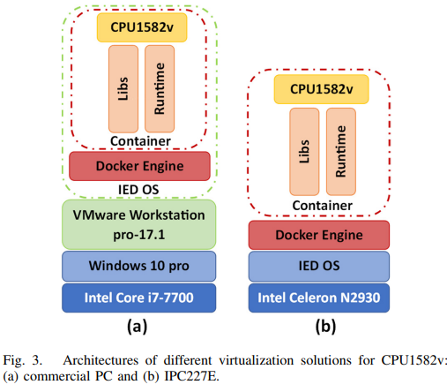
S002 | Hybrid (Physical + Virtual) | vPLC (Target): Siemens CPU1517v running in a Docker container on IPC227E. rPLC (Benchmark): Siemens S7-1512C-1 PN. | Hardware-in-the-Loop (HIL): 1. Trigger Box: (HEOL T103C) Simulates the physical process events. 2. RT I/O: (SIMATIC ET200SP) The dedicated hardware interface that digitizes physical signals into PROFINET packets, ensuring the "Plant" side remains hard real-time. | Protocol: PROFINET RT_Class 1. Physical: Standard Ethernet cabling and RTE Switch. Traffic: Cyclic real-time traffic (1–32ms cycles). | Intermediary: The Virtualization Layer (Docker + Industrial Edge OS) acts as the middleware. Relevance: The RT I/O isolates the physical plant timing from the virtual controller's jitter. T and Packet Sniffer: | 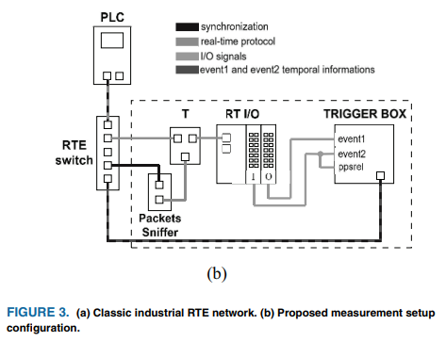
S003 | Hybrid (Physical Edge + Virtual Enterprise) | SoftPLC: OpenPLC running on Raspberry Pi B+ (Logic Execution). RTU/Slave: Arduino Mega 2560 (IO Interface). Edge Gateway: Raspberry Pi 3 B+ running Node-RED (Orchestration) and txThing (CoAP Server). | Physical Closed-Loop: Sensors: TMP36 (Analog Temp), DS18B20 (Digital Temp), MPL3115A2 (Pressure). Actuators: LEDs simulating pumps/valves. Logic: Temperature control loop where sensor data triggers LED states based on setpoints. | OT Protocol: Modbus/TCP (PLC to Gateway) and Modbus Serial (Arduino to PLC). IT/IIoT Protocols: MQTT (Gateway to Cloud), CoAP (Mobile to Gateway), WebSocket, HTTP. Physical: Mixed Ethernet (IEEE 802.3) and Wi-Fi (IEEE 802.11). | Intermediary: The Edge Gateway acts as the bridge between the insecure "OT" zone (Modbus) and the "IT" zone. Security Components: 1. Pfsense: Virtualized Router/Firewall (VMware). 2. IDS: Machine Learning-based Intrusion Detection (Random Forest) analyzing traffic. 3. Virtualization: ESXi Hypervisor hosting Enterprise services. | 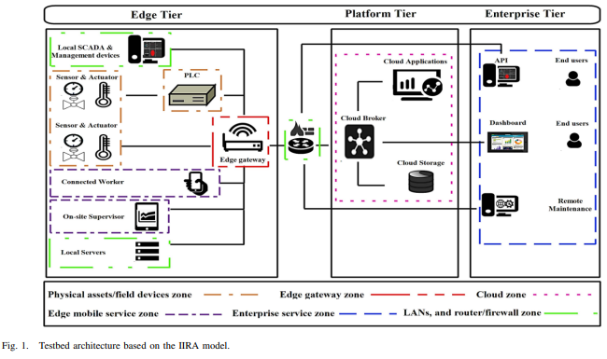
S004 | Brownfield Gateway (Physical Legacy + IIoT Overlay) | Legacy Node: Physical 220kV Power Breaker (SF6 Gas) equipped with legacy Modbus sensors. Edge Gateway: A "Process Unit" (likely Raspberry Pi, based on Wireshark screenshots) running custom software that maps Modbus registers to IEC 61850 Data Models and then to MQTT/CoAP. Client: SCADA IEC Client / Web Dashboard. | Physical Process (Open-loop): Real-world monitoring of a high-voltage substation breaker. Variables: SF6 gas temperature, pressure, humidity, and density. Loop Status: Monitoring only. Data flows up to the SCADA for predictive maintenance; no control signal flows down to trip the breaker in this specific test. | Field Bus: RS485 / Modbus (Sensor to Gateway). IIoT Network: Ethernet (IEEE 802.3). Protocols: 1. MQTT: TCP-based, Publish/Subscribe. 2. CoAP: UDP-based, Request/Response. 3. IEC 61850: Used logically for the data model (SIMG Class). | Intermediary (The Gateway): The critical component. It acts as a "Security Proxy," isolating the insecure legacy bus (Modbus) from the IP network. Security: The caption of Fig. 10 explicitly identifies the captured traffic as "Encrypted MQTT/CoAP packet". This confirms that the latency metrics (L≈28-36 ms) include the overhead of encryption, even if the text doesn't specify the exact cipher suite (likely TLS/DTLS).
S005 | Physical Industrial IIoT (Wired / Constrained) | Client (PLC): CONTROLLINO MAXI Automation (Industrial PLC, Arduino-compatible) running C++ client libraries. Gateway (Server): Endian 4i Industrial Edge Gateway running Dockerized Python scripts (Flask, Paho, aiocoap). | Simulated Monitoring (Open-Loop): Use Case: Pneumatic system leakage detection. Data Source: The PLC generates random sensory data (CSV format) to simulate reading pressure/flow sensors. Traffic Pattern: Periodic transmission with a 5ms delay between messages to avoid buffer saturation. | Physical: Wired Gigabit Ethernet (TP-Link Switch). Protocols: 1. MQTT: (v3.1.1) Tested at QoS 0, 1, 2. 2. CoAP: Tested as Confirmable (CON) and Non-Confirmable (NON). 3. HTTP/WebSockets: Using Flask/Gunicorn servers. | Intermediary: The Endian 4i Gateway hosts the MQTT Broker (Mosquitto) and Protocol Servers, acting as the edge aggregation point. Security: None Enabled. The study explicitly focuses on baseline performance (latency/jitter) without encryption. Relevance: This provides the "Control" dataset for your thesis- showing the minimum latency possible on this hardware before security overhead is added.
S006 | Dual-Standard Wireless Edge (Physical IWSN) | Gateway (Manager): CDS all-in-one Dual-Standard VR950 Gateway running Embedded Linux (kernel 2.6). Wireless Nodes (Clients): 100 physical CDS VS210 sensor development boards equipped with VN210 radios. | Physical Monitoring (Open-Loop): Field nodes acquire data from integrated temperature, humidity, and pressure sensors. Traffic Pattern: Periodic data publishing (every 15s for ISA100.11a, 16s for WirelessHART) and periodic C/S interrogation requests. | Wireless Physical Layer: IEEE 802.15.4 at 2.4 GHz. Protocols: ISA100.11a and WirelessHART. Topologies tested: Star (50 nodes) and Mesh (100 nodes). Gateway Uplink: Wired 10/100Base-T Ethernet. | Intermediary: The VR950 Gateway acts as the central bridge between the WSN and the SCADA network, concurrently running the ISA100 System Manager (SM) and WirelessHART Network Manager (NM). Security: While the paper mentions that provisioning includes passing "security keys" and that industrial WSNs require "authentication and encryption", the study does not test security overhead. Security is treated as a native background feature rather than an experimental variable.
S007 | Virtual / Cloud Software Testbed (Containerized) | Nodes: Python scripts acting as OPC UA Clients/Servers (FreeOpcUa) and MQTT Publishers/Subscribers (paho). Infrastructure: Standard Ubuntu 20.04 VMs hosted on a Research Cloud. Storage: MongoDB Server. | Simulated Data Acquisition (Open-loop): Simulates an AI/ML data collection scenario (the ecoKI project). Traffic Pattern: Synthetic payloads (45 bytes to 100KB) generated at fixed intervals (2ms to 1s) and distributed to varying numbers of receivers (1 to 1000). No physical sensors or actuators are involved. | Network: Virtualized Docker Overlap Network spanning multiple Linux VMs (average ping 0.284ms). Constraint: Standard Linux Kernel (5.4.0) without real-time (RT) patches. Protocols: MQTT (Publish/Subscribe) and OPC UA (Request/Response & Subscription). | Intermediaries: For MQTT, an Eclipse Mosquitto Broker acts as the central intermediary. OPC UA communicates directly Server-to-Client. Security: None Enabled/Tested. The study evaluates bare-protocol header sizes (packet overhead) and baseline CPU/latency without factoring in the overhead of TLS, certificates, or Secure Channels.
S008 | Physical COTS Testbed (Point-to-Point / Back-to-Back) | Host A (Publisher): Standard Ubuntu 18.04 Linux. Host B (Loopback): Custom RT-patched Ubuntu Linux. Hardware: Intel i9-9900K CPUs, 32 GB RAM, and Intel i350 NICs. Software: C-based applications using the open62541 OPC UA SDK (v1.3-rc1),. | Simulated Cyclic Control (Closed-loop): Logic: A software loopback simulates a PLC task (e.g., set-point / process-value exchange),. Host A publishes an incrementing integer (i). Host B receives and republishes i. Host A receives i and increments it to i+1. Cycle: Strictly synchronized to a 250 μs global cycle time. | Physical Link: 1 Gb/s TSN-enabled Ethernet connected back-to-back. Protocols: OPC UA PubSub tested over both standard UDP and Raw Sockets (ETH). Time Sync: Hardware PTP (IEEE 802.1AS profile) using linuxptp. | Intermediaries: None. The testbed explicitly avoids Ethernet switches to remove external switching delays. Security: None Enabled/Tested. The study focuses entirely on OS scheduling, memory allocation, and transmission API (UDP vs. ETH) optimizations,,.
S009 | Simulated Networked Control System (NCS) (Hardware-Accelerated) | Master (PLC): Modeled using an IgH EtherCAT master stack. Slaves (Nodes): 50 total slave nodes (25 sensors, 25 actuators). Modeled using Beckhoff ET1100 EtherCAT Slave Controllers (ESCs). Each node contains an Application Processor, a Network Controller (ESC), and DPRAM. | Simulated Closed-Loop: Models a strict control cycle (Sampling -> Master Execution -> Actuation). Topology: Line topology with alternating sensor and actuator nodes. Payload: 10 Bytes input, 10 Bytes output per node. | Protocol: EtherCAT (Real-time, modified Ethernet). Medium Access: Master-Slave paradigm utilizing a single "summation frame" that passes through all nodes. Synchronization modes tested: Free-running, Frame-driven, and Clock-driven (Distributed Clock). | Intermediary: The EtherCAT Slave Controller (ESC) acts as a specialized hardware intermediary. It extracts/inserts data to the frame on-the-fly as it passes, completely bypassing the slave host CPU. Security: None Enabled/Tested. The architecture focuses strictly on evaluating baseline forwarding and stack delays without encryption or authentication overheads.
S010 | Multi-tiered Physical IT/OT Testbed (Brownfield Integration) | PLC: Acts as the bridge between Modbus TCP and Modbus RTU. Protocol Gateway: Translates Modbus TCP to DNP3. Outstation: A standard DNP3 endpoint. Attacking Agent: A node generating SYN-flood, RST, and UDP broadcast traffic. | Physical Process (Closed-Loop): A hardware process-level network consisting of a pump, linear actuator, and temperature sensor. Logic: The PLC reads register values via serial communication to determine and control the required position of the motor and actuator. | Heterogeneous Network: Process Level: Serial Modbus RTU. Control/Uplink Level: Modbus TCP and DNP3 over standard 100 Mbps Ethernet. Routing Hardware: Standard switches replaced with OpenFlow-configurable Software-Defined Networking (SDN) switches. | Intermediary: The Protocol Gateway serves as a centralized translator, mapping protocol values through shared memory between the Modbus and DNP3 networks. Security (Defense-in-Depth): Tests three physical layers of security: (1) On-device Gateway features (SYN-flood/DoS prevention); (2) An external Security Gateway acting as a firewall with port-specific filtering; and (3) an SDN Switch enforcing static physical routes. | 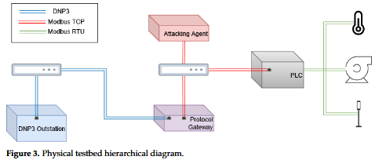
S011 | Physical Industrial Testbed (Edge Gateway / Interoperability) | PLC: Omron NX1P2 controlling local sensors/actuators. IoT Gateway: Ewon Flexy 205. Interface: PC-Based Windows Forms C# application running UaExpert (for OPC-UA) and a Python script (for MQTT). | Physical Machine Monitoring (Open-loop): The physical machine contains several sensors and actuators controlled by the PLC. The architecture extracts and reads this data to a PC-based application; it does not simulate a network-based closed control loop. | Process Link: Ethernet I/P connecting the PLC to the IoT Gateway. Uplink: Standard Ethernet on a private network. Protocols: OPC-UA (Client/Server over UA TCP) and MQTT (Pub/Sub using QoS 0 "at most once"). | Intermediary: The Ewon Flexy 205 Gateway serves as the critical translator. For OPC-UA, it acts as the OPC-UA Server. For MQTT, it acts as an MQTT Client pushing to a broker. Security: Explicitly Disabled. Because the system ran on a private network, the authors explicitly selected the "no sign&encryption" option for OPC-UA and used the default unencrypted port 1883 for MQTT. | 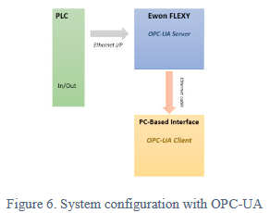 | 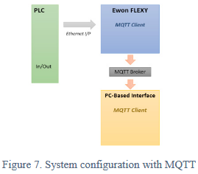
S012 | Hybrid Testbed (Local Embedded & Remote Large-Scale) | Local Hardware: Raspberry Pi 3 B+, Android smartphones, and Laptops (Toshiba Satellite). FIT-IoT Hardware: Wireless sensor nodes (Open Nodes, Gateways, Control Nodes). Software Stack: Raspbian/RIoT OS. Python scripts using paho (MQTT) and opcua (OPC UA), and Java using Eclipse Californium (CoAP). ThingsBoard IoT Gateway. | Simulated Data Exchange (Open-loop): Generates synthetic message payloads (either fixed at 7 KB or variable from 7 KB to 1000 KB) at varying inter-arrival times (1 ms to 1000 ms). No physical actuation or closed control loop is involved. | Network: Local Wi-Fi (802.11b/g/n/ac) and FIT-IoT wireless backbone. Topologies: Spans from simple 1-to-1 setups to massive 1-to-94 (1 sender, 94 receivers), 94-to-1, and Many-to-Many tests. Protocols: MQTT, CoAP, and OPC UA. | Intermediaries: Heavily relies on central entities. MQTT uses a Mosquitto Broker, CoAP uses a Java Server, and OPC UA uses a Python Server. Tested with the intermediary hosted on a Laptop (Topology 1) vs. a constrained Raspberry Pi (Topology 2). Security: None Enabled/Tested. While the paper discusses protocols' ability to use DTLS/TLS, the experiments measure raw protocol baseline performance without cryptographic overhead.
S013 | Physical Substation Automation Testbed (Hardware Evaluation) | GOOSE Publisher: A Raspberry Pi running the open-source libiec61850 C-library. Attacking Agent: A Raspberry Pi executing a custom C-based packet generator. Scripting Node: Laptop for testbed interfacing and traffic validation. Device Under Test (DUT): A physical, commercial Intelligent Electronic Device (IED). | Physical Hardware Actuation (Open-loop): The testbed does not simulate a continuous physical process variable (like temperature). Instead, it relies on external I/O connections wired from the IED's physical GPIO contacts back to the GOOSE publisher to precisely measure the hardware breaker response time (open/close state). | Physical Link: Standard 100BASE-TX Ethernet (100 Mbps link limit). Topology: Star topology centralized on a managed switch. Protocol: IEC-61850 GOOSE (Layer 2 Multicast utilizing IEEE 802.1Q VLAN tagging and specific Ethertypes). | Intermediary: A standard managed switch connects all components. However, port monitoring and security features were disabled to allow testing of the IED's specific state machine vulnerabilities. Security: None Enabled. The protocol is natively unencrypted and unauthenticated, which is exactly what the testbed exploits via DoS, Replay, and False Data Injection Attacks (FDIA). | 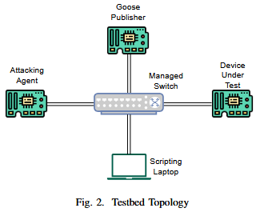 |  | 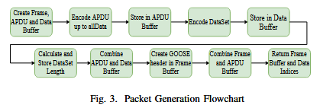 |  | 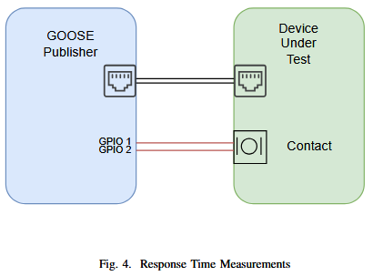
S014 | Cloud-Based SCADA Migration (IT/OT Convergence) | SCADA System: Open-source Eclipse NeoSCADA, separated into three components: Remote Server (acts as the driver/device server), Master Server (database/event handler), and Admin Client (HMI). Infrastructure: Deployed on AWS public cloud Virtual Machines (VMs) and bare-metal reference servers. | Simulated Field Devices (Open-loop): No physical hardware or closed control loops are used. Field devices are simulated in software (diagslave for Modbus devices and a Java-based simulator for IEC devices). Simulators continuously update an internal integer value every 500 ms. | Network: Spans local instances and wide-area cloud connections across two AWS regions (Frankfurt and Ireland). Architectures Tested: Plant, Central, Distributed, and Hierarchical SCADA setups. Protocols: Modbus TCP (using a 250 ms polling rate) and IEC 870-5-101 (Event-based). | Intermediary: The architecture utilizes a Remote Server to convert standard SCADA protocols (like Modbus) into the SCADA system's internal ngp protocol before routing it to the Master Server. Security: Software-based VPN-SSL tunnel connecting the remote side to the central side over the WAN. Encryption/decryption is handled directly by the VMs running the Remote Server and Master Server. | 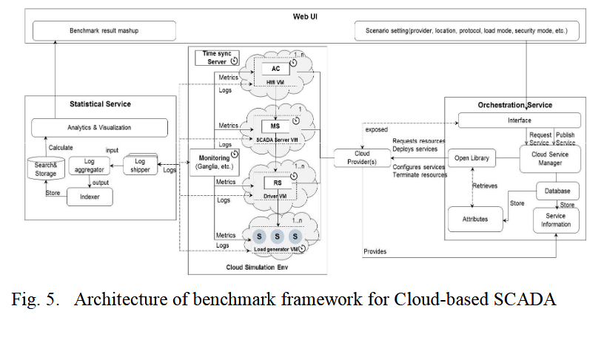
S015 | Physical Real-Time Ethernet Testbed (Hardware Data Collection) | Network Devices: 1 Master and 9 Slaves. Monitoring Equipment: Hardware Ethernet TAP (Kunbus 2100) with 1ns resolution, connected to a PC running Wireshark and Matlab for packet analysis. | Open-loop (Passive Monitoring): The testbed captures network traffic (approximately 34 seconds of Phase 4 operational data exchange) but does not simulate or control a specific physical process variable (like a motor or temperature loop). | Physical Link: 100 Mbps, full-duplex Ethernet (Cat5e or higher). Topology: Ring. Protocol: SERCOS III, structured in an 8 ms cycle time. Traffic is strictly divided into a Real-Time (RT) channel for AT/MDT telegrams and a Non-Real Time Unified Communication Channel (UCC). | Intermediaries: A physical Hardware Ethernet TAP is inserted directly into the communication link, explicitly replacing manageable switches to avoid timestamp imprecision. Security: None Enabled. The architecture is designed to measure raw baseline determinism (jitter) and does not test cryptographic security overhead. | 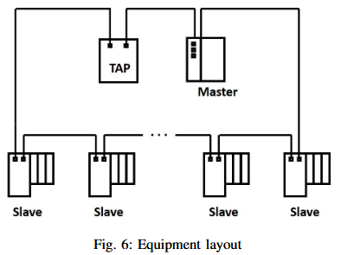 |  | 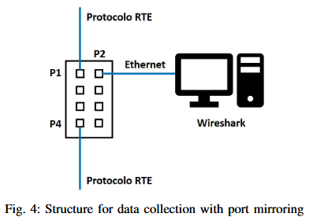 | 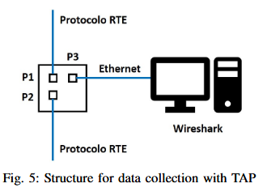
S016 | Cloud / Virtualized IIoT Testbed (Protocol Performance) | Clients: A local computer at the University of São Paulo running Python 3 scripts using the paho-mqtt and python-opcua libraries. Servers/Brokers: Linux virtual machine instances hosted on the Google Cloud Platform, running the Python-OPCUA server and HBMQTT broker. | Simulated Data Exchange (Open-loop): No physical industrial hardware, sensors, or closed control loops are used. The architecture generates synthetic message payloads (ranging from 10 bytes to 1 MByte) strictly to measure protocol network overhead, transmission delays, and publish/subscribe routing efficiency. | Network: Internet-connected Wide Area Network (WAN) bridging a local lab to various global Google Cloud regions (São Paulo, Oregon, Frankfurt, Tokyo). Protocols: OPC UA and MQTT (QoS 0, 1, and 2), specifically testing their publish/subscribe implementations. | Intermediary: The architecture heavily relies on centralized cloud intermediaries (the MQTT Broker and OPC UA Server) to manage client subscriptions and route all published messages. Security: None Enabled/Tested. The experiments measure bare protocol data ratios and geographical routing delays; cryptographic security overhead is not evaluated.
S017 | Physical IIoT Edge Testbed (Resource-Constrained Performance) | Server/Publisher: 1x Raspberry Pi Zero (1GHz single-core, 512MB RAM). Clients/Subscribers: Up to 4x Raspberry Pi 3 Model B (Quad-core 1.2GHz, 1GB RAM). OS/Software: Linux Raspbian with RT PREEMPT patch. Custom C++ applications using the Unified Automation OPC UA SDK (beta extension for Pub/Sub). | Simulated Sensor Updates (Open-loop): The server generates and updates float values (representing sensor readings) continuously in a loop at a configured update rate (e.g., 50 ms to 100 ms). No physical industrial process or closed-loop actuation is implemented. | Physical Link: Gigabit Ethernet. Topology: Three daisy-chained industrial managed switches (Hirschmann RSP35). Protocols: OPC UA Client/Server and OPC UA Pub/Sub (UDP Multicast). Switch Configuration: IGMPv3 Snooping and an IGMP Querier (10s interval) were strictly enabled. | Intermediary (Broker-less): The architecture relies on a "Broker-less" Pub/Sub model. Instead of an application-layer software broker, it uses the physical network switches (via IGMP snooping) to dynamically filter and route UDP multicast traffic. Security: The Basic256Sha256 policy (Sign & Encrypt) was tested for Client/Server. Encryption could not be tested for Pub/Sub due to beta SDK limitations. | 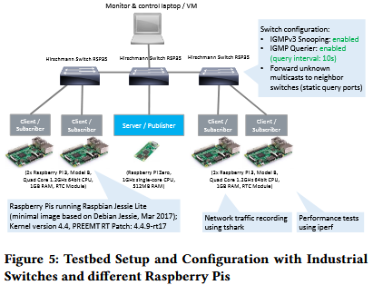
S018 | Physical Middleware Benchmarking Testbed (Protocol Performance) | Client/Server Nodes: Two high-performance PCs (Intel i7-8700K, 64 GB RAM) running Ubuntu Linux explicitly patched with the Preempt-RT Kernel. Software Stacks: Custom C/C++ applications utilizing standard open-source libraries (open62541, Paho MQTT C, eProsima Fast RTPS, ROS C++). | Open-loop (Simulated Request-Reply): No physical industrial processes are simulated. The architecture strictly measures network Round Trip Time (RTT) using synthetic byte payloads (2 to 32,768 bytes) transmitted continuously in "Echo" and "ACK" modes. | Physical Link: Gigabit Ethernet via a standard TP-Link switch. Protocols: OPC UA (Client/Server TCP & Pub/Sub UDP), MQTT (TCP), ROS (TCP/UDP), and DDS (UDP/TCP/Shared Memory). Stress Generation: Artificial network traffic is generated using Ostinato, and artificial CPU load is generated using the Linux stress tool. | Intermediaries: Standard network switch, alongside protocol-specific routing mechanisms (e.g., an MQTT Broker or the ROS Core XMLRPC server). Security: None Enabled. The experiments intentionally evaluated unencrypted OPC UA requests to avoid adding additional payload and processing overhead.
S019 | Hybrid Hardware-in-the-Loop (HIL) Network Emulation & Simulation Testbed | Physical Device Under Test (DUT): A production Intelligent Electronic Device (IED). Simulation Host: A Linux machine running OMNeT++ (v6.0.1) and the INET framework, utilizing tShark for highly accurate external packet analysis. | Open-loop (Protocol Device Profiling): No physical industrial plant or closed control loop is modeled. The framework generates synthetic traffic, specifically looping 4,000 cycles of Modbus read (0x04) and write (0x06) register requests to profile the device's exact response characteristics and error-handling capabilities. | Physical Link: Fast Ethernet via a standard managed switch connecting the physical IED to the host machine. Virtual Link: A custom Linux network namespace linking the physical interface to the OMNeT++ virtual network. Protocols: Modbus/TCP and IEC-61850 GOOSE. | Intermediary: A managed switch and a virtual routing namespace. Security Tested: The testbed evaluates physical device resilience by injecting crafted attack traffic (malformed headers, incorrect unit IDs/data, and duplicated replay packets) at scaled frequencies (up to 80 packets/sec) to trigger "State 0" vulnerabilities. No cryptographic encryption overhead is modeled. | 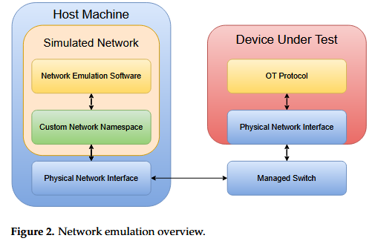 |  | 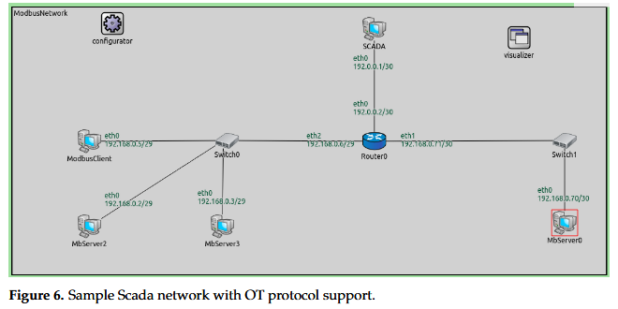
S020 | Physical Multi-Node Protocol Coexistence & Gateway Testbed | Control Nodes: 2x Raspberry Pi 4 devices running native Linux OS, acting as the main consumers/publishers. Update/Diagnose Nodes: Virtualized Linux OS machines acting as data producers and gateway translators. Software: Open-source C/C++ SDKs (open62541 for OPC UA and eProsima Fast DDS). | Simulated Actuator (Open-loop): The OPC UA control node processes logical payloads simulating PLC inputs and sends them to the gateway. The gateway translates this to DDS, and the DDS control node ultimately outputs a physical digital signal (high/low state, simulating actuator pulses) which is verified using an external hardware oscilloscope. | Physical Link: Standard Ethernet (explicitly without Time-Sensitive Networking / TSN). Protocols: DDS and OPC UA (Publish/Subscribe over UADP transport). | Intermediary (Direct Gateway): A custom gateway application linking the OPC UA Diagnose Node and DDS Update Node via a shared memory buffer. It explicitly avoids broker-based intermediary designs. Security: None Enabled. The experiments focus strictly on base protocol timing and OS-level thread constraints under "non-ideal" IT infrastructure. | 