Welcome Page
Welcome!
to the Amazing Race (US) data spreadsheet
Created by wavesei (Sam)

Backstory:
When I was in college, I somehow found myself addicted to the Amazing Race (TAR). I was facinated with the traveling, storylines, and amazing moments throughout, and I knew that it was new dream of my to be on the show. To be able to take part in the most compelling reality show of all time, to take part of my own storyline, to hear Phil say that I'm team number 1. Anyways, I was watching old seasons, when I noticed that there are many similarities between seasons, and I became obsessed with tracking how each season/race was ran. I was never much of a stats guy, but I wanted to be in the mind of the show's creators, in case I ever get the oppotunity to take part in this race that so many love. I began "logging" each season of the race in composition notebooks. I have some scans of a few pages below, including my first and last page. In these entries with my God-awful handwriting, I would log what season it was at the top and separate each leg, normally fitting two on a page. I also dated each entry, to track my progress. Each leg would note where racers traveled to (normally incorrectly), if the leg was elimination or not, what type of clue was read for each challenge, a brief description of each challenge, twists that happened, who got eliminated/saved from elimination and briefly why, and what keywords were seen in this leg. I invented these keywords as I noticed similarities between seasons, to see how the building blocks of the race changed over time. I started this journey of watching and logging each season of TAR in June 2021 with Season 32, and finished this month, July 2024 with Season 35. Yes, it took me three years. Sometimes life got busy with work and school, but I watched and logged when I could. In this process I would mostly work backwards, but sometimes jumped all over the place. Truthfully I do not specifically remember when 20-year-old me decided to start this, but I'm glad I saw this project through to completion, and I imagine some cool stuff ca

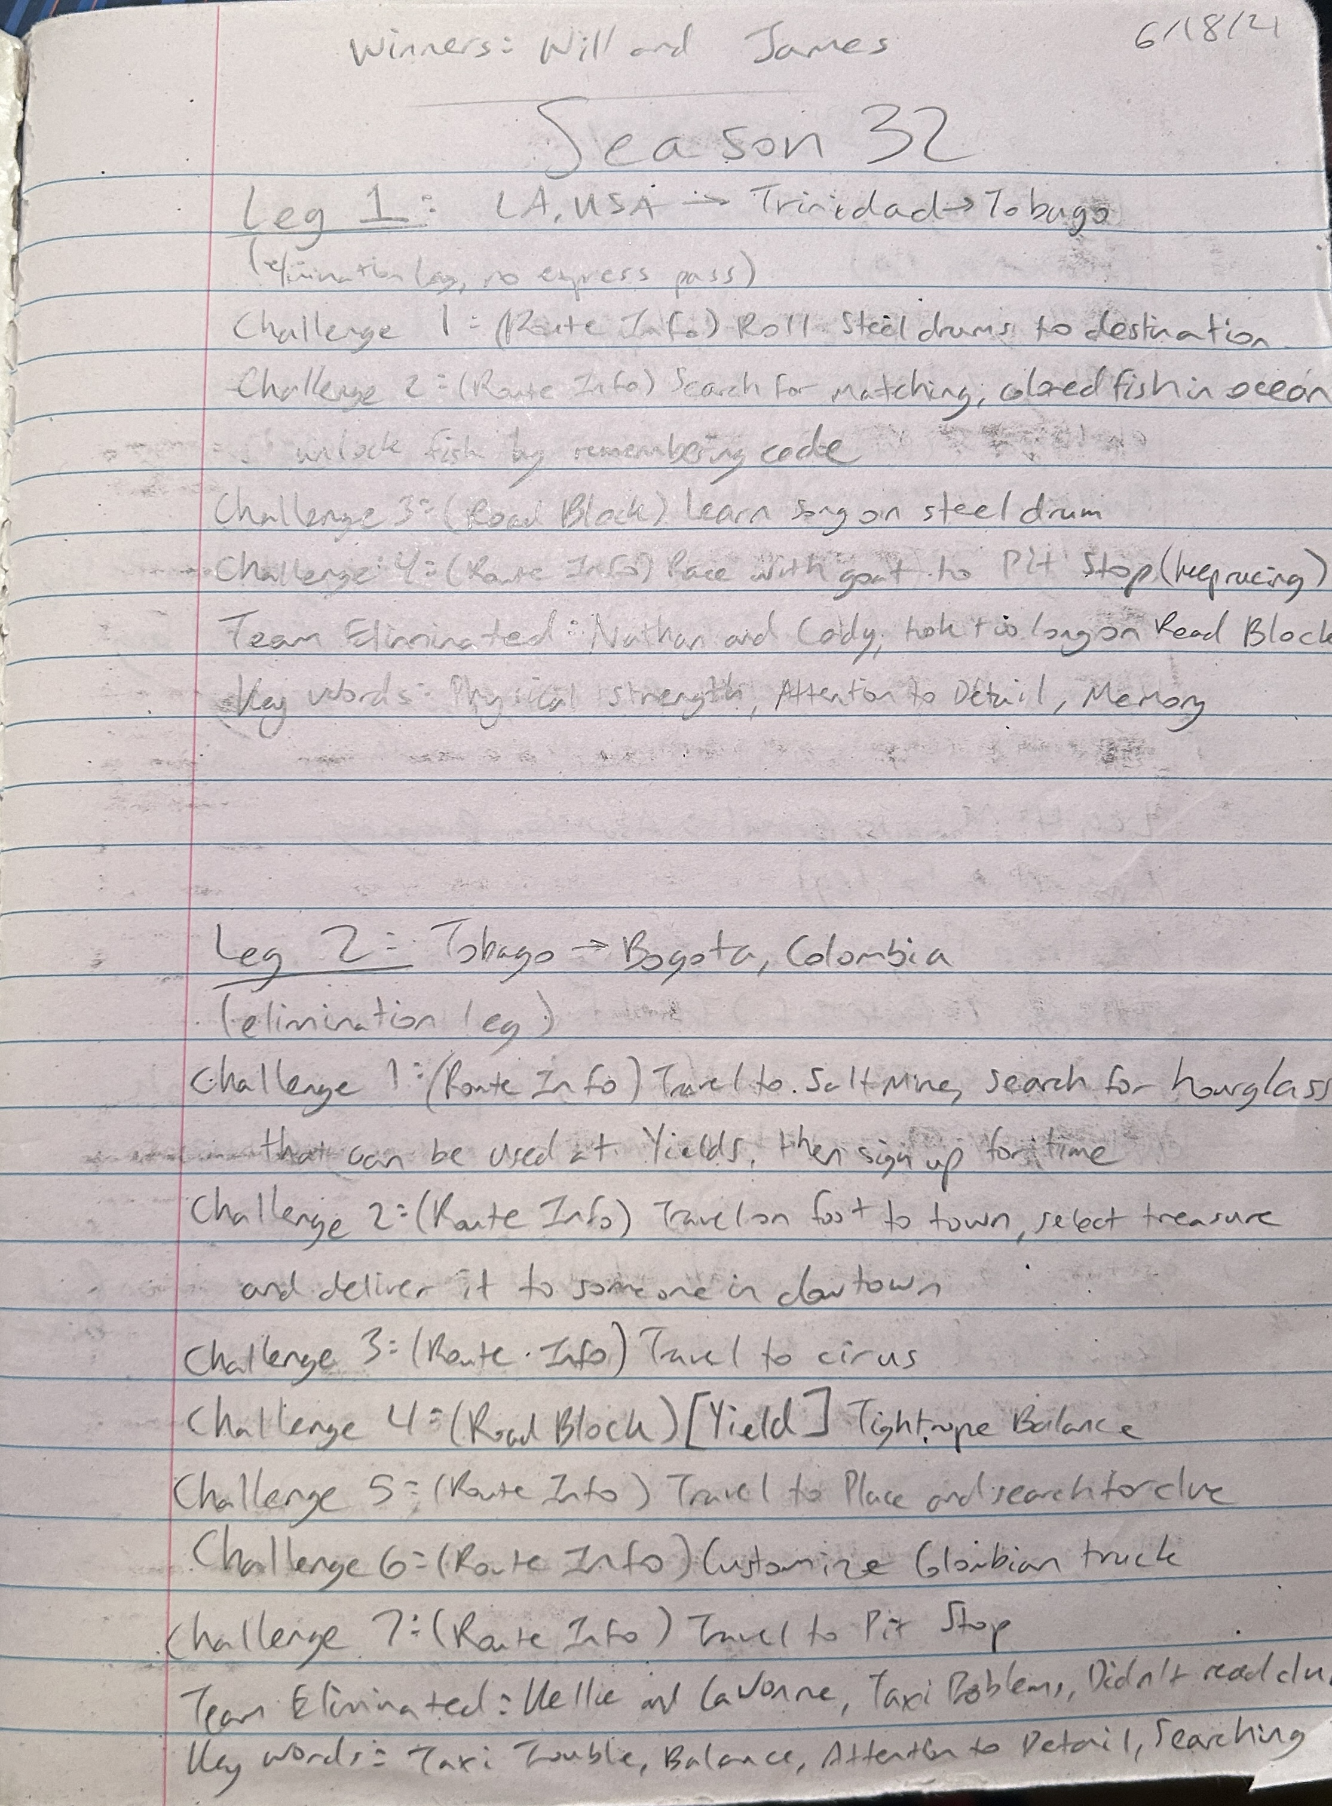
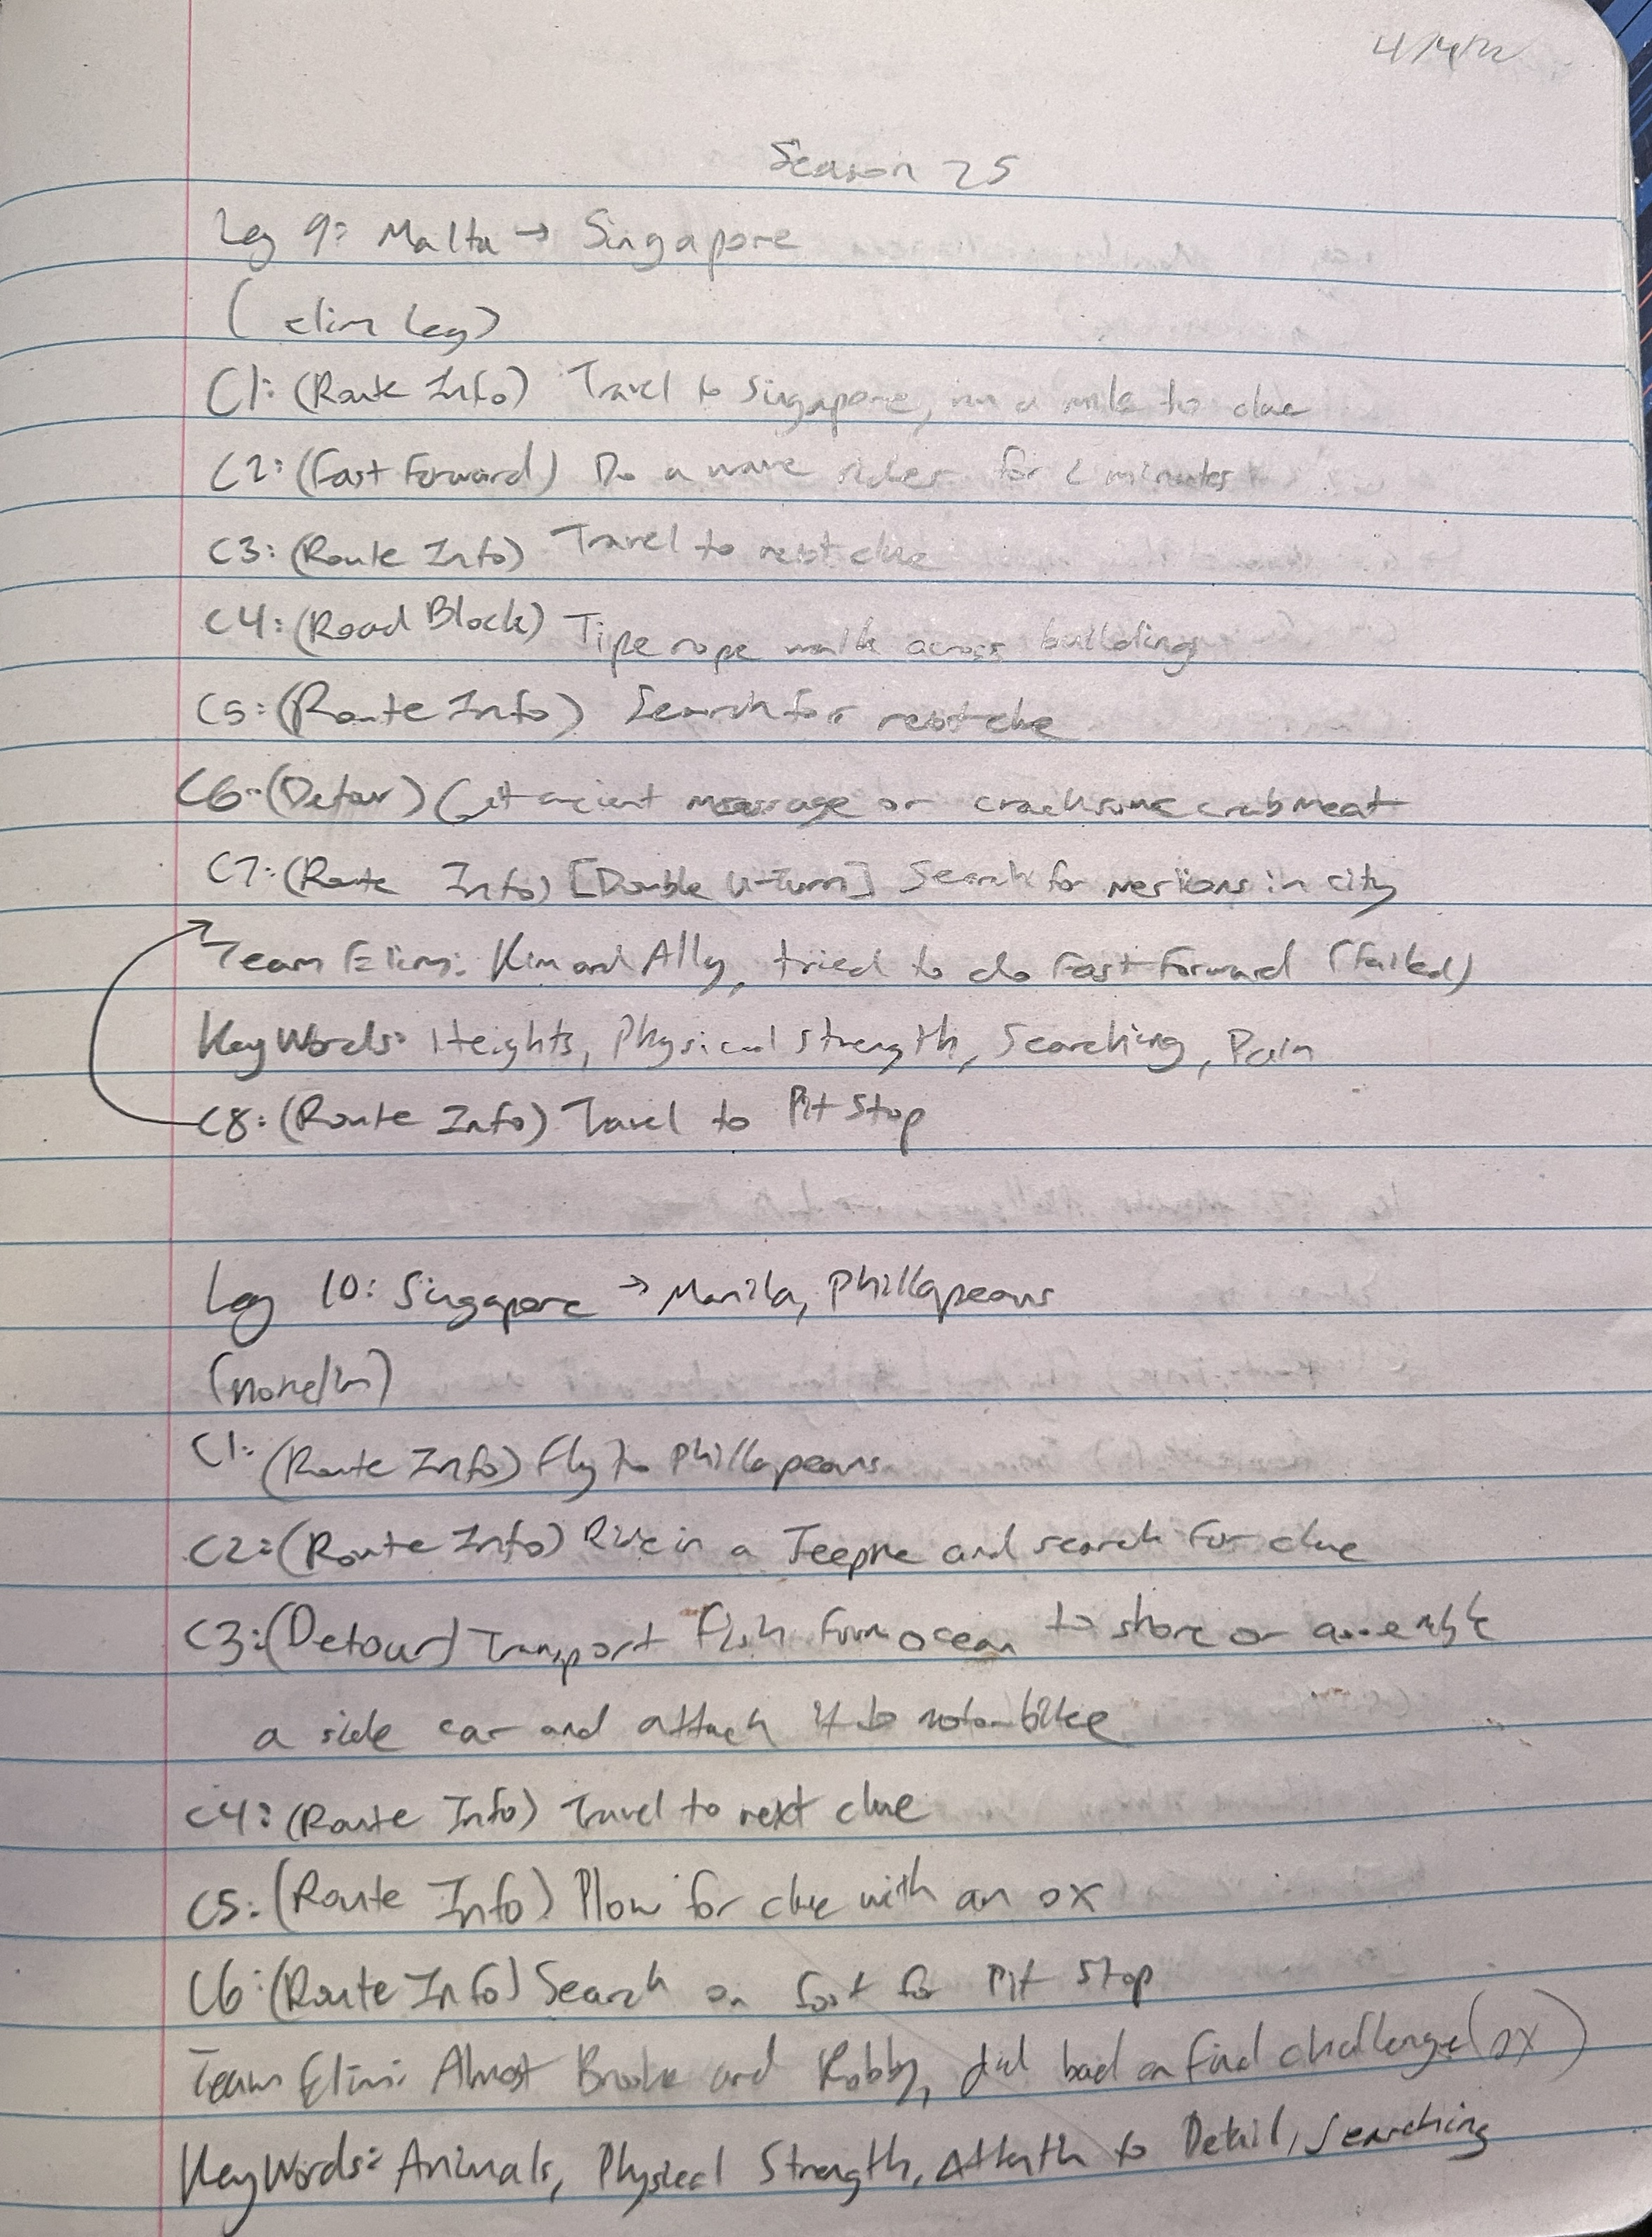
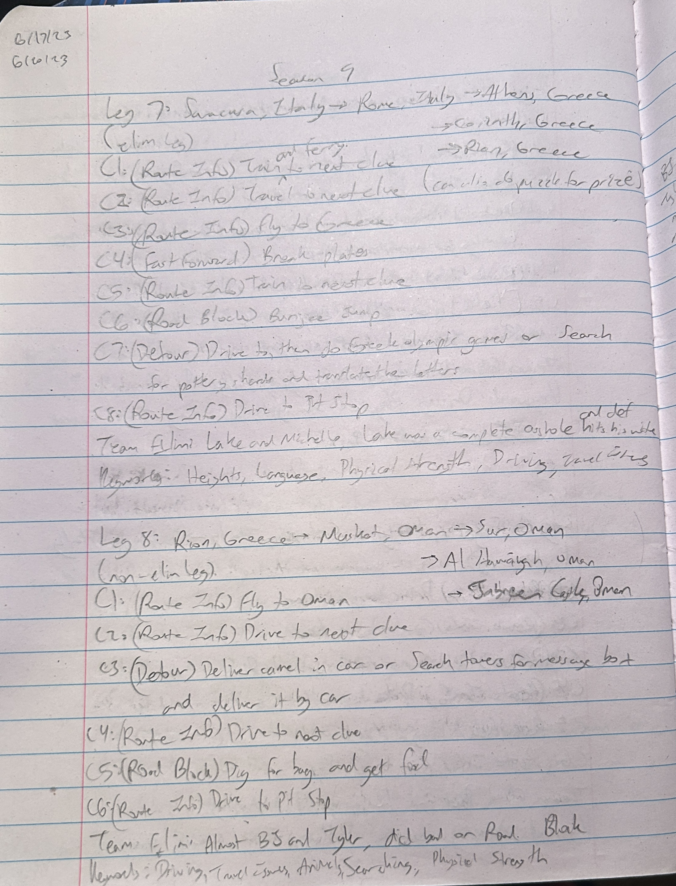
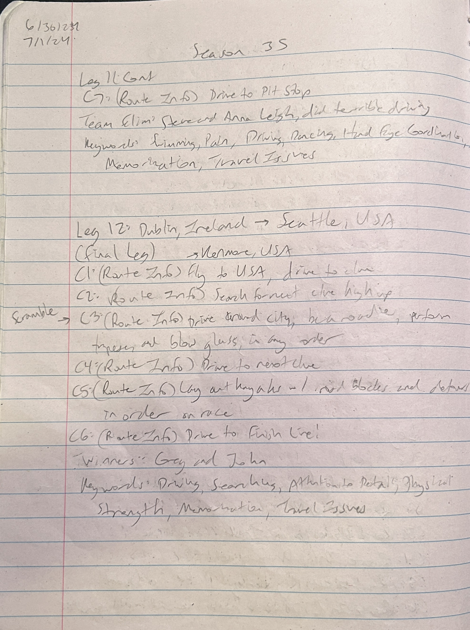

Sheets Information:
Logs | This is where the physical logging (on paper) was translated to. Each season's challenges, eliminations, twists, keywords, locations, and winners are logged.
Keywords | Each keyword is explained when and why they are used, and tracked for use in each season.
Race Locations | The countries and geographical areas ran to in each leg of every season are listed here, and each country and area is tracked per leg and in totality. Maps for each season of the race are also included.
Challenges | This sheet tracks the total amount of challenges in each season, and explains the niche challenges in certain seasons, such as the Hazard.
Route Info | Dedicated to tracking the amount of Route Info challenges per season.
Road Block | Dedicated to tracking the amount of Road Block challenges per season.
Detour | Dedicated to tracking the amount of Detour challenges per season.
Fast Forward | Dedicated to tracking the amount of Fast Forward challenges per season.
Speed Bump | Dedicated to tracking the amount of Speed Bump challenges per season.
Leg-by-Leg | This sheet is for tracking the amount of each challenge type for every leg of every season, then examining them in totality.
Challenge-by-Challenge | This sheet is for tracking the amount of each challenge for every challenge on every leg of every season, then examining them in totality.
Leg-by-Challenge | This sheet is for tracking the amount of challenge per leg.
Leg Outcomes | Here is where you will find how many elimination and non-elimination legs there were per season, tracking each leg of elimination, and noting where the non-elimination legs are located per season.
Finishing Positions | This sheet is to note the performance of every team in TAR US history.
Winner's Corner | This sheet is all about every official winner of the race: their names, backgrounds, demographics, and finishing positions.
Twists | Each twist found on the race is explained and tracked.
Final Leg | Dedicated to examining what to expect for the final leg in terms of locations, challenges, and keywords.
Season 38 | This is THE REAL newest season of the race. Another sheet dedicated to the newest season and what sets it apart from the rest.
COVID Seasons | The last four seasons of TAR have been filmed in a COVID-19 endemic, and are understandably and notably different than other seasons. Here is where you will find information on these differences.
Season 35 | Season 35 is the most-recently filmed season of the race, and this sheet is for explaining how it is different than other seasons, and may be a snapshot into where TAR is heading.
Season 37 | The actual most-recently filmed season of the race, this sheet also examines how it is different from past seasons.

Notes for the Future:
There are some things that I wish to add to this spreadsheet in the future, in the goal of tracking every piece of data in TAR:

- Money given at the start of each leg
- Adding in common triggers for each episode
- More statistics and tracking of changes over the course of TAR (again, I've never been much for stats).
- Start Times
- Track the amount of miles traveled per Season
- Detour twists (blind Detours, e.g.)

Keywords
Keywords

Keywords are indicators of things that "happened" on each leg of the race. These include common types of challenges and phenomenon that occur during multiple different seasons of TAR.

Definitions: | Legs include:
Animals | challenge(s) that involve riding, herding, and/or working with animals in some way, such as riding an elephant or towing a field with an ox.
Attention to Detail | challenge(s) that involve some level of attention to detail, such as setting a dinner table or locating a specific tile.
Balance | challenge(s) that require team member(s) to balance in some way.
Biking | challenge(s) that require team member(s) to ride any type of bicycle to move around.
Building | challenge(s) that require the assembly of something - provided instructions or otherwise.
Cooking | challenge(s) that require team member(s) to cook something to the acceptance of judges, like cooking fish over a fire, but not necessarily consume it.
Counting | challenge(s) that require team member(s) to count specific things, like beans placed in urns.
Dancing | challenge(s) that require team member(s) to learn choreographed moves to perform for judges, may include routines other than dancing such as color guard or martial arts.
Driving | team member(s) driving some kind of automobile to move around, most commonly driving a car to the next clue, almost always includes navigating.
Flags | challenge(s) that require team member(s) to identify international/domestic flags.
Food | challenge(s) where team member(s) are required to consume food and/or drinks, not applicable for teams voluntarily consuming food and/or drinks.
Geography | team member(s) using and/or indentifying geography for a challenge or to get to the next destination.
Hand Eye Coordination | challenge(s) that utilize the hand eye coordination of team member(s), in tasks like baseball and soccer.
Heights | challenge(s) that take place at large heights that tap into team member(s) fear, such as skydiving and bungee jumping.
Language | clue(s) and/or challenge(s) that include a foreign language that needs to be translated and/or memorized to complete the task or travel to the next destination.
Math | challenge(s) that require team member(s) to use mathematics to complete it, like adding up money or various books.
Memorization | challenge(s) that require team member(s) to memorize part of the task to complete it OR challenge(s) at the end of the race requiring team member(s) to remember things like challenges and route markers to complete the task.
Music | challenge(s) that require team member(s) to learn to play a piece on a musical instrument or read and/or memorize sheet music.
Navigation | challenge(s) that specifically involve teams using a given map to complete it, it's worth noting that every legs requires teams to navigate from clue to clue.
Pain | challenge(s) that make team member(s) go through pain to complete the task, such as an intense massage and swimming in freezing cold water.
Painting | challenge(s) that require team member(s) to paint something to complete it with specific attention to detail, such as painting a colorful door.
Physical Strength | challenge(s) or moment(s) that require team member(s) to utilze physical strength to complete, such as running to clues and moving massive hay bales.
Puzzle | clue(s) and/or challenge(s) that require team member(s) to solve a puzzle of some sort to move on, such as riddles, rebus puzzles, slide puzzles, etc.
Searching | challenge(s) that require team member(s) to search for something to complete the task, such as a route marker, or find the next destination.
Selling | challenge(s) that require team member(s) to rely on non-players to donate funds to meet a quota while they beg and/or perform.
Singing | challenge(s) that require team member(s) to learn a song to sing and perform for judges.
Swimming | challenge(s) that require team member(s) to swim in a body of water to receive the next clue and/or complete the leg.
Travel Issues | team(s) running into any kind of issues traveling during the leg, such as flight delays, car troubles, getting lost, etc.

 | *NOTE: many challenges fufill multiple keywords, hopefully in the future I can lay out what keywords apply to each challenge throughout TAR

Keywords Logged per Season:
Seasons | Total | Animals | ATD | Balance | Biking | Building | Cooking | Counting | Dancing | Driving | Flags | Food | Geography | HEC | Heights | Language | Math | Memory | Music | Navigation | Pain | Painting | PS | Puzzle | Searching | Selling | Singing | Swimming | Travel Issues
Season 1 | 54 | 5 | 0 | 0 | 1 | 0 | 0 | 1 | 0 | 5 | 1 | 1 | 0 | 1 | 3 | 2 | 0 | 0 | 0 | 3 | 2 | 0 | 7 | 2 | 10 | 0 | 0 | 1 | 9
Season 2 | 57 | 2 | 0 | 1 | 1 | 0 | 0 | 0 | 1 | 10 | 0 | 3 | 0 | 3 | 5 | 1 | 0 | 0 | 0 | 0 | 0 | 0 | 9 | 0 | 8 | 1 | 0 | 2 | 10
Season 3 | 67 | 3 | 1 | 2 | 4 | 1 | 0 | 1 | 0 | 11 | 1 | 1 | 0 | 3 | 6 | 1 | 0 | 1 | 0 | 1 | 0 | 0 | 8 | 0 | 8 | 2 | 0 | 2 | 10
Season 4 | 58 | 6 | 0 | 1 | 2 | 0 | 0 | 0 | 0 | 6 | 0 | 1 | 0 | 1 | 6 | 0 | 0 | 0 | 0 | 3 | 2 | 0 | 9 | 2 | 7 | 0 | 0 | 3 | 9 | Keywords Logged per Leg:
Season 5 | 63 | 6 | 1 | 0 | 3 | 0 | 1 | 0 | 0 | 8 | 1 | 3 | 0 | 1 | 6 | 0 | 0 | 0 | 0 | 2 | 1 | 0 | 10 | 1 | 6 | 0 | 0 | 2 | 11 | Leg # | Animals | ATD | Balance | Biking | Building | Cooking | Counting | Dancing | Driving | Flags | Food | Geography | Hand Eye Coordination | Heights | Language | Math | Memorization | Music | Navigation | Pain | Painting | Physical Strength | Puzzle | Searching | Selling | Singing | Swimming | Travel Issues | Totals
Season 6 | 61 | 3 | 2 | 2 | 2 | 1 | 1 | 1 | 0 | 7 | 0 | 3 | 0 | 3 | 5 | 0 | 0 | 0 | 0 | 2 | 0 | 1 | 10 | 0 | 7 | 0 | 0 | 3 | 8 | Leg 1 | 5 | 10 | 4 | 2 | 3 | 1 | 0 | 4 | 24 | 1 | 7 | 0 | 5 | 19 | 1 | 0 | 4 | 1 | 1 | 2 | 1 | 29 | 7 | 22 | 1 | 1 | 0 | 30 | 185
Season 7 | 55 | 5 | 1 | 2 | 1 | 1 | 0 | 0 | 0 | 8 | 0 | 1 | 0 | 2 | 4 | 0 | 0 | 0 | 0 | 2 | 1 | 0 | 7 | 1 | 8 | 1 | 0 | 1 | 9 | Leg 2 | 6 | 18 | 5 | 1 | 6 | 3 | 0 | 4 | 14 | 1 | 1 | 0 | 7 | 9 | 3 | 2 | 1 | 4 | 2 | 1 | 2 | 26 | 5 | 22 | 1 | 1 | 3 | 27 | 175
Season 8 | 56 | 2 | 3 | 0 | 2 | 3 | 1 | 0 | 0 | 11 | 0 | 0 | 1 | 2 | 4 | 0 | 0 | 0 | 0 | 1 | 1 | 1 | 10 | 0 | 6 | 0 | 0 | 1 | 7 | Leg 3 | 7 | 18 | 6 | 7 | 5 | 5 | 1 | 7 | 14 | 0 | 5 | 1 | 9 | 4 | 5 | 1 | 2 | 1 | 1 | 2 | 0 | 25 | 4 | 14 | 2 | 1 | 1 | 28 | 176
Season 9 | 66 | 3 | 2 | 1 | 2 | 3 | 0 | 1 | 1 | 11 | 1 | 1 | 0 | 1 | 4 | 1 | 0 | 1 | 1 | 0 | 1 | 0 | 9 | 1 | 8 | 1 | 0 | 2 | 10 | Leg 4 | 9 | 20 | 2 | 3 | 12 | 2 | 1 | 4 | 17 | 2 | 5 | 1 | 7 | 7 | 3 | 0 | 6 | 1 | 3 | 3 | 0 | 27 | 9 | 13 | 1 | 0 | 2 | 20 | 180
Season 10 | 64 | 2 | 6 | 0 | 2 | 1 | 1 | 0 | 1 | 9 | 0 | 3 | 0 | 2 | 3 | 1 | 0 | 0 | 0 | 0 | 2 | 1 | 9 | 2 | 5 | 1 | 1 | 1 | 11 | Leg 5 | 7 | 14 | 6 | 1 | 14 | 4 | 1 | 4 | 19 | 0 | 2 | 0 | 4 | 7 | 4 | 0 | 5 | 3 | 2 | 0 | 1 | 24 | 5 | 20 | 2 | 1 | 1 | 25 | 176
Season 11 | 59 | 4 | 4 | 2 | 0 | 1 | 2 | 0 | 0 | 8 | 0 | 2 | 0 | 1 | 2 | 0 | 1 | 1 | 0 | 2 | 0 | 1 | 8 | 3 | 8 | 1 | 0 | 1 | 7 | Leg 6 | 10 | 15 | 4 | 2 | 7 | 4 | 1 | 1 | 17 | 0 | 5 | 0 | 5 | 11 | 4 | 2 | 6 | 1 | 3 | 2 | 3 | 24 | 8 | 18 | 2 | 3 | 2 | 25 | 185
Season 12 | 52 | 2 | 1 | 1 | 4 | 1 | 0 | 1 | 2 | 6 | 0 | 2 | 0 | 1 | 4 | 2 | 0 | 1 | 0 | 0 | 3 | 0 | 8 | 2 | 6 | 0 | 0 | 0 | 5 | Leg 7 | 9 | 16 | 4 | 7 | 7 | 4 | 2 | 7 | 19 | 0 | 7 | 0 | 7 | 7 | 4 | 2 | 4 | 2 | 2 | 2 | 2 | 20 | 8 | 18 | 1 | 2 | 6 | 23 | 192
Season 13 | 47 | 0 | 6 | 0 | 1 | 1 | 0 | 1 | 1 | 3 | 0 | 2 | 0 | 1 | 2 | 0 | 1 | 1 | 1 | 0 | 1 | 1 | 7 | 1 | 8 | 2 | 0 | 0 | 6 | Leg 8 | 13 | 21 | 3 | 3 | 8 | 6 | 1 | 5 | 17 | 0 | 8 | 0 | 6 | 7 | 5 | 2 | 3 | 3 | 4 | 1 | 1 | 26 | 5 | 19 | 1 | 2 | 1 | 22 | 193
Season 14 | 54 | 3 | 3 | 2 | 1 | 2 | 0 | 0 | 2 | 3 | 0 | 2 | 0 | 0 | 2 | 4 | 0 | 2 | 0 | 0 | 2 | 2 | 8 | 2 | 8 | 0 | 1 | 1 | 4 | Leg 9 | 12 | 15 | 3 | 6 | 9 | 2 | 1 | 2 | 14 | 0 | 8 | 0 | 7 | 12 | 3 | 3 | 5 | 2 | 0 | 6 | 2 | 28 | 5 | 20 | 4 | 1 | 4 | 23 | 197
Season 15 | 54 | 1 | 2 | 0 | 1 | 2 | 2 | 1 | 1 | 2 | 0 | 3 | 0 | 3 | 3 | 3 | 2 | 0 | 0 | 0 | 2 | 0 | 8 | 4 | 8 | 2 | 0 | 1 | 3 | Leg 10 | 7 | 14 | 3 | 4 | 6 | 5 | 2 | 2 | 15 | 1 | 9 | 0 | 6 | 10 | 3 | 2 | 4 | 2 | 2 | 3 | 2 | 27 | 2 | 22 | 1 | 0 | 7 | 19 | 180
Season 16 | 52 | 2 | 2 | 2 | 0 | 1 | 1 | 1 | 0 | 4 | 0 | 1 | 0 | 3 | 3 | 1 | 1 | 1 | 1 | 1 | 0 | 1 | 4 | 3 | 7 | 1 | 0 | 2 | 9 | Leg 11 | 5 | 13 | 4 | 2 | 4 | 6 | 1 | 4 | 12 | 0 | 7 | 1 | 8 | 5 | 6 | 0 | 4 | 0 | 0 | 4 | 2 | 21 | 7 | 15 | 3 | 0 | 4 | 21 | 159
Season 17 | 67 | 1 | 4 | 5 | 1 | 4 | 0 | 0 | 0 | 6 | 0 | 3 | 1 | 3 | 3 | 0 | 0 | 2 | 2 | 1 | 1 | 0 | 9 | 5 | 7 | 1 | 0 | 0 | 8 | Leg 12 | 1 | 1 | 2 | 3 | 2 | 0 | 0 | 0 | 5 | 1 | 0 | 0 | 0 | 1 | 0 | 0 | 0 | 0 | 1 | 0 | 0 | 6 | 0 | 7 | 0 | 0 | 2 | 6 | 38
Season 18 | 62 | 1 | 7 | 0 | 2 | 2 | 3 | 0 | 3 | 5 | 0 | 2 | 0 | 1 | 1 | 0 | 1 | 2 | 0 | 0 | 2 | 3 | 7 | 4 | 7 | 1 | 0 | 0 | 8 | Final Leg | 2 | 11 | 3 | 2 | 4 | 2 | 0 | 0 | 15 | 2 | 2 | 4 | 7 | 23 | 2 | 1 | 25 | 0 | 2 | 3 | 0 | 28 | 16 | 17 | 0 | 0 | 4 | 21 | 196
Season 19 | 67 | 3 | 3 | 1 | 3 | 7 | 1 | 0 | 2 | 4 | 0 | 0 | 1 | 1 | 4 | 1 | 0 | 5 | 1 | 1 | 1 | 0 | 7 | 6 | 6 | 0 | 0 | 0 | 9 | Totals | 93 | 186 | 49 | 43 | 87 | 44 | 11 | 44 | 202 | 8 | 66 | 7 | 78 | 122 | 43 | 15 | 69 | 20 | 23 | 29 | 16 | 311 | 81 | 227 | 19 | 12 | 37 | 290 | 2232
Season 20 | 65 | 3 | 9 | 2 | 1 | 4 | 1 | 0 | 2 | 7 | 0 | 2 | 0 | 4 | 3 | 0 | 1 | 1 | 0 | 0 | 1 | 1 | 8 | 2 | 4 | 1 | 1 | 0 | 7
Season 21 | 59 | 2 | 6 | 2 | 0 | 3 | 2 | 0 | 3 | 2 | 0 | 4 | 0 | 2 | 1 | 2 | 1 | 1 | 0 | 0 | 1 | 0 | 10 | 3 | 4 | 1 | 0 | 1 | 8
Season 22 | 56 | 4 | 6 | 2 | 0 | 3 | 1 | 0 | 1 | 4 | 0 | 1 | 1 | 3 | 4 | 0 | 0 | 3 | 1 | 0 | 0 | 1 | 9 | 1 | 6 | 0 | 0 | 1 | 4
Season 23 | 55 | 2 | 7 | 0 | 0 | 3 | 2 | 0 | 1 | 2 | 0 | 1 | 0 | 2 | 5 | 1 | 1 | 2 | 1 | 0 | 0 | 0 | 9 | 2 | 7 | 0 | 1 | 2 | 4
Season 24 | 56 | 4 | 8 | 0 | 0 | 2 | 0 | 1 | 3 | 2 | 0 | 0 | 0 | 6 | 2 | 1 | 2 | 2 | 1 | 0 | 0 | 0 | 7 | 1 | 6 | 0 | 0 | 0 | 8
Season 25 | 56 | 3 | 9 | 3 | 1 | 2 | 0 | 0 | 0 | 4 | 0 | 0 | 1 | 1 | 4 | 1 | 0 | 2 | 1 | 0 | 1 | 1 | 10 | 1 | 4 | 0 | 0 | 1 | 6
Season 26 | 66 | 4 | 4 | 3 | 0 | 4 | 2 | 0 | 3 | 3 | 0 | 3 | 0 | 4 | 4 | 3 | 1 | 1 | 0 | 1 | 0 | 0 | 8 | 3 | 4 | 0 | 0 | 1 | 10
Season 27 | 50 | 2 | 7 | 1 | 1 | 2 | 3 | 0 | 1 | 1 | 1 | 1 | 0 | 0 | 3 | 1 | 0 | 1 | 1 | 1 | 0 | 0 | 10 | 1 | 2 | 0 | 1 | 1 | 8
Season 28 | 49 | 3 | 5 | 1 | 1 | 5 | 2 | 1 | 1 | 0 | 1 | 1 | 1 | 0 | 3 | 0 | 0 | 2 | 0 | 0 | 0 | 0 | 9 | 2 | 4 | 1 | 0 | 1 | 5
Season 29 | 47 | 0 | 5 | 0 | 1 | 3 | 3 | 0 | 1 | 1 | 1 | 2 | 0 | 1 | 2 | 2 | 0 | 2 | 1 | 0 | 0 | 1 | 11 | 1 | 2 | 0 | 1 | 0 | 6
Season 30 | 64 | 3 | 10 | 0 | 0 | 3 | 2 | 0 | 1 | 5 | 0 | 3 | 0 | 0 | 3 | 2 | 2 | 3 | 0 | 0 | 0 | 0 | 9 | 3 | 8 | 0 | 1 | 0 | 6
Season 31 | 59 | 2 | 8 | 1 | 1 | 4 | 2 | 0 | 1 | 3 | 0 | 2 | 0 | 1 | 3 | 2 | 0 | 4 | 1 | 0 | 0 | 0 | 7 | 3 | 5 | 0 | 0 | 0 | 9
Season 32 | 50 | 2 | 9 | 2 | 0 | 3 | 2 | 0 | 1 | 1 | 0 | 2 | 1 | 3 | 2 | 2 | 0 | 4 | 1 | 1 | 0 | 0 | 3 | 3 | 4 | 0 | 1 | 0 | 3
Season 33 | 54 | 1 | 9 | 0 | 0 | 1 | 3 | 1 | 0 | 8 | 1 | 2 | 0 | 1 | 1 | 0 | 0 | 2 | 1 | 0 | 0 | 0 | 8 | 2 | 6 | 0 | 1 | 0 | 6
Season 34 | 51 | 1 | 4 | 1 | 1 | 3 | 1 | 0 | 2 | 7 | 0 | 1 | 0 | 2 | 2 | 2 | 0 | 6 | 1 | 0 | 0 | 0 | 5 | 1 | 1 | 0 | 1 | 1 | 8
Season 35 | 70 | 0 | 9 | 1 | 2 | 3 | 0 | 0 | 3 | 6 | 0 | 2 | 0 | 2 | 5 | 1 | 1 | 3 | 0 | 0 | 2 | 0 | 8 | 3 | 9 | 0 | 0 | 1 | 9
Season 36 | 63 | 0 | 8 | 2 | 0 | 2 | 2 | 0 | 1 | 7 | 0 | 0 | 0 | 5 | 0 | 0 | 0 | 5 | 2 | 0 | 0 | 1 | 10 | 3 | 3 | 1 | 1 | 2 | 8
Season 37 | 68 | 1 | 8 | 3 | 0 | 1 | 1 | 0 | 2 | 7 | 0 | 2 | 0 | 3 | 2 | 3 | 0 | 4 | 1 | 0 | 1 | 0 | 9 | 3 | 4 | 0 | 1 | 2 | 10
Season 38 | 78 | 2 | 7 | 3 | 1 | 4 | 2 | 0 | 3 | 5 | 0 | 3 | 0 | 5 | 3 | 3 | 0 | 4 | 1 | 1 | 1 | 0 | 7 | 4 | 6 | 1 | 0 | 0 | 12
Total | 2231 | 93 | 186 | 49 | 43 | 86 | 44 | 11 | 44 | 202 | 8 | 66 | 7 | 78 | 122 | 43 | 15 | 69 | 20 | 23 | 29 | 16 | 311 | 81 | 227 | 19 | 12 | 37 | 290
Average | 59 | 2.45 | 4.89 | 1.29 | 1.13 | 2.26 | 1.16 | 0.29 | 1.16 | 5.32 | 0.21 | 1.74 | 0.18 | 2.05 | 3.21 | 1.13 | 0.39 | 1.82 | 0.53 | 0.61 | 0.76 | 0.42 | 8.18 | 2.13 | 5.97 | 0.50 | 0.32 | 0.97 | 7.63
Max | 78 | 6 | 10 | 5 | 4 | 7 | 3 | 1 | 3 | 11 | 1 | 4 | 1 | 6 | 6 | 4 | 2 | 6 | 2 | 3 | 3 | 3 | 11 | 6 | 10 | 2 | 1 | 3 | 12
Mode | 54 | 2 | 9 | 0 | 1 | 1 | 0 | 0 | 1 | 7 | 0 | 2 | 0 | 1 | 3 | 0 | 0 | 1 | 0 | 0 | 0 | 0 | 9 | 1 | 8 | 0 | 0 | 1 | 8
Keywords per Season:
Keywords per Season
Keyword Totals
 |  |  |  |  |  |  |  |  |  |  |  |  |  |  |  |  |  |  |  |  |  |  |  |  |  |  |  |  |  |  |  |  |  |  |  |  |  | Physical Strength |  | 311
 |  |  |  |  |  |  |  |  |  |  |  |  |  |  |  |  |  |  |  |  |  |  |  |  |  |  |  |  |  |  |  |  |  |  |  |  |  | Travel Issues |  | 290
 |  |  |  |  |  |  |  |  |  |  |  |  |  |  |  |  |  |  |  |  |  |  |  |  |  |  |  |  |  |  |  |  |  |  |  |  |  | Driving |  | 202
 |  |  |  |  |  |  |  |  |  |  |  |  |  |  |  |  |  |  |  |  |  |  |  |  |  |  |  |  |  |  |  |  |  |  |  |  |  | Searching |  | 227
 |  |  |  |  |  |  |  |  |  |  |  |  |  |  |  |  |  |  |  |  |  |  |  |  |  |  |  |  |  |  |  |  |  |  |  |  |  | Attention to Detail |  | 186
 |  |  |  |  |  |  |  |  |  |  |  |  |  |  |  |  |  |  |  |  |  |  |  |  |  |  |  |  |  |  |  |  |  |  |  |  |  | Heights |  | 122
 |  |  |  |  |  |  |  |  |  |  |  |  |  |  |  |  |  |  |  |  |  |  |  |  |  |  |  |  |  |  |  |  |  |  |  |  |  | Animals |  | 93
 |  |  |  |  |  |  |  |  |  |  |  |  |  |  |  |  |  |  |  |  |  |  |  |  |  |  |  |  |  |  |  |  |  |  |  |  |  | Puzzle |  | 81
 |  |  |  |  |  |  |  |  |  |  |  |  |  |  |  |  |  |  |  |  |  |  |  |  |  |  |  |  |  |  |  |  |  |  |  |  |  | Memory |  | 69
 |  |  |  |  |  |  |  |  |  |  |  |  |  |  |  |  |  |  |  |  |  |  |  |  |  |  |  |  |  |  |  |  |  |  |  |  |  | Food |  | 66
 |  |  |  |  |  |  |  |  |  |  |  |  |  |  |  |  |  |  |  |  |  |  |  |  |  |  |  |  |  |  |  |  |  |  |  |  |  | Building |  | 86
 |  |  |  |  |  |  |  |  |  |  |  |  |  |  |  |  |  |  |  |  |  |  |  |  |  |  |  |  |  |  |  |  |  |  |  |  |  | Hand Eye Coordination |  | 78
 |  |  |  |  |  |  |  |  |  |  |  |  |  |  |  |  |  |  |  |  |  |  |  |  |  |  |  |  |  |  |  |  |  |  |  |  |  | Biking |  | 43
 |  |  |  |  |  |  |  |  |  |  |  |  |  |  |  |  |  |  |  |  |  |  |  |  |  |  |  |  |  |  |  |  |  |  |  |  |  | Dancing |  | 44
 |  |  |  |  |  |  |  |  |  |  |  |  |  |  |  |  |  |  |  |  |  |  |  |  |  |  |  |  |  |  |  |  |  |  |  |  |  | Balance |  | 49
 |  |  |  |  |  |  |  |  |  |  |  |  |  |  |  |  |  |  |  |  |  |  |  |  |  |  |  |  |  |  |  |  |  |  |  |  |  | Swimming |  | 37
 |  |  |  |  |  |  |  |  |  |  |  |  |  |  |  |  |  |  |  |  |  |  |  |  |  |  |  |  |  |  |  |  |  |  |  |  |  | Language |  | 43
 |  |  |  |  |  |  |  |  |  |  |  |  |  |  |  |  |  |  |  |  |  |  |  |  |  |  |  |  |  |  |  |  |  |  |  |  |  | Pain |  | 29
 |  |  |  |  |  |  |  |  |  |  |  |  |  |  |  |  |  |  |  |  |  |  |  |  |  |  |  |  |  |  |  |  |  |  |  |  |  | Cooking |  | 44
 |  |  |  |  |  |  |  |  |  |  |  |  |  |  |  |  |  |  |  |  |  |  |  |  |  |  |  |  |  |  |  |  |  |  |  |  |  | Music |  | 20
 |  |  |  |  |  |  |  |  |  |  |  |  |  |  |  |  |  |  |  |  |  |  |  |  |  |  |  |  |  |  |  |  |  |  |  |  |  | Math |  | 15
 |  |  |  |  |  |  |  |  |  |  |  |  |  |  |  |  |  |  |  |  |  |  |  |  |  |  |  |  |  |  |  |  |  |  |  |  |  | Navigation |  | 23
 |  |  |  |  |  |  |  |  |  |  |  |  |  |  |  |  |  |  |  |  |  |  |  |  |  |  |  |  |  |  |  |  |  |  |  |  |  | Painting |  | 16
 |  |  |  |  |  |  |  |  |  |  |  |  |  |  |  |  |  |  |  |  |  |  |  |  |  |  |  |  |  |  |  |  |  |  |  |  |  | Selling |  | 19
 |  |  |  |  |  |  |  |  |  |  |  |  |  |  |  |  |  |  |  |  |  |  |  |  |  |  |  |  |  |  |  |  |  |  |  |  |  | Singing |  | 12
 |  |  |  |  |  |  |  |  |  |  |  |  |  |  |  |  |  |  |  |  |  |  |  |  |  |  |  |  |  |  |  |  |  |  |  |  |  | Flags |  | 8
 |  |  |  |  |  |  |  |  |  |  |  |  |  |  |  |  |  |  |  |  |  |  |  |  |  |  |  |  |  |  |  |  |  |  |  |  |  | Geography |  | 7
 |  |  |  |  |  |  |  |  |  |  |  |  |  |  |  |  |  |  |  |  |  |  |  |  |  |  |  |  |  |  |  |  |  |  |  |  |  | Counting |  | 11
Keyword Bar Graphs:
Attention to Detail

Building

Hand Eye Coordination

Memorization

Physical Strength

Race Locations
Location Information
 |  |  |  |  |  |  |  |  |  |  |  |  |  |  |  |  |  |  |  |  |  | *NOTE: Colored Legs denote the final leg of that season, Leg 13 is always the final leg
 | Countries/Areas traveled to in each Leg |  |  |  |  |  |  |  |  |  |  |  |  |  |  |  |  |  |  |  |  |  |  |  |  |  |  |  |  |  |  |  |  |  | # of Countries traveled to on each Season
 | Leg # | Leg 1 |  | Leg 2 |  | Leg 3 |  | Leg 4 |  | Leg 5 |  | Leg 6 |  | Leg 7 |  | Leg 8 |  | Leg 9 |  | Leg 10 |  | Leg 10 |  | Leg 11 |  | Leg 11 |  | Leg 12 |  | Leg 12 |  | Leg 13 |  |  | Season # | # |  |  |  |  |  |  |  |  |  |  |  |  |  |  |  |  | Countries traveled to in each Leg
 | Season # | Country/ies | Area of World | Country/ies | Area of World | Country/ies | Area of World | Country/ies | Area of World | Country/ies | Area of World | Country/ies | Area of World | Country/ies | Area of World | Country/ies | Area of World | Country/ies | Area of World | Country/ies | Area of World | Country/ies | Area of World | Country/ies | Area of World | Country/ies 2 | Area of World | Country/ies 3 | Area of World | Country/ies | Area of World | Country/ies | Area of World |  | Season 1 | 8 |  |  |  |  |  |  |  |  |  |  |  |  |  |  |  |  | Season # | Leg 1 | Leg 2 | Leg 3 | Leg 4 | Leg 5 | Leg 6 | Leg 7 | Leg 8 | Leg 9 | Leg 10 | Leg 11 | Leg 12 | Leg 13 | # of Unique Countries
 | Season 1 | Zambia | Southern Africa | France | Western Europe | France | Western Europe | Tunisia | Northern Africa | Tunisia | Northern Africa | Italy | Southern Europe | India | South Asia | India | South Asia | Thailand | South East Asia | Thailand | South East Asia |  |  | China | East Asia |  |  | USA | North America |  |  | USA | North America |  | Season 2 | 8 |  |  |  |  |  |  |  |  |  |  |  |  |  |  |  |  | Season 1 | Zambia | France | France | Tunisia | Tunisia | Italy | India | India | Thailand | Thailand | China | USA | USA | 8
 | Season 2 | Brazil | South America | Brazil | South America | South Africa | Southern Africa | Namibia | Southern Africa | Thailand | South East Asia | Thailand | South East Asia | China | East Asia | Australia | Oceania | Australia | Oceania | New Zealand | Oceania |  |  | New Zealand | Oceania |  |  | USA | North America |  |  | USA | North America |  | Season 3 | 12 |  |  |  |  |  |  |  |  |  |  |  |  |  |  |  |  | Season 2 | Brazil | Brazil | South Africa | Namibia | Thailand | Thailand | China | Australia | Australia | New Zealand | New Zealand | USA | USA | 8
 | Season 3 | Mexico | North America | Mexico | North America | England Scotland | Western Europe Western Europe | Portugal | Western Europe | Morocco | Northern Africa | Morocco | Northern Africa | Germany Austria | Central Europe Central Europe | Switzerland | Central Europe | Switzerland | Central Europe | Malaysia Singapore | South East Asia South East Asia |  |  | Vietnam | South East Asia |  |  | Vietnam | South East Asia |  |  | USA | North America |  | Season 4 | 9 |  |  |  |  |  |  |  |  |  |  |  |  |  |  |  |  | Season 3 | Mexico | Mexico | England | Portugal | Morocco | Morocco | Germany | Switzerland | Switzerland | Malaysia | Vietnam | Vietnam | USA | 12
 | Season 4 | Italy | Western Europe | Italy | Southern Europe | Austria | Central Europe | France | Western Europe | Netherlands | Central Europe | India | South Asia | India | South Asia | Malaysia | South East Asia | Malaysia | South East Asia | South Korea | East Asia |  |  | Australia | Oceania |  |  | Australia | Oceania |  |  | USA | North America |  | Season 5 | 11 |  |  |  |  |  |  |  |  |  |  |  |  |  |  |  |  |  |  |  | Scotland |  |  |  | Austria |  |  | Singapore
 | Season 5 | Uruguay | South America | Argentina | South America | Argentina | South America | Russia | Eastern Europe | Egypt | Northern Africa | Egypt | Northern Africa | Tanzania | East Africa | UAE | Middle East | India | South Asia | New Zealand | Oceania |  |  | Philippines | South East Asia |  |  | Philippines | South East Asia |  |  | Canada USA | North America North America |  | Season 6 | 11 |  |  |  |  |  |  |  |  |  |  |  |  |  |  |  |  | Season 4 | Italy | Italy | Austria | France | Netherlands | India | India | Malaysia | Malaysia | South Korea | Australia | Australia | USA | 9
 | Season 6 | Iceland | Northern Europe | Norway | Northern Europe | Sweden | Northern Europe | Senegal | West Africa | Germany | Central Europe | Hungary | Central Europe | France | Western Europe | France Ethiopia | Western Europe East Africa | Sri Lanka | South Asia | China | East Asia |  |  | China | East Asia |  |  |  |  | USA | North America |  |  |  | Season 7 | 11 |  |  |  |  |  |  |  |  |  |  |  |  |  |  |  |  | Season 5 | Uruguay | Argentina | Argentina | Russia | Egypt | Egypt | Tanzania | UAE | India | New Zealand | Philippines | Philippines | Canada | 11
 | Season 7 | Peru | South America | Chile | South America | Argentina | South America | Argentina | South America | South Africa | Southern Africa | Botswana | Southern Africa | Botswana | Southern Africa | India | South Asia | India | South Asia | Turkey | Middle East |  |  | England | Western Europe |  |  | Jamaica | Caribbean |  |  | Puerto Rico USA | Central America North America |  | Season 8 | 4 |  |  |  |  |  |  |  |  |  |  |  |  |  |  |  |  |  |  |  |  |  |  |  |  |  |  |  |  |  | USA
 | Season 8 | USA | North America | USA | North America | USA | North America | USA | North America | Panama | Central America | Costa Rica | Central America | USA | North America | USA | North America | USA | North America | USA | North America |  |  | USA | North America |  |  |  |  | Canada USA | North America North America |  |  |  | Season 9 | 10 |  |  |  |  |  |  |  |  |  |  |  |  |  |  |  |  | Season 6 | Iceland | Norway | Sweden | Senegal | Germany | Hungary | France | France | Sri Lanka | China | China | USA |  | 11
 | Season 9 | Brazil | South America | Brazil | South America | Russia | Eastern Europe | Germany | Central Europe | Italy | Southern Europe | Italy | Southern Europe | Greece | Southern Europe | Oman | Middle East | Australia | Oceania | Australia | Oceania |  |  | Thailand | South East Asia |  |  | Japan | East Asia |  |  | USA | North America |  | Season 10 | 13 |  |  |  |  |  |  |  |  |  |  |  |  |  |  |  |  |  |  |  |  |  |  |  |  | Ethiopia
 | Season 10 | China | East Asia | Mongolia | East Asia | Vietnam | South East Asia | Vietnam | South East Asia | India | South Asia | Kuwait | Middle East | Mauritius | Southern Africa | Madagascar | Southern Africa | Finland Ukraine | Northern Europe Eastern Europe | Morocco | Northern Africa |  |  | Spain | Western Europe |  |  |  |  | France USA | Western Europe North America |  |  |  | Season 11 | 10 |  |  |  |  |  |  |  |  |  |  |  |  |  |  |  |  | Season 7 | Peru | Chile | Argentina | Argentina | South Africa | Botswana | Botswana | India | India | Turkey | England | Jamaica | Puerto Rico | 11
 | Season 11 | Ecuador | South America | Chile | South America | Chile | South America | Argentina | South America | Mozambique | East Africa | Tanzania | East Africa | Poland | Eastern Europe | Poland | Eastern Europe | Malaysia | South East Asia | China | East Asia |  |  | China | East Asia |  |  | Guam | Oceania |  |  | USA | North America |  | Season 12 | 10 |  |  |  |  |  |  |  |  |  |  |  |  |  |  |  |  |  |  |  |  |  |  |  |  |  |  |  |  |  | USA
 | Season 12 | Ireland | Western Europe | Netherlands | Central Europe | Burkina Faso | West Africa | Burkina Faso | West Africa | Lithuania | Eastern Europe | Croatia | Southern Europe | Italy | Southern Europe | India | South Asia | Japan | East Asia | Taiwan | East Asia |  |  |  |  | USA | North America |  |  |  |  |  |  |  | Season 13 | 8 |  |  |  |  |  |  |  |  |  |  |  |  |  |  |  |  | Season 8 | USA | USA | USA | USA | Panama | Costa Rica | USA | USA | USA | USA | USA | Canada |  | 4
 | Season 13 | Brazil | South America | Brazil | South America | Bolivia | South America | New Zealand | Oceania | Cambodia | South East Asia | India | South Asia | India | South Asia | Kazakhstan | Central Asia | Russia | Eastern Europe | Russia | Eastern Europe |  |  |  |  | USA | North America |  |  |  |  |  |  |  | Season 14 | 9 |  |  |  |  |  |  |  |  |  |  |  |  |  |  |  |  |  |  |  |  |  |  |  |  |  |  |  |  | USA
 | Season 14 | Switzerland | Central Europe | Germany Austria | Central Europe Central Europe | Germany Romania | Central Europe Eastern Europe | Russia | Eastern Europe | Russia | Eastern Europe | India | South Asia | Thailand | South East Asia | Thailand | South East Asia | China | East Asia | China | East Asia |  |  | China | East Asia |  |  |  |  | USA | North America |  |  |  | Season 15 | 9 |  |  |  |  |  |  |  |  |  |  |  |  |  |  |  |  | Season 9 | Brazil | Brazil | Russia | Germany | Italy | Italy | Greece | Oman | Australia | Australia | Thailand | Japan | USA | 10
 | Season 15 | Japan | East Asia | Vietnam | South East Asia | Vietnam | South East Asia | Cambodia | South East Asia | UAE | Middle East | UAE | Middle East | Netherlands | Central Europe | Sweden | Northern Europe | Estonia | Eastern Europe | Czech Republic | Central Europe |  |  | Czech Republic | Central Europe |  |  |  |  | USA | North America |  |  |  | Season 16 | 9 |  |  |  |  |  |  |  |  |  |  |  |  |  |  |  |  | Season 10 | China | Mongolia | Vietnam | Vietnam | India | Kuwait | Mauritius | Madagascar | Finland | Morocco | Spain | France |  | 13
 | Season 16 | Chile | South America | Chile | South America | Argentina | South America | Germany | Central Europe | France | Western Europe | France | Western Europe | Seychelles | East Africa | Malaysia | South East Asia | Singapore | South East Asia | China | East Asia |  |  | China | East Asia |  |  |  |  | USA | North America |  |  |  | Season 17 | 10 |  |  |  |  |  |  |  |  |  |  |  |  |  |  |  |  |  |  |  |  |  |  |  |  |  | Ukraine |  |  | USA
 | Season 17 | England | Western Europe | Ghana | West Africa | Ghana | West Africa | Sweden | Northern Europe | Norway | Northern Europe | Russia | Eastern Europe | Russia | Eastern Europe | Oman | Middle East | Bangladesh | South Asia | China | East Asia |  |  | South Korea | East Asia |  |  |  |  | USA | North America |  |  |  | Season 18 | 9 |  |  |  |  |  |  |  |  |  |  |  |  |  |  |  |  | Season 11 | Ecuador | Chile | Chile | Argentina | Mozambique | Tanzania | Poland | Poland | Malaysia | China | China | Guam | USA | 10
 | Season 18 | Australia | Oceania | Australia | Oceania | Japan | East Asia | China | East Asia | China | East Asia | India | South Asia | India | South Asia | Austria | Central Europe | Liechtenstein Switzerland | Central Europe Central Europe | Switzerland | Central Europe |  |  | Brazil | South America |  |  |  |  | USA | North America |  |  |  | Season 19 | 10 |  |  |  |  |  |  |  |  |  |  |  |  |  |  |  |  | Season 12 | Ireland | Netherlands | Burkina Faso | Burkina Faso | Lithuania | Croatia | Italy | India | Japan | Taiwan | USA |  |  | 10
 | Season 19 | Taiwan | East Asia | Indonesia | South East Asia | Indonesia | South East Asia | Thailand | South East Asia | Thailand | South East Asia | Malawi | East Africa | Malawi | East Africa | Denmark | Northern Europe | Germany Belgium | Central Europe Central Europe | Belgium | Central Europe |  |  | Netherlands Panama | Central Europe Central America |  |  |  |  | USA | North America |  |  |  | Season 20 | 10 |  |  |  |  |  |  |  |  |  |  |  |  |  |  |  |  | Season 13 | Brazil | Brazil | Bolivia | New Zealand | Cambodia | India | India | Kazakhstan | Russia | Russia | USA |  |  | 8
 | Season 20 | Argentina | South America | Argentina | South America | Paraguay | South America | Italy | Southern Europe | Austria Germany | Central Europe | Azerbaijan | West Asia | Tanzania | East Africa | Tanzania | East Africa | India | South Asia | India | South Asia |  |  | Japan | East Asia |  |  |  |  | USA | North America |  |  |  | Season 21 | 9 |  |  |  |  |  |  |  |  |  |  |  |  |  |  |  |  | Season 14 | Switzerland | Germany | Germany | Russia | Russia | India | Thailand | Thailand | China | China | China | USA |  | 9
 | Season 21 | China | East Asia | Indonesia | South East Asia | Indonesia | South East Asia | Bangladesh | South Asia | Bangladesh | South Asia | Turkey | Middle East | Russia | Eastern Europe | Russia | Eastern Europe | Netherlands | Central Europe | Spain | Western Europe |  |  | France | Western Europe |  |  |  |  | USA | North America |  |  |  | Season 22 | 12 |  |  |  |  |  |  |  |  |  |  |  |  |  |  |  |  |  |  | Austria | Romania
 | Season 22 | French Polynesia | Oceania | French Polynesia | Oceania | New Zealand | Oceania | Indonesia | South East Asia | Vietnam | South East Asia | Botswana | Southern Africa | Botswana | Southern Africa | Switzerland | Central Europe | Germany Belgium | Central Europe | Scotland | Western Europe |  |  | Northern Ireland | Western Europe |  |  |  |  | England USA | Western Europe North America |  |  |  | Season 23 | 8 |  |  |  |  |  |  |  |  |  |  |  |  |  |  |  |  | Season 15 | Japan | Vietnam | Vietnam | Cambodia | UAE | UAE | Netherlands | Sweden | Estonia | Czech Republic | Czech Republic | USA |  | 9
 | Season 23 | Chile | South America | Chile | South America | Portugal | Western Europe | Norway | Northern Europe | Norway | Northern Europe | Austria | Central Europe | UAE | Middle East | UAE | Middle East | Indonesia | South East Asia | Indonesia | South East Asia |  |  | Japan | East Asia |  |  |  |  | USA | North America |  |  |  | Season 24 | 9 |  |  |  |  |  |  |  |  |  |  |  |  |  |  |  |  | Season 16 | Chile | Chile | Argentina | Germany | France | France | Seychelles | Malaysia | Singapore | China | China | USA |  | 9
 | Season 24 | China | East Asia | China | East Asia | Malaysia | South East Asia | Malaysia | South East Asia | Sri Lanka | South Asia | Sri Lanka | South Asia | Italy | Southern Europe | Italy | Southern Europe | Switzerland | Central Europe | Spain | Western Europe |  |  | England Wales | Western Europe |  |  |  |  | USA | North America |  |  |  | Season 25 | 11 |  |  |  |  |  |  |  |  |  |  |  |  |  |  |  |  | Season 17 | England | Ghana | Ghana | Sweden | Norway | Russia | Russia | Oman | Bangladesh | China | South Korea | USA |  | 10
 | Season 25 | Virgin Islands | Caribbean | England | Western Europe | Scotland | Western Europe | Netherlands Sweden | Central Europe Northern Europe | Morocco | Northern Africa | Morocco | Northern Africa | Italy | Southern Europe | Malta | Southern Europe | Singapore | South East Asia | Philippines | South East Asia |  |  | Philippines | South East Asia |  |  |  |  | USA | North America |  |  |  | Season 26 | 9 |  |  |  |  |  |  |  |  |  |  |  |  |  |  |  |  | Season 18 | Australia | Australia | Japan | China | China | India | India | Austria | Liechtenstein | Switzerland | Brazil | USA |  | 9
 | Season 26 | Japan | East Asia | Japan | East Asia | Thailand | South East Asia | Thailand | South East Asia | Germany | Central Europe | France Monaco | Western Europe Western Europe | Namibia | Southern Africa | Namibia | Southern Africa | Netherlands | Central Europe | Peru | South America |  |  | Peru | South America |  |  |  |  | USA | North America |  |  |  | Season 27 | 9 |  |  |  |  |  |  |  |  |  |  |  |  |  |  |  |  |  |  |  |  |  |  |  |  |  | Switzerland
 | Season 27 | Brazil | South America | Argentina | South America | Argentina | South America | Zambia | Southern Africa | Zambia | Southern Africa | France | Western Europe | Netherlands | Central Europe | Poland | Eastern Europe | India | South Asia | India | South Asia |  |  | China | East Asia |  |  |  |  | USA | North America |  |  |  | Season 28 | 10 |  |  |  |  |  |  |  |  |  |  |  |  |  |  |  |  | Season 19 | Taiwan | Indonesia | Indonesia | Thailand | Thailand | Malawi | Malawi | Denmark | Germany | Belgium | Netherlands | USA |  | 10
 | Season 28 | Mexico | North America | Colombia | South America | Colombia | South America | Switzerland France | Central Europe Western Europe | France | Western Europe | Armenia | West Asia | Georgia | West Asia | UAE | Middle East | Indonesia | South East Asia | Indonesia | South East Asia |  |  | China | East Asia |  |  |  |  | USA | North America |  |  |  | Season 29 | 9 |  |  |  |  |  |  |  |  |  |  |  |  |  |  |  |  |  |  |  |  |  |  |  |  |  | Belgium |  | Panama
 | Season 29 | Panama | Central America | Brazil | South America | Tanzania | East Africa | Tanzania | East Africa | Norway | Northern Europe | Italy | Southern Europe | Italy | Southern Europe | Greece | Southern Europe | Vietnam | South East Asia | Vietnam | South East Asia |  |  | South Korea | East Asia |  |  |  |  | USA | North America |  |  |  | Season 30 | 10 |  |  |  |  |  |  |  |  |  |  |  |  |  |  |  |  | Season 20 | Argentina | Argentina | Paraguay | Italy | Austria | Azerbaijan | Tanzania | Tanzania | India | India | Japan | USA |  | 10
 | Season 30 | Iceland | Western Europe | Belgium | Central Europe | Morocco | Northern Africa | France | Western Europe | France | Western Europe | Czech Republic | Central Europe | Zimbabwe | Southern Africa | Zimbabwe | Southern Africa | Bahrain | Middle East | Thailand | South East Asia |  |  | China | East Asia |  |  |  |  | USA | North America |  |  |  | Season 31 | 10 |  |  |  |  |  |  |  |  |  |  |  |  |  |  |  |  |  |  |  |  |  | Germany
 | Season 31 | Japan | East Asia | Laos | South East Asia | Vietnam | South East Asia | Vietnam | South East Asia | UAE | Middle East | Uganda | East Africa | Switzerland | Central Europe | Switzerland | Central Europe | Croatia | Southern Europe | Netherlands | Central Europe |  |  | England | Western Europe |  |  |  |  | USA | North America |  |  |  | Season 32 | 11 |  |  |  |  |  |  |  |  |  |  |  |  |  |  |  |  | Season 21 | China | Indonesia | Indonesia | Bangladesh | Bangladesh | Turkey | Russia | Russia | Netherlands | Spain | France | USA |  | 9
 | Season 32 | Trinidad and Tabago | Caribbean | Colombia | South America | Brazil | South America | Paraguay | South America | France | Western Europe | Germany | Central Europe | Kazakhstan | Central Asia | India | South Asia | Cambodia | South East Asia | Philippines | South East Asia |  |  |  |  | USA | North America |  |  |  |  |  |  |  | Season 33 | 7 |  |  |  |  |  |  |  |  |  |  |  |  |  |  |  |  | Season 22 | French Polynesia | French Polynesia | New Zealand | Indonesia | Vietnam | Botswana | Botswana | Switzerland | Germany | Scotland | Northern Ireland | England |  | 12
 | Season 33 | England | Western Europe | England | Western Europe | Scotland | Western Europe | Switzerland | Central Europe | Switzerland | Central Europe | France | Western Europe | France | Western Europe | Greece | Southern Europe | Greece | Southern Europe | Portugal | Western Europe |  |  |  |  | USA | North America |  |  |  |  |  |  |  | Season 34 | 8 |  |  |  |  |  |  |  |  |  |  |  |  |  |  |  |  |  |  |  |  |  |  |  |  |  | Belgium |  |  | USA
 | Season 34 | Germany | Central Europe | Austria | Central Europe | Italy | Southern Europe | Jordan | Middle East | Jordan | Middle East | France | Western Europe | France | Western Europe | Spain | Western Europe | Iceland | Western Europe |  |  | USA | North America |  |  |  |  |  |  |  |  |  |  |  | Season 35 | 8 |  |  |  |  |  |  |  |  |  |  |  |  |  |  |  |  | Season 23 | Chile | Chile | Portugal | Norway | Norway | Austria | UAE | UAE | Indonesia | Indonesia | Japan | USA |  | 8
 | Season 35 | Thailand | South East Asia | Thailand | South East Asia | Vietnam | South East Asia | Vietnam | South East Asia | India | South Asia | India | South Asia | Germany | Central Europe | Slovenia | Central Europe | Slovenia | Central Europe | Sweden | Northern Europe |  |  | Ireland | Western Europe |  |  |  |  | USA | North America |  |  |  | Season 36 | 8 |  |  |  |  |  |  |  |  |  |  |  |  |  |  |  |  | Season 24 | China | China | Malaysia | Malaysia | Sri Lanka | Sri Lanka | Italy | Italy | Switzerland | Spain | England | USA |  | 9
 | Season 36 | Mexico | North America | Mexico | North America | Colombia | South America | Colombia | South America | Chile | South America | Argentina | South America | Uruguay | South America | Barbados | Caribbean | Dominican Republic | Caribbean | Dominican Republic | Caribbean |  |  |  |  | USA | North America |  |  |  |  |  |  |  | Season 37 | 9 |  |  |  |  |  |  |  |  |  |  |  |  |  |  |  |  |  |  |  |  |  |  |  |  |  |  |  | Wales
 | Season 37 | China | East Asia | Japan | East Asia | Japan | East Asia | Indonesia | South East Asia | Indonesia | South East Asia | UAE | Middle East | Bulgaria | Southern Europe | Bulgaria | Southern Europe | Italy | Southern Europe | France | Western Europe |  |  | Portugal | Western Europe |  |  |  |  | USA | North America |  |  |  | Season 38 | 9 |  |  |  |  |  |  |  |  |  |  |  |  |  |  |  |  | Season 25 | Virgin Islands | England | Scotland | Netherlands | Morocco | Morocco | Italy | Malta | Singapore | Philippines | Philippines | USA |  | 11
 | Season 38 | Netherlands | Central Europe | Czech Republic | Eastern Europe | Czech Republic | Eastern Europe | Hungary | Central Europe | Croatia | Southern Europe | Croatia | Southern Europe | Romania | Eastern Europe | Romania | Eastern Europe | Greece | Southern Europe | Italy | Southern Europe |  |  | France | Western Europe |  |  |  |  | USA | North America |  |  |  |  |  |  |  |  |  |  |  |  |  |  |  |  |  |  |  |  |  |  |  |  |  | Sweden
 |  |  |  |  |  |  |  |  |  |  |  |  |  |  |  |  |  |  |  |  |  |  |  |  |  |  |  |  |  |  |  |  |  |  |  |  |  |  |  |  |  |  |  |  |  |  |  |  |  |  |  |  | Season 26 | Japan | Japan | Thailand | Thailand | Germany | France | Namibia | Namibia | Netherlands | Peru | Peru | USA |  | 9
 | *NOTE: Every race starts in the USA except for Seasons 34, 36, and 38 |  |  |  |  |  |  |  |  |  |  |  |  |  |  |  |  |  |  |  |  |  |  |  |  |  |  |  |  |  |  |  |  |  |  |  |  |  |  |  |  |  |  |  |  |  |  |  |  |  |  |  |  |  |  |  |  |  | Monaco
 |  |  |  |  |  |  |  |  |  |  |  |  |  |  |  |  |  |  |  |  |  |  |  |  |  |  |  |  |  |  |  |  |  |  |  |  |  |  |  |  |  |  |  |  |  |  |  |  |  |  |  |  | Season 27 | Brazil | Argentina | Argentina | Zambia | Zambia | France | Netherlands | Poland | India | India | China | USA |  | 9
 |  |  |  |  |  |  |  |  |  |  |  |  |  |  |  |  |  |  |  |  |  |  |  |  |  |  |  |  |  |  |  |  |  |  |  |  |  |  |  |  |  |  |  |  |  |  |  |  |  |  |  |  | Season 28 | Mexico | Colombia | Colombia | Switzerland | France | Armenia | Georgia | UAE | Indonesia | Indonesia | China | USA |  | 10
 |  |  |  |  |  |  |  |  |  |  |  |  |  |  |  |  |  |  |  |  |  |  |  |  |  |  |  |  |  |  |  |  |  |  |  |  |  |  |  |  |  |  |  |  |  |  |  |  |  |  |  |  |  |  |  |  | France
 | Legs Ran in Each Location: |  |  |  |  |  |  |  |  |  |  |  |  | Areas/Countries Ran in Per Leg |  |  |  |  |  |  |  |  |  |  |  |  |  |  |  |  |  |  |  |  |  |  |  |  |  |  |  |  |  |  |  |  |  |  |  |  |  |  | Season 29 | Panama | Brazil | Tanzania | Tanzania | Norway | Italy | Italy | Greece | Vietnam | Vietnam | South Korea | USA |  | 9
 | Location | # of Legs | % of Legs | Location | # of Legs | % of Legs | Location | # of Legs | % of Legs | Location | # of Legs | % of Legs |  | Leg 1 |  |  | Leg 2 |  |  | Leg 3 |  |  | Leg 4 |  |  | Leg 5 |  |  | Leg 6 |  |  | Leg 7 |  |  | Leg 8 |  |  | Leg 9 |  |  | Leg 10 |  |  | Leg 11 |  |  | Leg 12 |  |  | Final Legs |  |  | Season 30 | Iceland | Belgium | Morocco | France | France | Czech Republic | Zimbabwe | Zimbabwe | Bahrain | Thailand | China | USA |  | 10
 | Europe | 162 | 100% | North America | 56 | 100% | Africa | 42 | 100% | Asia | 127 | 100% |  | Area | # of Times | % of Legs | Area | # of Times | % of Legs | Area | # of Times | % of Legs | Area | # of Times | % of Legs | Area | # of Times | % of Legs | Area | # of Times | % of Legs | Area | # of Times | % of Legs | Area | # of Times | % of Legs | Area | # of Times | % of Legs | Area | # of Times | % of Legs | Area | # of Times | % of Legs | Area | # of Times | % of Legs | Area | # of Times | % of Legs | Season 31 | Japan | Laos | Vietnam | Vietnam | UAE | Uganda | Switzerland | Switzerland | Croatia | Netherlands | England | USA |  | 10
 | Central Europe | 52 | 32% | USA | 49 | 88% | Southern Africa | 16 | 38% | South East Asia | 57 | 45% |  | South America | 10 | 26% | South America | 13 | 34% | South America | 10 | 26% | South East Asia | 9 | 24% | South East Asia | 5 | 13% | Western Europe | 6 | 16% | Central Europe | 6 | 16% | Central Europe | 5 | 13% | Central Europe | 10 | 26% | South East Asia | 9 | 24% | East Asia | 16 | 50% | North America | 2 | 25% | North America | 40 | 105% | Season 32 | Trinidad and Tabago | Colombia | Brazil | Paraguay | France | Germany | Kazakhstan | India | Cambodia | Philippines | USA |  |  | 11
 | Western Europe | 50 | 31% | Mexico | 5 | 9% | East Africa | 11 | 26% | East Asia | 40 | 31% |  | East Asia | 8 | 22% | Central Europe | 5 | 14% | South East Asia | 8 | 21% | Central Europe | 6 | 16% | Central Europe | 5 | 13% | South Asia | 6 | 16% | Southern Europe | 6 | 16% | Middle East | 5 | 13% | South East Asia | 9 | 24% | East Asia | 7 | 19% | Western Europe | 9 | 28% | Oceania | 2 | 25% | Western Europe | 2 | 5% | Season 33 | England | England | Scotland | Switzerland | Switzerland | France | France | Greece | Greece | Portugal | USA |  |  | 7
 | Southern Europe | 26 | 16% | Canada | 2 | 4% | Northern Africa | 10 | 24% | South Asia | 27 | 21% |  | Western Europe | 5 | 14% | South East Asia | 5 | 14% | Western Europe | 6 | 16% | South America | 4 | 11% | Western Europe | 4 | 11% | Southern Europe | 5 | 13% | Southern Africa | 5 | 13% | South Asia | 4 | 11% | South Asia | 6 | 16% | Western Europe | 5 | 14% | South East Asia | 4 | 13% | South East Asia | 2 | 25% | Central America | 1 | 3% | Season 34 | Germany | Austria | Italy | Jordan | Jordan | France | France | Spain | Iceland | USA |  |  |  | 8
 | Eastern Europe | 21 | 13% | Caribbean | 6 | 100% | West Africa | 5 | 12% | West Asia | 3 | 2% |  | North America | 4 | 11% | East Asia | 4 | 11% | East Asia | 2 | 5% | Western Europe | 4 | 11% | South Asia | 4 | 11% | Central Europe | 4 | 11% | South Asia | 4 | 11% | Southern Europe | 5 | 13% | Southern Europe | 4 | 11% | Central Europe | 4 | 11% | Central Europe | 2 | 6% | Caribbean | 1 | 13% |  |  |  | Season 35 | Thailand | Thailand | Vietnam | Vietnam | India | India | Germany | Slovenia | Slovenia | Sweden | Ireland | USA |  | 8
 | Northern Europe | 13 | 8% | Dominican Republic | 2 | 33% | Morocco | 6 | 14% | China | 22 | 17% |  | Central Europe | 3 | 8% | North America | 3 | 8% | Central Europe | 2 | 5% | Northern Europe | 3 | 8% | Middle East | 3 | 8% | Middle East | 4 | 11% | East Africa | 4 | 11% | Eastern Europe | 4 | 11% | Eastern Europe | 3 | 8% | Oceania | 3 | 8% | Oceania | 2 | 6% | East Asia | 1 | 13% |  |  |  | Season 36 | Mexico | Mexico | Colombia | Colombia | Chile | Argentina | Uruguay | Barbados | Dominican Republic | Dominican Republic | USA |  |  | 8
 | France | 22 | 14% | Virgin Islands | 1 | 17% | Tanzania | 6 | 14% | India | 21 | 17% |  | Oceania | 2 | 6% | Western Europe | 3 | 8% | Eastern Europe | 3 | 8% | Eastern Europe | 2 | 5% | Northern Europe | 3 | 8% | Northern Africa | 3 | 8% | Eastern Europe | 4 | 11% | Southern Africa | 3 | 8% | Oceania | 2 | 5% | South Asia | 2 | 5% | South America | 2 | 6% |  |  |  |  |  |  | Season 37 | China | Japan | Japan | Indonesia | Indonesia | UAE | Bulgaria | Bulgaria | Italy | France | Portugal | USA |  | 9
 | Italy | 15 | 9% | Jamaica | 1 | 17% | Botswana | 4 | 10% | Thailand | 14 | 11% |  | Caribbean | 2 | 6% | Oceania | 2 | 6% | West Africa | 2 | 5% | Southern Africa | 2 | 5% | Eastern Europe | 2 | 5% | East Africa | 3 | 8% | Western Europe | 3 | 8% | South East Asia | 3 | 8% | East Asia | 1 | 3% | Caribbean | 1 | 3% | Central America | 1 | 3% |  |  |  |  |  |  | Season 38 | Netherlands | Czech Republic | Czech Republic | Hungary | Croatia | Croatia | Romania | Romania | Greece | Italy | France | USA |  | 9
 | Germany | 13 | 8% | Barbados | 1 | 17% | Namibia | 3 | 7% | Vietnam | 13 | 10% |  | Central America | 1 | 3% | West Africa | 1 | 3% | North America | 1 | 3% | West Africa | 2 | 5% | Southern Africa | 2 | 5% | Southern Africa | 2 | 5% | East Asia | 1 | 3% | East Africa | 2 | 5% | Caribbean | 1 | 3% | Eastern Europe | 1 | 3% | North America | 1 | 3%
 | Switzerland | 12 | 7% | Trinidad and Tabago | 1 | 17% | Zambia | 3 | 7% | Indonesia | 11 | 9% |  | Northern Europe | 1 | 3% | Northern Europe | 1 | 3% | Northern Africa | 1 | 3% | East Africa | 1 | 3% | Southern Europe | 2 | 5% | West Asia | 2 | 5% | Central Asia | 1 | 3% | Northern Europe | 2 | 5% | Middle East | 1 | 3% | Middle East | 1 | 3%
 | Russia | 10 | 6% | Central America | 5 | 100% | Tunisia | 2 | 5% | Japan | 11 | 9% |  | Southern Africa | 1 | 3% |  |  |  | Northern Europe | 1 | 3% | Middle East | 1 | 3% | Central America | 1 | 3% | Central America | 1 | 3% | Middle East | 1 | 3% | Western Europe | 2 | 5% | North America | 1 | 3% | North America | 1 | 3%
 | Netherlands | 10 | 6% | Panama | 3 | 60% | Egypt | 2 | 5% | Malaysia | 6 | 5% |  | South East Asia | 1 | 3% |  |  |  | Oceania | 1 | 3% | North America | 1 | 3% | East Africa | 1 | 3% | Eastern Europe | 1 | 3% | North America | 1 | 3% | Caribbean | 1 | 3% | Northern Europe | 1 | 3% | Northern Africa | 1 | 3%
 | England | 9 | 6% | Costa Rica | 1 | 20% | Burkina Faso | 2 | 5% | Philippines | 5 | 4% |  |  |  |  |  |  |  | Southern Africa | 1 | 3% | Northern Africa | 1 | 3% | East Asia | 1 | 3% | South America | 1 | 3% | South America | 1 | 3% | Central Asia | 1 | 3% | Western Europe | 1 | 3% | South America | 1 | 3%
 | Austria | 7 | 4% | Puerto Rico | 1 | 20% | Ghana | 2 | 5% | Bangladesh | 3 | 2% |  |  |  |  |  |  |  | Southern Europe | 1 | 3% | Oceania | 1 | 3% | Northern Africa | 1 | 3% | South East Asia | 1 | 3% | West Asia | 1 | 3% | North America | 1 | 3% |  |  |  | Northern Europe | 1 | 3%
 | Norway | 5 | 3% | South America | 43 | 100% | Malawi | 2 | 5% | Cambodia | 3 | 2% |  |  |  |  |  |  |  |  |  |  | Southern Europe | 1 | 3% | South America | 1 | 3% |  |  |  | South East Asia | 1 | 3% | Oceania | 1 | 3%
 | Greece | 5 | 3% | Argentina | 11 | 26% | South Africa | 2 | 5% | South Korea | 3 | 2% |  |  |  |  |  |  |  |  |  |  | South Asia | 1 | 3%
 | Sweden | 5 | 3% | Brazil | 10 | 23% | Zimbabwe | 2 | 5% | Sri Lanka | 3 | 2% |  |  |  |  |  |  |  |  |  |  | East Asia | 1 | 3%
 | Czech Republic | 5 | 3% | Chile | 8 | 19% | Ethiopia | 1 | 2% | Singapore | 2 | 2% |  | Country | # of Times | % of Leg | Country | # of Times | % of Leg | Country | # of Times | % of Legs | Country | # of Times | % of Legs | Country | # of Times | % of Legs | Country | # of Times | % of Legs | Country | # of Times | % of Legs | Country | # of Times | % of Legs | Country | # of Times | % of Legs | Country | # of Times | % of Legs | Country | # of Times | % of Legs | Country | # of Times | % of Legs | Country | # of Times | % of Legs
 | Belgium | 4 | 2% | Colombia | 5 | 12% | Madagascar | 1 | 2% | Kazakhstan | 2 | 2% |  | Brazil | 4 | 11% | Brazil | 4 | 11% | Argentina | 4 | 11% | France | 3 | 8% | France | 4 | 11% | France | 5 | 13% | India | 4 | 11% | India | 4 | 11% | India | 4 | 11% | China | 5 | 14% | China | 8 | 27% | USA | 2 | 25% | USA | 38 | 100%
 | Scotland | 4 | 2% | Peru | 3 | 7% | Mauritius | 1 | 2% | Armenia | 1 | 1% |  | China | 4 | 11% | Chile | 4 | 11% | Vietnam | 4 | 11% | Vietnam | 3 | 8% | Germany | 3 | 8% | India | 5 | 13% | Italy | 4 | 11% | Switzerland | 3 | 8% | Switzerland | 3 | 8% | India | 2 | 6% | England | 3 | 10% | Australia | 1 | 13% | Canada | 2 | 5%
 | Spain | 4 | 2% | Paraguay | 2 | 5% | Mozambique | 1 | 2% | Azerbaijan | 1 | 1% |  | Japan | 3 | 8% | Argentina | 3 | 8% | Scotland | 3 | 8% | Argentina | 2 | 5% | Norway | 3 | 8% | Italy | 3 | 8% | Botswana | 2 | 5% | UAE | 3 | 8% | Australia | 2 | 5% | Indonesia | 2 | 6% | Japan | 2 | 7% | Guam | 1 | 13% | Puerto Rico | 1 | 3%
 | Portugal | 4 | 2% | Uruguay | 2 | 5% | Senegal | 1 | 2% | Georgia | 1 | 1% |  | Mexico | 3 | 8% | Austria | 2 | 5% | Colombia | 2 | 5% | Germany | 2 | 5% | India | 2 | 5% | Botswana | 2 | 5% | France | 3 | 8% | Oman | 3 | 8% | Malaysia | 2 | 5% | New Zealand | 2 | 6% | Philippines | 2 | 7% | Jamaica | 1 | 13% | England | 1 | 3%
 | Croatia | 4 | 2% | Ecuador | 1 | 2% | Seychelles | 1 | 2% | Laos | 1 | 1% |  | Chile | 2 | 5% | Colombia | 2 | 5% | Indonesia | 2 | 5% | Russia | 2 | 5% | Morocco | 2 | 5% | Morocco | 2 | 5% | Germany | 2 | 5% | Greece | 2 | 6% | Singapore | 2 | 5% | Philippines | 2 | 6% | South Korea | 2 | 7% | Japan | 1 | 13% | France | 1 | 3%
 | Iceland | 3 | 2% | Bolivia | 1 | 2% | Uganda | 1 | 2% |  |  |  |  | England | 2 | 5% | England | 2 | 5% | Austria | 1 | 3% | Sweden | 2 | 5% | Thailand | 2 | 5% | UAE | 2 | 5% | Netherlands | 2 | 5% | Malaysia | 2 | 6% | Germany Belgium | 2 | 5% | Spain | 2 | 6% | Australia | 1 | 3% | Philippines | 1 | 13%
 | Poland | 3 | 2% | Middle East | 16 | 100% | Oceania | 16 | 100% |  |  |  |  | Iceland | 2 | 5% | Indonesia | 2 | 5% | Bolivia | 1 | 3% | Switzerland | 2 | 5% | UAE | 2 | 5% | Croatia | 2 | 5% | Russia | 2 | 5% | Poland | 2 | 6% | Netherlands | 2 | 5% | Thailand | 2 | 6% | Brazil | 1 | 3% | Vietnam | 1 | 13%
 | Ireland | 3 | 2% | UAE | 8 | 50% | Australia | 8 | 50% |  |  |  |  | Argentina | 1 | 3% | Mexico | 2 | 5% | Brazil | 1 | 3% | Thailand | 2 | 5% | Austria | 1 | 3% | Argentina | 1 | 3% | Tanzania | 2 | 5% | Australia | 1 | 3% | Indonesia | 2 | 5% | Australia | 1 | 3% | Czech Republic | 1 | 3%
 | Romania | 3 | 2% | Oman | 5 | 31% | New Zealand | 5 | 31% |  |  |  |  | Australia | 1 | 3% | Australia | 1 | 3% | Burkina Faso | 1 | 3% | Bangladesh | 1 | 3% | Bangladesh | 1 | 3% | Armenia | 1 | 3% | Austria | 1 | 3% | Austria | 1 | 3% | Greece | 2 | 5% | Belgium | 1 | 3% | France | 2 | 7%
 | Slovenia | 2 | 1% | Jordan | 2 | 13% | French Polynesia | 2 | 13% |  |  |  |  | Ecuador | 1 | 3% | Belgium | 1 | 3% | Chile | 1 | 3% | Burkina Faso | 1 | 3% | Cambodia | 1 | 3% | Austria | 1 | 3% | Georgia | 1 | 3% | Barbados | 1 | 3% | Bahrain | 1 | 3% | Czech Republic | 1 | 3% | Ireland | 1 | 3%
 | Hungary | 2 | 1% | Turkey | 2 | 13% | Guam | 1 | 6% |  |  |  |  | French Polynesia | 1 | 3% | China | 1 | 3% | England Scotland | 1 | 3% | Cambodia | 1 | 3% | Chile | 1 | 3% | Azerbaijan | 1 | 3% | Greece | 1 | 3% | Denmark | 1 | 3% | Bangladesh | 1 | 3% | Dominican Republic | 1 | 3% | Netherlands | 1 | 3%
 | Bulgaria | 2 | 1% | Kuwait | 1 | 6% |  |  |  |  |  |  |  | Germany | 1 | 3% | France | 1 | 3% | France | 1 | 3% | China | 1 | 3% | China | 1 | 3% | Costa Rica | 1 | 3% | Kazakhstan | 1 | 3% | Ethiopia | 1 | 3% | Cambodia | 1 | 3% | Malaysia | 1 | 3% | New Zealand | 1 | 3%
 | Denmark | 1 | 1% | Bahrain | 1 | 6% |  |  |  |  |  |  |  | Ireland | 1 | 3% | French Polynesia | 1 | 3% | Germany | 1 | 3% | Colombia | 1 | 3% | Egypt | 1 | 3% | Czech Republic | 1 | 3% | Malawi | 1 | 3% | France | 1 | 3% | China | 1 | 3% | Morocco | 1 | 3% | Northern Ireland | 1 | 3%
 | Estonia | 1 | 1% |  |  |  |  |  |  |  |  |  |  | Italy | 1 | 3% | Germany Austria | 1 | 3% | Ghana | 1 | 3% | Indonesia | 2 | 5% | Italy | 1 | 3% | Egypt | 1 | 3% | Mauritius | 1 | 3% | Italy | 1 | 3% | Croatia | 1 | 3% | Netherlands | 1 | 3% | Panama | 1 | 3%
 | Finland | 1 | 1% |  |  |  |  |  |  |  |  |  |  | Panama | 1 | 3% | Ghana | 1 | 3% | Italy | 1 | 3% | Italy | 1 | 3% | Jordan | 1 | 3% | France Monaco | 1 | 3% | Namibia | 1 | 3% | Kazakhstan | 1 | 3% | Dominican Republic | 1 | 3% | Peru | 1 | 3% | Peru | 1 | 3%
 | Liechtenstein | 1 | 1% |  |  |  |  |  |  |  |  |  |  | Peru | 1 | 3% | Italy | 1 | 3% | Japan | 2 | 5% | Jordan | 1 | 3% | Lithuania | 1 | 3% | Germany | 1 | 3% | Poland | 1 | 3% | Madagascar | 1 | 3% | Estonia | 1 | 3% | Portugal | 1 | 3% | Spain | 1 | 3%
 | Lithuania | 1 | 1% |  |  |  |  |  |  |  |  |  |  | Switzerland | 1 | 3% | Japan | 2 | 5% | Malaysia | 1 | 3% | Malaysia | 1 | 3% | Mozambique | 1 | 3% | Hungary | 1 | 3% | Seychelles | 1 | 3% | Malta | 1 | 3% | Finland Ukraine | 1 | 3% | Russia | 1 | 3% | Thailand | 1 | 3%
 | Monaco | 1 | 1% |  |  |  |  |  |  |  |  |  |  | Taiwan | 1 | 3% | Laos | 1 | 3% | Morocco | 1 | 3% | Namibia | 1 | 3% | Netherlands | 1 | 3% | Kuwait | 1 | 3% | Switzerland | 1 | 3% | Namibia | 1 | 3% | Iceland | 1 | 3% | Scotland | 1 | 3% | USA | 1 | 3%
 | Malta | 1 | 1% |  |  |  |  |  |  |  |  |  |  | Thailand | 1 | 3% | Mongolia | 1 | 3% | New Zealand | 1 | 3% | Netherlands | 1 | 3% | Panama | 1 | 3% | Malawi | 1 | 3% | Thailand | 1 | 3% | Russia | 1 | 3% | Japan | 1 | 3% | Singapore | 1 | 3% | Vietnam | 1 | 3%
 | Northern Ireland | 1 | 1% |  |  |  |  |  |  |  |  |  |  | Trinidad and Tabago | 1 | 3% | Netherlands | 1 | 3% | Paraguay | 1 | 3% | New Zealand | 1 | 3% | Russia | 1 | 3% | Russia | 1 | 3% | UAE | 1 | 3% | Slovenia | 1 | 3% | Liechtenstein | 1 | 3% | South Korea | 1 | 3% | Wales | 1 | 3%
 | Ukraine | 1 | 1% |  |  |  |  |  |  |  |  |  |  | Uruguay | 1 | 3% | Norway | 1 | 3% | Portugal | 1 | 3% | Norway | 1 | 3% | South Africa | 1 | 3% | Sri Lanka | 1 | 3% | Uruguay | 1 | 3% | Spain | 1 | 3% | Russia | 1 | 3% | Sweden | 1 | 3% | Portugal | 1 | 3%
 | Wales | 1 | 1% |  |  |  |  |  |  |  |  |  |  | USA | 1 | 3% | USA | 1 | 3% | Romania | 1 | 3% | Paraguay | 1 | 3% | Sri Lanka | 1 | 3% | Tanzania | 1 | 3% | USA | 1 | 3% | Sweden | 1 | 3% | Slovenia | 1 | 3% | Switzerland | 1 | 3%
 |  |  |  |  |  |  |  |  |  |  |  |  |  | Virgin Islands | 1 | 3% | Thailand | 1 | 3% | Russia | 1 | 3% | Portugal | 1 | 3% | Switzerland | 1 | 3% | Thailand | 1 | 3% | Zimbabwe | 1 | 3% | Tanzania | 1 | 3% | Sri Lanka | 1 | 3% | Taiwan | 1 | 3%
 |  |  |  |  |  |  |  |  |  |  |  |  |  | Zambia | 1 | 3% | Vietnam | 1 | 3% | South Africa | 1 | 3% | Senegal | 1 | 3% | Tunisia | 1 | 3% | Turkey | 1 | 3% | Bulgaria | 1 | 3% | Thailand | 1 | 3% | Thailand | 1 | 3% | Turkey | 1 | 3%
 |  |  |  |  |  |  |  |  |  |  |  |  |  |  |  |  |  |  |  | Sweden | 1 | 3% | Tanzania | 1 | 3% | Vietnam | 1 | 3% | Uganda | 1 | 3% |  |  |  | USA | 1 | 3% | USA | 1 | 3% | USA | 1 | 3%
 |  |  |  |  |  |  |  |  |  |  |  |  |  |  |  |  |  |  |  | Tanzania | 1 | 3% | Tunisia | 1 | 3% | Zambia | 1 | 3% |  |  |  |  |  |  | Zimbabwe | 1 | 3% | Vietnam | 1 | 3% | Vietnam | 1 | 3%
 |  |  |  |  |  |  |  |  |  |  |  |  |  |  |  |  |  |  |  | Thailand | 1 | 3% | USA | 1 | 3% |  |  |  |  |  |  |  |  |  |  |  |  | Italy | 1 | 3% | France | 1 | 3%
 |  |  |  |  |  |  |  |  |  |  |  |  |  |  |  |  |  |  |  | USA | 1 | 3% | Zambia | 1 | 3%

leg 7 areas
leg 6 areas
 | % of Areas Ran in Per Leg
Leg 2 Areas
Leg 3 areas
leg 4 areas
South East Asia | 9
Central Europe | 6
South America | 4
Western Europe | 4
Northern Europe | 3 | 0
Eastern Europe | 2 | 0.23684210526
Southern Africa | 2 | 0.15789473684
West Africa | 2 | 0.10526315789
East Africa | 1 | 0.10526315789
Middle East | 1 | 0.078947368421
North America | 1 | 0.052631578947
Northern Africa | 1 | 0.052631578947
Oceania | 1 | 0.052631578947
Southern Europe | 1 | 0.026315789474
South Asia | 1 | 0.026315789474
East Asia | 1 | 0.026315789474
 |  | 0.026315789474
 |  | 0.026315789474
 |  | 0.026315789474
leg 5 areas
Leg 1 Areas

 |  |  |  |  |  |  |  |  |  |  |  |  |  |  |  |  |  |  |  |  |  |  |  |  |  |  |  |  | South Asia
 |  |  |  |  |  |  |  |  |  |  |  |  |  |  |  |  |  |  |  |  |  |  |  |  |  |  |  |  | Northern Africa

 |  |  |  |  |  |  |  |  |  |  |  |  |  |  |  |  |  |  |  |  |  |  |  |  |  |  |  |  | South Asia
 |  |  |  |  |  |  |  |  |  |  |  |  |  |  |  |  |  |  |  |  |  |  |  |  |  |  |  |  | Middle East

leg 12 areas
Final Leg areas

Leg 8 areas
Leg 9 Areas
leg 10 areas
leg 11 areas

 |  |  |  |  |  |  |  |  |  |  |  |  |  |  |  |  |  |  |  |  |  |  |  |  |  |  |  |  |  |  |  |  |  |  |  |  |  |  |  |  | *NOTE: All legs end in the USA

Season Routes on Map*:

 |  |  |  |  |  |  | *Maps retreived from each season's respective wikipedia article
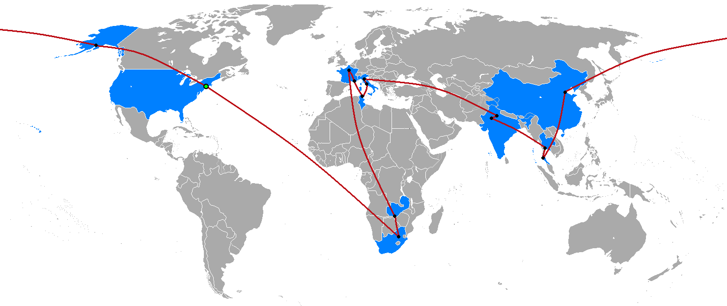
 |  | Zoom in to see detail!
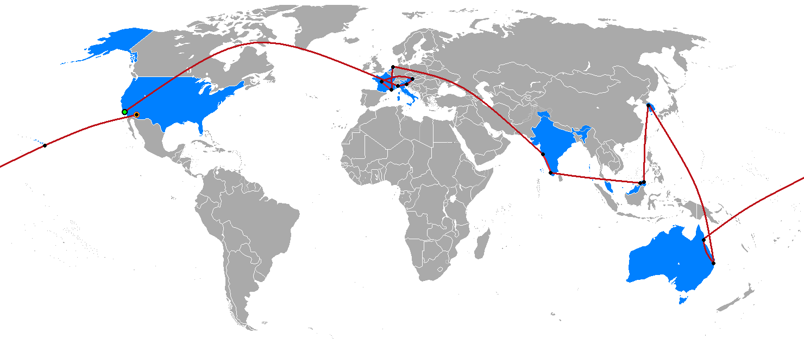
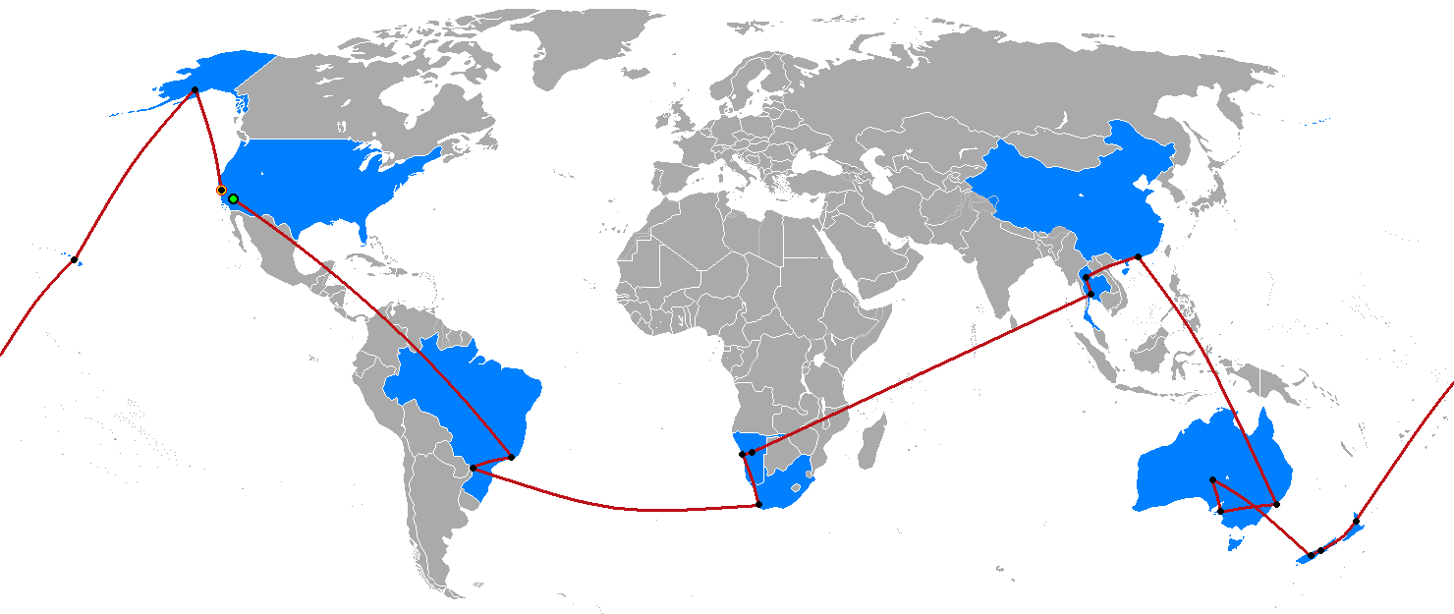
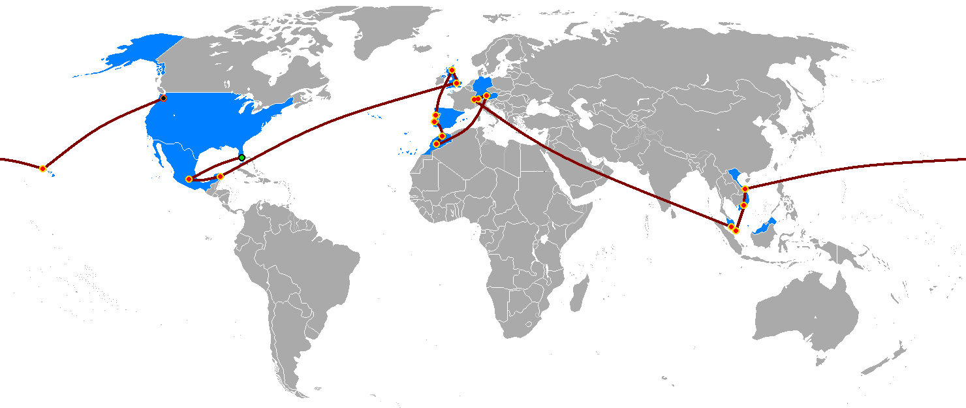
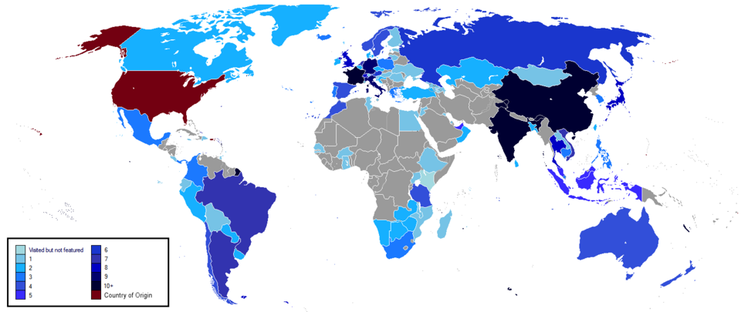

 |  |  |  |  |  |  |  | Season 2
Season 2
Season 1
Season 3
Season 4
 |  |  | Season 1

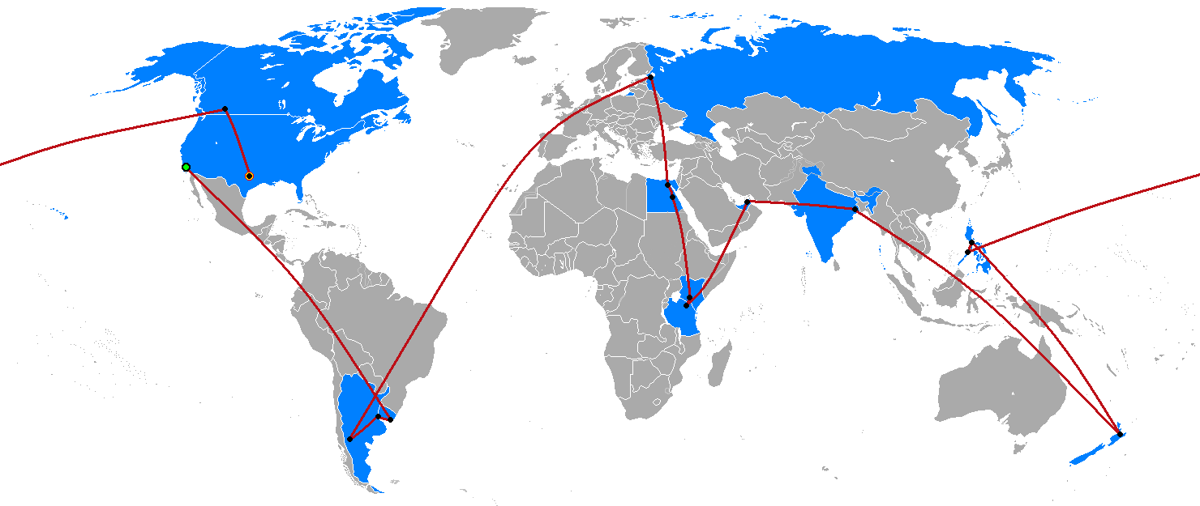
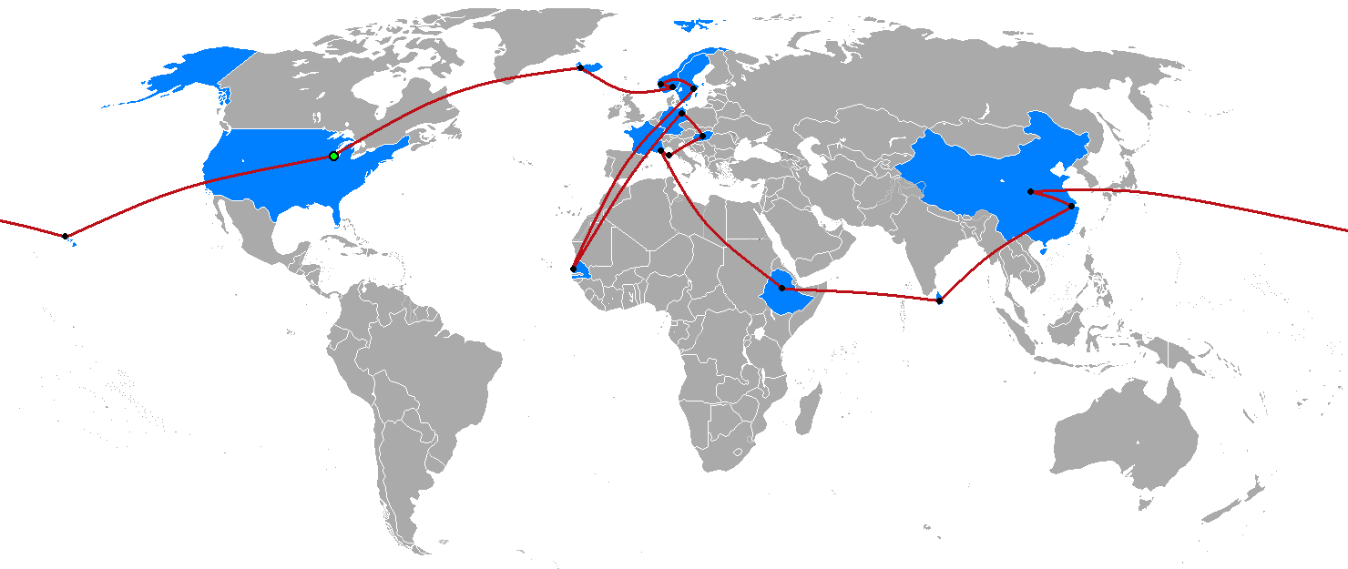
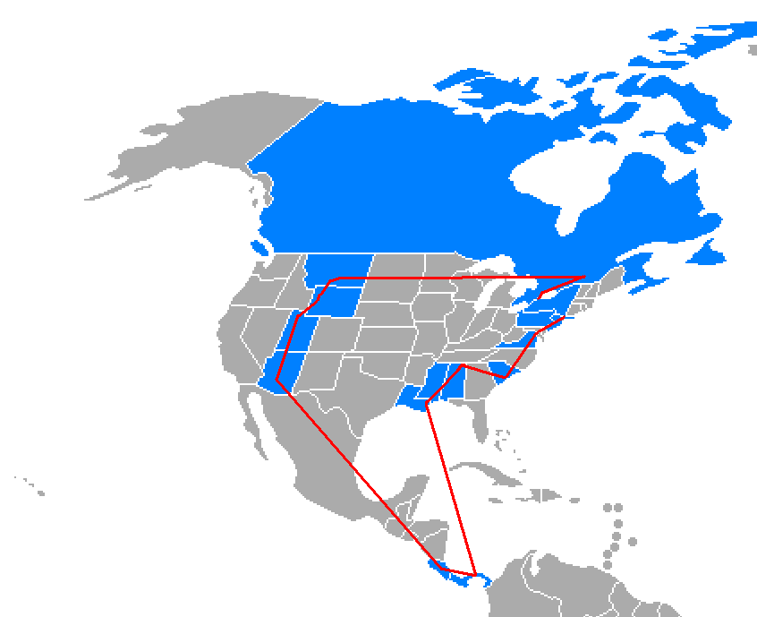

Season 8

Season 5
Season 6
Season 7

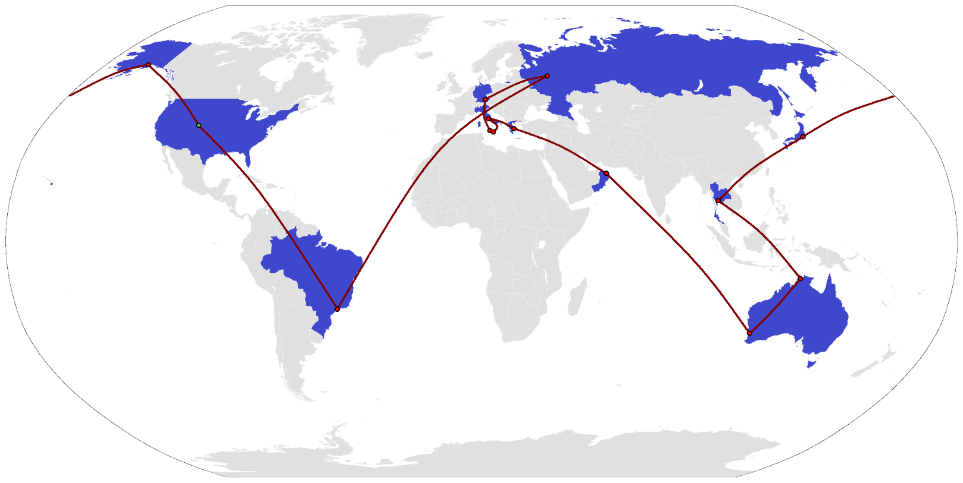
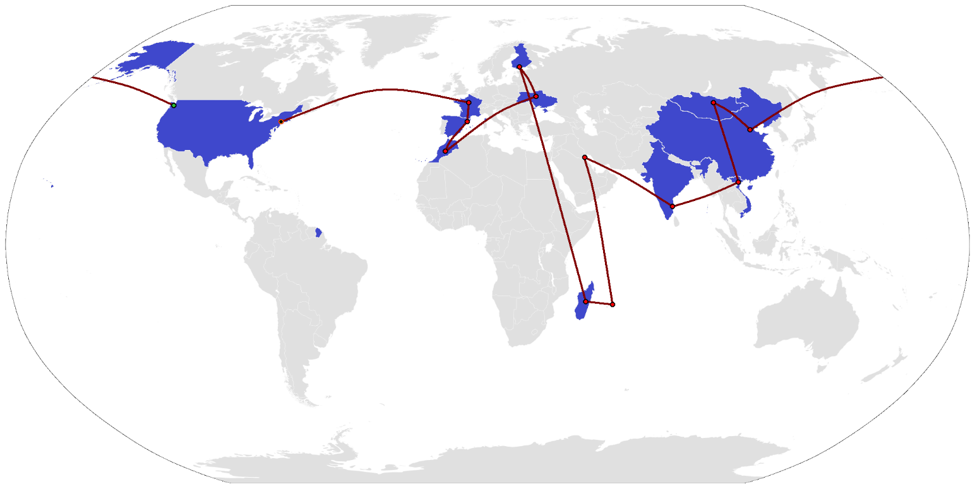
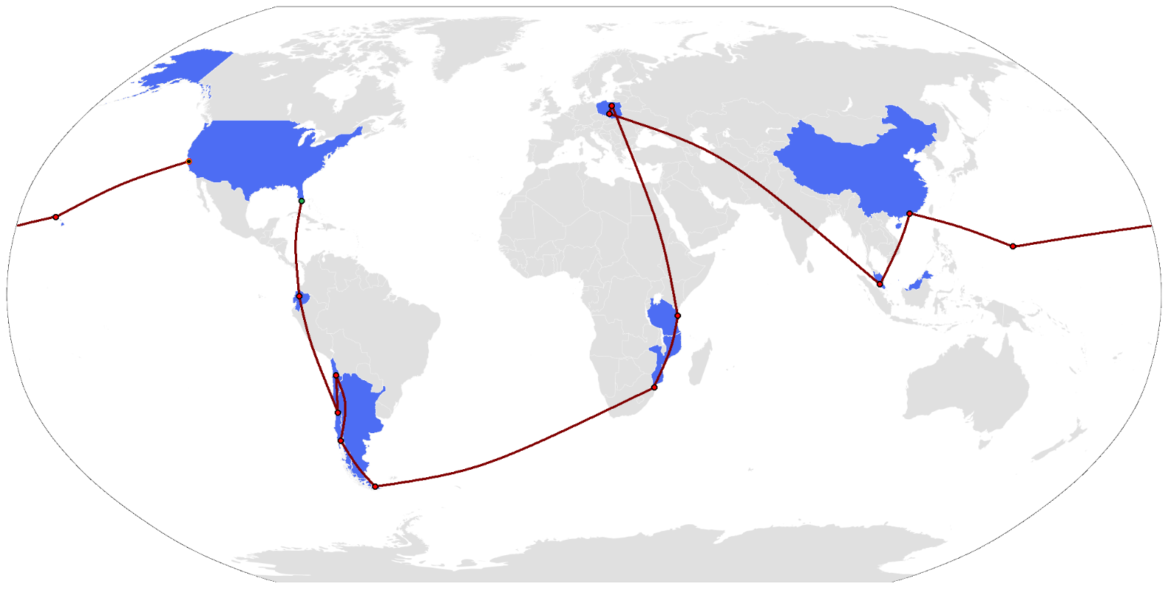
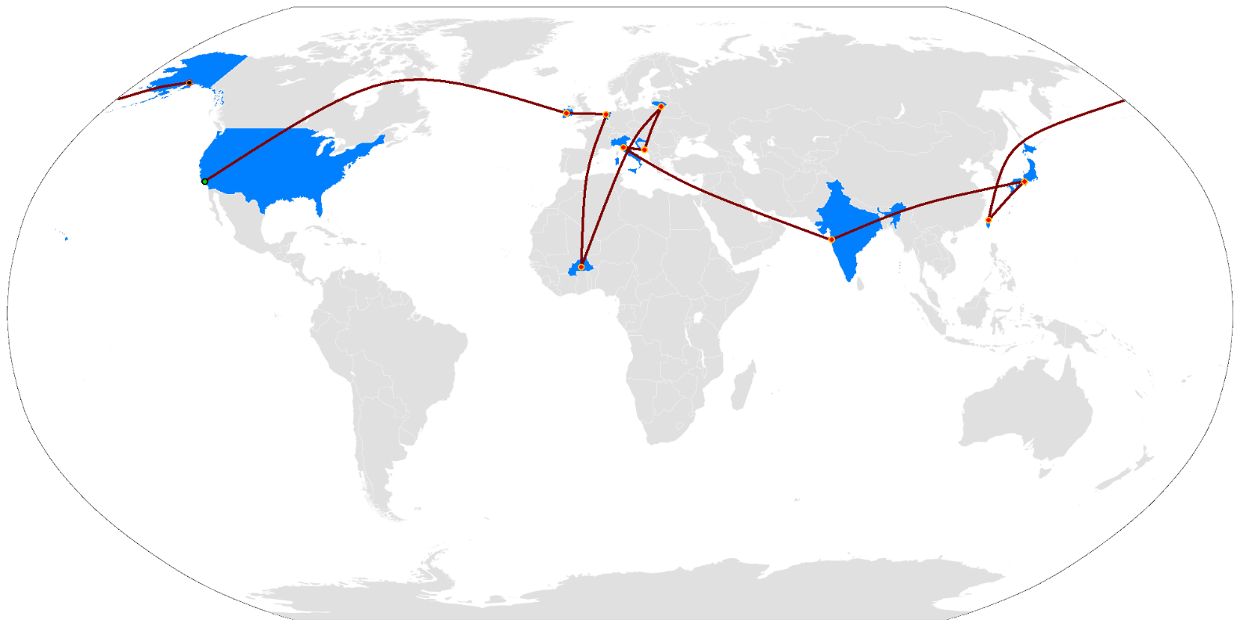
All Seasons

Season 10
Season 9
Season 11
Season 12

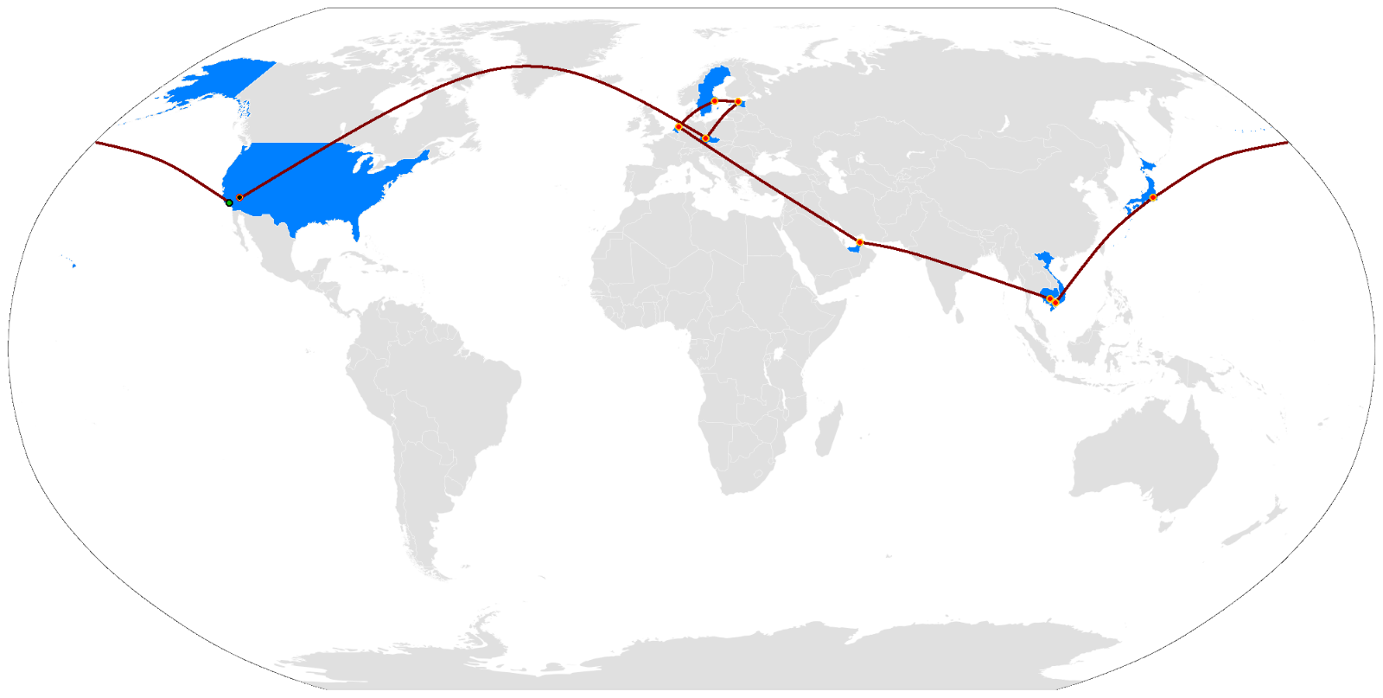
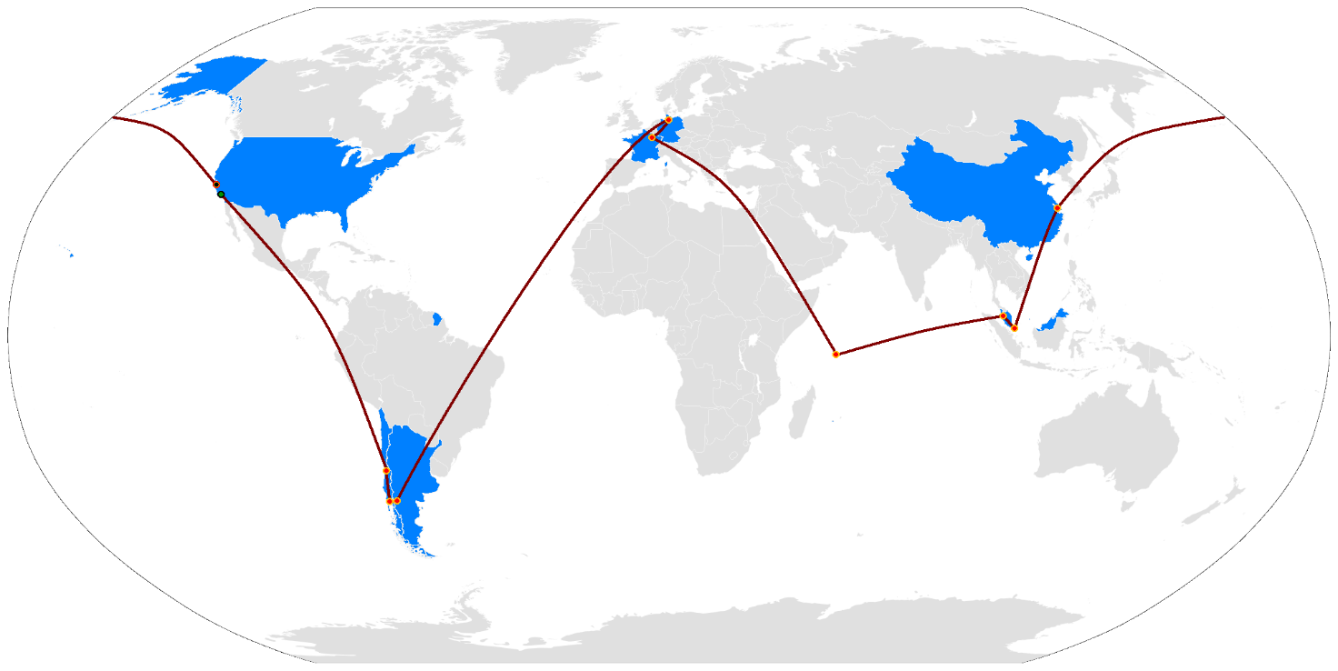
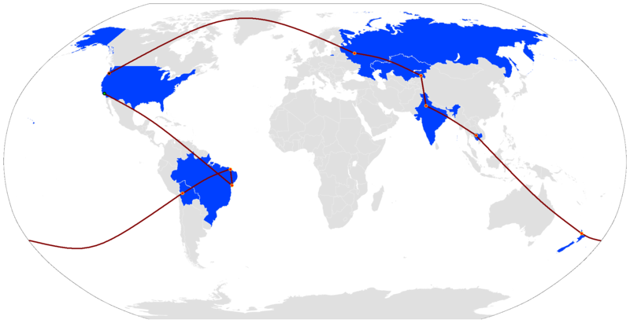

Season 16
Season 13
Season 14
Season 15

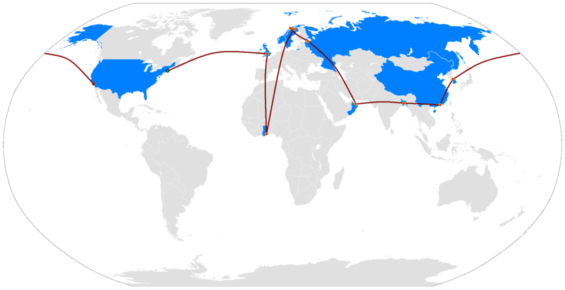
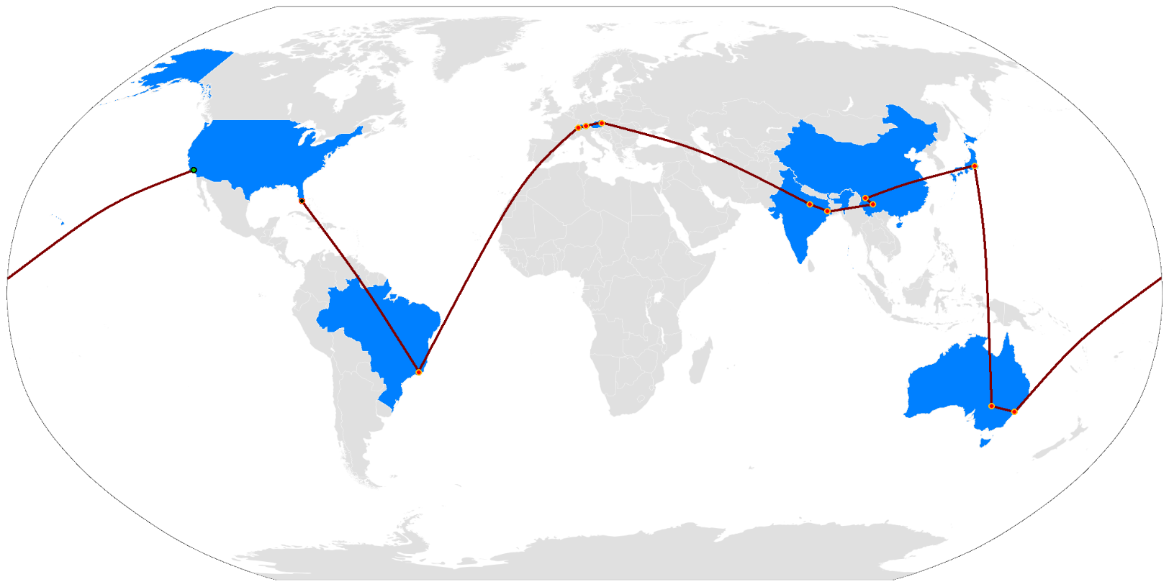
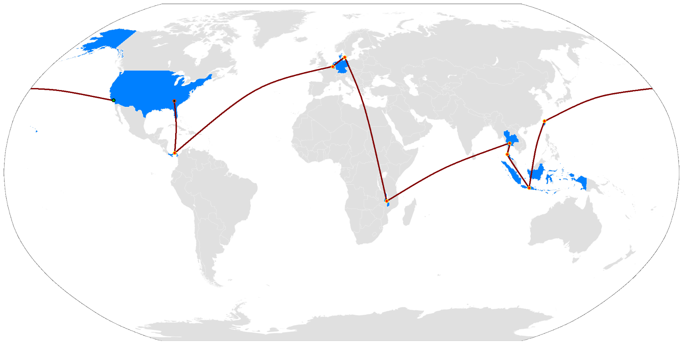
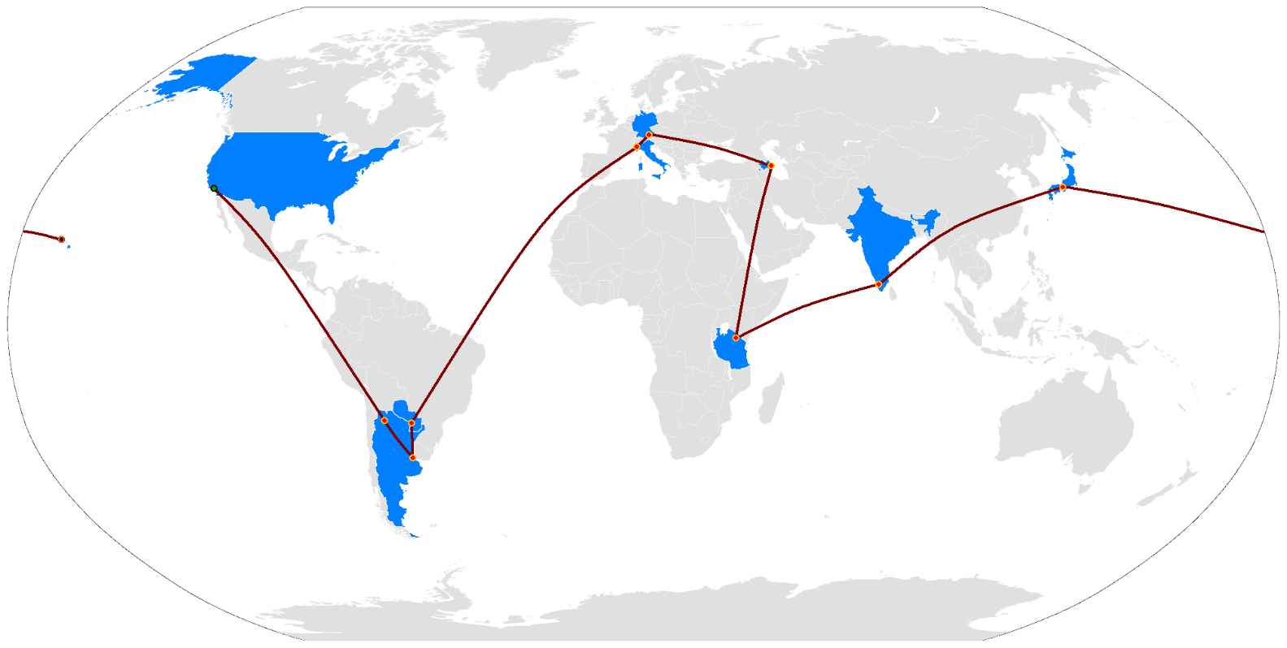

Season 35

Season 17
Season 19
Season 20
Season 18

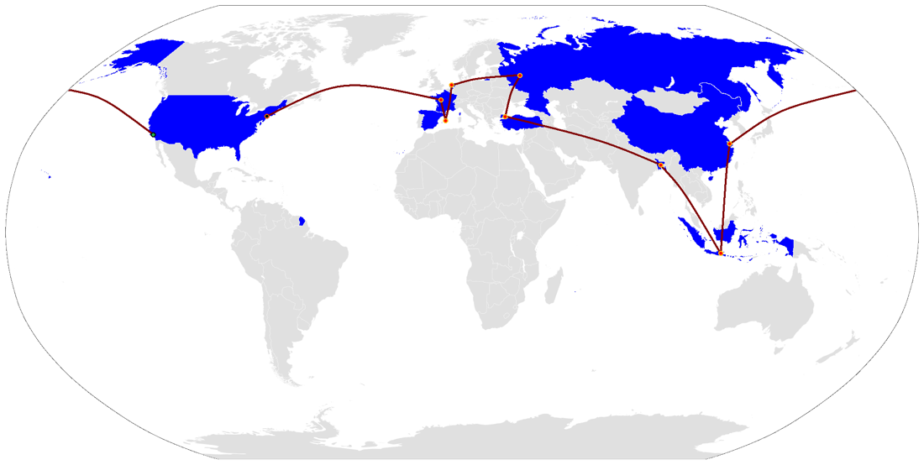

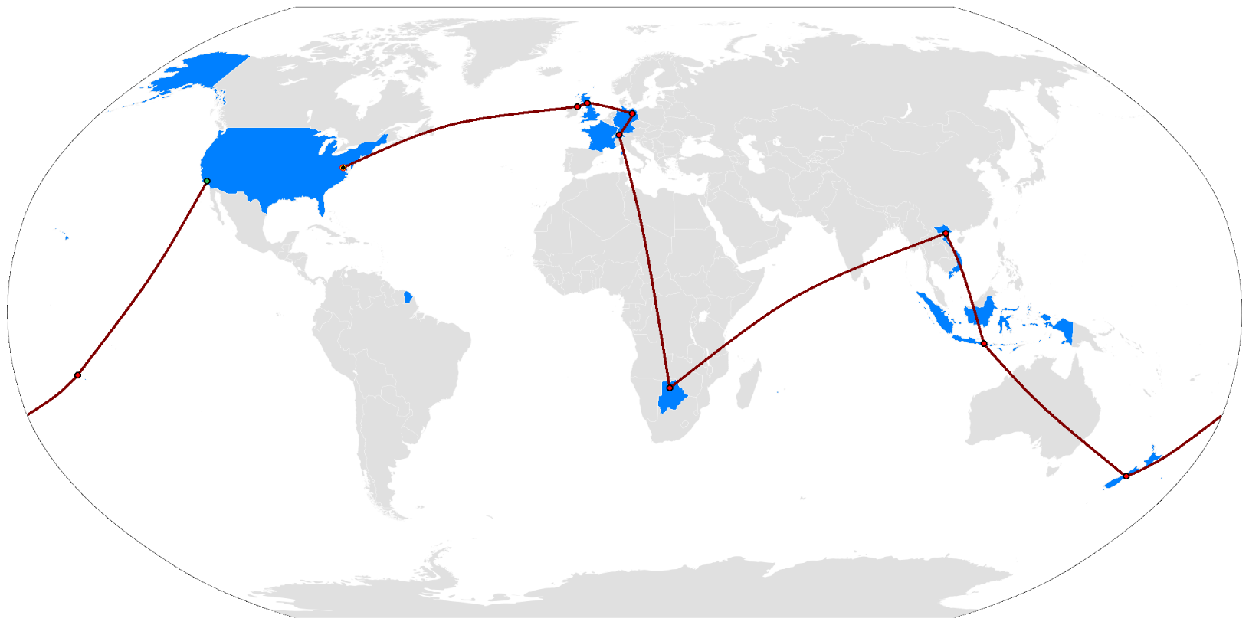
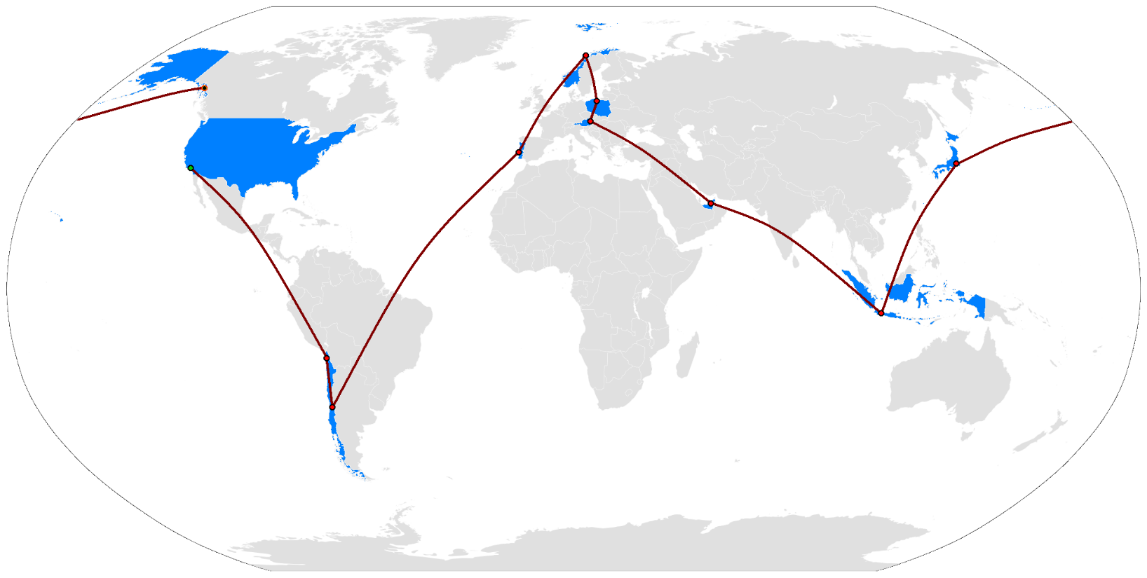
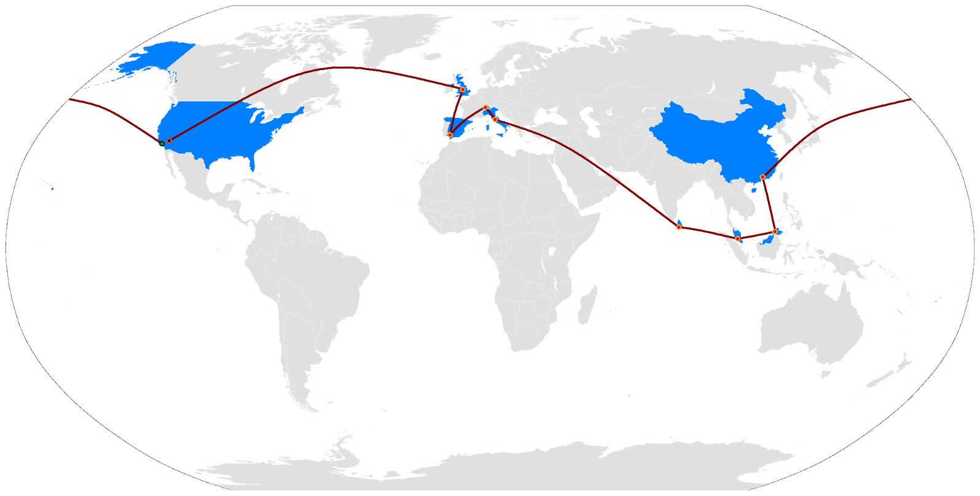

Season 21
Season 22
Season 23
Season 24

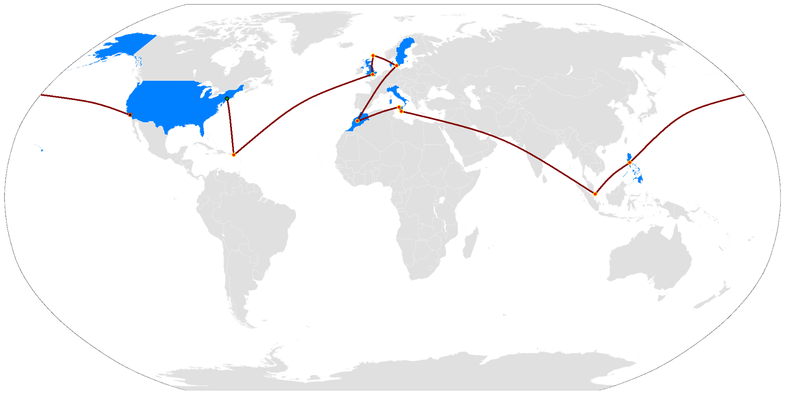

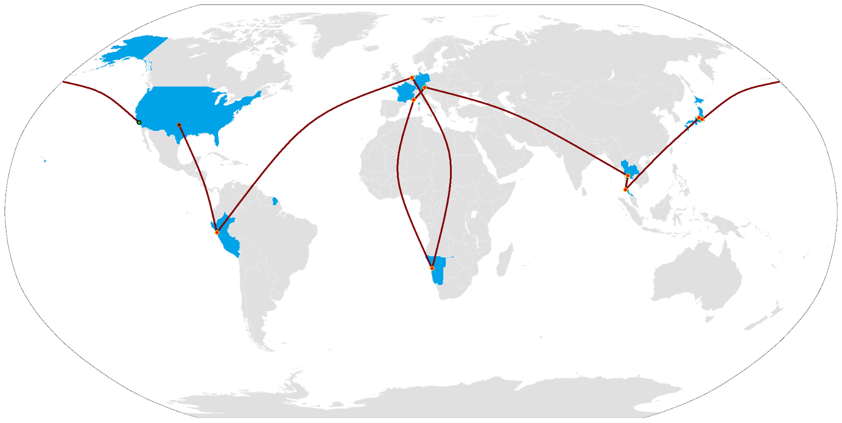
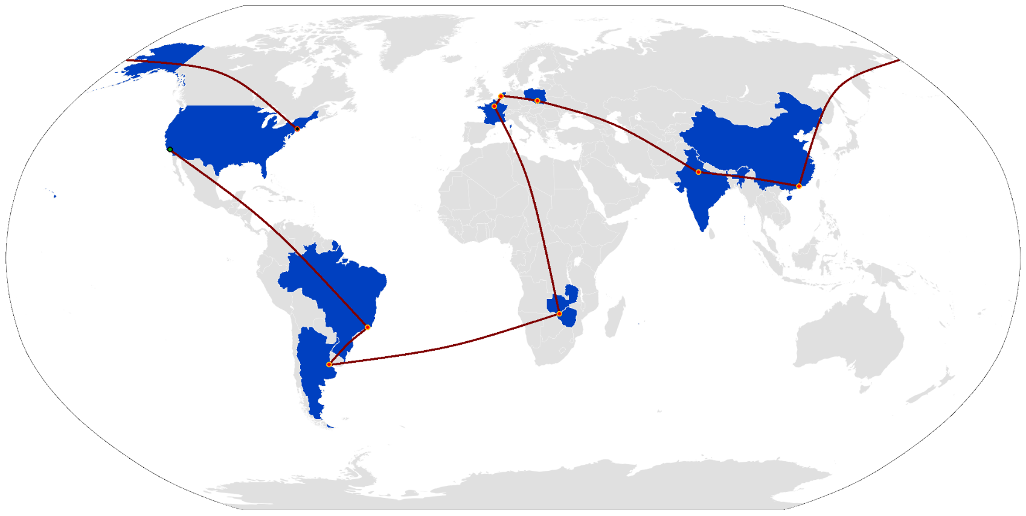
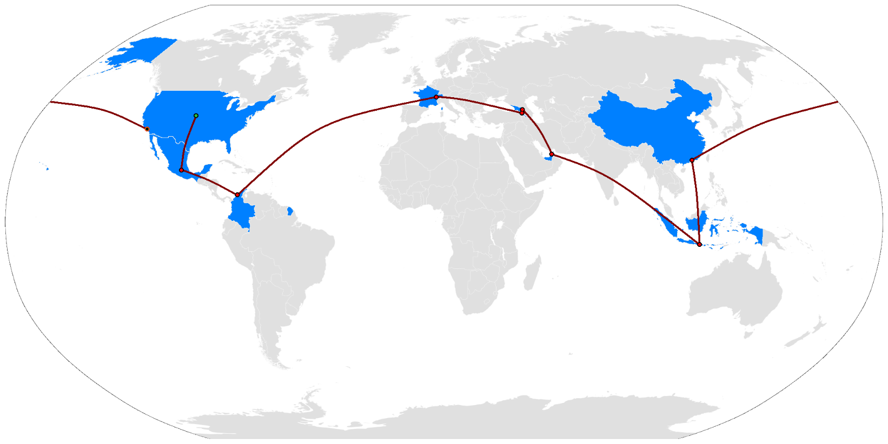

Season 25
Season 26
Season 27
Season 28

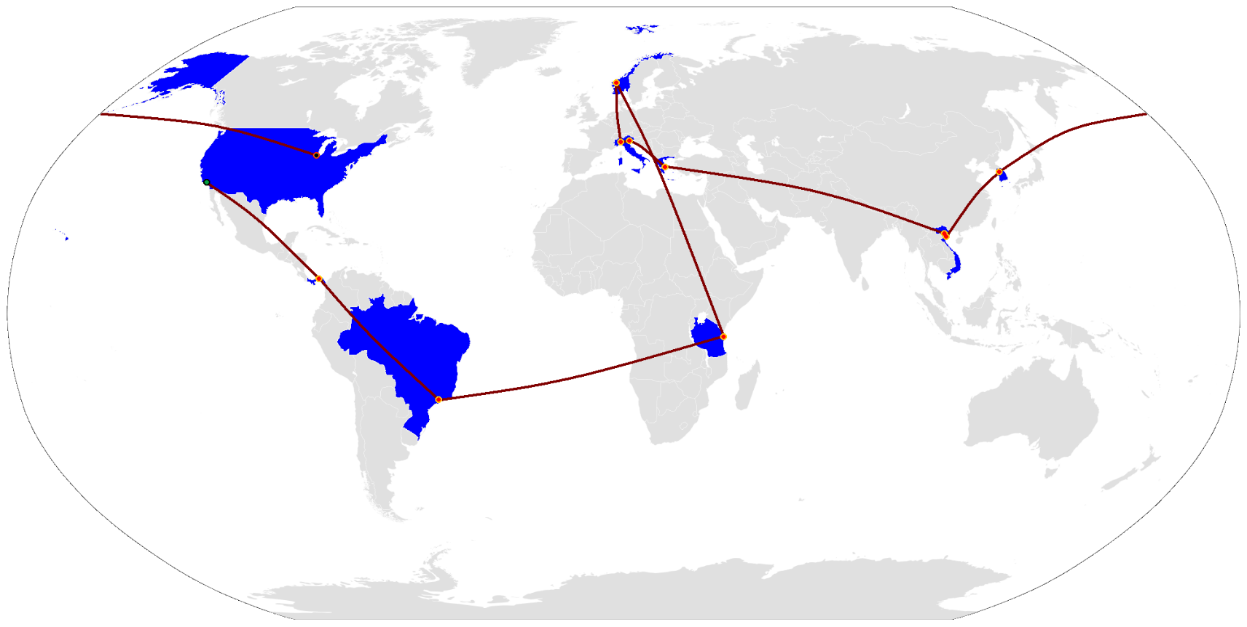

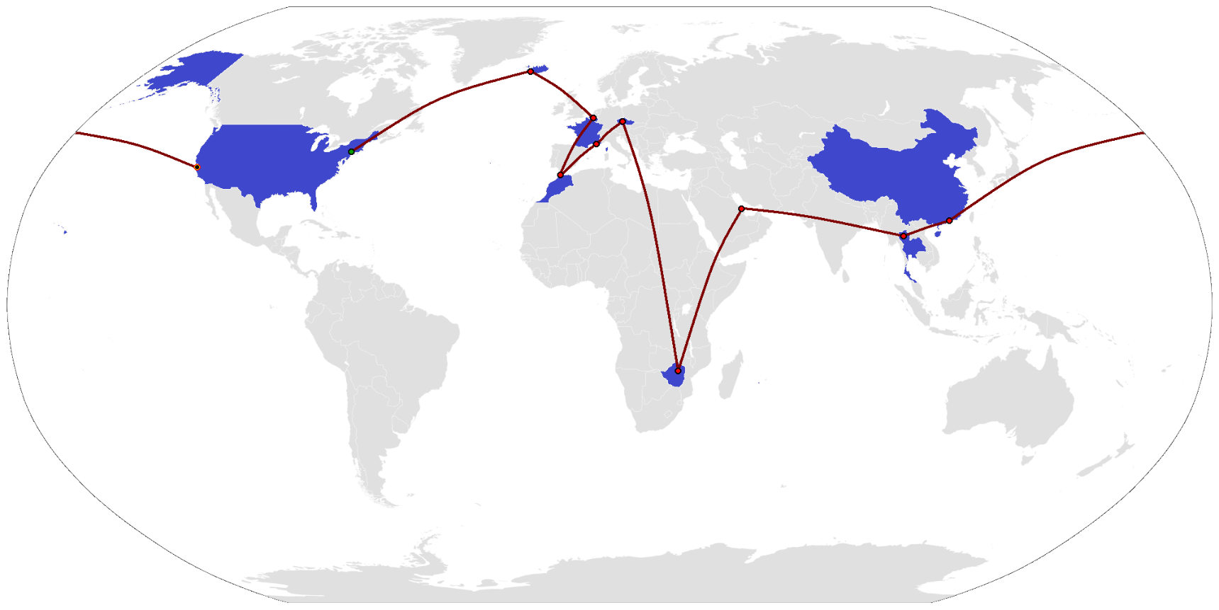
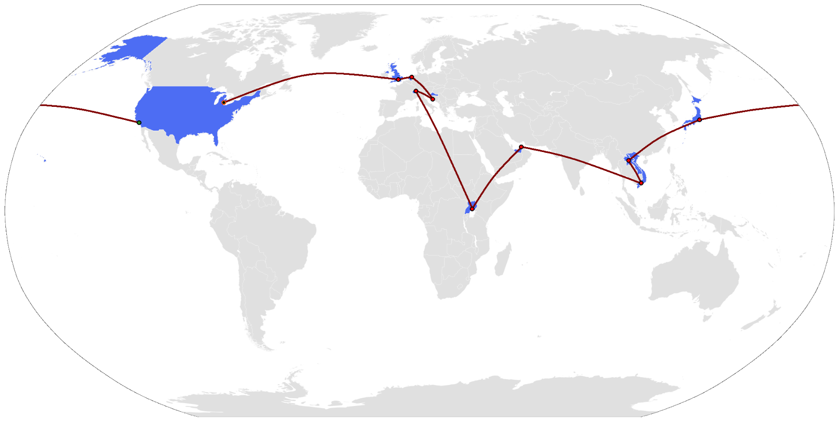
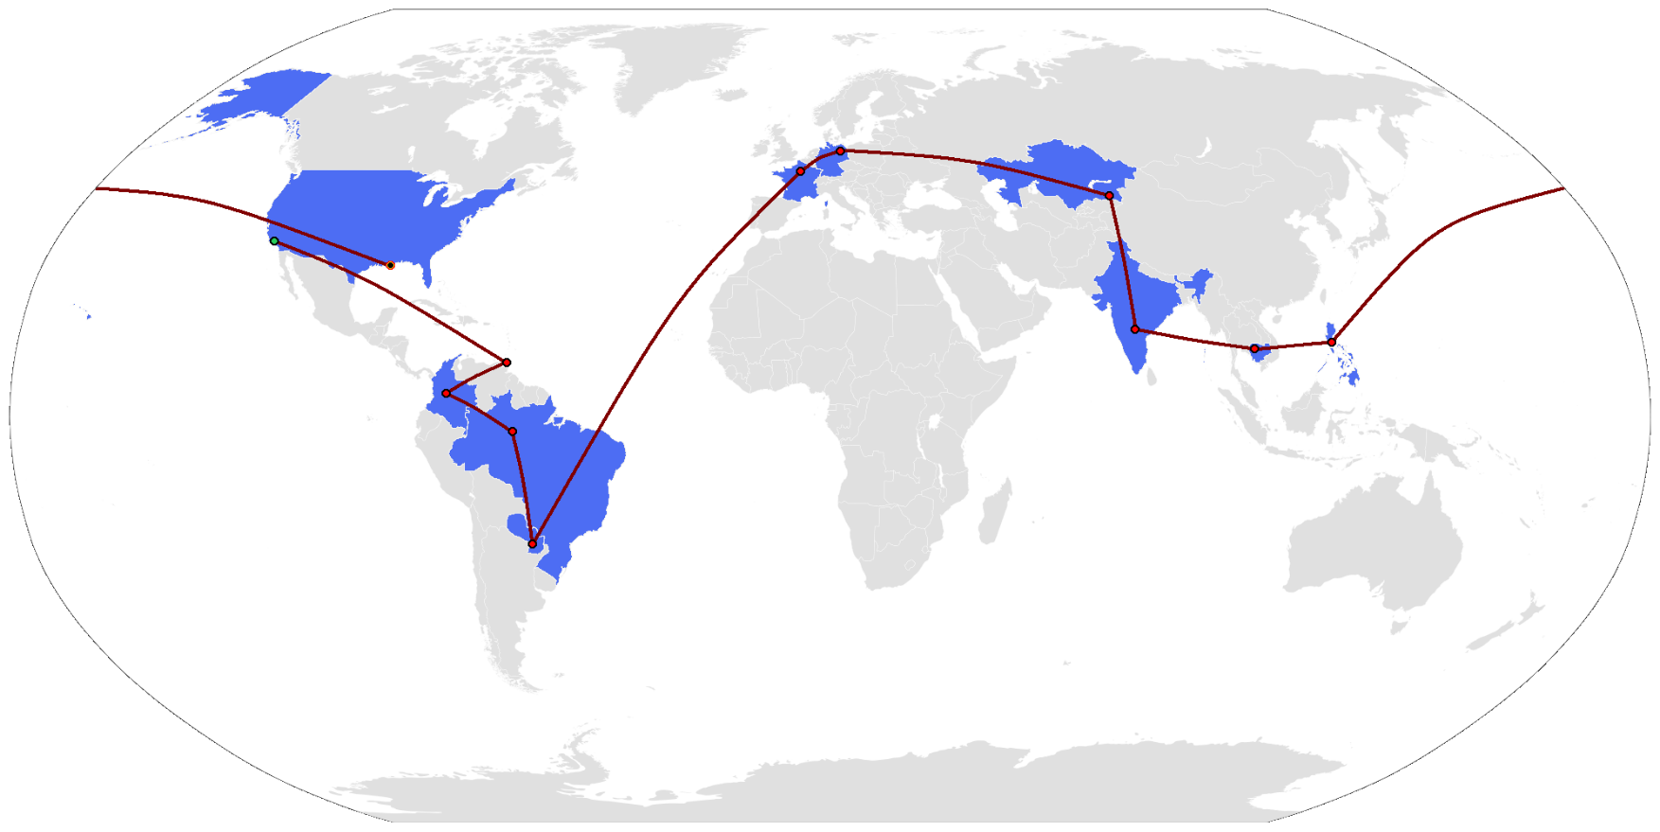

Season 29
Season 30
Season 31
Season 32

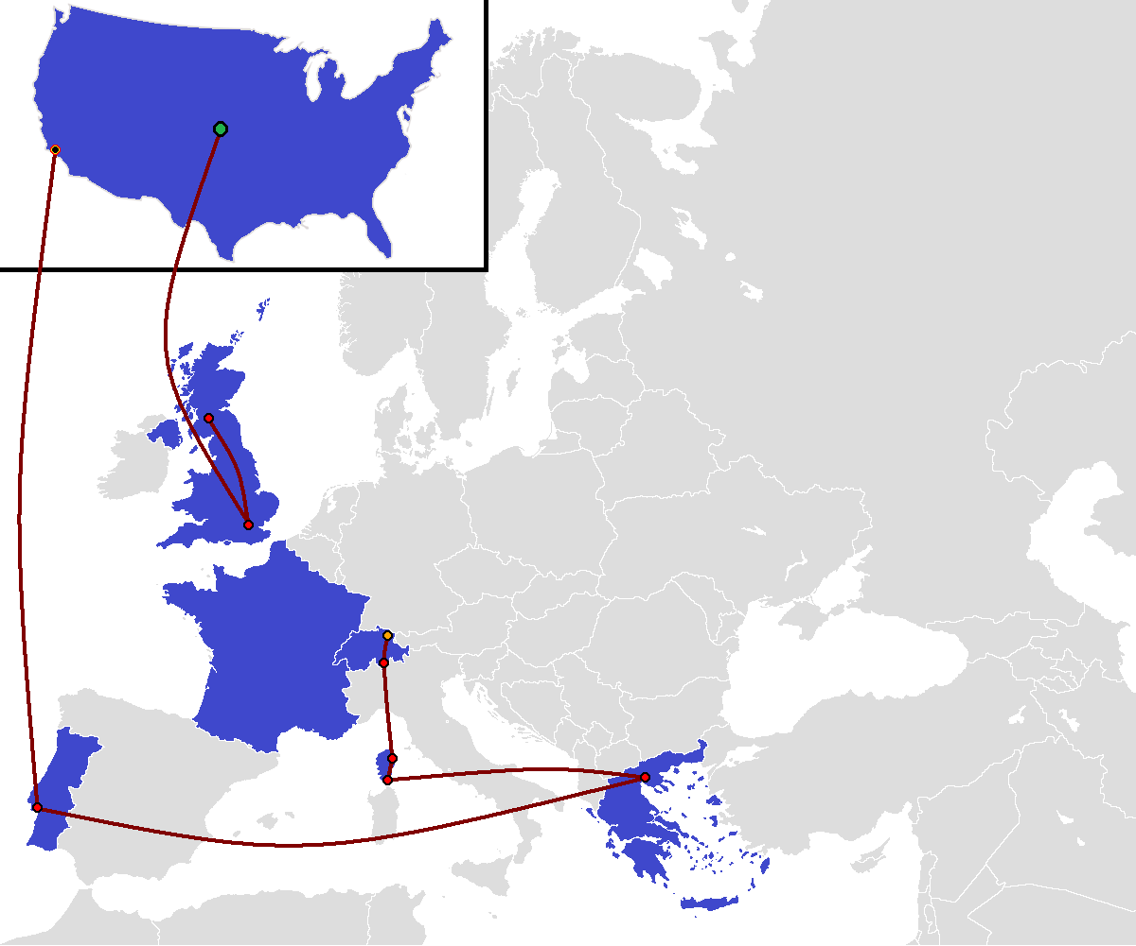
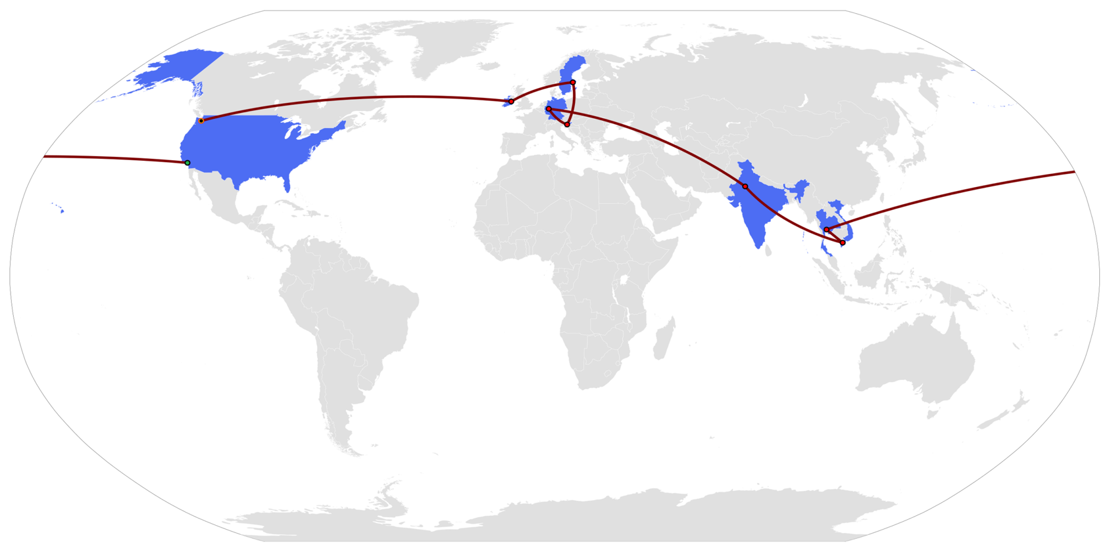
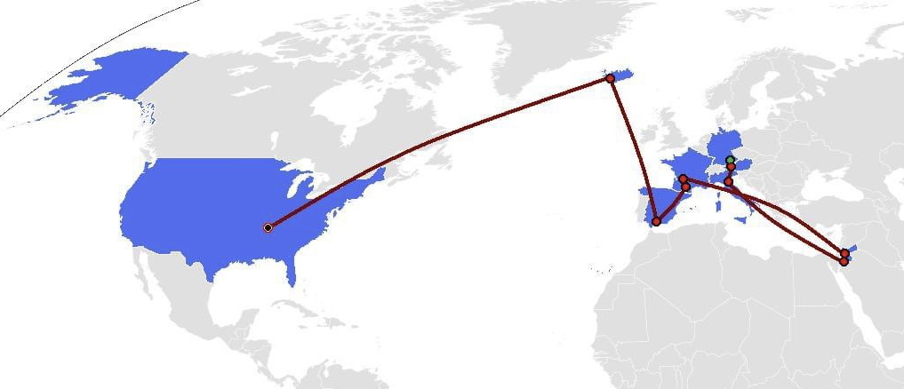
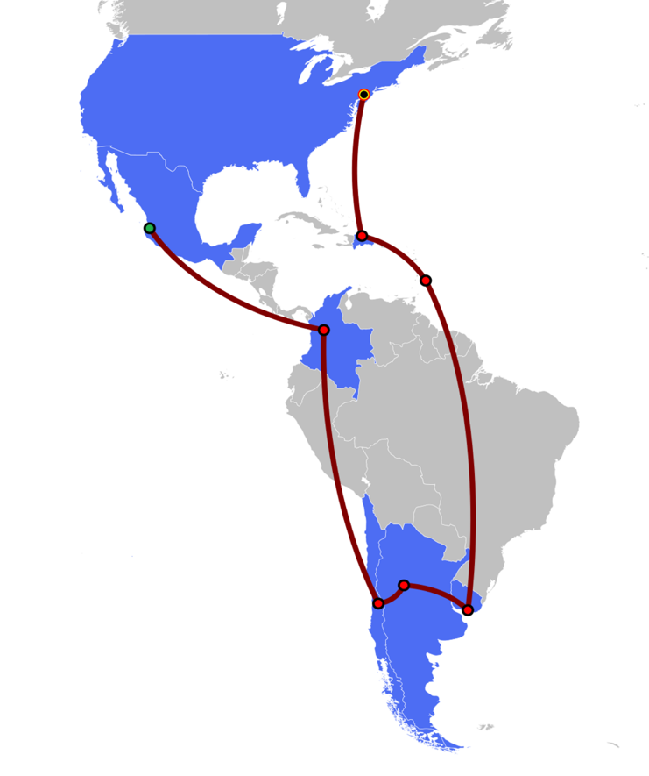

Season 33
Season 34

Season 35
Season 36

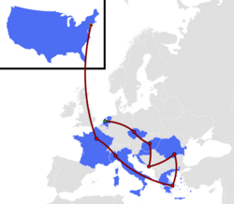
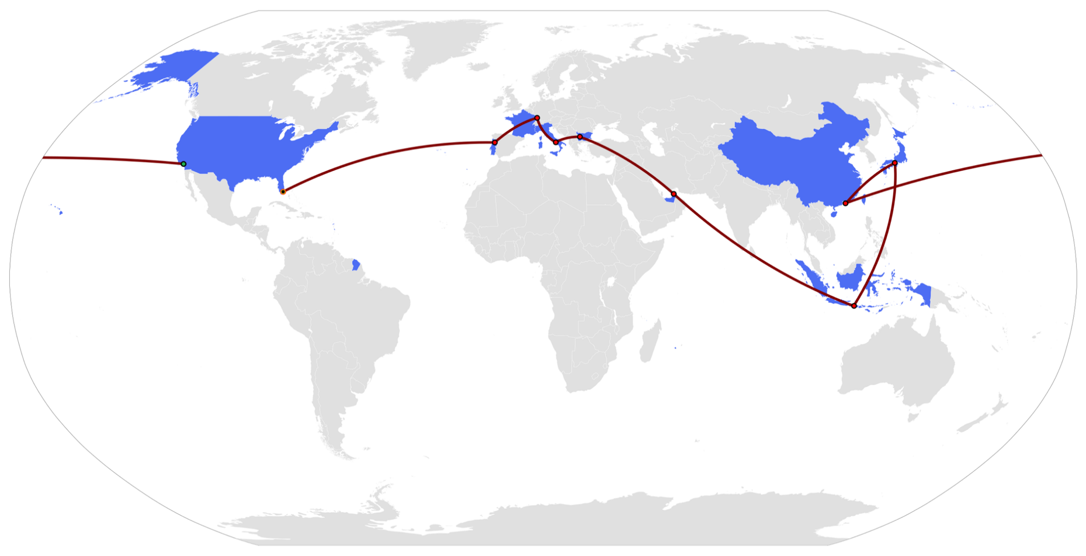

Season 38

Season 37

Season 37

Challenges
Overall Challenge Information

This sheet details the overall amount of challenges per season, including: - Route Infos - Road Blocks - Detours - Fast Forwards - Speed Bumps - Hazards - City Sprints - Express Pass Challenges - Fork in the Roads
To see specific information on each challenge, check out their respective sheets :)

# of Challenges per Season
Number of Challenges per Season
*NOTE: Types of challenges are headed where they were first introduced, and counts for challenges are cut off on the last season they were used. For instance, Speed Bumps were introduced in Season 12 and were last used in Season 33.
Season # | Total | Route Info | Road Block | Detour | Fast Forward
Season 1 | 77 | 41 | 12 | 13 | 11
Season 2 | 93 | 58 | 12 | 12 | 11
Season 3 | 92 | 56 | 12 | 13 | 11
Season 4 | 94 | 58 | 12 | 13 | 11
Season 5 | 88 | 62 | 12 | 12 | 2
Season 6 | 93 | 66 | 12 | 13 | 2
Season 7 | 83 | 56 | 12 | 13 | 2
Season 8 | 92 | 66 | 12 | 13 | 1
Season 9 | 83 | 56 | 12 | 13 | 2
Season 10 | 79 | 52 | 13 | 13 | 2
Season 11 | 77 | 50 | 12 | 13 | 2 | Speed Bump
Season 12 | 73 | 49 | 11 | 10 | 1 | 2
Season 13 | 72 | 48 | 9 | 11 | 2 | 2
Season 14 | 70 | 46 | 11 | 10 | 1 | 2
Season 15 | 76 | 51 | 13 | 9 | 1 | 2
Season 16 | 79 | 54 | 12 | 9 | 1 | 3
Season 17 | 79 | 54 | 12 | 10 | 1 | 2
Breakdown of Challenges per Season
 | Route Info | Road Block | Detour | Fast Forward | Speed Bump | Hazard | City Sprint | Express Pass | Fork-in-Road
Season 1 | 41 | 12 | 13 | 11
Season 2 | 58 | 12 | 12 | 11
Season 3 | 56 | 12 | 13 | 11
Season 4 | 58 | 12 | 13 | 11
Season 5 | 62 | 12 | 12 | 2
Season 6 | 66 | 12 | 13 | 2
Season 7 | 56 | 12 | 13 | 2
Season 8 | 66 | 12 | 13 | 1
Season 9 | 56 | 12 | 13 | 2
Season 10 | 52 | 13 | 13 | 2
Season 11 | 50 | 12 | 13 | 2 | 0
Season 12 | 49 | 11 | 10 | 1 | 2
Season 13 | 48 | 9 | 11 | 2 | 2
Season 14 | 46 | 11 | 10 | 1 | 2
Season 15 | 51 | 13 | 9 | 1 | 2
Season 16 | 54 | 12 | 9 | 1 | 3
Season 17 | 54 | 12 | 10 | 1 | 2
Season 18 | 56 | 12 | 10 | 0 | 1 | 0
Season 19 | 55 | 13 | 8 | 0 | 3 | 1
Season 20 | 48 | 12 | 10 | 3 | 3
Season 21 | 50 | 14 | 10 | 2 | 3
Season 22 | 51 | 13 | 9 | 1 | 2
Season 23 | 52 | 13 | 10 | 1 | 2
Season 24 | 53 | 12 | 9 | 0 | 3
Season 25 | 56 | 10 | 10 | 1 | 3
Season 26 | 49 | 10 | 11 | 0 | 3
Season 27 | 47 | 12 | 11 | 1 | 1
Season 28 | 52 | 14 | 10 | 0 | 2
Season 29 | 54 | 11 | 9 | 1 | 2
Season 30 | 49 | 9 | 9 |  | 2
Season 31 | 53 | 12 | 10 |  | 3 |  | 0
Season 32 | 53 | 11 | 7 |  | 2 |  | 9
Season 33 | 43 | 11 | 8 |  | 1
Season 34 | 39 | 12 | 9 |  |  |  |  | 0
Season 35 | 57 | 12 | 10 |  |  |  |  | 2
Season 36 | 45 | 14 | 10 |  |  |  |  |  | 0
Season 37 | 67 | 13 | 7 | 1 |  |  |  | 1 | 1
Season 38 | 64 | 13 | 7 | 1 |  | 1
Season 18 | 79 | 56 | 12 | 10 | 0 | 1 | Hazard
Season 19 | 79 | 55 | 13 | 8 | 0 | 3 | 1
Season 20 | 76 | 48 | 12 | 10 | 3 | 3
Season 21 | 79 | 50 | 14 | 10 | 2 | 3
Season 22 | 76 | 51 | 13 | 9 | 1 | 2
Season 23 | 78 | 52 | 13 | 10 | 1 | 2
Season 24 | 77 | 53 | 12 | 9 | 0 | 3
Season 25 | 80 | 56 | 10 | 10 | 1 | 3
Season 26 | 73 | 49 | 10 | 11 | 0 | 3
Season 27 | 72 | 47 | 12 | 11 | 1 | 1
Season 28 | 78 | 52 | 14 | 10 | 0 | 2
Season 29 | 77 | 54 | 11 | 9 | 1 | 2
Season 30 | 69 | 49 | 9 | 9 |  | 2
Season 31 | 78 | 53 | 12 | 10 |  | 3 |  | City Sprint
Season 32 | 82 | 53 | 11 | 7 |  | 2 |  | 9
Season 33 | 63 | 43 | 11 | 8 |  | 1
Season 34 | 60 | 39 | 12 | 9 |  |  |  |  | Express Pass
Season 35 | 81 | 57 | 12 | 10 |  |  |  |  | 2
Season 36 | 69 | 45 | 14 | 10 |  |  |  |  |  | Fork-in-Road
Season 37 | 90 | 67 | 13 | 7 | 1 |  |  |  | 1 | 1
Season 38 | 86 | 64 | 13 | 7 | 1 |  | 1
Totals | 3002 | 2016 | 454 | 394 | 76 | 49 | 2 | 9 | 3 | 1

*NOTE: The Hazard, City Sprint, and Express Pass challenges are not explained on their own, so that will be included here:
Hazard | The Hazard was an additional task given in Leg 1 of Season 19 and Season 38 for the team who came in last in the first challenge of the race.

City Sprint | The City Sprint was only used on Leg 10 of Season 32, and required teams to complete all tasks together meaning no Road Blocks or Detours, effectively serving as an all Route Info leg.

Express Pass | In Season 35 and 37, teams had the chance to win the Express Pass by completing an extra task, instead of coming in first on a specific leg. Thus, this is a signifier of a separate, voluntary challenge teams could complete in this Season.

Fork-in-Road | Basically a Detour. Introduced in Season 37, it forces all teams to pick a challenge path to follow, leading to different mats at the Pit Stop.

Average Challenges per Season (1-4)
Percentages of Challenges per Season
 | Route Info | Road Block | Detour | Fast Forward
Season 1 | 53% | 16% | 17% | 14%
Season 2 | 62% | 13% | 13% | 12%
Season 3 | 61% | 13% | 14% | 12%
Season 4 | 62% | 13% | 14% | 12%
Average | 60% | 14% | 14% | 12%
St Dev | 4% | 1% | 2% | 1%
Season 5 | 70% | 14% | 14% | 2%
Season 6 | 71% | 13% | 14% | 2%
Season 7 | 67% | 14% | 16% | 2%
Season 8 | 72% | 13% | 14% | 1%
Season 9 | 67% | 14% | 16% | 2%
Season 10 | 66% | 16% | 16% | 3%
Season 11 | 65% | 16% | 17% | 3%
Season 12 | 67% | 15% | 14% | 1%
Season 13 | 67% | 13% | 15% | 3%
Season 14 | 66% | 16% | 14% | 1%
Season 15 | 67% | 17% | 12% | 1%
Season 16 | 68% | 15% | 11% | 1%
Average Challenges per Season (5-38)
Season 17 | 68% | 15% | 13% | 1%
Season 18 | 71% | 15% | 13% | 0%
Season 19 | 70% | 16% | 10% | 0%
Season 20 | 63% | 16% | 13% | 4%
Season 21 | 63% | 18% | 13% | 3%
Season 22 | 67% | 17% | 12% | 1%
Season 23 | 67% | 17% | 13% | 1%
Season 24 | 69% | 16% | 12% | 0%
Season 25 | 70% | 13% | 13% | 1%
Season 26 | 67% | 14% | 15% | 0%
Season 27 | 65% | 17% | 15% | 1%
Season 28 | 67% | 18% | 13% | 0%
Season 29 | 70% | 14% | 12% | 1%
Season 30 | 71% | 13% | 13% | 0%
Season 31 | 68% | 15% | 13% | 0%
Season 32 | 65% | 13% | 9% | 0%
Season 33 | 68% | 17% | 13% | 0%
Season 34 | 65% | 20% | 15% | 0%
Season 35 | 70% | 15% | 12% | 0%
Season 36 | 65% | 20% | 14% | 0%
Season 37 | 74% | 14% | 8% | 1%
Season 38 | 74% | 15% | 8% | 1%
Average | 68% | 15% | 13% | 1%
St Dev | 3% | 2% | 2% | 1%

Route Info

Route Infos

Route Information clues are any clues that require both teams to work together in the same task. Normally, this clue means traveling to the next destination, but occasionally this clue will have teams work together in a challenge that all teams must perform, similar to a Detour but with no choices.

Number of Route Infos per Season
NOTE: This does not include challenges that teams did without ripping and reading a clue.
Season # | Route Info
Season 1 | 41
Season 2 | 58 |  |  |  |  |  |  |  |  |  |  |  |  | Season # | Route_Info | Season # | Route_Info
Season 3 | 56 |  |  |  |  |  |  |  |  |  |  |  |  | Season 1 | 41 | Season 5 | 62
Route Infos per Season
Season 4 | 58 |  |  |  |  |  |  |  |  |  |  |  |  | Season 2 | 58 | Season 6 | 66
Season 5 | 62 |  |  |  |  |  |  |  |  |  |  |  |  | Season 3 | 56 | Season 8 | 66
Season 6 | 66 |  |  |  |  |  |  |  |  |  |  |  |  | Season 4 | 58 | Season 37 | 67
Season 7 | 56 |  |  |  |  |  |  |  |  |  |  |  |  | Season 5 | 62 | Season 38 | 64
Season 8 | 66 |  |  |  |  |  |  |  |  |  |  |  |  | Season 6 | 66
Season 9 | 56 |  |  |  |  |  |  |  |  |  |  |  |  | Season 7 | 56
Season 10 | 52 |  |  |  |  |  |  |  |  |  |  |  |  | Season 8 | 66
Season 11 | 50 |  |  |  |  |  |  |  |  |  |  |  |  | Season 9 | 56
Season 12 | 49 |  |  |  |  |  |  |  |  |  |  |  |  | Season 10 | 52
Season 13 | 48 |  |  |  |  |  |  |  |  |  |  |  |  | Season 11 | 50
Season 14 | 46 |  |  |  |  |  |  |  |  |  |  |  |  | Season 12 | 49
Season 15 | 51 |  |  |  |  |  |  |  |  |  |  |  |  | Season 13 | 48
Season 16 | 54 |  |  |  |  |  |  |  |  |  |  |  |  | Season 14 | 46
Season 17 | 54 |  |  |  |  |  |  |  |  |  |  |  |  | Season 15 | 51
Season 18 | 56 |  |  |  |  |  |  |  |  |  |  |  |  | Season 16 | 54
Season 19 | 55 |  |  |  |  |  |  |  |  |  |  |  |  | Season 17 | 54
Season 20 | 48 |  |  |  |  |  |  |  |  |  |  |  |  | Season 18 | 56
Season 21 | 50 |  |  |  |  |  |  |  |  |  |  |  |  | Season 19 | 55
Season 22 | 51 |  |  |  |  |  |  |  |  |  |  |  |  | Season 20 | 48
Season 23 | 52 |  |  |  |  |  |  |  |  |  |  |  |  | Season 21 | 50
Season 24 | 53 |  |  |  |  |  |  |  |  |  |  |  |  | Season 22 | 51
Season 25 | 56 |  |  |  |  |  |  |  |  |  |  |  |  | Season 23 | 52
Season 26 | 49 |  |  |  |  |  |  |  |  |  |  |  |  | Season 24 | 53
Season 27 | 47 |  |  |  |  |  |  |  |  |  |  |  |  | Season 25 | 56
Season 28 | 52 |  |  |  |  |  |  |  |  |  |  |  |  | Season 26 | 49
Season 29 | 54 |  |  |  |  |  |  |  |  |  |  |  |  | Season 27 | 47
Season 30 | 49 |  |  |  |  |  |  |  |  |  |  |  |  | Season 28 | 52
Season 31 | 53 |  |  |  |  |  |  |  |  |  |  |  |  | Season 29 | 54
Season 32 | 53 |  |  |  |  |  |  |  |  |  |  |  |  | Season 30 | 49
Season 33 | 43 |  |  |  |  |  |  |  |  |  |  |  |  | Season 31 | 53
Season 34 | 39 |  |  |  |  |  |  |  |  |  |  |  |  | Season 32 | 53
Season 35 | 57 |  |  |  |  |  |  |  |  |  |  |  |  | Season 33 | 43
Season 36 | 45 |  |  |  |  |  |  |  |  |  |  |  |  | Season 34 | 39
Season 37 | 67 |  |  |  |  |  |  |  |  |  |  |  |  | Season 35 | 57
Season 38 | 64 |  |  |  |  |  |  |  |  |  |  |  |  | Season 36 | 45
Total | 2016 |  |  |  |  |  |  |  |  |  |  |  |  | Season 37 | 67
Average | 53.05 |  |  |  |  |  |  |  |  |  |  |  |  | Season 38 | 64
Standard Deviation | 6.51
Max | 67
Min | 39
Mode | 56

Route Info Breakdown - Types of Transportation/Team Challenge
Explanation of Tables: "Challenges" involve any part of the Route Info that is not actively traveling somewhere or picking up the clue from a club box. Some Route Info clues are only comprised of Challenges, which I included as the second column below. "Flights", "Buses", "Taxis", "Boats", "Driving", "Bikes" are all exactly how they appear. "Running" includes specific verbage in the clue for teams to travel through physical strength, such as hiking or swimming. All route infos include some form of running, this indicator is for that specific verbage. "Animals" include riding on top of an animal to reach a destination away from the start point. Leading an animal is a challenge. "Random Rides" are any form of transport not mentioned above, such as ziplines and gondolas.

# of: | Challenges | Only Challenges | Flights | Taxis | Driving | Trains | Boats | Buses | Bikes | Random Rides | Running | Animals | Total
Season 1 | 4 | 2 | 9 | 24 | 4 | 3 | 5 | 1 | 0 | 5 | 5 | 1 | 63
Season 2 | 5 | 0 | 11 | 28 | 24 | 1 | 9 | 2 | 0 | 2 | 7 | 0 | 89
Season 3 | 11 | 0 | 10 | 27 | 20 | 10 | 6 | 4 | 1 | 1 | 6 | 0 | 96
Season 4 | 9 | 1 | 9 | 26 | 20 | 5 | 3 | 1 | 2 | 3 | 3 | 0 | 82
Season 5 | 13 | 7 | 13 | 29 | 12 | 2 | 8 | 3 | 0 | 5 | 5 | 0 | 97
Season 6 | 12 | 4 | 12 | 35 | 18 | 8 | 3 | 4 | 2 | 3 | 6 | 0 | 107
Season 7 | 9 | 1 | 12 | 33 | 19 | 3 | 2 | 2 | 0 | 2 | 2 | 0 | 85
Season 8 | 13 | 4 | 4 | 11 | 44 | 0 | 5 | 2 | 0 | 2 | 4 | 0 | 89
Season 9 | 2 | 1 | 12 | 26 | 25 | 3 | 6 | 2 | 1 | 2 | 5 | 0 | 85
Season 10 | 7 | 2 | 12 | 22 | 19 | 11 | 2 | 4 | 0 | 0 | 3 | 2 | 84
Season 11 | 4 | 1 | 14 | 29 | 16 | 4 | 3 | 1 | 0 | 1 | 5 | 0 | 78
Season 12 | 10 | 3 | 8 | 25 | 11 | 2 | 2 | 2 | 2 | 2 | 8 | 0 | 75
Season 13 | 10 | 4 | 9 | 35 | 7 | 0 | 1 | 0 | 0 | 2 | 4 | 0 | 72
Season 14 | 9 | 3 | 10 | 28 | 6 | 4 | 1 | 0 | 1 | 1 | 3 | 0 | 66
Season 15 | 17 | 7 | 6 | 29 | 7 | 0 | 1 | 1 | 1 | 1 | 7 | 0 | 77
Season 16 | 15 | 4 | 6 | 24 | 13 | 2 | 4 | 4 | 1 | 5 | 6 | 0 | 84
Season 17 | 15 | 4 | 9 | 33 | 13 | 1 | 4 | 1 | 0 | 2 | 4 | 0 | 86
Season 18 | 12 | 7 | 9 | 31 | 9 | 5 | 2 | 2 | 1 | 1 | 2 | 0 | 81
Season 19 | 17 | 7 | 7 | 26 | 12 | 3 | 3 | 2 | 1 | 0 | 3 | 1 | 82
Season 20 | 9 | 3 | 10 | 29 | 11 | 2 | 2 | 2 | 0 | 2 | 3 | 0 | 73
Season 21 | 14 | 3 | 8 | 32 | 7 | 2 | 3 | 0 | 0 | 1 | 2 | 0 | 72
Season 22 | 14 | 3 | 9 | 22 | 15 | 4 | 7 | 0 | 0 | 0 | 5 | 0 | 79
Season 23 | 14 | 5 | 9 | 28 | 7 | 1 | 6 | 1 | 0 | 2 | 5 | 0 | 78
Season 24 | 21 | 4 | 9 | 33 | 10 | 4 | 0 | 0 | 0 | 2 | 5 | 0 | 88
Season 25 | 22 | 7 | 7 | 27 | 10 | 2 | 2 | 0 | 0 | 3 | 7 | 1 | 88
Season 26 | 13 | 4 | 9 | 29 | 8 | 1 | 1 | 0 | 1 | 1 | 4 | 0 | 71
Season 27 | 10 | 4 | 8 | 34 | 1 | 4 | 2 | 1 | 0 | 2 | 2 | 0 | 68
Season 28 | 8 | 5 | 8 | 39 | 3 | 1 | 0 | 0 | 0 | 2 | 5 | 0 | 71
Season 29 | 22 | 6 | 8 | 35 | 8 | 0 | 6 | 1 | 2 | 1 | 1 | 0 | 90
Season 30 | 24 | 13 | 9 | 25 | 10 | 1 | 1 | 0 | 0 | 0 | 2 | 0 | 85
Season 31 | 17 | 9 | 10 | 28 | 4 | 2 | 3 | 0 | 2 | 6 | 1 | 0 | 82
Season 32 | 27 | 10 | 10 | 33 | 2 | 1 | 4 | 0 | 0 | 1 | 4 | 0 | 92
Season 33 | 16 | 6 | 1 | 9 | 19 | 1 | 1 | 1 | 0 | 0 | 6 | 0 | 60
Season 34 | 10 | 7 | 0 | 3 | 18 | 0 | 0 | 0 | 1 | 0 | 10 | 0 | 49
Season 35 | 17 | 5 | 8 | 27 | 19 | 1 | 4 | 2 | 0 | 2 | 9 | 0 | 94
Season 36 | 3 | 3 | 0 | 12 | 21 | 0 | 1 | 0 | 0 | 0 | 9 | 0 | 49
Season 37 | 16 | 11 | 9 | 28 | 17 | 2 | 4 | 0 | 0 | 2 | 11 | 0 | 100
Season 38 | 20 | 11 | 6 | 22 | 15 | 3 | 0 | 0 | 2 | 0 | 13 | 0 | 92
Total | 491 | 181 | 320 | 1016 | 504 | 99 | 117 | 46 | 21 | 67 | 192 | 5 | 3059
Average | 12.64 | 4.42 | 8.47 | 26.83 | 13.11 | 2.61 | 3.14 | 1.28 | 0.53 | 1.81 | 4.67 | 0.14
Standard Deviation | 5.94 | 2.84 | 3.20 | 7.66 | 8.31 | 2.63 | 2.31 | 1.30 | 0.74 | 1.53 | 2.27 | 0.42
Mode | 9 | 4 | 9 | 28 | 19 | 1 | 2 | 0 | 0 | 2 | 5 | 0
Max | 27 | 13 | 14 | 39 | 44 | 11 | 9 | 4 | 2 | 6 | 13 | 2
Min | 2 | 0 | 0 | 3 | 1 | 0 | 0 | 0 | 0 | 0 | 1 | 0

Season by Season
Season 1 | Leg 1 | Leg 2 | Leg 3 | Leg 4 | Leg 5 | Leg 6 | Leg 7 | Leg 8 | Leg 9 | Leg 10 | Leg 11 | Leg 12 | Leg 13
Route Info 1 | Taxi Fly Taxi | Run | Taxi | Taxi Boat | Taxi | Taxi | Taxi Fly Taxi | Run | Taxi Fly Taxi | Taxi Boat Run | Taxi Fly Taxi | Taxi | Run
Route Info 2 | Taxi Fly Taxi | Ride Fly Taxi | Taxi | Taxi Boat | Drive | Fly Taxi | Taxi | Train Taxi | Taxi | Run Challenge Boat Taxi | Taxi | Bus | Taxi Fly Taxi
Route Info 3 | Ride |  | Taxi |  | Animal | Train |  | Taxi |  | Boat Challenge | Challenge | Fly Taxi | Train
Route Info 4 | Ride |  |  |  |  | Drive |  |  |  |  |  | Challenge
Route Info 5 | Ride |  |  |  |  |  |  |  |  |  |  | Drive
Route Info 6 |  |  |  |  |  |  |  |  |  |  |  | Drive Ride

Season 2 | Leg 1 | Leg 2 | Leg 3 | Leg 4 | Leg 5 | Leg 6 | Leg 7 | Leg 8 | Leg 9 | Leg 10 | Leg 11 | Leg 12 | Leg 13
Route Info 1 | Drive Fly Taxi | Boat Taxi Challenge | Taxi Fly Boat | Taxi Fly Taxi | Taxi Fly Taxi | Taxi Challenge | Drive | Boat Bus | Taxi | Drive Fly | Drive Boat | Taxi | Drive Run
Route Info 2 | Taxi | Bus | Boat | Taxi Fly Taxi | Taxi | Train Taxi | Drive Fly | Taxi | Taxi Fly Drive | Taxi Ride | Drive | Taxi Fly Taxi | Taxi Fly Taxi
Route Info 3 | Taxi Ride | Drive | Taxi | Challenge Run | Taxi Boat | Drive | Taxi Challenge | Taxi Fly Taxi | Drive | Drive | Drive | Drive Boat | Run
Route Info 4 | Taxi Boat | Taxi Run | Taxi | Drive Run |  | Drive | Taxi Boat | Taxi | Run |  | Drive | Drive | Drive
Route Info 5 |  |  |  | Drive |  |  |  |  |  |  |  |  | Drive Challenge
Route Info 6 |  |  |  | Drive |  |  |  |  |  |  |  |  | Drive
Route Info 7 |  |  |  | Drive |  |  |  |  |  |  |  |  | Run
Route Info 8 |  |  |  |  |  |  |  |  |  |  |  |  | Taxi

Season 3 | Leg 1 | Leg 2 | Leg 3 | Leg 4 | Leg 5 | Leg 6 | Leg 7 | Leg 8 | Leg 9 | Leg 10 | Leg 11 | Leg 12 | Leg 13
Route Info 1 | Drive Fly Taxi | Drive Fly Taxi | Drive Fly Taxi | Run | Challenge Taxi | Drive | Taxi Fly Taxi | Drive Challenge | Taxi Challenge | Taxi | Taxi Fly Taxi | Train Challenge | Taxi
Route Info 2 | Taxi Challenge | Bus | Bus Taxi | Taxi Fly Taxi | Drive Boat | Drive Train | Train | Drive Boat Train | Drive Train | Challenge Taxi Fly | Taxi | Taxi | Train Fly Drive Challenge
Route Info 3 | Taxi Bus | Drive Boat | Run | Train Taxi | Taxi Bus | Challenge Taxi | Taxi Ride | Train | Challenge Drive | Challenge Run | Taxi | Taxi Boat | Fly Drive
Route Info 4 | Drive | Drive |  | Run | Drive | Taxi | Drive | Train | Bike Boat | Train Challenge |  | Boat Taxi | Drive Fly
Route Info 5 |  |  |  |  |  |  |  | Run Taxi |  | Drive |  |  | Run
Route Info 6 |  |  |  |  |  |  |  |  |  | Drive |  |  | Taxi
Route Info 7 |  |  |  |  |  |  |  |  |  |  |  |  | Taxi

Season 4 | Leg 1 | Leg 2 | Leg 3 | Leg 4 | Leg 5 | Leg 6 | Leg 7 | Leg 8 | Leg 9 | Leg 10 | Leg 11 | Leg 12 | Leg 13
Route Info 1 | Drive Fly Taxi | Taxi Ride | Train Challenge | Taxi Fly Train | Drive Fly Taxi | Taxi Fly Taxi | Taxi Train Challenge | Taxi Fly Taxi | Taxi | Taxi Challenge | Taxi Challenge | Drive Challenge | Drive Challenge
Route Info 2 | Challenge Bus | Train | Ride | Drive | Boat | Bike | Taxi | Taxi Boat | Drive | Taxi Fly Taxi | Drive | Drive Fly Drive | Drive
Route Info 3 | Ride | Taxi | Taxi | Drive | Drive | Taxi | Taxi | Boat | Drive | Taxi | Run | Run Challenge | Drive Fly Drive
Route Info 4 | Run Taxi | Taxi | Train | Drive | Drive | Taxi | Taxi |  | Drive | Taxi |  | Drive | Drive
Route Info 5 |  |  |  |  |  |  |  |  |  | Taxi |  | Drive | Fly
Route Info 6 |  |  |  |  |  |  |  |  |  |  |  | Drive | Taxi
Route Info 7 |  |  |  |  |  |  |  |  |  |  |  |  | Challenge
Route Info 8 |  |  |  |  |  |  |  |  |  |  |  |  | Taxi Bike

Season 5 | Leg 1 | Leg 2 | Leg 3 | Leg 4 | Leg 5 | Leg 6 | Leg 7 | Leg 8 | Leg 9 | Leg 10 | Leg 11 | Leg 12 | Leg 13
Route Info 1 | Drive Fly Bus | Drive Challenge | Drive Fly | Drive Bus Fly | Train Challenge | Challenge | Taxi Fly Fly | Taxi Fly Taxi | Drive | Taxi Fly Drive | Drive Challenge | Taxi | Taxi Fly Fly Run
Route Info 2 | Boat | Drive Boat Challenge | Drive | Taxi | Taxi Fly Taxi | Taxi Fly Taxi | Bus | Run | Challenge | Drive | Taxi Fly | Taxi Fly Boat | Run Challenge
Route Info 3 | Challenge Boat | Taxi | Drive Ride | Taxi | Taxi | Taxi | Taxi | Taxi Boat | Taxi Fly Taxi |  | Taxi | Challenge | Ride
Route Info 4 | Taxi | Ride | Drive | Ride | Challenge | Boat | Taxi Ride | Challenge | Taxi |  | Taxi | Boat | Run Taxi
Route Info 5 | Challenge |  |  |  | Taxi |  |  |  | Train |  |  | Run | Taxi Fly Taxi
Route Info 6 | Taxi |  |  |  |  |  |  |  | Taxi |  |  | Boat | Challenge
Route Info 7 | Taxi |  |  |  |  |  |  |  |  |  |  |  | Taxi

Season 6 | Leg 1 | Leg 2 | Leg 3 | Leg 4 | Leg 5 | Leg 6 | Leg 7 | Leg 8 | Leg 9 | Leg 10 | Leg 11 | Leg 12
Route Info 1 | Taxi Fly Taxi | Taxi Fly Drive | Drive Train Bus | Taxi | Run Challenge | Taxi | Taxi | Drive Boat | Taxi Fly Taxi | Taxi Fly Taxi | Train Taxi | Taxi Fly Drive
Route Info 2 | Drive Run | Drive | Challenge | Taxi Fly Taxi | Boat Fly Train | Taxi | Taxi Fly | Taxi Fly Fly Taxi | Challenge | Taxi | Taxi | Drive
Route Info 3 | Drive Ride | Challenge Boat | Taxi Challenge | Challenge Taxi | Taxi | Taxi Fly Drive | Drive | Challenge Ride | Taxi Fly Train | Taxi Challenge | Taxi Run | Drive Fly Taxi
Route Info 4 | Ride Ride | Train Drive | Taxi Bike | Taxi | Taxi | Train | Drive | Challenge | Bus Challenge | Challenge | Bus | Taxi Challenge
Route Info 5 | Drive | Drive | Bike Train | Taxi | Drive Run | Taxi Train | Drive | Run | Bus Taxi | Taxi |  | Run
Route Info 6 | Drive |  |  | Taxi |  | Taxi
Route Info 7 |  |  |  |  |  | Taxi
Route Info 8 |  |  |  |  |  | Taxi

Season 7 | Leg 1 | Leg 2 | Leg 3 | Leg 4 | Leg 5 | Leg 6 | Leg 7 | Leg 8 | Leg 9 | Leg 10 | Leg 11 | Leg 12 | Leg 13
Route Info 1 | Drive Fly | Bus | Drive | Drive | Taxi Fly Taxi | Drive Challenge | Drive | Taxi Fly Taxi | Train | Taxi Fly Boat | Taxi | Taxi Fly Taxi | Taxi Challenge
Route Info 2 | Bus Challenge | Taxi Fly Taxi | Drive | Drive Fly Taxi | Drive Challenge Run | Taxi Fly Train | Drive | Ride | Challenge | Challenge Boat | Taxi Fly Taxi | Taxi | Taxi
Route Info 3 | Taxi Fly Taxi | Taxi | Drive | Train | Drive | Drive | Drive | Taxi | Taxi | Taxi | Taxi Challenge | Taxi | Taxi Fly Drive
Route Info 4 | Taxi |  |  | Taxi | Drive Challenge | Drive |  | Taxi | Taxi | Run | Taxi |  | Drive
Route Info 5 | Taxi Ride |  |  |  | Drive |  |  |  | Taxi |  | Taxi |  | Drive Fly Taxi
Route Info 6 | Taxi Challenge |  |  |  |  |  |  |  |  |  |  |  | Taxi
Route Info 7 | Taxi |  |  |  |  |  |  |  |  |  |  |  | Taxi

Season 8 | Leg 1 | Leg 2 | Leg 3 | Leg 4 | Leg 5 | Leg 6 | Leg 7 | Leg 8 | Leg 9 | Leg 10 | Leg 11 | Leg 12
Route Info 1 | Drive Chalenge | Drive | Taxi Fly Taxi | Drive | Taxi Fly Boat | Bus Drive | Run | Drive | Drive | Drive | Drive | Taxi Fly Challenge
Route Info 2 | Drive | Drive | Run Bus | Drive | Taxi | Drive | Taxi | Drive | Ride | Challenge Ride | Drive Challenge | Taxi
Route Info 3 | Drive | Challenge | Drive | Challenge | Taxi | Drive | Taxi Fly Drive | Drive | Drive | Drive | Taxi | Taxi
Route Info 4 | Boat Challenge | Drive | Run Challenge | Drive |  | Drive | Drive | Drive Boat | Drive | Drive | Drive | Taxi Challenge
Route Info 5 | Drive |  | Run | Challenge |  |  |  |  | Drive Challenge | Drive |  | Challenge
Route Info 6 | Drive |  |  | Drive |  |  |  |  | Drive | Drive |  | Drive Challenge
Route Info 7 | Drive |  |  | Drive |  |  |  |  | Drive | Drive Challenge |  | Drive Boat
Route Info 8 |  |  |  | Drive |  |  |  |  |  | Drive |  | Boat

Season 9 | Leg 1 | Leg 2 | Leg 3 | Leg 4 | Leg 5 | Leg 6 | Leg 7 | Leg 8 | Leg 9 | Leg 10 | Leg 11 | Leg 12 | Leg 13
Route Info 1 | Drive Fly Taxi | Taxi | Drive Ride | Taxi Fly Train | Taxi Fly Taxi | Drive | Train Boat | Taxi Fly Taxi | Taxi Fly Taxi | Taxi | Taxi Fly Bus | Drive | Taxi Fly
Route Info 2 | Taxi | Bus | Drive Fly Taxi | Ride | Drive | Challenge | Taxi | Drive | Bike Boat Bike | Taxi Fly Drive | Taxi Boat | Taxi Fly Drive Challenge | Drive
Route Info 3 | Taxi | Drive | Taxi | Drive | Drive Run | Drive | Taxi Fly | Drive | Boat Taxi | Drive | Boat Taxi | Run | Drive Run
Route Info 4 | Taxi |  | Taxi | Drive | Run | Run | Train | Drive | Taxi | Drive |  | Taxi | Taxi Fly Taxi
Route Info 5 |  |  |  | Drive |  |  | Drive |  |  | Drive |  | Drive | Taxi
Route Info 6 |  |  |  |  |  |  |  |  |  |  |  | Drive Boat
Route Info 7

Season 10 | Leg 1 | Leg 2 | Leg 3 | Leg 4 | Leg 5 | Leg 6 | Leg 7 | Leg 8 | Leg 9 | Leg 10 | Leg 11 | Leg 12
Route Info 1 | Drive Fly Taxi | Bus Train | Taxi Fly Train | Taxi Challenge | Taxi Fly Train | Taxi Fly Challenge | Taxi Fly Train | Drive Fly Taxi | Taxi Fly Train | Taxi Fly Train | Drive | Challenge Taxi
Route Info 2 | Taxi | Drive Animal | Challenge | Taxi | Bus | Drive | Challenge Drive Run | Taxi | Train | Drive | Taxi Fly | Taxi Fly Train
Route Info 3 | Taxi | Animal Drive | Taxi | Boat | Bus | Drive | Drive |  | Train Drive | Drive | Taxi | Train
Route Info 4 | Taxi Challenge |  | Bus | Boat | Drive |  | Drive |  | Drive | Drive |  | Train
Route Info 5 |  |  | Run |  |  |  |  |  | Challenge |  |  | Taxi Fly
Route Info 6 |  |  |  |  |  |  |  |  | Taxi Fly |  |  | Run
Route Info 7 |  |  |  |  |  |  |  |  | Drive |  |  | Taxi
Route Info 8 |  |  |  |  |  |  |  |  | Drive
Route Info 9 |  |  |  |  |  |  |  |  | Drive

Season 11 | Leg 1 | Leg 2 | Leg 3 | Leg 4 | Leg 5 | Leg 6 | Leg 7 | Leg 8 | Leg 9 | Leg 10 | Leg 11 | Leg 12 | Leg 13
Route Info 1 | Drive Fly Taxi | Drive Fly Taxi | Drive | Taxi Fly Train | Taxi Run Challenge | Taxi Fly Boat | Taxi Fly Train | Taxi | Taxi Fly Bus Train | Taxi Fly Train | Boat | Taxi Fly Drive | Taxi Fly Ride Drive
Route Info 2 | Taxi | Fly | Drive Fly Drive | Fly | Taxi Fly | Taxi | Taxi Challenge | Taxi | Taxi | Taxi | Taxi | Drive | Run
Route Info 3 | Drive | Drive | Drive | Taxi | Taxi | Taxi | Run | Drive | Taxi | Drive Challenge | Taxi | Drive | Boat
Route Info 4 | Run |  | Drive | Run | Taxi |  |  |  | Taxi | Drive | Taxi |  | Taxi Fly
Route Info 5 |  |  |  |  |  |  |  |  |  |  | Drive |  | Challenge
...
 |  |  |  |  |  |  |  |  |  |  |  |  |  |  |  |  |  | 0 | 0 | 0 | 0 | 0 | 9
 |  |  |  |  |  |  |  |  |  |  |  |  |  |  |  |  |  | 0 | 0 | 0 | 0 | 0 | 10
 |  |  |  |  |  |  |  |  |  |  |  |  |  |  |  |  |  | 0 | 0 | 0 | 0 | 0 | 6
 |  |  |  |  |  |  |  |  |  |  |  |  |  |  |  |  |  | 0 | 0 | 0 | 0 | 0 | 7
 |  |  |  |  |  |  |  |  |  |  |  |  |  |  |  |  |  | 0 | 0 | 0 | 0 | 0 | 5
 |  |  |  |  |  |  |  |  |  |  |  |  |  |  |  |  |  | 1 | 0 | 0 | 0 | 0 | 3
 |  |  |  |  |  |  |  |  |  |  |  |  |  |  |  |  |  | 0 | 0 | 0 | 0 | 0 | 11
 |  |  |  |  |  |  |  |  |  |  |  |  |  |  |  |  |  | 0 | 0 | 0 | 0 | 0 | 11
 |  |  |  |  |  |  |  |  |  |  |  |  |  |  |  |  |  | 3 | 0 | 0 | 0 | 0 | 181
...
Route Info Challenges by Keyword
...
 |  |  |  |  |  |  |  |  |  |  |  |  |  |  |  |  |  | Leg 9 | Leg 10 | Leg 11 | Leg 12 | Leg 13 | Totals
 |  |  |  |  |  |  |  |  |  |  |  |  |  |  |  |  |  | 3 | 1 |  | 1 |  | 16
 |  |  |  |  |  |  |  |  |  |  |  |  |  |  |  |  |  | 2 | 3 | 2 | 4 |  | 21
 |  |  |  |  |  |  |  |  |  |  |  |  |  |  |  |  |  |  |  |  |  |  | 1
 |  |  |  |  |  |  |  |  |  |  |  |  |  |  |  |  |  |  |  |  |  |  | 2
 |  |  |  |  |  |  |  |  |  |  |  |  |  |  |  |  |  | 2 | 1 |  | 5 |  | 9
 |  |  |  |  |  |  |  |  |  |  |  |  |  |  |  |  |  |  |  | 1 | 2 |  | 5
 |  |  |  |  |  |  |  |  |  |  |  |  |  |  |  |  |  |  |  |  | 1 |  | 3
 |  |  |  |  |  |  |  |  |  |  |  |  |  |  |  |  |  |  |  | 1 |  |  | 1
 |  |  |  |  |  |  |  |  |  |  |  |  |  |  |  |  |  |  |  |  | 5 |  | 8
 |  |  |  |  |  |  |  |  |  |  |  |  |  |  |  |  |  |  |  |  | 1 |  | 2
 |  |  |  |  |  |  |  |  |  |  |  |  |  |  |  |  |  |  | 3 |  |  |  | 5
 |  |  |  |  |  |  |  |  |  |  |  |  |  |  |  |  |  |  |  | 1 | 1 |  | 3
 |  |  |  |  |  |  |  |  |  |  |  |  |  |  |  |  |  |  |  | 1 | 3 |  | 8
 |  |  |  |  |  |  |  |  |  |  |  |  |  |  |  |  |  | 3 | 1 | 1 | 6 | 1 | 17
 |  |  |  |  |  |  |  |  |  |  |  |  |  |  |  |  |  | 1 | 1 | 1 |  |  | 5
 |  |  |  |  |  |  |  |  |  |  |  |  |  |  |  |  |  | 1 | 1 |  | 1 |  | 3
 |  |  |  |  |  |  |  |  |  |  |  |  |  |  |  |  |  | 2 | 2 | 4 | 10 | 2 | 21
 |  |  |  |  |  |  |  |  |  |  |  |  |  |  |  |  |  |  |  |  |  |  | 0
 |  |  |  |  |  |  |  |  |  |  |  |  |  |  |  |  |  |  | 1 |  | 1 |  | 3
 |  |  |  |  |  |  |  |  |  |  |  |  |  |  |  |  |  | 1 |  | 2 |  |  | 4
 |  |  |  |  |  |  |  |  |  |  |  |  |  |  |  |  |  |  | 1 |  |  |  | 2
 |  |  |  |  |  |  |  |  |  |  |  |  |  |  |  |  |  | 6 | 1 | 3 | 6 |  | 35
 |  |  |  |  |  |  |  |  |  |  |  |  |  |  |  |  |  |  | 1 | 5 | 3 | 1 | 17
 |  |  |  |  |  |  |  |  |  |  |  |  |  |  |  |  |  | 6 | 1 | 8 | 9 | 1 | 45
 |  |  |  |  |  |  |  |  |  |  |  |  |  |  |  |  |  |  |  |  |  |  | 1
 |  |  |  |  |  |  |  |  |  |  |  |  |  |  |  |  |  |  |  |  |  |  | 1
 |  |  |  |  |  |  |  |  |  |  |  |  |  |  |  |  |  | 1 |  |  | 1 |  | 2
 |  |  |  |  |  |  |  |  |  |  |  |  |  |  |  |  |  |  |  |  |  |  | 0
...
% of Keywords on route infos
Animals | 9%
ATD | 12%
Balance | 1%
Biking | 1%
Building | 5%
Cooking | 3%
Counting | 2%
Dancing | 1%
Driving | 4%
Flags | 1%
Food | 3%
Geography | 2%
HEC | 4%
Heights | 9%
Language | 3%
Math | 2%
Memory | 12%
Music | 0%
Navigation | 2%
Pain | 2%
Painting | 1%
PS | 19%
Puzzle | 9%
Searching | 25%
Selling | 1%
Singing | 1%
Swimming | 1%
Travel Issues | 0%
 |  |  |  |  |  |  |  |  |  |  |  |  |  |  |  |  |  | Leg 9 | Leg 10 | Leg 11 | Leg 12 | Leg 13 |  | Percent of Keywords on Route Infos
 |  |  |  |  |  |  |  |  |  |  |  |  |  |  |  |  |  | 14% | 8% |  | 2% |  |  | Keyword | %
 |  |  |  |  |  |  |  |  |  |  |  |  |  |  |  |  |  | 9% | 25% | 10% | 10% |  |  | Animals | 9%
 |  |  |  |  |  |  |  |  |  |  |  |  |  |  |  |  |  |  |  |  |  |  |  | ATD | 12%
 |  |  |  |  |  |  |  |  |  |  |  |  |  |  |  |  |  |  |  |  |  |  |  | Balance | 1%
 |  |  |  |  |  |  |  |  |  |  |  |  |  |  |  |  |  | 9% | 8% |  | 12% |  |  | Biking | 1%
 |  |  |  |  |  |  |  |  |  |  |  |  |  |  |  |  |  |  |  | 5% | 5% |  |  | Building | 5%
 |  |  |  |  |  |  |  |  |  |  |  |  |  |  |  |  |  |  |  |  | 2% |  |  | Cooking | 3%
 |  |  |  |  |  |  |  |  |  |  |  |  |  |  |  |  |  |  |  | 5% |  |  |  | Counting | 2%
 |  |  |  |  |  |  |  |  |  |  |  |  |  |  |  |  |  |  |  |  | 12% |  |  | Dancing | 1%
 |  |  |  |  |  |  |  |  |  |  |  |  |  |  |  |  |  |  |  |  | 2% |  |  | Driving | 4%
 |  |  |  |  |  |  |  |  |  |  |  |  |  |  |  |  |  |  |  |  |  |  |  | Flags | 1%
 |  |  |  |  |  |  |  |  |  |  |  |  |  |  |  |  |  |  |  | 5% | 2% |  |  | Food | 3%
 |  |  |  |  |  |  |  |  |  |  |  |  |  |  |  |  |  |  |  | 5% | 7% |  |  | Geography | 2%
 |  |  |  |  |  |  |  |  |  |  |  |  |  |  |  |  |  |  |  | 5% | 15% | 20% |  | HEC | 4%
 |  |  |  |  |  |  |  |  |  |  |  |  |  |  |  |  |  |  |  | 5% |  |  |  | Heights | 9%
 |  |  |  |  |  |  |  |  |  |  |  |  |  |  |  |  |  |  |  |  | 2% |  |  | Language | 3%
 |  |  |  |  |  |  |  |  |  |  |  |  |  |  |  |  |  |  |  | 19% | 24% | 40% |  | Math | 2%
 |  |  |  |  |  |  |  |  |  |  |  |  |  |  |  |  |  |  |  |  |  |  |  | Memory | 12%
 |  |  |  |  |  |  |  |  |  |  |  |  |  |  |  |  |  |  |  |  | 2% |  |  | Music
 |  |  |  |  |  |  |  |  |  |  |  |  |  |  |  |  |  |  |  | 10% |  |  |  | Navigation | 2%
 |  |  |  |  |  |  |  |  |  |  |  |  |  |  |  |  |  |  |  |  |  |  |  | Pain | 2%
 |  |  |  |  |  |  |  |  |  |  |  |  |  |  |  |  |  |  |  | 14% | 15% |  |  | Painting | 1%
 |  |  |  |  |  |  |  |  |  |  |  |  |  |  |  |  |  |  |  | 24% | 7% | 20% |  | PS | 19%
 |  |  |  |  |  |  |  |  |  |  |  |  |  |  |  |  |  |  |  | 38% | 22% | 20% |  | Puzzle | 9%
 |  |  |  |  |  |  |  |  |  |  |  |  |  |  |  |  |  |  |  |  |  |  |  | Searching | 25%
 |  |  |  |  |  |  |  |  |  |  |  |  |  |  |  |  |  |  |  |  |  |  |  | Selling | 1%
 |  |  |  |  |  |  |  |  |  |  |  |  |  |  |  |  |  |  |  |  | 2% |  |  | Singing | 1%
 |  |  |  |  |  |  |  |  |  |  |  |  |  |  |  |  |  |  |  |  |  |  |  | Swimming | 1%
 |  |  |  |  |  |  |  |  |  |  |  |  |  |  |  |  |  |  |  |  |  |  |  | Travel Issues
...
 |  |  |  |  |  |  |  |  |  |  |  |  |  |  |  |  |  |  |  | Food | Geography | HEC | Heights | Language | Math | Memory | Music | Navigation | Pain | Painting | PS | Puzzle | Searching | Selling | Singing | Swimming | Travel Issues
 |  |  |  |  |  |  |  |  |  |  |  |  |  |  |  |  |  |  |  | 0 | 0 | 0 | 0 | 1 | 0 | 0 | 0 | 0 | 0 | 0 | 0 | 0 | 2 | 0 | 0 | 0 | 0
 |  |  |  |  |  |  |  |  |  |  |  |  |  |  |  |  |  |  |  | 0 | 0 | 0 | 0 | 0 | 0 | 0 | 0 | 0 | 0 | 0 | 0 | 0 | 0 | 0 | 0 | 0 | 0
 |  |  |  |  |  |  |  |  |  |  |  |  |  |  |  |  |  |  |  | 0 | 0 | 0 | 0 | 0 | 0 | 0 | 0 | 0 | 0 | 0 | 0 | 0 | 0 | 0 | 0 | 0 | 0
 |  |  |  |  |  |  |  |  |  |  |  |  |  |  |  |  |  |  |  | 0 | 0 | 0 | 0 | 0 | 0 | 0 | 0 | 0 | 0 | 0 | 0 | 1 | 0 | 0 | 0 | 0 | 0
 |  |  |  |  |  |  |  |  |  |  |  |  |  |  |  |  |  |  |  | 0 | 0 | 0 | 1 | 0 | 0 | 0 | 0 | 1 | 0 | 0 | 2 | 1 | 2 | 0 | 0 | 0 | 0
 |  |  |  |  |  |  |  |  |  |  |  |  |  |  |  |  |  |  |  | 0 | 0 | 1 | 0 | 0 | 0 | 0 | 0 | 1 | 0 | 0 | 1 | 0 | 0 | 0 | 0 | 0 | 0
 |  |  |  |  |  |  |  |  |  |  |  |  |  |  |  |  |  |  |  | 0 | 0 | 0 | 0 | 0 | 0 | 0 | 0 | 0 | 0 | 0 | 0 | 0 | 1 | 0 | 0 | 0 | 0
...

Road Block


Road Block

Road Block clues are challenges that only one team member may perform before moving on. Since Season 6, each team member needs to participate in an equal amount of Road Blocks as their partner, assuming they make it all the way through the race. Sometimes, Road Blocks will require teams to travel (normally run) to the finish line after completing the challenge, effectively serving as an additional Route Info clue requiring teams to travel to the finish line.

Number of Road Blocks per Season
Season # | Road Block
Season 1 | 12
Season 2 | 12
Road Blocks per Season
Season 3 | 11
Season 4 | 12
Season 5 | 12
Season 6 | 12
Season 7 | 12
Season 8 | 11
Season 9 | 12
Season 10 | 13
Season 11 | 12
Season 12 | 11
Season 13 | 9
Season 14 | 11
Season 15 | 13
Season 16 | 12
Season 17 | 12
Season 18 | 12
Season 19 | 13
Season 20 | 12
Season 21 | 14
Season 22 | 13
Season 23 | 13
Season 24 | 12
Season 25 | 10
Season 26 | 10
Season 27 | 12
Season 28 | 14
Season 29 | 11
Season 30 | 9
Season 31 | 12
Season 32 | 11
Season 33 | 11
Season 34 | 12
Season 35 | 12
Season 36 | 14 | *NOTE: Mode is the most accurate representation of the amount of Road Blocks per season, with team members completing 6 Road Blocks each.
Season 37 | 13
Season 38 | 13
Total | 452
Average | 11.89
...
 |  |  | 0 | 0 | 0 | 0 | 0
 |  |  | 0 | 0 | 0 | 0 | 0
 |  |  | 0 | 0 | 0 | 0 | 0
 |  |  | 0 | 0 | 0 | 0 | 0
 |  |  | 1 | 0 | 0 | 0 | 0
 |  |  | 1 | 0 | 0 | 0 | 0
 |  |  | 3 | 2 | 0 | 2 | 0
...
Road block challenges by keywords
 |  |  | Leg 9 | Leg 10 | Leg 11 | Leg 12 | Leg 13 | Totals
 |  |  | 4 | 1 | 1 |  |  | 26
 |  |  | 4 | 5 | 2 | 1 |  | 47
 |  |  | 1 | 2 | 1 | 2 |  | 18
 |  |  | 4 | 2 | 1 |  |  | 12
 |  |  | 5 | 1 | 1 |  |  | 31
 |  |  | 1 | 2 | 2 |  |  | 8
 |  |  |  | 2 | 1 |  |  | 5
 |  |  | 1 |  | 2 |  |  | 12
 |  |  | 2 | 1 | 3 | 2 |  | 18
 |  |  |  |  |  |  | 1 | 2
 |  |  |  | 2 | 5 |  |  | 22
 |  |  |  |  | 1 | 1 |  | 2
 |  |  | 2 | 5 | 7 | 3 |  | 45
 |  |  | 4 | 6 | 4 | 12 | 2 | 70
 |  |  | 1 |  | 2 | 2 |  | 11
 |  |  | 2 |  |  |  |  | 6
 |  |  | 4 |  | 3 | 6 | 2 | 30
 |  |  | 1 | 1 |  |  |  | 5
 |  |  | 1 |  |  | 1 |  | 4
 |  |  |  | 2 |  |  | 1 | 4
 |  |  |  |  |  |  |  | 3
 |  |  | 13 | 10 | 6 | 8 | 1 | 92
 |  |  | 2 | 1 | 4 | 1 |  | 22
 |  |  | 7 | 6 | 7 | 6 | 1 | 102
 |  |  |  |  |  |  |  | 4
 |  |  |  |  |  |  |  | 4
 |  |  | 3 | 4 | 3 | 1 | 3 | 19
 |  |  |  |  |  |  |  | 0
...
 |  |  | Leg 9 | Leg 10 | Leg 11 | Leg 12 | Leg 13 |  | Percent of Keywords on Road Blocks
 |  |  | 10% | 3% | 3% |  |  |  | Keyword | %
 |  |  | 10% | 13% | 5% | 3% |  |  | Animals | 6%
% of keywords in road blocks
 |  |  | 3% | 5% | 3% | 6% |  |  | ATD | 10%
 |  |  |  |  | 3% |  |  |  | Balance | 4%
 |  |  |  |  | 3% |  |  |  | Biking | 3%
 |  |  |  |  | 5% |  |  |  | Building | 7%
 |  |  |  |  | 3% |  |  |  | Cooking | 2%
 |  |  |  |  | 5% |  |  |  | Counting | 1%
 |  |  |  |  | 8% | 6% |  |  | Dancing | 3%
 |  |  |  |  |  |  | 17% |  | Driving | 4%
 |  |  |  |  | 13% |  |  |  | Flags | 0%
 |  |  |  |  | 3% | 3% |  |  | Food | 5%
 |  |  |  |  | 18% | 8% |  |  | Geography | 0%
 |  |  |  |  | 10% | 33% | 33% |  | HEC | 10%
 |  |  |  |  | 5% | 6% |  |  | Heights | 16%
 |  |  |  |  |  |  |  |  | Language | 2%
 |  |  |  |  | 8% | 17% | 33% |  | Math | 1%
 |  |  |  |  |  |  |  |  | Memory | 7%
 |  |  |  |  |  | 3% |  |  | Music | 1%
 |  |  |  |  |  |  | 17% |  | Navigation | 1%
 |  |  |  |  |  |  |  |  | Pain | 1%
 |  |  |  |  | 15% | 22% | 17% |  | Painting | 1%
 |  |  |  |  | 10% | 3% |  |  | PS | 20%
 |  |  |  |  | 18% | 17% | 17% |  | Puzzle | 5%
 |  |  |  |  |  |  |  |  | Searching | 23%
 |  |  |  |  |  |  |  |  | Selling | 1%
 |  |  |  |  | 8% | 3% | 50% |  | Singing | 1%
 |  |  |  |  |  |  |  |  | Swimming | 4%
 |  |  |  |  |  |  |  |  | Travel Issues
...
 |  |  |  |  | Food | Geography | HEC | Heights | Language | Math | Memory | Music | Navigation | Pain | Painting | PS | Puzzle | Searching | Selling | Singing | Swimming | Travel Issues
 |  |  |  |  | 1 | 0 | 0 | 0 | 0 | 0 | 0 | 0 | 1 | 1 | 0 | 4 | 0 | 4 | 0 | 0 | 1 | 0
 |  |  |  |  | 1 | 0 | 3 | 0 | 1 | 0 | 0 | 0 | 0 | 0 | 0 | 2 | 0 | 3 | 0 | 0 | 1 | 0
 |  |  |  |  | 0 | 0 | 3 | 1 | 0 | 0 | 1 | 0 | 0 | 0 | 0 | 4 | 0 | 2 | 1 | 0 | 0 | 0
 |  |  |  |  | 0 | 0 | 1 | 2 | 0 | 0 | 0 | 0 | 0 | 0 | 0 | 3 | 0 | 2 | 0 | 0 | 2 | 0
 |  |  |  |  | 3 | 0 | 0 | 2 | 0 | 0 | 0 | 0 | 0 | 0 | 0 | 4 | 0 | 3 | 0 | 0 | 0 | 0
 |  |  |  |  | 2 | 0 | 0 | 4 | 0 | 0 | 0 | 0 | 0 | 0 | 0 | 5 | 0 | 4 | 0 | 0 | 1 | 0
 |  |  |  |  | 1 | 0 | 1 | 2 | 0 | 0 | 0 | 0 | 0 | 0 | 0 | 0 | 0 | 2 | 0 | 0 | 1 | 0
...

Detour
7

 | Detours

 | A Detour is a choice between two tasks, each with its own pros and cons. Normally, teams select one task to complete before moving on, but are sometimes required to complete both sides of the Detour due to a U-Turn.

 | Number of Detours per Season
 | Season # | Detour
 | Season 1 | 13
Detours per Season
 | Season 2 | 12
 | Season 3 | 13
 | Season 4 | 13
 | Season 5 | 12
 | Season 6 | 13
 | Season 7 | 13
 | Season 8 | 13
 | Season 9 | 13
 | Season 10 | 13
 | Season 11 | 13
 | Season 12 | 10
 | Season 13 | 11
 | Season 14 | 10
 | Season 15 | 9
 | Season 16 | 9
 | Season 17 | 10
 | Season 18 | 10
 | Season 19 | 8
 | Season 20 | 10
 | Season 21 | 10
 | Season 22 | 9
 | Season 23 | 10
 | Season 24 | 9
 | Season 25 | 10
 | Season 26 | 11
 | Season 27 | 11
 | Season 28 | 10
 | Season 29 | 9
 | Season 30 | 9
 | Season 31 | 10
 | Season 32 | 7
 | Season 33 | 8
 | Season 34 | 9
 | Season 35 | 10
 | Season 36 | 10
 | Season 37 | 7
 | Season 38 | 7
 | Totals | 394
 | Average | 10.37
 | Standard Deviation | 1.87
 | Max | 13
 | Min | 7
 | Mode | 10
...
 |  |  | 0 | 0 | 0 | 0 | 0
 |  |  | 0 | 0 | 0 | 0 | 0
 |  |  | 0 | 0 | 0 | 0 | 0
 |  |  | 0 | 0 | 0 | 0 | 0
 |  |  | 0 | 0 | 0 | 0 | 0
 |  |  | 0 | 0 | 0 | 0 | 0
 |  |  | 0 | 0 | 0 | 0 | 0
 |  |  | 0 | 0 | 0 | 0 | 0
 |  |  | 0 | 1 | 0 | 1 | 0
...
Detour challenges by keywords
...
 |  |  | Leg 9 | Leg 10 | Leg 11 | Leg 12 | Leg 13 | Totals
 |  |  | 3 | 4 | 5 | 1 | 2 | 61
 |  |  | 7 | 8 | 4 | 2 |  | 107
 |  |  | 2 |  | 2 | 2 |  | 28
 |  |  | 2 | 1 | 2 | 2 | 1 | 28
 |  |  | 1 | 7 | 5 | 1 |  | 71
 |  |  | 1 | 3 | 4 |  |  | 35
 |  |  |  |  |  |  |  | 4
 |  |  | 2 | 1 | 1 |  |  | 31
 |  |  | 3 | 4 | 1 | 2 | 4 | 37
 |  |  |  |  |  |  |  | 0
 |  |  | 2 | 2 | 2 |  |  | 20
 |  |  |  |  |  |  |  | 0
 |  |  | 7 | 1 | 4 | 1 | 1 | 41
 |  |  | 3 | 3 | 3 |  | 2 | 27
 |  |  | 1 | 1 | 3 |  |  | 21
 |  |  |  | 1 |  |  |  | 5
 |  |  | 2 | 2 | 2 |  |  | 23
 |  |  | 1 | 1 |  |  |  | 14
 |  |  |  | 1 |  | 1 | 1 | 18
 |  |  | 1 | 2 | 2 |  |  | 12
 |  |  | 2 |  | 2 |  |  | 10
 |  |  | 26 | 24 | 16 | 10 | 2 | 240
 |  |  | 1 |  | 1 |  |  | 12
 |  |  | 11 | 12 | 5 | 5 |  | 114
 |  |  | 3 | 2 | 3 |  |  | 21
 |  |  | 1 |  |  |  |  | 7
 |  |  | 2 | 3 |  |  | 2 | 16
 |  |  |  |  |  |  |  | 0
...
Detour keyword %
 | %
Animals | 16%
ATD | 27%
Balance | 7%
Biking | 7%
Building | 18%
Cooking | 9%
Counting | 1%
Dancing | 8%
Driving | 9%
Flags | 0%
Food | 5%
Geography | 0%
HEC | 10%
Heights | 7%
Language | 5%
Math | 1%
Memory | 6%
Music | 4%
Navigation | 5%
Pain | 3%
Painting | 3%
PS | 61%
Puzzle | 3%
Searching | 29%
Selling | 5%
Singing | 2%
Swimming | 4%
Travel Issues | 0%
 |  |  | Leg 9 | Leg 10 | Leg 11 | Leg 12 | Leg 13 |  | Percent of Keywords on Detours
 |  |  | 9% | 12% | 17% | 9% | 33% |  | Keyword | %
 |  |  | 21% | 24% | 14% | 18% |  |  | Animals | 16%
 |  |  | 6% |  | 7% | 18% |  |  | ATD | 27%
 |  |  | 6% | 3% | 7% | 18% | 17% |  | Balance | 7%
 |  |  | 3% | 21% | 17% | 9% |  |  | Biking | 7%
 |  |  | 3% | 9% | 14% |  |  |  | Building | 18%
 |  |  |  |  |  |  |  |  | Cooking | 9%
 |  |  |  |  | 3% |  |  |  | Counting | 1%
 |  |  |  |  | 3% | 18% | 67% |  | Dancing | 8%
 |  |  |  |  |  |  |  |  | Driving | 9%
 |  |  |  |  | 7% |  |  |  | Flags
 |  |  |  |  |  |  |  |  | Food | 5%
 |  |  |  |  | 14% | 9% | 17% |  | Geography
 |  |  |  |  | 10% |  | 33% |  | HEC | 10%
 |  |  |  |  | 10% |  |  |  | Heights | 7%
 |  |  |  |  |  |  |  |  | Language | 5%
 |  |  |  |  | 7% |  |  |  | Math | 1%
 |  |  |  |  |  |  |  |  | Memory | 6%
 |  |  |  |  |  | 9% | 17% |  | Music | 4%
 |  |  |  |  | 7% |  |  |  | Navigation | 5%
 |  |  |  |  | 7% |  |  |  | Pain | 3%
 |  |  |  |  | 55% | 91% | 33% |  | Painting | 3%
 |  |  |  |  | 3% |  |  |  | PS | 61%
 |  |  |  |  | 17% | 45% |  |  | Puzzle | 3%
 |  |  |  |  | 10% |  |  |  | Searching | 29%
 |  |  |  |  |  |  |  |  | Selling | 5%
 |  |  |  |  |  |  | 33% |  | Singing | 2%
 |  |  |  |  |  |  |  |  | Swimming | 4%
 |  |  |  |  |  |  |  |  | Travel Issues
...
 |  |  |  |  | Season 6 | Season 7 | Season 8 | Season 9 | Season 10 | Season 11 | Season 12 | Season 13 | Season 14 | Season 15 | Season 16 | Season 17 | Season 18 | Season 19 | Season 20 | Season 21 | Season 22 | Season 23 | Season 24 | Season 25 | Season 26 | Season 27
 |  |  |  |  | 3 | 3 | 1 | 0 | 3 | 1 | 0 | 0 | 0 | 0 | 3 | 0 | 0 | 2 | 2 | 1 | 3 | 2 | 3 | 3 | 3 | 3
 |  |  |  |  | 1 | 1 | 1 | 3 | 6 | 4 | 2 | 2 | 2 | 0 | 0 | 1 | 3 | 2 | 7 | 3 | 3 | 6 | 1 | 6 | 2 | 4
 |  |  |  |  | 2 | 2 | 0 | 0 | 0 | 0 | 1 | 0 | 0 | 0 | 1 | 3 | 0 | 0 | 1 | 2 | 0 | 0 | 1 | 2 | 4 | 0
 |  |  |  |  | 1 | 1 | 1 | 3 | 0 | 0 | 0 | 1 | 1 | 1 | 0 | 1 | 0 | 0 | 2 | 0 | 0 | 2 | 0 | 2 | 0 | 1
 |  |  |  |  | 2 | 1 | 3 | 2 | 2 | 0 | 1 | 1 | 1 | 2 | 1 | 2 | 1 | 6 | 4 | 4 | 4 | 3 | 2 | 5 | 2 | 1
 |  |  |  |  | 1 | 0 | 1 | 0 | 0 | 3 | 0 | 0 | 0 | 0 | 0 | 0 | 3 | 1 | 0 | 2 | 3 | 1 | 0 | 2 | 2 | 2
 |  |  |  |  | 1 | 0 | 0 | 0 | 0 | 0 | 1 | 0 | 0 | 0 | 0 | 0 | 0 | 0 | 0 | 0 | 0 | 0 | 0 | 0 | 0 | 0
 |  |  |  |  | 0 | 0 | 0 | 1 | 0 | 0 | 2 | 1 | 2 | 1 | 0 | 0 | 1 | 1 | 0 | 3 | 0 | 1 | 3 | 1 | 2 | 0
 |  |  |  |  | 2 | 0 | 4 | 4 | 0 | 0 | 0 | 0 | 3 | 0 | 2 | 0 | 0 | 0 | 1 | 0 | 1 | 0 | 0 | 0 | 0 | 1
...

Fast Forward

Fast Forwards

The Fast Forward clue is a task that, once completed, allows teams to skip all remaining tasks and go straight to the Pit Stop. In Seasons 1-4, there were Fast Forwards in almost every leg, with each team allowed to only complete 1 for the duration of the race. After a 7 leg hiatus, the Fast Forward is back during Season 37!

Number of Fast Forwards per Season
Season # | Fast Forward
Season 1 | 11
Season 2 | 11
Number of Fast Forwards per Season
Season 3 | 11
Season 4 | 11
Season 5 | 2
Season 6 | 2
Season 7 | 2
Season 8 | 1
Season 9 | 2
Season 10 | 2
Season 11 | 2
Season 12 | 1
Season 13 | 2
Season 14 | 1
Season 15 | 1
Season 16 | 1
Season 17 | 1
Season 18 | 0
Season 19 | 0
Season 20 | 3
Season 21 | 2
Season 22 | 1
Season 23 | 1
Season 24 | 0
Season 25 | 1
Season 26 | 0
Season 27 | 1
Season 28 | 0
Season 29 | 1
Season 37 | 1
Season 38 | 1
Total | 76
Average (1-4) | 11
Average (5-29) | 1.19
Max | 11
Mode | 1

Type of Challenge for Each Fast Forward
Using Keywords, describing what type eachFast Forward is
*NOTE: Not all Fast Forward challenges could be categorized, these are briefly described without a keyword. Many were not aired nor published online (left with "???") - if you have info on any of these please reach out! |  | % of Fast Forwards per Challenge per Leg
 |  | Challenge # | Leg 1 | Leg 2 | Leg 3 | Leg 4 | Leg 5
...
 |  |  |  |  |  |  |  | 0 | 0 | 0 | 0 | 0
 |  |  |  |  |  |  |  | 0 | 0 | 0 | 0 | 0
 |  |  |  |  |  |  |  | 0 | 0 | 0 | 0 | 0
 |  |  |  |  |  |  |  | 0 | 0 | 0 | 0 | 0
 |  |  |  |  |  |  |  | 0 | 0 | 0 | 0 | 0
 |  |  |  |  |  |  |  | 0 | 0 | 0 | 0 | 0
 |  |  |  |  |  |  |  | 0 | 0 | 0 | 0 | 0
 |  |  |  |  |  |  |  | 0 | 0 | 0 | 0 | 0
 |  |  |  |  |  |  |  | 0 | 0 | 0 | 0 | 0

Fast Forward challenges by keywords
...
 |  |  |  |  |  |  |  | Leg 9 | Leg 10 | Leg 11 | Leg 12 | Leg 13 | Totals
 |  |  |  |  |  |  |  | 1 |  |  |  |  | 2
 |  |  |  |  |  |  |  |  |  |  |  |  | 0
 |  |  |  |  |  |  |  | 1 |  |  |  |  | 3
 |  |  |  |  |  |  |  |  |  |  |  |  | 0
 |  |  |  |  |  |  |  |  |  |  |  |  | 0
 |  |  |  |  |  |  |  |  |  |  |  |  | 0
 |  |  |  |  |  |  |  | 1 |  |  |  |  | 2
 |  |  |  |  |  |  |  |  |  |  |  |  | 1
 |  |  |  |  |  |  |  | 1 |  | 1 |  |  | 8
 |  |  |  |  |  |  |  |  |  |  |  |  | 0
 |  |  |  |  |  |  |  | 3 |  | 1 |  |  | 8
 |  |  |  |  |  |  |  |  |  |  |  |  | 0
 |  |  |  |  |  |  |  |  |  |  |  |  | 2
 |  |  |  |  |  |  |  | 1 |  |  |  |  | 8
 |  |  |  |  |  |  |  |  |  |  |  |  | 1
 |  |  |  |  |  |  |  |  |  |  |  |  | 0
 |  |  |  |  |  |  |  |  |  |  |  |  | 0
 |  |  |  |  |  |  |  |  |  |  |  |  | 0
 |  |  |  |  |  |  |  |  |  |  |  |  | 1
 |  |  |  |  |  |  |  | 2 | 1 |  |  |  | 6
 |  |  |  |  |  |  |  |  |  |  |  |  | 0
 |  |  |  |  |  |  |  |  | 1 | 1 |  |  | 11
 |  |  |  |  |  |  |  |  |  |  |  |  | 8
 |  |  |  |  |  |  |  |  | 1 | 1 |  |  | 15
 |  |  |  |  |  |  |  |  |  |  |  |  | 0
 |  |  |  |  |  |  |  |  |  |  |  |  | 1
 |  |  |  |  |  |  |  |  |  | 1 |  |  | 4
 |  |  |  |  |  |  |  |  |  |  |  |  | 0
...
% of Keywords per Fast Forward
Animals | 3%
ATD | 0%
Balance | 4%
Biking | 0%
Building | 0%
Cooking | 0%
Counting | 3%
Dancing | 1%
Driving | 11%
Flags | 0%
Food | 11%
Geography | 0%
HEC | 3%
Heights | 11%
Language | 1%
Math | 0%
Memory | 0%
Music | 0%
Navigation | 1%
Pain | 8%
Painting | 0%
PS | 14%
Puzzle | 11%
Searching | 20%
Selling | 0%
Singing | 1%
Swimming | 5%
Travel Issues | 0%
 |  |  |  |  |  |  |  | Leg 9 | Leg 10 | Leg 11 | Leg 12 | Leg 13 |  | Percent of Keywords on Fast Forwards |  |  |  |  |  |  |  |  |  |  |  |  | Percent of Keywords on Fast Forwards(1-4 / 5-38)
 |  |  |  |  |  |  |  | 11% |  |  |  |  |  | Keyword | % |  |  |  |  |  |  |  |  |  |  |  | Keyword | %1-4 | % 5-38'
 |  |  |  |  |  |  |  |  |  |  |  |  |  | Animals | 3% |  |  |  |  |  |  |  |  |  |  |  | Animals | 5%
 |  |  |  |  |  |  |  | 11% |  |  |  |  |  | ATD |  |  |  |  |  |  |  |  |  |  |  |  | ATD
 |  |  |  |  |  |  |  |  |  |  |  |  |  | Balance | 4% |  |  |  |  |  |  |  |  |  |  |  | Balance | 2% | 6%
 |  |  |  |  |  |  |  |  |  |  |  |  |  | Biking |  |  |  |  |  |  |  |  |  |  |  |  | Biking
 |  |  |  |  |  |  |  |  |  |  |  |  |  | Building |  |  |  |  |  |  |  |  |  |  |  |  | Building
 |  |  |  |  |  |  |  | 11% |  |  |  |  |  | Cooking |  |  |  |  |  |  |  |  |  |  |  |  | Cooking
 |  |  |  |  |  |  |  |  |  |  |  |  |  | Counting | 3% |  |  |  |  |  |  |  |  |  |  |  | Counting | 2% | 3%
 |  |  |  |  |  |  |  |  |  | 20% |  |  |  | Dancing | 1% |  |  |  |  |  |  |  |  |  |  |  | Dancing | 2%
 |  |  |  |  |  |  |  |  |  |  |  |  |  | Driving | 11% |  |  |  |  |  |  |  |  |  |  |  | Driving | 9% | 13%
 |  |  |  |  |  |  |  |  |  | 20% |  |  |  | Flags |  |  |  |  |  |  |  |  |  |  |  |  | Flags
 |  |  |  |  |  |  |  |  |  |  |  |  |  | Food | 11% |  |  |  |  |  |  |  |  |  |  |  | Food | 5% | 19%
 |  |  |  |  |  |  |  |  |  |  |  |  |  | Geography |  |  |  |  |  |  |  |  |  |  |  |  | Geography
 |  |  |  |  |  |  |  |  |  |  |  |  |  | HEC | 3% |  |  |  |  |  |  |  |  |  |  |  | HEC | 2% | 3%
 |  |  |  |  |  |  |  |  |  |  |  |  |  | Heights | 11% |  |  |  |  |  |  |  |  |  |  |  | Heights | 5% | 19%
 |  |  |  |  |  |  |  |  |  |  |  |  |  | Language | 1% |  |  |  |  |  |  |  |  |  |  |  | Language |  | 3%
 |  |  |  |  |  |  |  |  |  |  |  |  |  | Math |  |  |  |  |  |  |  |  |  |  |  |  | Math
 |  |  |  |  |  |  |  |  |  |  |  |  |  | Memory |  |  |  |  |  |  |  |  |  |  |  |  | Memory
 |  |  |  |  |  |  |  |  |  |  |  |  |  | Music |  |  |  |  |  |  |  |  |  |  |  |  | Music
 |  |  |  |  |  |  |  |  |  |  |  |  |  | Navigation | 1% |  |  |  |  |  |  |  |  |  |  |  | Navigation | 2%
 |  |  |  |  |  |  |  |  |  |  |  |  |  | Pain | 8% |  |  |  |  |  |  |  |  |  |  |  | Pain | 2% | 16%
 |  |  |  |  |  |  |  |  |  | 20% |  |  |  | Painting |  |  |  |  |  |  |  |  |  |  |  |  | Painting
 |  |  |  |  |  |  |  |  |  |  |  |  |  | PS | 14% |  |  |  |  |  |  |  |  |  |  |  | PS | 16% | 13%
 |  |  |  |  |  |  |  |  |  | 20% |  |  |  | Puzzle | 11% |  |  |  |  |  |  |  |  |  |  |  | Puzzle | 16% | 3%
 |  |  |  |  |  |  |  |  |  |  |  |  |  | Searching | 20% |  |  |  |  |  |  |  |  |  |  |  | Searching | 27% | 9%
 |  |  |  |  |  |  |  |  |  |  |  |  |  | Selling |  |  |  |  |  |  |  |  |  |  |  |  | Selling
 |  |  |  |  |  |  |  |  |  | 20% |  |  |  | Singing | 1% |  |  |  |  |  |  |  |  |  |  |  | Singing | 2%
 |  |  |  |  |  |  |  |  |  |  |  |  |  | Swimming | 5% |  |  |  |  |  |  |  |  |  |  |  | Swimming | 5% | 6%
 |  |  |  |  |  |  |  |  |  |  |  |  |  | Travel Issues |  |  |  |  |  |  |  |  |  |  |  |  | Travel Issues
...
 |  |  |  |  |  |  |  |  |  | Food | Geography | HEC | Heights | Language | Math | Memory | Music | Navigation | Pain | Painting | PS | Puzzle | Searching | Selling | Singing | Swimming | Travel Issues
 |  |  |  |  |  |  |  |  |  | 0 | 0 | 0 | 0 | 0 | 0 | 0 | 0 | 1 | 0 | 0 | 3 | 3 | 5 | 0 | 0 | 0 | 0
 |  |  |  |  |  |  |  |  |  | 1 | 0 | 1 | 0 | 0 | 0 | 0 | 0 | 0 | 1 | 0 | 2 | 2 | 4 | 0 | 0 | 1 | 0
 |  |  |  |  |  |  |  |  |  | 1 | 0 | 0 | 1 | 0 | 0 | 0 | 0 | 0 | 0 | 0 | 1 | 1 | 3 | 0 | 0 | 0 | 0
 |  |  |  |  |  |  |  |  |  | 0 | 0 | 0 | 1 | 0 | 0 | 0 | 0 | 0 | 0 | 0 | 1 | 1 | 0 | 0 | 1 | 1 | 0
 |  |  |  |  |  |  |  |  |  | 0 | 0 | 0 | 0 | 0 | 0 | 0 | 0 | 0 | 1 | 0 | 1 | 0 | 0 | 0 | 0 | 0 | 0
 |  |  |  |  |  |  |  |  |  | 1 | 0 | 0 | 0 | 0 | 0 | 0 | 0 | 0 | 0 | 0 | 0 | 0 | 0 | 0 | 0 | 1 | 0
 |  |  |  |  |  |  |  |  |  | 0 | 0 | 0 | 1 | 0 | 0 | 0 | 0 | 0 | 1 | 0 | 0 | 0 | 0 | 0 | 0 | 0 | 0
 |  |  |  |  |  |  |  |  |  | 0 | 0 | 0 | 1 | 0 | 0 | 0 | 0 | 0 | 0 | 0 | 0 | 0 | 0 | 0 | 0 | 0 | 0
...

Speed Bump


Speed Bump

A Speed Bump challenge is a task that a team must perform before moving onto the rest of the leg. The team who must perform this task is one who had been save from elimination at the end of the previous leg, except for the Speed Bump in Season 33. Please NOTE, for the Speed Bump a non-elimination point is a Pit Stop where Phil says it is, and NOT when teams are instructed to continue racing. This spreadsheet does not make a distinction between the two when considering elimination points. The Speed Bump was introduced in Season 12, as an alternative to taking team's money and possessions at a non-elimination point, but has not been used in Seasons 34, 35, and 36 due to all Pit Stops being elimination points.

Number of Speed Bumps per Season
Number of Speed Bumps per Season
Season # | Speed Bump
Season 12 | 2
Season 13 | 2
Season 14 | 2
Season 15 | 2
Season 16 | 3
Season 17 | 2
Season 18 | 1
Season 19 | 3
Season 20 | 3
Season 21 | 3
Season 22 | 2
Season 23 | 2
Season 24 | 3
Season 25 | 3
Season 26 | 3
Season 27 | 1
Season 28 | 2
Season 29 | 2
Season 30 | 2
Season 31 | 3
Season 32 | 2
Season 33 | 1
Total | 49
Average | 2.23
Standard Deviation | 0.69
Max | 3
Min | 1
Mode | 2

Type of Challenge for Each Speed Bump
Using Keywords, describing what type each Fast Forward is
*NOTE: Not all Speed Bump challenges could be categorized, these are briefly described without a keyword. Many were not aired nor published online (left with "???") - if you have info on any of these please reach out!

Season # | Leg 1 | Leg 2 | Leg 3 | Leg 4 | Leg 5 | Leg 6 | Leg 7 | Leg 8 | Leg 9 | Leg 10 | Leg 11 | Leg 12 | Leg 13 | % of Speed Bumps per Challenge per Leg
Season 1 |  |  |  |  |  |  |  |  |  |  |  |  |  | Challenge # | Leg 1 | Leg 2
 |  |  |  |  |  |  |  |  |  |  |  |  |  | Challenge 1
 |  |  |  |  |  |  |  |  |  |  |  |  |  | Challenge 2 |  | 33%
...
 |  |  |  |  |  |  |  |  |  |  |  |  |  |  |  |  | 0 | 0 | 0 | 0 | 0
 |  |  |  |  |  |  |  |  |  |  |  |  |  |  |  |  | 0 | 0 | 0 | 0 | 0
 |  |  |  |  |  |  |  |  |  |  |  |  |  |  |  |  | 0 | 0 | 0 | 0 | 0
 |  |  |  |  |  |  |  |  |  |  |  |  |  |  |  |  | 0 | 0 | 0 | 0 | 0
 |  |  |  |  |  |  |  |  |  |  |  |  |  |  |  |  | 0 | 0 | 0 | 0 | 0
 |  |  |  |  |  |  |  |  |  |  |  |  |  |  |  |  | 0 | 0 | 0 | 0 | 0
 |  |  |  |  |  |  |  |  |  |  |  |  |  |  |  |  | 0 | 0 | 0 | 0 | 0
 |  |  |  |  |  |  |  |  |  |  |  |  |  |  |  |  | 0 | 0 | 0 | 0 | 0
...
Speed bump challenges by keyword
 |  |  |  |  |  |  |  |  |  |  |  |  |  |  |  |  | Leg 9 | Leg 10 | Leg 11 | Leg 12 | Leg 13 | Totals
 |  |  |  |  |  |  |  |  |  |  |  |  |  |  |  |  |  |  |  |  |  | 2
 |  |  |  |  |  |  |  |  |  |  |  |  |  |  |  |  | 2 | 2 | 2 |  |  | 16
 |  |  |  |  |  |  |  |  |  |  |  |  |  |  |  |  |  |  |  |  |  | 0
 |  |  |  |  |  |  |  |  |  |  |  |  |  |  |  |  |  |  |  |  |  | 0
 |  |  |  |  |  |  |  |  |  |  |  |  |  |  |  |  |  |  |  |  |  | 2
 |  |  |  |  |  |  |  |  |  |  |  |  |  |  |  |  |  |  |  |  |  | 2
 |  |  |  |  |  |  |  |  |  |  |  |  |  |  |  |  |  |  |  |  |  | 0
 |  |  |  |  |  |  |  |  |  |  |  |  |  |  |  |  |  | 1 |  |  |  | 2
 |  |  |  |  |  |  |  |  |  |  |  |  |  |  |  |  |  |  |  |  |  | 0
 |  |  |  |  |  |  |  |  |  |  |  |  |  |  |  |  |  |  |  |  |  | 0
 |  |  |  |  |  |  |  |  |  |  |  |  |  |  |  |  | 1 |  |  |  |  | 2
 |  |  |  |  |  |  |  |  |  |  |  |  |  |  |  |  |  |  |  |  |  | 0
 |  |  |  |  |  |  |  |  |  |  |  |  |  |  |  |  |  | 2 | 1 |  |  | 4
 |  |  |  |  |  |  |  |  |  |  |  |  |  |  |  |  |  |  |  |  |  | 0
 |  |  |  |  |  |  |  |  |  |  |  |  |  |  |  |  |  |  |  |  |  | 0
 |  |  |  |  |  |  |  |  |  |  |  |  |  |  |  |  | 1 |  |  |  |  | 1
 |  |  |  |  |  |  |  |  |  |  |  |  |  |  |  |  |  |  |  |  |  | 0
 |  |  |  |  |  |  |  |  |  |  |  |  |  |  |  |  |  |  |  |  |  | 0
 |  |  |  |  |  |  |  |  |  |  |  |  |  |  |  |  |  |  |  |  |  | 0
 |  |  |  |  |  |  |  |  |  |  |  |  |  |  |  |  | 1 | 1 |  |  |  | 3
 |  |  |  |  |  |  |  |  |  |  |  |  |  |  |  |  |  | 1 |  |  |  | 3
 |  |  |  |  |  |  |  |  |  |  |  |  |  |  |  |  |  | 2 | 2 |  |  | 11
 |  |  |  |  |  |  |  |  |  |  |  |  |  |  |  |  |  |  |  |  |  | 4
 |  |  |  |  |  |  |  |  |  |  |  |  |  |  |  |  |  | 1 |  |  |  | 2
 |  |  |  |  |  |  |  |  |  |  |  |  |  |  |  |  | 1 |  |  |  |  | 2
 |  |  |  |  |  |  |  |  |  |  |  |  |  |  |  |  |  |  |  |  |  | 1
 |  |  |  |  |  |  |  |  |  |  |  |  |  |  |  |  |  |  |  |  |  | 1
 |  |  |  |  |  |  |  |  |  |  |  |  |  |  |  |  |  |  |  |  |  | 0
...
% of keywords per speed bump
 | %
Animals | 4%
ATD | 33%
Balance | 0%
Biking | 0%
Building | 4%
Cooking | 4%
Counting | 0%
Dancing | 4%
Driving | 0%
Flags | 0%
Food | 4%
Geography | 0%
HEC | 8%
Heights | 0%
Language | 0%
Math | 2%
Memory | 0%
Music | 0%
Navigation | 0%
Pain | 6%
Painting | 6%
PS | 22%
Puzzle | 8%
Searching | 4%
Selling | 4%
Singing | 2%
Swimming | 2%
Travel Issues | 0%
 |  |  |  |  |  |  |  |  |  |  |  |  |  |  |  |  | Leg 9 | Leg 10 | Leg 11 | Leg 12 | Leg 13 |  | Percent of Keywords on Speed Bumps
 |  |  |  |  |  |  |  |  |  |  |  |  |  |  |  |  |  |  |  |  |  |  | Keyword | %
 |  |  |  |  |  |  |  |  |  |  |  |  |  |  |  |  | 40% | 29% | 33% |  |  |  | Animals | 4%
 |  |  |  |  |  |  |  |  |  |  |  |  |  |  |  |  |  |  |  |  |  |  | ATD | 33%
 |  |  |  |  |  |  |  |  |  |  |  |  |  |  |  |  |  |  |  |  |  |  | Balance
 |  |  |  |  |  |  |  |  |  |  |  |  |  |  |  |  |  |  |  |  |  |  | Biking
 |  |  |  |  |  |  |  |  |  |  |  |  |  |  |  |  |  |  |  |  |  |  | Building | 4%
 |  |  |  |  |  |  |  |  |  |  |  |  |  |  |  |  |  |  |  |  |  |  | Cooking | 4%
 |  |  |  |  |  |  |  |  |  |  |  |  |  |  |  |  |  | 14% |  |  |  |  | Counting
 |  |  |  |  |  |  |  |  |  |  |  |  |  |  |  |  |  |  |  |  |  |  | Dancing | 4%
 |  |  |  |  |  |  |  |  |  |  |  |  |  |  |  |  |  |  |  |  |  |  | Driving
 |  |  |  |  |  |  |  |  |  |  |  |  |  |  |  |  |  |  |  |  |  |  | Flags
 |  |  |  |  |  |  |  |  |  |  |  |  |  |  |  |  |  |  |  |  |  |  | Food | 4%
 |  |  |  |  |  |  |  |  |  |  |  |  |  |  |  |  |  |  | 17% |  |  |  | Geography
 |  |  |  |  |  |  |  |  |  |  |  |  |  |  |  |  |  |  |  |  |  |  | HEC | 8%
 |  |  |  |  |  |  |  |  |  |  |  |  |  |  |  |  |  |  |  |  |  |  | Heights
 |  |  |  |  |  |  |  |  |  |  |  |  |  |  |  |  |  |  |  |  |  |  | Language
 |  |  |  |  |  |  |  |  |  |  |  |  |  |  |  |  |  |  |  |  |  |  | Math | 2%
 |  |  |  |  |  |  |  |  |  |  |  |  |  |  |  |  |  |  |  |  |  |  | Memory
 |  |  |  |  |  |  |  |  |  |  |  |  |  |  |  |  |  |  |  |  |  |  | Music
 |  |  |  |  |  |  |  |  |  |  |  |  |  |  |  |  |  |  |  |  |  |  | Navigation
 |  |  |  |  |  |  |  |  |  |  |  |  |  |  |  |  |  |  |  |  |  |  | Pain | 6%
 |  |  |  |  |  |  |  |  |  |  |  |  |  |  |  |  |  |  | 33% |  |  |  | Painting | 6%
 |  |  |  |  |  |  |  |  |  |  |  |  |  |  |  |  |  |  |  |  |  |  | PS | 22%
 |  |  |  |  |  |  |  |  |  |  |  |  |  |  |  |  |  |  |  |  |  |  | Puzzle | 8%
 |  |  |  |  |  |  |  |  |  |  |  |  |  |  |  |  |  |  |  |  |  |  | Searching | 4%
 |  |  |  |  |  |  |  |  |  |  |  |  |  |  |  |  |  |  |  |  |  |  | Selling | 4%
 |  |  |  |  |  |  |  |  |  |  |  |  |  |  |  |  |  |  |  |  |  |  | Singing | 2%
 |  |  |  |  |  |  |  |  |  |  |  |  |  |  |  |  |  |  |  |  |  |  | Swimming | 2%
 |  |  |  |  |  |  |  |  |  |  |  |  |  |  |  |  |  |  |  |  |  |  | Travel Issues
...
 |  |  |  |  |  |  |  |  |  |  |  |  |  |  |  |  |  |  | Food | Geography | HEC | Heights | Language | Math | Memory | Music | Navigation | Pain | Painting | PS | Puzzle | Searching | Selling | Singing | Swimming | Travel Issues
 |  |  |  |  |  |  |  |  |  |  |  |  |  |  |  |  |  |  | 0 | 0 | 0 | 0 | 0 | 0 | 0 | 0 | 0 | 0 | 0 | 0 | 0 | 0 | 0 | 0 | 0 | 0
 |  |  |  |  |  |  |  |  |  |  |  |  |  |  |  |  |  |  | 0 | 0 | 0 | 0 | 0 | 0 | 0 | 0 | 0 | 0 | 0 | 0 | 0 | 0 | 0 | 0 | 0 | 0
 |  |  |  |  |  |  |  |  |  |  |  |  |  |  |  |  |  |  | 0 | 0 | 0 | 0 | 0 | 0 | 0 | 0 | 0 | 0 | 0 | 0 | 0 | 0 | 0 | 0 | 0 | 0
 |  |  |  |  |  |  |  |  |  |  |  |  |  |  |  |  |  |  | 0 | 0 | 0 | 0 | 0 | 0 | 0 | 0 | 0 | 0 | 0 | 0 | 0 | 0 | 0 | 0 | 0 | 0
 |  |  |  |  |  |  |  |  |  |  |  |  |  |  |  |  |  |  | 0 | 0 | 0 | 0 | 0 | 0 | 0 | 0 | 0 | 0 | 0 | 0 | 0 | 0 | 0 | 0 | 0 | 0
 |  |  |  |  |  |  |  |  |  |  |  |  |  |  |  |  |  |  | 0 | 0 | 0 | 0 | 0 | 0 | 0 | 0 | 0 | 0 | 0 | 0 | 0 | 0 | 0 | 0 | 0 | 0
 |  |  |  |  |  |  |  |  |  |  |  |  |  |  |  |  |  |  | 0 | 0 | 0 | 0 | 0 | 0 | 0 | 0 | 0 | 0 | 0 | 0 | 0 | 0 | 0 | 0 | 0 | 0
 |  |  |  |  |  |  |  |  |  |  |  |  |  |  |  |  |  |  | 0 | 0 | 0 | 0 | 0 | 0 | 0 | 0 | 0 | 0 | 0 | 0 | 0 | 0 | 0 | 0 | 0 | 0
...

Leg-by-Leg
Challenges by Leg
 | Route Info | Road Block | Detour | Speed Bump | Fast Forward (1-4) | Fast Forward (5-29)
Leg 1 | 177 | 27 | 19 | 0 | 4 | 1
Leg 2 | 140 | 36 | 36 | 3 | 4 | 0
Leg 3 | 147 | 36 | 38 | 0 | 4 | 0
Leg 4 | 158 | 38 | 38 | 5 | 4 | 4
Leg 5 | 146 | 38 | 36 | 6 | 4 | 6
Leg 6 | 151 | 42 | 39 | 3 | 4 | 5
Leg 7 | 148 | 35 | 38 | 5 | 4 | 5
Leg 8 | 163 | 40 | 37 | 9 | 4 | 3
Leg 9 | 186 | 40 | 33 | 5 | 4 | 5
Leg 10 | 165 | 37 | 32 | 7 | 4 | 2
Leg 11 | 140 | 35 | 28 | 6 | 3 | 1
Leg 12 | 39 | 8 | 7 | 0 | 0 | 0
Final Legs | 256 | 42 | 13 | 7 | 0 | 0
...
 |  |  |  |  |  |  | Speed Bump |  | Fast Forward (1-4) |  | Fast Forward (5-29)
 |  |  |  |  |  |  | Total # | Avg # | Total # 2 | Avg # | Total # | Avg #
 |  |  |  |  |  |  | 0 | 0.00 | 4 | 1.00 | 1 | 0.04
 |  |  |  |  |  |  | 3 | 0.14 | 4 | 1.00 | 0 | 0.00
 |  |  |  |  |  |  | 0 | 0.00 | 4 | 1.00 | 0 | 0.00
 |  |  |  |  |  |  | 5 | 0.23 | 4 | 1.00 | 4 | 0.15
Leg 5 | 146 | 3.84 | 38 | 1.00 | 36 | 0.95 | 6 | 0.27 | 4 | 1.00 | 6 | 0.22
Leg 6 | 151 | 3.97 | 42 | 1.11 | 39 | 1.03 | 3 | 0.14 | 4 | 1.00 | 5 | 0.19
Leg 7 | 148 | 3.89 | 35 | 0.92 | 38 | 1.00 | 5 | 0.23 | 4 | 1.00 | 5 | 0.19
Leg 8 | 163 | 4.29 | 40 | 1.05 | 37 | 0.97 | 9 | 0.41 | 4 | 1.00 | 3 | 0.11
Leg 9 | 186 | 4.89 | 40 | 1.05 | 33 | 0.87 | 5 | 0.23 | 4 | 1.00 | 5 | 0.19
Leg 10 | 165 | 4.34 | 37 | 0.97 | 32 | 0.84 | 7 | 0.32 | 4 | 1.00 | 2 | 0.07
Leg 11 | 140 | 3.68 | 35 | 0.92 | 28 | 0.74 | 6 | 0.33 | 3 | 0.75 | 1 | 0.04
Leg 12 | 39 | 1.03 | 8 | 0.21 | 7 | 0.18 | 0 | 0.00 | 0 | 0.00 | 0 | 0.00
Final Legs | 256 | 6.74 | 42 | 1.11 | 13 | 0.34 | 7 | 0.32 | 0 | 0.00 | 0 | 0.00
Totals | 2016 | 4.08 | 454 | 0.92 | 394 | 0.80 | 56 | 0.20 | 43 | 0.83 | 32 | 0.09
Route Infos by Leg
Leg 1 | 177
Leg 2 | 140
Leg 3 | 147
Leg 4 | 158
Leg 5 | 146
Leg 6 | 151
Leg 7 | 148
Leg 8 | 163
Leg 9 | 186
Leg 10 | 165
Leg 11 | 140
Leg 12 | 39
Final Legs | 256
Road Blocks by Leg
Leg 1 | 27
Leg 2 | 36
Leg 3 | 36
Leg 4 | 38
Leg 5 | 38
Leg 6 | 42
Leg 7 | 35
Leg 8 | 40
Leg 9 | 40
Leg 10 | 37
Leg 11 | 35
Leg 12 | 8
Final Legs | 42
Detours by Leg
Leg 1 | 19
Leg 2 | 36
Leg 3 | 38
Leg 4 | 38
Leg 5 | 36
Leg 6 | 39
Leg 7 | 38
Leg 8 | 37
Leg 9 | 33
Leg 10 | 32
Leg 11 | 28
Leg 12 | 7
Final Legs | 13
Speed Bumps by Leg
Fast Forwards (1-4) by leg
Fast Forwards (5-29) by leg

Challenges-per-Leg:
Leg # | Totals | Average | Season 1 | Season 2 | Season 3 | Season 4 | Season 5 | Season 6 | Season 7 | Season 8 | Season 9 | Season 10 | Season 11 | Season 12 | Season 13 | Season 14 | Season 15 | Season 16 | Season 17 | Season 18 | Season 19 | Season 20 | Season 21 | Season 22 | Season 23 | Season 24 | Season 25 | Season 26 | Season 27 | Season 28 | Season 29 | Season 30 | Season 31 | Season 32 | Season 33 | Season 34 | Season 35
Leg 1 | 230 | 5.95 | 6 | 6 | 6 | 6 | 8 | 8 | 8 | 8 | 5 | 6 | 5 | 5 | 6 | 6 | 3 | 5 | 5 | 5 | 8 | 6 | 7 | 7 | 6 | 6 | 6 | 4 | 6 | 5 | 5 | 6 | 8 | 5 | 5 | 5 | 7
Leg 2 | 219 | 5.76 | 5 | 8 | 7 | 7 | 6 | 8 | 5 | 6 | 5 | 5 | 5 | 5 | 6 | 6 | 6 | 5 | 6 | 7 | 6 | 5 | 7 | 4 | 6 | 6 | 6 | 5 | 5 | 6 | 5 | 4 | 7 | 7 | 5 | 5 | 5
Leg 3 | 225 | 5.89 | 6 | 6 | 6 | 7 | 6 | 7 | 5 | 7 | 6 | 7 | 6 | 6 | 6 | 5 | 6 | 6 | 7 | 6 | 6 | 5 | 6 | 6 | 6 | 5 | 6 | 6 | 5 | 6 | 6 | 5 | 4 | 5 | 6 | 8 | 5
Leg 4 | 245 | 6.38 | 5 | 10 | 7 | 7 | 6 | 8 | 6 | 10 | 7 | 6 | 6 | 7 | 9 | 7 | 6 | 6 | 7 | 8 | 5 | 7 | 6 | 4 | 6 | 5 | 6 | 6 | 6 | 6 | 5 | 5 | 7 | 5 | 7 | 5 | 5
Leg 5 | 235 | 6.19 | 6 | 6 | 7 | 7 | 8 | 7 | 7 | 6 | 6 | 6 | 6 | 6 | 7 | 4 | 7 | 7 | 7 | 7 | 7 | 7 | 5 | 5 | 7 | 7 | 9 | 7 | 5 | 6 | 6 | 5 | 6 | 6 | 4 | 4 | 5
Leg 6 | 245 | 6.49 | 6 | 7 | 7 | 7 | 6 | 13 | 6 | 6 | 6 | 6 | 5 | 5 | 5 | 7 | 6 | 6 | 6 | 6 | 6 | 7 | 8 | 6 | 7 | 7 | 6 | 5 | 6 | 7 | 6 | 5 | 8 | 6 | 5 | 5 | 7
Leg 7 | 235 | 6.16 | 5 | 8 | 7 | 7 | 6 | 8 | 5 | 6 | 8 | 6 | 5 | 7 | 6 | 6 | 6 | 6 | 7 | 5 | 6 | 5 | 6 | 7 | 6 | 6 | 5 | 6 | 7 | 6 | 5 | 5 | 5 | 7 | 5 | 5 | 8
...
% of Challenges per Leg
Leg 6 | 0% | 0% | 0% | 0% | 21% | 42% | 24% | 8% | 3% | 0% | 0% | 0% | 3%
Leg 7 | 0% | 0% | 0% | 0% | 32% | 34% | 21% | 11% | 3% | 0% | 0% | 0% | 0%
Leg 8 | 0% | 0% | 0% | 0% | 11% | 39% | 26% | 16% | 3% | 3% | 3% | 0% | 0%
Leg 9 | 0% | 0% | 0% | 0% | 11% | 24% | 29% | 21% | 13% | 0% | 0% | 0% | 3%
Leg 10 | 0% | 0% | 0% | 3% | 19% | 19% | 27% | 19% | 8% | 5% | 0% | 0% | 0%
Leg 11 | 0% | 0% | 0% | 0% | 19% | 25% | 34% | 19% | 3% | 0% | 0% | 0% | 0%
Leg 12 | 0% | 0% | 0% | 0% | 25% | 13% | 25% | 38% | 0% | 0% | 0% | 0% | 0%
Final Leg | 0% | 0% | 0% | 0% | 5% | 3% | 24% | 32% | 26% | 8% | 0% | 3% | 0%

Longest legs by %
Longest Leg per Season
Season # | Leg # | Challenge #
Season 1 | Leg 12 | 8 |  | Longest Legs by Number
Season 2 | Leg 4 | 10 |  | Leg # | # of Seasons
Season 3 | Final Leg | 9 |  | Leg 1 | 3
Season 4 | Final Leg | 10 |  | Leg 2 | 0
Season 5 | Leg 9 | 9 |  | Leg 3 | 0
Season 6 | Leg 6 | 13 |  | Leg 4 | 2
Season 7 | Final Leg | 9 |  | Leg 5 | 1
Season 8 | Final Leg | 12 |  | Leg 6 | 3
Season 9 | Leg 7 | 8 |  | Leg 7 | 0
 | Leg 12 |  |  | Leg 8 | 4
Season 10 | Leg 9 | 13 |  | Leg 9 | 8
Season 11 | Final Leg | 8 |  | Leg 10 | 5
Season 12 | Leg 10 | 9 |  | Leg 11 | 4
 | Final Leg |  |  | Leg 12 | 2
Season 13 | Leg 4 | 9 |  | Final Leg | 16
Season 14 | Leg 11 | 8
Season 15 | Leg 11 | 9 |  | Longest Legs by Challenge Number
Highest Number of Challenges per Season by Number of Seasons
 | Final Leg |  |  | Challenge # | # of Seasons
Season 16 | Leg 9 | 9 |  | 1 | 0
 | Final Leg |  |  | 2 | 0
Season 17 | Leg 11 | 8 |  | 3 | 0
Season 18 | Final Leg | 9 |  | 4 | 0
Season 19 | Leg 1 | 8 |  | 5 | 0
 | Leg 9 |  |  | 6 | 0
Season 20 | Leg 10 | 8 |  | 7 | 0
 | Final Leg |  |  | 8 | 13
Season 21 | Leg 6 | 8 |  | 9 | 15
 | Leg 9 |  |  | 10 | 6
 | Leg 11 |  |  | 11 | 1
Season 22 | Final Leg | 10 |  | 12 | 1
Season 23 | Leg 8 | 8 |  | 13 | 2
Season 24 | Leg 9 | 8
 | Leg 10
Season 25 | Leg 5 | 9
 | Final Leg
Season 26 | Leg 10 | 9
Season 27 | Final Leg | 8
Season 28 | Leg 9 | 9
Season 29 | Final Leg | 9
Season 30 | Leg 9 | 9
Season 31 | Leg 1 | 8
 | Leg 6
Season 32 | Leg 8 | 11
Season 33 | Final Leg | 8
Season 34 | Leg 8 | 9
Season 35 | Leg 10 | 9
Season 36 | Final Leg | 10
Season 37 | Leg 8 | 10
Season 38 | Leg 1 | 10
 | Average | 9.16
...

Challenge-by-Challenge
...
Fast Forwards (1-4)
 |  |  |  |  |  |  |  |  |  |  |  |  |  |  |  | Fast Forward (5-29)
 |  |  |  |  |  |  |  |  |  |  |  |  |  | % | % of Chal | Total # | % | % of Chal | Total # 2
 |  |  |  |  |  |  |  |  |  |  |  |  |  | 38.6% | 3.7% | 0 | 0.0% | 0.0% | 456
 |  |  |  |  |  |  |  |  |  |  |  |  |  | 40.9% | 3.9% | 17 | 53.1% | 3.7% | 456
 |  |  |  |  |  |  |  |  |  |  |  |  |  | 15.9% | 1.5% | 10 | 31.3% | 2.2% | 456
 |  |  |  |  |  |  |  |  |  |  |  |  |  | 2.3% | 0.2% | 4 | 12.5% | 0.9% | 453
 |  |  |  |  | 20.9% | 21.4% | 79 | 20.1% | 17.8% | 6 | 12.2% | 1.4% | 0 | 0.0% | 0.0% | 0 | 0.0% | 0.0% | 443
Challenge 6 | 246 | 12.2% | 69.3% | 65 | 14.3% | 18.3% | 41 | 10.4% | 11.5% | 2 | 4.1% | 0.6% | 1 | 2.3% | 0.3% | 0 | 0.0% | 0.0% | 355
Challenge 7 | 166 | 8.2% | 79.4% | 28 | 6.2% | 13.4% | 15 | 3.8% | 7.2% | 0 | 0.0% | 0.0% | 0 | 0.0% | 0.0% | 0 | 0.0% | 0.0% | 209
Challenge 8 | 82 | 4.1% | 82.8% | 9 | 2.0% | 9.1% | 7 | 1.8% | 7.1% | 0 | 0.0% | 0.0% | 0 | 0.0% | 0.0% | 1 | 3.1% | 1.0% | 99
Challenge 9 | 34 | 1.7% | 87.2% | 3 | 0.7% | 7.7% | 2 | 0.5% | 5.1% | 0 | 0.0% | 0.0% | 0 | 0.0% | 0.0% | 0 | 0.0% | 0.0% | 39
Challenge 10 | 8 | 0.4% | 72.7% | 2 | 0.4% | 18.2% | 1 | 0.3% | 9.1% | 0 | 0.0% | 0.0% | 0 | 0.0% | 0.0% | 0 | 0.0% | 0.0% | 11
Challenge 11 | 4 | 0.2% | 100.0% | 0 | 0.0% | 0.0% | 0 | 0.0% | 0.0% | 0 | 0.0% | 0.0% | 0 | 0.0% | 0.0% | 0 | 0.0% | 0.0% | 4
Challenge 12 | 0 | 0.0% | 0.0% | 2 | 0.4% | 66.7% | 1 | 0.3% | 33.3% | 0 | 0.0% | 0.0% | 0 | 0.0% | 0.0% | 0 | 0.0% | 0.0% | 3
Challenge 13 | 2 | 0.1% | 100.0% | 0 | 0.0% | 0.0% | 0 | 0.0% | 0.0% | 0 | 0.0% | 0.0% | 0 | 0.0% | 0.0% | 0 | 0.0% | 0.0% | 2
Total | 2013 |  |  | 454 |  |  | 394 |  |  | 49 |  |  | 44 |  |  | 32 |  |  | 2986
Detours
Challenge 1 | 0
Challenge 2 | 64
Challenge 3 | 83
Challenge 4 | 101
Challenge 5 | 79
Challenge 6 | 41
Challenge 7 | 15
Challenge 8 | 7
Challenge 9 | 2
Challenge 10 | 1
Challenge 11 | 0
Challenge 12 | 1
Challenge 13 | 0
Speed Bumps
Challenge 1 | 0
Challenge 2 | 22
Challenge 3 | 10
Challenge 4 | 9
Challenge 5 | 6
Challenge 6 | 2
Fast Forwards (5-29)
Route Infos
Challenge 1 | 21.7%
Challenge 2 | 12.6%
Challenge 3 | 12.8%
Challenge 4 | 12.9%
Challenge 5 | 13.1%
Challenge 6 | 12.2%
Challenge 7 | 8.2%
Challenge 8 | 4.1%
Challenge 9 | 1.7%
Challenge 10 | 0.4%
Challenge 11 | 0.2%
Challenge 12 | 0.0%
Challenge 13 | 0.1%
Road Blocks
Challenge 1 | 0.4%
Challenge 2 | 18.1%
Challenge 3 | 19.4%
Challenge 4 | 17.2%
Challenge 5 | 20.9%
Challenge 6 | 14.3%
Challenge 7 | 6.2%
Challenge 8 | 2.0%
Challenge 9 | 0.7%
Challenge 10 | 0.4%
Challenge 11 | 0.0%
Challenge 12 | 0.4%
Challenge 13 | 0.0%

Season-by-Season Breakdown:
Season 1 |  |  |  |  |  | Season 2 |  |  |  |  |  | Season 3 |  |  |  |  |  | Season 4
Challenge # | Route Info | Road Block | Detour | Fast Forward |  | Challenge # | Route Info | Road Block | Detour | Fast Forward |  | Challenge # | Route Info | Road Block | Detour | Fast Forward |  | Challenge # | Route Info | Road Block | Detour | Fast Forward
Challenge 1 | 5 | 0 | 0 | 8 |  | Challenge 1 | 8 | 0 | 0 | 5 |  | Challenge 1 | 9 | 0 | 0 | 4 |  | Challenge 1 | 13 | 0 | 0 | 0
Challenge 2 | 9 | 0 | 2 | 2 |  | Challenge 2 | 10 | 0 | 0 | 3 |  | Challenge 2 | 8 | 0 | 0 | 5 |  | Challenge 2 | 4 | 1 | 0 | 8
Challenge 3 | 3 | 1 | 8 | 1 |  | Challenge 3 | 8 | 0 | 2 | 3 |  | Challenge 3 | 9 | 0 | 3 | 1 |  | Challenge 3 | 10 | 0 | 1 | 2
Challenge 4 | 9 | 2 | 2 | 0 |  | Challenge 4 | 6 | 0 | 7 | 0 |  | Challenge 4 | 6 | 0 | 7 | 0 |  | Challenge 4 | 4 | 1 | 7 | 1
Challenge 5 | 7 | 5 | 1 | 0 |  | Challenge 5 | 9 | 2 | 2 | 0 |  | Challenge 5 | 8 | 2 | 3 | 0 |  | Challenge 5 | 9 | 2 | 2 | 0
Challenge 6 | 5 | 3 | 0 | 0 |  | Challenge 6 | 6 | 6 | 1 | 0 |  | Challenge 6 | 5 | 7 | 0 | 1 |  | Challenge 6 | 4 | 7 | 2 | 0
Challenge 7 | 2 | 1 | 0 | 0 |  | Challenge 7 | 5 | 3 | 0 | 0 |  | Challenge 7 | 8 | 1 | 0 | 0 |  | Challenge 7 | 9 | 1 | 1 | 0
...

Leg Outcomes
Leg Outcomes

All legs on TAR end in a Pit Stop, where teams are told their placement and if they are eliminated or not by Phil. As such, Pit Stops are defined by when teams meet with Phil on a mat, except for Season 1. Normally, the last team to arrive to the Pit Stop are eliminated because the Pit Stop is marked as an elimination point., but occasionally teams will be saved from elimination because the Pit Stop has been designated as a non-elimination point, or teams are told to continue racing. To me, both cases are effectively non-elimination legs. Final Legs are neither elimination or non-elimination legs.

Number of Elimination and Non-Elimination Legs per Season
Season | Elim | NonElim
Season 1 | 8 | 4
Season 2 | 8 | 4
Season 3 | 9 | 3
Elimination and Non-Elimination Legs per Season
Season 4 | 9 | 3
Season 5 | 8 | 4
Season 6 | 8 | 3
Season 7 | 8 | 4
Season 8 | 7 | 4
Season 9 | 8 | 4
Season 10 | 8 | 3
Season 11 | 8 | 4
Season 12 | 8 | 2
Season 13 | 8 | 2
Season 14 | 8 | 3
Season 15 | 9 | 2
Season 16 | 8 | 3
Season 17 | 8 | 3
Season 18 | 8 | 3
Season 19 | 7 | 4
Season 20 | 8 | 3
Season 21 | 8 | 3
Season 22 | 8 | 3
Season 23 | 8 | 3
Season 24 | 8 | 3
Season 25 | 7 | 4
Season 26 | 7 | 4
Season 27 | 8 | 3
Season 28 | 8 | 3
Season 29 | 8 | 3
Season 30 | 8 | 3
Season 31 | 8 | 3
Season 32 | 8 | 2
Season 33 | 6 | 4
Season 34 | 9 | 0
Season 35 | 10 | 1
Season 36 | 10 | 0
Season 37 | 10 | 1
Season 38 | 10 | 1 | 1
Totals | 290 | 107
Average | 8.06 | 2.97
Standard Deviation | 0.75 | 1.03
Max | 10 | 4
Min | 6 | 0
Mode | 8 | 3

 |  |  |  | Number of Elimination and Non-Elimination Legs per Leg |  |  |  |  |  |  |  | Legs in Between Non-Elims per Season
 |  |  |  |  | Elim Leg |  |  | Non Elim Leg |  |  |  | *NOTE: The count includes all elim legs in between two non-elim legs. |  |  |  |  |  | First Leg of Non-Elim per Season
 |  |  |  | Leg # | Total # | % of Total | % per Leg | Total # | % of Total | % per Leg |  | *NOTE: If there is no gap, "N/A" is input. 0 means back-to-back non-elim legs.
 |  |  |  | Leg 1 | 34 | 12% | 89% | 4 | 4% | 11% |  | *NOTE: The final gap is the amount of elim legs until the final leg. |  |  |  |  |  | Season | First Leg
First Leg of Non-Elim per Season
 |  |  |  |  |  |  |  |  |  |  |  |  |  |  | Third Gap | Final Gap | Average | Season 1 | 6
 |  |  |  | Leg 3 | 31 | 11% | 82% | 7 | 7% | 18% |  | Season 1 | 1 | 1 | 1 | 0 | 0.75 | Season 2 | 6
 |  |  |  | Leg 4 | 28 | 10% | 74% | 10 | 9% | 26% |  | Season 2 | 1 | 1 | 1 | 0 | 0.75 | Season 3 | 8
 |  |  |  | Leg 5 | 28 | 10% | 74% | 10 | 9% | 26% |  | Season 3 | 0 | 2 | N/A | 0 | 0.67 | Season 4 | 8
 |  |  |  | Leg 6 | 28 | 10% | 74% | 10 | 9% | 26% |  | Season 4 | 1 | 1 | N/A | 0 | 0.67 | Season 5 | 5
 |  |  |  | Leg 7 | 23 | 8% | 61% | 15 | 14% | 39% |  | Season 5 | 2 | 0 | 1 | 1 | 1.00 | Season 6 | 4
 |  |  |  | Leg 8 | 25 | 9% | 66% | 13 | 12% | 34% |  | Season 6 | 2 | 2 | N/A | 1 | 1.67 | Season 7 | 5
 |  |  |  | Leg 9 | 25 | 9% | 66% | 13 | 12% | 34% |  | Season 7 | 2 | 1 | 1 | 0 | 1.00 | Season 8 | 5
 |  |  |  | Leg 10 | 20 | 7% | 54% | 17 | 16% | 46% |  | Season 8 | 1 | 1 | 0 | 2 | 1.00 | Season 9 | 3
 |  |  |  | Leg 11 | 28 | 10% | 88% | 4 | 4% | 13% |  | Season 9 | 4 | 1 | 1 | 0 | 1.50 | Season 10 | 5
 |  |  |  | Leg 12 | 2 | 1% | 25% | 6 | 6% | 75% |  | Season 10 | 1 | 2 | N/A | 1 | 1.33 | Season 11 | 5
Elimination Legs
Leg 1 | 12%
Leg 2 | 13%
Leg 3 | 11%
Leg 4 | 10%
Leg 5 | 10%
Leg 6 | 10%
Leg 7 | 8%
Leg 8 | 9%
Leg 9 | 9%
Leg 10 | 7%
Leg 11 | 10%
Leg 12 | 1%
 |  |  |  |  |  |  |  |  |  |  |  | Season 11 | 5 | 2 | 0 | 1 | 2.00 | Season 12 | 7
Non-Elimination legs
Leg 1 | 4%
Leg 2 | 1%
Leg 3 | 7%
Leg 4 | 9%
Leg 5 | 9%
Leg 6 | 9%
Leg 7 | 14%
Leg 8 | 12%
Leg 9 | 12%
Leg 10 | 16%
Leg 11 | 4%
Leg 12 | 6%
 |  |  |  |  |  |  |  |  |  |  |  | Season 12 | 1 | N/A | N/A | 1 | 1.00 | Season 13 | 6
 |  |  |  |  |  |  |  |  |  |  |  | Season 13 | 2 | N/A | N/A | 1 | 1.50 | Season 14 | 5
 |  |  |  |  |  |  |  |  |  |  |  | Season 14 | 2 | 1 | N/A | 1 | 1.33 | Season 15 | 8
 |  |  |  |  |  |  |  |  |  |  |  | Season 15 | 1 | N/A | N/A | 1 | 1.00 | Season 16 | 4
 |  |  |  |  |  |  |  |  |  |  |  | Season 16 | 2 | 2 | N/A | 1 | 1.67 | Season 17 | 3
 |  |  |  |  |  |  |  |  |  |  |  | Season 17 | 2 | 3 | N/A | 1 | 2.00 | Season 18 | 1
 |  |  |  |  |  |  |  |  |  |  |  | Season 18 | 2 | 3 | N/A | 3 | 2.67 | Season 19 | 1
 |  |  |  |  |  |  |  |  |  |  |  | Season 19 | 2 | 1 | 2 | 2 | 1.75 | Season 20 | 4
 |  |  |  |  |  |  |  |  |  |  |  | Season 20 | 2 | 1 | N/A | 2 | 1.67 | Season 21 | 5
 |  |  |  |  |  |  |  |  |  |  |  | Season 21 | 1 | 2 | N/A | 1 | 1.33 | Season 22 | 3
 |  |  |  |  |  |  |  |  |  |  |  | Season 22 | 2 | 2 | N/A | 2 | 2.00 | Season 23 | 4
 |  |  |  |  |  |  |  |  |  |  |  | Season 23 | 2 | 2 | N/A | 1 | 1.67 | Season 24 | 4
 |  |  |  |  |  |  |  |  |  |  |  | Season 24 | 1 | 2 | N/A | 2 | 1.67 | Season 25 | 4
 |  |  |  |  |  |  |  |  |  |  |  | Season 25 | 2 | 2 | 0 | 0 | 1.00 | Season 26 | 3
 |  |  |  |  |  |  |  |  |  |  |  | Season 26 | 3 | 1 | 1 | 0 | 1.25 | Season 27 | 4
 |  |  |  |  |  |  |  |  |  |  |  | Season 27 | 1 | 1 | N/A | 3 | 1.67 | Season 28 | 1
 |  |  |  |  |  |  |  |  |  |  |  | Season 28 | 4 | 1 | N/A | 3 | 2.67 | Season 29 | 5
 |  |  |  |  |  |  |  |  |  |  |  | Season 29 | 1 | 1 | N/A | 2 | 1.33 | Season 30 | 3
 |  |  |  |  |  |  |  |  |  |  |  | Season 30 | 3 | 2 | N/A | 1 | 2.00 | Season 31 | 3
 |  |  |  |  |  |  |  |  |  |  |  | Season 31 | 1 | 1 | N/A | 4 | 2.00 | Season 32 | 4
 |  |  |  |  |  |  |  |  |  |  |  | Season 32 | 1 | N/A | N/A | 4 | 2.50 | Season 33 | 2
 |  |  |  |  |  |  |  |  |  |  |  | Season 33 | 2 | 1 | 1 | 1 | 1.25 | Season 34 | N/A
 |  |  |  |  |  |  |  |  |  |  |  | Season 34 | N/A | N/A | N/A | N/A |  | Season 35 | 3
 |  |  |  |  |  |  |  |  |  |  |  | Season 35 | N/A | N/A | N/A | 8 |  | Season 36 | N/A
 |  |  |  |  |  |  |  |  |  |  |  | Season 36 | N/A | N/A | N/A | N/A |  | Season 37 | 9
 |  |  |  |  |  |  |  |  |  |  |  | Season 37 | N/A | N/A | N/A | 2 |  | Season 38 | 8
 |  |  |  |  |  |  |  |  |  |  |  | Season 38 | N/A | N/A | N/A | 3 |  | Average | 4.46
 |  |  |  |  |  |  |  |  |  |  |  | Averages | 1.82 | 1.48 | 0.82 | 1.56 |  | Standard Deviation | 1.98
 |  |  |  |  |  |  |  |  |  |  |  | Smallest Gap | 0 |  | Smallest Gap | 0
 |  |  |  |  |  |  |  |  |  |  |  | Largest Gap | 5 |  | Largest Gap | 8
 |  |  |  |  |  |  |  |  |  |  |  | Mode | 1
...
 |  |  |  |  |  |  |  |  | Outran | Money Issue | Injury | Bag Issue | Fast Forward | Speed Bump | Yielded | Passport Issue
 |  |  |  |  |  |  |  |  | 17 | 5 | 5 | 5 | 5 | 5 | 4 | 4
 |  |  |  |  |  |  |  |  | 3% | 1% | 1% | 1% | 1% | 1% | 1% | 1%
 |  |  |  |  |  |  |  |  | 0.46 | 0.14 | 0.14 | 0.14 | 0.14 | 0.14 | 0.11 | 0.11

Most Common Issues
Bad on challenge | 39%
Travel Issues | 31%
Didn't do as good | 10%
U-Turned | 6%
Clue Issue | 4%
Outran | 3%
Money Issue | 1%
Injury | 1%
Bag Issue | 1%
Fast Forward | 1%
Speed Bump | 1%
Yielded | 1%
Passport Issue | 1%
 |  |  |  |  |  |  |  |  | Leg 7 | Leg 8 | Leg 9 | Leg 10 | Leg 11 | Leg 12
 |  |  |  |  |  |  |  |  | Travel Issues | Travel Issues Didn't do as good | Bad on challenge | Didn't do as good | Travel Issues | Didn't do as good
 |  |  |  |  |  |  |  |  | Missed clue Bad on challenge | Bad on challenge | Bad on challenge | Travel Issues | Bad on challenge Travel Issues | Travel Issues
 |  |  |  |  |  |  |  |  | Travel Issues | Travel Issues | Bad on challenge | Travel Issues | Missed clue | Didn't do as good
 |  |  |  |  |  |  |  |  | Bad on challenge | Bad on challenge | Travel Issues | Bad on challenge Travel Issues | Didn't do as good | Bad on challenge Travel Issues
 |  |  |  |  |  |  |  |  | Didn't do as good | Bad on challenge | Stuck at fast forward | Didn't do as good | Bad on challenge | Bad on challenge
 |  |  |  |  |  |  |  |  | Travel Issues | Bad on challenge | Didn't read clue | Yielded | Bad on challenge Travel Issues
 |  |  |  |  |  |  |  |  | Travel Issues | Didn't do as good | Travel Issues | Travel Issues Outran | Didn't do as good | Travel Issues
 |  |  |  |  |  |  |  |  | Travel Issues | Travel Issues | Travel Issues | Travel Issues | Bad on challenge
 |  |  |  |  |  |  |  |  | Bad on challenge | Bad on challenge | Travel Issues | Outran | Bad on challenge | Travel Issues
 |  |  |  |  |  |  |  |  | Bad on challenge | Bad on challenge | Travel Issues | Didn't do as good | Didn't do as good
 |  |  |  |  |  |  |  |  | Travel Issues | Penalty | Travel Issues | Travel Issues | Bad on challenge | Didn't do as good
 |  |  |  |  |  |  |  |  | Travel Issues | Had speed bump Bad on challenge | Travel Issues | Didn't do as good
 |  |  |  |  |  |  |  |  | Bad on challenge | Stuck at fast forward | Didn't read clue Bad on challenge | Bad on challenge Money Issues
 |  |  |  |  |  |  |  |  | Travel Issues | Forgot bag Money Issues | Didn't do as good | Bad on challenge | U-Turned Had to pee
 |  |  |  |  |  |  |  |  | Bad on challenge | Didn't do as good | Didn't do as good | Didn't do as good | Bad on challenge
 |  |  |  |  |  |  |  |  | Didn't read clue | Travel Issues | U-Turned | Bad on challenge Travel Issues | Travel Issues
 |  |  |  |  |  |  |  |  | Didn't read clue | Travel Issues | Travel Issues U-Turned | Bad on challenge Outran | Travel Issues
 |  |  |  |  |  |  |  |  | Bad on challenge | Didn't do as good | U-Turned Bad on challenge | Didn't read clue | Bad on challenge
 |  |  |  |  |  |  |  |  | Lost clue | Bad on challenge Travel Issues | Bad on challenge U-Turned | Travel Issues | Travel Issues
 |  |  |  |  |  |  |  |  | Bad on challenge | Didn't do as good | Bad on challenge Injury | Didn't do as good | Injury
 |  |  |  |  |  |  |  |  | Lost passport | Lost passport | Travel Issues U-Turned | Travel Issues Bad on challenge | Didn't do as good
 |  |  |  |  |  |  |  |  | Bad on challenge | Bad on challenge | Outran | U-Turned Outran | Bad on challenge Travel Issues
 |  |  |  |  |  |  |  |  | Bad on challenge | U-Turned Had speed bump | Bad on challenge | Bad on challenge | Bad on challenge
 |  |  |  |  |  |  |  |  | Travel Issues Outran | Travel Issues | Bad on challenge | U-Turned Travel Issues | Bad on challenge
 |  |  |  |  |  |  |  |  | Travel Issues | Bad on challenge | Stuck at fast forward | Bad on challenge | Bad on challenge Injury
 |  |  |  |  |  |  |  |  | Travel Issues | U-Turned Had speed bump | Bad on challenge | Travel Issues Had speed bump | Bad on challenge Travel Issues
 |  |  |  |  |  |  |  |  | Bad on challenge | Bad on challenge Travel Issues | U-Turned Had speed bump | Bad on challenge | Bad on challenge Travel Issues
 |  |  |  |  |  |  |  |  | Grabbed wrong bag Outran | Travel Issues | Bad on challenge Outran | U-Turned | Bad on challenge Travel issues
 |  |  |  |  |  |  |  |  | Bad on challenge | U-Turned Didn't read clue | Didn't read clue | Injury | Travel Isues
...

Winner's Corner
...
 |  |  |  |  |  |  |  |  |  |  | Finishing Positions
 |  |  | Male | Jessica | 28 | Female | Dating | Plano, TX Los Angeles, CA | Green | Unemployed | Colin and Christie | 2 | 4 | 3 | 1 | 3 | 2 | 2 | 3 | 4 | 1 | 3 | 1 | 2.42 | Chip and Kim | 3.38 | Dana and Matt | 2 | Jessica | 28
 |  |  | Male | Christie | 40 | Female | Life Partners | Austin, TX | Blue | Tech Entrepreneur Relationship Coach | Will and James | 4 | 6 | 1 | 1 | 4 | 4 | 1 | 2 | 2 | 2 | 1 |  | 2.55 | Cody and Jessica | 3.42 | Brooke and Scott | 2 | Colin | 38
 |  |  | Male | James | 31 | Male | Dating | Nederland, TX Grand Rapids, MI | Purple | Public Health Specialist Event Coordinator | Kim and Penn | 4 | 5 | 1 | 2 | 3 | 1 | 1 | 1 | 2 | 2 | 1 |  | 2.09 | Freddy and Kendra | 3.58 | Cody and Jessica | 2 | Will | 30
 |  |  | Female | Penn | 47 | Male | Married | Raleigh, NC | Blue | Content Creators | Derek and Claire | 1 | 4 | 7 | 2 | 4 | 3 | 1 | 3 | 1 | 1 |  |  | 2.70 | Eric and Danielle | 3.62 | Eric and Danielle | 1 | Kim | 45
 |  |  | Male | Claire | 26 | Female | Dating | Los Angeles, CA | Purple | Product Manager AI Engineer | Greg and John | 3 | 3 | 8 | 8 | 3 | 1 | 1 | 1 | 1 | 2 | 2 | 1 | 2.83 | Brooke and Scott | 4.08 | Kisha and Jen | 1 | Derek | 25
 |  |  | Male | John | 27 | Male | Siblings | NYC, NY Mountain View, CA | Yellow | Software Developer Product Manager | Ricky and Cesar | 2 | 2 | 1 | 1 | 1 | 2 | 1 | 1 | 1 | 3 | 1 |  | 1.45 | Dan and Jordan | 4.33 | Josh and Brent | 1 | Greg | 25
 |  |  | Male | Cesar | 34 | Male | Dating | NYC, NY | Blue Multicolored | Teacher Food Stylist | Carson and Jack | 1 | 4 | 2 | 2 | 2 | 1 | 6 | 4 | 4 | 1 | 1 | 1 | 2.42 | Amy and Maya | 4.50 | Amy and Maya | 1 | Ricky | 34
 |  |  | Male | Jack | 27 | Male | Best Friends | NYC, NY | Green | Streamers | Jas and Jag | 1 | 1 | 2 | 5 | 3 | 2 | 2 | 1 | 1 | 1 | 1 | 1 | 1.75 | Josh and Brent | 4.58 | Kelsey and Joey | 1 | Jack | 27
 |  |  | Male | Jas | 28 | Male | Siblings | Omak, WA | Blue | Entrepreneurs |  |  |  |  |  |  |  |  |  |  |  |  |  |  |  |  |  |  | Jag | 27

Gender
Co-Ed | 21
All Male | 14
All Female | 3
Relationships
 | #
Dating | 9
Best Friends | 8
Siblings | 8
Married | 5
Engaged | 3
Life Partners | 2
Blind Dating | 1
Father & Son | 1
Strangers | 1
States
Team Colors
...
 |  |  | Ages |  | States | # | Team Colors | #'
 |  |  | Averages |  | CA | 15 | Red | 1
 |  |  | Overall Age: | 30 | NY | 10 | Orange | 1
 |  |  | Combined: | 62 | NC | 7 | Yellow | 4
 |  |  | Older Member: | 32 | TX | 5 | Green | 2
 |  |  | Younger Member: | 29 | MA | 5 | Blue | 11
 |  |  | Other |  | RI | 3 | Purple | 2
 | Blind Dating | 1 | Highest Difference: | 37 | MI | 3 | Pink | 1
 | Father & Son | 1 | Lowest Difference: | 0 | FL | 2 | Black/White | 2
 | Strangers | 1 | Oldest Member: | 59 | WI | 2 | Camo | 1
 |  |  | Oldest Team: | 92 | MN | 1 | Multicolored | 2
 |  |  | Youngest Member: | 19 | OH | 1
 |  |  | Youngest Team: | 43 | KY | 1
 |  |  |  |  | WA | 1

Official Winners!
Season 1 | Season 2 |  | Season 3 |  | Season 4



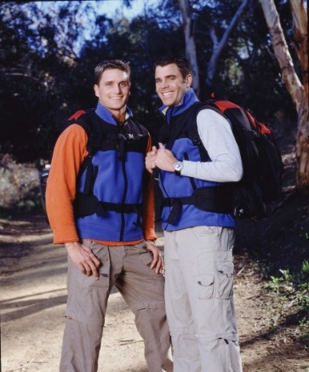
...
Rob and Brennan | Chris and Alex |  | Flo and Zach |  | Reichen and Chip

Season 5 | Season 6 |  | Season 7 |  | Season 8

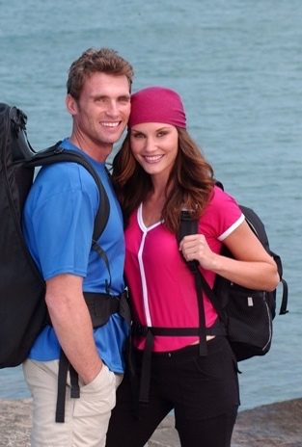
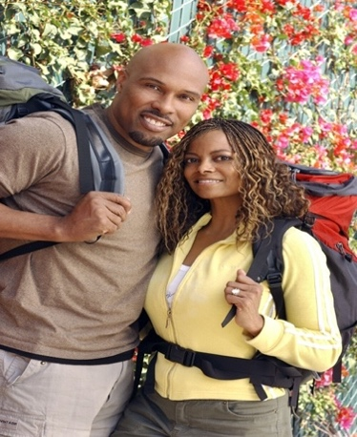
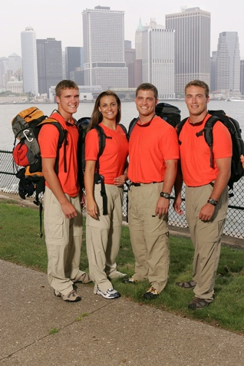

Chip and Kim | Freddy and Kendra |  | Uchenna and Joyce |  | Linz Family

Season 9 | Season 10 |  | Season 11 |  | Season 12





BJ and Tyler | Tyler and James |  | Eric and Danielle |  | TK and Rachel

Season 13 | Season 14 |  | Season 15 |  | Season 16


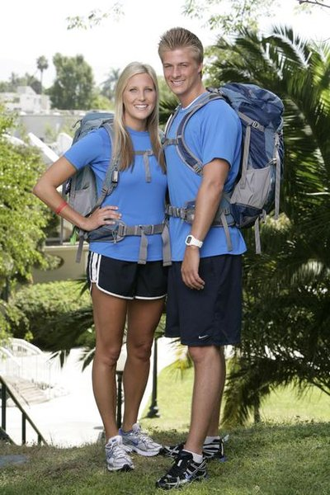


Nick and Starr | Tammy and Victor |  | Meghan and Cheyne |  | Dan and Jordan

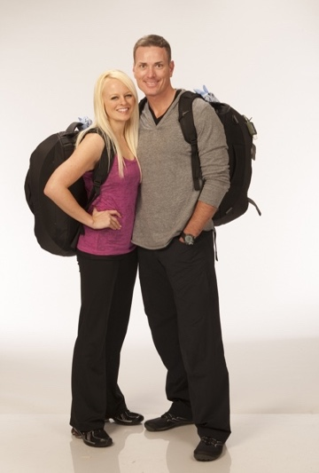
Season 17 | Season 18 |  | Season 19 |  | Season 20


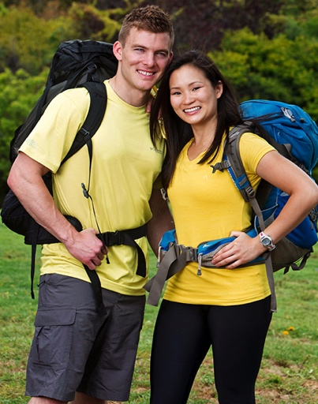

Nat and Kat | Kisha and Jen |  | Ernie and Cindy |  | Rachel and Dave

Season 21 | Season 22 |  | Season 23 |  | Season 24


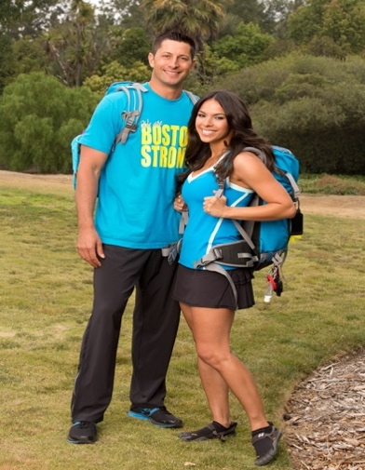
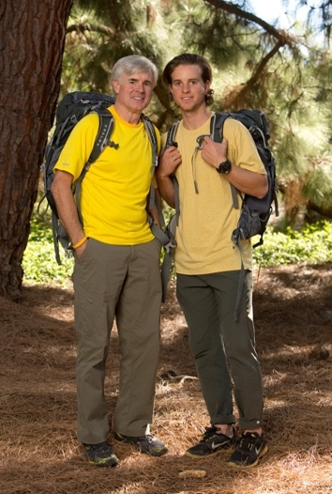

Josh and Brent | Bates and Anthony |  | Jason and Amy |  | Dave and Connor

Season 25 | Season 26 |  | Season 27 |  | Season 28





Amy and Maya | Laura and Tyler |  | Kelsey and Joey |  | Dana and Matt

Season 29 | Season 30 |  | Season 31 |  | Season 32





Brooke and Scott | Cody and Jessica |  | Colin and Christie |  | Will and James

Season 33 | Season 34 |  | Season 35 |  | Season 36





Kim and Penn | Derek and Claire |  | Greg and John |  | Ricky and Cesar

Season 37 | Season 38



Carson and Jack | Jag and Jas

Final Leg
...
Number of Final Legs |  |  | Challenges on the Final Leg |  |  |  |  | Locations of Final Legs
Leg 10 | 1
Leg 11 | 5 |  |  |  |  |  |  | Area | # of Times | % of Legs | Season # | State(s)
Leg 12 | 24 |  | Challenges | Number | Average | Other Avgs | % Change | North America | 40 | 106% | Season 1 | Alaska | New York
Leg 13 | 8 |  | Route Info | 245 | 6.62 | 4.40 | 34% | Western Europe | 2 | 6% | Season 2 | Hawaii | Alaska
 |  |  | Road Block | 48 | 1.30 | 1.01 | 22% | Central America | 1 | 3% | Season 3 | Hawaii | Washington
 |  |  | Detour | 13 | 0.35 | 0.88 | -149% | Country | # of Times | % of Legs | Season 4 | Hawaii | Arizona
 |  |  |  |  |  |  |  | USA | 36 | 100% | Season 5 | Texas
Keywords on Final Legs |  |  |  |  |  |  |  | Canada | 2 | 6% | Season 6 | Hawaii | Illinois
Keyword |  | Number | % of Final Legs |  |  |  |  | Puerto Rico | 1 | 3% | Season 7 | Florida
Physical Strength |  | 27 | 73% |  |  |  |  | England | 1 | 3% | Season 8 | New York
States traveled to on the final leg
Memorization |  | 24 | 65% |  |  |  |  | France | 1 | 3% | Season 9 | Alaska | Colorado
Heights |  | 23 | 62% |  |  |  |  | State | # of Times | % of Legs | Season 10 | New York
Travel Issues |  | 20 | 54% |  |  |  |  | California | 8 | 22% | Season 11 | Hawaii | California
Searching |  | 17 | 46% |  |  |  |  | Hawaii | 7 | 19% | Season 12 | Alaska
Driving |  | 14 | 38% |  |  |  |  | New York | 6 | 16% | Season 13 | Oregon
Puzzle |  | 15 | 41% |  |  |  |  | Alaska | 5 | 14% | Season 14 | Hawaii
Attention to Detail |  | 11 | 30% |  |  |  |  | Florida | 3 | 8% | Season 15 | Nevada
Pain |  | 3 | 8% |  |  |  |  | Florida | 3 | 8% | Season 16 | California
Swimming |  | 4 | 11% |  |  |  |  | Illinois | 2 | 5% | Season 17 | California
Hand Eye Coordination |  | 7 | 19% |  |  |  |  | Nevada | 2 | 5% | Season 18 | Florida
Geography |  | 4 | 11% |  |  |  |  | Texas | 2 | 5% | Season 19 | Georgia
Animals |  | 2 | 5% |  |  |  |  | Arizona | 1 | 3% | Season 20 | Hawaii
Biking |  | 2 | 5% |  |  |  |  | Colorado | 1 | 3% | Season 21 | New York
Food |  | 2 | 5% |  |  |  |  | Georgia | 1 | 3% | Season 22 | Washington DC
Balance |  | 2 | 5% |  |  |  |  | Louisiana | 1 | 3% | Season 23 | Alaska
Building |  | 4 | 11% |  |  |  |  | Michigan | 1 | 3% | Season 24 | Nevada
Navigation |  | 2 | 5% |  |  |  |  | Oregon | 1 | 3% | Season 25 | California
Flags |  | 2 | 5% |  |  |  |  | Pennsylvania | 1 | 3% | Season 26 | Texas
Math |  | 1 | 3% |  |  |  |  | Tennessee | 1 | 3% | Season 27 | New York
Language |  | 2 | 5% |  |  |  |  | Washington | 1 | 3% | Season 28 | California
 |  |  |  |  |  |  |  | Washington DC | 1 | 3% | Season 29 | Illinois
The Finish Line |  |  |  |  |  |  |  |  |  |  | Season 30 | California
The Amazing Race Wiki has an amazing interactive map created noting the location of each finish line. |  |  |  |  |  |  |  |  |  |  | Season 31 | Michigan
Here is the URL for the site: |  | https://amazingrace.fandom.com/wiki/Finish_Line |  |  |  |  |  |  |  |  | Season 32 | Louisiana
 |  |  |  |  |  |  |  |  |  |  | Season 33 | California
 |  |  |  |  |  |  |  |  |  |  | Season 34 | Tennessee
 |  |  |  |  |  |  |  |  |  |  | Season 35 | Washington
 |  |  |  |  |  |  |  |  |  |  | Season 36 | Pennsylvania
...

Twists


...
 |  |  |  |  |  |  |   |  |  |  | 
...
U-Turn by leg
 | Leg 1
Leg 3 | 2
Leg 4 | 2
Leg 5 | 1
Leg 6 | 1
Leg 7 | 0
Leg 8 | 2
Leg 9 | 2
Leg 10 | 2
Leg 11 | 1
Leg 12 | 0
Leg 13 | 0
...
Leg 3 | Leg 4 | Leg 5 | Leg 6 | Leg 7 | Leg 8 | Leg 9 | Leg 10 | Leg 11 | Leg 12 | Leg 13
 | 5 |  |  |  | 6
4
 | 5 |  |  |  |  |  |  | 6
4 |  |  |  |  |  |  | 4
 |  | 6 |  |  |  | 5
 |  |  |  |  |  | 6 | 4
 |  |  |  |  | 2
...
 |  |  |  |  | 4 | 5.5 | 4 | 6
 |  |  |  |  | 2 | 2 | 2 | 1
...
Double u-Turn By leg
Leg 1 | 1
Leg 2 | 1
Leg 3 | 3
Leg 4 | 1
Leg 5 | 7
Leg 6 | 1
Leg 7 | 2
Leg 8 | 7
Leg 9 | 6
Leg 10 | 4
Leg 11 | 0
Leg 12 | 0
Leg 13 | 0
 |  |  |  |  | Leg 8 | Leg 9 | Leg 10 | Leg 11 | Leg 12 | Leg 13
 |  |  |  |  |  | 4
 |  |  |  |  |  | 7
 |  |  |  |  | 7
 |  |  |  |  | 4
 |  |  |  |  |  | 5
 |  |  |  |  |  |  | 7
 |  |  |  |  | 6
 |  |  |  |  | 4 |  | 7
 |  |  |  |  |  | 7
 |  |  |  |  | 5
...
 |  |  |  |  |  |  | 5
...
 |  |  |  |  | 2
 |  |  |  |  | 3 |  | 4
 |  |  |  |  |  | 6
...
 |  |  |  |  |  | 2
 |  |  |  |  | 4.4 | 5.2 | 5.8
 |  |  |  |  | 7 | 6 | 4
...
Yields by leg
Leg 1 | 1
Leg 2 | 2
Leg 3 | 3
Leg 4 | 2
Leg 5 | 3
Leg 6 | 3
Leg 7 | 2
Leg 8 | 4
Leg 9 | 3
Leg 10 | 3
Leg 11 | 2
Leg 12 | 1
Leg 13 | 0
...
 |  |  |  |  | Leg 8 | Leg 9 | Leg 10 | Leg 11 | Leg 12 | Leg 13
 |  |  |  |  | 3 | 4 | 2 | 4 | 4
 |  |  |  |  | 6 |  | 3
...
 |  |  |  |  |  | 8
 |  |  |  |  |  |  | 4
 |  |  |  |  |  | 3 |  | 3
 |  |  |  |  | 5
 |  |  |  |  | 10
 |  |  |  |  | 6.0 | 5.0 | 3.0 | 3.5 | 4.0
 |  |  |  |  | 4 | 3 | 3 | 2 | 1
...
Express pass by leg
Leg 1 | 11
Leg 2 | 2
Leg 3 | 1
Leg 4 | 0
Leg 5 | 0
Leg 6 | 1
Leg 7 | 0
Leg 8 | 2
Leg 9 | 0
Leg 10 | 0
Leg 11 | 0
Leg 12 | 0
Leg 13 | 0
...
 |  |  |  |  | Leg 8 | Leg 9 | Leg 10 | Leg 11 | Leg 12 | Leg 13
...
 |  |  |  |  | 4
 |  |  |  |  | 1
...
 |  |  |  |  | 2.5
 |  |  |  |  | 2
...
 |  |  |  |  | Leg 8 | Leg 9 | Leg 10 | Leg 11 | Leg 12 | Leg 13
...
 |  |  |  |  |  |  | 3
...
 |  |  |  |  | Leg 8 | Leg 9 | Leg 10 | Leg 11 | Leg 12 | Leg 13
 |  |  |  |  | 2
...

Season 38
 | Cast: |  |  |  | Route:

...
 | Route:
 | Leg # | Leg 1 |  | Leg 2 |  | Leg 3 |  | Leg 4 |  | Leg 5
 | Location | Netherlands | Central Europe | Czech Republic | Eastern Europe | Czech Republic | Eastern Europe | Hungary | Central Europe | Croatia
Winners: Jag and Jas!
Demographics: | Statistical Differences:
- Both Male | Challenges: | Route Info | Road Block | Detour | Total
- Siblings |  | 64 | 13 | 7 | 86
- Both under 30 (28 and 27) | % Change from Season 37 | -4% | 0% | 0% | -4%
- First team from Washington State | % Change Overall | 21% | 9% | -32% | 9%
- 2nd best winning team by AFP | Keywords: | Animals | ATD | Balance | Biking | Building | Cooking | Counting | Dancing | Driving
...

Presentation
Percentages
Route Info | 64
Road Block | 13
Detour | 7
Fast Forward | 1
Hazard | 1
...
 | Occurred:
 | Leg 1 C2
 | Leg 3 C2
 | Leg 5 C4, Leg 9 C2
 | Leg 11 C6
...
Leg 7 | Leg 8 | Leg 9 | Leg 10 | Leg 11 | Leg 12
Route Info | Route Info | Route Info | Route Info | Route Info | Route Info
Road Block | Road Block | Route Info | Route Info | Route Info | Route Info
Route Info | Route Info | Detour | Road Block | Route Info | Route Info
Route Info | Detour | Route Info | Route Info | Route Info | Route Info
Route Info | Route Info | Route Info | Road Block | Road Block | Route Info
Detour | Route Info | Road Block | Route Info | Route Info | Route Info
Route Info | Route Info | Route Info | Route Info |  | Route Info
 |  |  | Route Info |  | Route Info
...

COVID Seasons

...
Statistical Differences:
Challenges:
Season # | Route Info | Road Block | Detour | Totals
Season 33 | 43 | 11 | 8 | 63
Season 34 | 39 | 12 | 9 | 60
Season 35 | 57 | 12 | 10 | 81
Season 36 | 45 | 14 | 10 | 69
Averages | 46 | 12.25 | 9.25 | 68.25
Compare these averages to the previous 10 seasons of TAR (Seasons 22-32):
Previous Averages | 51.00 | 11.55 | 9.64 | 75.73
% Change | -11% | 6% | -4% | -11%

Keywords:
Season # | Animals | ATD | Balance | Biking | Cooking | Counting | Dancing | Driving | Fishing | Flags | Food | Geography | HEC | Heights | Language | Math | Memory | Music
Season 33 | 1 | 8 | 0 | 0 | 0 | 0 | 0 | 9 | 0 | 1 | 2 | 0 | 0 | 1 | 0 | 0 | 2 | 0
Season 34 | 1 | 4 | 1 | 1 | 1 | 0 | 2 | 7 | 0 | 0 | 1 | 0 | 2 | 2 | 2 | 0 | 6 | 1
Season 35 | 0 | 9 | 1 | 2 | 0 | 0 | 3 | 6 | 0 | 0 | 2 | 0 | 2 | 4 | 1 | 1 | 3 | 0
Season 36 | 0 | 8 | 1 | 0 | 2 | 0 | 1 | 7 | 0 | 0 | 0 | 0 | 5 | 0 | 0 | 0 | 5 | 2
Averages | 0.5 | 7.25 | 0.75 | 0.75 | 0.75 | 0 | 1.5 | 7.25 | 0 | 0.25 | 1.25 | 0 | 2.25 | 1.75 | 0.75 | 0.25 | 4 | 0.75
...

Season 35

Season 35

Season 35 is the most recent season of TAR, despite the fact that Season 36 exists. Season 36 was filmed before Season 35, but released after because of the change to hour-and-a-half long episodes. Season 35 has been branded as a return to form for TAR, as global COVID restrictions have been loosened, allowing for traditional travel between legs, which is a significant part of the race in seasons past. This sheet is dedicated to documenting Season 35, so some predictions could be made about Season 37.

Major Things of Note: | Countries Traveled to:
- Season 35 started with 13 teams, a historic high. | Leg # | Leg 1 | Leg 2 | Leg 3 | Leg 4 | Leg 5 | Leg 6 | Leg 7 | Leg 8 | Leg 9 | Leg 10
- Season 35 is the first COVID season with 12 legs. | Country | Thailand | Thailand | Vietnam | Vietnam | India | India | Germany | Slovenia | Slovenia | Sweden
- This season continued the trend of no non-elimination legs from the previous two seasons, but had one non-elim leg because teams were instructed to continue racing.
 | Statistical Differences:
 | Challenges: | Route Info | Road Block | Detour | Total
- The Scramble was utilized for the second time on the final leg of this season. |  | 57 | 12 | 10 | 81
- There were two Express Passes given out, and they were earned in separate, voluntary challenges. This is different than the traditional way to earn the pass, by coming in first on a specific leg. |  | Compare these to the averages of all seasons:
 | Previous Averages | 52.08 | 11.92 | 10.58 | 78.28
 | % Change | 9% | 1% | -6% | 3%
...

Season 37
Season 37 |  |  | Cast: |  |  |  |  |  | Route:



Season 37 is now the true newest season of the Amazing Race, and we are finally back to true TAR. I don't even consider this to be a "COVID" Season. I think that this Season is indicative of the Amazing Race making itself bigger and better, espeically with twists on every leg - not that I think that will be true for every forthcoming Season.

Major Things of Note:
- This was the first Season with a historic high of 14 teams.
- This was the first Season since Season 33 with a true non-elimination leg, and the first since Season 4 with a non-elim leg and no penalty. It was also the latest ever on Leg 9.

- There were twists on every leg of the race for the first time. There was a Scramble for the third time on the final leg.

- This was the second season in a row with a new country traveled to - Bulgaria.
 |  |  | Countries Traveled to:
- This Season had 90 challenges, which is the most since Season 8 and tied for the 5th-most all time with Season 3. |  |  | Leg # | Leg 1 | Leg 2 | Leg 3 | Leg 4 | Leg 5 | Leg 6 | Leg 7 | Leg 8 | Leg 9 | Leg 10 | Leg 11 | Final Leg
 |  |  | Country | China | Japan | Japan | Indonesia | Indonesia | UAE | Bulgaria | Bulgaria | Italy | France | Portugal | USA


 | Winners: Carson and Jack! |  | Statistical Differences:
 | Demographics: |  | Challenges: | Route Info | Road Block | Detour | Total
 | - Both Male | 35% Chance |  | 67 | 13 | 7 | 90
 | - Best Friends | 22% Chance | % Change from Season 35 | 18% | 8% | -30% | 11%
 | - Both under 30 | 45% Chance | % Change Overall | 28% | 9% | -34% | 14%
 | - From NYC | 19% Chance | Keywords: | Animals | ATD | Balance | Biking | Cooking | Counting | Dancing | Driving | Fishing | Flags | Food | Geography | HEC | Heights | Language | Math | Memory | Music | Navigation
 | - Tied7 for winning position: 2.42 |  |  | 1 | 8 | 3 | 0 | 1 | 0 | 2 | 7 | 0 | 0 | 2 | 0 | 3 | 2 | 3 | 0 | 4 | 1 | 0
 |  |  | % Change from Season 35 | 100%
 |  |  | % Change Overall | -59%

