FTE_UG_UNI_1Y_INST_FIG
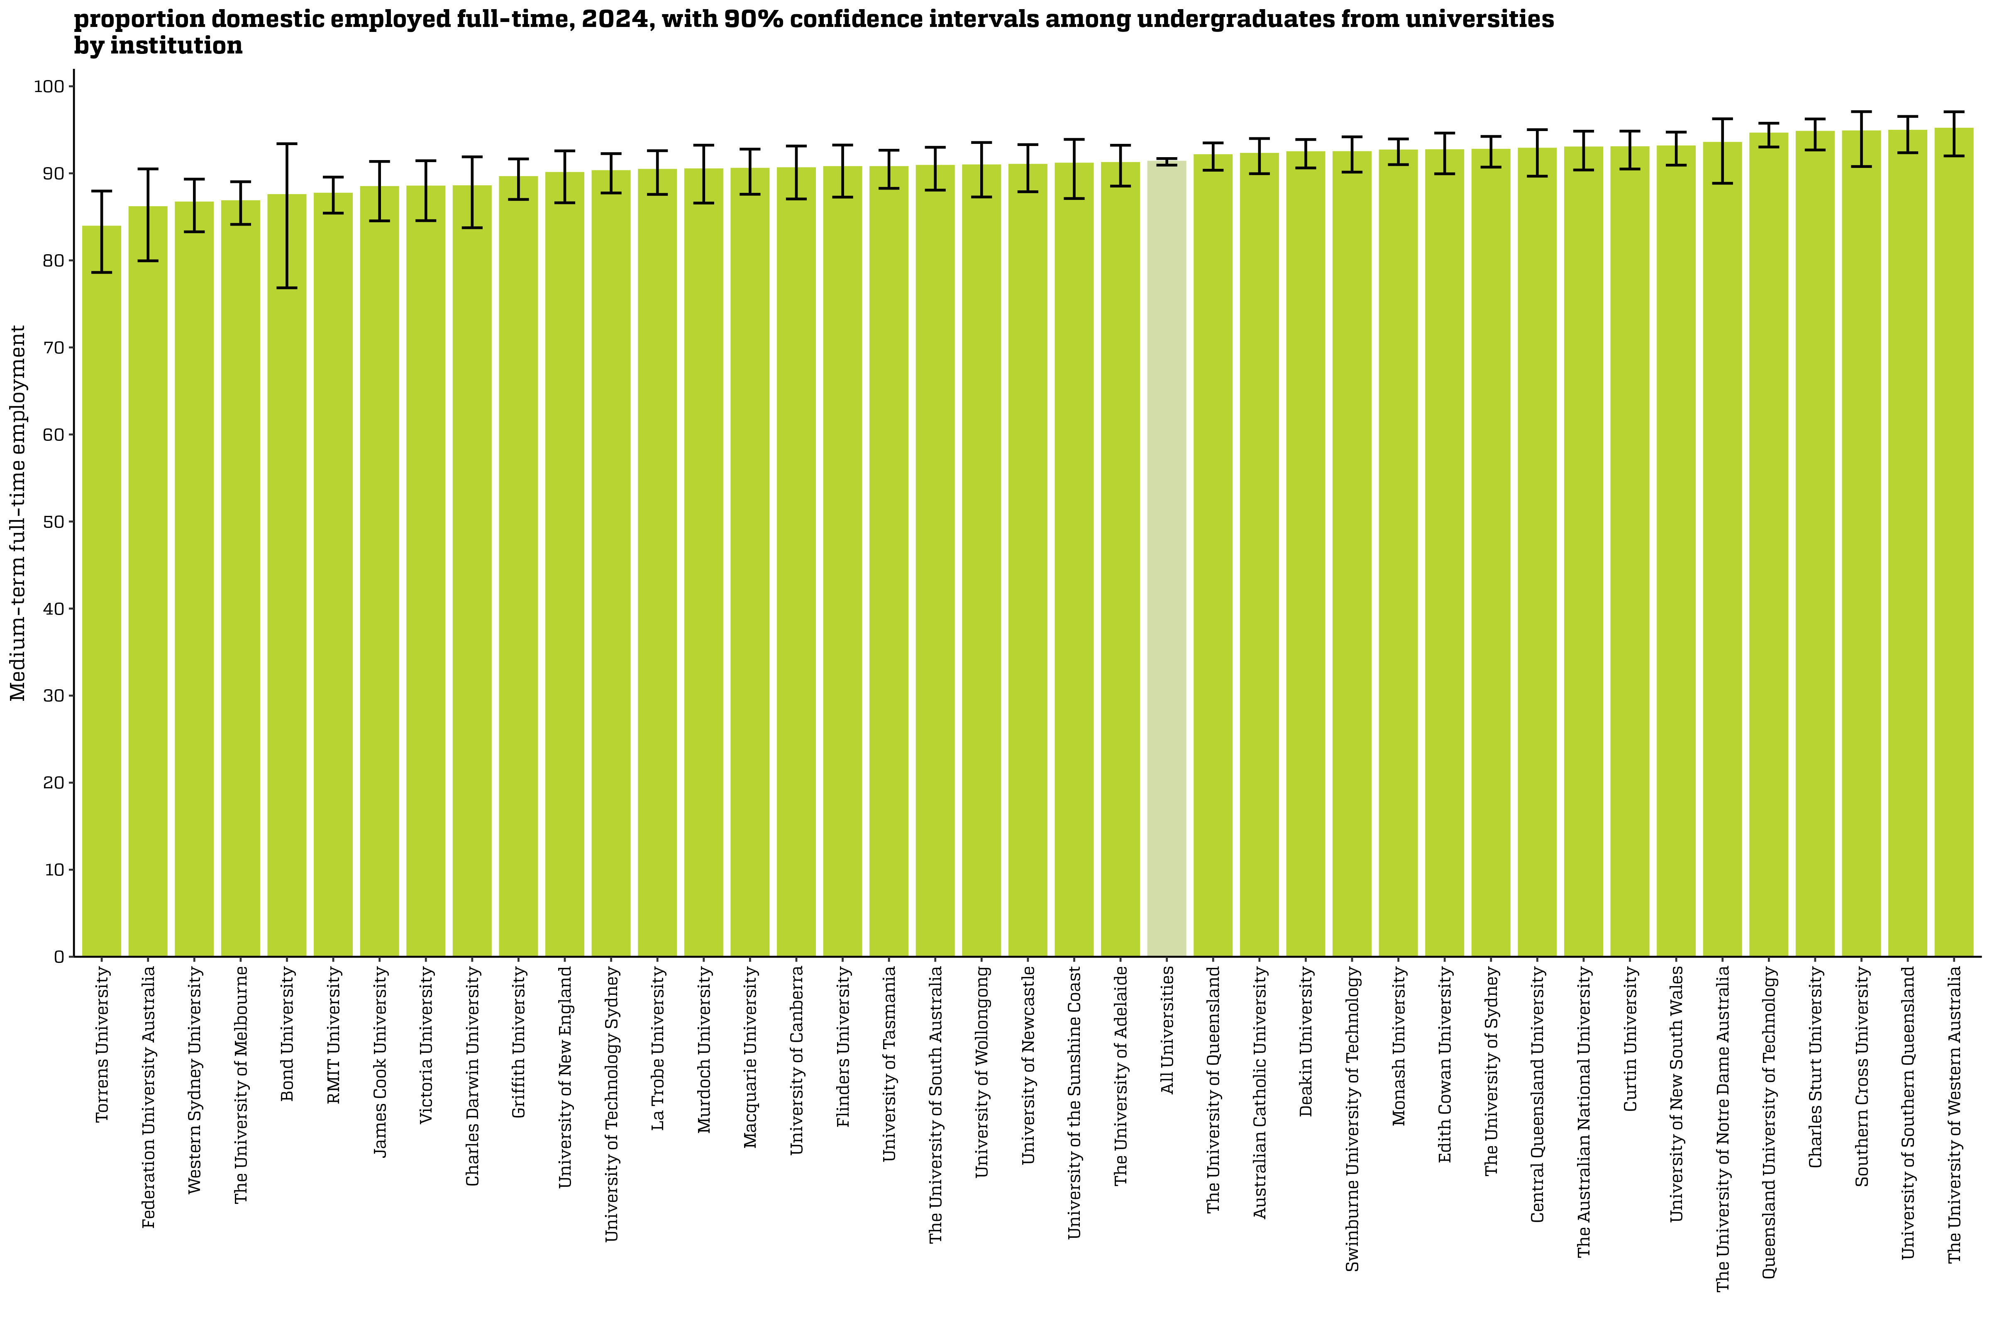
Proportion domestic employed full-time, 2024, with 90% confidence intervals among undergraduates from universities by institution
Back to INDEX

 |  | Medium-term: FTE
 | Australian Catholic University | 92.2 (90.0, 94.0)
 | Avondale University | n/a
 | Bond University | 87.5 (76.8, 93.4)
 | Central Queensland University | 92.8 (89.7, 95.0)
 | Charles Darwin University | 88.5 (83.7, 91.9)
 | Charles Sturt University | 94.8 (92.7, 96.2)
 | Curtin University | 93.0 (90.5, 94.8)
 | Deakin University | 92.4 (90.6, 93.9)
 | Edith Cowan University | 92.7 (89.9, 94.6)
 | Federation University Australia | 86.1 (79.9, 90.5)
 | Flinders University | 90.7 (87.3, 93.2)
 | Griffith University | 89.6 (87.0, 91.7)
 | James Cook University | 88.4 (84.5, 91.4)
 | La Trobe University | 90.4 (87.6, 92.6)
 | Macquarie University | 90.5 (87.6, 92.8)
 | Monash University | 92.6 (91.0, 93.9)
 | Murdoch University | 90.5 (86.6, 93.2)
 | Queensland University of Technology | 94.6 (93.0, 95.8)
 | RMIT University | 87.7 (85.4, 89.6)
 | Southern Cross University | 94.8 (90.8, 97.1)
 | Swinburne University of Technology | 92.4 (90.1, 94.2)
 | The Australian National University | 93.0 (90.4, 94.8)
 | The University of Adelaide | 91.2 (88.5, 93.2)
 | The University of Melbourne | 86.8 (84.1, 89.0)
 | The University of Notre Dame Australia | 93.5 (88.9, 96.3)
 | The University of Queensland | 92.1 (90.4, 93.5)
 | The University of South Australia | 90.9 (88.1, 93.0)
 | The University of Sydney | 92.7 (90.7, 94.2)
 | The University of Western Australia | 95.1 (92.0, 97.1)
 | Torrens University | 83.9 (78.6, 88.0)
 | University of Canberra | 90.6 (87.1, 93.1)
 | University of Divinity | n/a
 | University of New England | 90.0 (86.6, 92.6)
 | University of New South Wales | 93.1 (90.9, 94.7)
 | University of Newcastle | 91.0 (87.9, 93.3)
 | University of Southern Queensland | 94.9 (92.4, 96.5)
 | University of Tasmania | 90.7 (88.3, 92.7)
 | University of Technology Sydney | 90.2 (87.7, 92.3)
 | University of the Sunshine Coast | 91.1 (87.1, 93.9)
 | University of Wollongong | 90.9 (87.3, 93.5)
 | Victoria University | 88.5 (84.6, 91.4)
 | Western Sydney University | 86.6 (83.3, 89.3)
 | All Universities | 91.3 (90.9, 91.7)

Column variables:
FULLEMP(_L)
Column filters:
FTE: AVAILFT(_L) =1
Data for all columns is filtered to: ANALYSIS = 1 & E942 = 0, Undergraduate: LEVEL = 1, University: HEPTYPE = 1

Row variables:
E306

FTE_UG_UNI_3YP_INST_FIG
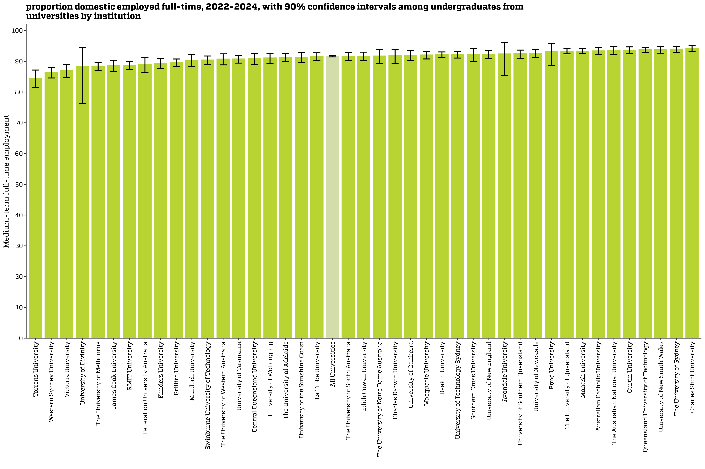
Proportion domestic employed full-time, 2022-2024, with 90% confidence intervals among undergraduates from universities by institution
Back to INDEX

 |  | Medium-term: FTE
 | Australian Catholic University | 93.4 (92.2, 94.4)
 | Avondale University | 92.4 (85.4, 96.1)
 | Bond University | 93.1 (88.6, 95.9)
 | Central Queensland University | 90.9 (89.0, 92.5)
 | Charles Darwin University | 91.9 (89.3, 93.8)
 | Charles Sturt University | 94.2 (93.1, 95.2)
 | Curtin University | 93.6 (92.4, 94.7)
 | Deakin University | 92.2 (91.2, 93.0)
 | Edith Cowan University | 91.7 (90.1, 93.0)
 | Federation University Australia | 89.0 (86.4, 91.1)
 | Flinders University | 89.5 (87.6, 91.0)
 | Griffith University | 89.5 (88.2, 90.7)
 | James Cook University | 88.6 (86.6, 90.4)
 | La Trobe University | 91.6 (90.2, 92.7)
 | Macquarie University | 92.1 (90.7, 93.2)
 | Monash University | 93.3 (92.5, 94.1)
 | Murdoch University | 90.4 (88.3, 92.1)
 | Queensland University of Technology | 93.7 (92.8, 94.6)
 | RMIT University | 88.7 (87.4, 89.8)
 | Southern Cross University | 92.2 (89.9, 94.0)
 | Swinburne University of Technology | 90.5 (89.0, 91.7)
 | The Australian National University | 93.6 (92.2, 94.8)
 | The University of Adelaide | 91.3 (89.9, 92.4)
 | The University of Melbourne | 88.5 (87.1, 89.7)
 | The University of Notre Dame Australia | 91.8 (89.2, 93.7)
 | The University of Queensland | 93.3 (92.4, 94.0)
 | The University of South Australia | 91.6 (90.1, 92.9)
 | The University of Sydney | 94.0 (93.0, 94.9)
 | The University of Western Australia | 90.8 (88.8, 92.4)
 | Torrens University | 84.6 (81.5, 87.1)
 | University of Canberra | 92.0 (90.2, 93.4)
 | University of Divinity | 88.2 (76.2, 94.6)
 | University of New England | 92.3 (90.8, 93.5)
 | University of New South Wales | 93.8 (92.6, 94.7)
 | University of Newcastle | 92.7 (91.3, 93.8)
 | University of Southern Queensland | 92.5 (91.0, 93.6)
 | University of Tasmania | 90.8 (89.4, 92.0)
 | University of Technology Sydney | 92.2 (91.0, 93.2)
 | University of the Sunshine Coast | 91.4 (89.5, 92.9)
 | University of Wollongong | 91.1 (89.3, 92.6)
 | Victoria University | 86.9 (84.6, 88.9)
 | Western Sydney University | 86.3 (84.6, 87.9)
 | All Universities | 91.6 (91.4, 91.8)

Column variables:
FULLEMP(_L)
Column filters:
FTE: AVAILFT(_L) =1
Data for all columns is filtered to: ANALYSIS = 1 & E942 = 0, Undergraduate: LEVEL = 1, University: HEPTYPE = 1

Row variables:
E306

FTE_PGC_UNI_1Y_INST_FIG
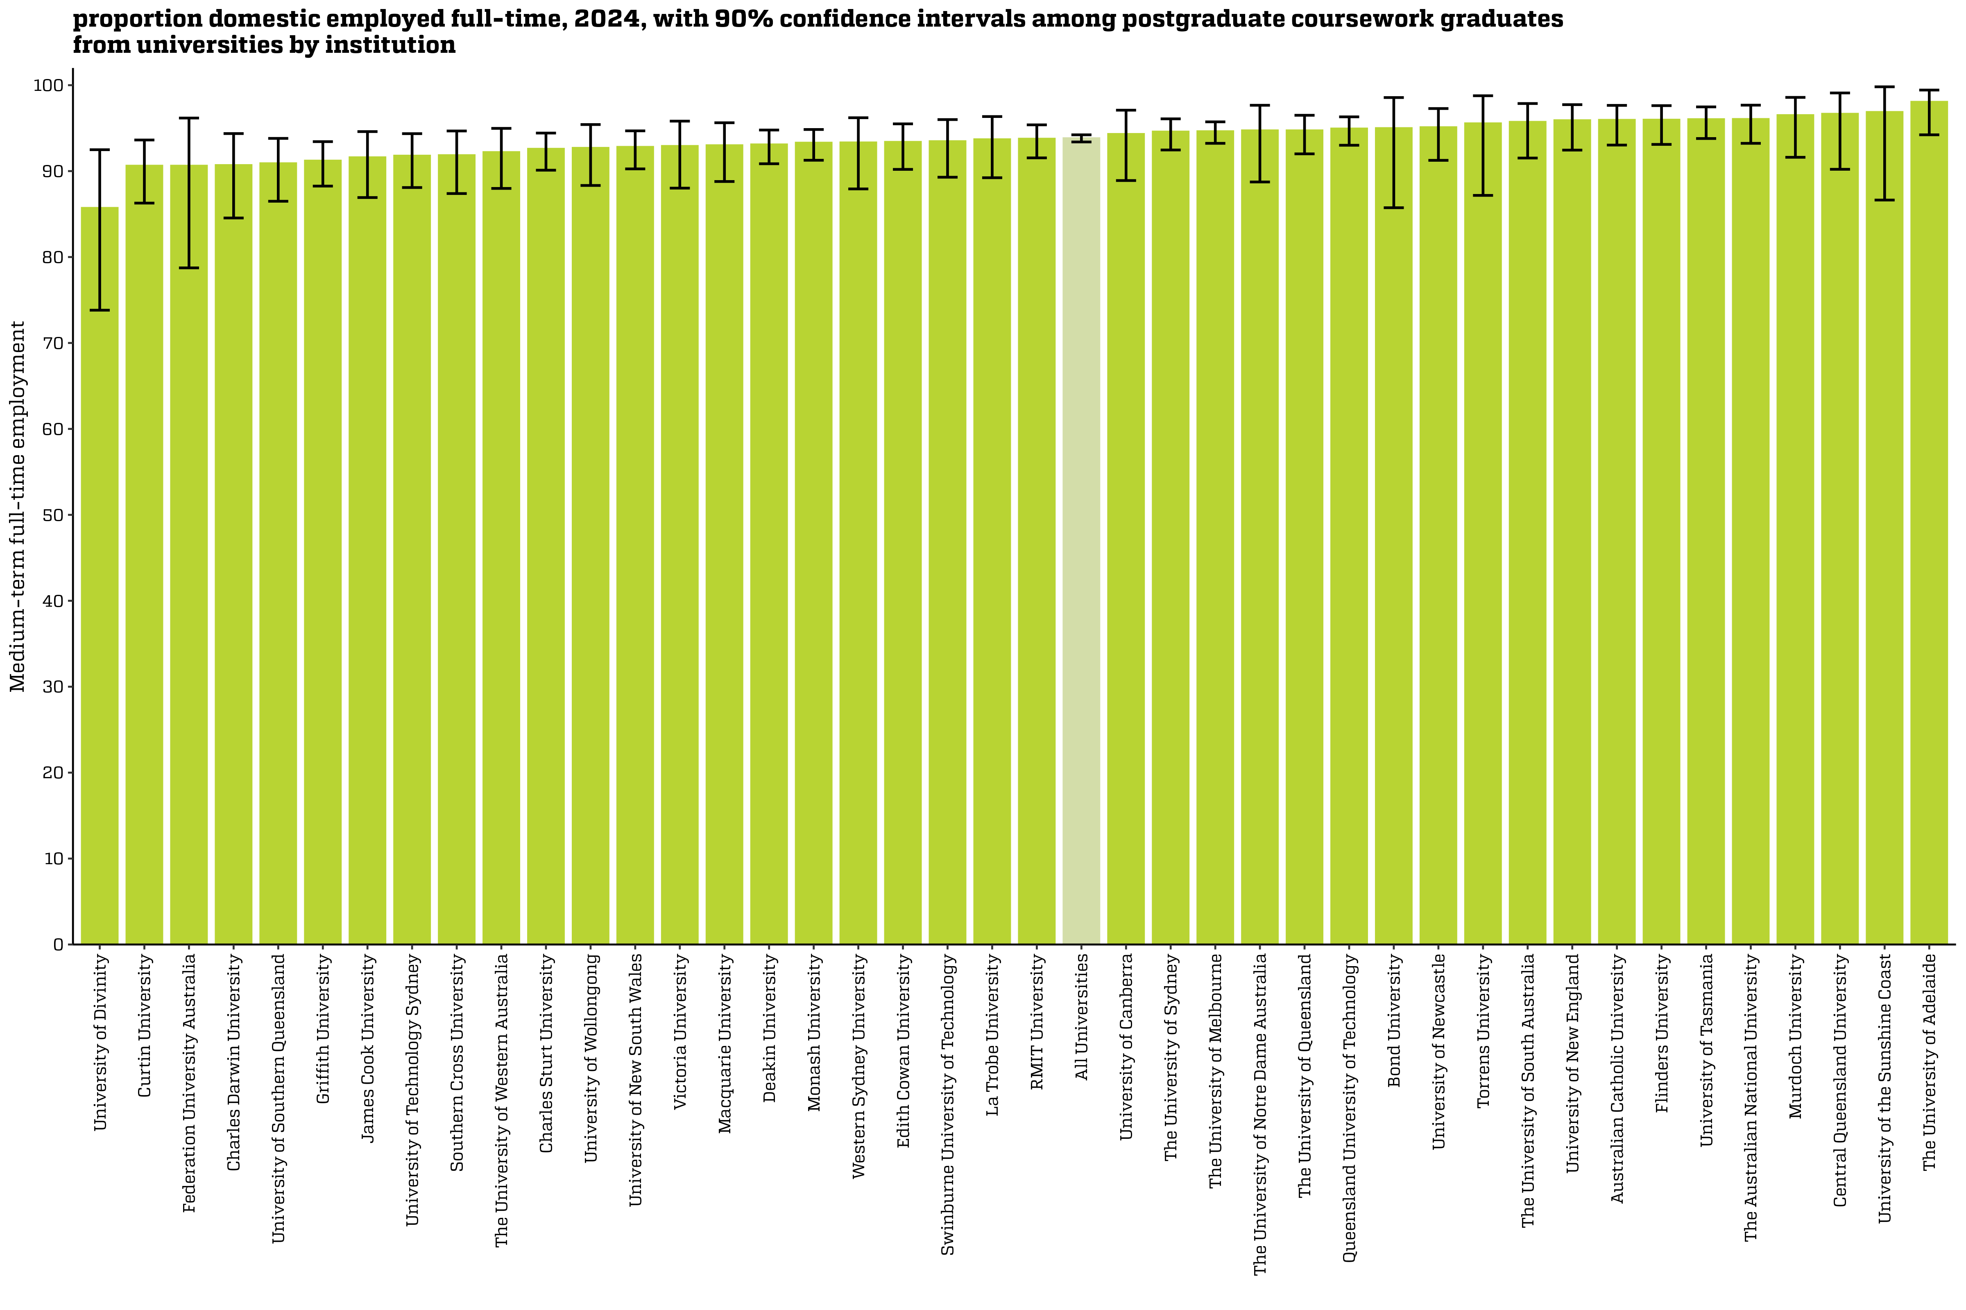
Proportion domestic employed full-time, 2024, with 90% confidence intervals among postgraduate coursework graduates from universities by institution
Back to INDEX

 |  | Medium-term: FTE
 | Australian Catholic University | 96.0 (93.0, 97.6)
 | Avondale University | n/a
 | Bond University | 95.0 (85.7, 98.6)
 | Central Queensland University | 96.7 (90.2, 99.1)
 | Charles Darwin University | 90.7 (84.5, 94.4)
 | Charles Sturt University | 92.6 (90.1, 94.4)
 | Curtin University | 90.6 (86.3, 93.6)
 | Deakin University | 93.1 (90.9, 94.8)
 | Edith Cowan University | 93.4 (90.2, 95.5)
 | Federation University Australia | 90.6 (78.7, 96.2)
 | Flinders University | 96.0 (93.1, 97.6)
 | Griffith University | 91.2 (88.3, 93.4)
 | James Cook University | 91.6 (86.9, 94.6)
 | La Trobe University | 93.7 (89.2, 96.3)
 | Macquarie University | 93.0 (88.8, 95.6)
 | Monash University | 93.3 (91.3, 94.8)
 | Murdoch University | 96.5 (91.6, 98.6)
 | Queensland University of Technology | 95.0 (93.0, 96.3)
 | RMIT University | 93.8 (91.5, 95.4)
 | Southern Cross University | 91.9 (87.4, 94.7)
 | Swinburne University of Technology | 93.5 (89.3, 96.0)
 | The Australian National University | 96.1 (93.2, 97.7)
 | The University of Adelaide | 98.1 (94.2, 99.4)
 | The University of Melbourne | 94.6 (93.2, 95.7)
 | The University of Notre Dame Australia | 94.7 (88.7, 97.7)
 | The University of Queensland | 94.7 (92.0, 96.5)
 | The University of South Australia | 95.7 (91.5, 97.9)
 | The University of Sydney | 94.6 (92.5, 96.1)
 | The University of Western Australia | 92.2 (88.0, 95.0)
 | Torrens University | 95.6 (87.2, 98.8)
 | University of Canberra | 94.3 (88.9, 97.1)
 | University of Divinity | 85.7 (73.8, 92.5)
 | University of New England | 95.9 (92.4, 97.7)
 | University of New South Wales | 92.8 (90.3, 94.7)
 | University of Newcastle | 95.1 (91.3, 97.3)
 | University of Southern Queensland | 90.9 (86.5, 93.8)
 | University of Tasmania | 96.0 (93.8, 97.5)
 | University of Technology Sydney | 91.8 (88.1, 94.4)
 | University of the Sunshine Coast | 96.9 (86.6, 99.8)
 | University of Wollongong | 92.7 (88.3, 95.4)
 | Victoria University | 92.9 (88.0, 95.8)
 | Western Sydney University | 93.3 (87.9, 96.2)
 | All Universities | 93.8 (93.4, 94.2)

Column variables:
FULLEMP(_L)
Column filters:
FTE: AVAILFT(_L) =1
Data for all columns is filtered to: ANALYSIS = 1 & E942 = 0, Postgraduate coursework: LEVEL = 2, University: HEPTYPE = 1

Row variables:
E306

FTE_PGC_UNI_3YP_INST_FIG
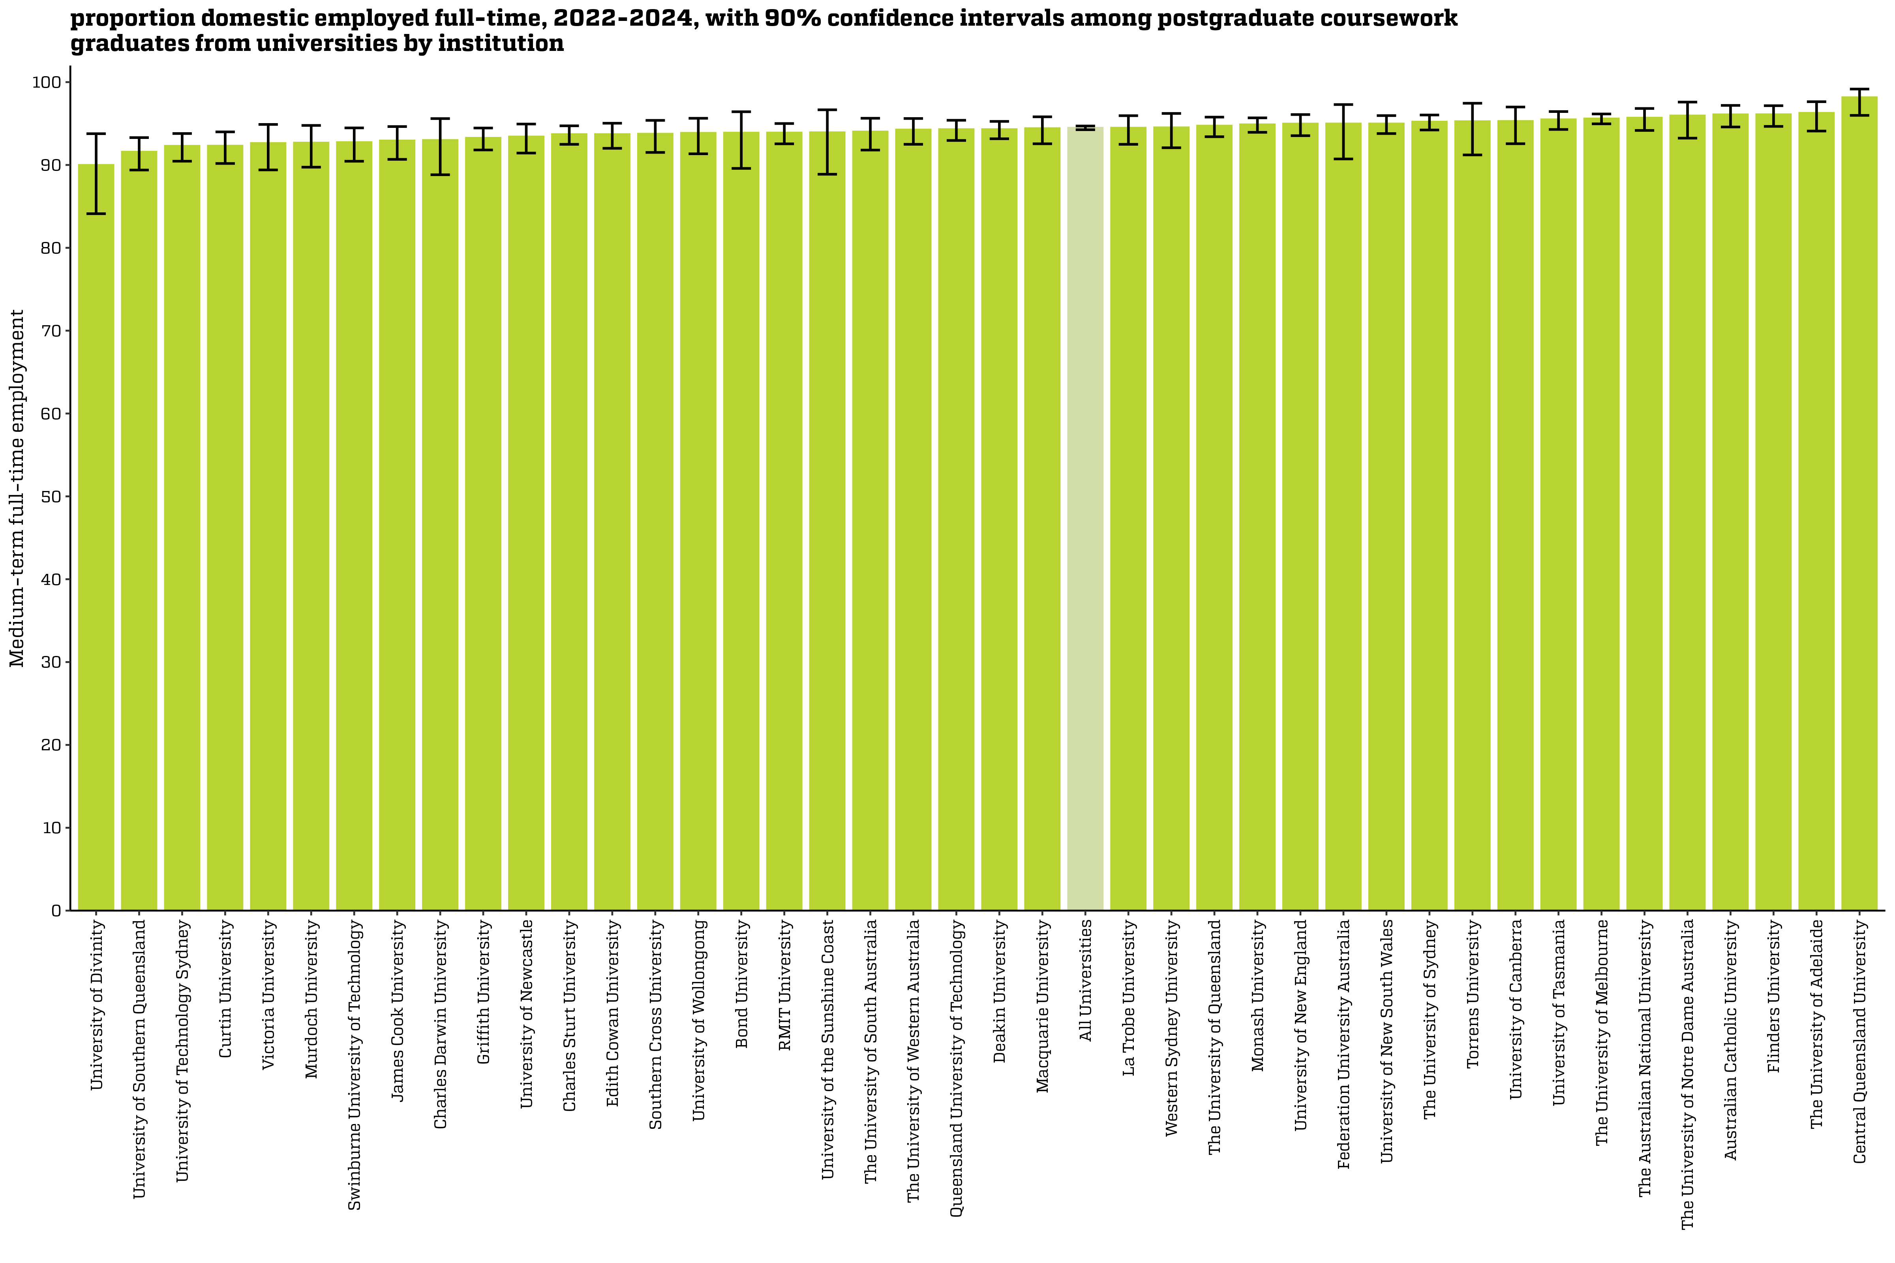
Proportion domestic employed full-time, 2022-2024, with 90% confidence intervals among postgraduate coursework graduates from universities by institution
Back to INDEX

 |  | Medium-term: FTE
 | Australian Catholic University | 96.1 (94.6, 97.2)
 | Avondale University | n/a
 | Bond University | 93.9 (89.6, 96.4)
 | Central Queensland University | 98.2 (96.0, 99.2)
 | Charles Darwin University | 93.0 (88.8, 95.6)
 | Charles Sturt University | 93.7 (92.5, 94.7)
 | Curtin University | 92.3 (90.2, 94.0)
 | Deakin University | 94.3 (93.2, 95.3)
 | Edith Cowan University | 93.7 (92.0, 95.0)
 | Federation University Australia | 95.0 (90.7, 97.3)
 | Flinders University | 96.1 (94.7, 97.2)
 | Griffith University | 93.3 (91.8, 94.5)
 | James Cook University | 92.9 (90.7, 94.6)
 | La Trobe University | 94.5 (92.5, 95.9)
 | Macquarie University | 94.4 (92.6, 95.8)
 | Monash University | 94.9 (93.9, 95.7)
 | Murdoch University | 92.7 (89.7, 94.8)
 | Queensland University of Technology | 94.3 (93.0, 95.4)
 | RMIT University | 93.9 (92.6, 95.0)
 | Southern Cross University | 93.8 (91.5, 95.4)
 | Swinburne University of Technology | 92.8 (90.5, 94.5)
 | The Australian National University | 95.7 (94.2, 96.8)
 | The University of Adelaide | 96.3 (94.1, 97.6)
 | The University of Melbourne | 95.6 (95.0, 96.2)
 | The University of Notre Dame Australia | 96.0 (93.2, 97.6)
 | The University of Queensland | 94.7 (93.4, 95.8)
 | The University of South Australia | 94.0 (91.8, 95.6)
 | The University of Sydney | 95.2 (94.2, 96.0)
 | The University of Western Australia | 94.3 (92.5, 95.6)
 | Torrens University | 95.3 (91.2, 97.4)
 | University of Canberra | 95.3 (92.6, 97.0)
 | University of Divinity | 90.0 (84.1, 93.8)
 | University of New England | 95.0 (93.5, 96.1)
 | University of New South Wales | 95.0 (93.8, 96.0)
 | University of Newcastle | 93.4 (91.4, 94.9)
 | University of Southern Queensland | 91.6 (89.4, 93.3)
 | University of Tasmania | 95.5 (94.3, 96.4)
 | University of Technology Sydney | 92.3 (90.5, 93.8)
 | University of the Sunshine Coast | 93.9 (88.9, 96.7)
 | University of Wollongong | 93.9 (91.3, 95.6)
 | Victoria University | 92.6 (89.4, 94.9)
 | Western Sydney University | 94.5 (92.1, 96.2)
 | All Universities | 94.5 (94.3, 94.7)

Column variables:
FULLEMP(_L)
Column filters:
FTE: AVAILFT(_L) =1
Data for all columns is filtered to: ANALYSIS = 1 & E942 = 0, Postgraduate coursework: LEVEL = 2, University: HEPTYPE = 1

Row variables:
E306

SAL_UG_UNI_1Y_INST_FIG
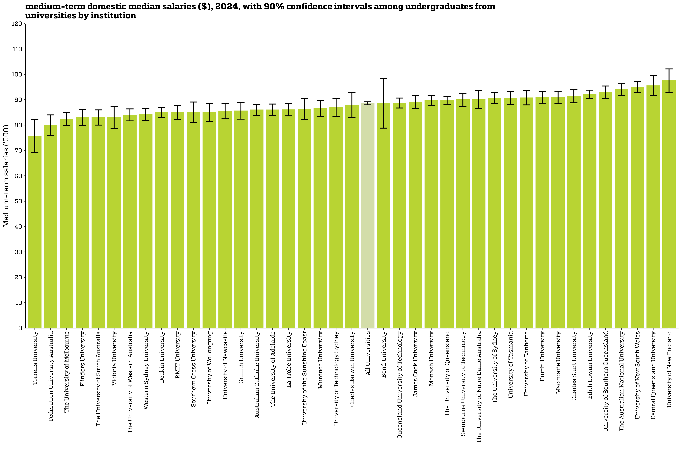
Medium-term domestic median salaries ($), 2024, with 90% confidence intervals among undergraduates from universities by institution
Back to INDEX

 |  | Salaries ($)
 | Australian Catholic University | 86,000 (83,900, 88,100)
 | Avondale University | n/a
 | Bond University | 88,600 (78,800, 98,400)
 | Central Queensland University | 95,500 (91,600, 99,500)
 | Charles Darwin University | 87,900 (83,000, 92,900)
 | Charles Sturt University | 91,300 (88,800, 93,900)
 | Curtin University | 91,000 (88,700, 93,300)
 | Deakin University | 85,000 (83,100, 86,900)
 | Edith Cowan University | 92,100 (90,500, 93,800)
 | Federation University Australia | 80,000 (76,000, 84,000)
 | Flinders University | 83,000 (79,900, 86,100)
 | Griffith University | 85,600 (82,400, 88,800)
 | James Cook University | 89,100 (86,600, 91,700)
 | La Trobe University | 86,000 (83,600, 88,500)
 | Macquarie University | 91,000 (88,600, 93,400)
 | Monash University | 89,600 (87,700, 91,600)
 | Murdoch University | 86,500 (83,400, 89,600)
 | Queensland University of Technology | 88,700 (86,700, 90,700)
 | RMIT University | 85,000 (82,200, 87,800)
 | Southern Cross University | 85,000 (80,900, 89,100)
 | Swinburne University of Technology | 90,000 (87,400, 92,600)
 | The Australian National University | 94,000 (91,700, 96,300)
 | The University of Adelaide | 86,000 (83,700, 88,300)
 | The University of Melbourne | 82,400 (79,700, 85,000)
 | The University of Notre Dame Australia | 90,000 (86,500, 93,500)
 | The University of Queensland | 89,700 (88,100, 91,200)
 | The University of South Australia | 83,000 (80,000, 86,000)
 | The University of Sydney | 90,600 (88,400, 92,800)
 | The University of Western Australia | 84,000 (81,600, 86,400)
 | Torrens University | 75,700 (69,100, 82,200)
 | University of Canberra | 90,800 (87,900, 93,600)
 | University of Divinity | n/a
 | University of New England | 97,500 (92,900, 102,100)
 | University of New South Wales | 95,000 (92,800, 97,200)
 | University of Newcastle | 85,500 (82,400, 88,600)
 | University of Southern Queensland | 93,000 (90,600, 95,400)
 | University of Tasmania | 90,600 (88,100, 93,100)
 | University of Technology Sydney | 87,000 (83,500, 90,500)
 | University of the Sunshine Coast | 86,300 (82,300, 90,300)
 | University of Wollongong | 85,000 (81,600, 88,400)
 | Victoria University | 83,000 (78,800, 87,200)
 | Western Sydney University | 84,200 (81,700, 86,700)
 | All Universities | 88,600 (88,000, 89,100)

Column variables:
SALARYA(_L)
Column filters:
Salary: TRIMSAL(_L) = 1, FULLEMP(_L) = 1
Data for all columns is filtered to: ANALYSIS = 1 & E942 = 0, Undergraduate: LEVEL = 1, University: HEPTYPE = 1

Row variables:
E306

SAL_UG_UNI_3YP_INST_FIG
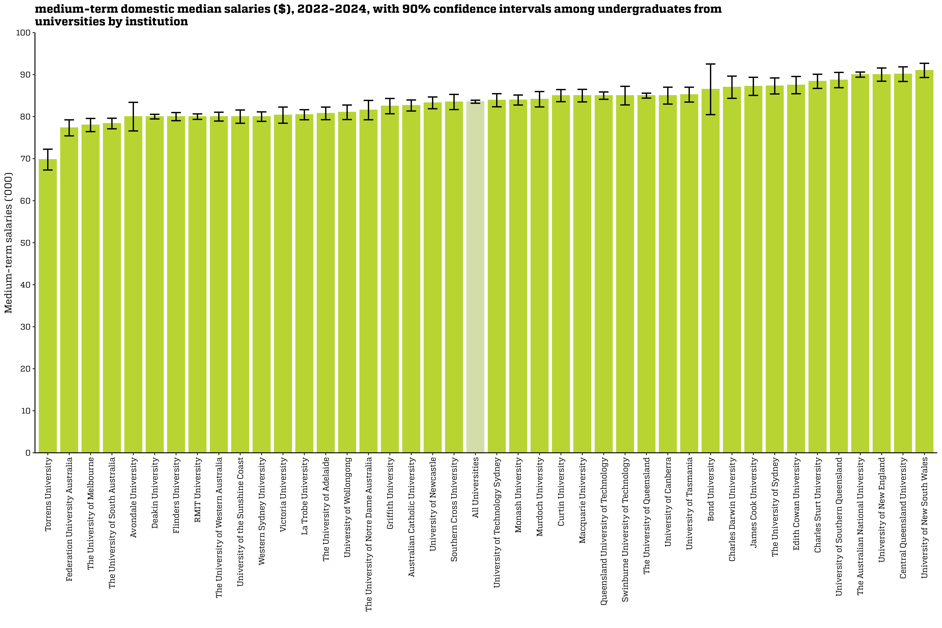
Medium-term domestic median salaries ($), 2022-2024, with 90% confidence intervals among undergraduates from universities by institution
Back to INDEX

 |  | Salaries ($)
 | Australian Catholic University | 82,700 (81,300, 84,000)
 | Avondale University | 80,000 (76,600, 83,400)
 | Bond University | 86,500 (80,500, 92,500)
 | Central Queensland University | 90,100 (88,400, 91,800)
 | Charles Darwin University | 87,000 (84,400, 89,600)
 | Charles Sturt University | 88,400 (86,700, 90,100)
 | Curtin University | 85,000 (83,600, 86,400)
 | Deakin University | 80,000 (79,400, 80,600)
 | Edith Cowan University | 87,500 (85,400, 89,600)
 | Federation University Australia | 77,300 (75,400, 79,200)
 | Flinders University | 80,000 (79,000, 81,000)
 | Griffith University | 82,500 (80,700, 84,300)
 | James Cook University | 87,200 (85,100, 89,400)
 | La Trobe University | 80,500 (79,300, 81,600)
 | Macquarie University | 85,000 (83,500, 86,500)
 | Monash University | 84,000 (82,800, 85,100)
 | Murdoch University | 84,100 (82,300, 86,000)
 | Queensland University of Technology | 85,000 (84,100, 85,900)
 | RMIT University | 80,000 (79,400, 80,600)
 | Southern Cross University | 83,500 (81,700, 85,300)
 | Swinburne University of Technology | 85,000 (82,800, 87,200)
 | The Australian National University | 90,000 (89,400, 90,600)
 | The University of Adelaide | 80,800 (79,300, 82,300)
 | The University of Melbourne | 78,000 (76,400, 79,600)
 | The University of Notre Dame Australia | 81,600 (79,300, 83,900)
 | The University of Queensland | 85,000 (84,400, 85,600)
 | The University of South Australia | 78,400 (77,100, 79,600)
 | The University of Sydney | 87,300 (85,400, 89,200)
 | The University of Western Australia | 80,000 (78,900, 81,100)
 | Torrens University | 69,800 (67,300, 72,300)
 | University of Canberra | 85,000 (83,000, 87,000)
 | University of Divinity | n/a
 | University of New England | 90,000 (88,400, 91,600)
 | University of New South Wales | 91,000 (89,300, 92,700)
 | University of Newcastle | 83,300 (81,900, 84,700)
 | University of Southern Queensland | 88,700 (86,900, 90,500)
 | University of Tasmania | 85,200 (83,500, 87,000)
 | University of Technology Sydney | 83,900 (82,300, 85,500)
 | University of the Sunshine Coast | 80,000 (78,400, 81,600)
 | University of Wollongong | 81,000 (79,300, 82,800)
 | Victoria University | 80,400 (78,400, 82,300)
 | Western Sydney University | 80,000 (78,900, 81,100)
 | All Universities | 83,600 (83,200, 83,900)

Column variables:
SALARYA(_L)
Column filters:
Salary: TRIMSAL(_L) = 1, FULLEMP(_L) = 1
Data for all columns is filtered to: ANALYSIS = 1 & E942 = 0, Undergraduate: LEVEL = 1, University: HEPTYPE = 1

Row variables:
E306

SAL_PGC_UNI_1Y_INST_FIG
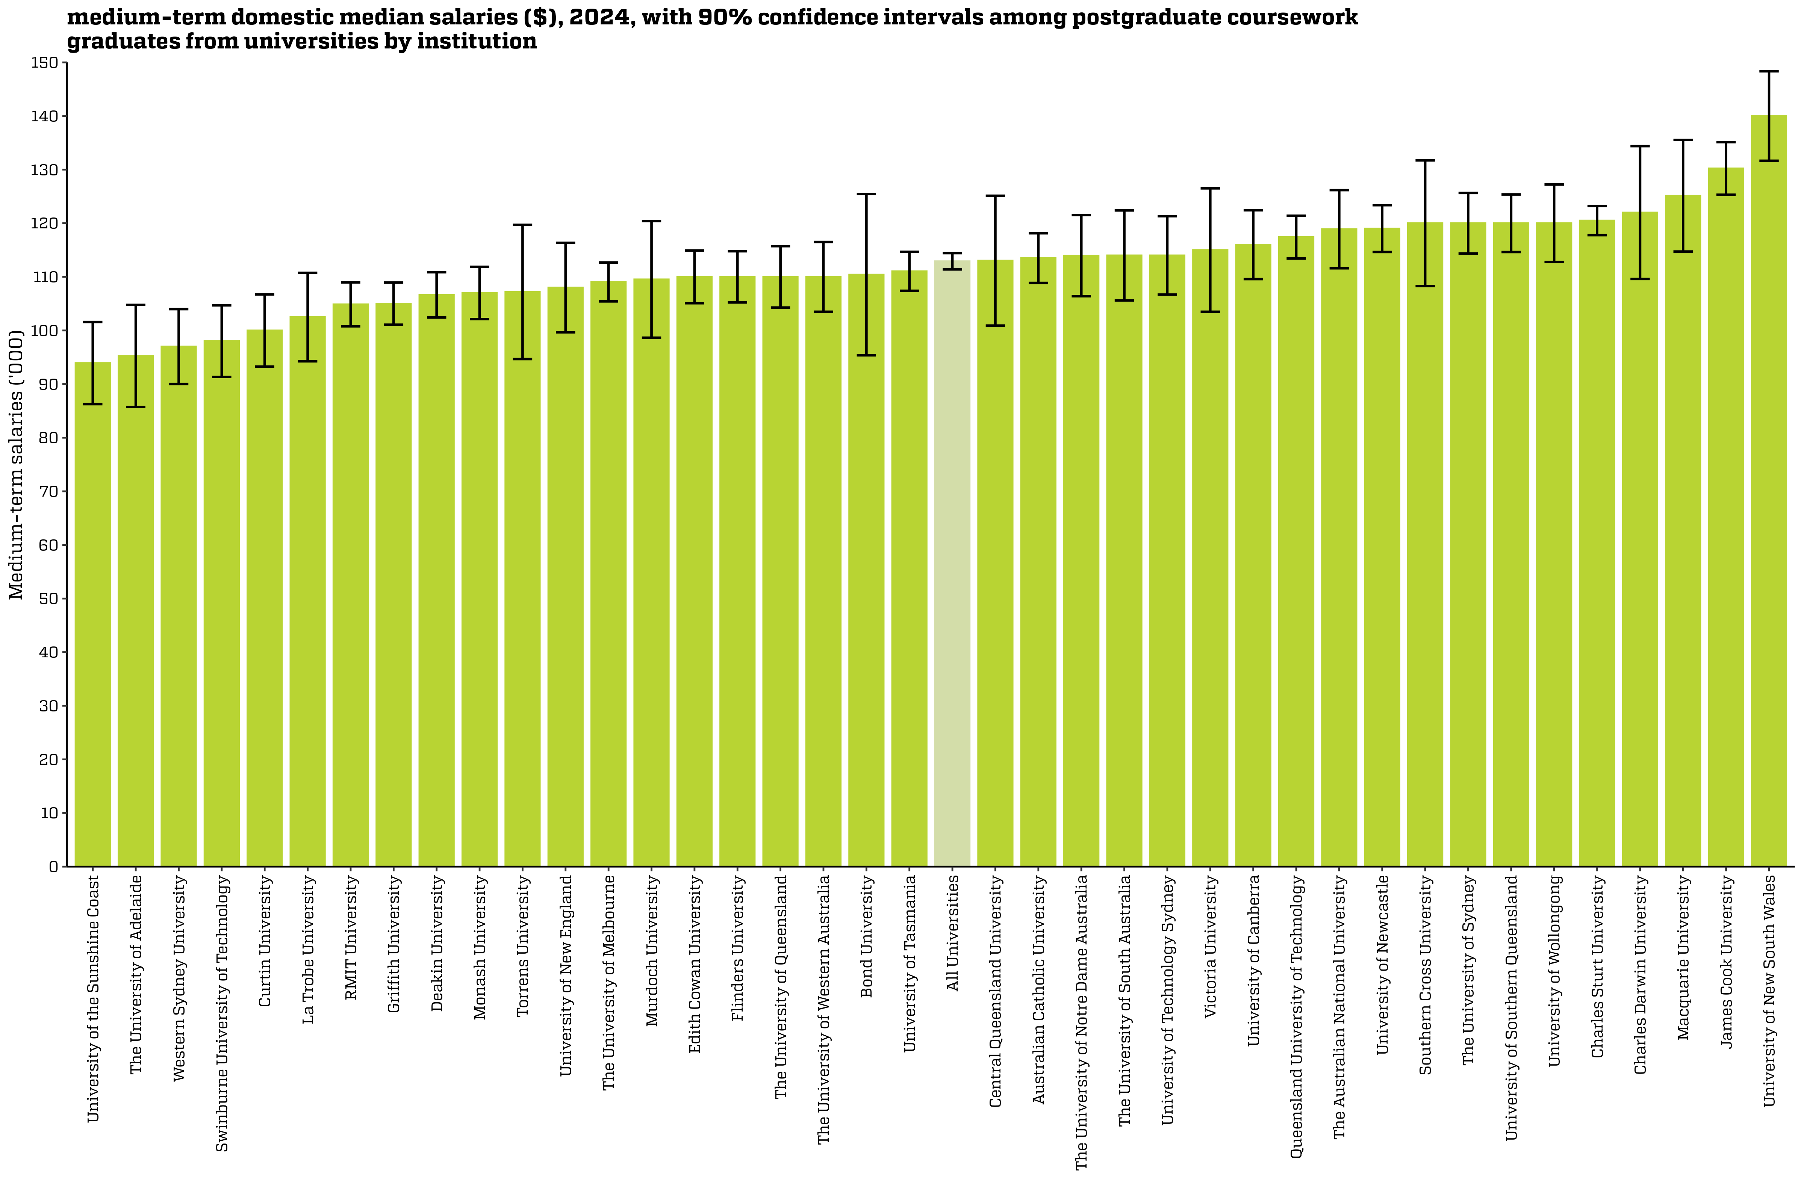
Medium-term domestic median salaries ($), 2024, with 90% confidence intervals among postgraduate coursework graduates from universities by institution
Back to INDEX

 |  | Salaries ($)
 | Australian Catholic University | 113,500 (108,900, 118,100)
 | Avondale University | n/a
 | Bond University | 110,400 (95,400, 125,500)
 | Central Queensland University | 113,000 (100,900, 125,100)
 | Charles Darwin University | 122,000 (109,600, 134,400)
 | Charles Sturt University | 120,500 (117,800, 123,200)
 | Curtin University | 100,000 (93,300, 106,700)
 | Deakin University | 106,600 (102,400, 110,900)
 | Edith Cowan University | 110,000 (105,100, 114,900)
 | Federation University Australia | n/a
 | Flinders University | 110,000 (105,200, 114,800)
 | Griffith University | 105,000 (101,100, 108,900)
 | James Cook University | 130,200 (125,300, 135,100)
 | La Trobe University | 102,500 (94,200, 110,800)
 | Macquarie University | 125,100 (114,700, 135,500)
 | Monash University | 107,000 (102,100, 111,900)
 | Murdoch University | 109,500 (98,700, 120,400)
 | Queensland University of Technology | 117,400 (113,400, 121,400)
 | RMIT University | 104,900 (100,800, 109,000)
 | Southern Cross University | 120,000 (108,300, 131,700)
 | Swinburne University of Technology | 98,000 (91,300, 104,700)
 | The Australian National University | 118,900 (111,600, 126,200)
 | The University of Adelaide | 95,300 (85,700, 104,800)
 | The University of Melbourne | 109,100 (105,400, 112,700)
 | The University of Notre Dame Australia | 114,000 (106,400, 121,500)
 | The University of Queensland | 110,000 (104,300, 115,700)
 | The University of South Australia | 114,000 (105,600, 122,400)
 | The University of Sydney | 120,000 (114,400, 125,600)
 | The University of Western Australia | 110,000 (103,500, 116,500)
 | Torrens University | 107,200 (94,700, 119,700)
 | University of Canberra | 116,000 (109,600, 122,400)
 | University of Divinity | n/a
 | University of New England | 108,000 (99,700, 116,300)
 | University of New South Wales | 140,000 (131,700, 148,300)
 | University of Newcastle | 119,000 (114,600, 123,400)
 | University of Southern Queensland | 120,000 (114,600, 125,400)
 | University of Tasmania | 111,000 (107,400, 114,700)
 | University of Technology Sydney | 114,000 (106,700, 121,300)
 | University of the Sunshine Coast | 93,900 (86,300, 101,600)
 | University of Wollongong | 120,000 (112,800, 127,200)
 | Victoria University | 115,000 (103,500, 126,500)
 | Western Sydney University | 97,000 (90,000, 104,000)
 | All Universities | 112,900 (111,400, 114,400)

Column variables:
SALARYA(_L)
Column filters:
Salary: TRIMSAL(_L) = 1, FULLEMP(_L) = 1
Data for all columns is filtered to: ANALYSIS = 1 & E942 = 0, Postgraduate coursework: LEVEL = 2, University: HEPTYPE = 1

Row variables:
E306

SAL_PGC_UNI_3YP_INST_FIG
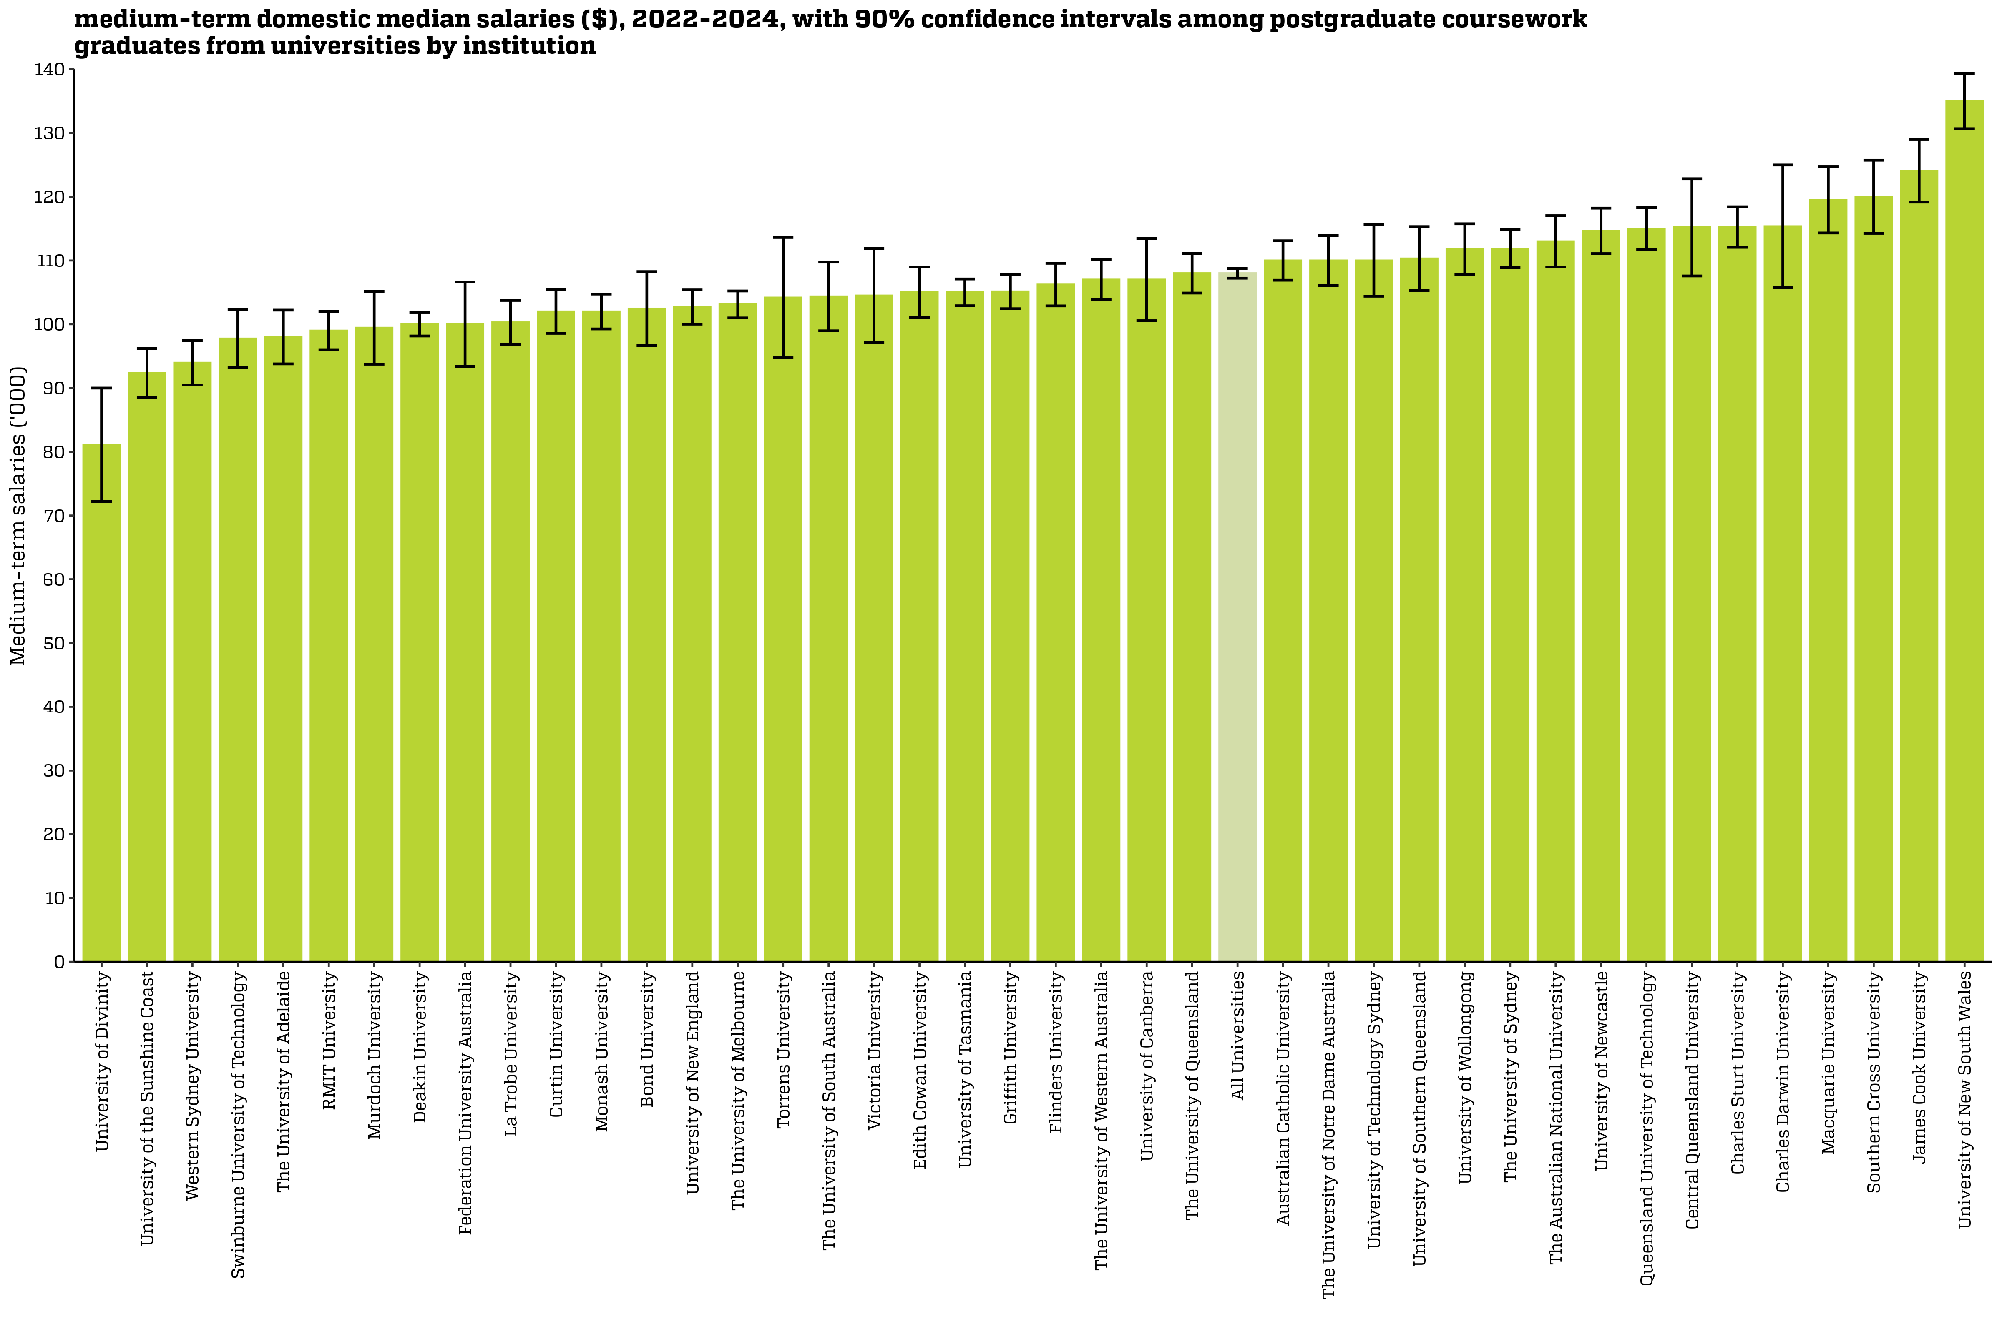
Medium-term domestic median salaries ($), 2022-2024, with 90% confidence intervals among postgraduate coursework graduates from universities by institution
Back to INDEX

 |  | Salaries ($)
 | Australian Catholic University | 110,000 (106,900, 113,100)
 | Avondale University | n/a
 | Bond University | 102,500 (96,600, 108,300)
 | Central Queensland University | 115,200 (107,600, 122,800)
 | Charles Darwin University | 115,400 (105,700, 125,000)
 | Charles Sturt University | 115,300 (112,100, 118,400)
 | Curtin University | 102,000 (98,600, 105,400)
 | Deakin University | 100,000 (98,200, 101,800)
 | Edith Cowan University | 105,000 (101,000, 109,000)
 | Federation University Australia | 100,000 (93,400, 106,600)
 | Flinders University | 106,200 (102,900, 109,600)
 | Griffith University | 105,100 (102,400, 107,800)
 | James Cook University | 124,100 (119,200, 129,000)
 | La Trobe University | 100,300 (96,800, 103,700)
 | Macquarie University | 119,500 (114,300, 124,700)
 | Monash University | 102,000 (99,300, 104,700)
 | Murdoch University | 99,500 (93,700, 105,200)
 | Queensland University of Technology | 115,000 (111,700, 118,300)
 | RMIT University | 99,000 (96,000, 102,000)
 | Southern Cross University | 120,000 (114,300, 125,700)
 | Swinburne University of Technology | 97,800 (93,200, 102,300)
 | The Australian National University | 113,000 (109,000, 117,000)
 | The University of Adelaide | 98,000 (93,800, 102,200)
 | The University of Melbourne | 103,100 (101,000, 105,200)
 | The University of Notre Dame Australia | 110,000 (106,100, 113,900)
 | The University of Queensland | 108,000 (104,900, 111,100)
 | The University of South Australia | 104,400 (99,000, 109,700)
 | The University of Sydney | 111,900 (108,900, 114,800)
 | The University of Western Australia | 107,000 (103,800, 110,200)
 | Torrens University | 104,200 (94,700, 113,600)
 | University of Canberra | 107,000 (100,600, 113,400)
 | University of Divinity | 81,100 (72,200, 90,000)
 | University of New England | 102,700 (100,000, 105,400)
 | University of New South Wales | 135,000 (130,700, 139,300)
 | University of Newcastle | 114,600 (111,100, 118,200)
 | University of Southern Queensland | 110,300 (105,300, 115,300)
 | University of Tasmania | 105,000 (102,900, 107,100)
 | University of Technology Sydney | 110,000 (104,400, 115,600)
 | University of the Sunshine Coast | 92,400 (88,600, 96,200)
 | University of Wollongong | 111,800 (107,800, 115,800)
 | Victoria University | 104,500 (97,100, 111,900)
 | Western Sydney University | 94,000 (90,500, 97,500)
 | All Universities | 108,000 (107,200, 108,800)

Column variables:
SALARYA(_L)
Column filters:
Salary: TRIMSAL(_L) = 1, FULLEMP(_L) = 1
Data for all columns is filtered to: ANALYSIS = 1 & E942 = 0, Postgraduate coursework: LEVEL = 2, University: HEPTYPE = 1

Row variables:
E306

