Notes-Problem-1
Date
2025-09-30 | Created V1 version
 | Password: inflation1234
 | Locked main data
 | Created working data sheet
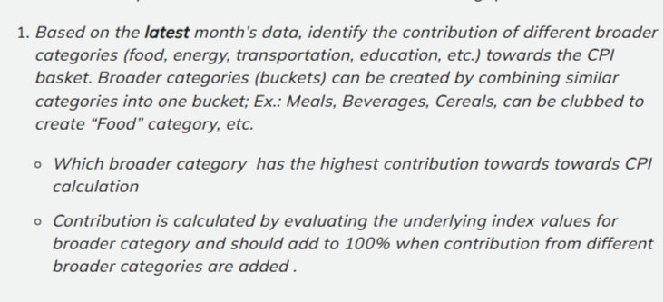
 | 372 rows and 31 columns

2025-10-04 | Problem statement 1
 | Created a new sheet called combined
 | Filtered data set to show only urban+rural and copied Pasted everything into combined
 | Have created a date column in combined, using formula
 | Cleaned spelling mistake for march under month in combined
 | Identified the latest month using max function to 01-05-2023
 | Applied filter on date column in combined for latest date
 | Copied the categories along with its values and pasted it onto eda analysis sheet by transposing it
 | Selected the broader categories, selected 12 broader categories which can be seen in the eda and anlysis 1 sheet
 | Calculated the contribution % using formula, rounder and sorted the percentage to one decimal point and sorted the data from largest to smallest
 | Visualized the data using a clustered column and presented the insights

EDA & Analysis-1
Category | Index Value | Contribution % | Rounded_Con %
Pan, tobacco and intoxicants | 201 | 9.3072791258 | 9.3
Clothing and footwear | 186.2 | 8.6219670309 | 8.6
Health | 185.7 | 8.5988145953 | 8.6
Personal care and effects | 185.2 | 8.5756621597 | 8.6
Fuel and light | 182.8 | 8.4645304686 | 8.5
Food and beverages | 179.1 | 8.2932024449 | 8.3
Education | 177.1 | 8.2005927024 | 8.2
Housing | 175.6 | 8.1311353954 | 8.1
Household goods and services | 175.2 | 8.1126134469 | 8.1
Miscellaneous | 175.7 | 8.1357658826 | 8.1
Recreation and amusement | 171.2 | 7.9273939618 | 7.9
Transport and communication | 164.8 | 7.6310427857 | 7.6
Contribution to CPI – May 2023 (Rural + Urban)
 |  |  |  | Key Insights

 |  |  |  | For May 2023, Pan, Tobacco and Intoxicants contributed the most to CPI followed
 |  |  |  | by clothing and footwear, and Health. Tgis indicated that lifestyle and health expenses
 |  |  |  | are key inflation drivers in the latest period

Notes-Problem-2
Date

2025-10-04
 | In combined sheet keep only the sector,year,month, date and general Index column
 | Applied filter for sector- rural+urban
 | Applied date filter- after 01-12-2016 to show dates from 2017 till latest date
 | Created a pivot table in eda analysis 2 using selected data from combined
 | In Pivot table selected year as rows and gpi index as values, the values were adjusted as average to show average value of each year, ignored missing values as it was less than 1% of the data
 | Copied pivot table values and pasted it as values into a clean table
 | Created a column YOY% next to gpi index
 | Used a formula to find the YoY% for each year
 | Formatted the yoy column to 1 decimal place
 | Inserted a line chart with markers using year in the X axis and YoY in the y axis
 | ajusted Y axis bounds for clarity - Min -2 and Max - 8
 | Added data labels above each point
 | Highlighted the peak year and have given the insights drawn from the chart

EDA & Analysis-2
Year | Average of General index | Year | Average of General index | YoY%
2017 | 134 | 2017 | 134 | 4.0
2018 | 139 | 2018 | 139 | 3.9
2019 | 144 | 2019 | 144 | 6.4
2020 | 153 | 2020 | 153 | 5.3
2021 | 161 | 2021 | 161 | 6.6
2022 | 172 | 2022 | 172 | 3.2
2023 | 178 | 2023 | 178 | 3.2
Grand Total | 152.41216216
YoY CPI Inflation Trend (Rural+Urban 2017-2023)
 |  |  |  |  | Key Insights

 |  |  |  |  | Inflation peaked in 2021 at 6.6%, mostly due to post covid issues which led to increased costs Inflation rates stabilized around 2023 as global conditions became normal

Notes-Porblem-3
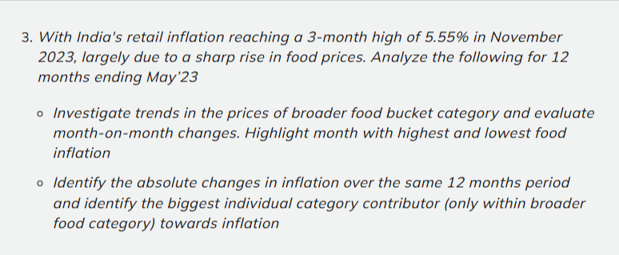
Date

2025-10-04 | Filtered data set for urban+rural
 | Created a new tab ccalledn combined 2
 | Copied all the required food data along with the date to this new sheet
 | Cleaned the missing values using in the working data using clean time series
 | Used Liner interpolation between last known value above and the first known value below the gap, Used inteerpolation as it keeps smooth realistic monthly changes
 | Created a new column called combined food index in combined-2
 | Filtered the data set for the date ranging from june 2022 - May 2023
 | Copied all the data from combined 2 and created a new sheet called combined-3
 | Copied as values and found the combined food index using average of each row and copied it through out to find it
 | Next created a Mom% change column '
 | Used a formula to calculate the % of month on month change
 | Copied all the data from combined-3 to eda analysis 3 and created a pivot table
 | Using the pivot table a chart was created and the findings were observed
 | Used a combo chart as it shows both index level and MoM% change clearly
 | The key insights and findings were noted down
 | Compared the results and the insights were written down

EDA & Analysis-3
Row Labels | Average of Combined Food Index | Average of MoM % change
2022-06-01 | 173.92 | 0.21
2022-07-01 | 174.28 | 0.08
2022-08-01 | 174.41 | 0.49
2022-09-01 | 175.26 | 0.69
2022-10-01 | 176.48 | 0.04
2022-11-01 | 176.54 | -0.52
2022-12-01 | 175.63 | 0.40
2023-01-01 | 176.33 | -0.66
2023-02-01 | 175.17 | 0.00
2023-03-01 | 175.18 | 0.45
2023-04-01 | 175.98 | 0.76
2023-05-01 | 177.32 | 0.76
Grand Total | 175.54 | 0.23
Monthly Food Inflation trend (June 2022 - May 2023)

 |  |  | Key Insights
 |  |  | Combined food index shows a steady increase from june 2022 - May 2023
 |  |  | Inflation spikes were observed in Sept 2022 and April-May 2023
 |  |  | Negative growth or deflation seen aroun November 2022 and Jan 2023
 |  |  | Overall the food prices are showing an increasing trend

Notes-Problem-4
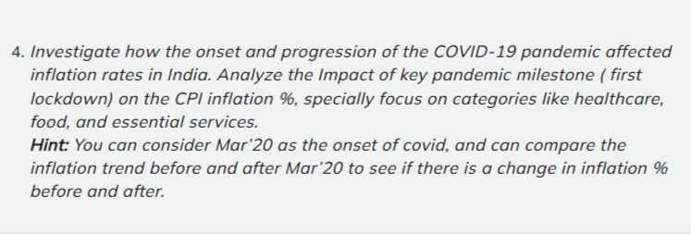
Notes
2025-10-04
 | Filtered main data set to include urban+rural values
 | Created two new sheets covid_before and covid_after
 | Selected 3 categories- Food and beverages, Housing, and Health along with the dates
 | Filled missing values with interpolation- average from value above and then below
 | Created a combined_covid sheet that merged both before and after
 | added a new column period which shows before and after time frame
 | Created a combined average column and calculated combined average of 3 categories
 | Added a MoM% change column to find month on month change using formula
 | Created a pivot table from the combined data sheet
 | Pivot table: rows-date, columns-period,values- avg combined average and avg mom%
 | Made 2 charts- bar cgart for combined average and line chart for average MoM%

EDA & Analysis-4
Average of Combined_Average | Column Labels |  |  | Average of MoM % | Column Labels
Date | After | Before | Grand Total | Date | After | Before | Grand Total
2019-03-01 |  | 144.4 | 144.4 | 2019-03-01 |  | 1.06 | 1.06
2019-05-01 |  | 146.0 | 146.0 | 2019-05-01 |  | 0.37 | 0.37
2019-06-01 |  | 146.5 | 146.5 | 2019-06-01 |  | 0.84 | 0.84
2019-07-01 |  | 147.7 | 147.7 | 2019-07-01 |  | 0.63 | 0.63
2019-08-01 |  | 148.7 | 148.7 | 2019-08-01 |  | 0.49 | 0.49
2019-09-01 |  | 149.4 | 149.4 | 2019-09-01 |  | 0.85 | 0.85
2019-10-01 |  | 150.7 | 150.7 | 2019-10-01 |  | 0.73 | 0.73
2019-11-01 |  | 151.8 | 151.8 | 2019-11-01 |  | 0.64 | 0.64
2019-12-01 |  | 152.7 | 152.7 | 2019-12-01 |  | 0.09 | 0.09
2020-01-01 |  | 152.9 | 152.9 | 2020-01-01 |  | -0.35 | -0.35
2020-02-01 |  | 152.3 | 152.3 | 2020-02-01 |  | -0.28 | -0.28
2020-03-01 | 151.9 |  | 151.9 | 2020-03-01 | 0.44 |  | 0.44
2020-04-01 | 152.6 |  | 152.6 | 2020-04-01 | 0.45 |  | 0.45
2020-05-01 | 153.3 |  | 153.3 | 2020-05-01 | 0.72 |  | 0.72
2020-06-01 | 154.4 |  | 154.4 | 2020-06-01 | 0.00 |  | 0.00
2020-07-01 | 154.4 |  | 154.4 | 2020-07-01 | 0.95 |  | 0.95
2020-08-01 | 155.8 |  | 155.8 | 2020-08-01 | 0.51 |  | 0.51
2020-09-01 | 156.6 |  | 156.6 | 2020-09-01 | 0.92 |  | 0.92
2020-10-01 | 158.1 |  | 158.1 | 2020-10-01 | 1.20 |  | 1.20
2020-11-01 | 160.0 |  | 160.0 | 2020-11-01 | 0.46 |  | 0.46
2020-12-01 | 160.7 |  | 160.7 | 2020-12-01 | -0.85 |  | -0.85
2021-01-01 | 159.3 |  | 159.3 | 2021-01-01 | 0.00 |  | 0.00
2021-02-01 | 159.3 |  | 159.3 | 2021-02-01 | 0.00 |  | 0.00
Grand Total | 156.4 | 149.4 | 153.0 | Grand Total | 0.40 | 0.46 | 0.43
Average Inflation Index Before vs After COVID-19
 | After | Before
01-03-2019 |  | 144.4
01-05-2019 |  | 146.0
01-06-2019 |  | 146.5
01-07-2019 |  | 147.7
01-08-2019 |  | 148.7
01-09-2019 |  | 149.4
01-10-2019 |  | 150.7
01-11-2019 |  | 151.8
01-12-2019 |  | 152.7
01-01-2020 |  | 152.9
01-02-2020 |  | 152.3
01-03-2020 | 151.9
01-04-2020 | 152.6
01-05-2020 | 153.3
01-06-2020 | 154.4
01-07-2020 | 154.4
01-08-2020 | 155.8
01-09-2020 | 156.6
01-10-2020 | 158.1
01-11-2020 | 160.0
01-12-2020 | 160.7
01-01-2021 | 159.3
01-02-2021 | 159.3

Monthly Inflation Rate Trend Before vs After COVID-19
 | After | Before
01-03-2019 |  | 1.06
01-05-2019 |  | 0.37
01-06-2019 |  | 0.84
01-07-2019 |  | 0.63
01-08-2019 |  | 0.49
01-09-2019 |  | 0.85
01-10-2019 |  | 0.73
01-11-2019 |  | 0.64
01-12-2019 |  | 0.09
01-01-2020 |  | -0.35
01-02-2020 |  | -0.28
01-03-2020 | 0.44
01-04-2020 | 0.45
01-05-2020 | 0.72
01-06-2020 | 0.00
01-07-2020 | 0.95
01-08-2020 | 0.51
01-09-2020 | 0.92
01-10-2020 | 1.20
01-11-2020 | 0.46
01-12-2020 | -0.85
01-01-2021 | 0.00
01-02-2021 | 0.00

 |  |  | Key Insights

 |  |  | Inflation increased overall after Covid-19 for food, housing, and health
 |  |  | The month to month change stayed similar but became more unstable after covid
 |  |  | On average prices for food, health and housing increased quiet a bit
 |  |  | The trend after covid looks more volatile meaning higher inflation and lesser stability

Notes-Problem-5
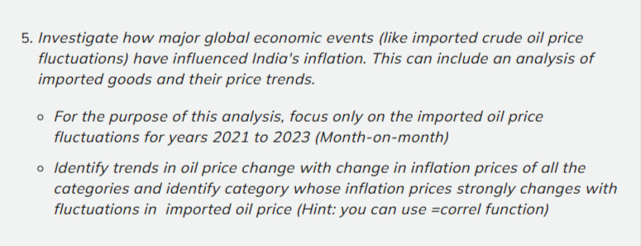
Date
2025-10-05
 | Filtered Sector for urban+rural and filtered dates for jan 2021 - May 2023
 | Created a new sheet callled oil_analysis
 | Copied filtered data to this sheet
 | Used this website (https://www.investing.com/commodities/brent-oil-historical-data) to download crude oil prices from jan 2021 - may 2023
 | Created a new sheet called crud-oil-prices and have copied the required data
 | Using vlookup crude oil prices were transffered to the oil_analysis sheet
 | Have given a name manager to all the columns
 | on the eda and analysis-5 sheet a new table was created which shows the correlation between crude oil and each items
 | Using that a pivot table was created to display all the values
 | The data was visualized and the insights were written down

EDA & Analysis-5
Correl_Prices | Items
0.25 | Cereals and products | Items | Sum of Correl_Prices
0.75 | Meat and fish | Oils and fats | 7.06%
-0.11 | Egg | Meat and fish | 6.37%
0.34 | Milk and products | Transport and communication | 5.75%
0.83 | Oils and fats | Recreation and amusement | 4.92%
0.45 | Fruits | Fuel and light | 4.81%
0.26 | Vegetables | Non-alcoholic beverages | 4.66%
0.16 | Pulses and products | Food and beverages | 4.61%
0.47 | Sugar and Confectionery | Footwear | 4.57%
0.32 | Spices | Miscellaneous | 4.49%
0.55 | Non-alcoholic beverages | Clothing and footwear | 4.38%
0.47 | Prepared meals, snacks, sweets etc. | Clothing | 4.34%
0.54 | Food and beverages | Household goods and services | 4.22%
0.38 | Pan, tobacco and intoxicants | Prepared meals, snacks, sweets etc. | 4.02%
0.51 | Clothing | Sugar and Confectionery | 4.01%
0.54 | Footwear | Health | 3.99%
0.51 | Clothing and footwear | Fruits | 3.80%
0.41 | Housing | Education | 3.56%
0.56 | Fuel and light | Housing | 3.52%
0.49 | Household goods and services | Pan, tobacco and intoxicants | 3.25%
0.47 | Health | Personal care and effects | 3.25%
0.67 | Transport and communication | Milk and products | 2.90%
0.58 | Recreation and amusement | Spices | 2.76%
0.42 | Education | Vegetables | 2.18%
0.38 | Personal care and effects | Cereals and products | 2.13%
0.53 | Miscellaneous | Pulses and products | 1.37%
 |  | Egg | -0.94%
 |  | Grand Total | 100.00%
Correlation of Crude Oil vs Items (Jan 2021 - May 2023)

 | Key Insights

 | Oil and Fats have the highest correlation towards crude oil prices - Strong Positive Correlation
 | Eggs have the lowest correlation towards crude oil prices- Strong Negative Correlation

