Scenarios
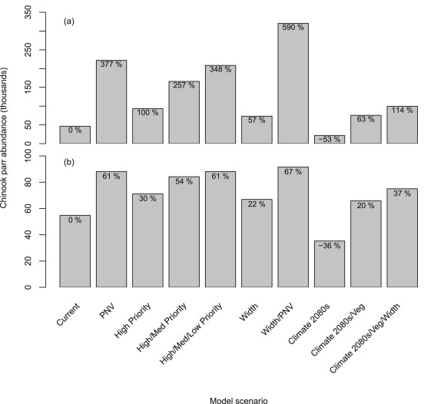

Fry_Parr_p
Upper Grande Ronde |  |  | Bev-Holt Parameters |  |  |  |  |  | Catherine Creek |  |  | Bev-Holt Parameters
 |  |  | a (capacity) | 108087 | From Haddon (2001) Modeling and Quantitative Methods in Fisheries |  |  |  |  |  |  | a (capacity) | 111897
 |  |  | b | 339096 | Bev-Holt Formula |  | Log transformed formula | Residual error (ε) is assumed to be lognormally distributed. The data is log transformed prior to fitting the model to allow for least squares estimation. |  |  |  | b | 354785
$ε=N(0,σ^{2}$)
 |  |  | a/b (productivity) | 0.31874937805 |  |  |  |  |  |  |  | a/b (productivity) | 0.3153924821
 |  |  | SSq | 3.1695 |  |  |  |  |  |  |  | SSq | 3.730
 |  |  | σ² | 0.2881 |  |  |  |  |  |  |  | σ² | 0.1695
 | Predicted |  |  |  | Capacity
0 | 0 | 747045 | 77466.791667 | 0 | 108086.71861
50000 | 13889.457784 | 626368.5 | 125619.91908 | 50000 | 108086.71861
100000 | 24615.723488 | 101521.5 | 17113 | 100000 | 108086.71861
150000 | 33148.910485 | 149409 | 36297.140426 | 150000 | 108086.71861
200000 | 40099.228559 | 181972.5 | 70211.736 | 200000 | 108086.71861
250000 | 45869.719384 | 3913366.5 | 227463.3012 | 250000 | 108086.71861
300000 | 50737.296003 | 1656907.5 | 56714.081633 | 300000 | 108086.71861
350000 | 54898.501543 | 739383 | 87176.098039 | 350000 | 108086.71861
400000 | 58496.69441 | 605298 | 23767.85443 | 400000 | 108086.71861
450000 | 61638.89818 | 2352234 | 58770 | 450000 | 108086.71861
500000 | 64406.627178 | 2045754 | 97513 | 500000 | 108086.71861
550000 | 66863.059283 |  |  | 550000 | 108086.71861
600000 | 69057.917337 |  |  | 600000 | 108086.71861
650000 | 71030.869984 |  |  | 650000 | 108086.71861
700000 | 72813.950648 |  |  | 700000 | 108086.71861
750000 | 74433.310185 |  |  | 750000 | 108086.71861
800000 | 75910.507939 |  |  | 800000 | 108086.71861
850000 | 77263.477082 |  |  | 850000 | 108086.71861
900000 | 78507.256229 |  |  | 900000 | 108086.71861
950000 | 79654.550793 |  |  | 950000 | 108086.71861
1000000 | 80716.168575 |  |  | 1000000 | 108086.71861
1050000 | 81701.361287 |  |  | 1050000 | 108086.71861
1100000 | 82618.094874 |  |  | 1100000 | 108086.71861
1150000 | 83473.265375 |  |  | 1150000 | 108086.71861
1200000 | 84272.872718 |  |  | 1200000 | 108086.71861
1250000 | 85022.161689 |  |  | 1250000 | 108086.71861
1300000 | 85725.737118 |  |  | 1300000 | 108086.71861
1350000 | 86387.658589 |  |  | 1350000 | 108086.71861
1400000 | 87011.518828 |  |  | 1400000 | 108086.71861
1450000 | 87600.508933 |  |  | 1450000 | 108086.71861
1500000 | 88157.472977 |  |  | 1500000 | 108086.71861
1550000 | 88684.953925 |  |  | 1550000 | 108086.71861
1600000 | 89185.232462 |  |  | 1600000 | 108086.71861
1650000 | 89660.359952 |  |  | 1650000 | 108086.71861
1700000 | 90112.186555 |  |  | 1700000 | 108086.71861
1750000 | 90542.385309 |  |  | 1750000 | 108086.71861
1800000 | 90952.472824 |  |  | 1800000 | 108086.71861
1850000 | 91343.82715 |  |  | 1850000 | 108086.71861
1900000 | 91717.70325 |  |  | 1900000 | 108086.71861
1950000 | 92075.246437 |  |  | 1950000 | 108086.71861
2000000 | 92417.504097 |  |  | 2000000 | 108086.71861
2050000 | 92745.435935 |  |  | 2050000 | 108086.71861
2100000 | 93059.922965 |  |  | 2100000 | 108086.71861
2150000 | 93361.775407 |  |  | 2150000 | 108086.71861
2200000 | 93651.739665 |  |  | 2200000 | 108086.71861
2250000 | 93930.504484 |  |  | 2250000 | 108086.71861
2300000 | 94198.706414 |  |  | 2300000 | 108086.71861
2350000 | 94456.93466 |  |  | 2350000 | 108086.71861
2400000 | 94705.735409 |  |  | 2400000 | 108086.71861
2450000 | 94945.615678 |  |  | 2450000 | 108086.71861
...
 |  |  | σ | 0.5368 | For plotting fit |  |  |  |  |  |  | σ | 0.4118
 | Predicted |  |  |  | Capacity
0 | 0 | 492283.5 | 42333.831169 | 0 | 111897
50000 | 13821.722552 | 53634 | 10436.758123 | 50000 | 111897
100000 | 24604.267359 | 65127 | 9324.7386364 | 100000 | 111897
150000 | 33250.745094 | 65127 | 14878.175355 | 150000 | 111897
200000 | 40338.694978 | 137916 | 38203.859873 | 200000 | 111897
250000 | 46254.666285 | 174310.5 | 40393.192053 | 250000 | 111897
300000 | 51267.139209 | 155155.5 | 41091.034483 | 300000 | 111897
350000 | 55568.406108 | 93859.5 | 40463.440367 | 350000 | 111897
400000 | 59299.806454 | 683833.5 | 71272.8 | 400000 | 111897
450000 | 62567.554938 | 762369 | 153077.94444 | 450000 | 111897
500000 | 65453.014456 | 766200 | 151046.92982 | 500000 | 111897
550000 | 68019.562883 | 390762 | 57927.491228 | 550000 | 111897
600000 | 70317.302248 | 256677 | 74225.190476 | 600000 | 111897
650000 | 72386.361894 | 459720 | 66042.825 | 650000 | 111897
700000 | 74259.262155 | 312226.5 | 46474.068027 | 700000 | 111897
750000 | 75962.636185 | 385015.5 | 103336.14953 | 750000 | 111897
800000 | 77518.504478 | 367776 | 24731.671875 | 800000 | 111897
850000 | 78945.232022 | 1750767 | 116382.18966 | 850000 | 111897
900000 | 80258.256611 | 2130036 | 77210.45098 | 900000 | 111897
950000 | 81470.649706 | 1233582 | 75419.434783 | 950000 | 111897
1000000 | 82593.553091 | 1890598.5 | 65947 | 1000000 | 111897
1050000 | 83636.522292 | 919440 | 52011 | 1050000 | 111897
1100000 | 84607.799163 |  |  | 1100000 | 111897
1150000 | 85514.530143 |  |  | 1150000 | 111897
1200000 | 86362.942382 |  |  | 1200000 | 111897
1250000 | 87158.486961 |  |  | 1250000 | 111897
1300000 | 87905.956135 |  |  | 1300000 | 111897
1350000 | 88609.579944 |  |  | 1350000 | 111897
1400000 | 89273.106314 |  |  | 1400000 | 111897
1450000 | 89899.86784 |  |  | 1450000 | 111897
1500000 | 90492.837765 |  |  | 1500000 | 111897
1550000 | 91054.677145 |  |  | 1550000 | 111897
1600000 | 91587.774777 |  |  | 1600000 | 111897
1650000 | 92094.281145 |  |  | 1650000 | 111897
1700000 | 92576.137422 |  |  | 1700000 | 111897
1750000 | 93035.100325 |  |  | 1750000 | 111897
1800000 | 93472.763521 |  |  | 1800000 | 111897
1850000 | 93890.576109 |  |  | 1850000 | 111897
1900000 | 94289.858655 |  |  | 1900000 | 111897
1950000 | 94671.817132 |  |  | 1950000 | 111897
2000000 | 95037.555084 |  |  | 2000000 | 111897
2050000 | 95388.084276 |  |  | 2050000 | 111897
2100000 | 95724.334043 |  |  | 2100000 | 111897
2150000 | 96047.159513 |  |  | 2150000 | 111897
2200000 | 96357.348872 |  |  | 2200000 | 111897
2250000 | 96655.629786 |  |  | 2250000 | 111897
2300000 | 96942.675105 |  |  | 2300000 | 111897
2350000 | 97219.107922 |  |  | 2350000 | 111897
2400000 | 97485.506098 |  |  | 2400000 | 111897
2450000 | 97742.406284 |  |  | 2450000 | 111897
...
Brood year | Eggs (Ni) | Summer parr (Ni+1) | Expected Value Ln(Ni+1/Ni) | Squared residuals | Eggs (Ni) | Expected Value Ln(Ni+1/Ni) | Capacity (a) |  | Brood year | Eggs (Ni) | Summer parr (Ni+1) | Expected Value Ln(Ni+1/Ni) | Squared residuals | Eggs (Ni) | Expected Value Ln(Ni+1/Ni) | Capacity (a)
1992 | 747045 | 77467 | -2.307 | 0.002 | 0 | 0 | 108087 |  | 1993 | 492283.5 | 42333.831169 | -2.024 | 0.184 | 0 | 0 | 111897
1993 | 626369 | 125620 | -2.190 | 0.340 | 50000 | 13,889 | 108087 |  | 1994 | 53634 | 10436.758123 | -1.295 | 0.117 | 50000 | 13,822 | 111897
2006 | 101522 | 17113 | -1.405 | 0.141 | 100000 | 24,616 | 108087 |  | 1995 | 65127 | 9324.7386364 | -1.322 | 0.386 | 100000 | 24,604 | 111897
2008 | 149409 | 36297 | -1.508 | 0.009 | 150000 | 33,149 | 108087 |  | 1996 | 65127 | 14878.175355 | -1.322 | 0.024 | 150000 | 33,251 | 111897
2009 | 181973 | 70212 | -1.573 | 0.385 | 200000 | 40,099 | 108087 |  | 1997 | 137916 | 38203.859873 | -1.482 | 0.039 | 200000 | 40,339 | 111897
2010 | 3913367 | 227463 | -3.672 | 0.684 | 250000 | 45,870 | 108087 |  | 1998 | 174310.5 | 40393.192053 | -1.554 | 0.008 | 250000 | 46,255 | 111897
2011 | 1656908 | 56714 | -2.916 | 0.210 | 300000 | 50,737 | 108087 |  | 1999 | 155155.5 | 41091.034483 | -1.517 | 0.035 | 300000 | 51,267 | 111897
2012 | 739383 | 87176 | -2.300 | 0.026 | 350000 | 54,899 | 108087 |  | 2000 | 93859.5 | 40463.440367 | -1.389 | 0.299 | 350000 | 55,568 | 111897
2013 | 605298 | 23768 | -2.168 | 1.144 | 400000 | 58,497 | 108087 |  | 2001 | 683833.5 | 71272.8 | -2.228 | 0.001 | 400000 | 59,300 | 111897
2014 | 2352234 | 58770 | -3.215 | 0.225 | 450000 | 61,639 | 108087 |  | 2002 | 762369 | 153077.94444 | -2.301 | 0.484 | 450000 | 62,568 | 111897
2015 | 2045754 | 97513 | -3.094 | 0.003 | 500000 | 64,407 | 108087 |  | 2003 | 766200 | 151046.92982 | -2.304 | 0.463 | 500000 | 65,453 | 111897
 |  |  |  |  | 550000 | 66,863 | 108087 |  | 2004 | 390762 | 57927.491228 | -1.897 | 0.000 | 550000 | 68,020 | 111897
 |  |  |  |  | 600000 | 69,058 | 108087 |  | 2005 | 256677 | 74225.190476 | -1.698 | 0.209 | 600000 | 70,317 | 111897
 |  |  |  |  | 650000 | 71,031 | 108087 |  | 2006 | 459720 | 66042.825 | -1.985 | 0.002 | 650000 | 72,386 | 111897
 |  |  |  |  | 700000 | 72,814 | 108087 |  | 2007 | 312226.5 | 46474.068027 | -1.785 | 0.014 | 700000 | 74,259 | 111897
 |  |  |  |  | 750000 | 74,433 | 108087 |  | 2008 | 385015.5 | 103336.14953 | -1.889 | 0.329 | 750000 | 75,963 | 111897
 |  |  |  |  | 800000 | 75,911 | 108087 |  | 2009 | 367776 | 24731.671875 | -1.865 | 0.696 | 800000 | 77,519 | 111897
 |  |  |  |  | 850000 | 77,263 | 108087 |  | 2010 | 1750767 | 116382.18966 | -2.935 | 0.050 | 850000 | 78,945 | 111897
 |  |  |  |  | 900000 | 78,507 | 108087 |  | 2011 | 2130036 | 77210.45098 | -3.100 | 0.047 | 900000 | 80,258 | 111897
 |  |  |  |  | 950000 | 79,655 | 108087 |  | 2012 | 1233582 | 75419.434783 | -2.653 | 0.020 | 950000 | 81,471 | 111897
 |  |  |  |  | 1000000 | 80,716 | 108087 |  | 2014 | 1890598.5 | 65947 | -2.999 | 0.127 | 1000000 | 82,594 | 111897
 |  |  |  |  | 1050000 | 81,701 | 108087 |  | 2015 | 919440 | 52011 | -2.433 | 0.193 | 1050000 | 83,637 | 111897
 |  |  |  |  | 1100000 | 82,618 | 108087 |  |  |  |  |  |  | 1100000 | 84,608 | 111897
 |  |  |  |  | 1150000 | 83,473 | 108087 |  |  |  |  |  |  | 1150000 | 85,515 | 111897
 |  |  |  |  | 1200000 | 84,273 | 108087 |  |  |  |  |  |  | 1200000 | 86,363 | 111897
 |  |  |  |  | 1250000 | 85,022 | 108087 |  |  |  |  |  |  | 1250000 | 87,158 | 111897
 |  |  |  |  | 1300000 | 85,726 | 108087 |  |  |  |  |  |  | 1300000 | 87,906 | 111897
 |  |  |  |  | 1350000 | 86,388 | 108087 |  |  |  |  |  |  | 1350000 | 88,610 | 111897
 |  |  |  |  | 1400000 | 87,012 | 108087 |  |  |  |  |  |  | 1400000 | 89,273 | 111897
 |  |  |  |  | 1450000 | 87,601 | 108087 |  |  |  |  |  |  | 1450000 | 89,900 | 111897
 |  |  |  |  | 1500000 | 88,157 | 108087 |  |  |  |  |  |  | 1500000 | 90,493 | 111897
 |  |  |  |  | 1550000 | 88,685 | 108087 |  |  |  |  |  |  | 1550000 | 91,055 | 111897
 |  |  |  |  | 1600000 | 89,185 | 108087 |  |  |  |  |  |  | 1600000 | 91,588 | 111897
 |  |  |  |  | 1650000 | 89,660 | 108087 |  |  |  |  |  |  | 1650000 | 92,094 | 111897
 |  |  |  |  | 1700000 | 90,112 | 108087 |  |  |  |  |  |  | 1700000 | 92,576 | 111897
 |  |  |  |  | 1750000 | 90,542 | 108087 |  |  |  |  |  |  | 1750000 | 93,035 | 111897
 |  |  |  |  | 1800000 | 90,952 | 108087 |  |  |  |  |  |  | 1800000 | 93,473 | 111897
 |  |  |  |  | 1850000 | 91,344 | 108087 |  |  |  |  |  |  | 1850000 | 93,891 | 111897
 |  |  |  |  | 1900000 | 91,718 | 108087 |  |  |  |  |  |  | 1900000 | 94,290 | 111897
 |  |  |  |  | 1950000 | 92,075 | 108087 |  |  |  |  |  |  | 1950000 | 94,672 | 111897
 |  |  |  |  | 2000000 | 92,418 | 108087 |  |  |  |  |  |  | 2000000 | 95,038 | 111897
 |  |  |  |  | 2050000 | 92,745 | 108087 |  |  |  |  |  |  | 2050000 | 95,388 | 111897
 |  |  |  |  | 2100000 | 93,060 | 108087 |  |  |  |  |  |  | 2100000 | 95,724 | 111897
 |  |  |  |  | 2150000 | 93,362 | 108087 |  |  |  |  |  |  | 2150000 | 96,047 | 111897
 |  |  |  |  | 2200000 | 93,652 | 108087 |  |  |  |  |  |  | 2200000 | 96,357 | 111897
 |  |  |  |  | 2250000 | 93,931 | 108087 |  |  |  |  |  |  | 2250000 | 96,656 | 111897
 |  |  |  |  | 2300000 | 94,199 | 108087 |  |  |  |  |  |  | 2300000 | 96,943 | 111897
 |  |  |  |  | 2350000 | 94,457 | 108087 |  |  |  |  |  |  | 2350000 | 97,219 | 111897
 |  |  |  |  | 2400000 | 94,706 | 108087 |  |  |  |  |  |  | 2400000 | 97,486 | 111897
 |  |  |  |  | 2450000 | 94,946 | 108087 |  |  |  |  |  |  | 2450000 | 97,742 | 111897
 |  |  |  |  | 2500000 | 95,177 | 108087 |  |  |  |  |  |  | 2500000 | 97,990 | 111897
 |  |  |  |  | 2550000 | 95,400 | 108087 |  |  |  |  |  |  | 2550000 | 98,230 | 111897
 |  |  |  |  | 2600000 | 95,616 | 108087 |  |  |  |  |  |  | 2600000 | 98,461 | 111897
 |  |  |  |  | 2650000 | 95,825 | 108087 |  |  |  |  |  |  | 2650000 | 98,685 | 111897
 |  |  |  |  | 2700000 | 96,027 | 108087 |  |  |  |  |  |  | 2700000 | 98,901 | 111897
 |  |  |  |  | 2750000 | 96,222 | 108087 |  |  |  |  |  |  | 2750000 | 99,110 | 111897
 |  |  |  |  | 2800000 | 96,411 | 108087 |  |  |  |  |  |  | 2800000 | 99,313 | 111897
 |  |  |  |  | 2850000 | 96,594 | 108087 |  |  |  |  |  |  | 2850000 | 99,509 | 111897
 |  |  |  |  | 2900000 | 96,771 | 108087 |  |  |  |  |  |  | 2900000 | 99,699 | 111897
 |  |  |  |  | 2950000 | 96,943 | 108087 |  |  |  |  |  |  | 2950000 | 99,884 | 111897
 |  |  |  |  | 3000000 | 97,110 | 108087 |  |  |  |  |  |  | 3000000 | 100,063 | 111897
 |  |  |  |  | 3050000 | 97,272 | 108087 |  |  |  |  |  |  | 3050000 | 100,237 | 111897
 |  |  |  |  | 3100000 | 97,429 | 108087 |  |  |  |  |  |  | 3100000 | 100,405 | 111897
 |  |  |  |  | 3150000 | 97,582 | 108087 |  |  |  |  |  |  | 3150000 | 100,569 | 111897
 |  |  |  |  | 3200000 | 97,730 | 108087 |  |  |  |  |  |  | 3200000 | 100,729 | 111897
 |  |  |  |  | 3250000 | 97,875 | 108087 |  |  |  |  |  |  | 3250000 | 100,884 | 111897
 |  |  |  |  | 3300000 | 98,015 | 108087 |  |  |  |  |  |  | 3300000 | 101,034 | 111897
 |  |  |  |  | 3350000 | 98,152 | 108087 |  |  |  |  |  |  | 3350000 | 101,181 | 111897
 |  |  |  |  | 3400000 | 98,284 | 108087 |  |  |  |  |  |  | 3400000 | 101,324 | 111897
 |  |  |  |  | 3450000 | 98,414 | 108087 |  |  |  |  |  |  | 3450000 | 101,462 | 111897
 |  |  |  |  | 3500000 | 98,540 | 108087 |  |  |  |  |  |  | 3500000 | 101,598 | 111897
 |  |  |  |  | 3550000 | 98,662 | 108087 |  |  |  |  |  |  | 3550000 | 101,730 | 111897
 |  |  |  |  | 3600000 | 98,782 | 108087 |  |  |  |  |  |  | 3600000 | 101,858 | 111897
 |  |  |  |  | 3650000 | 98,899 | 108087 |  |  |  |  |  |  | 3650000 | 101,984 | 111897
 |  |  |  |  | 3700000 | 99,012 | 108087 |  |  |  |  |  |  | 3700000 | 102,106 | 111897
 |  |  |  |  | 3750000 | 99,123 | 108087 |  |  |  |  |  |  | 3750000 | 102,225 | 111897
 |  |  |  |  | 3800000 | 99,232 | 108087 |  |  |  |  |  |  | 3800000 | 102,341 | 111897
 |  |  |  |  | 3850000 | 99,337 | 108087 |  |  |  |  |  |  | 3850000 | 102,455 | 111897
 |  |  |  |  | 3900000 | 99,441 | 108087 |  |  |  |  |  |  | 3900000 | 102,566 | 111897
 |  |  |  |  | 3950000 | 99,541 | 108087 |  |  |  |  |  |  | 3950000 | 102,674 | 111897
 |  |  |  |  | 4000000 | 99,640 | 108087 |  |  |  |  |  |  | 4000000 | 102,780 | 111897
 |  |  |  |  | 4050000 | 99,736 | 108087 |  |  |  |  |  |  | 4050000 | 102,884 | 111897
 |  |  |  |  | 4100000 | 99,830 | 108087 |  |  |  |  |  |  | 4100000 | 102,985 | 111897
 |  |  |  |  | 4150000 | 99,922 | 108087 |  |  |  |  |  |  | 4150000 | 103,084 | 111897
 |  |  |  |  | 4200000 | 100,012 | 108087 |  |  |  |  |  |  | 4200000 | 103,181 | 111897

older_Fry_Parr_p
Egg to Parr Survival Workup
Population | Stage_Transition | Productivity | Productivity_SD
CC | Fry_Parr | 0.42 | 0.15
UGR | Fry_Parr | 0.63 | 0.22

 |  | Survival |  | Capacity
 | Population | Mean | SD | Mean | SD | CV
 | CC | 0.42 | 0.15 | 99175 | 27029 | 0.27
 | UGR | 0.63 | 0.22 | 87073 | 49825 | 0.57
 | UGR without 2014 | 0.61 | 0.23 | 96154 | 71478 | 0.74
As I mentioned yesterday, I thought that estimating the Beverton-Holt parameters using MCMC techniques was going to provide the most stable estimates of these parameters as well as realistic estimates of uncertainty for these parameters. I used the “Stan” software (http://mc-stan.org/) to do this and more specifically the “RStan” package in R. Steps for installing RStan can be found here: https://github.com/stan-dev/rstan/wiki/Installing-RStan-on-Windows (it’s a little bit more than the usual install.packages(…) command)
I used the Beverton-Holt function that assumes multiplicative error parameterized as:
Parr= (a×Eggs)/(1+b×Eggs)×E
And fit the equation on the log scale (i.e. log-transformed both sides so that error is additive on the log-scale) I like this form of the Beverton-Holt function from an estimation standpoint as the ‘a’ and ‘b’ parameters are close to each other in scale (e.g. ‘a’ should be between 0 and 1, and ‘b’ should be really close to zero). Having parameters close to each other in scale helps with the estimation. With this parameterization, ‘a’ is the maximum number of parr produced for very low number of eggs (i.e. survival at very small egg production) and ‘a/b’ is the maximum number of parr produced very large number of eggs (i.e. capacity).
One advantage of using this MCMC approach is that in your simulation model you could potentially sample from the posterior distribution of the parameters reported here. For instance, instead of estimating a mean and variance for a parameter, and then assuming some parametric distribution for that parameter (e.g. log-normal), you could just sample the actual MCMC values. This is similar to what Bob does in a lot of his life-cycle models. However, I’m guessing you’re not going to re-invent the wheel on this model so the mean and sd of the MCMC samples for each parameter are below:
Unfortunately, the standard deviations for the Grande Ronde estimates are pretty large and might be too large to be useful for your simulation model. However, this seems reasonable given the relatively small sample size for this dataset. Also, the posterior distribution for the Grande Ronde survival parameters were pretty flat indicating a wide range of plausible values from 0.4 all the way to 1. I don’t have the distribution plotted here, but I can show you if you’re interested or you could make a histogram of the values in Excel.
Hope this helps,
Tommy

SAR
Smolt to Adult Return Ratios (SAR) |  |  |  |  |  |  |  | To Do: Consider adding stochastic component to maturation probability
Pop_Trans | Population | Stage_Transition | Productivity | Productivity_SD | Transition | Transition_SD | Hatchery_Scaler |  | Consider adding age specific fecundity, really need to do this
CCLGDSmolt_LGDAdult1 | CC | LGDSmolt_LGDAdult1 | 3.82% | 2.20% | 3.79% | 0 | 0.55578682583
CCLGDSmolt_OceanAdult1 | CC | LGDSmolt_OceanAdult1 | 3.82% | 2.20% | 96.21% | 0 | 0.55578682583
CCOceanAdult1_LGDAdult2 | CC | OceanAdult1_LGDAdult2 | 46.04% | 13.11% | 66.54% | 0 | 0.55578682583 |  |  |  | Population | Hatchery SAR | Hatchery:Wild Ratio
CCOceanAdult1_OceanAdult2 | CC | OceanAdult1_OceanAdult2 | 46.04% | 13.11% | 33.46% | 0 | 0.55578682583 |  |  |  | CC | 1.029 | 0.55578682583
CCOceanAdult2_LGDAdult3 | CC | OceanAdult2_LGDAdult3 | 55.76% | 12.15% | 100% | 0 | 0.55578682583 |  |  |  | UGR | 0.417 | 0.4046287393
UGRLGDSmolt_LGDAdult1 | UGR | LGDSmolt_LGDAdult1 | 2.74% | 1.62% | 2.80% | 0 | 0.4046287393
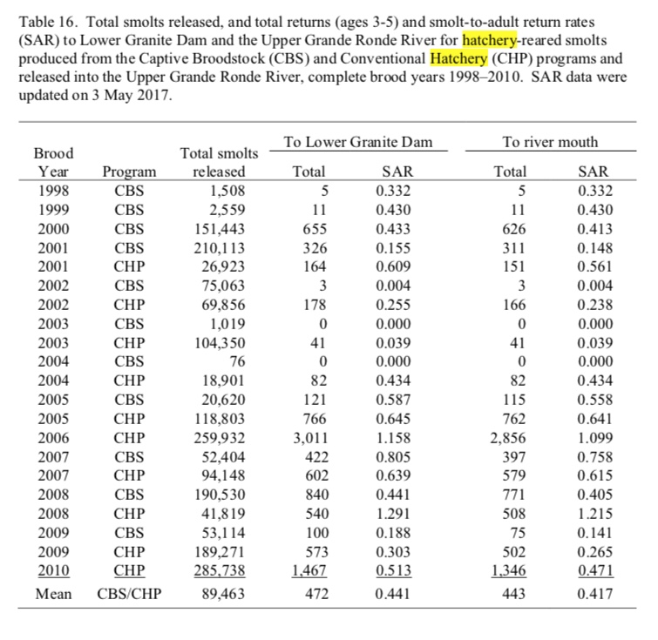
UGRLGDSmolt_OceanAdult1 | UGR | LGDSmolt_OceanAdult1 | 2.74% | 1.62% | 97.20% | 0 | 0.4046287393
UGROceanAdult1_LGDAdult2 | UGR | OceanAdult1_LGDAdult2 | 46.09% | 16.21% | 61.74% | 0 | 0.4046287393
UGROceanAdult1_OceanAdult2 | UGR | OceanAdult1_OceanAdult2 | 46.09% | 16.21% | 38.26% | 0 | 0.4046287393
UGROceanAdult2_LGDAdult3 | UGR | OceanAdult2_LGDAdult3 | 48.00% | 25.06% | 100% | 0 | 0.4046287393

 | Catherine Creek |  |  |  |  |  |  |  |  |  |  |  | Changed by Solver |  |  |  |  |  |  |  |  | Minimized by Solver
 |  |  |  |  |  |  |  |  |  |  |  |  | Survival |  |  | Maturation |  |  | Expected |  |  | Observed:Expected
 | Brood Year | Migration Year | SAR | Origin | LGD Smolt | Tributary Adults | Age-3 | Age-4 | Age-5 | Age-3 | Age-4 | Age-5 | S1 | S2 | S3 | m1 | m2 | m3 | Age-3 | Age-4 | Age-5 | Age-3 | Age-4 | Age-5
 | 1993 | 1995 | 1.3 | Natural | 12884 | 163 | 0.07 | 0.07 | 0.85 | 11.41 | 11.41 | 138.55 | 0.03 | 0.48 | 0.75 | 0.03 | 0.06 | 1.00 | 13 | 11 | 139 | 1 | 0 | 0
 | 1994 | 1996 | 0.4 | Natural | 4892 | 21 | 0 | 0.39 | 0.61 | 0 | 8.19 | 12.81 | 0.02 | 0.29 | 0.58 | 0.04 | 0.29 | 1.00 | 4 | 8 | 12 | 14 | 0 | 1
 | 1995 | 1997 | 2.4 | Natural | 3974 | 96 | 0.11 | 0.9 | 0 | 10.56 | 86.4 | 0 | 0.05 | 0.51 | 0.50 | 0.04 | 0.99 | 1.00 | 7 | 87 | 0 | 10 | 0 | 0
 | 1996 | 1998 | 1.4 | Natural | 6072 | 85 | 0.03 | 0.95 | 0.02 | 2.55 | 80.75 | 1.7 | 0.03 | 0.45 | 0.47 | 0.03 | 0.96 | 1.00 | 6 | 80 | 2 | 15 | 0 | 0
 | 1997 | 1999 | 3.2 | Natural | 13686 | 441 | 0.06 | 0.82 | 0.12 | 26.46 | 361.62 | 52.92 | 0.05 | 0.65 | 0.56 | 0.04 | 0.79 | 1.00 | 26 | 362 | 53 | 0 | 0 | 0
 | 1998 | 2000 | 3.2 | Natural | 13494 | 428 | 0 | 0.21 | 0.79 | 0 | 89.88 | 338.12 | 0.05 | 0.74 | 0.89 | 0.00 | 0.19 | 1.00 | 1 | 90 | 338 | 2 | 0 | 0
 | 1999 | 2001 | 0.9 | Natural | 10008 | 87 | 0 | 0.98 | 0.02 | 0 | 85.26 | 1.74 | 0.02 | 0.41 | 0.43 | 0.03 | 0.97 | 1.00 | 6 | 85 | 1 | 36 | 0 | 0
 | 2000 | 2002 | 0.5 | Natural | 10944 | 53 | 0.12 | 0.77 | 0.12 | 6.36 | 40.81 | 6.36 | 0.02 | 0.28 | 0.43 | 0.04 | 0.73 | 1.00 | 8 | 41 | 7 | 1 | 0 | 0
 | 2001 | 2003 | 0.3 | Natural | 14869 | 46 | 0.06 | 0.86 | 0.08 | 2.76 | 39.56 | 3.68 | 0.01 | 0.28 | 0.41 | 0.03 | 0.79 | 1.00 | 6 | 39 | 4 | 9 | 0 | 0
 | 2002 | 2004 | 0.5 | Natural | 27029 | 144 | 0.04 | 0.73 | 0.23 | 5.76 | 105.12 | 33.12 | 0.01 | 0.43 | 0.52 | 0.02 | 0.63 | 1.00 | 8 | 105 | 32 | 5 | 0 | 2
 | 2003 | 2005 | 0.3 | Natural | 19582 | 68 | 0.01 | 0.26 | 0.74 | 0.68 | 17.68 | 50.32 | 0.01 | 0.38 | 0.70 | 0.03 | 0.21 | 1.00 | 6 | 19 | 50 | 29 | 2 | 0
 | 2004 | 2006 | 1.2 | Natural | 9188 | 112 | 0.05 | 0.78 | 0.16 | 5.6 | 87.36 | 17.92 | 0.03 | 0.45 | 0.52 | 0.03 | 0.72 | 1.00 | 9 | 87 | 18 | 9 | 0 | 0
 | 2005 | 2007 | 1.1 | Natural | 10336 | 113 | 0.08 | 0.75 | 0.18 | 9.04 | 84.75 | 20.34 | 0.03 | 0.41 | 0.51 | 0.03 | 0.68 | 1.00 | 11 | 84 | 20 | 2 | 0 | 0
 | 2006 | 2008 | 4.4 | Natural | 14146 | 625 | 0.09 | 0.9 | 0.01 | 56.25 | 562.5 | 6.25 | 0.07 | 0.63 | 0.53 | 0.06 | 0.98 | 1.00 | 56 | 563 | 7 | 0 | 0 | 0
 | 2007 | 2009 | 3.9 | Natural | 14402 | 557 | 0.1 | 0.55 | 0.35 | 55.7 | 306.35 | 194.95 | 0.07 | 0.64 | 0.69 | 0.06 | 0.52 | 1.00 | 56 | 306 | 195 | 0 | 0 | 0
 | 2008 | 2010 | 2.0 | Natural | 24068 | 475 | 0.07 | 0.84 | 0.09 | 33.25 | 399 | 42.75 | 0.04 | 0.50 | 0.53 | 0.03 | 0.83 | 1.00 | 33 | 399 | 43 | 0 | 0 | 0
 | 2009 | 2011 | 3.5 | Natural | 7674 | 267 | 0.28 | 0.56 | 0.16 | 74.76 | 149.52 | 42.72 | 0.10 | 0.33 | 0.60 | 0.10 | 0.68 | 1.00 | 76 | 149 | 43 | 3 | 0 | 0
 | 2010 | 2012 | 1.6 | Natural | 46080 | 726 | 0.05 | 0.93 | 0.02 | 36.3 | 675.18 | 14.52 | 0.03 | 0.51 | 0.49 | 0.03 | 0.96 | 1.00 | 36 | 675 | 15 | 0 | 0 | 0
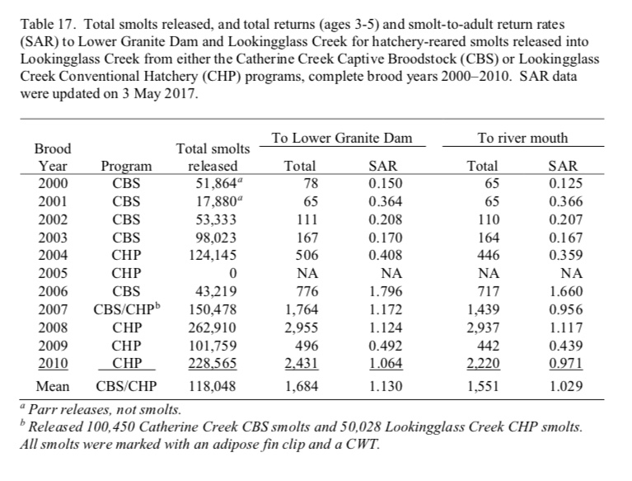
 | 2011 | 2013 | 1.7 | Natural | 17899 | 300 | 0.17 | 0.67 | 0.16 | 51 | 201 | 48 | 0.05 | 0.36 | 0.47 | 0.06 | 0.67 | 1.00 | 51 | 201 | 47 | 0 | 0 | 0
 |  | Mean | 1.85 |  | 14801 | 253 | 7% | 68% | 25% | 20 | 179 | 54 | 4% | 46% | 56% | 4% | 67% | 100% | 22 | 178 | 54
 |  | StDev | 1.35 |  | 9676 | 221 | 7% | 27% | 28% | 24 | 193 | 85 | 2% | 13% | 12% | 2% | 29% | 0% | 23 | 193 | 85 |  | Target => | 147
 |  | CV | 73% |  | 65% | 88% | 92% | 40% | 114% | 116% | 108% | 157% | 58% | 28% | 22% | 55% | 43% | 0% | 103% | 108% | 157%

 | UGR |  |  |  |  |  |  |  |  |  |  |  | Changed by Solver |  |  |  |  |  |  |  |  | Minimized by Solver
 |  |  |  |  |  |  |  |  |  |  |  |  | Survival |  |  | Maturation |  |  | Expected |  |  | Observed:Expected
 | Brood Year | Migration Year | SAR | Origin | LGD Smolt | Tributary Adults | Age-3 | Age-4 | Age-5 | Age-3 | Age-4 | Age-5 | S1 | S2 | S3 | m1 | m2 | m3 | Age-3 | Age-4 | Age-5 | Age-3 | Age-4 | Age-5
 | 1992 | 1994 | 0.4 | Natural | 24145 | 92 | 0 | 0.91 | 0.09 | 0 | 83.72 | 8.28 | 0.01 | 0.47 | 0.28 | 0.01 | 0.74 | 1.00 | 2 | 84 | 8 | 3 | 0 | 0
 | 1993 | 1995 | 0.4 | Natural | 35685 | 127 | 0 | 0.07 | 0.93 | 0 | 8.89 | 118.11 | 0.01 | 0.37 | 0.99 | 0.01 | 0.07 | 1.00 | 3 | 9 | 118 | 9 | 0 | 0
 | 1996 | 1998 | 1.0 | Natural | 5771 | 56 | 0.03 | 0.95 | 0.02 | 1.68 | 53.2 | 1.12 | 0.02 | 0.42 | 0.47 | 0.03 | 0.97 | 1.00 | 4 | 53 | 1 | 4 | 0 | 0
 | 1997 | 1999 | 0.7 | Natural | 13638 | 100 | 0.04 | 0.83 | 0.13 | 4 | 83 | 13 | 0.02 | 0.44 | 0.46 | 0.02 | 0.75 | 1.00 | 5 | 83 | 13 | 1 | 0 | 0
 | 1998 | 2000 | 2.2 | Natural | 13279 | 292 | 0 | 0.27 | 0.73 | 0 | 78.84 | 213.16 | 0.03 | 0.82 | 0.83 | 0.01 | 0.23 | 1.00 | 3 | 79 | 213 | 8 | 0 | 0
 | 2000 | 2002 | 0.6 | Natural | 8511 | 53 | 0.04 | 0.96 | 0 | 2.12 | 50.88 | 0 | 0.04 | 0.57 | 0.00 | 0.00 | 0.27 | 1.00 | 1 | 51 | 0 | 2 | 0 | 0
 | 2001 | 2003 | 0.5 | Natural | 4198 | 20 | 0 | 0.97 | 0.03 | 0 | 19.4 | 0.6 | 0.02 | 0.33 | 0.42 | 0.03 | 0.89 | 1.00 | 2 | 19 | 1 | 3 | 0 | 0
 | 2002 | 2004 | 1.4 | Natural | 4569 | 64 | 0 | 0.73 | 0.28 | 0 | 46.72 | 17.92 | 0.03 | 0.57 | 0.53 | 0.02 | 0.59 | 1.00 | 3 | 47 | 17 | 9 | 0 | 0
 | 2003 | 2005 | 0.7 | Natural | 5567 | 37 | 0.01 | 0.04 | 0.95 | 0.37 | 1.48 | 35.15 | 0.02 | 0.45 | 0.86 | 0.03 | 0.05 | 1.00 | 3 | 2 | 35 | 5 | 1 | 0
 | 2004 | 2006 | 0.2 | Natural | 33056 | 71 | 0.12 | 0.89 | 0 | 8.52 | 63.19 | 0 | 0.01 | 0.21 | 0.36 | 0.03 | 0.99 | 1.00 | 8 | 63 | 0 | 0 | 0 | 0
 | 2005 | 2007 | 0.6 | Natural | 15228 | 98 | 0.05 | 0.76 | 0.19 | 4.9 | 74.48 | 18.62 | 0.02 | 0.65 | 0.18 | 0.02 | 0.42 | 1.00 | 6 | 74 | 18 | 0 | 0 | 0
 | 2006 | 2008 | 1.4 | Natural | 10808 | 150 | 0.11 | 0.82 | 0.07 | 16.5 | 123 | 10.5 | 0.04 | 0.39 | 0.49 | 0.04 | 0.85 | 1.00 | 17 | 123 | 10 | 0 | 0 | 0
 | 2008 | 2010 | 1.5 | Natural | 22432 | 329 | 0.22 | 0.65 | 0.13 | 72.38 | 213.85 | 42.77 | 0.05 | 0.29 | 0.46 | 0.06 | 0.70 | 1.00 | 72 | 214 | 43 | 0 | 0 | 0
 | 2009 | 2011 | 1.6 | Natural | 20836 | 335 | 0.11 | 0.69 | 0.19 | 36.85 | 231.15 | 63.65 | 0.04 | 0.48 | 0.51 | 0.05 | 0.65 | 1.00 | 37 | 231 | 63 | 0 | 0 | 0
 | 2010 | 2012 | 1.3 | Natural | 66070 | 849 | 0.06 | 0.88 | 0.06 | 50.94 | 747.12 | 50.94 | 0.02 | 0.67 | 0.30 | 0.04 | 0.82 | 1.00 | 51 | 747 | 51 | 0 | 0 | 0
 | 2011 | 2013 | 2.1 | Natural | 19043 | 396 | 0.22 | 0.72 | 0.05 | 87.12 | 285.12 | 19.8 | 0.07 | 0.26 | 0.53 | 0.07 | 0.88 | 1.00 | 87 | 285 | 20 | 0 | 0 | 0
 |  | Mean | 1.03 |  | 18927 | 192 | 6% | 70% | 24% | 18 | 135 | 38 | 3% | 46% | 48% | 3% | 62% | 100% | 19 | 135 | 38
 |  | StDev | 0.62 |  | 15851 | 213 | 7% | 30% | 32% | 28 | 182 | 56 | 2% | 16% | 25% | 2% | 31% | 0% | 28 | 182 | 56 |  | Target => | 48
 |  | CV | 60% |  | 84% | 111% | 117% | 43% | 135% | 159% | 135% | 146% | 59% | 35% | 52% | 69% | 51% | 0% | 147% | 135% | 147%
 |  |  |  |  |  |  |  |  |  |  |  |  |  |  |  |  |  |  |  |  |  |  |  | 1005

Spawner_Egg_p
Fecundity - Spawner to Egg |  |  |  | To Do: Consider adding age specific fecundity to the model framework
Stage_Transition | Productivity | Productivity_SD
TotalSpawner_Egg | 3831 | 102

Summary | Current value is an annual average reported by Van Duke et al. 2008
Data | Average Value from 1997 - 2005 reported in Table 3. of Van Duke 2009
Data URL | https://www.cbfish.org/Document.mvc/Viewer/P105971
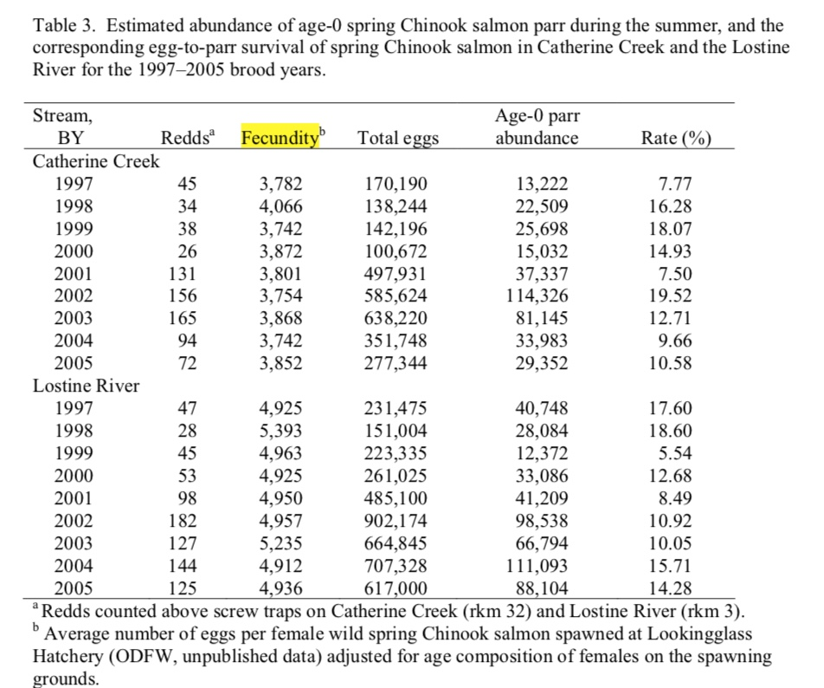

 |  | Table 3. Van Dyke 2008
 |  | Year | Fecundity
 |  | 1997 | 3782
 |  | 1998 | 4066
 |  | 1999 | 3742
 |  | 2000 | 3872
 |  | 2001 | 3801
 |  | 2002 | 3754
 |  | 2003 | 3868
 |  | 2004 | 3742
 |  | 2005 | 3852
 |  | Mean => | 3831
 |  | SD => | 102

 | To Do: Figure out where this data came from, consider adding to model in age specific fecundity
 | Fecundity by Age
 | Age | Fecundity
 | OA1 | 3257
 | OA2 | 4095
 | OA3 | 5149
 | Mean => | 4167
 | SD => | 948

