Scenarios
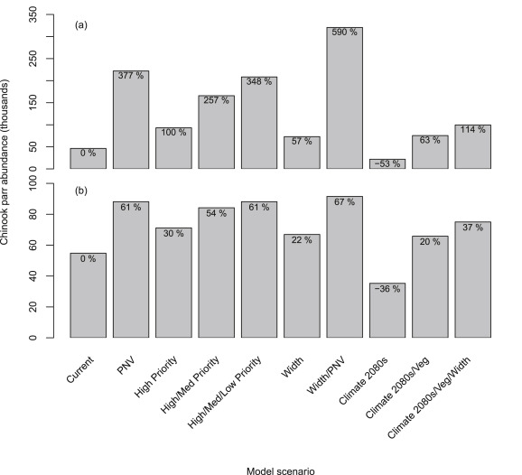

Fry_Parr_c_I
Parr Capacity Using Beverton-Holt |  |  |  |  |  |  | To Do: Double check more recent fits from previous correspondence with Casey, and modelling work done by some dude
 |  |  |  |  |  |  | This should also include a SD for the model

These workups will replace the QRF estimates used previously on ParrCapProd&Mvmnt
This data taken from Cooney and ODFW
Original Stock Recruit curves were fit by Casey Justice at CRTFC
 |  |  |  |  | Bev Holt UGR |  |  |  |  |  |  |  |  |  | Bev Holt CC
 |  |  |  |  | a (capacity) | 149543 |  |  |  |  |  |  |  |  | a (capacity) | 165687
 |  |  |  |  | b | 352 |  |  |  |  |  |  |  |  | b | 311
 |  |  |  |  | a/b (productivity) | 424.4679725 |  |  |  |  |  |  |  |  | a/b (productivity) | 533.28937571
 |  |  |  |  | SSq | 3 |  |  |  |  |  |  |  |  | SSq | 4

 | Brood Year | Migratory year | Spawners | Late summer parr | Ln(R/S) Bev-Holt | (O-E)² | E(B-H) | Spawners | E(B-H) | Capacity (K) | Brood Year | Migratory year | Spawners | Late summer parr | Ln(R/S) Bev-Holt | (O-E)² | E(B-H) | Spawners | E(B-H)
 | 1992 | 1994 | 390 | 77,467 | 5.306 | 0 | 78,568 | 10 | 4,128 | 149543 | 1993 | 1995 | 257 | 42,334 | 5.676 | 0 | 75,009 | 10 | 5,167
 | 1993 | 1995 | 327 | 125,620 | 5.394 | 0 | 71,986 | 35 | 13,514 | 149543 | 1994 | 1996 | 28 | 10,437 | 6.193 | 0 | 13,698 | 35 | 16,775
 | 2006 | 2008 | 54 | 17,113 | 5.908 | 0 | 19,875 | 60 | 21,762 | 149543 | 1995 | 1997 | 34 | 9,325 | 6.175 | 0 | 16,343 | 60 | 26,818
 | 2008 | 2010 | 88 | 36,297 | 5.828 | 0 | 29,888 | 85 | 29,067 | 149543 | 1996 | 1998 | 34 | 14,878 | 6.175 | 0 | 16,343 | 85 | 35,592
 | 2009 | 2011 | 152 | 70,212 | 5.692 | 0 | 45,073 | 110 | 35,582 | 149543 | 1997 | 1999 | 97 | 38,204 | 6.007 | 0 | 39,421 | 110 | 43,323
 | 2010 | 2012 | 2,038 | 227,463 | 4.136 | 0 | 127,502 | 135 | 41,428 | 149543 | 1998 | 2000 | 91 | 40,393 | 6.022 | 0 | 37,535 | 135 | 50,187
 | 2011 | 2013 | 873 | 56,714 | 4.804 | 0 | 106,545 | 160 | 46,704 | 149543 | 1999 | 2001 | 44 | 41,091 | 6.147 | 0 | 20,554 | 160 | 56,322
 | 2012 | 2014 | 384 | 87,176 | 5.314 | 0 | 77,990 | 185 | 51,489 | 149543 | 2000 | 2002 | 51 | 40,463 | 6.127 | 0 | 23,363 | 185 | 61,837
 | 2013 | 2015 | 316 | 23,768 | 5.411 | 1 | 70,709 | 210 | 55,848 | 149543 | 2001 | 2003 | 369 | 71,273 | 5.496 | 0 | 89,951 | 210 | 66,824
 |  |  |  |  |  |  |  | 235 | 59,837 | 149543 | 2002 | 2004 | 403 | 153,078 | 5.447 | 0 | 93,559 | 235 | 71,353
 |  |  | Mean Parr => | 80,203 |  |  |  | 260 | 63,499 | 149543 | 2003 | 2005 | 400 | 151,047 | 5.452 | 0 | 93,254 | 260 | 75,485
 |  |  |  |  |  |  |  | 285 | 66,875 | 149543 | 2004 | 2006 | 204 | 57,927 | 5.774 | 0 | 65,671 | 285 | 79,271
 |  |  |  |  |  |  |  | 310 | 69,995 | 149543 | 2005 | 2007 | 132 | 74,225 | 5.925 | 0 | 49,404 | 310 | 82,752
 |  |  |  |  |  |  |  | 335 | 72,889 | 149543 | 2006 | 2008 | 239 | 66,043 | 5.709 | 0 | 72,039 | 335 | 85,963
 |  |  |  |  |  |  |  | 360 | 75,579 | 149543 | 2007 | 2009 | 161 | 46,474 | 5.862 | 0 | 56,553 | 360 | 88,935
 |  |  |  |  |  |  |  | 385 | 78,087 | 149543 | 2008 | 2010 | 199 | 103,336 | 5.784 | 0 | 64,690 | 385 | 91,693
UGR Bev-Holt
 | E(B-H) | Capacity (K)
10 | 4127.5223802 | 149542.5711
35 | 13513.840062 | 149542.5711
60 | 21761.886659 | 149542.5711
85 | 29066.880967 | 149542.5711
110 | 35581.814592 | 149542.5711
135 | 41428.283745 | 149542.5711
160 | 46704.149558 | 149542.5711
185 | 51489.059864 | 149542.5711
210 | 55848.497993 | 149542.5711
235 | 59836.797493 | 149542.5711
260 | 63499.418317 | 149542.5711
285 | 66874.687272 | 149542.5711
310 | 69995.144293 | 149542.5711
335 | 72888.594894 | 149542.5711
360 | 75578.941001 | 149542.5711
385 | 78086.842745 | 149542.5711
410 | 80430.250042 | 149542.5711
435 | 82624.832893 | 149542.5711
460 | 84684.332221 | 149542.5711
485 | 86620.847862 | 149542.5711
510 | 88445.076457 | 149542.5711
535 | 90166.509129 | 149542.5711
560 | 91793.596654 | 149542.5711
585 | 93333.888208 | 149542.5711
610 | 94794.148477 | 149542.5711
635 | 96180.456981 | 149542.5711
660 | 97498.292679 | 149542.5711
685 | 98752.60634 | 149542.5711
710 | 99947.88269 | 149542.5711
735 | 101088.194 | 149542.5711
760 | 102177.24641 | 149542.5711
785 | 103218.42022 | 149542.5711
810 | 104214.80488 | 149542.5711
835 | 105169.22965 | 149542.5711
860 | 106084.29039 | 149542.5711
885 | 106962.37318 | 149542.5711
910 | 107805.67507 | 149542.5711
935 | 108616.22243 | 149542.5711
960 | 109395.88723 | 149542.5711
985 | 110146.40145 | 149542.5711
1010 | 110869.36994 | 149542.5711
1035 | 111566.28187 | 149542.5711
1060 | 112238.52096 | 149542.5711
1085 | 112887.37466 | 149542.5711
1110 | 113514.04239 | 149542.5711
1135 | 114119.6429 | 149542.5711
1160 | 114705.22099 | 149542.5711
1185 | 115271.75349 | 149542.5711
1210 | 115820.1547 | 149542.5711
1235 | 116351.28131 | 149542.5711
...
 |  |  |  |  |  |  |  | 410 | 80,430 | 149543 | 2009 | 2011 | 190 | 24,732 | 5.802 | 1 | 62,875 | 410 | 94,259
 |  |  |  |  |  |  |  | 435 | 82,625 | 149543 | 2010 | 2012 | 914 | 116,382 | 4.907 | 0 | 123,654 | 435 | 96,654
 |  |  |  |  |  |  |  | 460 | 84,684 | 149543 | 2011 | 2013 | 1,116 | 77,210 | 4.755 | 0 | 129,606 | 460 | 98,894
 |  |  |  |  |  |  |  | 485 | 86,621 | 149543 | 2012 | 2014 | 643 | 75,419 | 5.158 | 0 | 111,710 | 485 | 100,992
 |  |  |  |  |  |  |  | 510 | 88,445 | 149543 |  |  |  |  |  |  |  | 510 | 102,963
 |  |  |  |  |  |  |  | 535 | 90,167 | 149543 |  |  | Mean Parr => | 62,714 |  |  |  | 535 | 104,817
 |  |  |  |  |  |  |  | 560 | 91,794 | 149543 |  |  |  |  |  |  |  | 560 | 106,565
 |  |  |  |  |  |  |  | 585 | 93,334 | 149543 |  |  |  |  |  |  |  | 585 | 108,215
 |  |  |  |  |  |  |  | 610 | 94,794 | 149543 |  |  |  |  |  |  |  | 610 | 109,776
 |  |  |  |  |  |  |  | 635 | 96,180 | 149543 |  |  |  |  |  |  |  | 635 | 111,254
 |  |  |  |  |  |  |  | 660 | 97,498 | 149543 |  |  |  |  |  |  |  | 660 | 112,656
 |  |  |  |  |  |  |  | 685 | 98,753 | 149543 |  |  |  |  |  |  |  | 685 | 113,987
 |  |  |  |  |  |  |  | 710 | 99,948 | 149543 |  |  |  |  |  |  |  | 710 | 115,254
 |  |  |  |  |  |  |  | 735 | 101,088 | 149543 |  |  |  |  |  |  |  | 735 | 116,459
 |  |  |  |  |  |  |  | 760 | 102,177 | 149543 |  |  |  |  |  |  |  | 760 | 117,609
 |  |  |  |  |  |  |  | 785 | 103,218 | 149543 |  |  |  |  |  |  |  | 785 | 118,706
 |  |  |  |  |  |  |  | 810 | 104,215 | 149543 |  |  |  |  |  |  |  | 810 | 119,754
 |  |  |  |  |  |  |  | 835 | 105,169 | 149543 |  |  |  |  |  |  |  | 835 | 120,756
 |  |  |  |  |  |  |  | 860 | 106,084 | 149543 |  |  |  |  |  |  |  | 860 | 121,716
 |  |  |  |  |  |  |  | 885 | 106,962 | 149543 |  |  |  |  |  |  |  | 885 | 122,635
 |  |  |  |  |  |  |  | 910 | 107,806 | 149543 |  |  |  |  |  |  |  | 910 | 123,517
 |  |  |  |  |  |  |  | 935 | 108,616 | 149543 |  |  |  |  |  |  |  | 935 | 124,363
 |  |  |  |  |  |  |  | 960 | 109,396 | 149543 |  |  |  |  |  |  |  | 960 | 125,176
 |  |  |  |  |  |  |  | 985 | 110,146 | 149543 |  |  |  |  |  |  |  | 985 | 125,958
 |  |  |  |  |  |  |  | 1010 | 110,869 | 149543 |  |  |  |  |  |  |  | 1010 | 126,710
 |  |  |  |  |  |  |  | 1035 | 111,566 | 149543 |  |  |  |  |  |  |  | 1035 | 127,434
 |  |  |  |  |  |  |  | 1060 | 112,239 | 149543 |  |  |  |  |  |  |  | 1060 | 128,132
 |  |  |  |  |  |  |  | 1085 | 112,887 | 149543 |  |  |  |  |  |  |  | 1085 | 128,804
 |  |  |  |  |  |  |  | 1110 | 113,514 | 149543 |  |  |  |  |  |  |  | 1110 | 129,453
 |  |  |  |  |  |  |  | 1135 | 114,120 | 149543 |  |  |  |  |  |  |  | 1135 | 130,080
 |  |  |  |  |  |  |  | 1160 | 114,705 | 149543 |  |  |  |  |  |  |  | 1160 | 130,685
 |  |  |  |  |  |  |  | 1185 | 115,272 | 149543 |  |  |  |  |  |  |  | 1185 | 131,270
 |  |  |  |  |  |  |  | 1210 | 115,820 | 149543 |  |  |  |  |  |  |  | 1210 | 131,836
 |  |  |  |  |  |  |  | 1235 | 116,351 | 149543 |  |  |  |  |  |  |  | 1235 | 132,384
 |  |  |  |  |  |  |  | 1260 | 116,866 | 149543 |  |  |  |  |  |  |  | 1260 | 132,914
 |  |  |  |  |  |  |  | 1285 | 117,365 | 149543 |  |  |  |  |  |  |  | 1285 | 133,427
 |  |  |  |  |  |  |  | 1310 | 117,849 | 149543 |  |  |  |  |  |  |  | 1310 | 133,925
 |  |  |  |  |  |  |  | 1335 | 118,318 | 149543 |  |  |  |  |  |  |  | 1335 | 134,407
 |  |  |  |  |  |  |  | 1360 | 118,774 | 149543 |  |  |  |  |  |  |  | 1360 | 134,875
 |  |  |  |  |  |  |  | 1385 | 119,217 | 149543 |  |  |  |  |  |  |  | 1385 | 135,330
 |  |  |  |  |  |  |  | 1410 | 119,647 | 149543 |  |  |  |  |  |  |  | 1410 | 135,771
 |  |  |  |  |  |  |  | 1435 | 120,065 | 149543 |  |  |  |  |  |  |  | 1435 | 136,199
 |  |  |  |  |  |  |  | 1460 | 120,472 | 149543 |  |  |  |  |  |  |  | 1460 | 136,615
 |  |  |  |  |  |  |  | 1485 | 120,868 | 149543 |  |  |  |  |  |  |  | 1485 | 137,020
 |  |  |  |  |  |  |  | 1510 | 121,253 | 149543 |  |  |  |  |  |  |  | 1510 | 137,414
 |  |  |  |  |  |  |  | 1535 | 121,627 | 149543
 |  |  |  |  |  |  |  | 1560 | 121,992 | 149543
 |  |  |  |  |  |  |  | 1585 | 122,348 | 149543
 |  |  |  |  |  |  |  | 1610 | 122,694 | 149543
 |  |  |  |  |  |  |  | 1635 | 123,032 | 149543
 |  |  |  |  |  |  |  | 1660 | 123,361 | 149543
 |  |  |  |  |  |  |  | 1685 | 123,683 | 149543
 |  |  |  |  |  |  |  | 1710 | 123,996 | 149543
 |  |  |  |  |  |  |  | 1735 | 124,302 | 149543
 |  |  |  |  |  |  |  | 1760 | 124,601 | 149543
 |  |  |  |  |  |  |  | 1785 | 124,893 | 149543
 |  |  |  |  |  |  |  | 1810 | 125,178 | 149543
 |  |  |  |  |  |  |  | 1835 | 125,456 | 149543
 |  |  |  |  |  |  |  | 1860 | 125,728 | 149543
 |  |  |  |  |  |  |  | 1885 | 125,994 | 149543
 |  |  |  |  |  |  |  | 1910 | 126,255 | 149543
 |  |  |  |  |  |  |  | 1935 | 126,509 | 149543
 |  |  |  |  |  |  |  | 1960 | 126,758 | 149543
 |  |  |  |  |  |  |  | 1985 | 127,002 | 149543
 |  |  |  |  |  |  |  | 2010 | 127,240 | 149543
 |  |  |  |  |  |  |  | 2035 | 127,474 | 149543
 |  |  |  |  |  |  |  | 2060 | 127,703 | 149543
 |  |  |  |  |  |  |  | 2085 | 127,927 | 149543
 |  |  |  |  |  |  |  | 2110 | 128,146 | 149543
 |  |  |  |  |  |  |  | 2135 | 128,361 | 149543
 |  |  |  |  |  |  |  | 2160 | 128,572 | 149543
 |  |  |  |  |  |  |  | 2185 | 128,779 | 149543
 |  |  |  |  |  |  |  | 2210 | 128,981 | 149543
 |  |  |  |  |  |  |  | 2235 | 129,180 | 149543
 |  |  |  |  |  |  |  | 2260 | 129,375 | 149543
 |  |  |  |  |  |  |  | 2285 | 129,566 | 149543
 |  |  |  |  |  |  |  | 2310 | 129,753 | 149543
 |  |  |  |  |  |  |  | 2335 | 129,938 | 149543
 |  |  |  |  |  |  |  | 2360 | 130,118 | 149543
 |  |  |  |  |  |  |  | 2385 | 130,296 | 149543
 |  |  |  |  |  |  |  | 2410 | 130,470 | 149543
 |  |  |  |  |  |  |  | 2435 | 130,641 | 149543
 |  |  |  |  |  |  |  | 2460 | 130,809 | 149543
 |  |  |  |  |  |  |  | 2485 | 130,974 | 149543
 |  |  |  |  |  |  |  | 2510 | 131,136 | 149543

Spawner_Egg_p
Fecundity - Spawner to Egg |  |  |  | To Do: Consider adding age specific fecundity to the model framework
Stage_Transition | Productivity | Productivity_SD
TotalSpawner_Egg | 3831 | 102

Summary | Current value is an annual average reported by Van Duke et al. 2008
Data | Average Value from 1997 - 2005 reported in Table 3. of Van Duke 2009
Data URL | https://www.cbfish.org/Document.mvc/Viewer/P105971

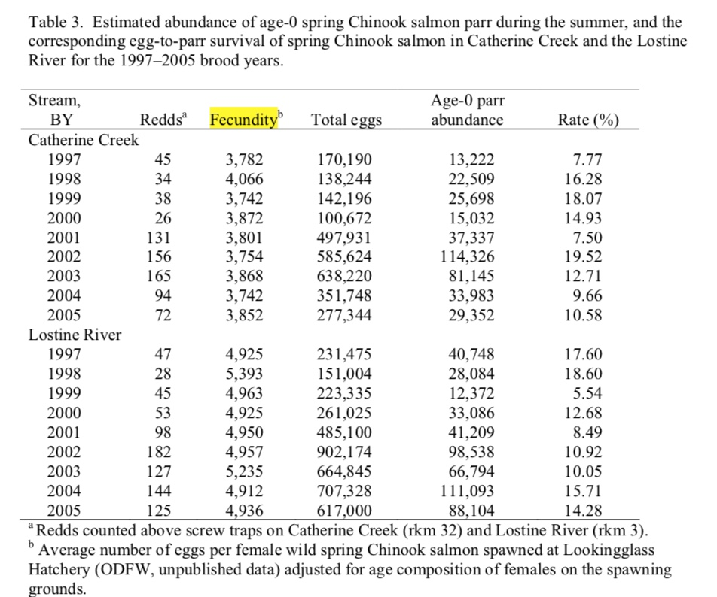
 |  | Table 3. Van Dyke 2008
 |  | Year | Fecundity
 |  | 1997 | 3782
 |  | 1998 | 4066
 |  | 1999 | 3742
 |  | 2000 | 3872
 |  | 2001 | 3801
 |  | 2002 | 3754
 |  | 2003 | 3868
 |  | 2004 | 3742
 |  | 2005 | 3852
 |  | Mean => | 3831
 |  | SD => | 102

 | To Do: Figure out where this data came from, consider adding to model in age specific fecundity
 | Fecundity by Age
 | Age | Fecundity
 | OA1 | 3257
 | OA2 | 4095
 | OA3 | 5149
 | Mean => | 4167
 | SD => | 948

