Dashboard
SOUNDSCAPE FESTIFAL DASHBOARD

Click-Through Rate - CTR (%)
Conversion Rate - CVR (%)
Total Impressions
Cost Per Click - CPC ($)

 | CPC
Blog | 0.9
Instagram | 1.2
Spotify | 2.5
TikTok | 1.1
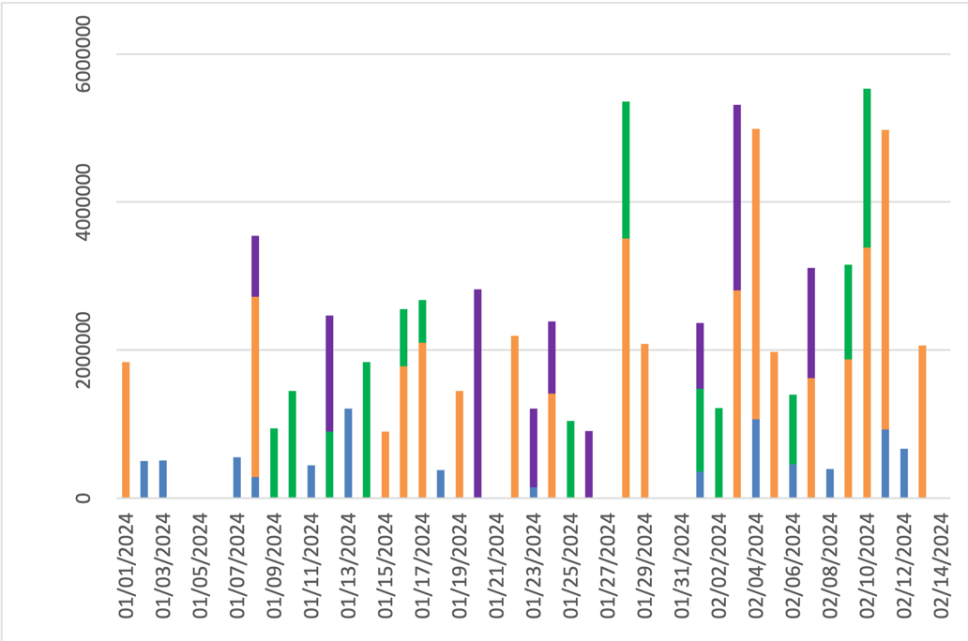
SOUNDSCAPE FESTIVAL
 | CTR
Blog | 1.8%
Instagram | 2.2%
Spotify | 2.7%
TikTok | 2.0%
 | CVR
Blog | 0.90%
Instagram | 0.33%
Spotify | 0.50%
TikTok | 0.82%

Avg. Revenue/day
Avg. Spend/day
Total Quantity
Avg. Price/ticket
$309
$1.536
8602
$193

REVENUE ($) vs. ROAS ($)

 | % Revenue
Blog | 15%
Instagram | 35%
Spotify | 25%
TikTok | 25%
 | % Spend
Blog | 5%
Instagram | 42%
Spotify | 42%
TikTok | 11%
Revenue vs ROAS
 | Revenue | ROAS
Blog | 246627 | 0.92
Instagram | 583185 | -0.46
Spotify | 409199 | -0.62
TikTok | 423163 | 0.46

Total Clicks

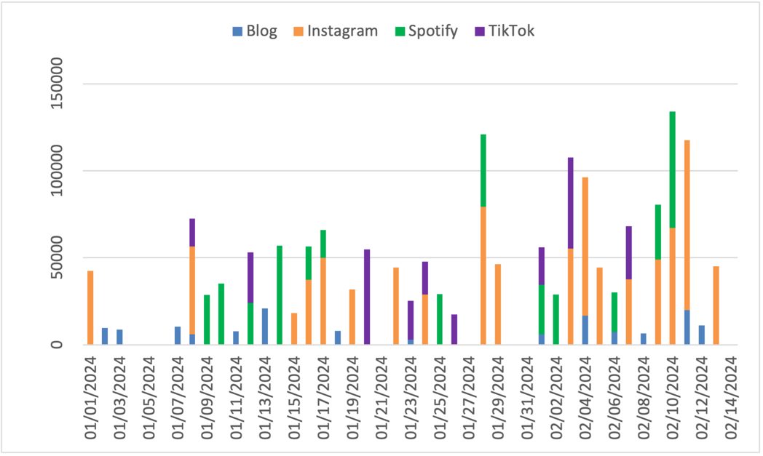

DAILY REVENUE ($)

 | Blog | Instagram | Spotify | TikTok
01/01/2024 | 3837 | 13424 | 7027 | 8287
01/02/2024 | 5212 | 13449 | 7212 | 6347
01/03/2024 | 4945 | 12412 | 7947 | 7080
01/04/2024 | 4320 | 10582 | 8625 | 8402
01/05/2024 | 5590 | 10062 | 8582 | 6007
01/06/2024 | 7550 | 19769 | 12532 | 12287
01/07/2024 | 5780 | 18959 | 10007 | 12404
01/08/2024 | 2902 | 13077 | 10562 | 5105
01/09/2024 | 5152 | 9784 | 9672 | 10734
01/10/2024 | 5312 | 10024 | 12084 | 7705
01/11/2024 | 5762 | 10192 | 7412 | 7912
01/12/2024 | 3527 | 12432 | 7610 | 10994
01/13/2024 | 12532 | 16849 | 15687 | 11832
01/14/2024 | 10959 | 18984 | 11897 | 10227
01/15/2024 | 3587 | 5322 | 8417 | 7192
01/16/2024 | 4277 | 11554 | 9632 | 8945
01/17/2024 | 3585 | 13292 | 4447 | 6927
01/18/2024 | 5012 | 11312 | 2775 | 9240
01/19/2024 | 4370 | 11412 | 5807 | 6877
01/20/2024 | 7777 | 14962 | 7837 | 13002
01/21/2024 | 5862 | 16229 | 13549 | 9627
01/22/2024 | 5525 | 11007 | 2410 | 6180
01/23/2024 | 1730 | 8367 | 13872 | 7670
01/24/2024 | 7315 | 10937 | 5915 | 7252
01/25/2024 | 5427 | 10654 | 9617 | 4467
01/26/2024 | 4590 | 11284 | 4965 | 7955
01/27/2024 | 9284 | 13744 | 11082 | 14504
01/28/2024 | 6870 | 16564 | 13242 | 12232
01/29/2024 | 4657 | 11724 | 6665 | 11384
01/30/2024 | 2355 | 12504 | 9674 | 8702
01/31/2024 | 5340 | 9237 | 6797 | 10839
02/01/2024 | 5272 | 14394 | 7217 | 7712
02/02/2024 | 2980 | 11677 | 8955 | 9177
02/03/2024 | 7650 | 14334 | 13182 | 14607
02/04/2024 | 9412 | 20524 | 10077 | 9327
02/05/2024 | 5247 | 11684 | 8707 | 7647
02/06/2024 | 3582 | 13579 | 7345 | 9605
02/07/2024 | 3327 | 8237 | 9632 | 9127
02/08/2024 | 4270 | 11879 | 10922 | 9277
02/09/2024 | 3887 | 10197 | 7887 | 13079
02/10/2024 | 6155 | 19316 | 12739 | 14632
02/11/2024 | 7337 | 20991 | 12334 | 9847
02/12/2024 | 6692 | 7962 | 10774 | 10774
02/13/2024 | 4357 | 13824 | 7747 | 11934
02/14/2024 | 5515 | 14477 | 8122 | 8100

pivot_cum
channel
Row Labels | Sum of spend | Sum of impressions | Sum of clicks | Sum of quantity |  | Channel | CTR | CPC | CVR | Revenue | ROAS | Channel | CTR |  | Channel | CPC | Channel | CVR
Blog | 128328 | 7944327 | 142587 | 1281 |  | Blog | 1.8% | 0.9 | 0.90% | 246627 | 0.92 | Blog | 1.8% |  | Blog | 0.9 | Blog | 0.90%
Instagram | 1085327 | 41436234 | 904439 | 3023 |  | Instagram | 2.2% | 1.2 | 0.33% | 583185 | -0.46 | Instagram | 2.2% |  | Instagram | 1.2 | Instagram | 0.33%
Spotify | 1073760 | 16075665 | 429504 | 2140 |  | Spotify | 2.7% | 2.5 | 0.50% | 409199 | -0.62 | Spotify | 2.7% |  | Spotify | 2.5 | Spotify | 0.50%
TikTok | 289476 | 13042677 | 263160 | 2158 |  | TikTok | 2.0% | 1.1 | 0.82% | 423163 | 0.46 | TikTok | 2.0% |  | TikTok | 1.1 | TikTok | 0.82%

promo_code
Row Labels | Sum of spend | Sum of impressions | Sum of clicks | Sum of quantity | Average of price
CAMPLIFE | 354054 | 11089026 | 243124 | 1116 | 200
EARLYBIRD | 843978 | 25991519 | 572808 | 3094 | 174
none | 71757 | 2058961 | 46892 | 207 | 238
SOUNDCLUB | 392250 | 11778700 | 262559 | 1256 | 210
STUDENT24 | 360096 | 11074622 | 245606 | 1180 | 184
VIBES24 | 364526 | 10880362 | 242260 | 1144 | 197

Row Labels | Sum of spend | Sum of impressions | Sum of clicks | Sum of quantity | Sum of Revenue
Blog | 128328 | 7944327 | 142587 | 1281 | 246627
Instagram | 1085327 | 41436234 | 904439 | 3023 | 583185 |  |  |  |  |  |  | Channel | Revenue | ROAS
Spotify | 1073760 | 16075665 | 429504 | 2140 | 409199 |  |  |  |  |  |  | Blog | 246627 | 0.92
TikTok | 289476 | 13042677 | 263160 | 2158 | 423163 |  |  |  |  |  |  | Instagram | 583185 | -0.46
 |  |  |  |  |  |  |  |  |  |  |  | Spotify | 409199 | -0.62
 |  |  |  |  |  |  |  |  |  |  |  | TikTok | 423163 | 0.46
Revenue vs ROAS
Row Labels | Sum of Revenue |  | Channel | % Revenue
Blog | 246627 |  | Blog | 15%
Instagram | 583185 |  | Instagram | 35%
Spotify | 409199 |  | Spotify | 25%
TikTok | 423163 |  | TikTok | 25%

Row Labels | Sum of spend |  | Channel | % Spend
Blog | 128328 |  | Blog | 5%
Instagram | 1085327 |  | Instagram | 42%
Spotify | 1073760 |  | Spotify | 42%
TikTok | 289476 |  | TikTok | 11%

Row Labels | Sum of Revenue | Sum of spend |  |  |  |  | Channel | Revenue | Spend
Blog | 246627 | 128328 |  |  |  |  | Blog | $246,627 | $128,328
Instagram | 583185 | 1085327 |  |  |  |  | Instagram | $583,185 | $1,085,327
Spotify | 409199 | 1073760 |  |  |  |  | Spotify | $409,199 | $1,073,760
TikTok | 423163 | 289476 |  |  |  |  | TikTok | $423,163 | $289,476
Total | 1662174 | 2576891 |  |  |  |  | Total | $1,662,174 | $2,576,891

Average of Revenue | Average of spend | Sum of quantity | Average of price |  |  |  | Avg. Revenue/day | Avg. Spend/day | Total Quantity | Avg. Price
309 | 1536 | 8602 | 193 |  |  |  | $309 | $1,536 | 8602 | $193

pivot_daily
Sum of quantity | Column Labels |  |  |  | Sum of spend | Column Labels |  |  |  | Sum of impressions | Column Labels |  |  |  | Sum of clicks | Column Labels |  |  |  | Sum of Revenue | Column Labels
Row Labels | Blog | Instagram | Spotify | TikTok | Row Labels | Blog | Instagram | Spotify | TikTok | Row Labels | Blog | Instagram | Spotify | TikTok | Row Labels | Blog | Instagram | Spotify | TikTok | Row Labels | Blog | Instagram | Spotify | TikTok
01/01/2024 | 22 | 70 | 36 | 43 | 01/01/2024 |  | 51032 |  |  | 01/01/2024 |  | 1842292 |  |  | 01/01/2024 |  | 42527 |  |  | 01/01/2024 | 3837 | 13424 | 7027 | 8287
01/02/2024 | 26 | 68 | 42 | 33 | 01/02/2024 | 8798 |  |  |  | 01/02/2024 | 504656 |  |  |  | 01/02/2024 | 9776 |  |  |  | 01/02/2024 | 5212 | 13449 | 7212 | 6347
01/03/2024 | 23 | 67 | 44 | 37 | 01/03/2024 | 7925 |  |  |  | 01/03/2024 | 513420 |  |  |  | 01/03/2024 | 8805 |  |  |  | 01/03/2024 | 4945 | 12412 | 7947 | 7080
 | Blog | Instagram | Spotify | TikTok
01/01/2024 |  | 1842292
01/02/2024 | 504656
01/03/2024 | 513420
01/04/2024
01/05/2024
01/06/2024
01/07/2024 | 557088
01/08/2024 | 289956 | 2434504 |  | 823640
01/09/2024 |  |  | 947360
01/10/2024 |  |  | 1453188
01/11/2024 | 448668
01/12/2024 |  |  | 904428 | 1560974
01/13/2024 | 1212015
01/14/2024 |  |  | 1842912
01/15/2024 |  | 899540
01/16/2024 |  | 1784442 | 768775
01/17/2024 |  | 2101398 | 575110
01/18/2024 | 384810
01/19/2024 |  | 1448064
01/20/2024 |  |  |  | 2819338
01/21/2024
01/22/2024 |  | 2192785
01/23/2024 | 150762 |  |  | 1063475
01/24/2024 |  | 1415832 |  | 976320
01/25/2024 |  |  | 1043394
01/26/2024 |  |  |  | 912626
01/27/2024
01/28/2024 |  | 3511758 | 1849118
01/29/2024 |  | 2089503
01/30/2024
01/31/2024
02/01/2024 | 359760 |  | 1119690 | 891756
02/02/2024 |  |  | 1222843
02/03/2024 |  | 2808036 |  | 2507598
02/04/2024 | 1066183 | 3926026
02/05/2024 |  | 1977354
02/06/2024 | 464880 |  | 934824
02/07/2024 |  | 1622600 |  | 1486950
02/08/2024 | 393939
02/09/2024 |  | 1879395 | 1274028
02/10/2024 |  | 3388518 | 2139995
02/11/2024 | 929050 | 4049241
02/12/2024 | 669140
02/13/2024 |  | 2064946
02/14/2024
01/04/2024 | 25 | 58 | 40 | 43 | 01/04/2024 |  |  |  |  | 01/04/2024 |  |  |  |  | 01/04/2024 |  |  |  |  | 01/04/2024 | 4320 | 10582 | 8625 | 8402
01/05/2024 | 31 | 53 | 44 | 32 | 01/05/2024 |  |  |  |  | 01/05/2024 |  |  |  |  | 01/05/2024 |  |  |  |  | 01/05/2024 | 5590 | 10062 | 8582 | 6007
 | Blog | Instagram | Spotify | TikTok
01/01/2024 |  | 42527
01/02/2024 | 9776
01/03/2024 | 8805
01/04/2024
01/05/2024
01/06/2024
01/07/2024 | 10392
01/08/2024 | 6180 | 50324 |  | 15980
01/09/2024 |  |  | 28706
01/10/2024 |  |  | 35277
01/11/2024 | 7830
01/12/2024 |  |  | 24136 | 28968
01/13/2024 | 20965
01/14/2024 |  |  | 56916
01/15/2024 |  | 18120
01/16/2024 |  | 37356 | 19136
01/17/2024 |  | 49959 | 15980
01/18/2024 | 7980
01/19/2024 |  | 31716
01/20/2024 |  |  |  | 54696
01/21/2024
01/22/2024 |  | 44333
01/23/2024 | 2976 |  |  | 22350
01/24/2024 |  | 28954 |  | 18873
01/25/2024 |  |  | 29205
01/26/2024 |  |  |  | 17472
01/27/2024
01/28/2024 |  | 79203 | 41838
01/29/2024 |  | 46215
01/30/2024
01/31/2024
02/01/2024 | 6108 |  | 28236 | 21735
02/02/2024 |  |  | 28913
02/03/2024 |  | 55176 |  | 52486
02/04/2024 | 16802 | 79546
02/05/2024 |  | 44474
02/06/2024 | 7260 |  | 22924
02/07/2024 |  | 37555 |  | 30600
02/08/2024 | 6578
02/09/2024 |  | 49035 | 31407
02/10/2024 |  | 67221 | 66830
02/11/2024 | 19875 | 97661
02/12/2024 | 11060
02/13/2024 |  | 45064
02/14/2024
01/06/2024 | 40 | 102 | 68 | 64 | 01/06/2024 |  |  |  |  | 01/06/2024 |  |  |  |  | 01/06/2024 |  |  |  |  | 01/06/2024 | 7550 | 19769 | 12532 | 12287
01/07/2024 | 32 | 98 | 55 | 63 | 01/07/2024 | 9353 |  |  |  | 01/07/2024 | 557088 |  |  |  | 01/07/2024 | 10392 |  |  |  | 01/07/2024 | 5780 | 18959 | 10007 | 12404
01/08/2024 | 16 | 71 | 57 | 27 | 01/08/2024 | 5562 | 60389 |  | 17578 | 01/08/2024 | 289956 | 2434504 |  | 823640 | 01/08/2024 | 6180 | 50324 |  | 15980 | 01/08/2024 | 2902 | 13077 | 10562 | 5105
01/09/2024 | 27 | 51 | 52 | 53 | 01/09/2024 |  |  | 71765 |  | 01/09/2024 |  |  | 947360 |  | 01/09/2024 |  |  | 28706 |  | 01/09/2024 | 5152 | 9784 | 9672 | 10734
01/10/2024 | 31 | 54 | 63 | 40 | 01/10/2024 |  |  | 88193 |  | 01/10/2024 |  |  | 1453188 |  | 01/10/2024 |  |  | 35277 |  | 01/10/2024 | 5312 | 10024 | 12084 | 7705
01/11/2024 | 29 | 51 | 42 | 44 | 01/11/2024 | 7047 |  |  |  | 01/11/2024 | 448668 |  |  |  | 01/11/2024 | 7830 |  |  |  | 01/11/2024 | 5762 | 10192 | 7412 | 7912
01/12/2024 | 19 | 63 | 43 | 57 | 01/12/2024 |  |  | 60340 | 31865 | 01/12/2024 |  |  | 904428 | 1560974 | 01/12/2024 |  |  | 24136 | 28968 | 01/12/2024 | 3527 | 12432 | 7610 | 10994
01/13/2024 | 66 | 86 | 81 | 62 | 01/13/2024 | 18869 |  |  |  | 01/13/2024 | 1212015 |  |  |  | 01/13/2024 | 20965 |  |  |  | 01/13/2024 | 12532 | 16849 | 15687 | 11832
01/14/2024 | 57 | 98 | 65 | 58 | 01/14/2024 |  |  | 142290 |  | 01/14/2024 |  |  | 1842912 |  | 01/14/2024 |  |  | 56916 |  | 01/14/2024 | 10959 | 18984 | 11897 | 10227
01/15/2024 | 20 | 28 | 45 | 38 | 01/15/2024 |  | 21744 |  |  | 01/15/2024 |  | 899540 |  |  | 01/15/2024 |  | 18120 |  |  | 01/15/2024 | 3587 | 5322 | 8417 | 7192
01/16/2024 | 24 | 55 | 40 | 43 | 01/16/2024 |  | 44827 | 47840 |  | 01/16/2024 |  | 1784442 | 768775 |  | 01/16/2024 |  | 37356 | 19136 |  | 01/16/2024 | 4277 | 11554 | 9632 | 8945
01/17/2024 | 17 | 65 | 23 | 33 | 01/17/2024 |  | 59951 | 39950 |  | 01/17/2024 |  | 2101398 | 575110 |  | 01/17/2024 |  | 49959 | 15980 |  | 01/17/2024 | 3585 | 13292 | 4447 | 6927
01/18/2024 | 26 | 61 | 14 | 44 | 01/18/2024 | 7182 |  |  |  | 01/18/2024 | 384810 |  |  |  | 01/18/2024 | 7980 |  |  |  | 01/18/2024 | 5012 | 11312 | 2775 | 9240
01/19/2024 | 21 | 59 | 31 | 33 | 01/19/2024 |  | 38059 |  |  | 01/19/2024 |  | 1448064 |  |  | 01/19/2024 |  | 31716 |  |  | 01/19/2024 | 4370 | 11412 | 5807 | 6877
01/20/2024 | 43 | 82 | 41 | 69 | 01/20/2024 |  |  |  | 60166 | 01/20/2024 |  |  |  | 2819338 | 01/20/2024 |  |  |  | 54696 | 01/20/2024 | 7777 | 14962 | 7837 | 13002
01/21/2024 | 29 | 84 | 65 | 49 | 01/21/2024 |  |  |  |  | 01/21/2024 |  |  |  |  | 01/21/2024 |  |  |  |  | 01/21/2024 | 5862 | 16229 | 13549 | 9627
01/22/2024 | 31 | 59 | 13 | 31 | 01/22/2024 |  | 53200 |  |  | 01/22/2024 |  | 2192785 |  |  | 01/22/2024 |  | 44333 |  |  | 01/22/2024 | 5525 | 11007 | 2410 | 6180
01/23/2024 | 9 | 46 | 67 | 40 | 01/23/2024 | 2678 |  |  | 24585 | 01/23/2024 | 150762 |  |  | 1063475 | 01/23/2024 | 2976 |  |  | 22350 | 01/23/2024 | 1730 | 8367 | 13872 | 7670
01/24/2024 | 36 | 55 | 34 | 38 | 01/24/2024 |  | 34745 |  | 20760 | 01/24/2024 |  | 1415832 |  | 976320 | 01/24/2024 |  | 28954 |  | 18873 | 01/24/2024 | 7315 | 10937 | 5915 | 7252
01/25/2024 | 27 | 57 | 49 | 25 | 01/25/2024 |  |  | 73013 |  | 01/25/2024 |  |  | 1043394 |  | 01/25/2024 |  |  | 29205 |  | 01/25/2024 | 5427 | 10654 | 9617 | 4467
01/26/2024 | 24 | 61 | 25 | 41 | 01/26/2024 |  |  |  | 19219 | 01/26/2024 |  |  |  | 912626 | 01/26/2024 |  |  |  | 17472 | 01/26/2024 | 4590 | 11284 | 4965 | 7955
01/27/2024 | 52 | 74 | 59 | 69 | 01/27/2024 |  |  |  |  | 01/27/2024 |  |  |  |  | 01/27/2024 |  |  |  |  | 01/27/2024 | 9284 | 13744 | 11082 | 14504
01/28/2024 | 36 | 79 | 65 | 61 | 01/28/2024 |  | 95044 | 104595 |  | 01/28/2024 |  | 3511758 | 1849118 |  | 01/28/2024 |  | 79203 | 41838 |  | 01/28/2024 | 6870 | 16564 | 13242 | 12232
01/29/2024 | 21 | 57 | 40 | 55 | 01/29/2024 |  | 55458 |  |  | 01/29/2024 |  | 2089503 |  |  | 01/29/2024 |  | 46215 |  |  | 01/29/2024 | 4657 | 11724 | 6665 | 11384
01/30/2024 | 13 | 62 | 51 | 45 | 01/30/2024 |  |  |  |  | 01/30/2024 |  |  |  |  | 01/30/2024 |  |  |  |  | 01/30/2024 | 2355 | 12504 | 9674 | 8702
01/31/2024 | 25 | 49 | 38 | 54 | 01/31/2024 |  |  |  |  | 01/31/2024 |  |  |  |  | 01/31/2024 |  |  |  |  | 01/31/2024 | 5340 | 9237 | 6797 | 10839
02/01/2024 | 23 | 76 | 38 | 40 | 02/01/2024 | 5497 |  | 70590 | 23909 | 02/01/2024 | 359760 |  | 1119690 | 891756 | 02/01/2024 | 6108 |  | 28236 | 21735 | 02/01/2024 | 5272 | 14394 | 7217 | 7712
02/02/2024 | 15 | 62 | 46 | 48 | 02/02/2024 |  |  | 72283 |  | 02/02/2024 |  |  | 1222843 |  | 02/02/2024 |  |  | 28913 |  | 02/02/2024 | 2980 | 11677 | 8955 | 9177
02/03/2024 | 36 | 75 | 72 | 75 | 02/03/2024 |  | 66211 |  | 57735 | 02/03/2024 |  | 2808036 |  | 2507598 | 02/03/2024 |  | 55176 |  | 52486 | 02/03/2024 | 7650 | 14334 | 13182 | 14607
02/04/2024 | 48 | 102 | 52 | 46 | 02/04/2024 | 15122 | 95455 |  |  | 02/04/2024 | 1066183 | 3926026 |  |  | 02/04/2024 | 16802 | 79546 |  |  | 02/04/2024 | 9412 | 20524 | 10077 | 9327
02/05/2024 | 29 | 61 | 46 | 40 | 02/05/2024 |  | 53369 |  |  | 02/05/2024 |  | 1977354 |  |  | 02/05/2024 |  | 44474 |  |  | 02/05/2024 | 5247 | 11684 | 8707 | 7647
02/06/2024 | 20 | 67 | 38 | 48 | 02/06/2024 | 6534 |  | 57310 |  | 02/06/2024 | 464880 |  | 934824 |  | 02/06/2024 | 7260 |  | 22924 |  | 02/06/2024 | 3582 | 13579 | 7345 | 9605
02/07/2024 | 18 | 43 | 51 | 48 | 02/07/2024 |  | 45066 |  | 33660 | 02/07/2024 |  | 1622600 |  | 1486950 | 02/07/2024 |  | 37555 |  | 30600 | 02/07/2024 | 3327 | 8237 | 9632 | 9127
02/08/2024 | 24 | 59 | 52 | 44 | 02/08/2024 | 5920 |  |  |  | 02/08/2024 | 393939 |  |  |  | 02/08/2024 | 6578 |  |  |  | 02/08/2024 | 4270 | 11879 | 10922 | 9277
02/09/2024 | 18 | 51 | 40 | 63 | 02/09/2024 |  | 58842 | 78518 |  | 02/09/2024 |  | 1879395 | 1274028 |  | 02/09/2024 |  | 49035 | 31407 |  | 02/09/2024 | 3887 | 10197 | 7887 | 13079
02/10/2024 | 31 | 101 | 63 | 77 | 02/10/2024 |  | 80665 | 167075 |  | 02/10/2024 |  | 3388518 | 2139995 |  | 02/10/2024 |  | 67221 | 66830 |  | 02/10/2024 | 6155 | 19316 | 12739 | 14632
02/11/2024 | 41 | 107 | 64 | 50 | 02/11/2024 | 17888 | 117193 |  |  | 02/11/2024 | 929050 | 4049241 |  |  | 02/11/2024 | 19875 | 97661 |  |  | 02/11/2024 | 7337 | 20991 | 12334 | 9847
02/12/2024 | 33 | 45 | 58 | 53 | 02/12/2024 | 9954 |  |  |  | 02/12/2024 | 669140 |  |  |  | 02/12/2024 | 11060 |  |  |  | 02/12/2024 | 6692 | 7962 | 10774 | 10774
02/13/2024 | 19 | 74 | 42 | 61 | 02/13/2024 |  | 54077 |  |  | 02/13/2024 |  | 2064946 |  |  | 02/13/2024 |  | 45064 |  |  | 02/13/2024 | 4357 | 13824 | 7747 | 11934
02/14/2024 | 28 | 77 | 46 | 41 | 02/14/2024 |  |  |  |  | 02/14/2024 |  |  |  |  | 02/14/2024 |  |  |  |  | 02/14/2024 | 5515 | 14477 | 8122 | 8100

