B223
DIMENSIONAL INSPECTION REPORT ANNEXURE

Project |  | JA RODDING-BUTTS CRUSHING PLANT |  |  |  | Report no. |  | BG-J082-850-9-QAC-SSDIR-028 ANNEX -003
Company |  | Emirates Global Aluminium |  |  |  | Date |  | 20.10.2025
Contractor |  | Fives Solios |  |  |  | Item Description |  | : 324-1- Conveyor gallery-Steel structure
Sub-Contractor |  | Bashaer Gulf Projects and technical Services LLC |  |  |  | Work Order No. |  | 850-9
ITP No / Clause No |  | J6P001466-TK6239-Q04-0001 Rev.02 |  |  |  | Acceptance Standard |  | AWS D1.1/AWSD1.1M : 2025
Ref.Drawing |  | FS131-704365-324401-324-1-B-223 Rev-04 |  |  |  | Stage |  | Final

SKETCH : 324-1-B-223


DIMESIONAL DETAILS : 324-1-B-223 1/1
Sl No. | Checked Dimensional Mark | Drawing Measurement | Actual Measurement |  | Deviation |  | Allowable Tolerance |  | Result
1 | K1 | 4268 |  |  |  |  | ±8
2 | K2 | 561 |  |  |  |  | ±3
3 | K3 | 1564 |  |  |  |  | ±4
4 | K4 | 1981 |  |  |  |  | ±4
5 | K5 | 162 |  |  |  |  | ±2
6 | K6 | 70 |  |  |  |  | ±2
7 | K7 | 130 |  |  |  |  | ±2
8 | K8 | 70 |  |  |  |  | ±2
9 | K9 | 1816 |  |  |  |  | ±4
10 | K10 | 126 |  |  |  |  | ±2
11 | K11 | 351 |  |  |  |  | ±2
12 | K12 | 126 |  |  |  |  | ±2
13 | K13 | 1816 |  |  |  |  | ±4
REMARKS : Above items final dimension and visual veriifed & accepted.
 |  | BASHAER-QC |  | FIVES SOLIOS |  |  | EGA / TPI
SIGNATURE
NAME |  | RAJAN PALAIYAN |  | SAAD GHOBRIAL
DATE |  | 20.10.2025 |  | 20.10.2025

B224
DIMENSIONAL INSPECTION REPORT ANNEXURE

Project |  | JA RODDING-BUTTS CRUSHING PLANT |  |  |  | Report no. |  | BG-J082-850-9-QAC-SSDIR-028 ANNEX -004
Company |  | Emirates Global Aluminium |  |  |  | Date |  | 20.10.2025
Contractor |  | Fives Solios |  |  |  | Item Description |  | : 324-1- Conveyor gallery-Steel structure
Sub-Contractor |  | Bashaer Gulf Projects and technical Services LLC |  |  |  | Work Order No. |  | 850-9
ITP No / Clause No |  | J6P001466-TK6239-Q04-0001 Rev.02 |  |  |  | Acceptance Standard |  | AWS D1.1/AWSD1.1M : 2025
Ref.Drawing |  | FS131-704365-324401-324-1-B-224 Rev-04 |  |  |  | Stage |  | Final

SKETCH : 324-1-B-224
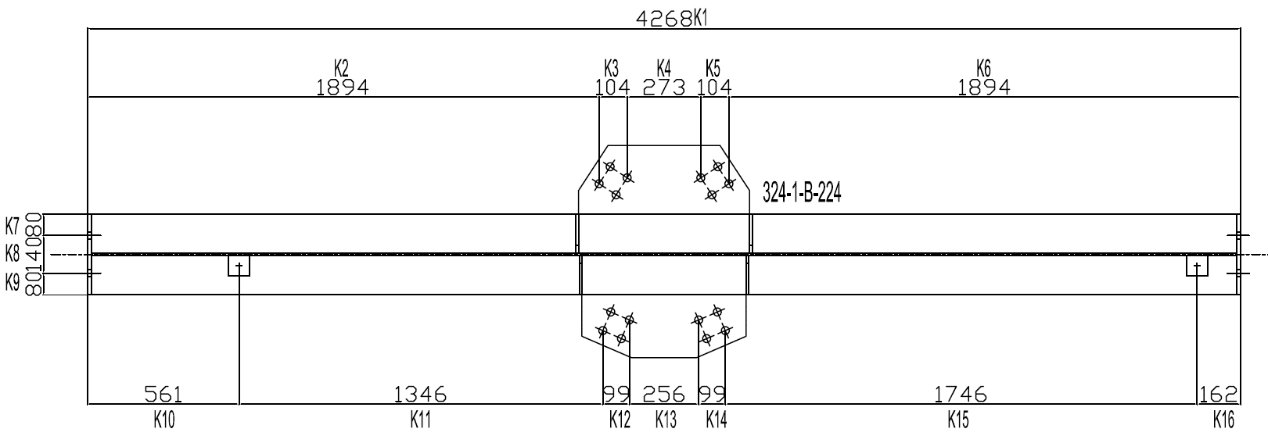

DIMESIONAL DETAILS : 324-1-B-224 1/1
Sl No. | Checked Dimensional Mark | Drawing Measurement | Actual Measurement |  | Deviation |  | Allowable Tolerance |  | Result
1 | K1 | 4268 |  |  |  |  | ±8
2 | K2 | 1894 |  |  |  |  | ±4
3 | K3 | 104 |  |  |  |  | ±2
4 | K4 | 273 |  |  |  |  | ±2
5 | K5 | 104 |  |  |  |  | ±2
6 | K6 | 1894 |  |  |  |  | ±4
7 | K7 | 80 |  |  |  |  | ±2
8 | K8 | 140 |  |  |  |  | ±2
9 | K9 | 80 |  |  |  |  | ±2
10 | K10 | 561 |  |  |  |  | ±3
11 | K11 | 1346 |  |  |  |  | ±4
12 | K12 | 99 |  |  |  |  | ±2
13 | K13 | 256 |  |  |  |  | ±2
14 | K14 | 99 |  |  |  |  | ±2
15 | K15 | 1746 |  |  |  |  | ±4
16 | K16 | 162 |  |  |  |  | ±2
REMARKS : Above items final dimension and visual veriifed & accepted.
 |  | BASHAER-QC |  | FIVES SOLIOS |  |  | EGA / TPI
SIGNATURE
NAME |  | RAJAN PALAIYAN |  | SAAD GHOBRIAL
DATE |  | 20.10.2025 |  | 20.10.2025

B226
DIMENSIONAL INSPECTION REPORT ANNEXURE

Project |  | JA RODDING-BUTTS CRUSHING PLANT |  |  |  | Report no. |  | BG-J082-850-9-QAC-SSDIR-028 ANNEX -006
Company |  | Emirates Global Aluminium |  |  |  | Date |  | 20.10.2025
Contractor |  | Fives Solios |  |  |  | Item Description |  | : 324-1- Conveyor gallery-Steel structure
Sub-Contractor |  | Bashaer Gulf Projects and technical Services LLC |  |  |  | Work Order No. |  | 850-9
ITP No / Clause No |  | J6P001466-TK6239-Q04-0001 Rev.02 |  |  |  | Acceptance Standard |  | AWS D1.1/AWSD1.1M : 2025
Ref.Drawing |  | FS131-704365-324401-324-1-B-226 Rev-04 |  |  |  | Stage |  | Final

SKETCH : 324-1-B-226
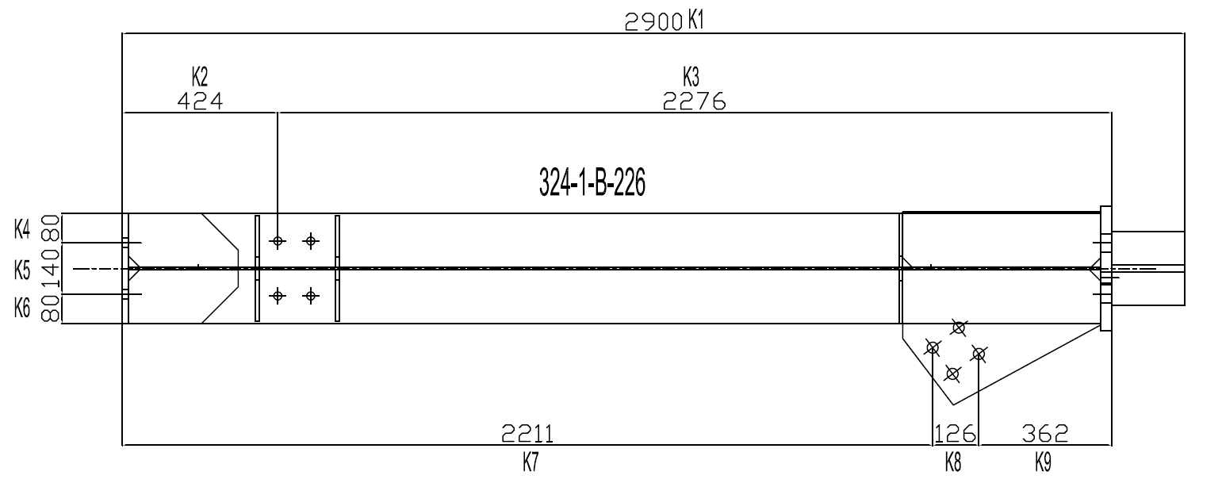

DIMESIONAL DETAILS : 324-1-B-226 1/1
Sl No. | Checked Dimensional Mark | Drawing Measurement | Actual Measurement |  | Deviation |  | Allowable Tolerance |  | Result
1 | K1 | 2900 |  |  |  |  | ±6
2 | K2 | 424 |  |  |  |  | ±3
3 | K3 | 2276 |  |  |  |  | ±6
4 | K4 | 80 |  |  |  |  | ±2
5 | K5 | 140 |  |  |  |  | ±2
6 | K6 | 80 |  |  |  |  | ±2
7 | K7 | 2211 |  |  |  |  | ±6
8 | K8 | 126 |  |  |  |  | ±2
9 | K9 | 362 |  |  |  |  | ±2
REMARKS : Above items final dimension and visual veriifed & accepted.
 |  | BASHAER-QC |  | FIVES SOLIOS |  |  | EGA / TPI
SIGNATURE
NAME |  | RAJAN PALAIYAN |  | SAAD GHOBRIAL
DATE |  | 20.10.2025 |  | 20.10.2025

B227
DIMENSIONAL INSPECTION REPORT ANNEXURE

Project |  | JA RODDING-BUTTS CRUSHING PLANT |  |  |  | Report no. |  | BG-J082-850-9-QAC-SSDIR-028 ANNEX -007
Company |  | Emirates Global Aluminium |  |  |  | Date |  | 20.10.2025
Contractor |  | Fives Solios |  |  |  | Item Description |  | : 324-1- Conveyor gallery-Steel structure
Sub-Contractor |  | Bashaer Gulf Projects and technical Services LLC |  |  |  | Work Order No. |  | 850-9
ITP No / Clause No |  | J6P001466-TK6239-Q04-0001 Rev.02 |  |  |  | Acceptance Standard |  | AWS D1.1/AWSD1.1M : 2025
Ref.Drawing |  | FS131-704365-324401-324-1-B-227 Rev-04 |  |  |  | Stage |  | Final

SKETCH : 324-1-B-227
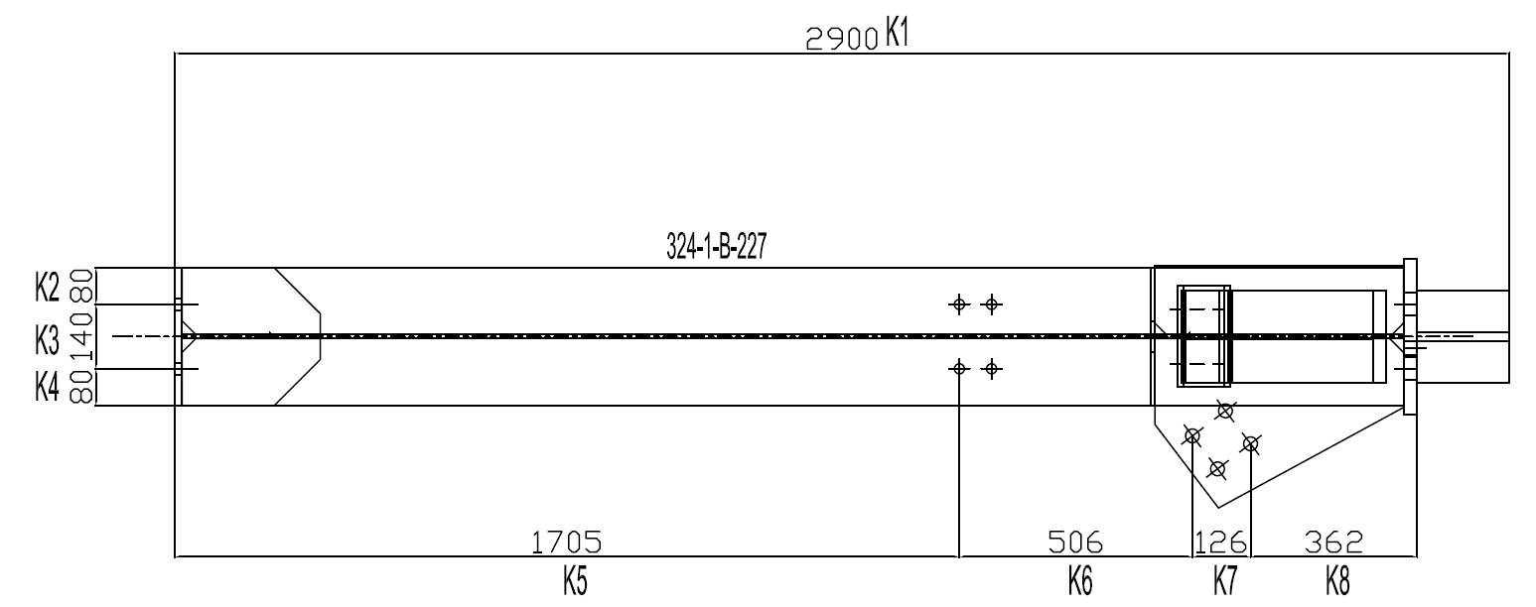

DIMESIONAL DETAILS : 324-1-B-227 1/1
Sl No. | Checked Dimensional Mark | Drawing Measurement | Actual Measurement |  | Deviation |  | Allowable Tolerance |  | Result
1 | K1 | 2900 |  |  |  |  | ±6
2 | K2 | 80 |  |  |  |  | ±2
3 | K3 | 140 |  |  |  |  | ±2
4 | K4 | 80 |  |  |  |  | ±2
5 | K5 | 1705 |  |  |  |  | ±4
6 | K6 | 506 |  |  |  |  | ±3
7 | K7 | 126 |  |  |  |  | ±2
8 | K8 | 362 |  |  |  |  | ±2
REMARKS : Above items final dimension and visual veriifed & accepted.
 |  | BASHAER-QC |  | FIVES SOLIOS |  |  | EGA / TPI
SIGNATURE
NAME |  | RAJAN PALAIYAN |  | SAAD GHOBRIAL
DATE |  | 20.10.2025 |  | 20.10.2025

B228
DIMENSIONAL INSPECTION REPORT ANNEXURE

Project |  | JA RODDING-BUTTS CRUSHING PLANT |  |  |  | Report no. |  | BG-J082-850-9-QAC-SSDIR-028 ANNEX -008
Company |  | Emirates Global Aluminium |  |  |  | Date |  | 20.10.2025
Contractor |  | Fives Solios |  |  |  | Item Description |  | : 324-1- Conveyor gallery-Steel structure
Sub-Contractor |  | Bashaer Gulf Projects and technical Services LLC |  |  |  | Work Order No. |  | 850-9
ITP No / Clause No |  | J6P001466-TK6239-Q04-0001 Rev.02 |  |  |  | Acceptance Standard |  | AWS D1.1/AWSD1.1M : 2025
Ref.Drawing |  | FS131-704365-324401-324-1-B-228 Rev-04 |  |  |  | Stage |  | Final

SKETCH : 324-1-B-228
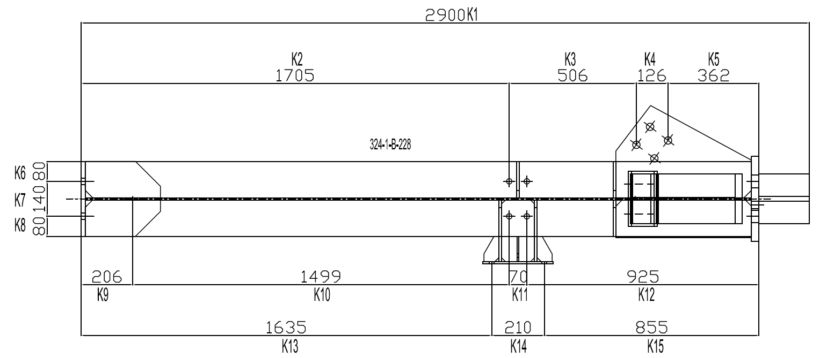

DIMESIONAL DETAILS : 324-1-B-228 1/1
Sl No. | Checked Dimensional Mark | Drawing Measurement | Actual Measurement |  | Deviation |  | Allowable Tolerance |  | Result
1 | K1 | 2900 |  |  |  |  | ±6
2 | K2 | 1705 |  |  |  |  | ±4
3 | K3 | 506 |  |  |  |  | ±3
4 | K4 | 126 |  |  |  |  | ±2
5 | K5 | 362 |  |  |  |  | ±2
6 | K6 | 80 |  |  |  |  | ±2
7 | K7 | 140 |  |  |  |  | ±2
8 | K8 | 80 |  |  |  |  | ±2
9 | K9 | 206 |  |  |  |  | ±2
10 | K10 | 1499 |  |  |  |  | ±4
11 | K11 | 70 |  |  |  |  | ±2
12 | K12 | 925 |  |  |  |  | ±3
13 | K13 | 1635 |  |  |  |  | ±4
14 | K14 | 210 |  |  |  |  | ±2
15 | K15 | 855 |  |  |  |  | ±3
REMARKS : Above items final dimension and visual veriifed & accepted.
 |  | BASHAER-QC |  | FIVES SOLIOS |  |  | EGA / TPI
SIGNATURE
NAME |  | RAJAN PALAIYAN |  | SAAD GHOBRIAL
DATE |  | 20.10.2025 |  | 20.10.2025

B266
DIMENSIONAL INSPECTION REPORT ANNEXURE

Project |  | JA RODDING-BUTTS CRUSHING PLANT |  |  |  | Report no. |  | BG-J082-850-9-QAC-SSDIR-028 ANNEX -009
Company |  | Emirates Global Aluminium |  |  |  | Date |  | 20.10.2025
Contractor |  | Fives Solios |  |  |  | Item Description |  | : 324-1- Conveyor gallery-Steel structure
Sub-Contractor |  | Bashaer Gulf Projects and technical Services LLC |  |  |  | Work Order No. |  | 850-9
ITP No / Clause No |  | J6P001466-TK6239-Q04-0001 Rev.02 |  |  |  | Acceptance Standard |  | AWS D1.1/AWSD1.1M : 2025
Ref.Drawing |  | FS131-704365-324401-324-1-B-266 Rev-04 |  |  |  | Stage |  | Final

SKETCH : 324-1-B-266
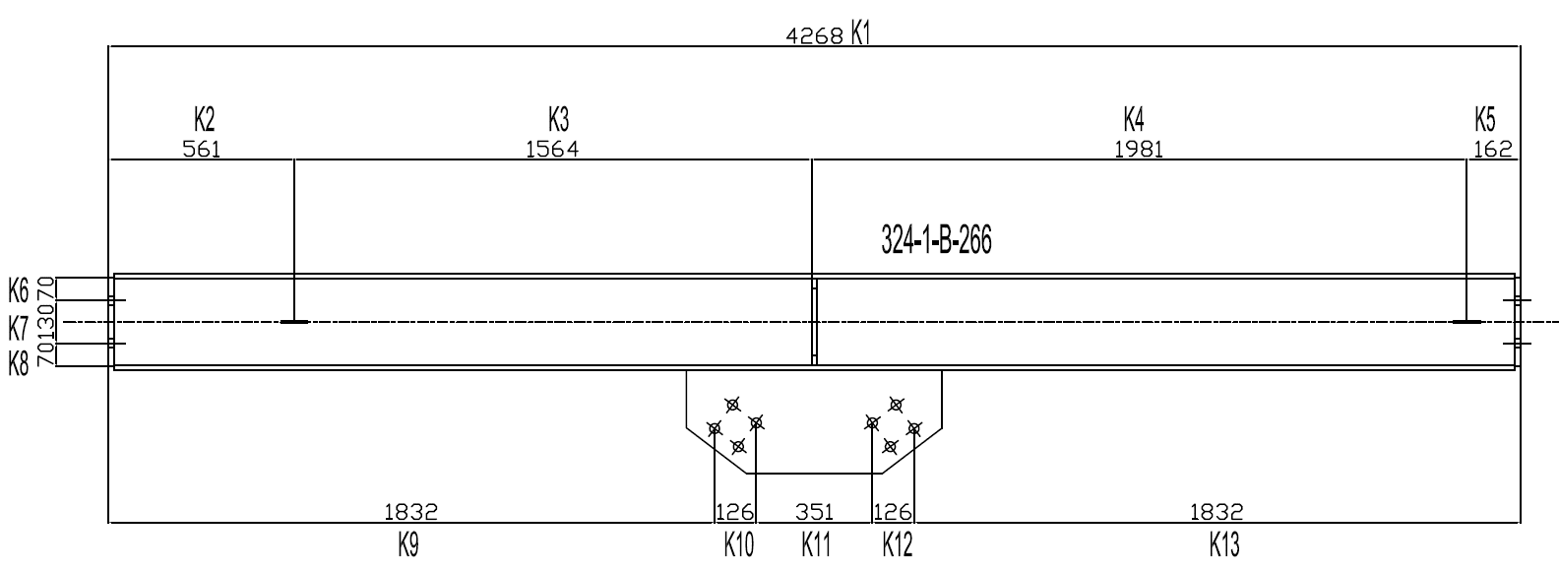

DIMESIONAL DETAILS : 324-1-B-266 1/1
Sl No. | Checked Dimensional Mark | Drawing Measurement | Actual Measurement |  | Deviation |  | Allowable Tolerance |  | Result
1 | K1 | 4268 |  |  |  |  | ±8
2 | K2 | 561 |  |  |  |  | ±3
3 | K3 | 1564 |  |  |  |  | ±4
4 | K4 | 1981 |  |  |  |  | ±4
5 | K5 | 162 |  |  |  |  | ±2
6 | K6 | 70 |  |  |  |  | ±2
7 | K7 | 130 |  |  |  |  | ±2
8 | K8 | 70 |  |  |  |  | ±2
9 | K9 | 1832 |  |  |  |  | ±4
10 | K10 | 126 |  |  |  |  | ±2
11 | K11 | 351 |  |  |  |  | ±2
12 | K12 | 126 |  |  |  |  | ±2
13 | K13 | 1832 |  |  |  |  | ±4
REMARKS : Above items final dimension and visual veriifed & accepted.
 |  | BASHAER-QC |  | FIVES SOLIOS |  |  | EGA / TPI
SIGNATURE
NAME |  | RAJAN PALAIYAN |  | SAAD GHOBRIAL
DATE |  | 20.10.2025 |  | 20.10.2025

B267
DIMENSIONAL INSPECTION REPORT ANNEXURE

Project |  | JA RODDING-BUTTS CRUSHING PLANT |  |  |  | Report no. |  | BG-J082-850-9-QAC-SSDIR-028 ANNEX -010
Company |  | Emirates Global Aluminium |  |  |  | Date |  | 20.10.2025
Contractor |  | Fives Solios |  |  |  | Item Description |  | : 324-1- Conveyor gallery-Steel structure
Sub-Contractor |  | Bashaer Gulf Projects and technical Services LLC |  |  |  | Work Order No. |  | 850-9
ITP No / Clause No |  | J6P001466-TK6239-Q04-0001 Rev.02 |  |  |  | Acceptance Standard |  | AWS D1.1/AWSD1.1M : 2025
Ref.Drawing |  | FS131-704365-324401-324-1-B-267 Rev-04 |  |  |  | Stage |  | Final

SKETCH : 324-1-B-267


DIMESIONAL DETAILS : 324-1-B-267 1/1
Sl No. | Checked Dimensional Mark | Drawing Measurement | Actual Measurement |  | Deviation |  | Allowable Tolerance |  | Result
1 | K1 | 3810 |  |  |  |  | ±6
2 | K2 | 93 |  |  |  |  | ±2
3 | K3 | 350 |  |  |  |  | ±2
4 | K4 | 432 |  |  |  |  | ±3
5 | K5 | 1222 |  |  |  |  | ±4
6 | K6 | 1030 |  |  |  |  | ±4
7 | K7 | 683 |  |  |  |  | ±3
8 | K8 | 50 |  |  |  |  | ±2
9 | K9 | 100 |  |  |  |  | ±2
10 | K10 | 50 |  |  |  |  | ±2
11 | K11 | 345 |  |  |  |  | ±2
12 | K12 | 100 |  |  |  |  | ±2
13 | K13 | 1334 |  |  |  |  | ±4
14 | K14 | 252 |  |  |  |  | ±2
15 | K15 | 1779 |  |  |  |  | ±4
REMARKS : Above items final dimension and visual veriifed & accepted.
 |  | BASHAER-QC |  | FIVES SOLIOS |  |  | EGA / TPI
SIGNATURE
NAME |  | RAJAN PALAIYAN |  | SAAD GHOBRIAL
DATE |  | 20.10.2025 |  | 20.10.2025

VB64
DIMENSIONAL INSPECTION REPORT ANNEXURE

Project |  | JA RODDING-BUTTS CRUSHING PLANT |  |  |  | Report no. |  | BG-J082-850-9-QAC-SSDIR-028 ANNEX -013
Company |  | Emirates Global Aluminium |  |  |  | Date |  | 20.10.2025
Contractor |  | Fives Solios |  |  |  | Item Description |  | : 324-1- Conveyor gallery-Steel structure
Sub-Contractor |  | Bashaer Gulf Projects and technical Services LLC |  |  |  | Work Order No. |  | 850-9
ITP No / Clause No |  | J6P001466-TK6239-Q04-0001 Rev.02 |  |  |  | Acceptance Standard |  | AWS D1.1/AWSD1.1M : 2025
Ref.Drawing |  | FS131-704365-324401-324-1-VB-64 Rev-04 |  |  |  | Stage |  | Final

SKETCH : 324-1-VB-64


DIMESIONAL DETAILS : 324-1-VB-64 1/1
Sl No. | Checked Dimensional Mark | Drawing Measurement | Actual Measurement |  | Deviation |  | Allowable Tolerance |  | Result
1 | K1 | 5593 |  |  |  |  | ±8
2 | K2 | 50 |  |  |  |  | ±2
3 | K3 | 2630 |  |  |  |  | ±6
4 | K4 | 89 |  |  |  |  | ±2
5 | K5 | 2684 |  |  |  |  | ±6
6 | K6 | 140 |  |  |  |  | ±2
7 | K7 | 2771 |  |  |  |  | ±6
8 | K8 | 89 |  |  |  |  | ±2
9 | K9 | 2733 |  |  |  |  | ±6
REMARKS : Above items final dimension and visual veriifed & accepted.
 |  | BASHAER-QC |  | FIVES SOLIOS |  |  | EGA / TPI
SIGNATURE
NAME |  | RAJAN PALAIYAN |  | SAAD GHOBRIAL
DATE |  | 20.10.2025 |  | 20.10.2025

